FAR
FAILURE ANALYSIS REPORT

CUSTOMER NAME |  | PT. PUTRA PERKASA ABADI |  |  |  | PHONE NO. / HP
KOTA / BRANCH |  | SITE AMI, CENTRAL BORNEO |  |  |  |  |  |  | DATE | 26-Dec-25

UNIT TYPE |  |  | COMP MODEL |  | BRAND |  |  | INSTALL DATE |  |  |  | PROBLEM DATE
AROCS |  |  | AROCS 4845 |  | MERCEDES-BENZ |  |  | 17-Jun-23 |  |  |  | 26-Dec-25

UNIT CODE |  |  | MACHINE LOCATION |  |  |  |  | LIFETIME |  |  |  | HM / KM
DA48113 |  |  | PPA-AMI |  |  |  |  | 923 days |  |  |  | 8830/235657

DETAIL PROBLEM
TECH IN CLUTCH MALFUNGTION |  |  |  |  |  |  |  |  |  |  |  |  |  |  | S

 |  |  |  |  |  |  |  |  |  |  |  |  |  | S
PHOTO
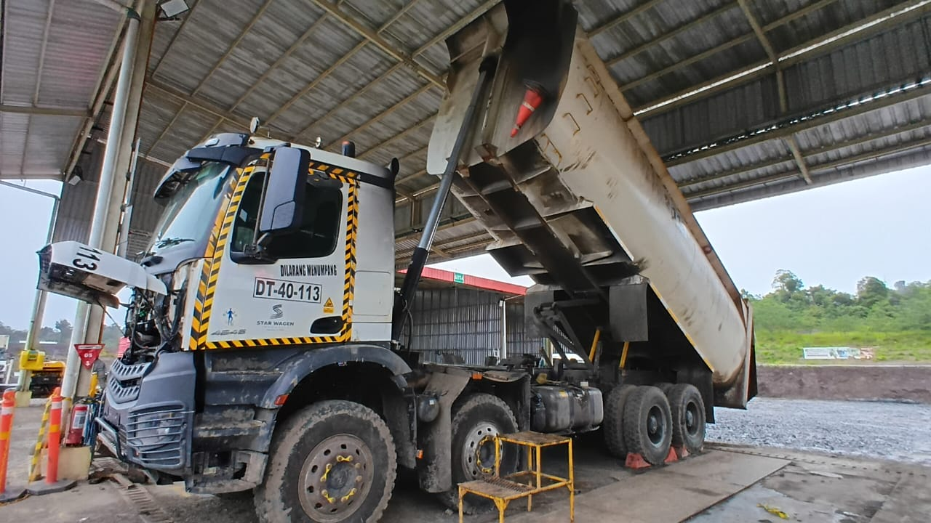
DATA UNIT

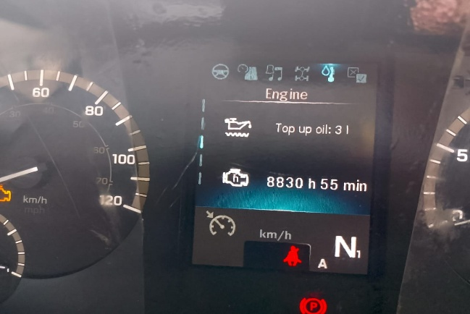

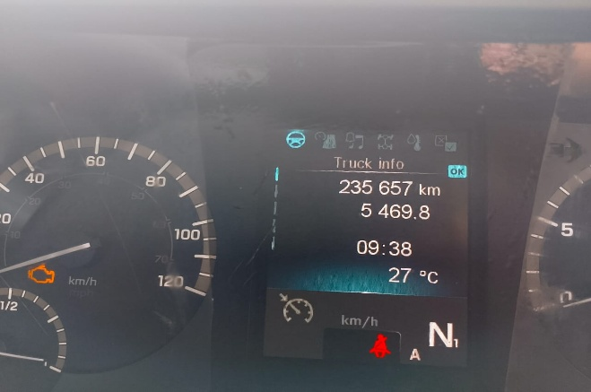

ROOT CAUSE

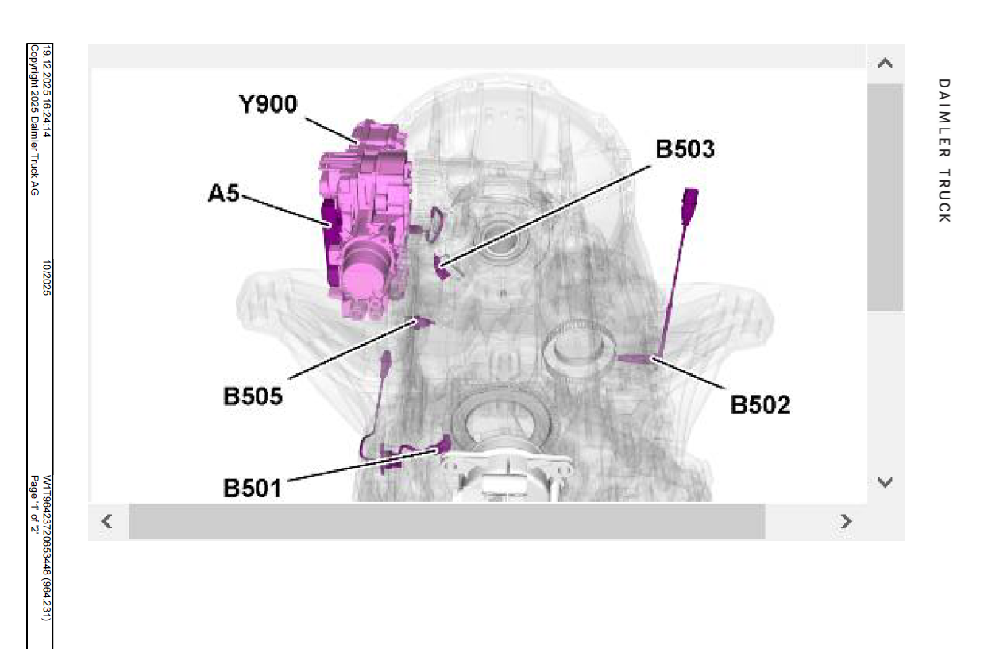
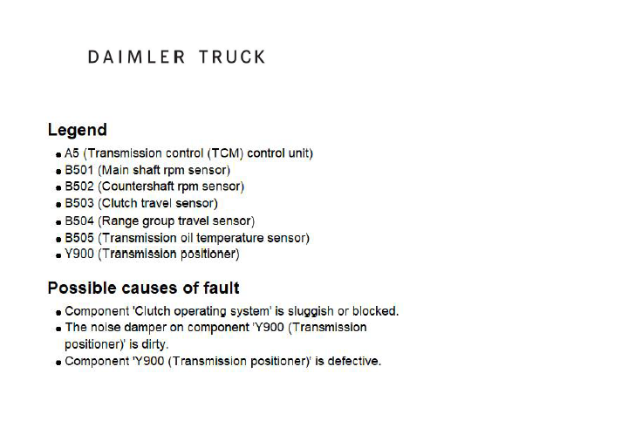

kondisi relese bearing close tidak sempurna
diafragma pressure plate bengkok
bolt adjuster pressure plate kendor
CHECK BY XENTRY
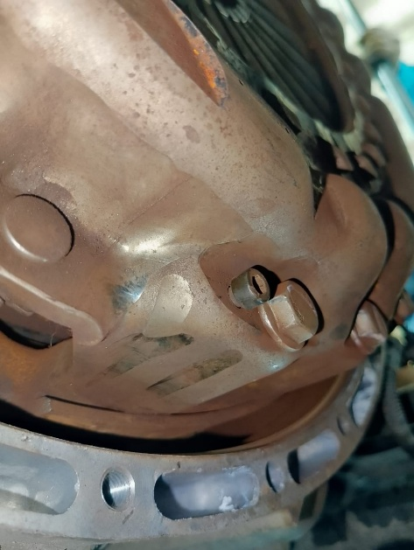 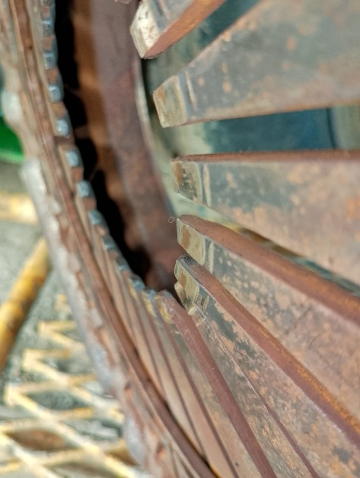 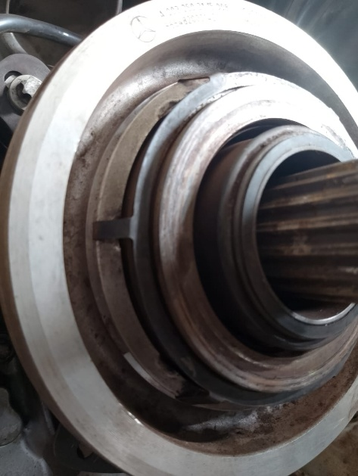
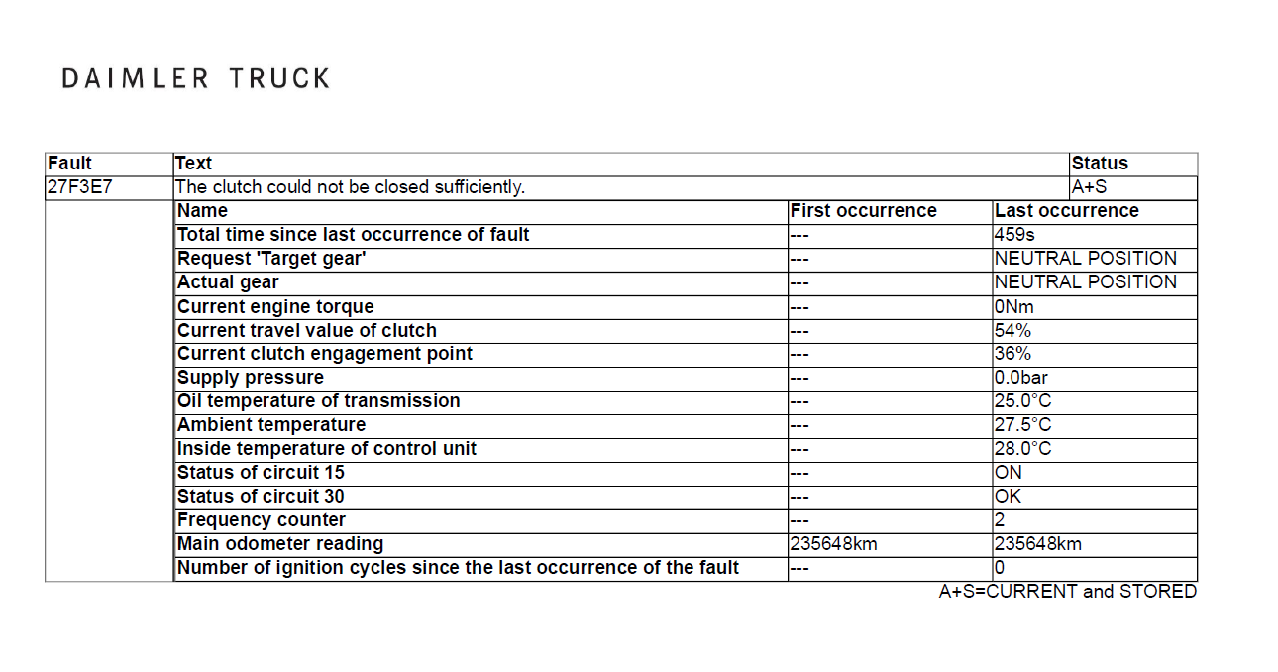

PHOTO

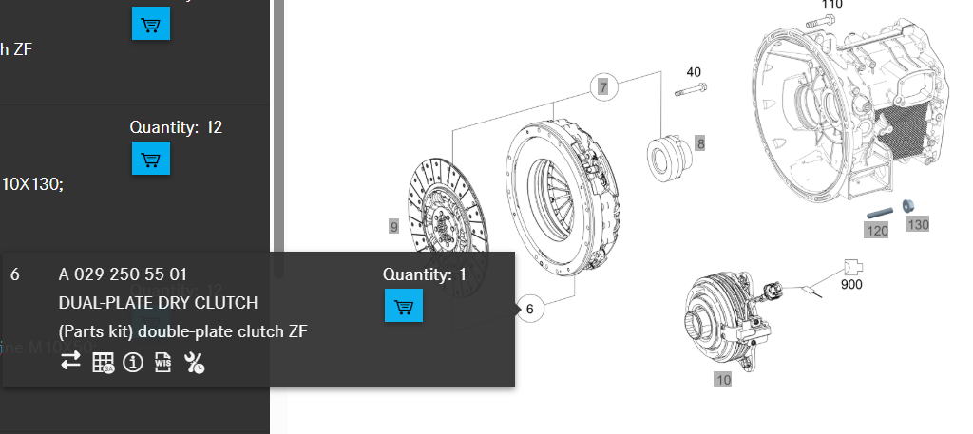

ANALYSIS
SUDAH DI LAKUKAN PENGECEKAN POSSIBLE CAUSE COMPONEN YANG DI SEBUTKAN DI ATAS DAN KOMPONEN Y 900 SUDAH DI LAKUKAN PENGECEKAN DAN COBA SWAP DENGAN UNIT LAIN (NORMAL) TETAPI ERROR MASIH TETAP SAMA,JADI INDIKASI BERASAL DARI MEKANIKAL CLUTCH YANG MENGAKIBATKAN PERGERAKAN RELEASE BERAING LEMAH/KURANG SEMPURNA

STATUS WARRANTY
NON WARRANTY

STATUS ORDER SPAREPARTS |  |  |  |  |  |  |  |  |  |  |  |  | RECOMMENDED SPAREPARTS

DATA SPAREPARTS RECOMMENDED
No | Part Number |  | Description |  |  |  |  |  |  |  |  |  | Qty
1 | A0292505501 |  |  | DUAL-PLATE DRY CLUTCH |  |  |  |  |  |  |  |  | 1

Created by |  | Checked by |  |  |  |  | Validation by |  |  |  | Customer

M KHALIM
Team Service |  | Warranty Officer |  |  |  |  | Technical Officer |  |  |  | PT. PPA

