Worksop Report
 | Menu

WORKSHOP REPORT/DIAGNOSIS GUIDE |  |  |  |  |  |  | PT.STAR WAGEN INDONESIA

Date: |  | 12-Jan-25 |  |  |  |  |  | Site
WIP No: |  |  |  |  | Customer Name: | PT. PUTRA PERKASA ABADI |  | SKS
Chasis No: |  | MEC2437BAPP131973 |  |  | Reg No : |  | Reg date | -
Engine No: |  |  |  |  | Type : | 2528 CH | Mileage / Hours Meter | 26625/2180
Registration Code |  | -

COMPLAINT ANALYSIS
Customer complaint/Customer information
WARNING MR PANEL
Vehicle information
MTERING VALVE ADBLUE
System Information
ADBLUE SYSTEM

TEST LEVEL

 | Test Level Description |  |  |  |  | Actual Value | Remark | Attachment Nr
 | CHECK ERROR 4219 |  |  |  |  | The diffusor in the AdBlue metering unit is clogged. | NOT OK
 | CHECK XENTRY |  |  |  |  | INDICATION METERING VALVE | NOT OK

 | CHECK THE CURRENT RESISTANCE OF THE CABLE LINE A6 X2 55/49 TO Y109/2 |  |  |  |  | 0,1 OHM | OKE
 | check parameter working adblue |  |  |  |  | video in document

CAUSE LEVEL
Cause level/Workshop findings: |  |  |  |  | The diffusor in the AdBlue metering unit is clogged.

 |  | Ada | Tidak ada | Attachment Nr
Photo (# lembar) |  | √ |  | √
Area kerusakan (gbr EPC) |  | √ |  | √
Video (nama file) |  | x | √
Old Spare part No.
Notes: |  |  |  |  |  |  |  |  | √
 |  |  |  |  |  |  |  |  | x

RECTIFICATION AND VERIFICATION LEVEL
Rectification: |  |  | Replace Alternator assy

 | PART NUMBER | DESCRIPTION | QTY
 | A0001404139 | METERING EQUIPM | 1

Verification:

 |  |  |  |  | Workshop report digunakan untuk mencatat hasil analisa mekanik dengan menyertakan langkah-langkah diagnosis dan temuannya selama diagnosa
CANDRA W
Mechanic |  |  | Supervisor/Mgr

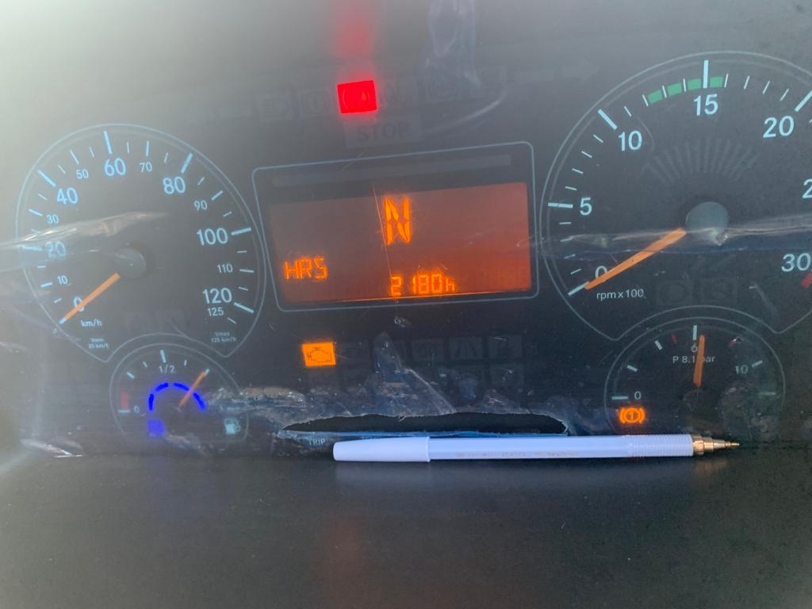
PICTURE CAUSE AND ACTION
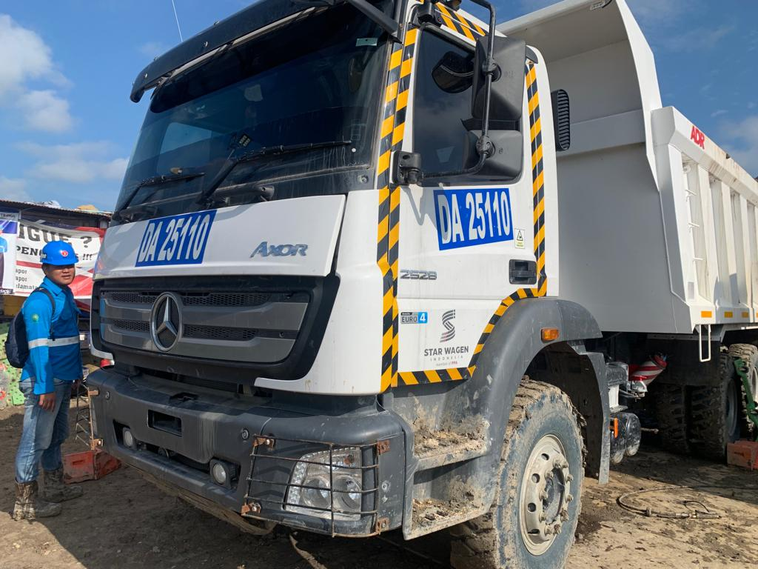 |  |  |  |  | 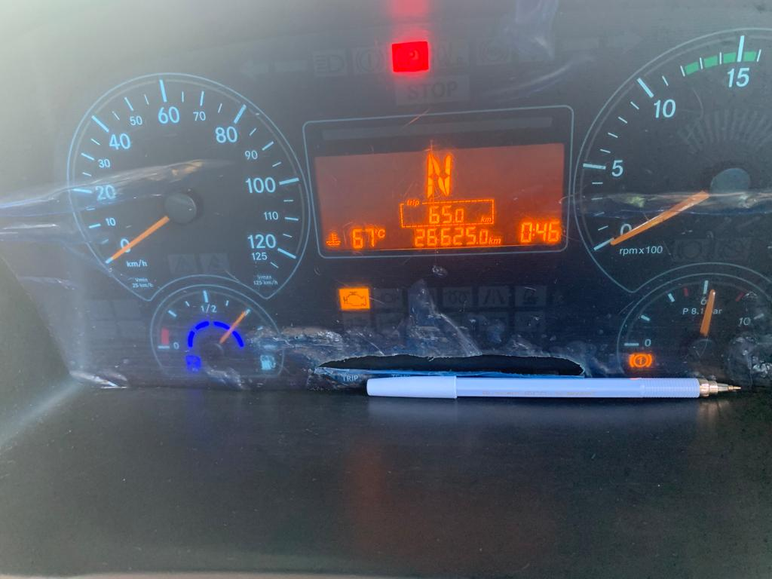 |  | 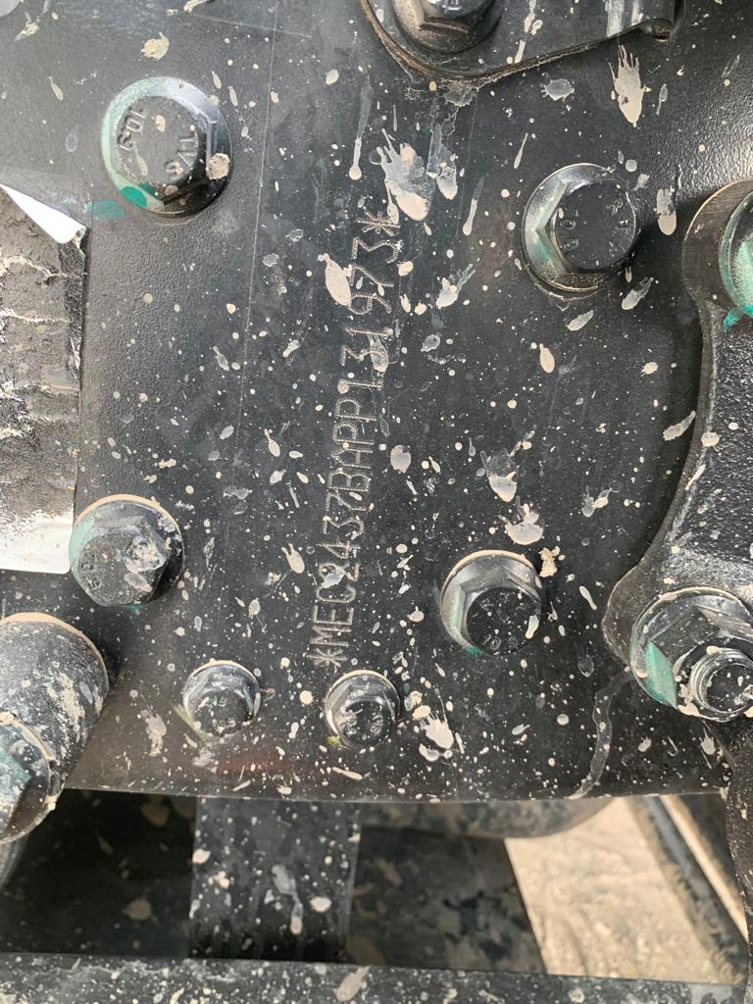

FOTO UNIT |  |  | FOTO HM |  | FOTO KM |  | FOTO VIN

PICTURE CAUSE AND ACTION
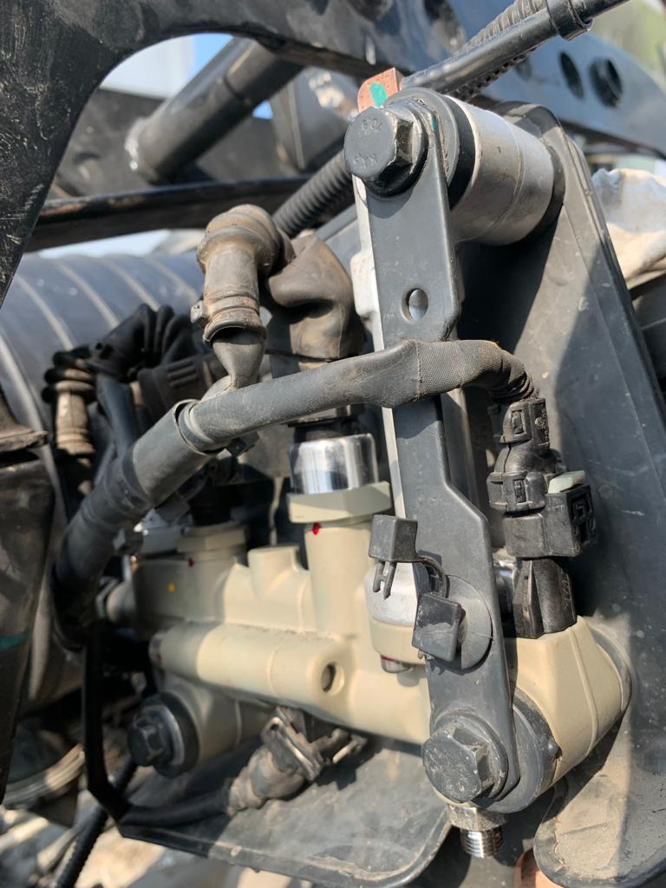

BEFORE PROBLEM |  |  | AFTER PROBLEM |  | PROSES INSTALL |  | PROSES INSTALL

PICTURE CAUSE AND ACTION

Part Book |  |  | picture part no aktual |  | picture part no part new |  | PROSES INSTALL

Head Office | Gedung Office 8 Lt.33 (SCBD Lot 28/Senopati Raya 8B), Jl.Jend.Sudirman Kav.52-53, Jakarta Selatan 12190 , Indonesia | T +62 21 57903456 | www.starwagen.co.id
Branch | Jl.Syarifuddin Yoes Blok.Kav.46-47 RT.045, Sepinggan Baru, Balikpapan Selatan, Kalimantan Timur, Indonesia | +62 54 28707888 / +62 54 28705758
and Mercedes-Benz are registered trademarks of Mercedes-Benz Group AG.

Pre Order
MENU

 |  |  |  |  |  | PT Star Wagen Indonesia
Pre Order Form |  |  |  |  |  | Authorized Dealer of Mercedes-Benz
 |  |  |  |  |  | Truck & Bus in Indonesia

Customer name: |  | PT. PUTRA PERKASA ABADI |  | For reference please quote the following no.
Address: |  | SKS |  | Order no.:
City: |  |  |  | Date: |  | Customer No: | Page:
Telp:
Tax Code:

Regisration No. |  | Chassis No/Vin | Sales Designation |  |  |  | Reception date/time
- |  | MEC2437BAPP131973
Millage / KM |  | Engine No. | Active Reception |  |  |  | Received by
26625/2180 |  | 0 | YES |  |  | NO | CANDRA W | 0
Routing No. |  | Last Service | Sales Designation |  |  |  | Deadline/time
 |  | Date / Millege
Is this vehicle related to campaign ? Yes No Mobility Service Yes No
Item | Operation. Nr |  | Hours | Type Of Work

 | Please mark damage positions! |  | Standard Checking Leakage |  | √ | Valuable Item Missing |  |  | √
 | Stone Chipping |  |  |  |  |  |  |  | x
 | Dents |  | Abnormal Noise |  | √ | Vehicle Tool Kit (Incl. Hyd Jack)
 | Scratches

 |  |  | Error Code/Indicator |  | √ | First Aid Kit

 |  |  | Brake, Clucth & Tire |  | x | Spare Kit (Incl. Wheel Coke

 |  |  | 10 Minutes Cycle Check |  |  | STNK

 |  |  |  |  |  | Opr Manual
 |  |  |  |  |  | E ¼ ½ ¾ F
 |  |  | Others Please Specify :

This order is placed in accordance with our general term of business.

 | Customer's signature & name |  |  |  |  | Service Adviser's signature & name

Head Office | Gedung Office 8 Lt.33 (SCBD Lot 28/Senopati Raya 8B), Jl.Jend.Sudirman Kav.52-53, Jakarta Selatan 12190 , Indonesia | T +62 21 57903456 | www.starwagen.co.id
Branch | Jl.Syarifuddin Yoes Blok.Kav.46-47 RT.045, Sepinggan Baru, Balikpapan Selatan, Kalimantan Timur, Indonesia | +62 54 28707888 / +62 54 28705758

 | and Mercedes-Benz are registered trademarks of Mercedes-Benz Group AG.

Work Order
MENU

 |  |  |  |  | PT Star Wagen Indonesia
Work Order Form |  |  |  |  | Authorized Dealer of Mercedes-Benz
 |  |  |  |  | Truck & Bus in Indonesia

Customer name: |  | PT. PUTRA PERKASA ABADI |  | For reference please quote the following no.
Address: |  | SKS |  | Order no.:
City: |  |  |  | Date: | Customer No: | Page:
Telp: |  |  |  | 2023-05-04
Tax Code:

Regisration No. |  | Chassis No/Vin | Sales Designation |  |  | Reception date/time
- |  | MFJ400243NJ001268
Millage / KM |  | Engine No. | Active Reception |  |  | Received by
8787 |  | 400953D0128813 | YES | NO |  | CANDRA W | 0
Routing No. |  | Last Service | Sales Designation |  |  | Deadline/time
 |  | Date / Millege
Is this vehicle related to campaign ? Yes No Mobility Service Yes No
Item | Operation. Nr |  | Hours | Type Of Work
P

 |  |  |  |  |  |  |  | P | RUBBER SEAL EING A4009970441
 |  |  |  |  |  |  |  | P | GASKET A4002670080
 |  |  |  |  |  |  |  | P | BUSHING ER/OUTER CHAMFERS A3872670650
 |  |  |  |  |  |  |  | P | BEARING BUSH A4009927703

Ketentuan: 1. Lembar Work order yang sudah ditandatangai merupakan surat kuasa dari pelanggan ke dealer untuk dilakukan pekerjaan sesuai yang tertera di work order, serta memberi wewenang untuk melakukan uji coba kendaraan di luar bengkel. 2. Kendaraan yang sudah selesai diperbaiki wajib diambil oleh pelanggan dalam waktu ...x 24 jam dari waktu pemberitahuan. Apabila melebihi dari waktu tersebut, Dealer tidak bertanggung jawab lagi atas kondisi kendaraan tersebut dan dikenakan biaya sebesar Rp..................../hari. |  |  |  | 3. Dealer tidak bertanggung jawab atas segala kerugian akibat musibah, bencana alam ataupun kejadian lain yang tidak dipredikasi atau di luar tanggung jawab dealer. 4. Tidak diperkenankan menyimpan barang barang berharga didalam kendaraan. Dealer tidak bertanggung jawab apabila terjadi kehilangan atas barang barang tersebut. 5. Hal lain diluar ketentuan ini akan diatur tersendiri oleh masing-masing dealer.


 | Customer's signature & name |  |  |  | Service Adviser's signature & name

Head Office | Gedung Office 8 Lt.33 (SCBD Lot 28/Senopati Raya 8B), Jl.Jend.Sudirman Kav.52-53, Jakarta Selatan 12190 , Indonesia | T +62 21 57903456 | www.starwagen.co.id
Branch | Jl.Syarifuddin Yoes Blok.Kav.46-47 RT.045, Sepinggan Baru, Balikpapan Selatan, Kalimantan Timur, Indonesia | +62 54 28707888 / +62 54 28705758

 | and Mercedes-Benz are registered trademarks of Mercedes-Benz Group AG.

Part Request
MENU

 |  |  |  |  |  |  |  |  | Authorized Dealer of Mercedes-Benz
Part Request Slip |  |  |  |  |  |  |  |  | Truck & Bus in Indonesia
 |  | Passenger car Commercial vehicle
Slip Numbering |  | Customer Information |  |  |  | Vehicle Information |  |  | Order Information
 |  | Nama | PT. PUTRA PERKASA ABADI |  |  | Model : | 2528 CH |  | Worksop Order No :
 |  | Site | SKS |  |  | Vin : | MEC2437BAPP132950 |  | Order By :
 |  |  |  |  |  | Engine No : |  |  | Delivery By :
 |  | Car Registration | - |  |  | Date of 1st registration: |  |  | Received By
 |  |  |  |  |  |  |  |  | Issue On :

No | Part Number | ES1 | ES2 | Bin Location | Quantity Requested | Description |  |  | Unit Price | Total Price
1 | A0001404139 |  |  |  | 1 | METERING EQUIPM
2 |  |  |  |  |  |  |  |  |  |  | ROTATIONAL SPEED SENSOR
3
4
5
6
7
8
9
10
11
12
13
14
 |  |  |  |  |  |  |  | Foreman | Mechanic | Delivered By

 |  |  |  |  |  |  |  |  | CANDRA W | 0

 | Head Office | Gedung Office 8 Lt.33 (SCBD Lot 28/Senopati Raya 8B), Jl.Jend.Sudirman Kav.52-53, Jakarta Selatan 12190 , Indonesia | T +62 21 57903456 | www.starwagen.co.id
 | Branch | Jl.Syarifuddin Yoes Blok.Kav.46-47 RT.045, Sepinggan Baru, Balikpapan Selatan, Kalimantan Timur, Indonesia | +62 54 28707888 / +62 54 28705758

and Mercedes-Benz are registered trademarks of Mercedes-Benz Group AG

Time Sheet
MENU

 |  |  |  | PT Star Wagen Indonesia
Job Time Card Report |  |  |  | Authorized Dealer of Mercedes-Benz Truck & Bus in Indonesia

Mechanic Name: | CANDRA W | 0 | WIP Number :

CIW/GW | Operational Code | End Start | Time Recording |  | Date |  |  |  | Total Time
 | Description
Warranty | REPAIR SKUN ELECTRICAL | End | 11:00:00 |  |  |  |  |  |  |  | Customer | 1:00:00
 |  | Start | 8:00:00 |  |  |  |  |  |  |  | Internal | 2:00:00
 |  | End |  |  |  |  |  |  |  |  | Warranty | 3:00:00
 |  | Start |  |  |  |  |  |  |  |  | GoodWill | 4:00:00
 |  | End |  |  |  |  |  |  |  |  |  | 5:00:00
 |  | Start |  |  |  |  |  |  |  |  |  | 6:00:00
 |  | End |  |  |  |  |  |  |  |  |  | 7:00:00
 |  | Start |  |  |  |  |  |  |  |  |  | 8:00:00
 |  | End |  |  |  |  |  |  |  |  |  | 9:00:00
 |  | Start |  |  |  |  |  |  |  |  |  | 10:00:00
 |  | End |  |  |  |  |  |  |  |  |  | 11:00:00
 |  | Start |  |  |  |  |  |  |  |  |  | 12:00:00
 |  | End |  |  |  |  |  |  |  |  |  | 13:00:00
 |  | Start |  |  |  |  |  |  |  |  |  | 14:00:00
 |  | End |  |  |  |  |  |  |  |  |  | 15:00:00
 |  | Start |  |  |  |  |  |  |  |  |  | 16:00:00
 |  | End |  |  |  |  |  |  |  |  |  | 13:00:00
 |  | Start |  |  |  |  |  |  |  |  |  | 14:00:00
 |  | End |  |  |  |  |  |  |  |  |  | 15:00:00
 |  | Start |  |  |  |  |  |  |  |  |  | 16:00:00
 |  | End |  |  |  |  |  |  |  |  |  | 13:00:00
 |  | Start |  |  |  |  |  |  |  |  |  | 14:00:00
 |  | End |  |  |  |  |  |  |  |  |  | 15:00:00
 |  | Start |  |  |  |  |  |  |  |  |  | 16:00:00
 |  |  |  |  |  |  |  |  |  |  |  | 17:00:00
Hours |  | C | I | W/G | W1 | W2 | W3 | W4 | W5 | W6 |  | 18:00:00
Total |  |  |  | 0:00:00 |  |  |  |  |  |  |  | 19:00:00
 |  |  |  |  |  |  |  |  |  |  |  | 20:00:00
Head Office | Gedung Office 8 Lt.33 (SCBD Lot 28/Senopati Raya 8B), Jl.Jend.Sudirman Kav.52-53, Jakarta Selatan 12190 , Indonesia | T +62 21 57903456 | www.starwagen.co.id |  |  |  |  |  |  |  |  |  |  |  | 21:00:00
Branch | Jl.Syarifuddin Yoes Blok.Kav.46-47 RT.045, Sepinggan Baru, Balikpapan Selatan, Kalimantan Timur, Indonesia | +62 54 28707888 / +62 54 28705758 |  |  |  |  |  |  |  |  |  |  |  | 22:00:00
 |  |  |  |  |  |  |  |  |  |  |  | 23:00:00
and Mercedes-Benz are registered trademarks of Mercedes-Benz Group AG
 |  |  |  |  |  |  |  |  |  |  |  | 1900-01-01 00:00:00

Final Control
MENU

 |  |  | Truck & Bus |  |  |  | PT Star Wagen Indonesia
 |  |  | in Indonesia |  |  |  | Authorized Dealer of Mercedes-Benz Truck & Bus in Indonesia
Final Control Report

 |  | Customer Name : | PT. PUTRA PERKASA ABADI |  | Millage In :6381.0 |  |  |  | Check And Tested By
 |  | Wo no/ WIP NO : |  |  | Millage Out :6381.0 |  |  |  | Name : | CANDRA W | 0
 |  |  |  |  |  |  |  |  | Date : | 2023-04-01

 |  | Function Checks |  |  | Visual Checks |  |  |  | Other Checks
 | x | All warning indicators |  | x | Engine |  |  | x | Wiper blades and spraying nozzle |  |  | √
 | x | Steering system |  | x | Transmission |  |  | x | Vacuum hoses/lines |  |  | x
 | x | Horn |  | x | Rear axles |  |  | x | Write your own checking list related reparation you did
 | x | Lights interior / exterior |  | x | Steering system |  |  | √ | CHECK CHARGING SYSTEM
 | √ | Other electrical equipment |  | x | Fuel system |  |  | √ | CHECK WEARING SYSTEM
 | x | Central locking / closing assist system |  | x | Cooling system |  |  | √ | …………………………………………………………………..
 | x | Brakes on dynamometer or test drive |  | x | Brake hoses / lines / linkage |  |  | √ | …………………………………………………………………..
 | x | Air conditioner |  | x | Condition of tires/spare tires (if any) |  |  | √ | …………………………………………………………………..
 |  |  |  | x | Cleanliness inside and outside |  |  |  | …………………………………………………………………..
 |  | Fluid Levels |  |  | Final Checks |  |  |  | Document Check
 | x | Engine |  | √ | Check work performed |  |  | √ | Test document / Short test result
 | x | Transmission |  | √ | Test Drive if needed |  |  | √ | Workshop report (only if required)
 | x | Radiator / Coolant |  |  |  |  |  | √ | Internal part requisition slip
 | x | Power steering |  |  |  |  |  | √ | Battery test result, only if tested
 | √ | Battery |  |  |  |  |  | √
 | x | Brake system |  |  |  |  |  | √
 | x | Windshield washer |  |  |  |  |  | √
 |  |  |  |  |  |  |  | √
 | After completion of all the work required by you, we performed a final quality check on your vehicle with the following results:
 | Ok |  | No |  |  |  |  | Acknowledged by
 | During checking & reparation process, some critical findings has to be followed up;
 | 1.
 | 2.
 | this has been conveyed on………..to……………. but not approved for doing an action. |  |  |  | (Service Advisor) | (Customer) |  | Foreman or Supervisor

 | Head Office | Gedung Office 8 Lt.33 (SCBD Lot 28/Senopati Raya 8B), Jl.Jend.Sudirman Kav.52-53, Jakarta Selatan 12190 , Indonesia | T +62 21 57903456 | www.starwagen.co.id
 | Branch | Jl.Syarifuddin Yoes Blok.Kav.46-47 RT.045, Sepinggan Baru, Balikpapan Selatan, Kalimantan Timur, Indonesia | +62 54 28707888 / +62 54 28705758
and Mercedes-Benz are registered trademarks of Mercedes-Benz Group AG
.

