Worksop Report
 | Menu

WORKSHOP REPORT/DIAGNOSIS GUIDE |  |  |  |  |  |  | PT.STAR WAGEN INDONESIA

Date: |  | 29/05/2024 |  |  |  |  |  | Site
WIP No: |  |  |  |  | Customer Name: | PT. PUTRA PERKASA ABADI |  | BUKIT ASAM
Chasis No: |  | W1T96423320658209 |  |  | Reg No : |  | Reg date
Engine No: |  | 471922C0801300 |  |  | Type : | AROCS 4845K E5 | Mileage / Hours Meter | HM 4191 / KM 49259
Registration Code

COMPLAINT ANALYSIS
Customer complaint/Customer information
 | ENGINE AREA LEAKS
Vehicle information
 | HIGH PRESSURE LINE
System Information

TEST LEVEL

 | Test Level Description |  |  |  |  | Actual Value | Remark | Attachment Nr
 | METAL SEAL |  |  |  |  | NOT OK | DAMAGE
 | HIGH PRESSURE LINE |  |  |  |  | NOT OK | LEAK

CAUSE LEVEL
Cause level/Workshop findings: |  |  |  |  | PADA SAAT PERODIC SERVICE MEKANIK MENEMUKAN KEBOCORAN PADA AREA ENGINE, DAN KEBOCORAN TERSEBT BERADA DI HIGH PRESSURE LINE. MEKANIK MEMERIKSA DAN MENGECEK KE,MUDIAN MELEPAS SATU PERSATU HIGH PRESSURE LINE BESERTA SEAL TERSEBUT. SETELAH DILAKUKAN PENGECEKAN TERNYATA SEAL TERSEBUT DALAM KEADAAN YG TIDAK BAIK (DAMAGE). KEMUDIAN MEKANIK MEMPERBAIKI PRESURE LINE DENGAN MENAMBAHKAN SEAL TIP DIANTARA PRESSURE LINE DAN SEAL. MEKANIK MELAKUKAN MONITORING SAMPAI SPAREPART DATANG DI SITE.

 |  | Ada | Tidak ada | Attachment Nr
Photo (# lembar) |  | √
Area kerusakan (gbr EPC) |  | √
Video (nama file) |  | x
Old Spare part No.
Notes: |  |  |  |  |  |  |  |  | √
 |  |  |  |  |  |  |  |  | x

RECTIFICATION AND VERIFICATION LEVEL
Rectification:

 | PART NUMBER | DESCRIPTION | QTY
 | A4720780180 | METAL SEAL | 6
 | A4700782910 | HIGH-PRESSURE LINE | 3
 | A4700783010 | HIGH-PRESSURE LINE | 3
Verification:

 |  |  |  |  | Workshop report digunakan untuk mencatat hasil analisa mekanik dengan menyertakan langkah-langkah diagnosis dan temuannya selama diagnosa
REGA |  |  | M.PURWA
Mechanic |  |  | Supervisor/Mgr

PICTURE CAUSE AND ACTION
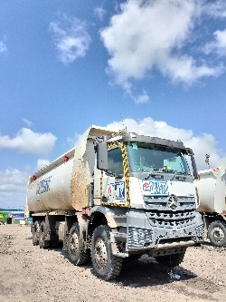 |  |  | 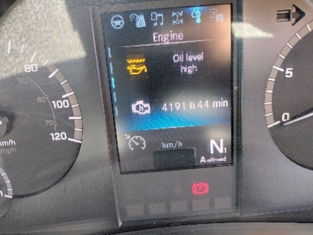 |  | 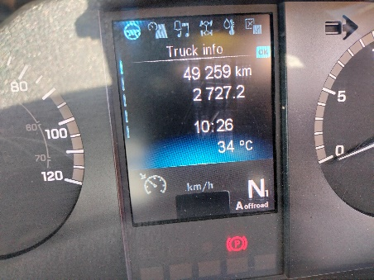 |  | 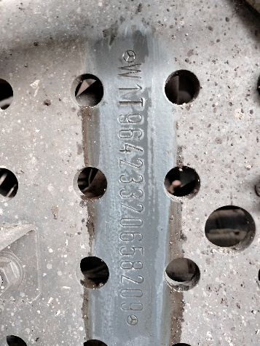

FOTO UNIT |  |  | FOTO HM |  | FOTO KM |  | FOTO VIN

PICTURE CAUSE AND ACTION
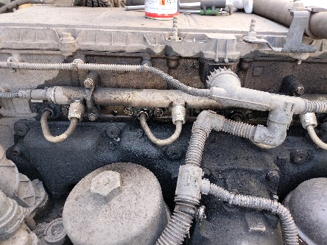 |  |  | 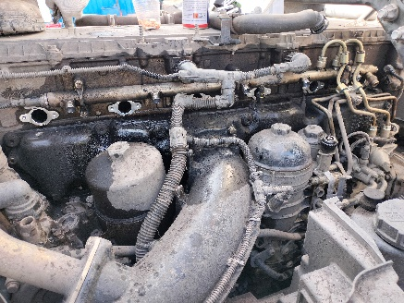 |  | 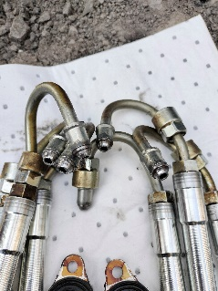 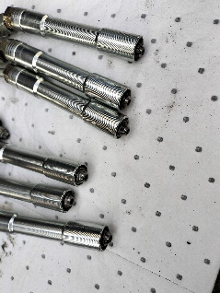

LEAKING AREA |  |  |  |  |  |  | SEAL DAMAGE

PICTURE CAUSE AND ACTION
 |  |  |  |  | 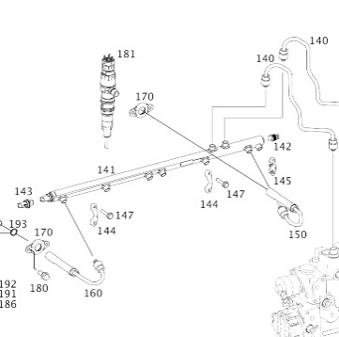

Part Book |  |  | picture part no aktual |  | PARTS NEW |  | PROGRESS INSTALL

Head Office | Gedung Office 8 Lt.33 (SCBD Lot 28/Senopati Raya 8B), Jl.Jend.Sudirman Kav.52-53, Jakarta Selatan 12190 , Indonesia | T +62 21 57903456 | www.starwagen.co.id
Branch | Jl.Syarifuddin Yoes Blok.Kav.46-47 RT.045, Sepinggan Baru, Balikpapan Selatan, Kalimantan Timur, Indonesia | +62 54 28707888 / +62 54 28705758
and Mercedes-Benz are registered trademarks of Mercedes-Benz Group AG.

Part Request
MENU

 |  |  |  |  |  |  |  |  | Authorized Dealer of Mercedes-Benz
Part Request Slip |  |  |  |  |  |  |  |  | Truck & Bus in Indonesia
 |  | Passenger car Commercial vehicle
Slip Numbering |  | Customer Information |  |  |  | Vehicle Information |  |  | Order Information
 |  | Nama | PT. PUTRA PERKASA ABADI |  |  | Model : | AROCS 4845K E5 |  | Worksop Order No :
 |  | Site | BUKIT ASAM |  |  | Vin : |  |  | Order By :
 |  |  |  |  |  | Engine No : |  |  | Delivery By : | PT.SWI
 |  | Car Registration | 0 |  |  | Date of 1st registration: |  |  | REGA
 |  |  |  |  |  |  |  |  | Issue On :

No | Part Number | ES1 | ES2 | Bin Location | Quantity Requested | Description |  |  | Unit Price | Total Price
1 | A4720780180 |  |  |  | 6 | METAL SEAL
2 | A4700782910 |  |  |  | 3 | HIGH-PRESSURE LINE
3 | A4700783010 |  |  |  | 3 | HIGH-PRESSURE LINE
4
5
6
7
8
9
10
11
12
13
14
 |  |  |  |  |  |  |  | Foreman | Mechanic | Delivered By

 |  |  |  |  |  |  |  |  | REGA | 0

 | Head Office | Gedung Office 8 Lt.33 (SCBD Lot 28/Senopati Raya 8B), Jl.Jend.Sudirman Kav.52-53, Jakarta Selatan 12190 , Indonesia | T +62 21 57903456 | www.starwagen.co.id
 | Branch | Jl.Syarifuddin Yoes Blok.Kav.46-47 RT.045, Sepinggan Baru, Balikpapan Selatan, Kalimantan Timur, Indonesia | +62 54 28707888 / +62 54 28705758

and Mercedes-Benz are registered trademarks of Mercedes-Benz Group AG

Work Order
MENU

 |  |  |  |  | PT Star Wagen Indonesia
Work Order Form |  |  |  |  | Authorized Dealer of Mercedes-Benz
 |  |  |  |  | Truck & Bus in Indonesia

Customer name: |  | PT. PUTRA PERKASA ABADI |  | For reference please quote the following no.
Address: |  | BUKIT ASAM |  | Order no.:
City: |  |  |  | Date: 6 mei 2024 | Customer No: | Page:
Telp:
Tax Code:

Regisration No. |  | Chassis No/Vin | Sales Designation |  |  | Reception date/time
 |  |  |  |  |  | 29/05/2024
Millage / KM |  | Engine No. | Active Reception |  |  | Received by
 |  |  | YES | NO |  | REGA | 0
Routing No. |  | Last Service | Sales Designation |  |  | Deadline/time
 |  | Date / Millege
Is this vehicle related to campaign ? Yes No Mobility Service Yes No
Item | Operation. Nr |  | Hours | Type Of Work

Ketentuan: 1. Lembar Work order yang sudah ditandatangai merupakan surat kuasa dari pelanggan ke dealer untuk dilakukan pekerjaan sesuai yang tertera di work order, serta memberi wewenang untuk melakukan uji coba kendaraan di luar bengkel. 2. Kendaraan yang sudah selesai diperbaiki wajib diambil oleh pelanggan dalam waktu ...x 24 jam dari waktu pemberitahuan. Apabila melebihi dari waktu tersebut, Dealer tidak bertanggung jawab lagi atas kondisi kendaraan tersebut dan dikenakan biaya sebesar Rp..................../hari. |  |  |  | 3. Dealer tidak bertanggung jawab atas segala kerugian akibat musibah, bencana alam ataupun kejadian lain yang tidak dipredikasi atau di luar tanggung jawab dealer. 4. Tidak diperkenankan menyimpan barang barang berharga didalam kendaraan. Dealer tidak bertanggung jawab apabila terjadi kehilangan atas barang barang tersebut. 5. Hal lain diluar ketentuan ini akan diatur tersendiri oleh masing-masing dealer.


 | Customer's signature & name |  |  |  | Service Adviser's signature & name

Head Office | Gedung Office 8 Lt.33 (SCBD Lot 28/Senopati Raya 8B), Jl.Jend.Sudirman Kav.52-53, Jakarta Selatan 12190 , Indonesia | T +62 21 57903456 | www.starwagen.co.id
Branch | Jl.Syarifuddin Yoes Blok.Kav.46-47 RT.045, Sepinggan Baru, Balikpapan Selatan, Kalimantan Timur, Indonesia | +62 54 28707888 / +62 54 28705758

 | and Mercedes-Benz are registered trademarks of Mercedes-Benz Group AG.

Time Sheet
MENU

 |  |  |  | PT Star Wagen Indonesia
Job Time Card Report |  |  |  | Authorized Dealer of Mercedes-Benz Truck & Bus in Indonesia

Mechanic Name: | REGA | 0 | WIP Number :

CIW/GW | Operational Code | End Start | Time Recording |  | Date |  |  |  | Total Time
 | Description
 |  | End |  |  |  |  |  |  |  |  | Customer | 1:00:00
 |  | Start |  |  |  |  |  |  |  |  | Internal | 2:00:00
 |  | End | 16:00:00 |  |  |  |  |  | 6,30 |  | Warranty | 3:00:00
 |  | Start | 17:00:00 |  |  |  |  |  |  |  | GoodWill | 4:00:00
 |  | End |  |  |  |  |  |  | 0:00:00 |  |  | 5:00:00
 |  | Start |  |  |  |  |  |  |  |  |  | 6:00:00
 |  | End |  |  |  |  |  |  | 0:00:00 |  |  | 7:00:00
 |  | Start |  |  |  |  |  |  |  |  |  | 8:00:00
 |  | End |  |  |  |  |  |  | 0:00:00 |  |  | 9:00:00
 |  | Start |  |  |  |  |  |  |  |  |  | 10:00:00
 |  | End |  |  |  |  |  |  | 0:00:00 |  |  | 11:00:00
 |  | Start |  |  |  |  |  |  |  |  |  | 12:00:00
 |  | End |  |  |  |  |  |  | 0:00:00 |  |  | 13:00:00
 |  | Start |  |  |  |  |  |  |  |  |  | 14:00:00
 |  | End |  |  |  |  |  |  | 0:00:00 |  |  | 15:00:00
 |  | Start |  |  |  |  |  |  |  |  |  | 16:00:00
 |  | End |  |  |  |  |  |  | 0:00:00 |  |  | 13:00:00
 |  | Start |  |  |  |  |  |  |  |  |  | 14:00:00
 |  | End |  |  |  |  |  |  | 0:00:00 |  |  | 15:00:00
 |  | Start |  |  |  |  |  |  |  |  |  | 16:00:00
 |  | End |  |  |  |  |  |  | 0:00:00 |  |  | 13:00:00
 |  | Start |  |  |  |  |  |  |  |  |  | 14:00:00
 |  | End |  |  |  |  |  |  | 0:00:00 |  |  | 15:00:00
 |  | Start |  |  |  |  |  |  |  |  |  | 16:00:00
 |  |  |  |  |  |  |  |  |  |  |  | 17:00:00
Hours |  | C | I | W/G | W1 | W2 | W3 | W4 | W5 | W6 |  | 18:00:00
Total |  |  |  | 0:00:00 |  |  |  |  |  |  |  | 19:00:00
 |  |  |  |  |  |  |  |  |  |  |  | 20:00:00
Head Office | Gedung Office 8 Lt.33 (SCBD Lot 28/Senopati Raya 8B), Jl.Jend.Sudirman Kav.52-53, Jakarta Selatan 12190 , Indonesia | T +62 21 57903456 | www.starwagen.co.id |  |  |  |  |  |  |  |  |  |  |  | 21:00:00
Branch | Jl.Syarifuddin Yoes Blok.Kav.46-47 RT.045, Sepinggan Baru, Balikpapan Selatan, Kalimantan Timur, Indonesia | +62 54 28707888 / +62 54 28705758 |  |  |  |  |  |  |  |  |  |  |  | 22:00:00
 |  |  |  |  |  |  |  |  |  |  |  | 23:00:00
and Mercedes-Benz are registered trademarks of Mercedes-Benz Group AG
 |  |  |  |  |  |  |  |  |  |  |  | 1900-01-01 00:00:00

