Worksop Report
 | Menu

WORKSHOP REPORT/DIAGNOSIS GUIDE |  |  |  |  |  |  | PT.STAR WAGEN INDONESIA

Date: |  | 24-Apr-25 |  |  |  |  |  | Site : BUKIT ASAM
WIP No: |  |  |  |  | Customer Name: | PT. PUTRA PERKASA ABADI
Chasis No: |  | MFJ400241PJ001866 |  |  | Reg No : |  | Reg date
Engine No: |  | 400953D0135711 |  |  | Type : | AXOR2528 | Mileage / Hours Meter | 8909 H / 70939 KM
Registration Code

COMPLAINT ANALYSIS
Customer complaint/Customer information
 | FOLLOW UP PAP TRANSMISI & NOISE
Vehicle information
 | TRANSMISI
System Information

TEST LEVEL

 | Test Level Description |  |  |  |  | Actual Value | Remark | Attachment Nr
 | TRANSMISI SPEED 34 & 78 NOISE |  |  |  |  | NOISE | NOT OK

CAUSE LEVEL
Cause level/Workshop findings: |  |  |  |  | PADA TANGGAL 23-04-2025 , MEKANIK MENDAPAT LAPORAN BAHWA UNIT WT2534 DENGAN TREND PAP OIL TRANSMISI MEMILIKI RATING C DAN ADA KELUHAN MASUK SPEED 3&4. UNTUK PENGECEKAN AKTUAL GIGI LOW 3&4 DAN HIGH 7&8 SUSAH UNTUK PERPINDAHAN GIGI DAN ADA BUNYI NOISE SETELAH DILAKUKAN GROUNDTEST BERSAMA DENGAN OPERATOR. 1.pengecekan fuctiont transmisi speed 3&7 noise 2.pengecekan fuction clucth OK 3.pengecekan range fuction OK 4.pengecekan magnetic plug RATING C 5.pengecekan hasil sample oil HIGHT FE(FERUM) dari pengecekan diatas kami ambil anlysa bahwa ada kerusakan komponen syncronizer cone/ring dan sliding sleeve terjadi keausan dan temuan ketika sudah disassembly syncronizer cone speed 3 0,10mm wear limit 0,30mm

 |  | Ada | Tidak ada | Attachment Nr
Photo (# lembar) |  | √
Area kerusakan (gbr EPC) |  | √
Video (nama file) |  | x
Old Spare part No.
Notes: |  |  |  |  |  |  |  |  | √
 |  |  |  |  |  |  |  |  | x

RECTIFICATION AND VERIFICATION LEVEL
Rectification:

 | PART NUMBER | DESCRIPTION | QTY

Verification:

 |  |  |  |  | Workshop report digunakan untuk mencatat hasil analisa mekanik dengan menyertakan langkah-langkah diagnosis dan temuannya selama diagnosa
REGA ADITYA |  |  | M.PURWA
Mechanic |  |  | Supervisor/Mgr

PICTURE CAUSE AND ACTION
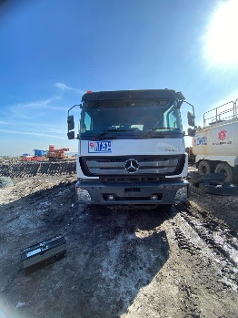 |  |  | 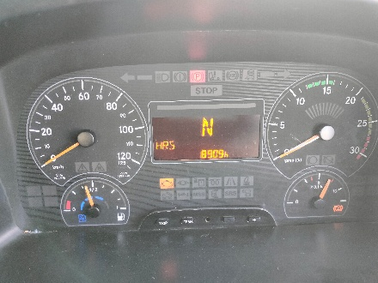 |  | 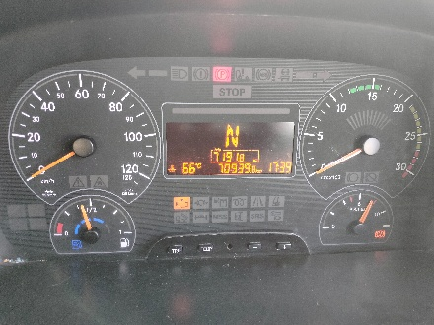 |  | 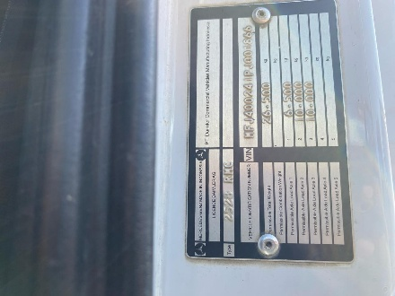

FOTO UNIT |  |  | FOTO HM |  | FOTO KM |  | FOTO VIN

PICTURE CAUSE AND ACTION
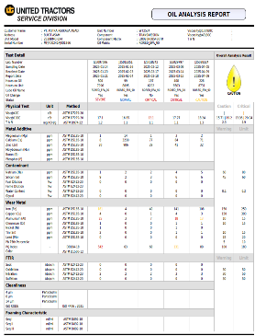 |  |  | 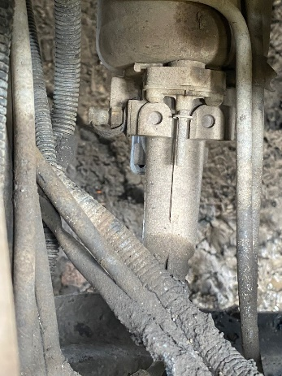 |  | 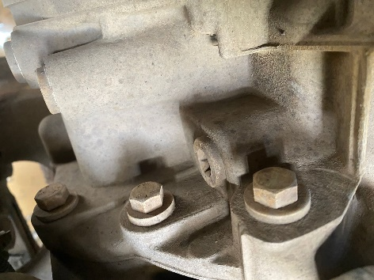 |  | 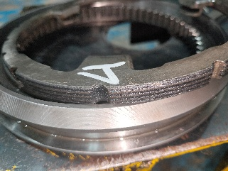 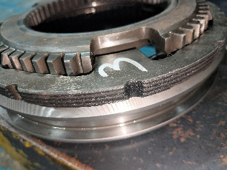

Complain castamer |  |  | BEFORE ACTION |  |  |  | AFTER ACTION

PICTURE CAUSE AND ACTION
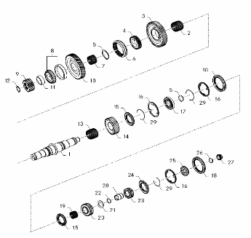 |  |  |  |  |  |  | 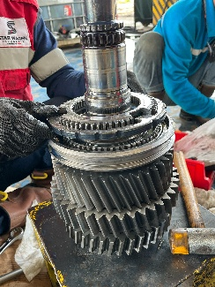 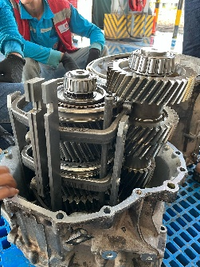

Part Book |  |  | picture part no aktual |  | picture part no part new |  | PROSES INSTALL

Head Office | Gedung Office 8 Lt.33 (SCBD Lot 28/Senopati Raya 8B), Jl.Jend.Sudirman Kav.52-53, Jakarta Selatan 12190 , Indonesia | T +62 21 57903456 | www.starwagen.co.id
Branch | Jl.Syarifuddin Yoes Blok.Kav.46-47 RT.045, Sepinggan Baru, Balikpapan Selatan, Kalimantan Timur, Indonesia | +62 54 28707888 / +62 54 28705758
and Mercedes-Benz are registered trademarks of Mercedes-Benz Group AG.

Part Request
MENU

 |  |  |  |  |  |  |  |  | Authorized Dealer of Mercedes-Benz
Part Request Slip |  |  |  |  |  |  |  |  | Truck & Bus in Indonesia
 |  | Passenger car Commercial vehicle
Slip Numbering |  | Customer Information |  |  |  | Vehicle Information |  |  | Order Information
 |  | Nama | PT. PUTRA PERKASA ABADI |  |  | Model : | AXOR2528 |  | Worksop Order No :
 |  | Site | 0 |  |  | Vin : | MFJ400241PJ001866 |  | Order By :
 |  |  |  |  |  | Engine No : | 400953D0135711 |  | Delivery By :
 |  | Car Registration | 0 |  |  | Date of 1st registration: | 21 JUNI 2023 |  | REGA

No | Part Number | ES1 | ES2 | Bin Location | Quantity Requested | Description |  |  | Unit Price | Total Price
1 | A4009810105 |  |  |  | 1 | TAPERED ROLLER BEARING
2 | A4002620934 |  |  |  | 2 | INNER SYNCHRONIZED RING |  |  |  |  | ROTATIONAL SPEED SENSOR
3 | A4002622837 |  |  |  | 4 | SYNCHRONIZED CONE
4 | A3872621093 |  |  |  | 4 | ANNULAR SPRING
5 | A4009813705 |  |  |  | 1 | TAPERED ROLLER BEARING
6 | A4009811110 |  |  |  | 1 | NEEDLE CAGE
7 | A4002621034 |  |  |  | 2 | INNER SYNCHRINIZED RING
8 | A4002620923 |  |  |  | 2 | SLIDING SLEEVE
9 | A4009810605 |  |  |  | 1 | TAPERED ROLLER BEARING
10 | A4009970246 |  |  |  | 1 | RADIAL SHAFT SEAL RING
11 | A0289972348 |  |  |  | 1 | SEALING RING
12 | A0299970448 |  |  |  | 1 | SEALING RING
13 | A4009811710 |  |  |  | 1 | NEEDLE CAGE
14 | A4009971346 |  |  |  | 1 | RADIAL SHAFT SEAL RING
 |  |  |  |  |  |  |  | Foreman | Mechanic | Delivered By

 |  |  |  |  |  |  |  |  | REGA ADITYA | 0

 | Head Office | Gedung Office 8 Lt.33 (SCBD Lot 28/Senopati Raya 8B), Jl.Jend.Sudirman Kav.52-53, Jakarta Selatan 12190 , Indonesia | T +62 21 57903456 | www.starwagen.co.id
 | Branch | Jl.Syarifuddin Yoes Blok.Kav.46-47 RT.045, Sepinggan Baru, Balikpapan Selatan, Kalimantan Timur, Indonesia | +62 54 28707888 / +62 54 28705758

and Mercedes-Benz are registered trademarks of Mercedes-Benz Group AG

Work Order
MENU

 |  |  |  |  | PT Star Wagen Indonesia
Work Order Form |  |  |  |  | Authorized Dealer of Mercedes-Benz
 |  |  |  |  | Truck & Bus in Indonesia

Customer name: |  | PT. PUTRA PERKASA ABADI |  | For reference please quote the following no.
Address: |  | 0 |  | Order no.:
City: |  |  |  | Date: | Customer No: | Page:
Telp: |  |  |  | 2025-04-24
Tax Code:

Regisration No. |  | Chassis No/Vin | Sales Designation |  |  | Reception date/time
0 |  | MFJ400241PJ001866 |  |  |  | 2025-04-24
Millage / KM |  | Engine No. | Active Reception |  |  | Received by
8909 H / 70939 KM |  | 400953D0135711 | YES | NO |  | REGA ADITYA | 0
Routing No. |  | Last Service | Sales Designation |  |  | Deadline/time
 |  | Date / Millege
Is this vehicle related to campaign ? Yes No Mobility Service Yes No
Item | Operation. Nr |  | Hours | Type Of Work
1 | FOLOW UP PAP TRANSMISI |  |  | CHECK FOR FUNGTION TRANSMISI & OVERHAUL

Ketentuan: 1. Lembar Work order yang sudah ditandatangai merupakan surat kuasa dari pelanggan ke dealer untuk dilakukan pekerjaan sesuai yang tertera di work order, serta memberi wewenang untuk melakukan uji coba kendaraan di luar bengkel. 2. Kendaraan yang sudah selesai diperbaiki wajib diambil oleh pelanggan dalam waktu ...x 24 jam dari waktu pemberitahuan. Apabila melebihi dari waktu tersebut, Dealer tidak bertanggung jawab lagi atas kondisi kendaraan tersebut dan dikenakan biaya sebesar Rp..................../hari. |  |  |  | 3. Dealer tidak bertanggung jawab atas segala kerugian akibat musibah, bencana alam ataupun kejadian lain yang tidak dipredikasi atau di luar tanggung jawab dealer. 4. Tidak diperkenankan menyimpan barang barang berharga didalam kendaraan. Dealer tidak bertanggung jawab apabila terjadi kehilangan atas barang barang tersebut. 5. Hal lain diluar ketentuan ini akan diatur tersendiri oleh masing-masing dealer.


 | Customer's signature & name |  |  |  | Service Adviser's signature & name

Head Office | Gedung Office 8 Lt.33 (SCBD Lot 28/Senopati Raya 8B), Jl.Jend.Sudirman Kav.52-53, Jakarta Selatan 12190 , Indonesia | T +62 21 57903456 | www.starwagen.co.id
Branch | Jl.Syarifuddin Yoes Blok.Kav.46-47 RT.045, Sepinggan Baru, Balikpapan Selatan, Kalimantan Timur, Indonesia | +62 54 28707888 / +62 54 28705758

 | and Mercedes-Benz are registered trademarks of Mercedes-Benz Group AG.

Time Sheet
MENU

 |  |  |  | PT Star Wagen Indonesia
Job Time Card Report |  |  |  | Authorized Dealer of Mercedes-Benz Truck & Bus in Indonesia

Mechanic Name: | REGA ADITYA | 0 | WIP Number :

CIW/GW | Operational Code | End Start | Time Recording |  | Date |  |  |  | Total Time
 | Description
Warranty |  | End |  |  |  |  |  |  |  |  | Customer | 1:00:00
 |  | Start |  |  |  |  |  |  |  |  | Internal | 2:00:00
 |  | End | 1:00:00 |  |  |  |  |  | 1:00:00 |  | Warranty | 3:00:00
 |  | Start |  |  |  |  |  |  |  |  | GoodWill | 4:00:00
 |  | End |  |  |  |  |  |  | 0:00:00 |  |  | 5:00:00
 |  | Start |  |  |  |  |  |  |  |  |  | 6:00:00
 |  | End |  |  |  |  |  |  | 0:00:00 |  |  | 7:00:00
 |  | Start |  |  |  |  |  |  |  |  |  | 8:00:00
 |  | End |  |  |  |  |  |  | 0:00:00 |  |  | 9:00:00
 |  | Start |  |  |  |  |  |  |  |  |  | 10:00:00
 |  | End |  |  |  |  |  |  | 0:00:00 |  |  | 11:00:00
 |  | Start |  |  |  |  |  |  |  |  |  | 12:00:00
 |  | End |  |  |  |  |  |  | 0:00:00 |  |  | 13:00:00
 |  | Start |  |  |  |  |  |  |  |  |  | 14:00:00
 |  | End |  |  |  |  |  |  | 0:00:00 |  |  | 15:00:00
 |  | Start |  |  |  |  |  |  |  |  |  | 16:00:00
 |  | End |  |  |  |  |  |  | 0:00:00 |  |  | 13:00:00
 |  | Start |  |  |  |  |  |  |  |  |  | 14:00:00
 |  | End |  |  |  |  |  |  | 0:00:00 |  |  | 15:00:00
 |  | Start |  |  |  |  |  |  |  |  |  | 16:00:00
 |  | End |  |  |  |  |  |  | 0:00:00 |  |  | 13:00:00
 |  | Start |  |  |  |  |  |  |  |  |  | 14:00:00
 |  | End |  |  |  |  |  |  | 0:00:00 |  |  | 15:00:00
 |  | Start |  |  |  |  |  |  |  |  |  | 16:00:00
 |  |  |  |  |  |  |  |  |  |  |  | 17:00:00
Hours |  | C | I | W/G | W1 | W2 | W3 | W4 | W5 | W6 |  | 18:00:00
Total |  |  |  | 1:00:00 |  |  |  |  |  |  |  | 19:00:00
 |  |  |  |  |  |  |  |  |  |  |  | 20:00:00
Head Office | Gedung Office 8 Lt.33 (SCBD Lot 28/Senopati Raya 8B), Jl.Jend.Sudirman Kav.52-53, Jakarta Selatan 12190 , Indonesia | T +62 21 57903456 | www.starwagen.co.id |  |  |  |  |  |  |  |  |  |  |  | 21:00:00
Branch | Jl.Syarifuddin Yoes Blok.Kav.46-47 RT.045, Sepinggan Baru, Balikpapan Selatan, Kalimantan Timur, Indonesia | +62 54 28707888 / +62 54 28705758 |  |  |  |  |  |  |  |  |  |  |  | 22:00:00
 |  |  |  |  |  |  |  |  |  |  |  | 23:00:00
and Mercedes-Benz are registered trademarks of Mercedes-Benz Group AG
 |  |  |  |  |  |  |  |  |  |  |  | 1900-01-01 00:00:00

