Worksop Report
 | Menu
 |  |  | Workshop Report For Diagnostic Guide

 |  |  |  |  |  |  |  | PT.STAR WAGEN INDONESIA
 |  |  |  |  |  | WO
Date: |  | 8-Apr-25 |  |  |  |  |  |  | Job Site:
WIP No: |  |  |  |  |  | Customer Name: | PT. PUTRA PERKASA ABADI |  | MLP
Chasis No: |  | MEC2437BCPP136320 |  |  |  | Reg No : |  | Reg date
Engine No: |  | 400953D0142072 |  |  |  | Type : | AXOR 2528 CH | Mileage / Hours Meter | 10962KM/1190H
Unit Code |  | DA25165

COMPLAINT ANALYSIS
Customer complaint/Customer information
 | Can't start
Vehicle information
 | Aplicaton : | ü Long distance |  | ü Dump truck |  | ü Ore operation | Regular service base
 |  | Short distance |  | support truck |  | ü OB operation
Customer Information :
 | LEAKING AREA ENGINE

TEST LEVEL

 | Test Level Description |  |  |  |  |  | Actual Value | Remark | Attachment Number
 | CEK LEAKING AREA ENGINE |  |  |  |  |  | NOT OK | LEAKS
 | CEK SELENOID ENGINE BRAKE |  |  |  |  |  | NOT OK | LEAKS
 | CEK HOUSING SELENOID ENGINE BRAKE |  |  |  |  |  | NOT OK | CRACK
 | CEK FUNGTION SELENOID ENGINE BRAKE |  |  |  |  |  | OK

CAUSE LEVEL
Cause level/Workshop findings: |  |  |  |  |  | RESULT :
 |  |  |  |  |  | WHEN THE SERVICE SCHEDULE WAS CARRIED OUT, AN OIL LEAK WAS FOUND IN THE ENGINE AREA. AFTER A CHECK WAS CARRIED OUT, THE ENGINE BRAKE SELENOID WAS FOUND TO HAVE AN OIL LEAK IN THE SELENOID HOUSING AND TEMPORARY WORK WAS DONE TO REPAIR THE ENGINE BRAKE SELENOID HOUSING TO PREVENT OIL LEAKAGE.
 |  | Ada | Tidak ada | Attachment Nr
Photo (# lembar) |  | √ |  | √
Area kerusakan (gbr EPC) |  | √ |  | √
Video (nama file) |  | √ |  | √
Old Spare part No.
Notes: |  |  |  |  |  |  |  |  |  | √
 |  |  |  |  |  |  |  |  |  | x

RECTIFICATION AND VERIFICATION LEVEL
Rectification:

 | PART NUMBER | DESCRIPTION |  |  | QTY
 | A9060160204 | HOUSING |  |  | 1
 | A4000160204 | GASKET

Verification:

 |  |  | Workshop report digunakan untuk mencatat hasil analisa mekanik dengan menyertakan langkah-langkah diagnosis dan temuannya selama diagnosa

PICTURE CAUSE AND ACTION
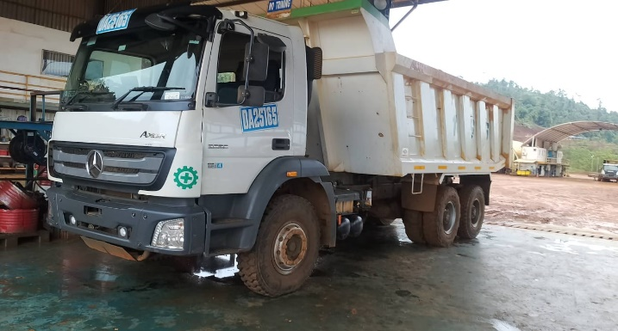 |  |  | 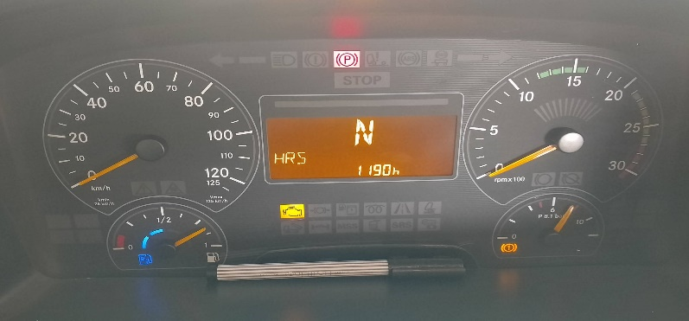 |  |  |  | 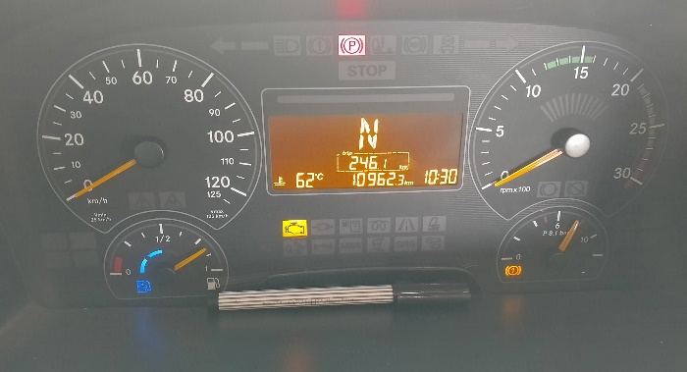

FOTO UNIT |  |  | FOTO HM |  |  |  | FOTO KM | FOTO VIN

LEAKING AREA ENGINE
SELENOID ENGINE BRAKE
CHECK LEAKING HOUSING
PICTURE CAUSE AND ACTION
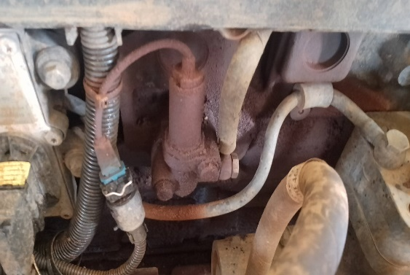 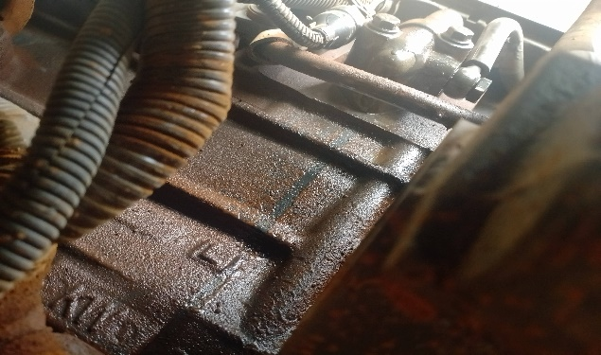 |  |  |  |  | 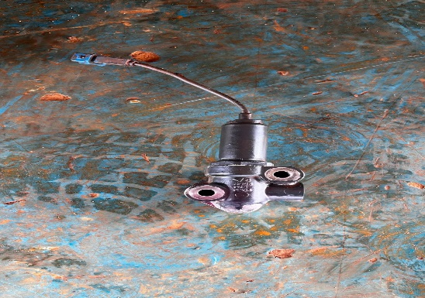 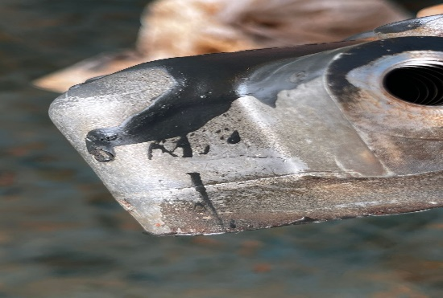 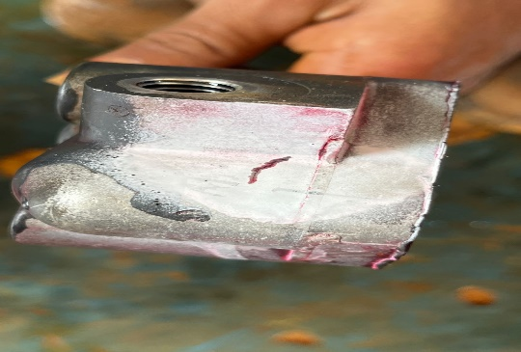 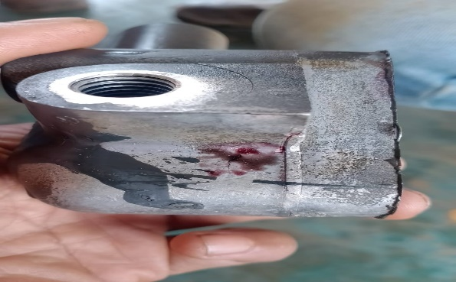

CHECK HOUSING CRACK
LEAKING OIL

CUSTOMER COMPLAINT PICTURE |  |  |  |  | JOB PROGRESS INVESTIGATION PICTURE

LEAKING AREA ENGINE
CHECK VISUAL SELENOID ENGINE BRAKE
CHECK HOUSING SELENOID ENGINE BRAKE
THERE LEAKING OIL IN THE HOUSING

HOUSING SELENOID ENGINE BRAKE CRACK

REPAIR
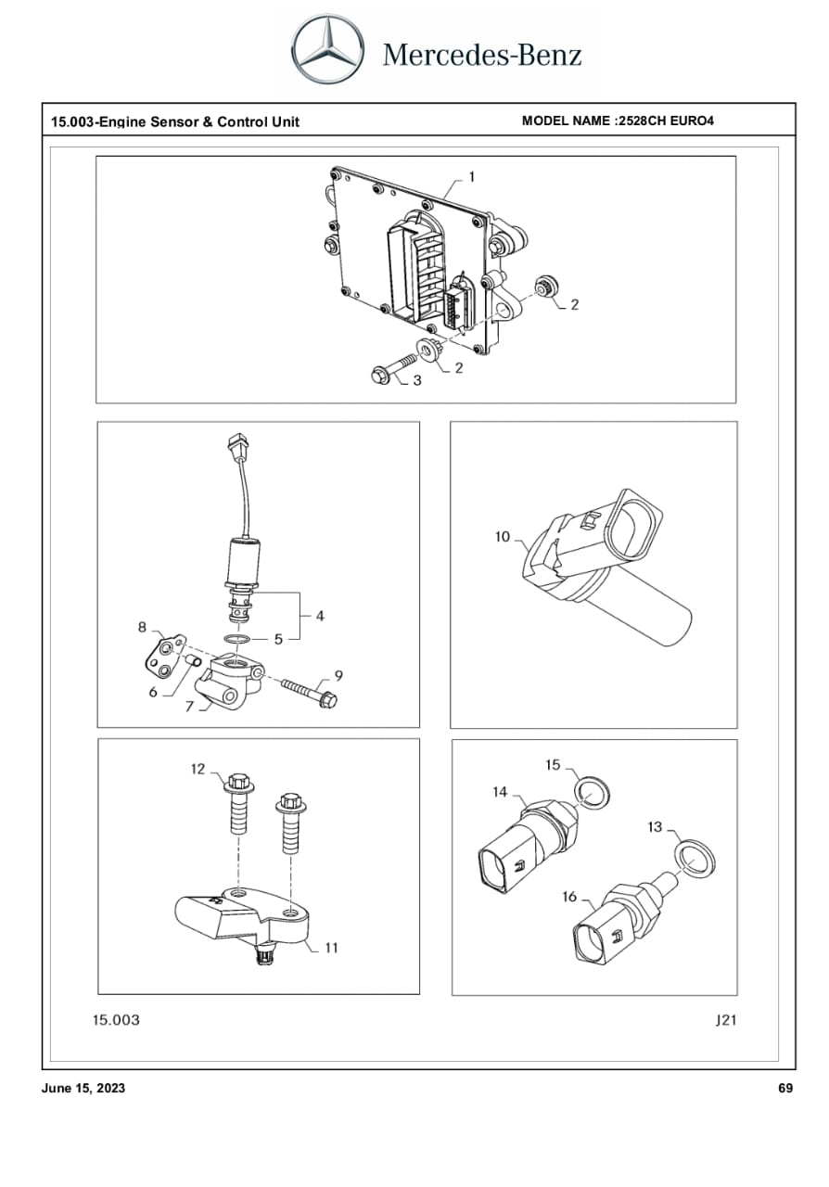 |  |  |  |  |  | 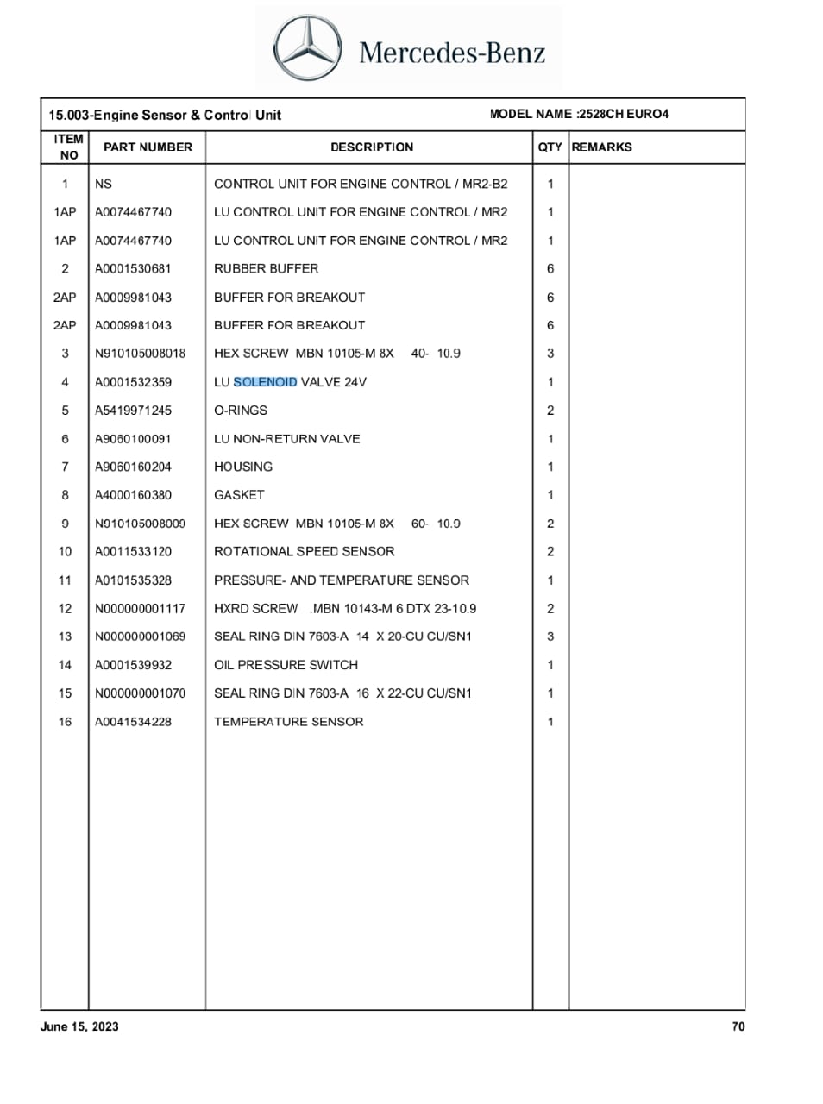

Part Book |  |  |  |  |  | picture part no part new |  | Remarks

 |  |  |  |  |  |  |  | validation

and Mercedes-Benz are registered trademarks of Mercedes-Benz Group AG.
and Mercedes-Benz are registered trademarks of Mercedes-Benz Group AG.
Head Office | Gedung Office 8 Lt.33 (SCBD Lot 28/Senopati Raya 8B), Jl.Jend.Sudirman Kav.52-53, Jakarta Selatan 12190 , Indonesia | T +62 21 57903456 | www.starwagen.co.id
Branch | Jl.Syarifuddin Yoes Blok.Kav.46-47 RT.045, Sepinggan Baru, Balikpapan Selatan, Kalimantan Timur, Indonesia | +62 54 28707888 / +62 54 28705758
 |  |  |  |  |  |  |  | Reka Anugrah Yasa | Supervisor / Workshop Managaer

Part Request
MENU

 |  |  |  |  |  |  |  |  | Authorized Dealer of Mercedes-Benz
Part Request Slip |  |  |  |  |  |  |  |  | Truck & Bus in Indonesia
 |  | Passenger car Commercial vehicle
Slip Numbering |  | Customer Information |  |  |  | Vehicle Information |  |  | Order Information
 |  | Nama | PT. PUTRA PERKASA ABADI |  |  | Model : | AXOR 2528 CH |  | Worksop Order No : | 0
 |  | Site | MLP |  |  | Vin : | MEC2437BCPP136320 |  | Order By :
 |  |  |  |  |  | Engine No : | 400953D0142072 |  | Delivery By :
 |  | Car Registration | DA25165 |  |  | Date of 1st registration: | 0 |  | Received By | 45755
 |  |  |  |  |  |  |  |  | Issue On :

No | Part Number | ES1 | ES2 | Bin Location | Quantity Requested | Description |  |  | Unit Price | Total Price
1 | A9060160204 |  |  |  | 1 | HOUSING
2 | A4000160380 |  |  |  | 1 | GASKET
3
4
5
6
7
8
9
10
11
12
13
14
 |  |  |  |  |  |  |  | Foreman | Mechanic | Delivered By

 |  |  |  |  |  |  |  |  | Reka Anugrah Yasa

 | Head Office | Gedung Office 8 Lt.33 (SCBD Lot 28/Senopati Raya 8B), Jl.Jend.Sudirman Kav.52-53, Jakarta Selatan 12190 , Indonesia | T +62 21 57903456 | www.starwagen.co.id
 | Branch | Jl.Syarifuddin Yoes Blok.Kav.46-47 RT.045, Sepinggan Baru, Balikpapan Selatan, Kalimantan Timur, Indonesia | +62 54 28707888 / +62 54 28705758

and Mercedes-Benz are registered trademarks of Mercedes-Benz Group AG

Time Sheet
MENU

 |  |  |  | PT Star Wagen Indonesia
Job Time Card Report |  |  |  | Authorized Dealer of Mercedes-Benz Truck & Bus in Indonesia

Mechanic Name: | Reka Anugrah Yasa |  | WIP Number :

CIW/GW | Operational Code | End Start | Time Recording |  | Date |  |  |  | Total Time
 | Description
Warranty |  | End |  |  |  |  |  |  | 0:00:00 |  | Customer | 1:00:00
 |  | Start |  |  |  |  |  |  |  |  | Internal | 2:00:00
 |  | End |  |  |  |  |  |  | 0:00:00 |  | Warranty | 3:00:00
 |  | Start |  |  |  |  |  |  |  |  | GoodWill | 4:00:00
 |  | End |  |  |  |  |  |  | 0:00:00 |  |  | 5:00:00
 |  | Start |  |  |  |  |  |  |  |  |  | 6:00:00
 |  | End |  |  |  |  |  |  | 0:00:00 |  |  | 7:00:00
 |  | Start |  |  |  |  |  |  |  |  |  | 8:00:00
 |  | End |  |  |  |  |  |  | 0:00:00 |  |  | 9:00:00
 |  | Start |  |  |  |  |  |  |  |  |  | 10:00:00
 |  | End |  |  |  |  |  |  | 0:00:00 |  |  | 11:00:00
 |  | Start |  |  |  |  |  |  |  |  |  | 12:00:00
 |  | End |  |  |  |  |  |  | 0:00:00 |  |  | 13:00:00
 |  | Start |  |  |  |  |  |  |  |  |  | 14:00:00
 |  | End |  |  |  |  |  |  | 0:00:00 |  |  | 15:00:00
 |  | Start |  |  |  |  |  |  |  |  |  | 16:00:00
 |  | End |  |  |  |  |  |  | 0:00:00 |  |  | 13:00:00
 |  | Start |  |  |  |  |  |  |  |  |  | 14:00:00
 |  | End |  |  |  |  |  |  | 0:00:00 |  |  | 15:00:00
 |  | Start |  |  |  |  |  |  |  |  |  | 16:00:00
 |  | End |  |  |  |  |  |  | 0:00:00 |  |  | 13:00:00
 |  | Start |  |  |  |  |  |  |  |  |  | 14:00:00
 |  | End |  |  |  |  |  |  | 0:00:00 |  |  | 15:00:00
 |  | Start |  |  |  |  |  |  |  |  |  | 16:00:00
 |  |  |  |  |  |  |  |  |  |  |  | 17:00:00
Hours |  | C | I | W/G | W1 | W2 | W3 | W4 | W5 | W6 |  | 18:00:00
Total |  |  |  | 0:00:00 |  |  |  |  |  |  |  | 19:00:00
 |  |  |  |  |  |  |  |  |  |  |  | 20:00:00
Head Office | Gedung Office 8 Lt.33 (SCBD Lot 28/Senopati Raya 8B), Jl.Jend.Sudirman Kav.52-53, Jakarta Selatan 12190 , Indonesia | T +62 21 57903456 | www.starwagen.co.id |  |  |  |  |  |  |  |  |  |  |  | 21:00:00
Branch | Jl.Syarifuddin Yoes Blok.Kav.46-47 RT.045, Sepinggan Baru, Balikpapan Selatan, Kalimantan Timur, Indonesia | +62 54 28707888 / +62 54 28705758 |  |  |  |  |  |  |  |  |  |  |  | 22:00:00
 |  |  |  |  |  |  |  |  |  |  |  | 23:00:00
and Mercedes-Benz are registered trademarks of Mercedes-Benz Group AG
 |  |  |  |  |  |  |  |  |  |  |  | 1900-01-01 00:00:00

Final Control
MENU

 |  |  | Truck & Bus |  |  |  | PT Star Wagen Indonesia
 |  |  | in Indonesia |  |  |  | Authorized Dealer of Mercedes-Benz Truck & Bus in Indonesia
Final Control Report

 |  | Customer Name : | PT. PUTRA PERKASA ABADI |  | Millage In : |  |  |  | Check And Tested By
 |  | Wo no/ WIP NO : |  |  | Millage Out : |  |  |  | Name : | Reka Anugrah Yasa
 |  |  |  |  |  |  |  |  | Date : | 2025-04-08

 |  | Function Checks |  |  | Visual Checks |  |  |  | Other Checks
 | √ | All warning indicators |  | √ | Engine |  |  | √ | Wiper blades and spraying nozzle |  | √
 | √ | Steering system |  | √ | Transmission |  |  | √ | Vacuum hoses/lines |  | x
 | √ | Horn |  | √ | Rear axles |  |  | √ | Write your own checking list related reparation you did
 | √ | Lights interior / exterior |  | √ | Steering system |  |  | √ | …………………………………………………………………..
 | √ | Other electrical equipment |  | √ | Fuel system |  |  | √ | …………………………………………………………………..
 | √ | Central locking / closing assist system |  | √ | Cooling system |  |  | √ | …………………………………………………………………..
 | √ | Brakes on dynamometer or test drive |  | √ | Brake hoses / lines / linkage |  |  | √ | …………………………………………………………………..
 | √ | Air conditioner |  | √ | Condition of tires/spare tires (if any) |  |  | √ | …………………………………………………………………..
 |  |  |  | √ | Cleanliness inside and outside |  |  |  | …………………………………………………………………..
 |  | Fluid Levels |  |  | Final Checks |  |  |  | Document Check
 | √ | Engine |  | √ | Check work performed |  |  | √ | Test document / Short test result
 | √ | Transmission |  | √ | Test Drive if needed |  |  | √ | Workshop report (only if required)
 | √ | Radiator / Coolant |  |  |  |  |  | √ | Internal part requisition slip
 | √ | Power steering |  |  |  |  |  | √ | Battery test result, only if tested
 | √ | Battery |  |  |  |  |  | √
 | √ | Brake system |  |  |  |  |  | √
 | √ | Windshield washer |  |  |  |  |  | √
 |  |  |  |  |  |  |  | √
 | After completion of all the work required by you, we performed a final quality check on your vehicle with the following results:
 | Ok |  | No |  |  |  |  | Acknowledged by
 | During checking & reparation process, some critical findings has to be followed up;
 | 1.
 | 2.
 | this has been conveyed on………..to……………. but not approved for doing an action. |  |  |  | (Service Advisor) | (Customer) |  | Foreman or Supervisor

 | Head Office | Gedung Office 8 Lt.33 (SCBD Lot 28/Senopati Raya 8B), Jl.Jend.Sudirman Kav.52-53, Jakarta Selatan 12190 , Indonesia | T +62 21 57903456 | www.starwagen.co.id
 | Branch | Jl.Syarifuddin Yoes Blok.Kav.46-47 RT.045, Sepinggan Baru, Balikpapan Selatan, Kalimantan Timur, Indonesia | +62 54 28707888 / +62 54 28705758
and Mercedes-Benz are registered trademarks of Mercedes-Benz Group AG
.

