Worksop Report
 | Menu
 |  |  | Workshop Report For Diagnostic Guide

 |  |  |  |  |  |  | PT.STAR WAGEN INDONESIA
 |  |  |  |  | WO
Date: |  |  |  |  |  |  |  | Job Site: MIP Lahat
WIP No: |  |  |  |  | Customer Name: | PT.Putra perkasa Abadi
Chasis No: |  | MFJ400243PJ002146 |  |  | Reg No : |  | Reg date | 2024-06-10
Engine No: |  | 400.953-D-0140392 |  |  | Type : | Mercedes Benz Axor 2528 CH | Mileage / Hours Meter | 2001 H
Unit Code |  | FT 52510

COMPLAINT ANALYSIS

Vehicle information
 | Aplicaton : | Long distance |  | Dump truck | Coal operation | Regular service base
 |  | Short distance |  | support truck | OB operation
Customer Information :
PRIMING PUMP

TEST LEVEL

 | Test Level Description |  |  |  |  | Actual Value | Remark | Attachment Number
 | CHEK LEAK PRIMING PUMP |  |  |  |  | OK
 | CHEK HOSE BLOCKAGE |  |  |  |  | OK
 | CHEK PRIMING PUMP |  |  |  |  | NOT OK

CAUSE LEVEL
Cause level/Workshop findings: |  |  |  |  | RESULT :
 |  |  |  |  | Mekanik mendapatkan laporan bahwa Unit AXOR 2528 CH dengan nomer lambung FT 52510 can't running,seteleah di lakukan pengecekan oleh team mekanik di temukan bahwa fuel saat di priming pump tidak mau naik ke haousing fuel filter,sehingga unit tidak mau running.
 |  | Ada | Tidak ada | Attachment Nr
Photo (# lembar) |  | √ | x
Area kerusakan (gbr EPC) |  | √ | x
Video (nama file) |  | √ | x
Old Spare part No.
Notes: |  |  |  |  |  |  |  |  | √
 |  |  |  |  |  |  |  |  | x

RECTIFICATION AND VERIFICATION LEVEL
Rectification:
Replace priming pump

Verification:

 |  |  | Workshop report digunakan untuk mencatat hasil analisa mekanik dengan menyertakan langkah-langkah diagnosis dan temuannya selama diagnosa

PICTURE CAUSE AND ACTION
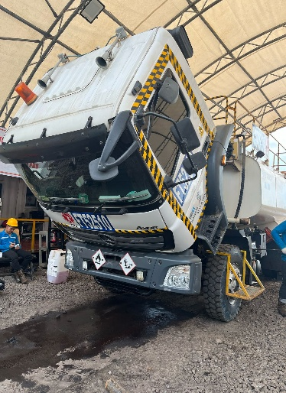 |  |  | 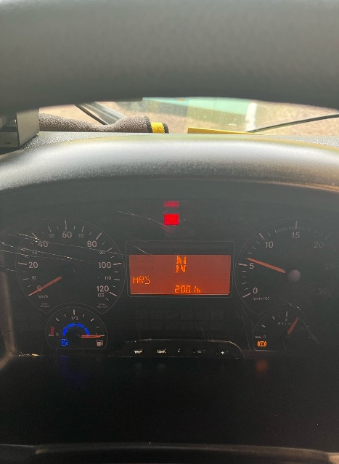 |  | 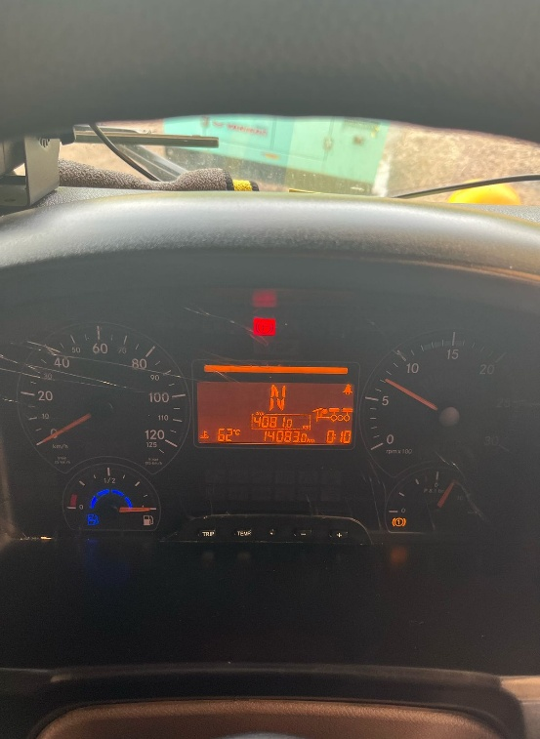 |  | 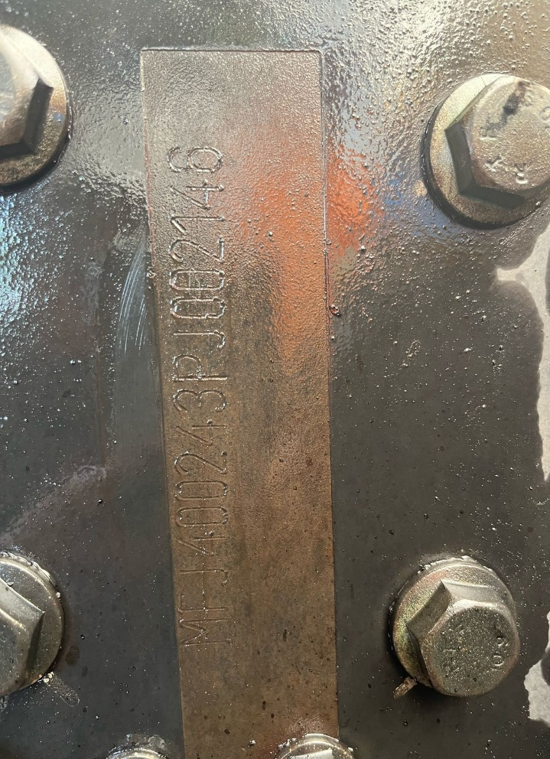

FOTO UNIT |  |  | FOTO HM |  | FOTO KM |  | FOTO VIN
saat di lakukan priming fuel tidak mau naik ke housing fuel filter
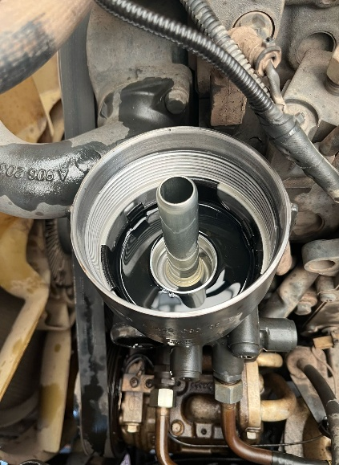
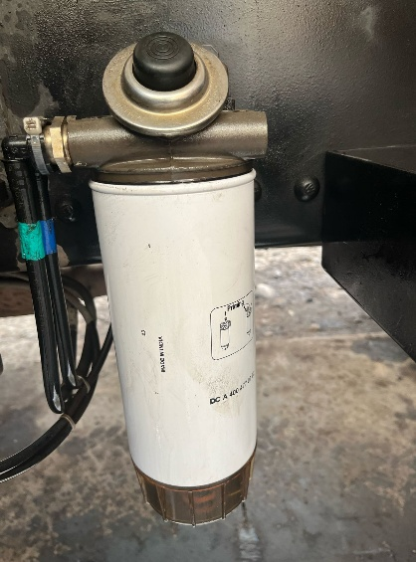

PICTURE CAUSE AND ACTION

CUSTOMER COMPLAINT PICTURE |  |  | JOB PROGRESS INVESTIGATION PICTURE |  |  |  |  | PROSES INSTALL OR PICTURE JOB FINISH

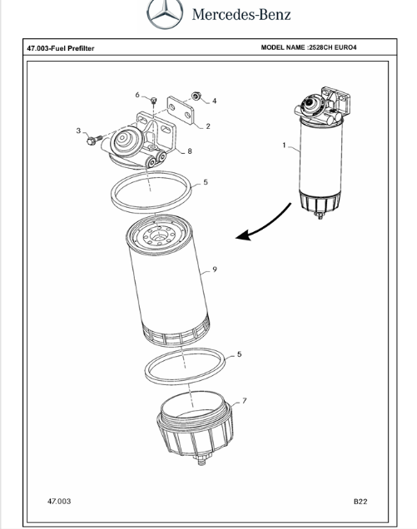
PICTURE CAUSE AND ACTION
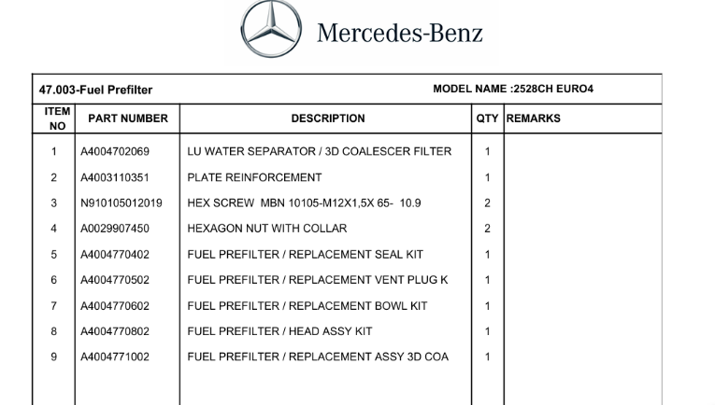 |  |  |  |  | 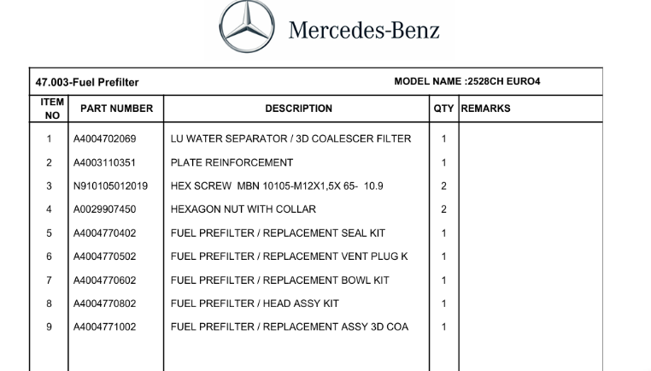

Part Book |  |  | picture part no aktual |  | picture part no part new |  | Remarks

 |  |  |  |  |  |  | validation

Head Office | Gedung Office 8 Lt.33 (SCBD Lot 28/Senopati Raya 8B), Jl.Jend.Sudirman Kav.52-53, Jakarta Selatan 12190 , Indonesia | T +62 21 57903456 | www.starwagen.co.id
Branch | Jl.Syarifuddin Yoes Blok.Kav.46-47 RT.045, Sepinggan Baru, Balikpapan Selatan, Kalimantan Timur, Indonesia | +62 54 28707888 / +62 54 28705758
and Mercedes-Benz are registered trademarks of Mercedes-Benz Group AG.

Part Request
MENU

 |  |  |  |  |  |  |  |  | Authorized Dealer of Mercedes-Benz
Part Request Slip |  |  |  |  |  |  |  |  | Truck & Bus in Indonesia
 |  | Passenger car Commercial vehicle
Slip Numbering |  | Customer Information |  |  |  | Vehicle Information |  |  | Order Information
 |  | Nama | PT.Putra perkasa Abadi |  |  | Model : | Mercedes Benz Axor 2528 CH |  | Worksop Order No : | 0
 |  | Site | 0 |  |  | Vin : | MFJ400243PJ002146 |  | Order By : ERFAN FAUZY
 |  |  |  |  |  | Engine No : | 400.953-D-0140392 |  | Delivery By : PT.SWI
 |  | Car Registration | FT 52510 |  |  | Date of 1st registration: | 2024-06-10 |  | Received By | 0
 |  |  |  |  |  |  |  |  | Issue On :

No | Part Number | ES1 | ES2 | Bin Location | Quantity Requested | Description |  |  | Unit Price | Total Price
1 | A4004770802 |  |  |  | 1 | FUEL PREFILTER / HEAD ASSY KIT

 |  |  |  |  |  |  |  | formen | mehanic | delivered by

 | Head Office | Gedung Office 8 Lt.33 (SCBD Lot 28/Senopati Raya 8B), Jl.Jend.Sudirman Kav.52-53, Jakarta Selatan 12190 , Indonesia | T +62 21 57903456 | www.starwagen.co.id
 | Branch | Jl.Syarifuddin Yoes Blok.Kav.46-47 RT.045, Sepinggan Baru, Balikpapan Selatan, Kalimantan Timur, Indonesia | +62 54 28707888 / +62 54 28705758

and Mercedes-Benz are registered trademarks of Mercedes-Benz Group AG

Time Sheet
MENU

 |  |  |  | PT Star Wagen Indonesia
Job Time Card Report |  |  |  | Authorized Dealer of Mercedes-Benz Truck & Bus in Indonesia

Mechanic Name: | Arif Hidayat |  | WIP Number :

CIW/GW | Operational Code | End Start | Time Recording |  | Date |  |  |  | Total Time
 | Description
Customer | Repair Wiring Harnest Alternator,FR And Replace Alternator | End | 17:00:00 |  |  |  |  |  | 9:00:00 |  | Customer | 1:00:00
 |  | Start | 8:00:00 |  |  |  |  |  |  |  | Internal | 2:00:00
 |  | End |  |  |  |  |  |  | 0:00:00 |  | Warranty | 3:00:00
 |  | Start |  |  |  |  |  |  |  |  | GoodWill | 4:00:00
 |  | End |  |  |  |  |  |  | 0:00:00 |  |  | 5:00:00
 |  | Start |  |  |  |  |  |  |  |  |  | 6:00:00
 |  | End |  |  |  |  |  |  | 0:00:00 |  |  | 7:00:00
 |  | Start |  |  |  |  |  |  |  |  |  | 8:00:00
 |  | End |  |  |  |  |  |  | 0:00:00 |  |  | 9:00:00
 |  | Start |  |  |  |  |  |  |  |  |  | 10:00:00
 |  | End |  |  |  |  |  |  | 0:00:00 |  |  | 11:00:00
 |  | Start |  |  |  |  |  |  |  |  |  | 12:00:00
 |  | End |  |  |  |  |  |  | 0:00:00 |  |  | 13:00:00
 |  | Start |  |  |  |  |  |  |  |  |  | 14:00:00
 |  | End |  |  |  |  |  |  | 0:00:00 |  |  | 15:00:00
 |  | Start |  |  |  |  |  |  |  |  |  | 16:00:00
 |  | End |  |  |  |  |  |  | 0:00:00 |  |  | 13:00:00
 |  | Start |  |  |  |  |  |  |  |  |  | 14:00:00
 |  | End |  |  |  |  |  |  | 0:00:00 |  |  | 15:00:00
 |  | Start |  |  |  |  |  |  |  |  |  | 16:00:00
 |  | End |  |  |  |  |  |  | 0:00:00 |  |  | 13:00:00
 |  | Start |  |  |  |  |  |  |  |  |  | 14:00:00
 |  | End |  |  |  |  |  |  | 0:00:00 |  |  | 15:00:00
 |  | Start |  |  |  |  |  |  |  |  |  | 16:00:00
 |  |  |  |  |  |  |  |  |  |  |  | 17:00:00
Hours |  | C | I | W/G | W1 | W2 | W3 | W4 | W5 | W6 |  | 18:00:00
Total |  |  |  |  |  |  |  |  |  |  |  | 19:00:00
 |  |  |  |  |  |  |  |  |  |  |  | 20:00:00
Head Office | Gedung Office 8 Lt.33 (SCBD Lot 28/Senopati Raya 8B), Jl.Jend.Sudirman Kav.52-53, Jakarta Selatan 12190 , Indonesia | T +62 21 57903456 | www.starwagen.co.id |  |  |  |  |  |  |  |  |  |  |  | 21:00:00
Branch | Jl.Syarifuddin Yoes Blok.Kav.46-47 RT.045, Sepinggan Baru, Balikpapan Selatan, Kalimantan Timur, Indonesia | +62 54 28707888 / +62 54 28705758 |  |  |  |  |  |  |  |  |  |  |  | 22:00:00
 |  |  |  |  |  |  |  |  |  |  |  | 23:00:00
and Mercedes-Benz are registered trademarks of Mercedes-Benz Group AG
 |  |  |  |  |  |  |  |  |  |  |  | 1900-01-01 00:00:00

Final Control
MENU

 |  |  | Truck & Bus |  |  |  | PT Star Wagen Indonesia
 |  |  | in Indonesia |  |  |  | Authorized Dealer of Mercedes-Benz Truck & Bus in Indonesia
Final Control Report

 |  | Customer Name : | PT.Putra perkasa Abadi |  | Millage In : |  |  |  | Check And Tested By
 |  | Wo no/ WIP NO : |  |  | Millage Out : |  |  |  | Name :
 |  |  |  |  |  |  |  |  | Date :

 |  | Function Checks |  |  | Visual Checks |  |  |  | Other Checks
 | √ | All warning indicators |  | √ | Engine |  |  | √ | Wiper blades and spraying nozzle | √
 | √ | Steering system |  | √ | Transmission |  |  | √ | Vacuum hoses/lines | x
 | √ | Horn |  | √ | Rear axles |  |  | √ | Write your own checking list related reparation you did
 | √ | Lights interior / exterior |  | √ | Steering system |  |  | √ | …………………………………………………………………..
 | √ | Other electrical equipment |  | √ | Fuel system |  |  | √ | …………………………………………………………………..
 | √ | Central locking / closing assist system |  | √ | Cooling system |  |  | √ | …………………………………………………………………..
 | √ | Brakes on dynamometer or test drive |  | √ | Brake hoses / lines / linkage |  |  | √ | …………………………………………………………………..
 | √ | Air conditioner |  | √ | Condition of tires/spare tires (if any) |  |  | √ | …………………………………………………………………..
 |  |  |  | √ | Cleanliness inside and outside |  |  |  | …………………………………………………………………..
 |  | Fluid Levels |  |  | Final Checks |  |  |  | Document Check
 | √ | Engine |  | √ | Check work performed |  |  | √ | Test document / Short test result
 | √ | Transmission |  | √ | Test Drive if needed |  |  | √ | Workshop report (only if required)
 | √ | Radiator / Coolant |  |  |  |  |  | √ | Internal part requisition slip
 | √ | Power steering |  |  |  |  |  | √ | Battery test result, only if tested
 | √ | Battery |  |  |  |  |  | √
 | √ | Brake system |  |  |  |  |  | √
 | √ | Windshield washer |  |  |  |  |  | √
 |  |  |  |  |  |  |  | √
 | After completion of all the work required by you, we performed a final quality check on your vehicle with the following results:
 | Ok |  | No |  |  |  |  | Acknowledged by
 | During checking & reparation process, some critical findings has to be followed up;
 | 1.
 | 2.
 | this has been conveyed on………..to……………. but not approved for doing an action. |  |  |  | (Service Advisor) | (Customer) |  | Foreman or Supervisor

 | Head Office | Gedung Office 8 Lt.33 (SCBD Lot 28/Senopati Raya 8B), Jl.Jend.Sudirman Kav.52-53, Jakarta Selatan 12190 , Indonesia | T +62 21 57903456 | www.starwagen.co.id
 | Branch | Jl.Syarifuddin Yoes Blok.Kav.46-47 RT.045, Sepinggan Baru, Balikpapan Selatan, Kalimantan Timur, Indonesia | +62 54 28707888 / +62 54 28705758
and Mercedes-Benz are registered trademarks of Mercedes-Benz Group AG
.

