Time Sheet
MENU

 |  |  |  | PT Star Wagen Indonesia
Job Time Card Report |  |  |  | Authorized Dealer of Mercedes-Benz Truck & Bus in Indonesia

Mechanic Name: | Egi sugiana |  | WIP Number :

CIW/GW | Operational Code | End Start | Time Recording |  | Date |  |  |  | Total Time
 | Description
Warranty |  | End |  |  |  |  |  |  | 0:00:00 |  | Customer | 1:00:00
 |  | Start |  |  |  |  |  |  |  |  | Internal | 2:00:00
 |  | End |  |  |  |  |  |  | 0:00:00 |  | Warranty | 3:00:00
 |  | Start |  |  |  |  |  |  |  |  | GoodWill | 4:00:00
 |  | End |  |  | 2023-01-16 |  |  |  | 0:00:00 |  |  | 5:00:00
 |  | Start |  |  |  |  |  |  |  |  |  | 6:00:00
 |  | End |  |  |  |  |  |  | 0:00:00 |  |  | 7:00:00
 |  | Start |  |  |  |  |  |  |  |  |  | 8:00:00
 |  | End |  |  |  |  |  |  | 0:00:00 |  |  | 9:00:00
 |  | Start |  |  |  |  |  |  |  |  |  | 10:00:00
 |  | End |  |  |  |  |  |  | 0:00:00 |  |  | 11:00:00
 |  | Start |  |  |  |  |  |  |  |  |  | 12:00:00
 |  | End |  |  |  |  |  |  | 0:00:00 |  |  | 13:00:00
 |  | Start |  |  |  |  |  |  |  |  |  | 14:00:00
 |  | End |  |  |  |  |  |  | 0:00:00 |  |  | 15:00:00
 |  | Start |  |  |  |  |  |  |  |  |  | 16:00:00
 |  | End |  |  |  |  |  |  | 0:00:00 |  |  | 13:00:00
 |  | Start |  |  |  |  |  |  |  |  |  | 14:00:00
 |  | End |  |  |  |  |  |  | 0:00:00 |  |  | 15:00:00
 |  | Start |  |  |  |  |  |  |  |  |  | 16:00:00
 |  | End |  |  |  |  |  |  | 0:00:00 |  |  | 13:00:00
 |  | Start |  |  |  |  |  |  |  |  |  | 14:00:00
 |  | End |  |  |  |  |  |  | 0:00:00 |  |  | 15:00:00
 |  | Start |  |  |  |  |  |  |  |  |  | 16:00:00
 |  |  |  |  |  |  |  |  |  |  |  | 17:00:00
Hours |  | C | I | W/G | W1 | W2 | W3 | W4 | W5 | W6 |  | 18:00:00
Total |  |  |  | 0:00:00 |  |  |  |  |  |  |  | 19:00:00
 |  |  |  |  |  |  |  |  |  |  |  | 20:00:00
Head Office | Gedung Office 8 Lt.33 (SCBD Lot 28/Senopati Raya 8B), Jl.Jend.Sudirman Kav.52-53, Jakarta Selatan 12190 , Indonesia | T +62 21 57903456 | www.starwagen.co.id |  |  |  |  |  |  |  |  |  |  |  | 21:00:00
Branch | Jl.Syarifuddin Yoes Blok.Kav.46-47 RT.045, Sepinggan Baru, Balikpapan Selatan, Kalimantan Timur, Indonesia | +62 54 28707888 / +62 54 28705758 |  |  |  |  |  |  |  |  |  |  |  | 22:00:00
 |  |  |  |  |  |  |  |  |  |  |  | 23:00:00
and Mercedes-Benz are registered trademarks of Mercedes-Benz Group AG
 |  |  |  |  |  |  |  |  |  |  |  | 1900-01-01 00:00:00

Worksop Report
 | Menu
 |  |  | Workshop Report For Diagnostic Guide

 |  |  |  |  |  |  | PT.STAR WAGEN INDONESIA
 |  |  |  |  | WO
Date: |  | 4-Aug-25 |  |  |  |  |  | Job Site:
WIP No: |  |  |  |  | Customer Name: | PT. ANTAREJA MAHADA MAKMUR |  | PT MIFA
Chasis No: |  | W1T96441020727093 |  |  | Reg No : |  | Reg date
Engine No: |  | 473907C0888222 |  |  | Type : | ACTROS 4058 S | Mileage / Hours Meter | 143893 / 7082
Unit Code |  | PM55804

COMPLAINT ANALYSIS
Customer complaint/Customer information
 | Engine low power
Vehicle information
 | Aplicaton : | ü Long distance |  | ü Dump truck | Ore operation | Regular service base
 |  | Short distance |  | support truck | ü Hauling operation
Customer Information :
 | When operation engine low power and any error engine power reduced in monitor

TEST LEVEL

 | Test Level Description |  |  |  |  | Actual Value | Remark | Attachment Number
 | CHECK ERROR ON MONITOR |  |  |  |  | ANY ERROR | NOT OK | attachment picture 1
 | CHECK ERROR CODE BY XENTRY |  |  |  |  | ANY ERROR | NOT OK | attachment picture 2
 | CHECK SENSOR DIFFERENTIAL EGR |  |  |  |  | ABNORMAL | NOT OK | attachment picture 3

CAUSE LEVEL
Cause level/Workshop findings: |  |  |  |  | RESULT :
 |  |  |  |  | AFTER GET REPORT FROM DRIVER WE CHECK INSTRUMEN CLUSTER MONITOR ANY ERROR ENGINE POWER REDUCED, AND THEN WE CHECK ERROR USE XENTRY DIAGNOSIS, ERROR FROM XENTRY DIAGNOSIS 'THE EXHAUST GAS RECIRCULATION RATE IS TOO LOW'. WE FOLLOW GUIDE TEST FROM XENTRY, GUIDE FROM XENTRY POSIBLE CAUSE COMPONENT B621 (Exhaust gas recirculation (AGR) differential pressure sensor) DAMAGE. THEN WE CHECK DIFFERENTIAL PRESSURE SENSOR ABNORMAL CONDITION. WE REINSTAL SENSOR PRESSURE DIFFERENTIAL AND WE DO RESSETING ERROR IN THE CONTROL UNIT MCM ERROR IS NOT APPEARS. AFTER SOME TIME ENGINE LOW POWER AGAIN, APPEARS ENGINE POWER REDUCED AND ANY ERROR SAME COMPONENT B621 DAMAGE.
 |  | Ada | Tidak ada | Attachment Nr
Photo (# lembar) |  | √ |  | √
Area kerusakan (gbr EPC) |  | √ |  | √
Video (nama file) |  | x |  | √
Old Spare part No.
Notes: |  |  |  |  |  |  |  |  | √
 |  |  |  |  |  |  |  |  | x

RECTIFICATION AND VERIFICATION LEVEL
Rectification:

 | PART NUMBER | DESCRIPTION | QTY
 | A4701530428 | DIFF. PRESSURE SENSOR | 1

Verification:

 |  |  | Workshop report digunakan untuk mencatat hasil analisa mekanik dengan menyertakan langkah-langkah diagnosis dan temuannya selama diagnosa

PICTURE CAUSE AND ACTION
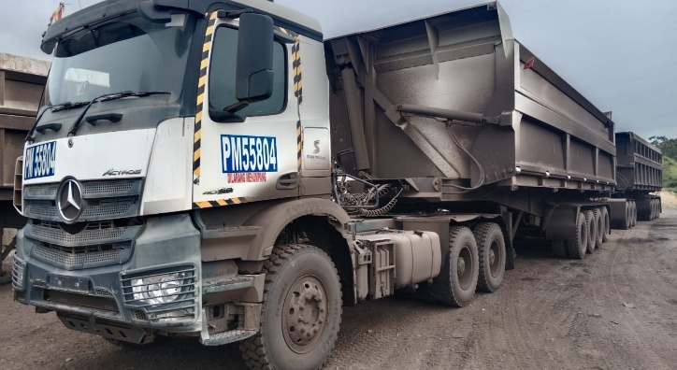 |  |  | 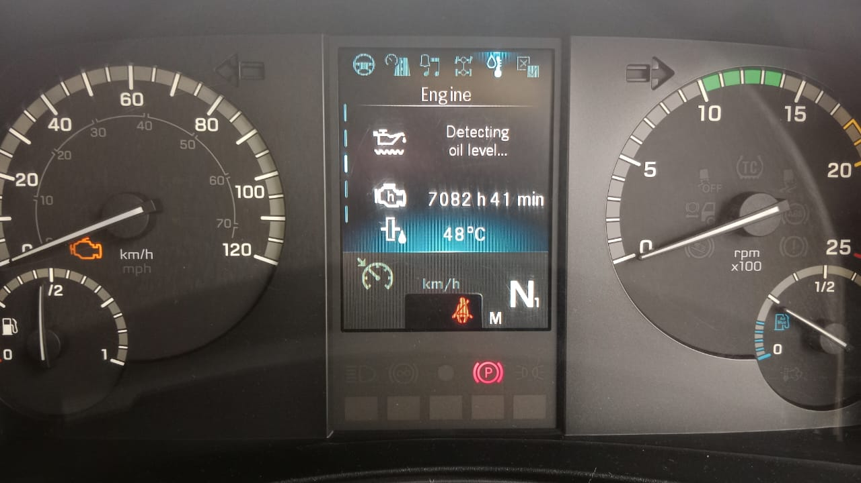 |  | 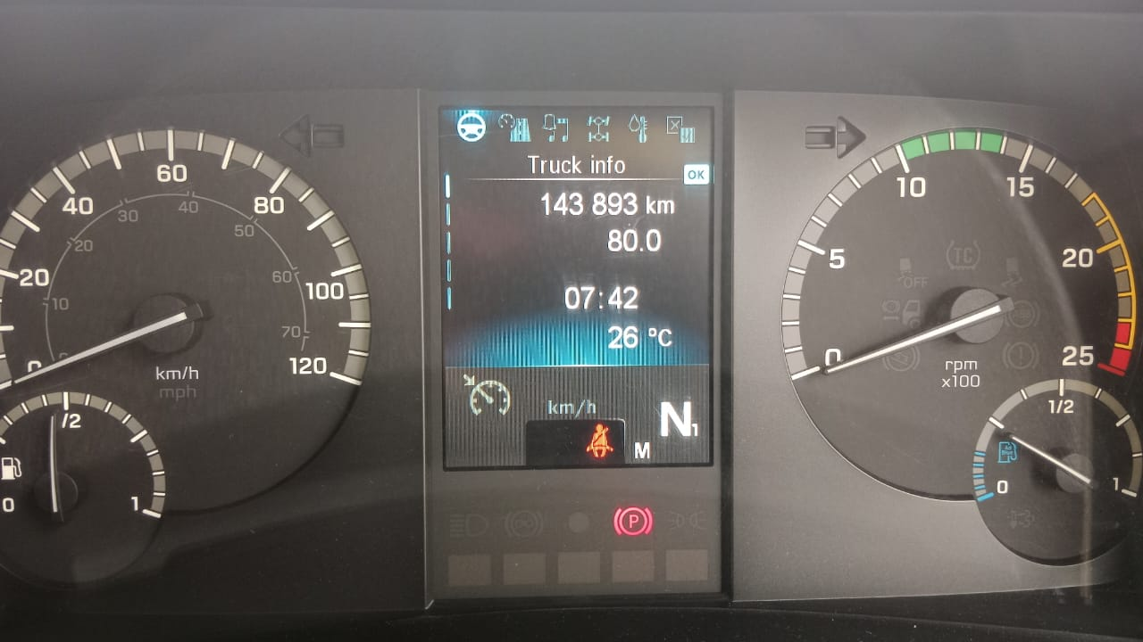 |  | 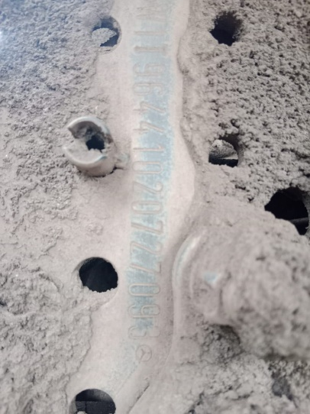

FOTO UNIT |  |  | FOTO HM |  | FOTO KM |  | FOTO VIN

APPEARS ERROR ON MONITOR
ERROR FROM XENTRY DIAGNOSIS
POSSIBLE CAUSE FROM XENTRY DIAGNOSIS
PICTURE CAUSE AND ACTION
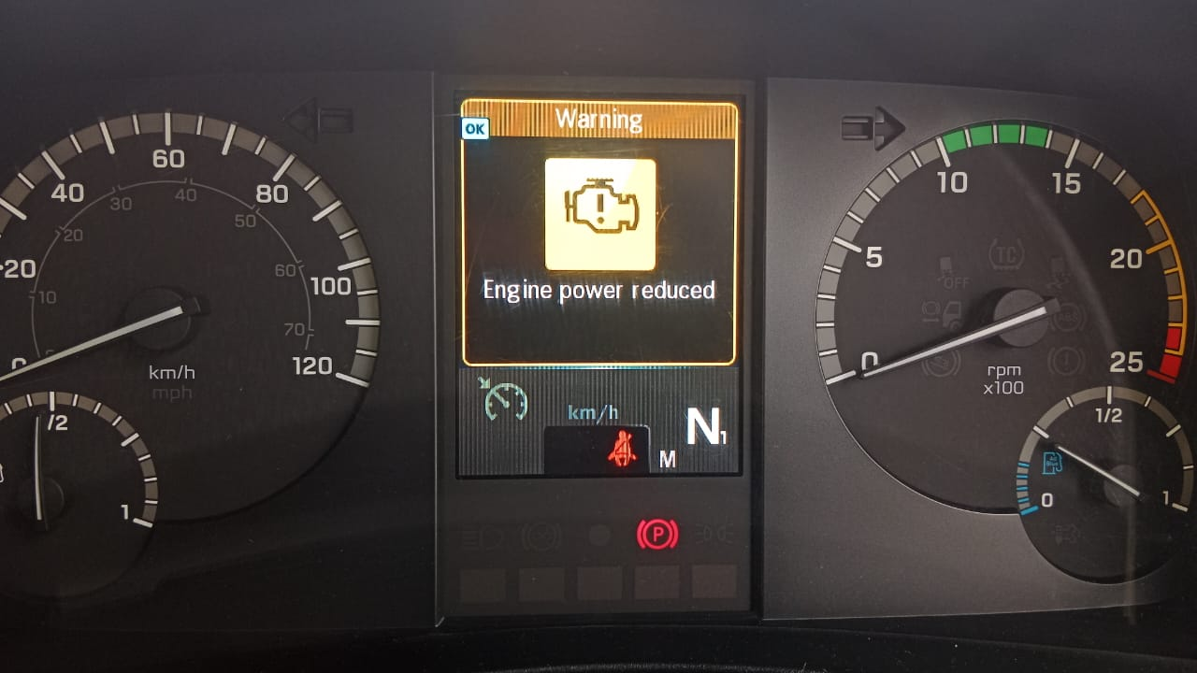 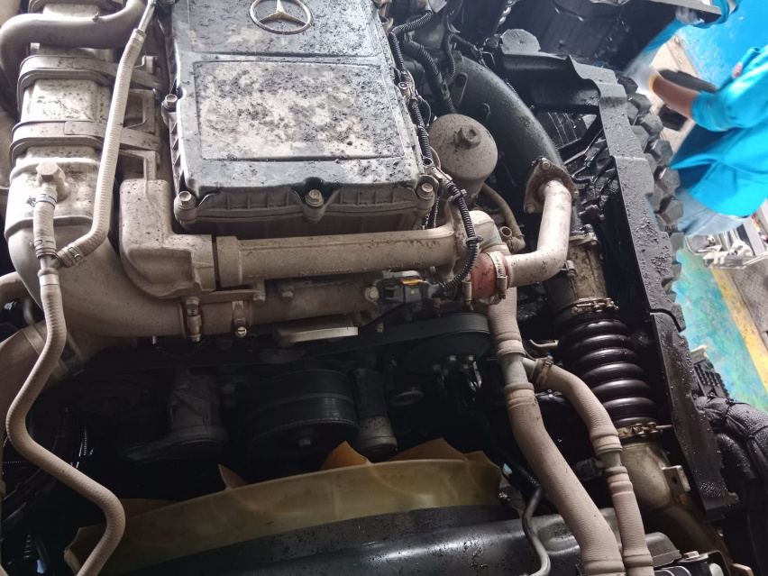 |  |  | 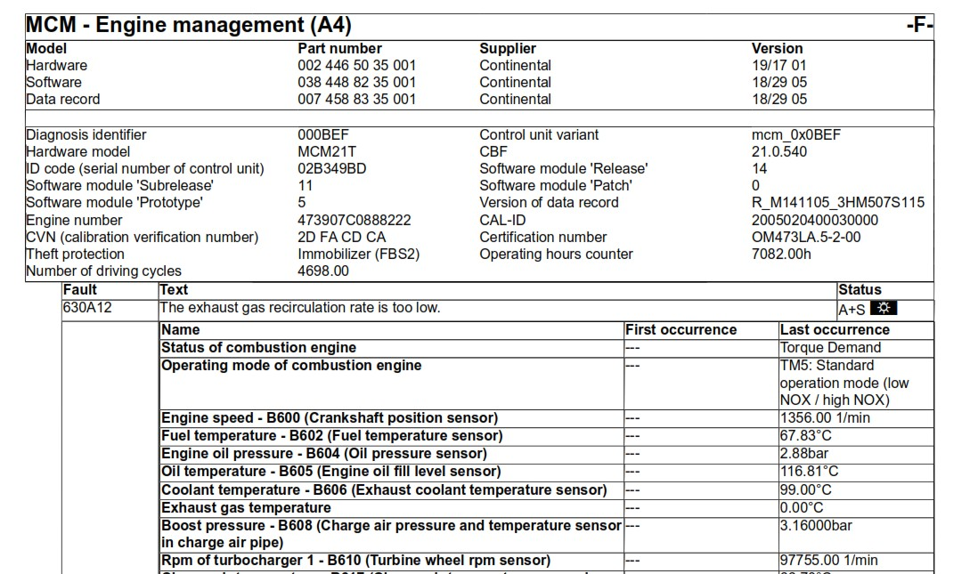 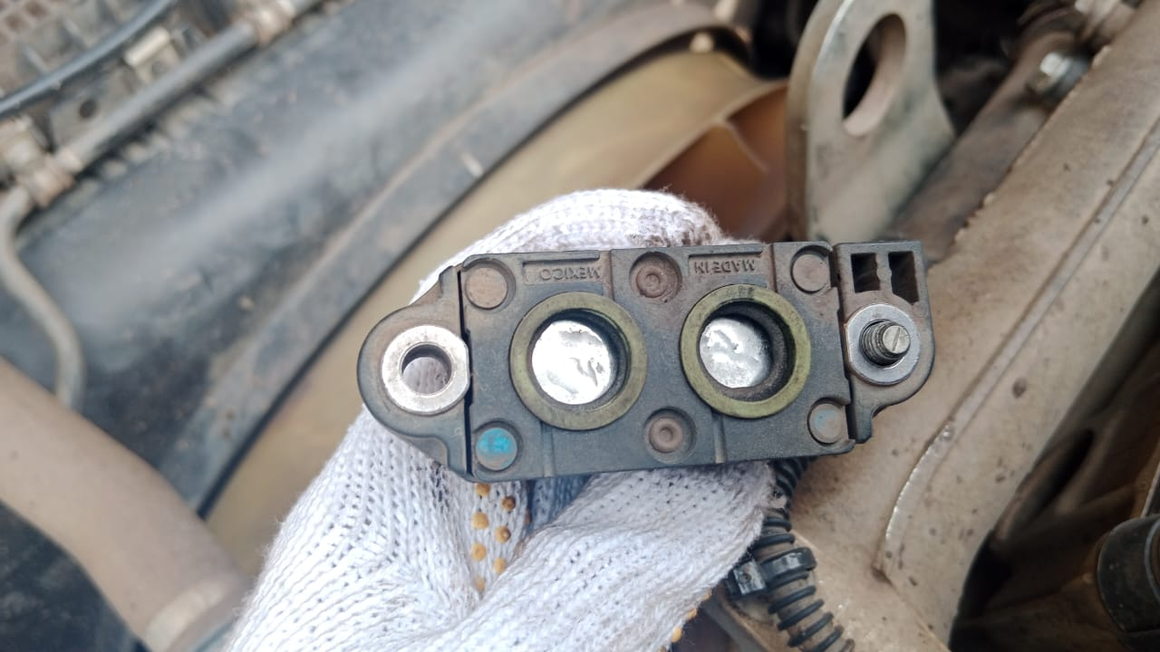 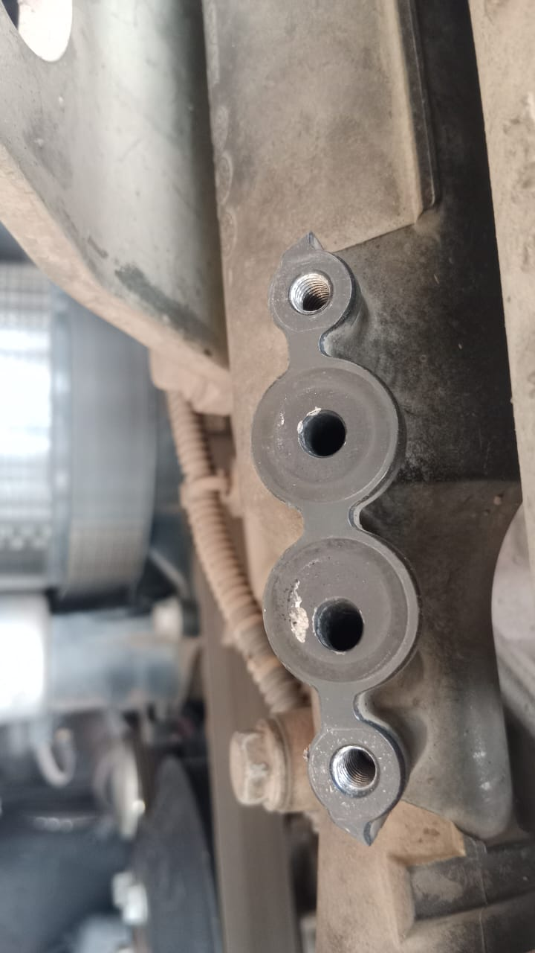 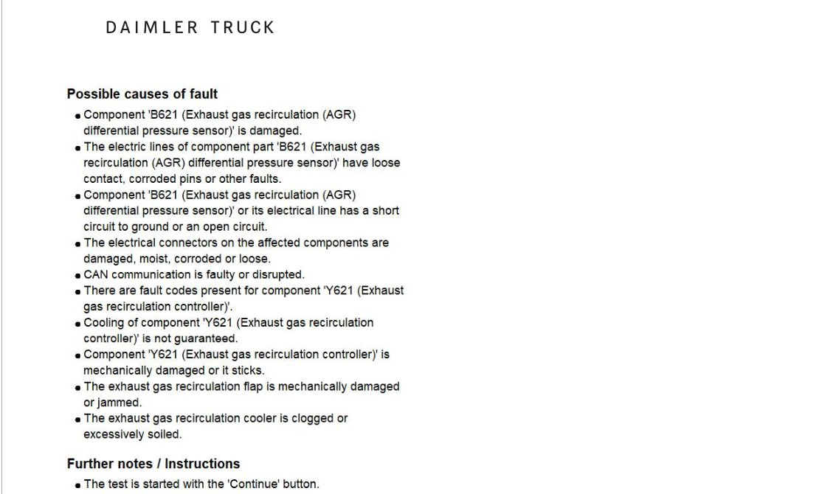 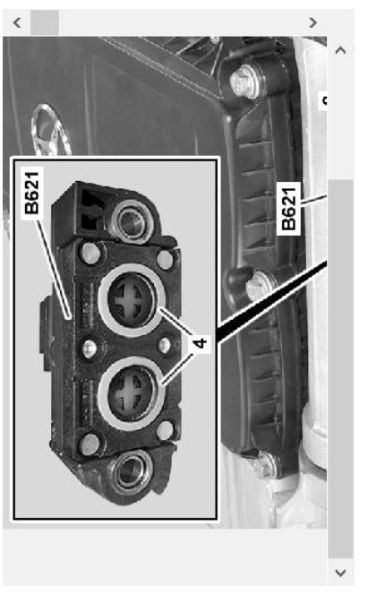 |  |  |  |  | 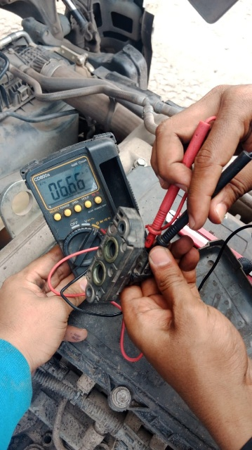
1
2

3
POSITION EXHAUST GAS RECIRCULATION (EGR)DIFFERENTIAL PRESSURE SENSOR
CONDITION EXHAUST GAS RECIRCULATION (EGR) PIPE
CONDITION EXHAUST GAS RECIRCULATION (EGR) DIFFERENTIAL PRESSURE SENSOR
NOT ANY BRIDGE IN HOLE CAUSE BROKEN
RESISTANCE EXHAUST GAS RECIRCULATION (EGR) DIFFERENTIAL PRESSURE SENSOR
CUSTOMER COMPLAINT PICTURE |  |  | JOB PROGRESS INVESTIGATION PICTURE

PICTURE CAUSE AND ACTION
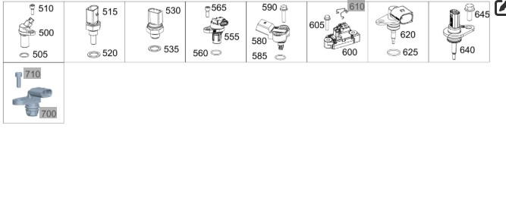

Part Book |  |  |  |  | picture part no part new |  | Remarks

 |  |  |  |  |  |  | validation

and Mercedes-Benz are registered trademarks of Mercedes-Benz Group AG.
and Mercedes-Benz are registered trademarks of Mercedes-Benz Group AG.
Head Office | Gedung Office 8 Lt.33 (SCBD Lot 28/Senopati Raya 8B), Jl.Jend.Sudirman Kav.52-53, Jakarta Selatan 12190 , Indonesia | T +62 21 57903456 | www.starwagen.co.id
Branch | Jl.Syarifuddin Yoes Blok.Kav.46-47 RT.045, Sepinggan Baru, Balikpapan Selatan, Kalimantan Timur, Indonesia | +62 54 28707888 / +62 54 28705758
 |  |  |  |  |  |  | Egi sugiana | Supervisor / Workshop Managaer

Part Request
MENU

 |  |  |  |  |  |  |  |  | Authorized Dealer of Mercedes-Benz
Part Request Slip |  |  |  |  |  |  |  |  | Truck & Bus in Indonesia
 |  | Passenger car Commercial vehicle
Slip Numbering |  | Customer Information |  |  |  | Vehicle Information |  |  | Order Information
 |  | Nama | PT. ANTAREJA MAHADA MAKMUR |  |  | Model : | ACTROS 4058 S |  | Worksop Order No : | 0
 |  | Site | PT MIFA |  |  | Vin : | W1T96441020727093 |  | Order By :
 |  |  |  |  |  | Engine No : | 473907C0888222 |  | Delivery By :
 |  | Car Registration | PM55804 |  |  | Date of 1st registration: | 0 |  | Received By | 45873
 |  |  |  |  |  |  |  |  | Issue On :

No | Part Number | ES1 | ES2 | Bin Location | Quantity Requested | Description |  |  | Unit Price | Total Price
1 | A4701530428 |  |  |  | 1 | DIFF. PRESSURE SENSOR
2 |  |  |  |  |  |  |  |  |  |  | ROTATIONAL SPEED SENSOR
3
4
5
6
7
8
9
10
11
12
13
14
 |  |  |  |  |  |  |  | Foreman | Mechanic | Delivered By

 |  |  |  |  |  |  |  |  | Egi sugiana

 | Head Office | Gedung Office 8 Lt.33 (SCBD Lot 28/Senopati Raya 8B), Jl.Jend.Sudirman Kav.52-53, Jakarta Selatan 12190 , Indonesia | T +62 21 57903456 | www.starwagen.co.id
 | Branch | Jl.Syarifuddin Yoes Blok.Kav.46-47 RT.045, Sepinggan Baru, Balikpapan Selatan, Kalimantan Timur, Indonesia | +62 54 28707888 / +62 54 28705758

and Mercedes-Benz are registered trademarks of Mercedes-Benz Group AG

Final Control
MENU

 |  |  | Truck & Bus |  |  |  | PT Star Wagen Indonesia
 |  |  | in Indonesia |  |  |  | Authorized Dealer of Mercedes-Benz Truck & Bus in Indonesia
Final Control Report

 |  | Customer Name : | PT. ANTAREJA MAHADA MAKMUR |  | Millage In : |  |  |  | Check And Tested By
 |  | Wo no/ WIP NO : |  |  | Millage Out : |  |  |  | Name : | Egi sugiana
 |  |  |  |  |  |  |  |  | Date : | 2023-09-15

 |  | Function Checks |  |  | Visual Checks |  |  |  | Other Checks
 | √ | All warning indicators |  | √ | Engine |  |  | √ | Wiper blades and spraying nozzle |  | √
 | √ | Steering system |  | √ | Transmission |  |  | √ | Vacuum hoses/lines |  | x
 | √ | Horn |  | √ | Rear axles |  |  | √ | Write your own checking list related reparation you did
 | √ | Lights interior / exterior |  | √ | Steering system |  |  | √ | …………………………………………………………………..
 | √ | Other electrical equipment |  | √ | Fuel system |  |  | √ | …………………………………………………………………..
 | √ | Central locking / closing assist system |  | √ | Cooling system |  |  | √ | …………………………………………………………………..
 | √ | Brakes on dynamometer or test drive |  | √ | Brake hoses / lines / linkage |  |  | √ | …………………………………………………………………..
 | √ | Air conditioner |  | √ | Condition of tires/spare tires (if any) |  |  | √ | …………………………………………………………………..
 |  |  |  | √ | Cleanliness inside and outside |  |  |  | …………………………………………………………………..
 |  | Fluid Levels |  |  | Final Checks |  |  |  | Document Check
 | √ | Engine |  | √ | Check work performed |  |  | √ | Test document / Short test result
 | √ | Transmission |  | √ | Test Drive if needed |  |  | √ | Workshop report (only if required)
 | √ | Radiator / Coolant |  |  |  |  |  | √ | Internal part requisition slip
 | √ | Power steering |  |  |  |  |  | √ | Battery test result, only if tested
 | √ | Battery |  |  |  |  |  | √
 | √ | Brake system |  |  |  |  |  | √
 | √ | Windshield washer |  |  |  |  |  | √
 |  |  |  |  |  |  |  | √
 | After completion of all the work required by you, we performed a final quality check on your vehicle with the following results:
 | Ok |  | No |  |  |  |  | Acknowledged by
 | During checking & reparation process, some critical findings has to be followed up;
 | 1.
 | 2.
 | this has been conveyed on………..to……………. but not approved for doing an action. |  |  |  | (Service Advisor) | (Customer) |  | Foreman or Supervisor

 | Head Office | Gedung Office 8 Lt.33 (SCBD Lot 28/Senopati Raya 8B), Jl.Jend.Sudirman Kav.52-53, Jakarta Selatan 12190 , Indonesia | T +62 21 57903456 | www.starwagen.co.id
 | Branch | Jl.Syarifuddin Yoes Blok.Kav.46-47 RT.045, Sepinggan Baru, Balikpapan Selatan, Kalimantan Timur, Indonesia | +62 54 28707888 / +62 54 28705758
and Mercedes-Benz are registered trademarks of Mercedes-Benz Group AG
.

