TSR SWI
TECHNICAL SERVICE REPORT
FM-SSSA-SPS-01 Rev01
 |  |  |  |  |  |  |  |  |  |  |  | page 1 of 2

CUSTOMER NAME |  | PT. ANTAREJA MAHADA MAKMUR |  |  |  | PHONE NO. / HP |  |  | TSR NO
KOTA / BRANCH |  | MURUNG RAYA |  |  |  |  |  |  | DATE | 23-Aug-25

UNIT TYPE |  |  | SERIAL NO |  | ENGINE TYPE |  |  | ENGINE NO |  |  |  | DELIVERY DATE
SKT105S |  |  | KT105ASE41062 |  | WECHAI |  |  | 3124S059045 |  |  |  | 17-Jul-25

APPLICATION |  |  | LOCATION |  |  |  |  | KILOMETER |  |  |  | HOURMETER
DUMP TRUCK OB |  |  | MURUNG RAYA |  |  |  |  | 4046km |  |  |  | 511h

DEFECT SYSTEM

CUSTOMER BUSINESS SECTION |  |  |  |  |  |  |  | MACHINE CONDITION

 |  |  |  |  |  |  |  | FAILURE DATE |  | 23-May-25

PROBLEM |  |  |  |  | ACTION |  |  | ATTACHMENT DATA
PTO LEAK |  |  |  |  | PLAN | ACTUAL
 |  |  |  |  |  | V

DETAIL PROBLEM
1. Leaking area PTO

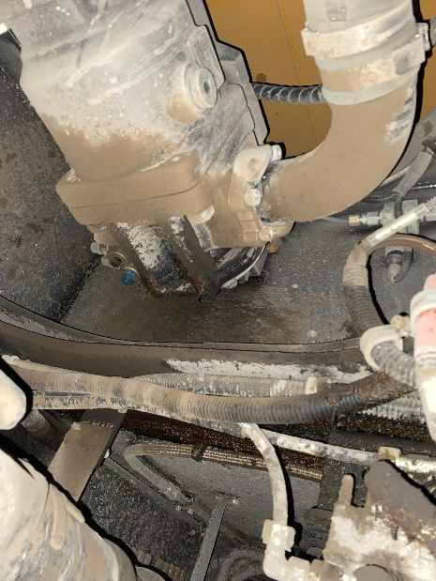
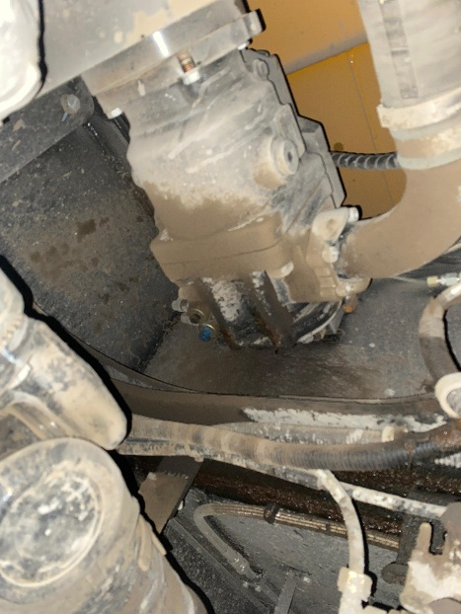
INSPECTION |  |  |  |  | CAUSE & ANALYSIS
1. Pengecekan pada PTO |  |  |  |  | 1.1 Gasket pada PTO indikasi lemah sehingga mengakibatkan PTO Leak

KESIMPULAN
1. GASKET PTO LEMAH SEHINGGA MENGAKIBATKAN LEAKING DI AREA PTO

TECHNICAL SERVICE REPORT

 |  |  |  |  |  |  |  |  |  |  |  | page 2 of 2

CUSTOMER |  | PT. PUTRA PERKASA ABADI |  |  | PHONE NO. / HP |  |  |  | TSR NO |  | -
FAILUR DATE |  | 23-Aug-25 |  |  | 0 |  |  |  | DATE |  | 23-Aug-25

PHOTOS ( Include S/N, E/N, HM, Machine, Work Location, Inspection Item and broken component )

FOTO UNIT
HOURS METER
SERIAL NUMBER UNIT

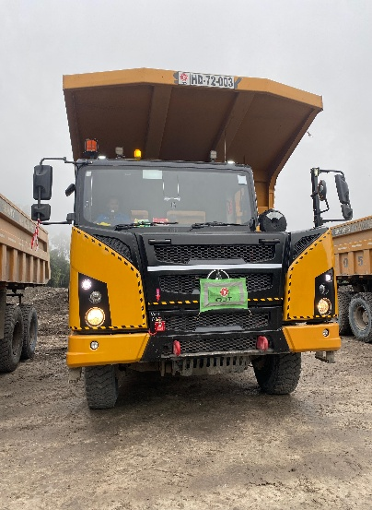
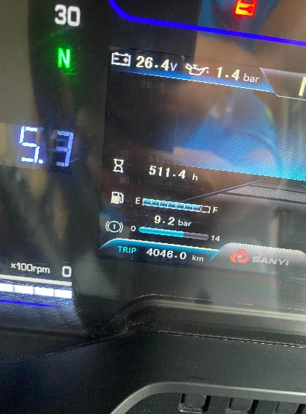
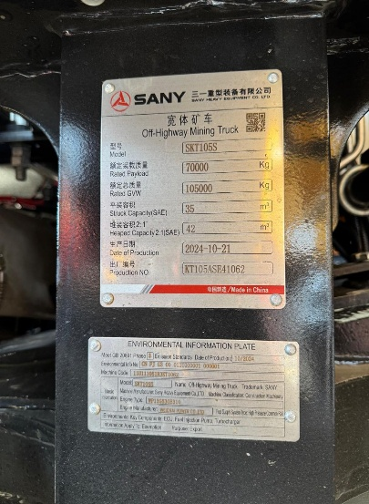

FOTO PROBLEM

STATUS ORDER SPAREPARTS |  |  |  |  |  |  |  |  |  |  |  |  | RECOMMENDED SPAREPARTS

DATA SPAREPARTS YANG DIBUTUHKAN
No | System Name |  | Fig. No | Part No. | New Part No |  | Part Name |  |  |  |  |  | Qty
1

Dibuat oleh |  | DIDIK INDRIYANTO UTOMO |  |  |  |  |  | Diperiksa & Disetujui oleh
Tanggal |  | 23-Aug-25 |  |  |  |  |  | Tanggal

Signature |  |  |  |  |  |  |  | Signature

