Form CWR
 |  |  |  |  |  |  |  |  |  |  |  |  |  |  |  | Pages 1 / 2
CLAIM WARRANTY REPORT

CLAIM TO: |  |  |  | SANY INDONESIA |  |  |  |  |  |  | CLAIM NO:

WARRANTY/POLICY CLAIM FORM

 |  |  |  | V | COMPONENT / PART |  |  |  | CONMON (PAP, PPM, VHMS, MAGPLUG, FLUID CONSUPMTION,DLL)

CLAIM DATE |  | : | 10-Jul-25 |  |  |  |  |  | ENGINE MODEL |  |  | : | WP13G530E130

CODE UNIT |  | : | HS5014 |  |  |  |  |  | HM FAILURE |  |  | : | 1131.6

MODEL UNIT |  | : | SANY SKT 105S |  |  |  |  |  | LOCATION UNIT |  |  | : | AMM - MHU

SN UNIT |  | : | KT105ASE40934 |  |  |  |  |  | STATUS UNIT |  |  | : | X | OPERASI

 |  |  |  |  |  |  |  |  |  |  |  |  |  | BREAKDOWN

PROBLEM ISSUE
BATTERY DROP

SUPPORTING COMMENTS
Pada saat unit akan operasi, unit dilaporkan tidak bisa start. Kemudian mekanik melakukan pemeriksaan voltage battery pada unit HS5014, ditemukan bahwa voltage battery 16.97 V. Kemudian dilakukan pemeriksaan health battery, ditemukan bahwa SOH (State of Healt KeduA battery yang terpasang di unit 1% dan 47%.

FAILED COMPONENT INFORMATION

COMPONENT |  |  |  | : | Battery |  |  |  | PART NUMBER |  |  |  |  | : | 23090450525

SUB COMPONENT |  |  |  | : | Electrical System |  |  |  | LAST REMOVE |  |  |  |  | :

LIFETIME COMPONENT |  |  |  | : | 1131.6 |  |  |  | LAST INSTALL(DATE_HM) |  |  |  |  | :

WARRANTY DECISION

 |  |  |  | ACCEPT |  |  |  |  |  | POLICY/PRORATE |  |  |  |  |  | REJECT

APPROVAL

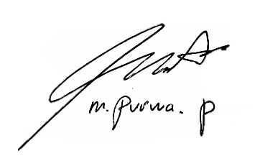
 | CREATED BY, |  |  |  |  |  |  | APPROVED BY, |  |  |  |  |  |  |  | FOLLOW UP BY,

(Prayoga Firdaus) |  |  |  |  |  |  | (M Purwa Prasetya) |  |  |  |  |  |  |  |  | (……………………………..)
Claim Analyst |  |  |  |  |  | Service Supervisor |  |  |  |  |  |  |  |  |  | SANY INDONESIA

Lampiran
 |  |  |  | Pages 2/2
CLAIM WARRANTY REPORT

CLAIM TO: |  | HYDRAXLE PERKASA / ADR | CLAIM NO:

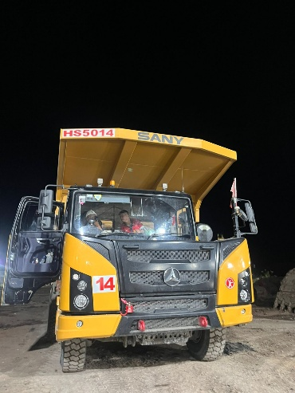
 |  |  | 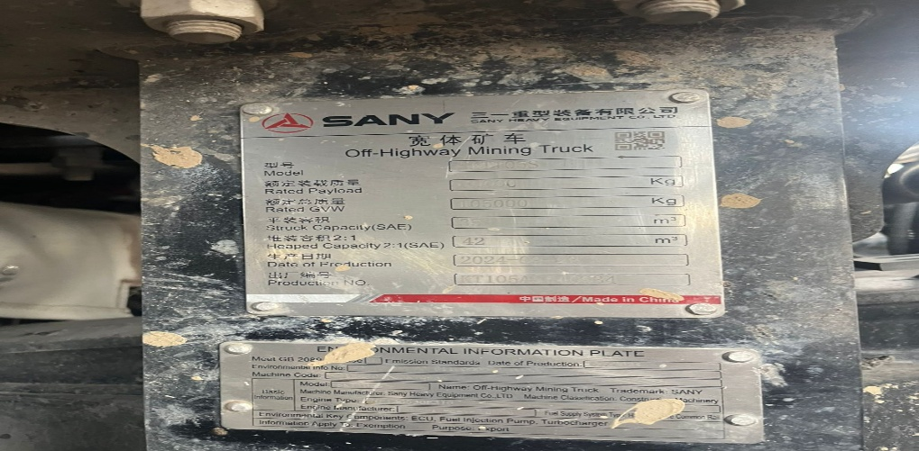
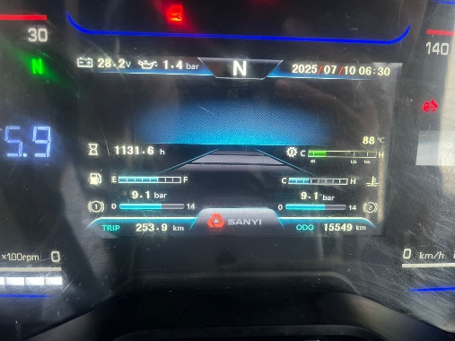

 | DA5206
Foto Unit
HM
Foto SN
 | AROCS 40X42K

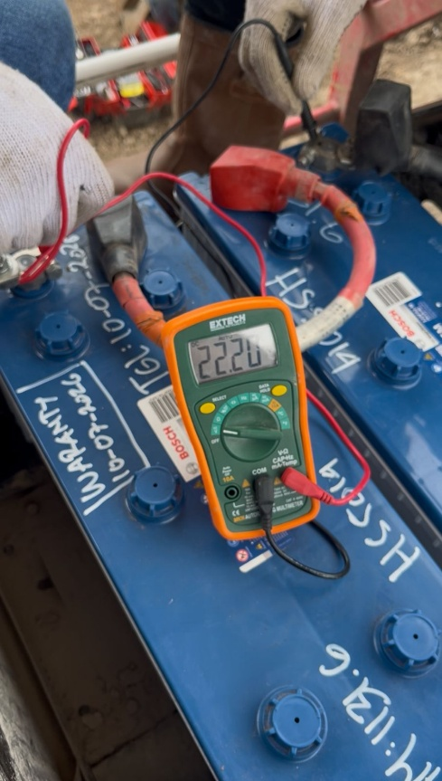
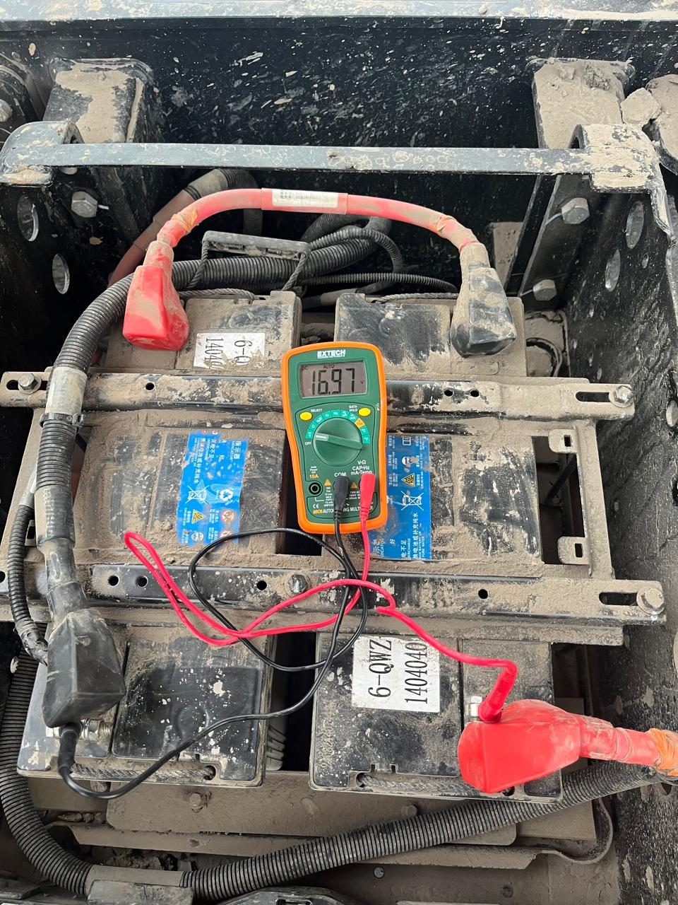 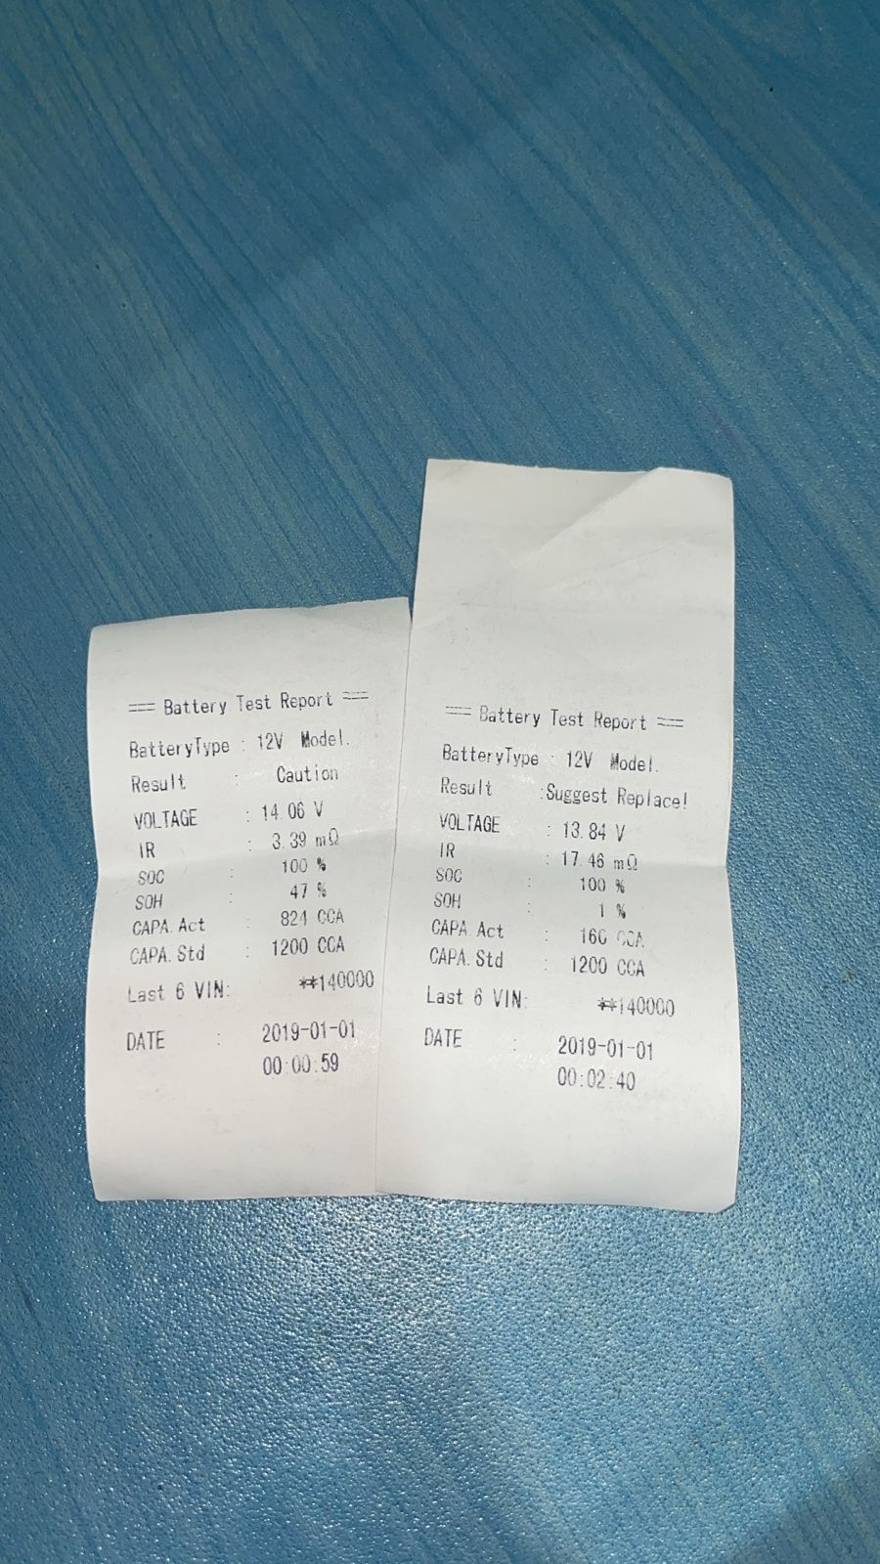

Down voltage before
Down voltage after
Battery Test Report (Before)

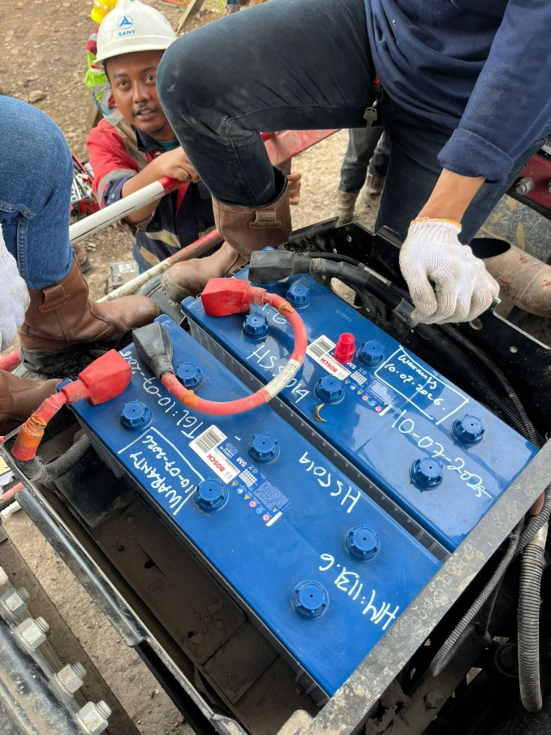

Actual Condition Physique Battery 1 & 2

