Time Sheet
MENU

 |  |  |  | PT Star Wagen Indonesia
Job Time Card Report |  |  |  | Authorized Dealer of Mercedes-Benz Truck & Bus in Indonesia

Mechanic Name: | Egi sugiana |  | WIP Number :

CIW/GW | Operational Code | End Start | Time Recording |  | Date |  |  |  | Total Time
 | Description
Warranty |  | End |  |  |  |  |  |  | 0:00:00 |  | Customer | 1:00:00
 |  | Start |  |  |  |  |  |  |  |  | Internal | 2:00:00
 |  | End |  |  |  |  |  |  | 0:00:00 |  | Warranty | 3:00:00
 |  | Start |  |  |  |  |  |  |  |  | GoodWill | 4:00:00
 |  | End |  |  | 2023-01-16 |  |  |  | 0:00:00 |  |  | 5:00:00
 |  | Start |  |  |  |  |  |  |  |  |  | 6:00:00
 |  | End |  |  |  |  |  |  | 0:00:00 |  |  | 7:00:00
 |  | Start |  |  |  |  |  |  |  |  |  | 8:00:00
 |  | End |  |  |  |  |  |  | 0:00:00 |  |  | 9:00:00
 |  | Start |  |  |  |  |  |  |  |  |  | 10:00:00
 |  | End |  |  |  |  |  |  | 0:00:00 |  |  | 11:00:00
 |  | Start |  |  |  |  |  |  |  |  |  | 12:00:00
 |  | End |  |  |  |  |  |  | 0:00:00 |  |  | 13:00:00
 |  | Start |  |  |  |  |  |  |  |  |  | 14:00:00
 |  | End |  |  |  |  |  |  | 0:00:00 |  |  | 15:00:00
 |  | Start |  |  |  |  |  |  |  |  |  | 16:00:00
 |  | End |  |  |  |  |  |  | 0:00:00 |  |  | 13:00:00
 |  | Start |  |  |  |  |  |  |  |  |  | 14:00:00
 |  | End |  |  |  |  |  |  | 0:00:00 |  |  | 15:00:00
 |  | Start |  |  |  |  |  |  |  |  |  | 16:00:00
 |  | End |  |  |  |  |  |  | 0:00:00 |  |  | 13:00:00
 |  | Start |  |  |  |  |  |  |  |  |  | 14:00:00
 |  | End |  |  |  |  |  |  | 0:00:00 |  |  | 15:00:00
 |  | Start |  |  |  |  |  |  |  |  |  | 16:00:00
 |  |  |  |  |  |  |  |  |  |  |  | 17:00:00
Hours |  | C | I | W/G | W1 | W2 | W3 | W4 | W5 | W6 |  | 18:00:00
Total |  |  |  | 0:00:00 |  |  |  |  |  |  |  | 19:00:00
 |  |  |  |  |  |  |  |  |  |  |  | 20:00:00
Head Office | Gedung Office 8 Lt.33 (SCBD Lot 28/Senopati Raya 8B), Jl.Jend.Sudirman Kav.52-53, Jakarta Selatan 12190 , Indonesia | T +62 21 57903456 | www.starwagen.co.id |  |  |  |  |  |  |  |  |  |  |  | 21:00:00
Branch | Jl.Syarifuddin Yoes Blok.Kav.46-47 RT.045, Sepinggan Baru, Balikpapan Selatan, Kalimantan Timur, Indonesia | +62 54 28707888 / +62 54 28705758 |  |  |  |  |  |  |  |  |  |  |  | 22:00:00
 |  |  |  |  |  |  |  |  |  |  |  | 23:00:00
and Mercedes-Benz are registered trademarks of Mercedes-Benz Group AG
 |  |  |  |  |  |  |  |  |  |  |  | 1900-01-01 00:00:00

Worksop Report
 | Menu
 |  |  | Workshop Report For Diagnostic Guide

 |  |  |  |  |  |  | PT.STAR WAGEN INDONESIA
 |  |  |  |  | WO
Date: |  | 26-Jun-25 |  |  |  |  |  | Job Site:
WIP No: |  |  |  |  | Customer Name: | PT. ANTAREJA MAHADA MAKMUR |  | PT MIFA
Chasis No: |  | W1T96441020727093 |  |  | Reg No : |  | Reg date
Engine No: |  | 473907C0888222 |  |  | Type : | ACTROS 4058 S | Mileage / Hours Meter | 131711 / 6491
Unit Code |  | PM55804

COMPLAINT ANALYSIS
Customer complaint/Customer information
 | Engine overheat
Vehicle information
 | Aplicaton : | ü Long distance |  | ü Dump truck | Ore operation | Regular service base
 |  | Short distance |  | support truck | ü Hauling operation
Customer Information :
 | When operation engine overheat

TEST LEVEL

 | Test Level Description |  |  |  |  | Actual Value | Remark | Attachment Number
 | CHECK ERROR CODE |  |  |  |  | ANY ERROR | NOT OK | attachment picture 1
 | CHECK WIRING AND SOCKET FAN CLUTCH |  |  |  |  | GOOD | OK | attachment picture 2
 | CHECK SOLENOID FAN CLUTCH |  |  |  |  | DEFECTIVE | NOT OK

CAUSE LEVEL
Cause level/Workshop findings: |  |  |  |  | RESULT :
 |  |  |  |  | 23 JUNE OPERATOR REPORT ENGINE OVERHEAT, WE CHECK CONDITION ENGINE AND CHECK ERROR CODE FROM XENTRY, ANY ERROR FAN SPEED IS IMPLAUSIBLE WITH STATUS STORED, AND THEN WE RESET ERROR CODE AND MACHINE NORMAL OPERATION. 26 JUNE OPERATOR REPORT ENGINE OVERHEAT AGAIN WITH ERROR SAME FAN SPEED IS IMPLAUSIBLE. WE CHECK WIRING AND SOCKET FAN CLUTCH IS GOOD CONDITION, WE TRY ACTUATION SOLENOID FAN CLUTCH FROM XENTRY NO RESPON, WE FOLLOW GUIDE TEST FROM XENTRY AND POSSIBLE CAUSE FROM XENTRY FAN CLUTCH SOLENOID VALVE IS DEFECTIVE. WE TRY DISCONNCET SOCKET FAN CLUTCH AND WE GROUND TEST WITHOUT LOAD AND WITH LOAD, ENGINE COOLING UP TO 94°C. AFTER GROUND TEST WE RELEASE AND UNIT NORMAL OPERATION AGAIN UNTIL SPARE PART COME ON SITE.
 |  | Ada | Tidak ada | Attachment Nr
Photo (# lembar) |  | √ |  | √
Area kerusakan (gbr EPC) |  | √ |  | √
Video (nama file) |  | x |  | √
Old Spare part No.
Notes: |  |  |  |  |  |  |  |  | √
 |  |  |  |  |  |  |  |  | x

RECTIFICATION AND VERIFICATION LEVEL
Rectification:

 | PART NUMBER | DESCRIPTION | QTY
 | A4702000422 | VISCOUS CLUTCH | 1

Verification:

 |  |  | Workshop report digunakan untuk mencatat hasil analisa mekanik dengan menyertakan langkah-langkah diagnosis dan temuannya selama diagnosa

PICTURE CAUSE AND ACTION
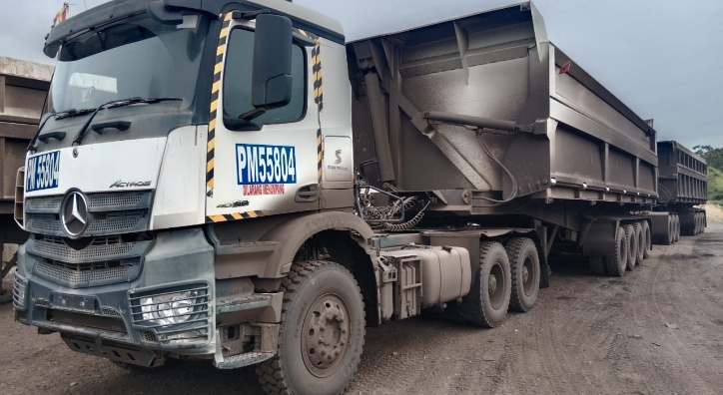 |  |  | 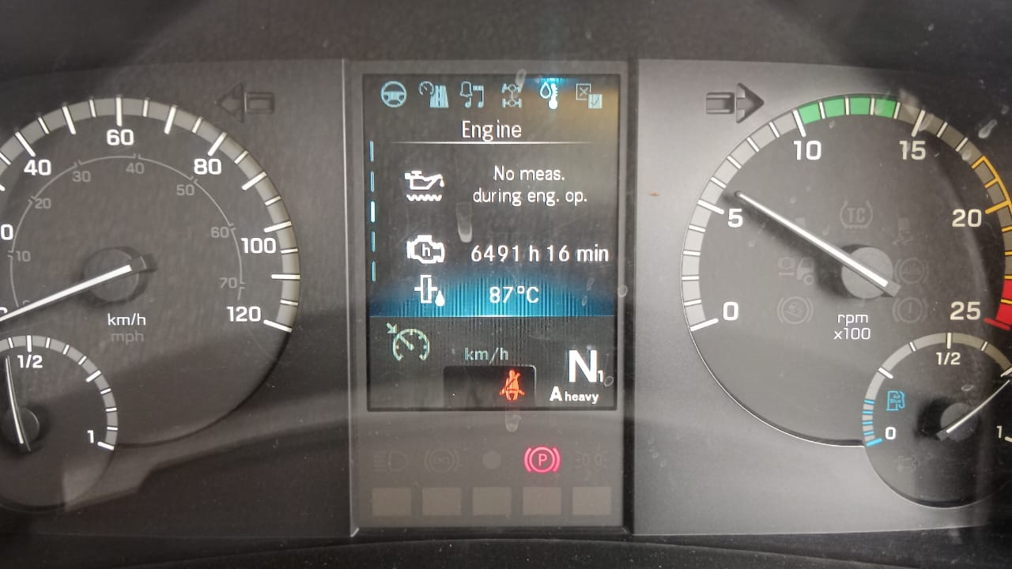 |  | 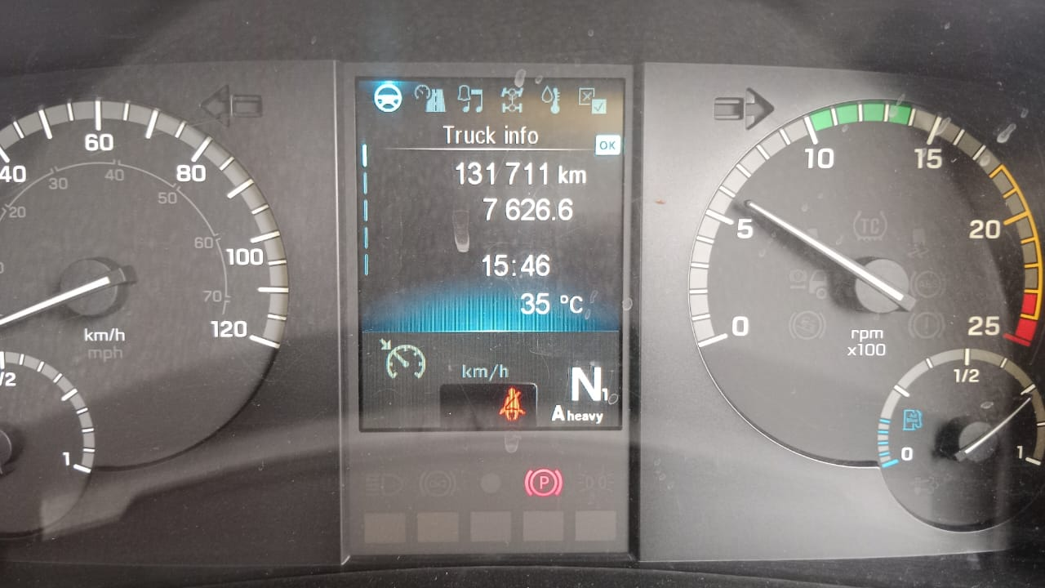 |  | 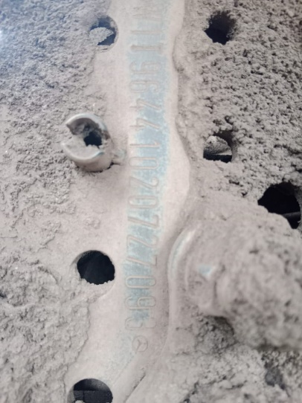

FOTO UNIT |  |  | FOTO HM |  | FOTO KM |  | FOTO VIN

1
ERROR CODE FROM XENTRY 23 JUNE
WIRING AND SOCKET FAN CLUTCH GOOD CONDITION
2
ACTUATION FAN CLUTCH SOLENOID NO RESPON
3
POSSIBLE CAUSE OF FAULT FROM XENTRY
PICTURE CAUSE AND ACTION
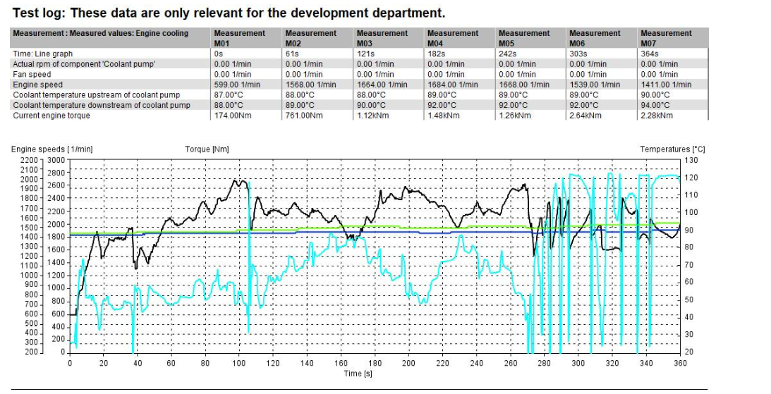 |  |  | 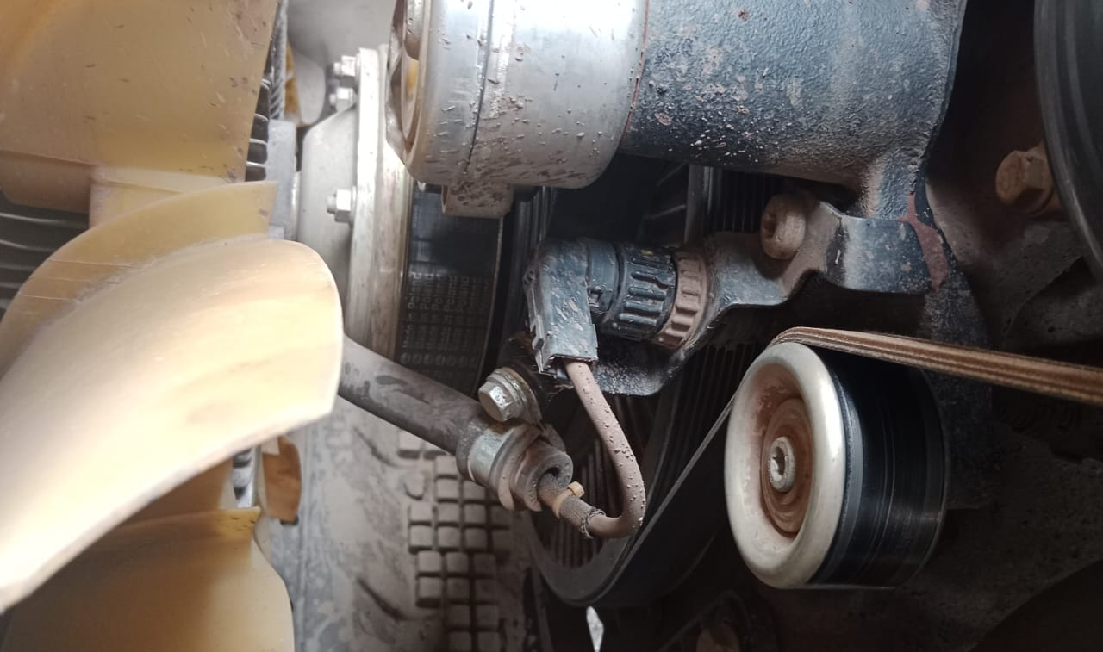 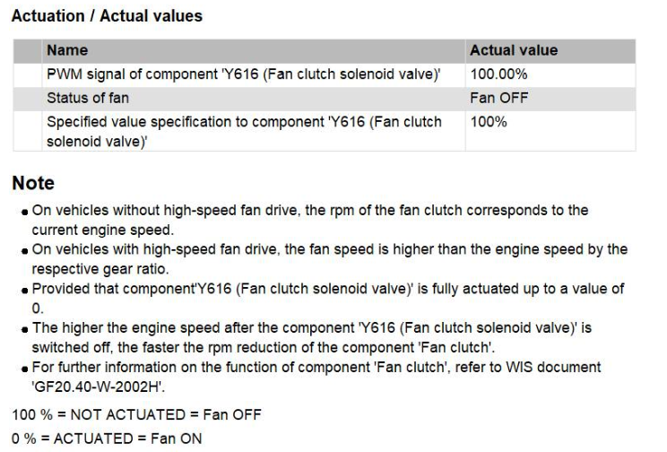 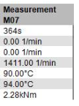 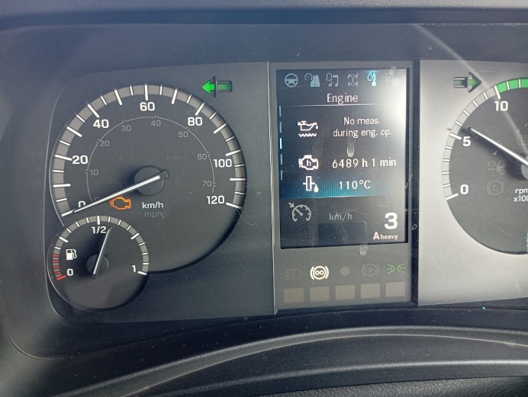 |  |  |  |  | 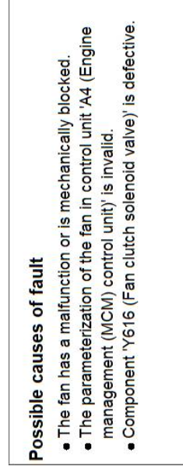 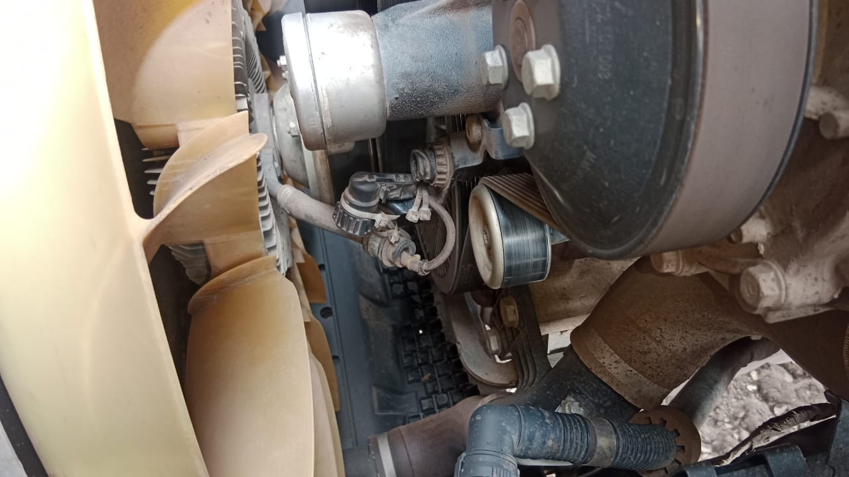 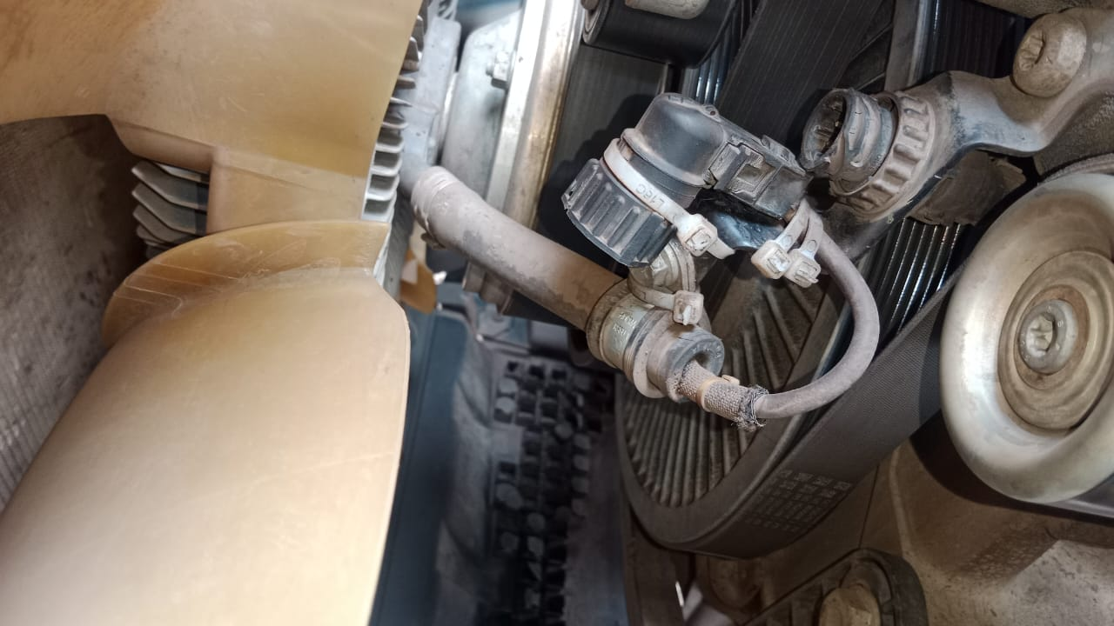

ERROR CODE FROM XENTRY 26 JUNE
ENGINE COOLING AFTER DISCONNECT SOCKET FAN CLUTCH
TEMPERATURE UP TO 94°C
PICTURES TAKEN BY DRIVER
DISCONNECT SOCKET FAN CLUTCH
CUSTOMER COMPLAINT PICTURE |  |  | JOB PROGRESS INVESTIGATION PICTURE

PICTURE CAUSE AND ACTION
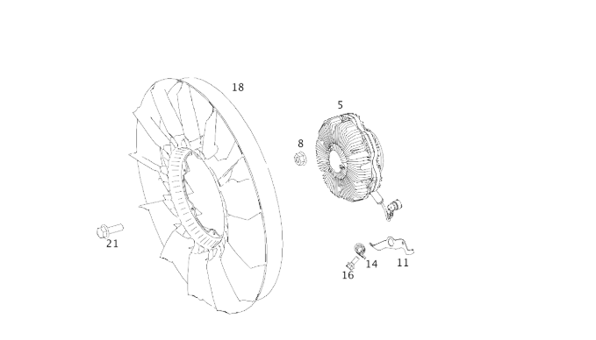 |  |  |  |  |  |  | 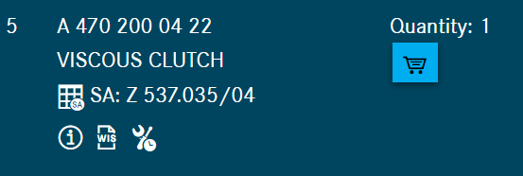

Part Book |  |  |  |  | picture part no part new |  | Remarks

 |  |  |  |  |  |  | validation

and Mercedes-Benz are registered trademarks of Mercedes-Benz Group AG.
and Mercedes-Benz are registered trademarks of Mercedes-Benz Group AG.
Head Office | Gedung Office 8 Lt.33 (SCBD Lot 28/Senopati Raya 8B), Jl.Jend.Sudirman Kav.52-53, Jakarta Selatan 12190 , Indonesia | T +62 21 57903456 | www.starwagen.co.id
Branch | Jl.Syarifuddin Yoes Blok.Kav.46-47 RT.045, Sepinggan Baru, Balikpapan Selatan, Kalimantan Timur, Indonesia | +62 54 28707888 / +62 54 28705758
 |  |  |  |  |  |  | Egi sugiana | Supervisor / Workshop Managaer

Part Request
MENU

 |  |  |  |  |  |  |  |  | Authorized Dealer of Mercedes-Benz
Part Request Slip |  |  |  |  |  |  |  |  | Truck & Bus in Indonesia
 |  | Passenger car Commercial vehicle
Slip Numbering |  | Customer Information |  |  |  | Vehicle Information |  |  | Order Information
 |  | Nama | PT. ANTAREJA MAHADA MAKMUR |  |  | Model : | ACTROS 4058 S |  | Worksop Order No : | 0
 |  | Site | PT MIFA |  |  | Vin : | W1T96441020727093 |  | Order By :
 |  |  |  |  |  | Engine No : | 473907C0888222 |  | Delivery By :
 |  | Car Registration | PM55804 |  |  | Date of 1st registration: | 0 |  | Received By | 45834
 |  |  |  |  |  |  |  |  | Issue On :

No | Part Number | ES1 | ES2 | Bin Location | Quantity Requested | Description |  |  | Unit Price | Total Price
1 | A4702000422 |  |  |  | 1 | VISCOUS CLUTCH
2 |  |  |  |  |  |  |  |  |  |  | ROTATIONAL SPEED SENSOR
3
4
5
6
7
8
9
10
11
12
13
14
 |  |  |  |  |  |  |  | Foreman | Mechanic | Delivered By

 |  |  |  |  |  |  |  |  | Egi sugiana

 | Head Office | Gedung Office 8 Lt.33 (SCBD Lot 28/Senopati Raya 8B), Jl.Jend.Sudirman Kav.52-53, Jakarta Selatan 12190 , Indonesia | T +62 21 57903456 | www.starwagen.co.id
 | Branch | Jl.Syarifuddin Yoes Blok.Kav.46-47 RT.045, Sepinggan Baru, Balikpapan Selatan, Kalimantan Timur, Indonesia | +62 54 28707888 / +62 54 28705758

and Mercedes-Benz are registered trademarks of Mercedes-Benz Group AG

Final Control
MENU

 |  |  | Truck & Bus |  |  |  | PT Star Wagen Indonesia
 |  |  | in Indonesia |  |  |  | Authorized Dealer of Mercedes-Benz Truck & Bus in Indonesia
Final Control Report

 |  | Customer Name : | PT. ANTAREJA MAHADA MAKMUR |  | Millage In : |  |  |  | Check And Tested By
 |  | Wo no/ WIP NO : |  |  | Millage Out : |  |  |  | Name : | Egi sugiana
 |  |  |  |  |  |  |  |  | Date : | 2023-09-15

 |  | Function Checks |  |  | Visual Checks |  |  |  | Other Checks
 | √ | All warning indicators |  | √ | Engine |  |  | √ | Wiper blades and spraying nozzle |  | √
 | √ | Steering system |  | √ | Transmission |  |  | √ | Vacuum hoses/lines |  | x
 | √ | Horn |  | √ | Rear axles |  |  | √ | Write your own checking list related reparation you did
 | √ | Lights interior / exterior |  | √ | Steering system |  |  | √ | …………………………………………………………………..
 | √ | Other electrical equipment |  | √ | Fuel system |  |  | √ | …………………………………………………………………..
 | √ | Central locking / closing assist system |  | √ | Cooling system |  |  | √ | …………………………………………………………………..
 | √ | Brakes on dynamometer or test drive |  | √ | Brake hoses / lines / linkage |  |  | √ | …………………………………………………………………..
 | √ | Air conditioner |  | √ | Condition of tires/spare tires (if any) |  |  | √ | …………………………………………………………………..
 |  |  |  | √ | Cleanliness inside and outside |  |  |  | …………………………………………………………………..
 |  | Fluid Levels |  |  | Final Checks |  |  |  | Document Check
 | √ | Engine |  | √ | Check work performed |  |  | √ | Test document / Short test result
 | √ | Transmission |  | √ | Test Drive if needed |  |  | √ | Workshop report (only if required)
 | √ | Radiator / Coolant |  |  |  |  |  | √ | Internal part requisition slip
 | √ | Power steering |  |  |  |  |  | √ | Battery test result, only if tested
 | √ | Battery |  |  |  |  |  | √
 | √ | Brake system |  |  |  |  |  | √
 | √ | Windshield washer |  |  |  |  |  | √
 |  |  |  |  |  |  |  | √
 | After completion of all the work required by you, we performed a final quality check on your vehicle with the following results:
 | Ok |  | No |  |  |  |  | Acknowledged by
 | During checking & reparation process, some critical findings has to be followed up;
 | 1.
 | 2.
 | this has been conveyed on………..to……………. but not approved for doing an action. |  |  |  | (Service Advisor) | (Customer) |  | Foreman or Supervisor

 | Head Office | Gedung Office 8 Lt.33 (SCBD Lot 28/Senopati Raya 8B), Jl.Jend.Sudirman Kav.52-53, Jakarta Selatan 12190 , Indonesia | T +62 21 57903456 | www.starwagen.co.id
 | Branch | Jl.Syarifuddin Yoes Blok.Kav.46-47 RT.045, Sepinggan Baru, Balikpapan Selatan, Kalimantan Timur, Indonesia | +62 54 28707888 / +62 54 28705758
and Mercedes-Benz are registered trademarks of Mercedes-Benz Group AG
.

