Time Sheet
MENU

 |  |  |  | PT Star Wagen Indonesia
Job Time Card Report |  |  |  | Authorized Dealer of Mercedes-Benz Truck & Bus in Indonesia

Mechanic Name: | SYAWAL |  | WIP Number :

CIW/GW | Operational Code | End Start | Time Recording |  | Date |  |  |  | Total Time
 | Description
Warranty |  | End |  |  | 2025-05-19 |  |  |  | 0:00:00 |  | Customer | 1:00:00
 |  | Start |  |  |  |  |  |  |  |  | Internal | 2:00:00
 |  | End |  |  | 2025-05-19 |  |  |  | 0:00:00 |  | Warranty | 3:00:00
 |  | Start |  |  |  |  |  |  |  |  | GoodWill | 4:00:00
 |  | End |  |  |  |  |  |  | 0:00:00 |  |  | 5:00:00
 |  | Start |  |  |  |  |  |  |  |  |  | 6:00:00
 |  | End |  |  |  |  |  |  | 0:00:00 |  |  | 7:00:00
 |  | Start |  |  |  |  |  |  |  |  |  | 8:00:00
 |  | End |  |  |  |  |  |  | 0:00:00 |  |  | 9:00:00
 |  | Start |  |  |  |  |  |  |  |  |  | 10:00:00
 |  | End |  |  |  |  |  |  | 0:00:00 |  |  | 11:00:00
 |  | Start |  |  |  |  |  |  |  |  |  | 12:00:00
 |  | End |  |  |  |  |  |  | 0:00:00 |  |  | 13:00:00
 |  | Start |  |  |  |  |  |  |  |  |  | 14:00:00
 |  | End |  |  |  |  |  |  | 0:00:00 |  |  | 15:00:00
 |  | Start |  |  |  |  |  |  |  |  |  | 16:00:00
 |  | End |  |  |  |  |  |  | 0:00:00 |  |  | 13:00:00
 |  | Start |  |  |  |  |  |  |  |  |  | 14:00:00
 |  | End |  |  |  |  |  |  | 0:00:00 |  |  | 15:00:00
 |  | Start |  |  |  |  |  |  |  |  |  | 16:00:00
 |  | End |  |  |  |  |  |  | 0:00:00 |  |  | 13:00:00
 |  | Start |  |  |  |  |  |  |  |  |  | 14:00:00
 |  | End |  |  |  |  |  |  | 0:00:00 |  |  | 15:00:00
 |  | Start |  |  |  |  |  |  |  |  |  | 16:00:00
 |  |  |  |  |  |  |  |  |  |  |  | 17:00:00
Hours |  | C | I | W/G | W1 | W2 | W3 | W4 | W5 | W6 |  | 18:00:00
Total |  |  |  | 0:00:00 |  |  |  |  |  |  |  | 19:00:00
 |  |  |  |  |  |  |  |  |  |  |  | 20:00:00
Head Office | Gedung Office 8 Lt.33 (SCBD Lot 28/Senopati Raya 8B), Jl.Jend.Sudirman Kav.52-53, Jakarta Selatan 12190 , Indonesia | T +62 21 57903456 | www.starwagen.co.id |  |  |  |  |  |  |  |  |  |  |  | 21:00:00
Branch | Jl.Syarifuddin Yoes Blok.Kav.46-47 RT.045, Sepinggan Baru, Balikpapan Selatan, Kalimantan Timur, Indonesia | +62 54 28707888 / +62 54 28705758 |  |  |  |  |  |  |  |  |  |  |  | 22:00:00
 |  |  |  |  |  |  |  |  |  |  |  | 23:00:00
and Mercedes-Benz are registered trademarks of Mercedes-Benz Group AG
 |  |  |  |  |  |  |  |  |  |  |  | 1900-01-01 00:00:00

Worksop Report
 | Menu
 |  |  | Workshop Report For Diagnostic Guide

 |  |  |  |  |  |  | PT.STAR WAGEN INDONESIA
 |  |  |  |  | WO :
Date: |  | 30-May-25 |  |  |  |  |  | Job Site:
WIP No: |  |  |  |  | Customer Name: | PT. PUTRA PERKASA ABADI |  | ADARO MINERAL INDONESIA
Chasis No: |  | MFJ400243NJ001252 |  |  | Reg No : |  | Reg date
Engine No: |  | 400953DO128714 |  |  | Type : | AXOR 2528 CX | Mileage / Hours Meter | 5879h
Unit Code |  | DA25060

COMPLAINT ANALYSIS
Customer complaint/Customer information
 | Lever shifting transmissi tidak bisa masuk ke posisi low
Vehicle information
 | Aplicaton : | ü Long distance |  | ü Dump truck | Ore operation | Regular service base
 |  | Short distance |  | support truck | ü OB operation
Customer Information :
 | Ketika beroprasi operator menyampaikan tidak bisa masuk ke gigi low

TEST LEVEL

 | Test Level Description |  |  |  |  | Actual Value | Remark | Attachment Number
 | Check drain plug & strainer pada transmissi |  |  |  |  | Terdapat gram halus dan patahan komponen | NOT OK | 1
 | Check range group |  |  |  |  | Secara visual OK | OK | 2
 | Check gear pada range group |  |  |  |  | Secara visual OK | OK | 3
 | Check ZB INNER SYNCHRONIZER RING |  |  |  |  | Broken | NOT OK | 4

CAUSE LEVEL
Cause level/Workshop findings: |  |  |  |  | RESULT :
 |  |  |  |  | 1. TEMUAN PADA DRAIN PLUG TERDAPAT BANYAK GRAM 2. TEMUAN PATAHAN LOGAM KECIL DIDALAM STRAINER 3. TEMUAN ZB INNER SYNCHRONIZER RING BROKEN
 |  | Ada | Tidak ada | Attachment Nr
Photo (# lembar) |  | √ |  | √
Area kerusakan (gbr EPC) |  | √ |  | √
Video (nama file) |  | √ |  | √
Old Spare part No.
Notes: |  |  |  |  |  |  |  |  | √
 |  |  |  |  |  |  |  |  | x

RECTIFICATION AND VERIFICATION LEVEL
Rectification:

 | PART NUMBER | DESCRIPTION | QTY
 | A4002600536 | ZB INNER SYNCHRONIZER RING | 1
 | A4009970441 | RUBBER SEALING RING | 1
 | A4002670080 | GASKET | 1
Verification:

 |  |  | Workshop report digunakan untuk mencatat hasil analisa mekanik dengan menyertakan langkah-langkah diagnosis dan temuannya selama diagnosa

 |  |  |  |  |  |  |  | aa

PICTURE CAUSE AND ACTION
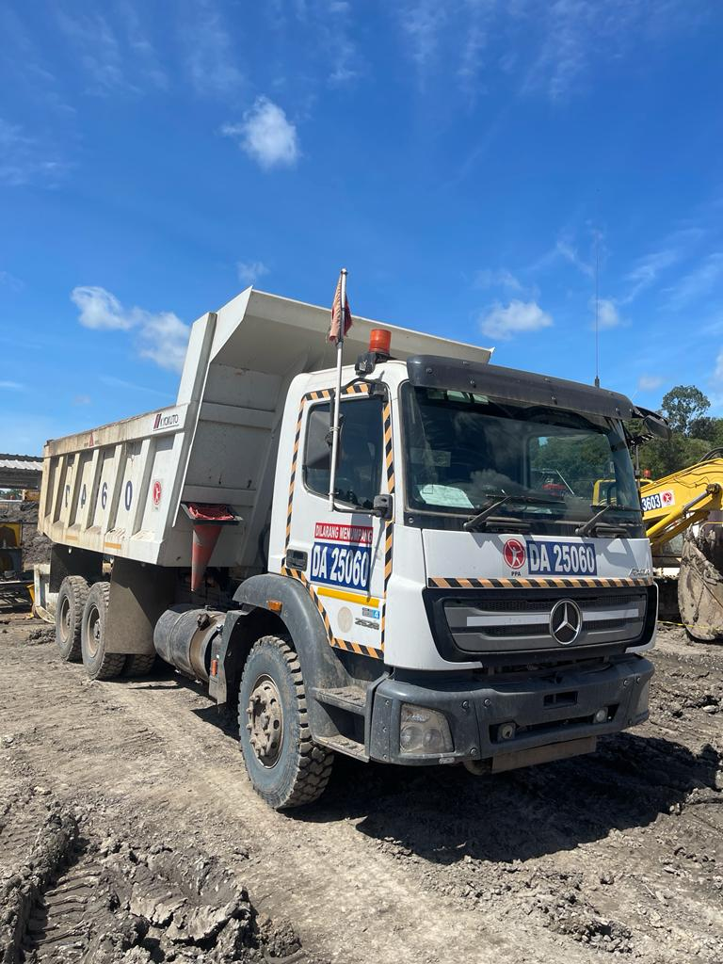

2
1
FOTO UNIT |  |  | FOTO HM |  | FOTO KM |  | FOTO VIN
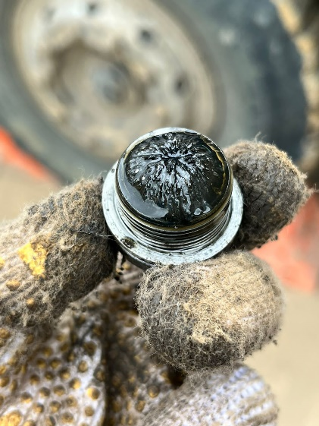 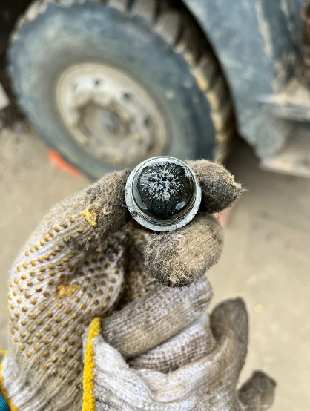 |  |  | 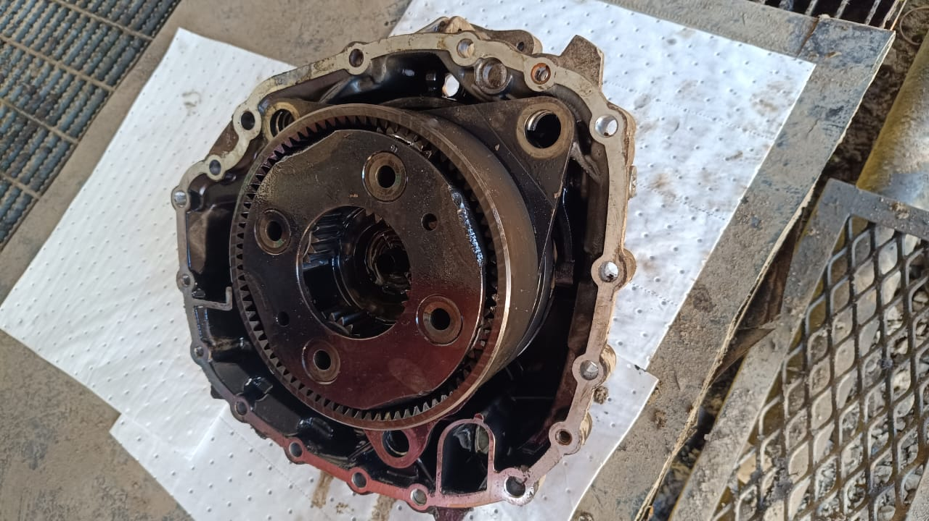

Terdapat gram yang cukup banyak pada plug tranmission
Terdapat temuan patahan komponen pada strainer transmission
Secara visual tidak ditemukan kecurigaan terhadap range group
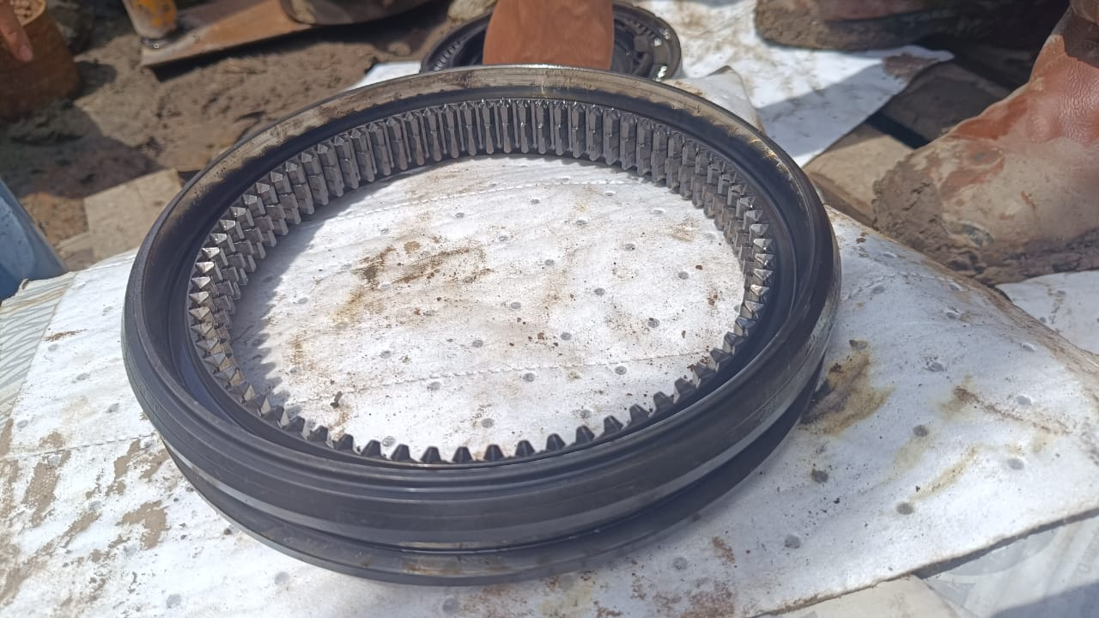
3C
JOB PROGRESS INVESTIGATION PICTURE
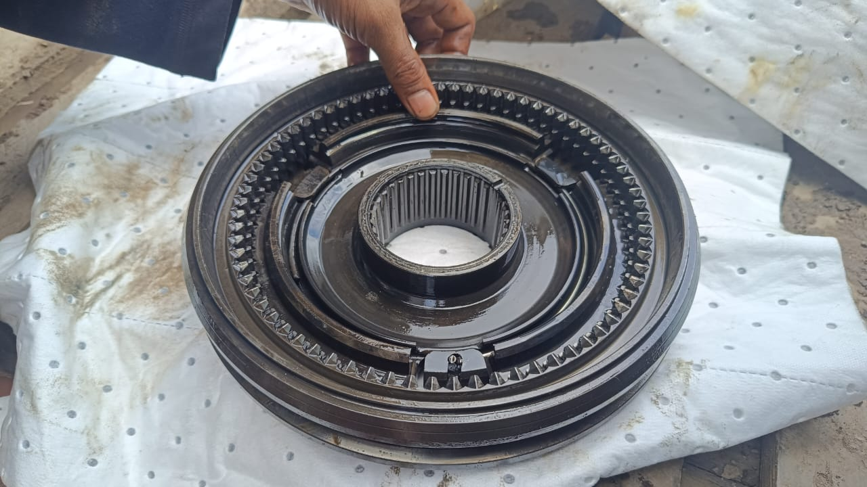 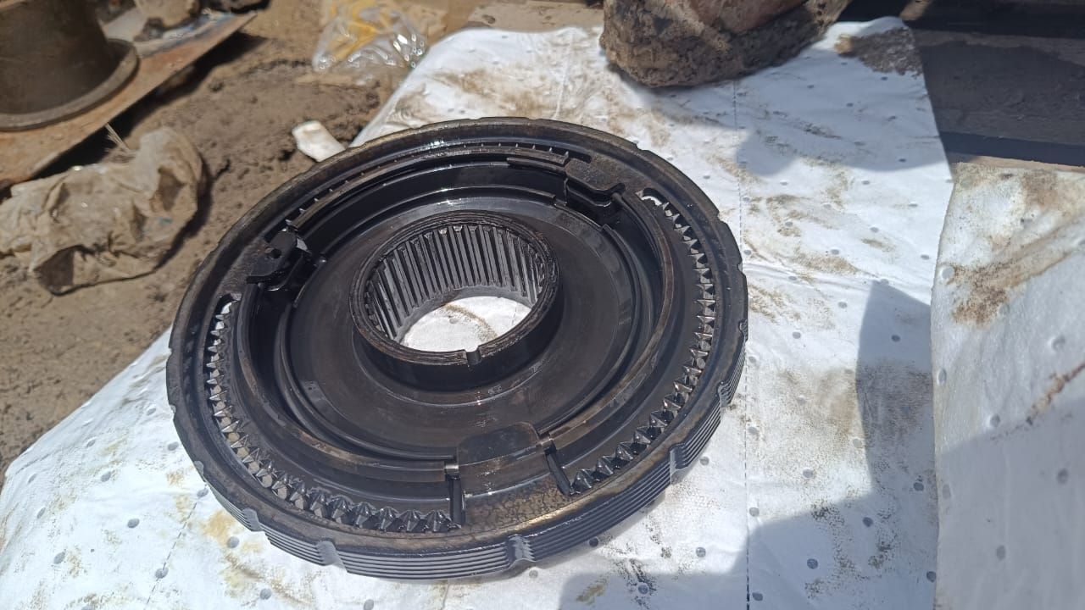
Kondisi gear pada range group OK
4
JOB PROGRESS INVESTIGATION PICTURE
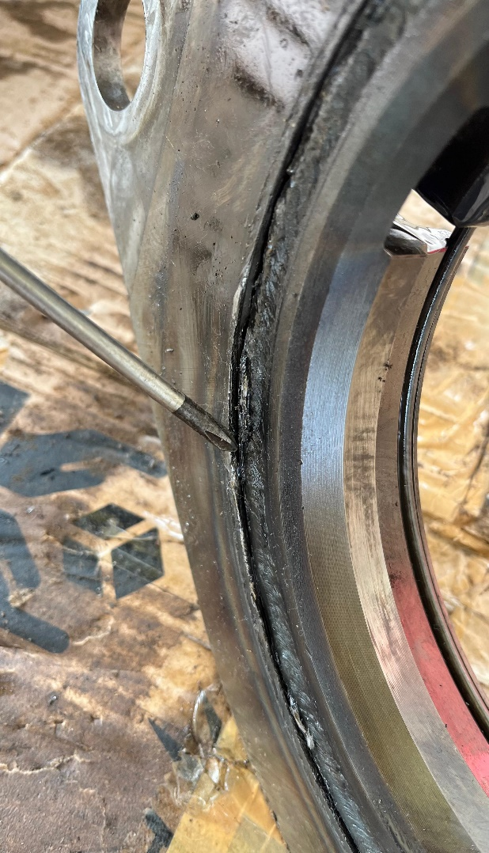 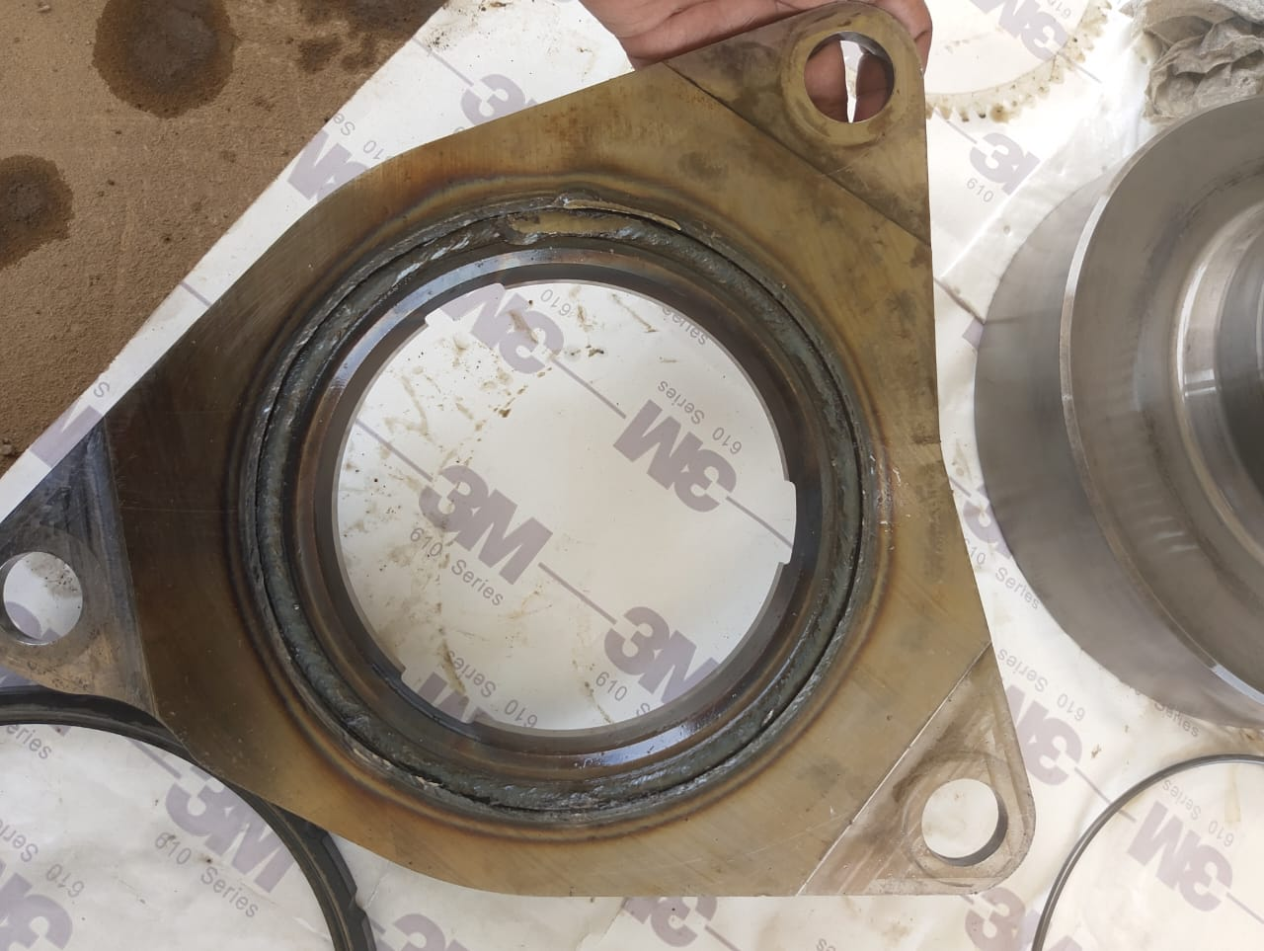 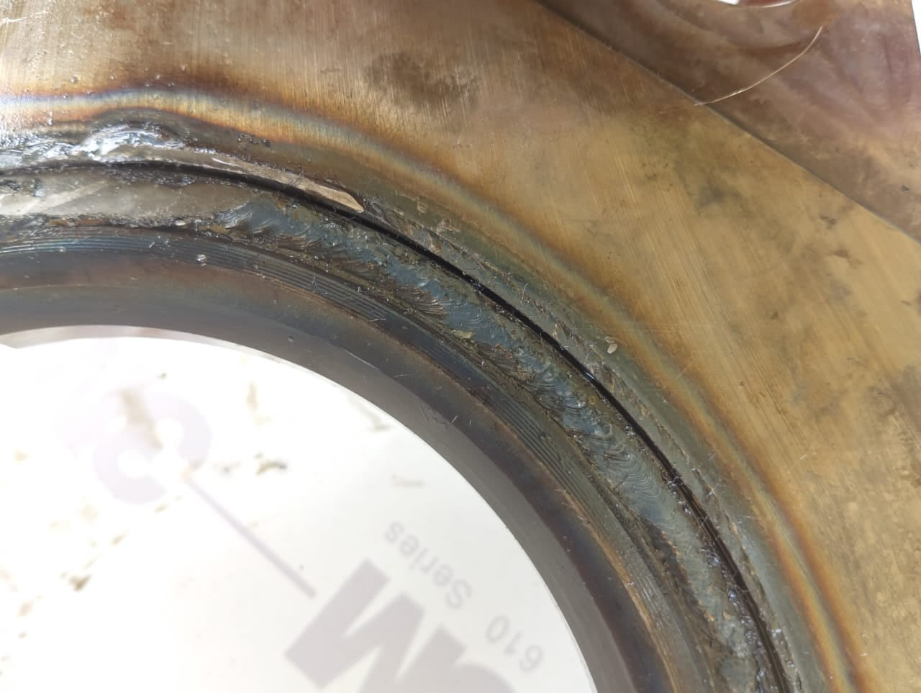
Kondisi ZB INNER SYNCHRONIZER RING broken
JOB PROGRESS INVESTIGATION PICTURE
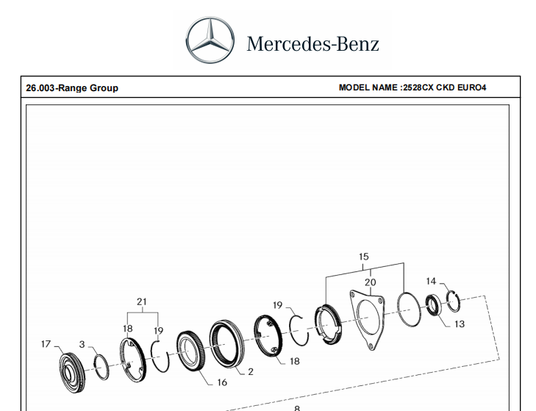
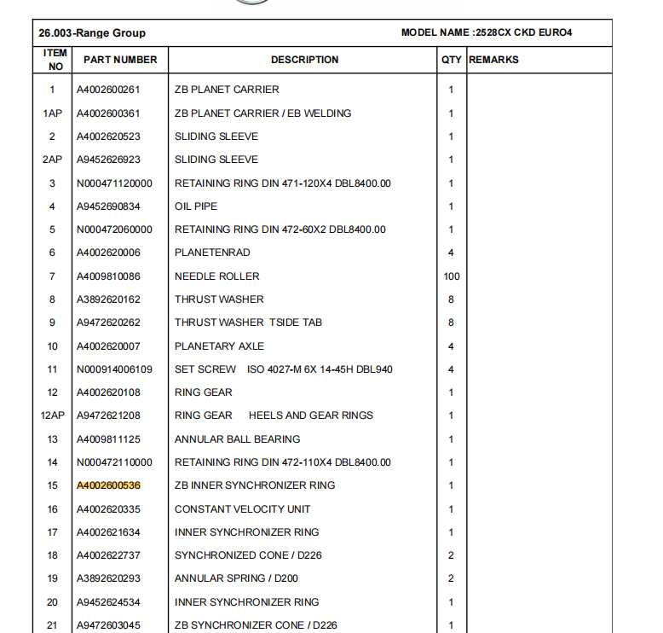

PART BOOK |  |  |  |  |  |  | Remarks

 |  |  |  |  |  |  | validation

and Mercedes-Benz are registered trademarks of Mercedes-Benz Group AG.
and Mercedes-Benz are registered trademarks of Mercedes-Benz Group AG.
Head Office | Gedung Office 8 Lt.33 (SCBD Lot 28/Senopati Raya 8B), Jl.Jend.Sudirman Kav.52-53, Jakarta Selatan 12190 , Indonesia | T +62 21 57903456 | www.starwagen.co.id
Branch | Jl.Syarifuddin Yoes Blok.Kav.46-47 RT.045, Sepinggan Baru, Balikpapan Selatan, Kalimantan Timur, Indonesia | +62 54 28707888 / +62 54 28705758
 |  |  |  |  |  |  | ARI WIBOWO | DIDIK

Part Request
MENU

 |  |  |  |  |  |  |  |  | Authorized Dealer of Mercedes-Benz
Part Request Slip |  |  |  |  |  |  |  |  | Truck & Bus in Indonesia
 |  | Passenger car Commercial vehicle
Slip Numbering |  | Customer Information |  |  |  | Vehicle Information |  |  | Order Information
 |  | Nama | PT. PUTRA PERKASA ABADI |  |  | Model : | AXOR 2528 CX |  | Worksop Order No : | 0
 |  | Site | ADARO MINERAL INDONESIA |  |  | Vin : | MFJ400243NJ001252 |  | Order By :
 |  |  |  |  |  | Engine No : | 400953DO128714 |  | Delivery By :
 |  | Car Registration | DA25060 |  |  | Date of 1st registration: |  |  | Received By
 |  |  |  |  |  |  |  |  | Issue On :

No | Part Number | ES1 | ES2 | Bin Location | Quantity Requested | Description |  |  | Unit Price | Total Price
1 | A4002600536 |  |  |  | 1 | ZB INNER SYNCHRONIZER RING
2 | A4009970441 |  |  |  | 1 | RUBBER SEALING RING
3 | A4002670080 |  |  |  | 1 | GASKET
4
5
6
7
8
9
10
11
12
13
14
 |  |  |  |  |  |  |  | Foreman | Mechanic | Delivered By

 |  |  |  |  |  |  |  | DIDIK | ARI WIBOWO

 | Head Office | Gedung Office 8 Lt.33 (SCBD Lot 28/Senopati Raya 8B), Jl.Jend.Sudirman Kav.52-53, Jakarta Selatan 12190 , Indonesia | T +62 21 57903456 | www.starwagen.co.id
 | Branch | Jl.Syarifuddin Yoes Blok.Kav.46-47 RT.045, Sepinggan Baru, Balikpapan Selatan, Kalimantan Timur, Indonesia | +62 54 28707888 / +62 54 28705758

and Mercedes-Benz are registered trademarks of Mercedes-Benz Group AG

Final Control
MENU

 |  |  | Truck & Bus |  |  |  | PT Star Wagen Indonesia
 |  |  | in Indonesia |  |  |  | Authorized Dealer of Mercedes-Benz Truck & Bus in Indonesia
Final Control Report

 |  | Customer Name : | PT. PUTRA PERKASA ABADI |  | Millage In : |  |  |  | Check And Tested By
 |  | Wo no/ WIP NO : |  |  | Millage Out : |  |  |  | Name : | ARI WIBOWO
 |  |  |  |  |  |  |  |  | Date : | 2025-05-30

 |  | Function Checks |  |  | Visual Checks |  |  |  | Other Checks
 | √ | All warning indicators |  | √ | Engine |  |  | √ | Wiper blades and spraying nozzle |  | √
 | √ | Steering system |  | √ | Transmission |  |  | √ | Vacuum hoses/lines |  | x
 | √ | Horn |  | √ | Rear axles |  |  | √ | Write your own checking list related reparation you did
 | √ | Lights interior / exterior |  | √ | Steering system |  |  | √ | …………………………………………………………………..
 | √ | Other electrical equipment |  | √ | Fuel system |  |  | √ | …………………………………………………………………..
 | √ | Central locking / closing assist system |  | √ | Cooling system |  |  | √ | …………………………………………………………………..
 | √ | Brakes on dynamometer or test drive |  | √ | Brake hoses / lines / linkage |  |  | √ | …………………………………………………………………..
 | √ | Air conditioner |  | √ | Condition of tires/spare tires (if any) |  |  | √ | …………………………………………………………………..
 |  |  |  | √ | Cleanliness inside and outside |  |  |  | …………………………………………………………………..
 |  | Fluid Levels |  |  | Final Checks |  |  |  | Document Check
 | √ | Engine |  | √ | Check work performed |  |  | √ | Test document / Short test result
 | √ | Transmission |  | √ | Test Drive if needed |  |  | √ | Workshop report (only if required)
 | √ | Radiator / Coolant |  |  |  |  |  | √ | Internal part requisition slip
 | √ | Power steering |  |  |  |  |  | √ | Battery test result, only if tested
 | √ | Battery |  |  |  |  |  | √
 | √ | Brake system |  |  |  |  |  | √
 | √ | Windshield washer |  |  |  |  |  | √
 |  |  |  |  |  |  |  | √
 | After completion of all the work required by you, we performed a final quality check on your vehicle with the following results:
 | Ok |  | No |  |  |  |  | Acknowledged by
 | During checking & reparation process, some critical findings has to be followed up;
 | 1.
 | 2.
 | this has been conveyed on………..to……………. but not approved for doing an action. |  |  |  | (Service Advisor) | (Customer) |  | Foreman or Supervisor

 | Head Office | Gedung Office 8 Lt.33 (SCBD Lot 28/Senopati Raya 8B), Jl.Jend.Sudirman Kav.52-53, Jakarta Selatan 12190 , Indonesia | T +62 21 57903456 | www.starwagen.co.id
 | Branch | Jl.Syarifuddin Yoes Blok.Kav.46-47 RT.045, Sepinggan Baru, Balikpapan Selatan, Kalimantan Timur, Indonesia | +62 54 28707888 / +62 54 28705758
and Mercedes-Benz are registered trademarks of Mercedes-Benz Group AG
.

