Time Sheet
MENU

 |  |  |  | PT Star Wagen Indonesia
Job Time Card Report |  |  |  | Authorized Dealer of Mercedes-Benz Truck & Bus in Indonesia

Mechanic Name: | ANANDA IRFAN S |  | WIP Number :

CIW/GW | Operational Code | End Start | Time Recording |  | Date |  |  |  | Total Time
 | Description
Warranty |  | End |  |  |  |  |  |  | 0:00:00 |  | Customer | 1:00:00
 |  | Start |  |  |  |  |  |  |  |  | Internal | 2:00:00
 |  | End |  |  |  |  |  |  | 0:00:00 |  | Warranty | 3:00:00
 |  | Start |  |  |  |  |  |  |  |  | GoodWill | 4:00:00
 |  | End |  |  | 2023-01-16 |  |  |  | 0:00:00 |  |  | 5:00:00
 |  | Start |  |  |  |  |  |  |  |  |  | 6:00:00
 |  | End |  |  |  |  |  |  | 0:00:00 |  |  | 7:00:00
 |  | Start |  |  |  |  |  |  |  |  |  | 8:00:00
 |  | End |  |  |  |  |  |  | 0:00:00 |  |  | 9:00:00
 |  | Start |  |  |  |  |  |  |  |  |  | 10:00:00
 |  | End |  |  |  |  |  |  | 0:00:00 |  |  | 11:00:00
 |  | Start |  |  |  |  |  |  |  |  |  | 12:00:00
 |  | End |  |  |  |  |  |  | 0:00:00 |  |  | 13:00:00
 |  | Start |  |  |  |  |  |  |  |  |  | 14:00:00
 |  | End |  |  |  |  |  |  | 0:00:00 |  |  | 15:00:00
 |  | Start |  |  |  |  |  |  |  |  |  | 16:00:00
 |  | End |  |  |  |  |  |  | 0:00:00 |  |  | 13:00:00
 |  | Start |  |  |  |  |  |  |  |  |  | 14:00:00
 |  | End |  |  |  |  |  |  | 0:00:00 |  |  | 15:00:00
 |  | Start |  |  |  |  |  |  |  |  |  | 16:00:00
 |  | End |  |  |  |  |  |  | 0:00:00 |  |  | 13:00:00
 |  | Start |  |  |  |  |  |  |  |  |  | 14:00:00
 |  | End |  |  |  |  |  |  | 0:00:00 |  |  | 15:00:00
 |  | Start |  |  |  |  |  |  |  |  |  | 16:00:00
 |  |  |  |  |  |  |  |  |  |  |  | 17:00:00
Hours |  | C | I | W/G | W1 | W2 | W3 | W4 | W5 | W6 |  | 18:00:00
Total |  |  |  | 0:00:00 |  |  |  |  |  |  |  | 19:00:00
 |  |  |  |  |  |  |  |  |  |  |  | 20:00:00
Head Office | Gedung Office 8 Lt.33 (SCBD Lot 28/Senopati Raya 8B), Jl.Jend.Sudirman Kav.52-53, Jakarta Selatan 12190 , Indonesia | T +62 21 57903456 | www.starwagen.co.id |  |  |  |  |  |  |  |  |  |  |  | 21:00:00
Branch | Jl.Syarifuddin Yoes Blok.Kav.46-47 RT.045, Sepinggan Baru, Balikpapan Selatan, Kalimantan Timur, Indonesia | +62 54 28707888 / +62 54 28705758 |  |  |  |  |  |  |  |  |  |  |  | 22:00:00
 |  |  |  |  |  |  |  |  |  |  |  | 23:00:00
and Mercedes-Benz are registered trademarks of Mercedes-Benz Group AG
 |  |  |  |  |  |  |  |  |  |  |  | 1900-01-01 00:00:00

Worksop Report
 | Menu
 |  |  | Workshop Report For Diagnostic Guide

 |  |  |  |  |  |  | PT.STAR WAGEN INDONESIA
 |  |  |  |  | WO
Date: |  | 11-Feb-25 |  |  |  |  |  | Job Site:
WIP No: |  |  |  |  | Customer Name: | PT. ANTAREJA MAHADA MAKMUR |  | PT MIFA
Chasis No: |  | MFJ400241PJ001863 |  |  | Reg No : |  | Reg date
Engine No: |  |  |  |  | Type : | AXOR 2528 | Mileage / Hours Meter | 3155HM / 30622 KM
Unit Code |  | WT2539

COMPLAINT ANALYSIS
Customer complaint/Customer information
 | FUEL LEAK
Vehicle information
 | Aplicaton : | ü Long distance |  | ü Dump truck | Ore operation | Regular service base
 |  | Short distance |  | support truck | OB operation
Customer Information :
 | starting motor broken

TEST LEVEL

 | Test Level Description |  |  |  |  | Actual Value | Remark | Attachment Number
 | Check terminal batre |  |  |  |  | ok | ok | attachment picture 1
 | Check Wiring Harness |  |  |  |  | ok | ok
 | Check kekencangan Nut di Starting motor |  |  |  |  | ok | ok
 | Check Voltase aki |  |  |  |  | 25.2V | ok
 | Check Voltase MR to starting motor(signal) |  |  |  |  | 27.5V | ok
 | check Voltase aki to Starting motor |  |  |  |  | 25.2 V | ok
 | check fisik starting motor |  |  |  |  | bau gosong | not ok

CAUSE LEVEL
Cause level/Workshop findings: |  |  |  |  | RESULT :
 |  |  |  |  | Pada tanggal 2 februari 2025 operator WT2539 melaporkan bahwa engine can't start,lalu mekanik mengecek ke unit,lalu ditemukan starting motor dalam keadaan rusak,lalu customer menginfokan jika starting motor belum sampai 1000 jam di gunakan setelah di lakukan disasembly starting motor didapati kondisi armature,komutator, dan brush dalam keadaan terbakar,mekanik menganalisa starting terbakar karena material dari Armature staring motor yang karatan lalu mengakibatkan short saat cranking
 |  | Ada | Tidak ada | Attachment Nr
Photo (# lembar) |  | √ |  | √
Area kerusakan (gbr EPC) |  | √ |  | √
Video (nama file) |  | x | √ | √
Old Spare part No.
Notes: |  |  |  |  |  |  |  |  | √
 |  |  |  |  |  |  |  |  | x
 |  |  |  |  | RESULT :
RECTIFICATION AND VERIFICATION LEVEL
Rectification:
 | PART NUMBER | DESCRIPTION |  | QTY
 | A4001500901 | LU STARTER / 24V STARTER MOTOR (Supplier - LUCAS-TVS) |  | 1

Verification:

 |  |  | Workshop report digunakan untuk mencatat hasil analisa mekanik dengan menyertakan langkah-langkah diagnosis dan temuannya selama diagnosa

PICTURE CAUSE AND ACTION
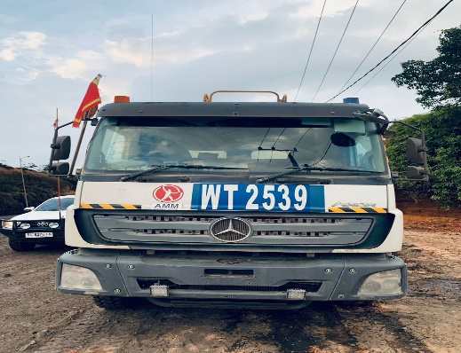

laporan operator
laporan Ready pegantian ke 1
28/10/2024
PO=7000172978
laporan Ready Pengantian ke 2 3/2/2025
PO=9400001939
FOTO UNIT |  |  | FOTO HM |  | FOTO KM |  | FOTO VIN
 |  | ` |  | 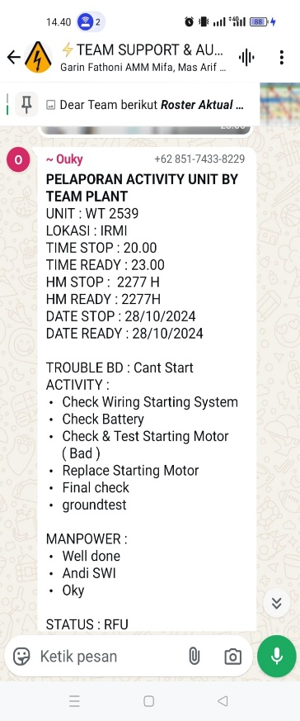

1
PICTURE CASE & CUSTOMER COMPLAIN
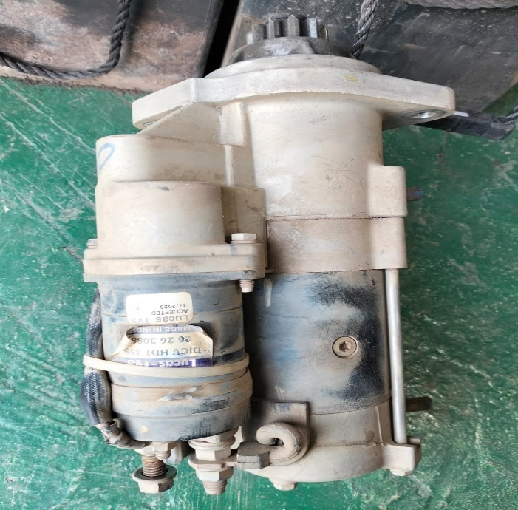 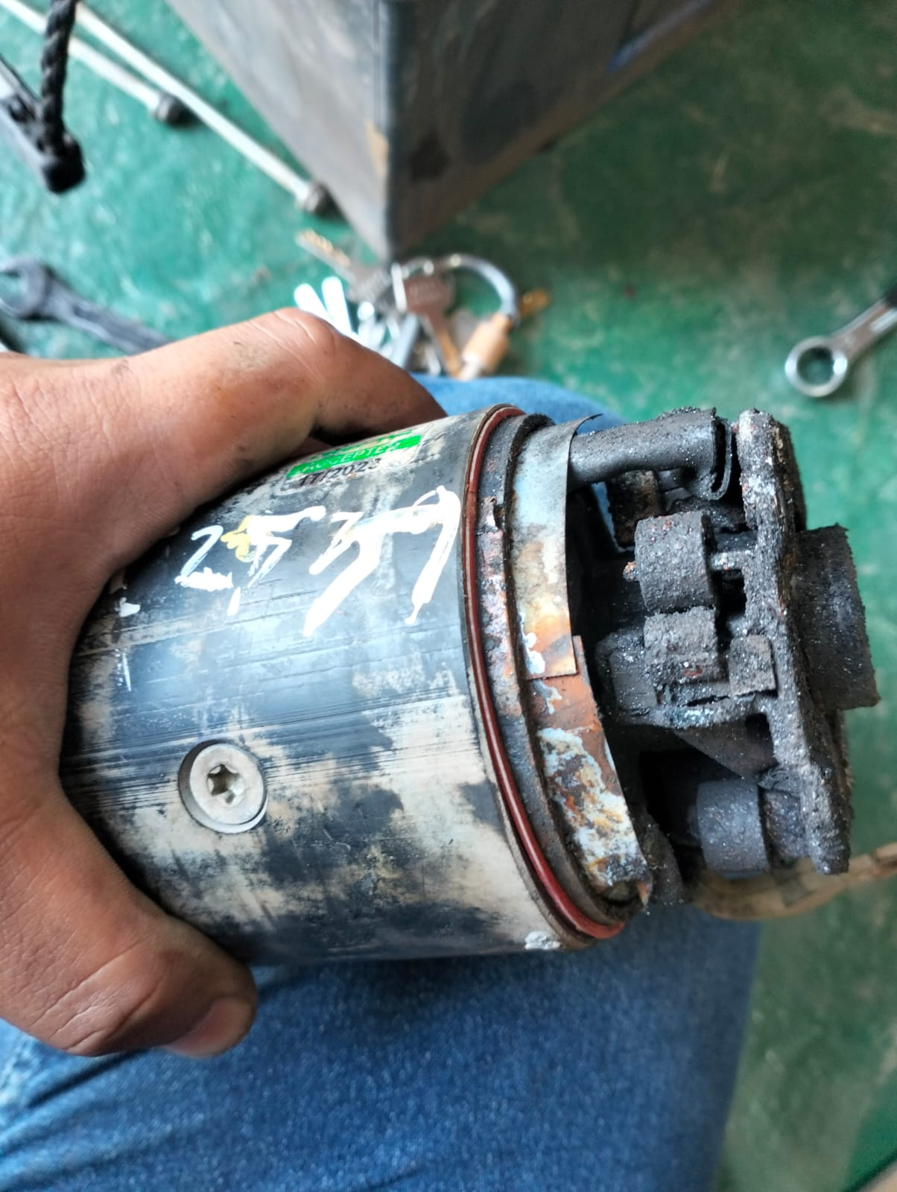 |  |  | 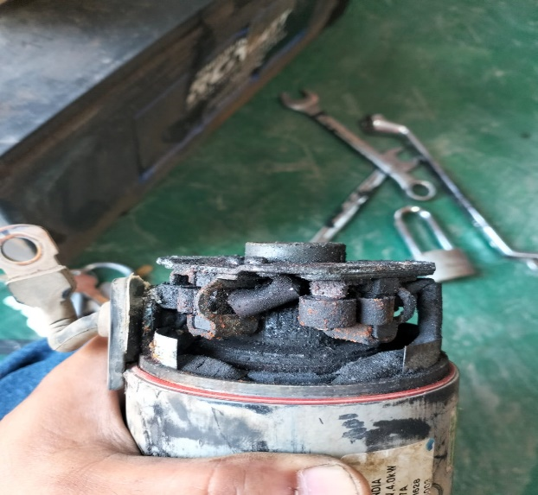 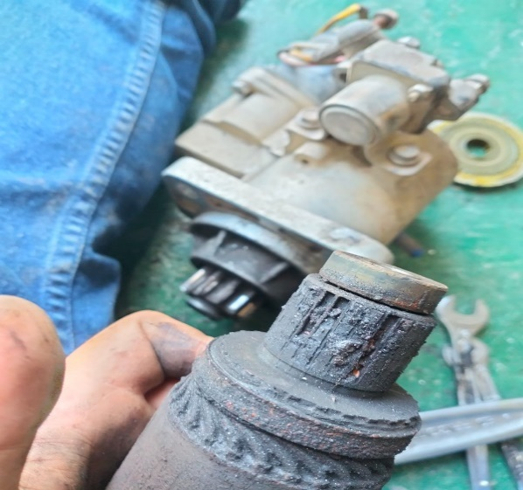 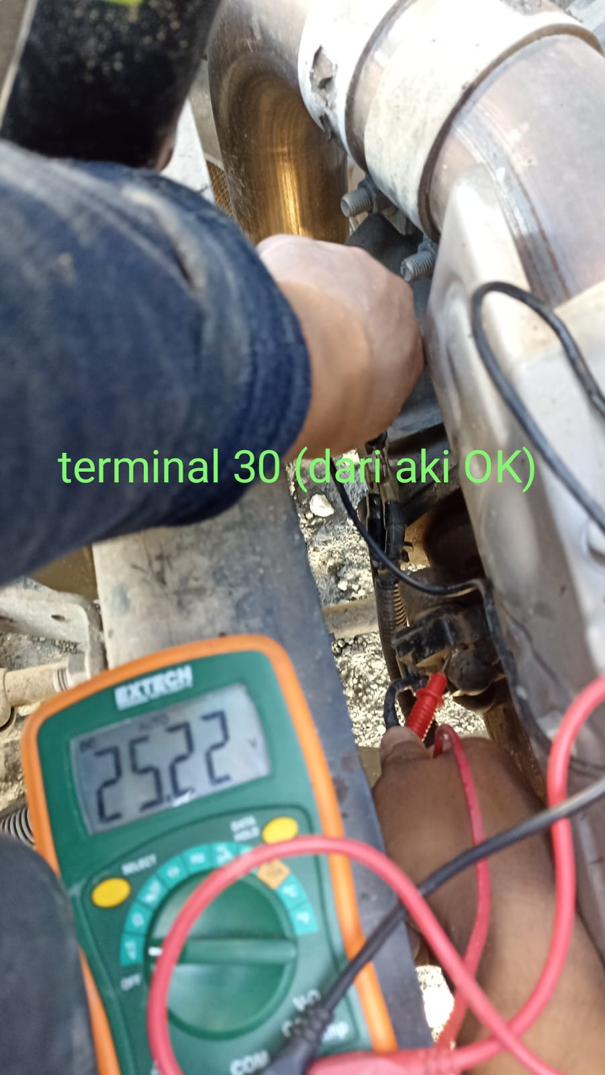 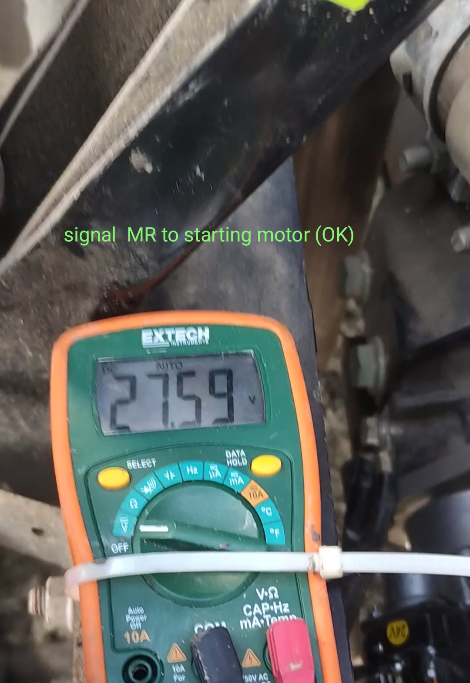 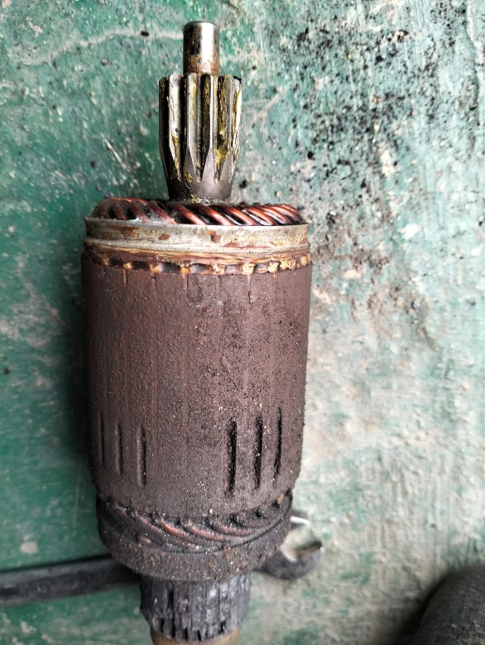 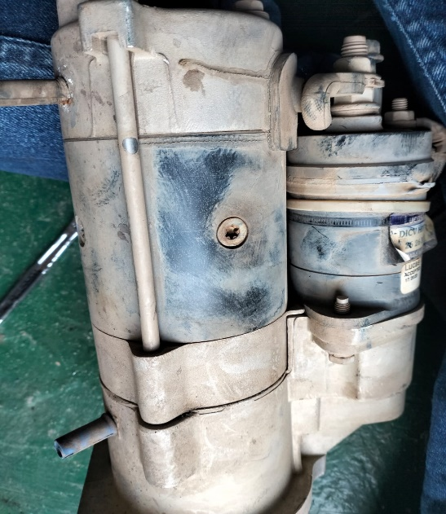 |  |  |  |  | 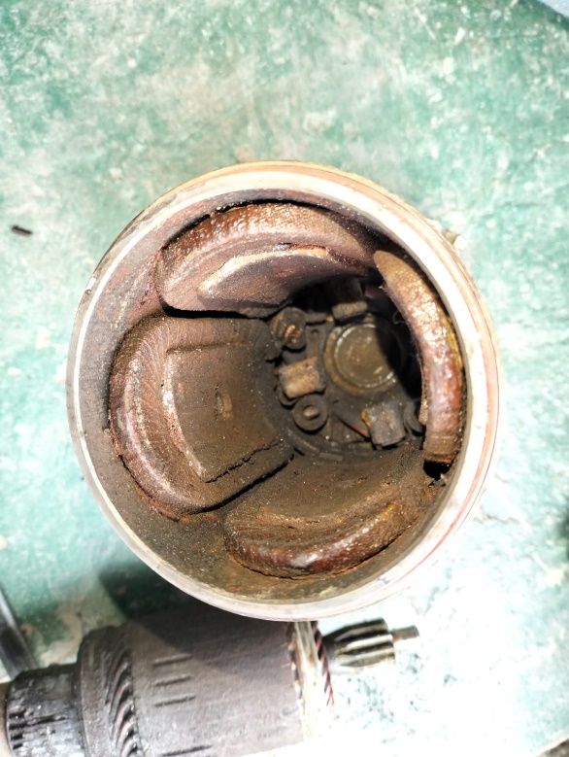

FOTO STARTING MOTOR
FOTO KOMUTATOR DAN BRUSH TERBAKAR
FOTO ARMATURE TERBAKAR

FOTO BEKAS REMBASAN AIR
FOTO STARTING MOTOR
FOTO POTENSI REBASAN AIR PADA SELA SAMBUNGAN
FOTO PENGUKURAN

PICTURE PART
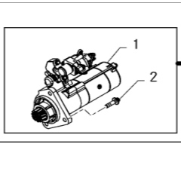 |  |  | 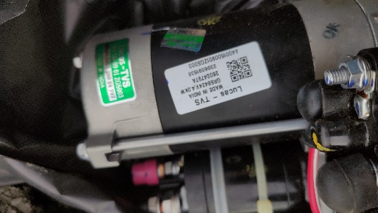

Part Book |  |  |  |  | picture part no part new |  | Remarks

 |  |  |  |  |  |  | validation

and Mercedes-Benz are registered trademarks of Mercedes-Benz Group AG.
and Mercedes-Benz are registered trademarks of Mercedes-Benz Group AG.
Head Office | Gedung Office 8 Lt.33 (SCBD Lot 28/Senopati Raya 8B), Jl.Jend.Sudirman Kav.52-53, Jakarta Selatan 12190 , Indonesia | T +62 21 57903456 | www.starwagen.co.id
Branch | Jl.Syarifuddin Yoes Blok.Kav.46-47 RT.045, Sepinggan Baru, Balikpapan Selatan, Kalimantan Timur, Indonesia | +62 54 28707888 / +62 54 28705758
 |  |  |  |  |  |  | ANANDA IRFAN S | Supervisor / Workshop Managaer

Part Request
MENU

 |  |  |  |  |  |  |  |  | Authorized Dealer of Mercedes-Benz
Part Request Slip |  |  |  |  |  |  |  |  | Truck & Bus in Indonesia
 |  | Passenger car Commercial vehicle
Slip Numbering |  | Customer Information |  |  |  | Vehicle Information |  |  | Order Information
 |  | Nama | PT. ANTAREJA MAHADA MAKMUR |  |  | Model : | AXOR 2528 |  | Worksop Order No : | 0
 |  | Site | PT MIFA |  |  | Vin : | MFJ400241PJ001863 |  | Order By :
 |  |  |  |  |  | Engine No : | 0 |  | Delivery By :
 |  | Car Registration | WT2539 |  |  | Date of 1st registration: | 0 |  | Received By | 45699
 |  |  |  |  |  |  |  |  | Issue On :

No | Part Number | ES1 | ES2 | Bin Location | Quantity Requested | Description |  |  | Unit Price | Total Price
1 | A4001500901 |  |  |  | 1 | LU STARTER / 24V STARTER MOTOR (Supplier - LUCAS-TVS)
2 |  |  |  |  |  |  |  |  |  |  | ROTATIONAL SPEED SENSOR
3
4
5
6
7
8
9
10
11
12
13
14
 |  |  |  |  |  |  |  | Foreman | Mechanic | Delivered By

 |  |  |  |  |  |  |  |  | ANANDA IRFAN S

 | Head Office | Gedung Office 8 Lt.33 (SCBD Lot 28/Senopati Raya 8B), Jl.Jend.Sudirman Kav.52-53, Jakarta Selatan 12190 , Indonesia | T +62 21 57903456 | www.starwagen.co.id
 | Branch | Jl.Syarifuddin Yoes Blok.Kav.46-47 RT.045, Sepinggan Baru, Balikpapan Selatan, Kalimantan Timur, Indonesia | +62 54 28707888 / +62 54 28705758

and Mercedes-Benz are registered trademarks of Mercedes-Benz Group AG

Final Control
MENU

 |  |  | Truck & Bus |  |  |  | PT Star Wagen Indonesia
 |  |  | in Indonesia |  |  |  | Authorized Dealer of Mercedes-Benz Truck & Bus in Indonesia
Final Control Report

 |  | Customer Name : | PT. ANTAREJA MAHADA MAKMUR |  | Millage In : |  |  |  | Check And Tested By
 |  | Wo no/ WIP NO : |  |  | Millage Out : |  |  |  | Name : | ANANDA IRFAN S
 |  |  |  |  |  |  |  |  | Date : | 2024-07-16

 |  | Function Checks |  |  | Visual Checks |  |  |  | Other Checks
 | √ | All warning indicators |  | √ | Engine |  |  | √ | Wiper blades and spraying nozzle |  | √
 | √ | Steering system |  | √ | Transmission |  |  | √ | Vacuum hoses/lines |  | x
 | √ | Horn |  | √ | Rear axles |  |  | √ | Write your own checking list related reparation you did
 | √ | Lights interior / exterior |  | √ | Steering system |  |  | √ | …………………………………………………………………..
 | √ | Other electrical equipment |  | √ | Fuel system |  |  | √ | …………………………………………………………………..
 | √ | Central locking / closing assist system |  | √ | Cooling system |  |  | √ | …………………………………………………………………..
 | √ | Brakes on dynamometer or test drive |  | √ | Brake hoses / lines / linkage |  |  | √ | …………………………………………………………………..
 | √ | Air conditioner |  | √ | Condition of tires/spare tires (if any) |  |  | √ | …………………………………………………………………..
 |  |  |  | √ | Cleanliness inside and outside |  |  |  | …………………………………………………………………..
 |  | Fluid Levels |  |  | Final Checks |  |  |  | Document Check
 | √ | Engine |  | √ | Check work performed |  |  | √ | Test document / Short test result
 | √ | Transmission |  | √ | Test Drive if needed |  |  | √ | Workshop report (only if required)
 | √ | Radiator / Coolant |  |  |  |  |  | √ | Internal part requisition slip
 | √ | Power steering |  |  |  |  |  | √ | Battery test result, only if tested
 | √ | Battery |  |  |  |  |  | √
 | √ | Brake system |  |  |  |  |  | √
 | √ | Windshield washer |  |  |  |  |  | √
 |  |  |  |  |  |  |  | √
 | After completion of all the work required by you, we performed a final quality check on your vehicle with the following results:
 | Ok |  | No |  |  |  |  | Acknowledged by
 | During checking & reparation process, some critical findings has to be followed up;
 | 1.
 | 2.
 | this has been conveyed on………..to……………. but not approved for doing an action. |  |  |  | (Service Advisor) | (Customer) |  | Foreman or Supervisor

 | Head Office | Gedung Office 8 Lt.33 (SCBD Lot 28/Senopati Raya 8B), Jl.Jend.Sudirman Kav.52-53, Jakarta Selatan 12190 , Indonesia | T +62 21 57903456 | www.starwagen.co.id
 | Branch | Jl.Syarifuddin Yoes Blok.Kav.46-47 RT.045, Sepinggan Baru, Balikpapan Selatan, Kalimantan Timur, Indonesia | +62 54 28707888 / +62 54 28705758
and Mercedes-Benz are registered trademarks of Mercedes-Benz Group AG
.

