Time Sheet
MENU

 |  |  |  | PT Star Wagen Indonesia
Job Time Card Report |  |  |  | Authorized Dealer of Mercedes-Benz Truck & Bus in Indonesia

Mechanic Name: | ANANDA IRFAN S |  | WIP Number :

CIW/GW | Operational Code | End Start | Time Recording |  | Date |  |  |  | Total Time
 | Description
Warranty |  | End |  |  |  |  |  |  | 0:00:00 |  | Customer | 1:00:00
 |  | Start |  |  |  |  |  |  |  |  | Internal | 2:00:00
 |  | End |  |  |  |  |  |  | 0:00:00 |  | Warranty | 3:00:00
 |  | Start |  |  |  |  |  |  |  |  | GoodWill | 4:00:00
 |  | End |  |  | 2023-01-16 |  |  |  | 0:00:00 |  |  | 5:00:00
 |  | Start |  |  |  |  |  |  |  |  |  | 6:00:00
 |  | End |  |  |  |  |  |  | 0:00:00 |  |  | 7:00:00
 |  | Start |  |  |  |  |  |  |  |  |  | 8:00:00
 |  | End |  |  |  |  |  |  | 0:00:00 |  |  | 9:00:00
 |  | Start |  |  |  |  |  |  |  |  |  | 10:00:00
 |  | End |  |  |  |  |  |  | 0:00:00 |  |  | 11:00:00
 |  | Start |  |  |  |  |  |  |  |  |  | 12:00:00
 |  | End |  |  |  |  |  |  | 0:00:00 |  |  | 13:00:00
 |  | Start |  |  |  |  |  |  |  |  |  | 14:00:00
 |  | End |  |  |  |  |  |  | 0:00:00 |  |  | 15:00:00
 |  | Start |  |  |  |  |  |  |  |  |  | 16:00:00
 |  | End |  |  |  |  |  |  | 0:00:00 |  |  | 13:00:00
 |  | Start |  |  |  |  |  |  |  |  |  | 14:00:00
 |  | End |  |  |  |  |  |  | 0:00:00 |  |  | 15:00:00
 |  | Start |  |  |  |  |  |  |  |  |  | 16:00:00
 |  | End |  |  |  |  |  |  | 0:00:00 |  |  | 13:00:00
 |  | Start |  |  |  |  |  |  |  |  |  | 14:00:00
 |  | End |  |  |  |  |  |  | 0:00:00 |  |  | 15:00:00
 |  | Start |  |  |  |  |  |  |  |  |  | 16:00:00
 |  |  |  |  |  |  |  |  |  |  |  | 17:00:00
Hours |  | C | I | W/G | W1 | W2 | W3 | W4 | W5 | W6 |  | 18:00:00
Total |  |  |  | 0:00:00 |  |  |  |  |  |  |  | 19:00:00
 |  |  |  |  |  |  |  |  |  |  |  | 20:00:00
Head Office | Gedung Office 8 Lt.33 (SCBD Lot 28/Senopati Raya 8B), Jl.Jend.Sudirman Kav.52-53, Jakarta Selatan 12190 , Indonesia | T +62 21 57903456 | www.starwagen.co.id |  |  |  |  |  |  |  |  |  |  |  | 21:00:00
Branch | Jl.Syarifuddin Yoes Blok.Kav.46-47 RT.045, Sepinggan Baru, Balikpapan Selatan, Kalimantan Timur, Indonesia | +62 54 28707888 / +62 54 28705758 |  |  |  |  |  |  |  |  |  |  |  | 22:00:00
 |  |  |  |  |  |  |  |  |  |  |  | 23:00:00
and Mercedes-Benz are registered trademarks of Mercedes-Benz Group AG
 |  |  |  |  |  |  |  |  |  |  |  | 1900-01-01 00:00:00

Worksop Report
 | Menu
 |  |  | Workshop Report For Diagnostic Guide

 |  |  |  |  |  |  | PT.STAR WAGEN INDONESIA
 |  |  |  |  | WO
Date: |  | 25-Feb-25 |  |  |  |  |  | Job Site:
WIP No: |  |  |  |  | Customer Name: | PT. ANTAREJA MAHADA MAKMUR |  | PT MIFA
Chasis No: |  | MFJ400243PJ002302 |  |  | Reg No : |  | Reg date
Engine No: |  | 400953D0142518 |  |  | Type : | AXOR 2528 CH | Mileage / Hours Meter | 5653 h/102593 km
Unit Code |  | DA52525

COMPLAINT ANALYSIS
Customer complaint/Customer information
 | PAP DIFF REAR AXLE 2 CRITICAL
Vehicle information
 | Aplicaton : | ü Long distance |  | ü Dump truck | Ore operation | Regular service base
 |  | Short distance |  | support truck | OB operation
Customer Information :
 | PAP DIFF REAR AXLE 2 CRITICAL

TEST LEVEL

 | Test Level Description |  |  |  |  | Actual Value | Remark | Attachment Number
 | TEST SAMPLE PAP DIFF REAR AXLE 2 |  |  |  |  | CRITICAL (FE 503 ppm) | NOT OK | FOTO 1
 | OVERHAUL REAR DIFF 2 |  |  |  |  | OILSEAL-PINION RUSAK | NOT OK | FOTO 2

CAUSE LEVEL
Cause level/Workshop findings: |  |  |  |  | RESULT :
 |  |  |  |  | PADA TANGGAL 15 FEBRUARI 2025 MEKANIK MELAKUKAN MENDAPATKAN LAPORAN DARI TIM PE PT.AMM MIFA JIKA ADANYA TEMUAN SAMPLE LAB PAP DIFF REAR AXLE 2 HASILNYA DALAM 3X SAMPLE HASIL LABNYA MENYATAKAN CRITICAL PADA BAHAN IRON(Fe) YANG TINGGI MELEWATI STANDARTNYA .LALU MEKANIK MELAKUKAN OVERHAUL KOMPONEN DIFF REAR AXLE 2, DAN DITEMUKAN BAHWA MATERIAL IRON YANG ABNORMAL ADALAH KOMPONEN OILSEAL-PINION(FOTO 2).MEKANIK MENGANALISA RUSAKNYA 2 KOMPONEN ITU DARI 2 KOMPONEN TERSEBUT YANG BERGESEKAN.
 |  | Ada | Tidak ada | Attachment Nr
Photo (# lembar) |  | √ |  | √
Area kerusakan (gbr EPC) |  | √ |  | √
Video (nama file) |  | √ | x | √
Old Spare part No.
Notes: |  |  |  |  |  |  |  |  | √
 |  |  |  |  |  |  |  |  | x
 |  |  |  |  | RESULT :
RECTIFICATION AND VERIFICATION LEVEL
Rectification:

 | PART NUMBER | DESCRIPTION | QTY
 |  | CCJIEJ

 | A4004210630 | OILSEAL-PINION | 1

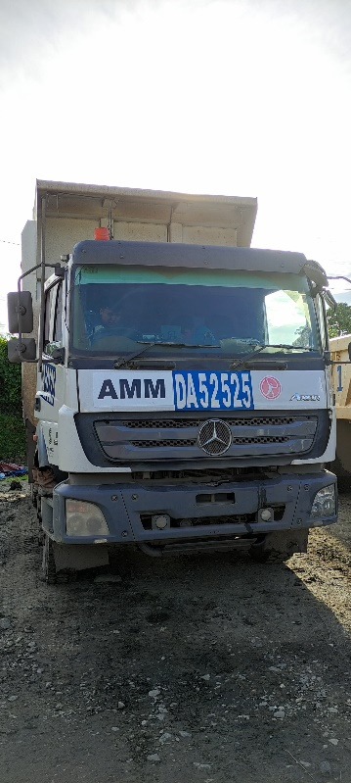 |  |  |  |  |  |  | 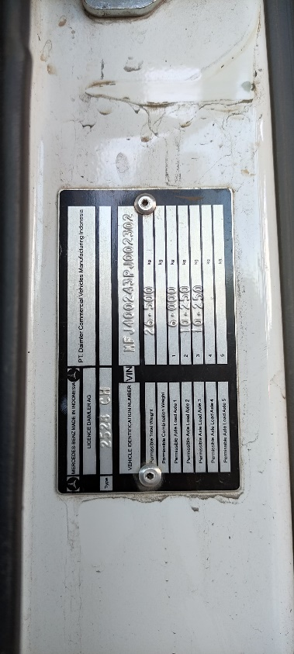

UNIT |  |  | HM |  | KM |  | VIN

1
TEST SAMPLE PAP DIFF REAR AXLE 2
TEST
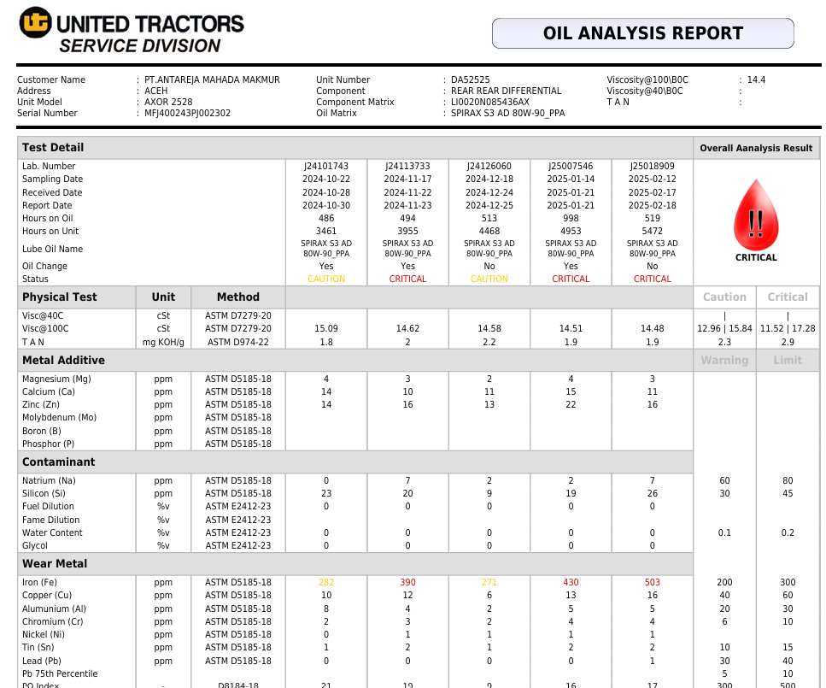

MENUNJUKAN PADA HASIL LAB
1.2024-11-23 HASILNYA 390 ppm
2.2025-01-21 HASILNYA 430 ppm
3..2025-02-18 HASILNYA 503 ppm
*NOTE STANDART
Caution : 200 ppm
Critical : 300 ppm

OILSEAL-PINION
2
ADANYA BEKAS GESEKAN YANG TIDAK WAJAR
 | 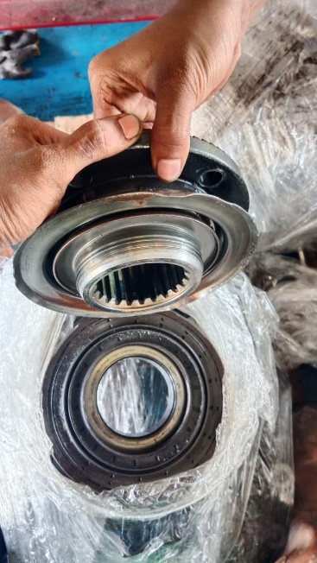 |  |  |  |  |  |  | 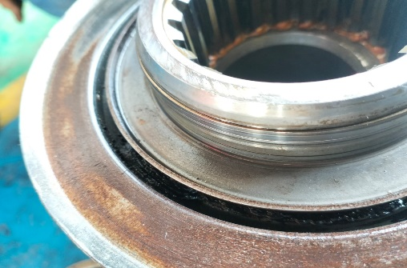
 |  |  | 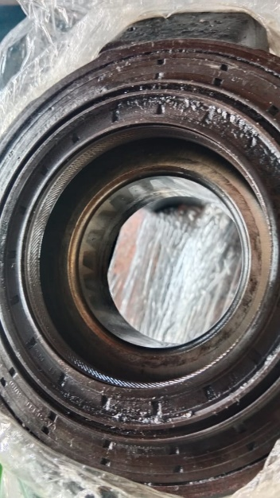 | 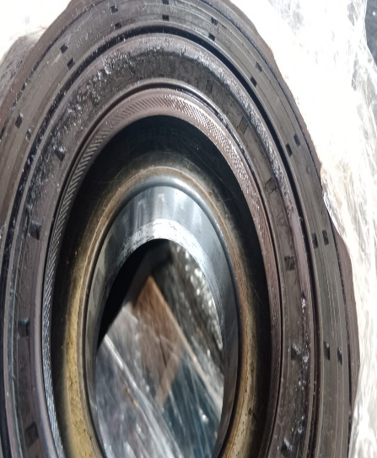 |  |  | 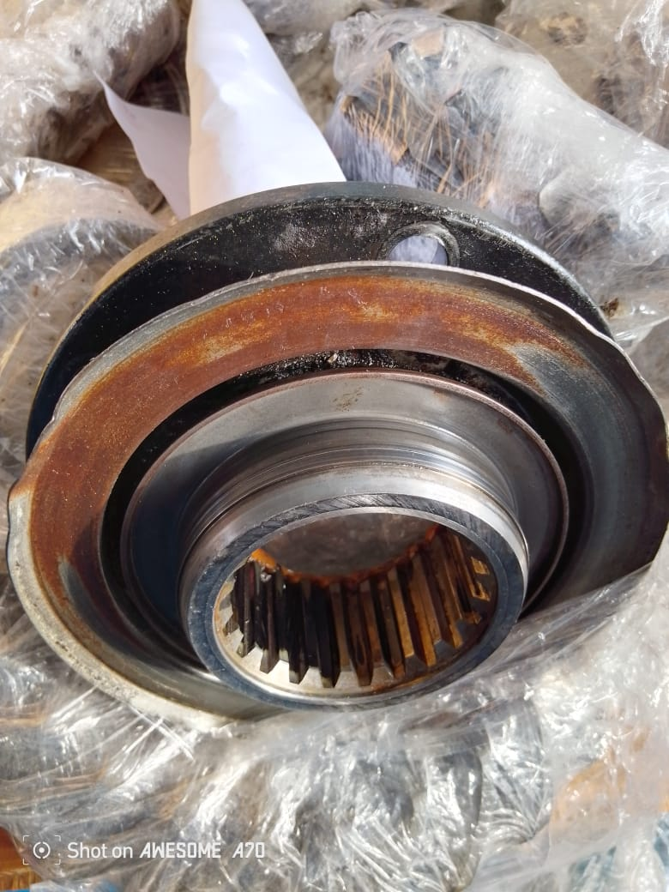
PICTURE PART
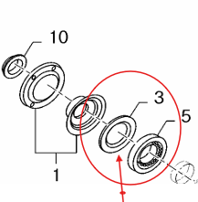 |  |  |  |  | 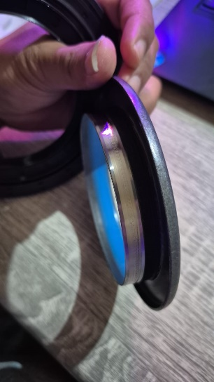 |  | 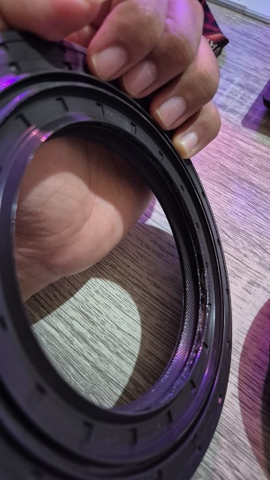

FOTO PART BARU
Part Book |  |  |  |  | picture part no part new |  | Remarks

 |  |  |  |  |  |  | validation

and Mercedes-Benz are registered trademarks of Mercedes-Benz Group AG.
and Mercedes-Benz are registered trademarks of Mercedes-Benz Group AG.
Head Office | Gedung Office 8 Lt.33 (SCBD Lot 28/Senopati Raya 8B), Jl.Jend.Sudirman Kav.52-53, Jakarta Selatan 12190 , Indonesia | T +62 21 57903456 | www.starwagen.co.id
Branch | Jl.Syarifuddin Yoes Blok.Kav.46-47 RT.045, Sepinggan Baru, Balikpapan Selatan, Kalimantan Timur, Indonesia | +62 54 28707888 / +62 54 28705758
 |  |  |  |  |  |  | ANANDA IRFAN S | Supervisor / Workshop Managaer

Part Request
MENU

 |  |  |  |  |  |  |  |  | Authorized Dealer of Mercedes-Benz
Part Request Slip |  |  |  |  |  |  |  |  | Truck & Bus in Indonesia
 |  | Passenger car Commercial vehicle
Slip Numbering |  | Customer Information |  |  |  | Vehicle Information |  |  | Order Information
 |  | Nama | PT. ANTAREJA MAHADA MAKMUR |  |  | Model : | AXOR 2528 CH |  | Worksop Order No :
 |  | Site | PT MIFA |  |  | Vin : | MFJ400243PJ002302 |  | Order By :
 |  |  |  |  |  | Engine No : | 400953D0142518 |  | Delivery By :
 |  | Car Registration | DA52525 |  |  | Date of 1st registration: | 0 |  | Received By | 45713
 |  |  |  |  |  |  |  |  | Issue On :

No | Part Number | ES1 | ES2 | Bin Location | Quantity Requested | Description |  |  | Unit Price | Total Price
1 | A4004210630 |  |  |  | 1 | OILSEAL-PINION
2 |  |  |  |  |  |  |  |  |  |  | ROTATIONAL SPEED SENSOR
3
4
5
6
7
8
9
10
11
12
13
14
 |  |  |  |  |  |  |  | Foreman | Mechanic | Delivered By

 |  |  |  |  |  |  |  |  | ANANDA IRFAN S

 | Head Office | Gedung Office 8 Lt.33 (SCBD Lot 28/Senopati Raya 8B), Jl.Jend.Sudirman Kav.52-53, Jakarta Selatan 12190 , Indonesia | T +62 21 57903456 | www.starwagen.co.id
 | Branch | Jl.Syarifuddin Yoes Blok.Kav.46-47 RT.045, Sepinggan Baru, Balikpapan Selatan, Kalimantan Timur, Indonesia | +62 54 28707888 / +62 54 28705758

and Mercedes-Benz are registered trademarks of Mercedes-Benz Group AG

Final Control
MENU

 |  |  | Truck & Bus |  |  |  | PT Star Wagen Indonesia
 |  |  | in Indonesia |  |  |  | Authorized Dealer of Mercedes-Benz Truck & Bus in Indonesia
Final Control Report

 |  | Customer Name : | PT. ANTAREJA MAHADA MAKMUR |  | Millage In : |  |  |  | Check And Tested By
 |  | Wo no/ WIP NO : |  |  | Millage Out : |  |  |  | Name : | ANANDA IRFAN S
 |  |  |  |  |  |  |  |  | Date : | 2025-01-29

 |  | Function Checks |  |  | Visual Checks |  |  |  | Other Checks
 | √ | All warning indicators |  | √ | Engine |  |  | √ | Wiper blades and spraying nozzle |  | √
 | √ | Steering system |  | √ | Transmission |  |  | √ | Vacuum hoses/lines |  | x
 | √ | Horn |  | √ | Rear axles |  |  | √ | Write your own checking list related reparation you did
 | √ | Lights interior / exterior |  | √ | Steering system |  |  | √ | …………………………………………………………………..
 | √ | Other electrical equipment |  | √ | Fuel system |  |  | √ | …………………………………………………………………..
 | √ | Central locking / closing assist system |  | √ | Cooling system |  |  | √ | …………………………………………………………………..
 | √ | Brakes on dynamometer or test drive |  | √ | Brake hoses / lines / linkage |  |  | √ | …………………………………………………………………..
 | √ | Air conditioner |  | √ | Condition of tires/spare tires (if any) |  |  | √ | …………………………………………………………………..
 |  |  |  | √ | Cleanliness inside and outside |  |  |  | …………………………………………………………………..
 |  | Fluid Levels |  |  | Final Checks |  |  |  | Document Check
 | √ | Engine |  | √ | Check work performed |  |  | √ | Test document / Short test result
 | √ | Transmission |  | √ | Test Drive if needed |  |  | √ | Workshop report (only if required)
 | √ | Radiator / Coolant |  |  |  |  |  | √ | Internal part requisition slip
 | √ | Power steering |  |  |  |  |  | √ | Battery test result, only if tested
 | √ | Battery |  |  |  |  |  | √
 | √ | Brake system |  |  |  |  |  | √
 | √ | Windshield washer |  |  |  |  |  | √
 |  |  |  |  |  |  |  | √
 | After completion of all the work required by you, we performed a final quality check on your vehicle with the following results:
 | Ok |  | No |  |  |  |  | Acknowledged by
 | During checking & reparation process, some critical findings has to be followed up;
 | 1.
 | 2.
 | this has been conveyed on………..to……………. but not approved for doing an action. |  |  |  | (Service Advisor) | (Customer) |  | Foreman or Supervisor

 | Head Office | Gedung Office 8 Lt.33 (SCBD Lot 28/Senopati Raya 8B), Jl.Jend.Sudirman Kav.52-53, Jakarta Selatan 12190 , Indonesia | T +62 21 57903456 | www.starwagen.co.id
 | Branch | Jl.Syarifuddin Yoes Blok.Kav.46-47 RT.045, Sepinggan Baru, Balikpapan Selatan, Kalimantan Timur, Indonesia | +62 54 28707888 / +62 54 28705758
and Mercedes-Benz are registered trademarks of Mercedes-Benz Group AG
.

