Time Sheet
MENU

 |  |  |  | PT Star Wagen Indonesia
Job Time Card Report |  |  |  | Authorized Dealer of Mercedes-Benz Truck & Bus in Indonesia

Mechanic Name: | ANANDA IRFAN S |  | WIP Number :

CIW/GW | Operational Code | End Start | Time Recording |  | Date |  |  |  | Total Time
 | Description
Warranty |  | End |  |  |  |  |  |  | 0:00:00 |  | Customer | 1:00:00
 |  | Start |  |  |  |  |  |  |  |  | Internal | 2:00:00
 |  | End |  |  |  |  |  |  | 0:00:00 |  | Warranty | 3:00:00
 |  | Start |  |  |  |  |  |  |  |  | GoodWill | 4:00:00
 |  | End |  |  | 2023-01-16 |  |  |  | 0:00:00 |  |  | 5:00:00
 |  | Start |  |  |  |  |  |  |  |  |  | 6:00:00
 |  | End |  |  |  |  |  |  | 0:00:00 |  |  | 7:00:00
 |  | Start |  |  |  |  |  |  |  |  |  | 8:00:00
 |  | End |  |  |  |  |  |  | 0:00:00 |  |  | 9:00:00
 |  | Start |  |  |  |  |  |  |  |  |  | 10:00:00
 |  | End |  |  |  |  |  |  | 0:00:00 |  |  | 11:00:00
 |  | Start |  |  |  |  |  |  |  |  |  | 12:00:00
 |  | End |  |  |  |  |  |  | 0:00:00 |  |  | 13:00:00
 |  | Start |  |  |  |  |  |  |  |  |  | 14:00:00
 |  | End |  |  |  |  |  |  | 0:00:00 |  |  | 15:00:00
 |  | Start |  |  |  |  |  |  |  |  |  | 16:00:00
 |  | End |  |  |  |  |  |  | 0:00:00 |  |  | 13:00:00
 |  | Start |  |  |  |  |  |  |  |  |  | 14:00:00
 |  | End |  |  |  |  |  |  | 0:00:00 |  |  | 15:00:00
 |  | Start |  |  |  |  |  |  |  |  |  | 16:00:00
 |  | End |  |  |  |  |  |  | 0:00:00 |  |  | 13:00:00
 |  | Start |  |  |  |  |  |  |  |  |  | 14:00:00
 |  | End |  |  |  |  |  |  | 0:00:00 |  |  | 15:00:00
 |  | Start |  |  |  |  |  |  |  |  |  | 16:00:00
 |  |  |  |  |  |  |  |  |  |  |  | 17:00:00
Hours |  | C | I | W/G | W1 | W2 | W3 | W4 | W5 | W6 |  | 18:00:00
Total |  |  |  | 0:00:00 |  |  |  |  |  |  |  | 19:00:00
 |  |  |  |  |  |  |  |  |  |  |  | 20:00:00
Head Office | Gedung Office 8 Lt.33 (SCBD Lot 28/Senopati Raya 8B), Jl.Jend.Sudirman Kav.52-53, Jakarta Selatan 12190 , Indonesia | T +62 21 57903456 | www.starwagen.co.id |  |  |  |  |  |  |  |  |  |  |  | 21:00:00
Branch | Jl.Syarifuddin Yoes Blok.Kav.46-47 RT.045, Sepinggan Baru, Balikpapan Selatan, Kalimantan Timur, Indonesia | +62 54 28707888 / +62 54 28705758 |  |  |  |  |  |  |  |  |  |  |  | 22:00:00
 |  |  |  |  |  |  |  |  |  |  |  | 23:00:00
and Mercedes-Benz are registered trademarks of Mercedes-Benz Group AG
 |  |  |  |  |  |  |  |  |  |  |  | 1900-01-01 00:00:00

Worksop Report
 | Menu
 |  |  | Workshop Report For Diagnostic Guide

 |  |  |  |  |  |  | PT.STAR WAGEN INDONESIA
 |  |  |  |  | WO
Date: |  | 28-Apr-25 |  |  |  |  |  | Job Site:
WIP No: |  |  |  |  | Customer Name: | PT. TBU |  | PT BEL
Chasis No: |  | W1T96423420674032 |  |  | Reg No : |  | Reg date
Engine No: |  | 471922C0707788 |  |  | Type : | AROCS 4845 | Mileage / Hours Meter | 104H / 2654KM
Unit Code |  | DT2180

COMPLAINT ANALYSIS
Customer complaint/Customer information
 | MIL ENGINE FLASH ON
Vehicle information
 | Aplicaton : | Long distance |  | ü Dump truck | Ore operation | Regular service base
 |  | Short distance |  | support truck | OB operation
Customer Information :
 | CLUTCH FAULTY

TEST LEVEL

 | Test Level Description |  |  |  | Actual Value |  | Remark | Attachment Number
 | POWER SUPPLY TCC(12V) |  |  |  | 0V |  | NOT OK
 | CHECK ERROR XENTRY DIAGNOTIC |  |  |  | TCC NO SUPPLY |  | NOT OK
 | CHECK ERROR PADA INSTRUMEN |  |  |  | TIDAK ADA ERROR |  | OK
 | CHECK FUSE |  |  |  | OK |  | OK
 | CHECK SUPPLY INPUT CONVERTER 24V TO 12V |  |  |  | 24V |  | OK | 1
 | CHECK OUTPUT CONVERTER 12V |  |  |  | 12V |  | NOT OK

CAUSE LEVEL
Cause level/Workshop findings: |  |  |  |  | RESULT :
 |  |  |  |  | PADA TANGGAL 24 APRIL 2025 MEKANIK MELAKUKAN PDI4 DI TBU SITE BEL,DAN SAAT MELAKUKAN PENGECEKAN DITEMUKAN TCC PADA UNIT DT2180 DALAM KEADAAN MALFUNCTION.LALU MEKANIK MELAKUKAN SCANNING PADA XENTRY DIAGNOSTIC DI DAPATI TCC TERDAPAT ERROR(TIDAK ADA POWER 12V).LALU MEKANIK MELAKUKAN PENGECEKAN PADA SOCKET POWER TCC TERNYATA TIDAK ADA POWER.SELANJUTNYA MEKANIK MELAKUKAN PENGECEKAN PADA POWER SUPLLY(CONVERTER 24V TO 12V) DIDAPATI UNTUK OUTPUTAN 12V TIDAK ADA.SETELAH DILAKUKAN PENGANTIAAN CONVERTER TCC NORMAL KEMBALI
 |  | Ada | Tidak ada | Attachment Nr
Photo (# lembar) |  | √ |  | √
Area kerusakan (gbr EPC) |  | √ |  | √
Video (nama file) |  | √ | x | √
Old Spare part No.
Notes: |  |  |  |  |  |  |  |  | √
 |  |  |  |  |  |  |  |  | x
 |  |  |  |  | RESULT :
RECTIFICATION AND VERIFICATION LEVEL
Rectification:

 | PART NUMBER | DESCRIPTION | QTY
 |  | CCJIEJ
 | A0015421625 | DC VOLTAGE CONVERTER | 1
 |  | Complete WABCO

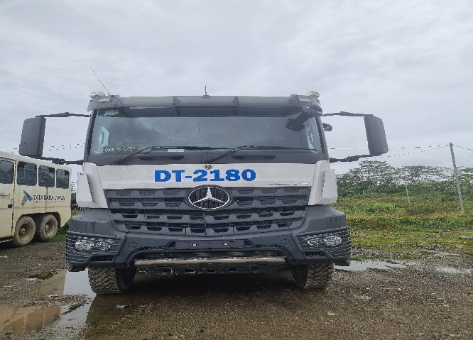

UNIT |  |  | HM |  |  | KM | VIN

1
TEST
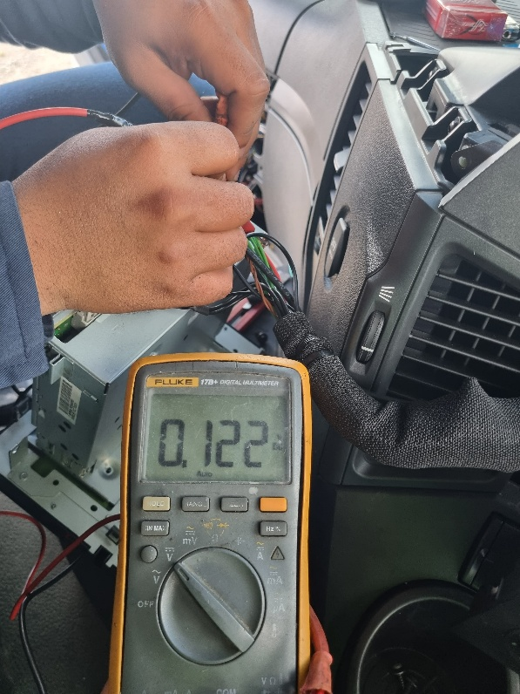 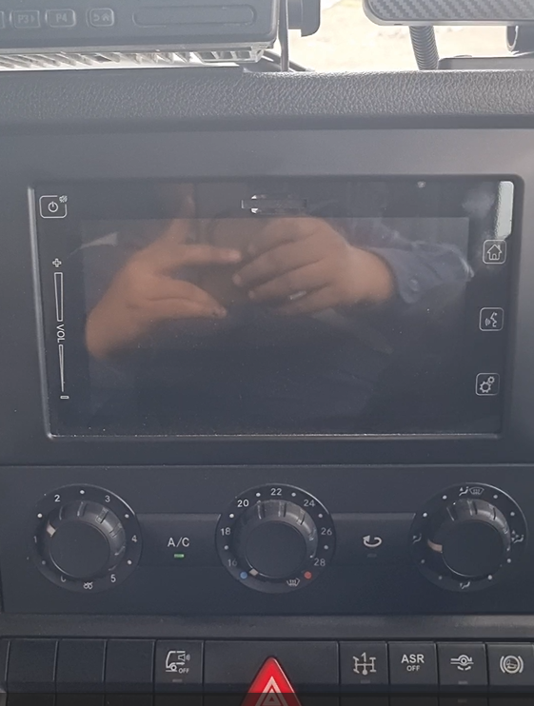
2
SOCKET POWER 12V TIDAK ADA VOLTAGE

TCC MALFUNCTION
ERROR TCC

3
4
AFTER PENGGANTIAN PART CONVERTER
 | 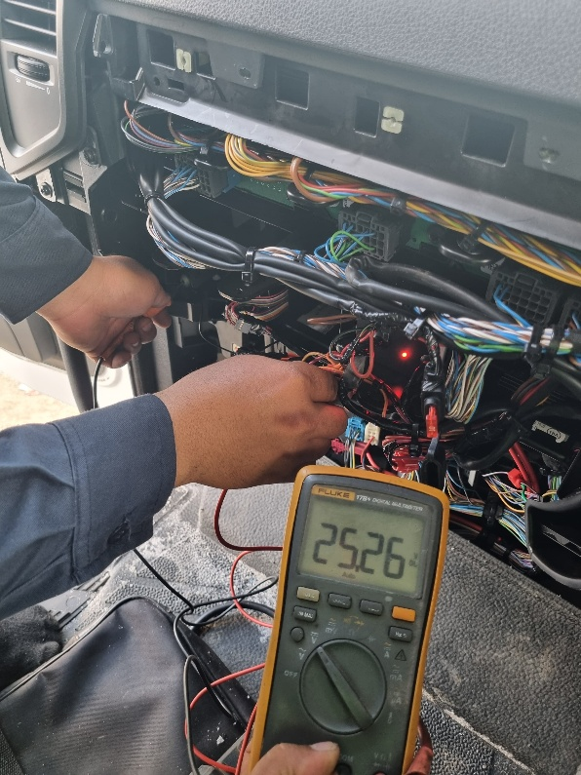 |  | 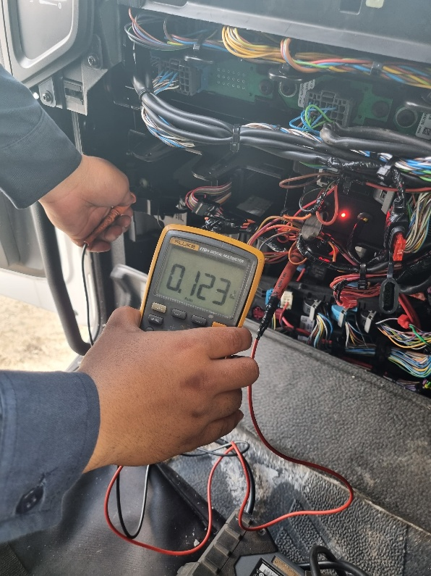 |  |  | 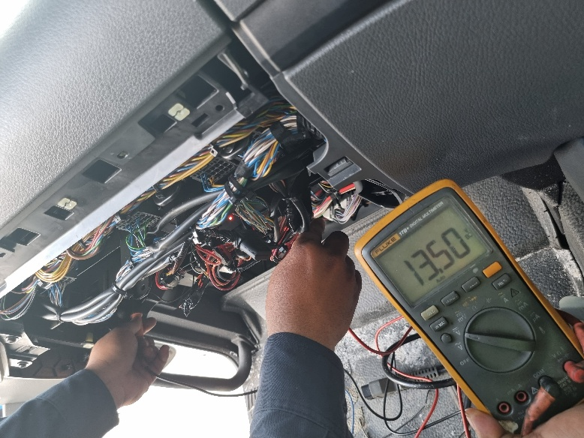 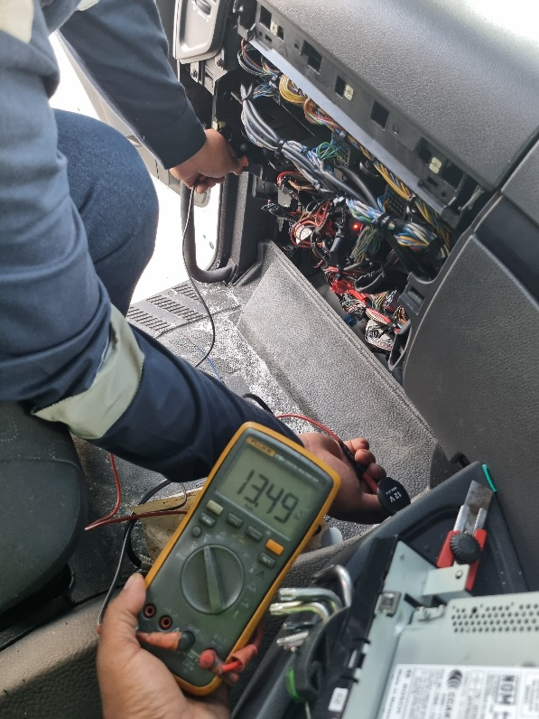 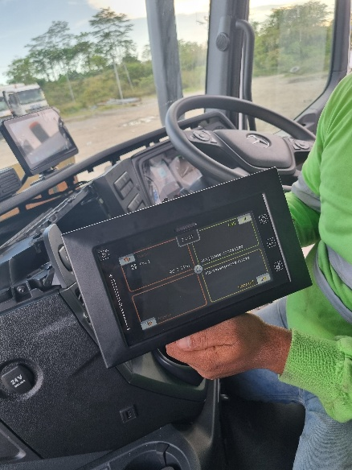
INPUT CONVERTER 25V (OK)
OUTPUT CONVERTER OV(NOT OK)
OUTPUT CONVERTER 13V (OK)
TCC NORMAL KEMBALI
SOCKET POWER 13V (OK)
PICTURE PART
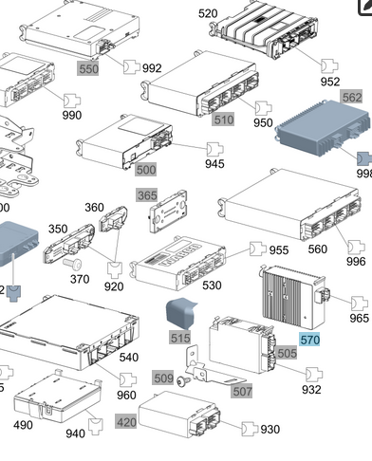

Part Book |  |  |  |  | picture part no part new |  | Remarks

 |  |  |  |  |  |  | validation

and Mercedes-Benz are registered trademarks of Mercedes-Benz Group AG.
and Mercedes-Benz are registered trademarks of Mercedes-Benz Group AG.
Head Office | Gedung Office 8 Lt.33 (SCBD Lot 28/Senopati Raya 8B), Jl.Jend.Sudirman Kav.52-53, Jakarta Selatan 12190 , Indonesia | T +62 21 57903456 | www.starwagen.co.id
Branch | Jl.Syarifuddin Yoes Blok.Kav.46-47 RT.045, Sepinggan Baru, Balikpapan Selatan, Kalimantan Timur, Indonesia | +62 54 28707888 / +62 54 28705758
 |  |  |  |  |  |  | ANANDA IRFAN S | Supervisor / Workshop Managaer

Part Request
MENU

 |  |  |  |  |  |  |  |  | Authorized Dealer of Mercedes-Benz
Part Request Slip |  |  |  |  |  |  |  |  | Truck & Bus in Indonesia
 |  | Passenger car Commercial vehicle
Slip Numbering |  | Customer Information |  |  |  | Vehicle Information |  |  | Order Information
 |  | Nama | PT. TBU |  |  | Model : | AROCS 4845 |  | Worksop Order No : | 310000015354
 |  | Site | PT BEL |  |  | Vin : | W1T96423420674032 |  | Order By :
 |  |  |  |  |  | Engine No : | 471922C0707788 |  | Delivery By :
 |  | Car Registration | DT2180 |  |  | Date of 1st registration: | 0 |  | Received By | 45775
 |  |  |  |  |  |  |  |  | Issue On :

No | Part Number | ES1 | ES2 | Bin Location | Quantity Requested | Description |  |  | Unit Price | Total Price
1 | A0015421625 |  |  |  | 1 | DC VOLTAGE CONVERTER
2 |  |  |  |  |  |  |  |  |  |  | ROTATIONAL SPEED SENSOR
3
4
5
6
7
8
9
10
11
12
13
14
 |  |  |  |  |  |  |  | Foreman | Mechanic | Delivered By

 |  |  |  |  |  |  |  |  | ANANDA IRFAN S

 | Head Office | Gedung Office 8 Lt.33 (SCBD Lot 28/Senopati Raya 8B), Jl.Jend.Sudirman Kav.52-53, Jakarta Selatan 12190 , Indonesia | T +62 21 57903456 | www.starwagen.co.id
 | Branch | Jl.Syarifuddin Yoes Blok.Kav.46-47 RT.045, Sepinggan Baru, Balikpapan Selatan, Kalimantan Timur, Indonesia | +62 54 28707888 / +62 54 28705758

and Mercedes-Benz are registered trademarks of Mercedes-Benz Group AG

Final Control
MENU

 |  |  | Truck & Bus |  |  |  | PT Star Wagen Indonesia
 |  |  | in Indonesia |  |  |  | Authorized Dealer of Mercedes-Benz Truck & Bus in Indonesia
Final Control Report

 |  | Customer Name : | PT. TBU |  | Millage In : |  |  |  | Check And Tested By
 |  | Wo no/ WIP NO : |  |  | Millage Out : |  |  |  | Name : | ANANDA IRFAN S
 |  |  |  |  |  |  |  |  | Date : | 2025-01-29

 |  | Function Checks |  |  | Visual Checks |  |  |  | Other Checks
 | √ | All warning indicators |  | √ | Engine |  |  | √ | Wiper blades and spraying nozzle |  | √
 | √ | Steering system |  | √ | Transmission |  |  | √ | Vacuum hoses/lines |  | x
 | √ | Horn |  | √ | Rear axles |  |  | √ | Write your own checking list related reparation you did
 | √ | Lights interior / exterior |  | √ | Steering system |  |  | √ | …………………………………………………………………..
 | √ | Other electrical equipment |  | √ | Fuel system |  |  | √ | …………………………………………………………………..
 | √ | Central locking / closing assist system |  | √ | Cooling system |  |  | √ | …………………………………………………………………..
 | √ | Brakes on dynamometer or test drive |  | √ | Brake hoses / lines / linkage |  |  | √ | …………………………………………………………………..
 | √ | Air conditioner |  | √ | Condition of tires/spare tires (if any) |  |  | √ | …………………………………………………………………..
 |  |  |  | √ | Cleanliness inside and outside |  |  |  | …………………………………………………………………..
 |  | Fluid Levels |  |  | Final Checks |  |  |  | Document Check
 | √ | Engine |  | √ | Check work performed |  |  | √ | Test document / Short test result
 | √ | Transmission |  | √ | Test Drive if needed |  |  | √ | Workshop report (only if required)
 | √ | Radiator / Coolant |  |  |  |  |  | √ | Internal part requisition slip
 | √ | Power steering |  |  |  |  |  | √ | Battery test result, only if tested
 | √ | Battery |  |  |  |  |  | √
 | √ | Brake system |  |  |  |  |  | √
 | √ | Windshield washer |  |  |  |  |  | √
 |  |  |  |  |  |  |  | √
 | After completion of all the work required by you, we performed a final quality check on your vehicle with the following results:
 | Ok |  | No |  |  |  |  | Acknowledged by
 | During checking & reparation process, some critical findings has to be followed up;
 | 1.
 | 2.
 | this has been conveyed on………..to……………. but not approved for doing an action. |  |  |  | (Service Advisor) | (Customer) |  | Foreman or Supervisor

 | Head Office | Gedung Office 8 Lt.33 (SCBD Lot 28/Senopati Raya 8B), Jl.Jend.Sudirman Kav.52-53, Jakarta Selatan 12190 , Indonesia | T +62 21 57903456 | www.starwagen.co.id
 | Branch | Jl.Syarifuddin Yoes Blok.Kav.46-47 RT.045, Sepinggan Baru, Balikpapan Selatan, Kalimantan Timur, Indonesia | +62 54 28707888 / +62 54 28705758
and Mercedes-Benz are registered trademarks of Mercedes-Benz Group AG
.

