COVER
PPM

REPORT

Your chat session has been ended by amel

PT Trinity Auto

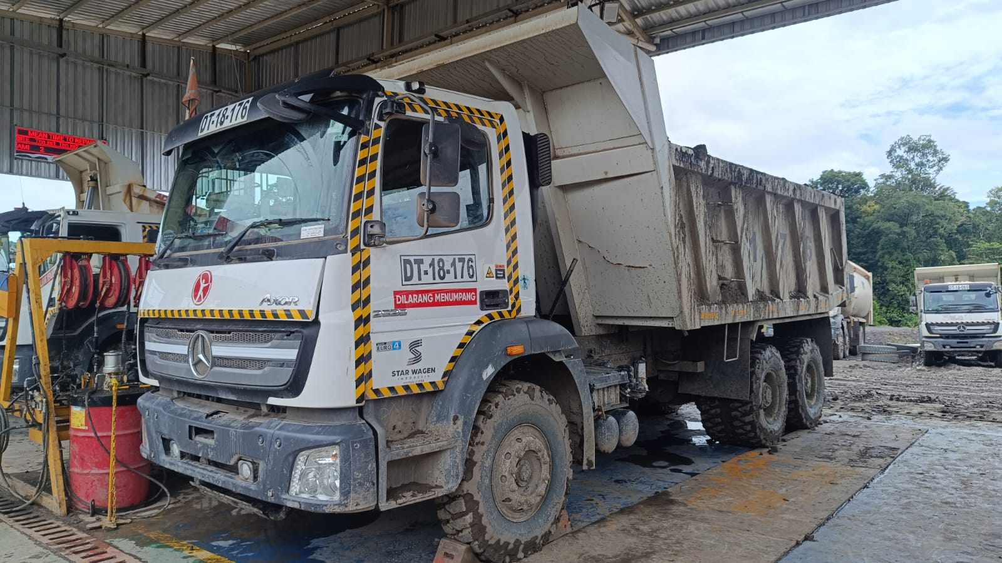

AXOR 2528 CH
MEC2437BCPP136253

LUT
===============================================================================================

 |  |  |  | Balikpapan, 18 Marert 2023

Kepada Yth.
PT SATYA GALA NUSANTARA
Di – tempat

Hal : Laporan Hasil Pemeriksaan Unit

Dengan hormat,

 | Sebelumnya kami sampaikan terima kasih atas kepercayaan Bapak/Ibu menggunakan
product & support PT. StarWagen Indonesia.
 | Menindak lanjuti permintaan PT.SATYA GALA NUSANTARA atas pemeriksaan kondisi
unit truck di daerah manggar Balikpapan, kami telah mengirimkan Mekanik dedicated PPM
( Sdr. Rama Yerri) untuk melakukan Program Pemeriksaan Machine ( PPM ) pada tanggal
23 Maret 2024

 | MEREK | UNIT MODEL | SERIAL NUMER (CODE) | HOURS METER | LOKASI
 | MERCEDES-BENZ | AXOR 2528 CH | MEC2437BCPP136253 | HM 681 / KM 9831 | PT.PPA SITE AMI

Dan kami sampaikan laporan pemeriksaan berupa :
 | 1. MCR (Machine Condition Report)
 | 2. ABR (Analisa Biaya Repair) *jika ada
 | 3. Foto Kondisi unit
 | 4. RPL (Recommended Part List) *jika ada

Secara umum recommendasi perbaikan dari alat tersebut terlampir dalam Machine Condition Report.
Sementara untuk estimasi biaya, detail perbaikan & kebutuhan spare parts, fabrikasi komponen
terlampir dalam Analisa Biaya Repair ( ABR )

Demikian penyampaian kami, semoga dapat membantu Bapak dalam mengevaluasi perbaikan
alat tersebut. Atas perhatian serta kerja samanya, kami ucapkan terima kasih

Hormat kami,

Samsuhdin

 |  |  |  | Service Manager

MCR
 | ENGINE CONDITION REPORT OF UNIT MERCEDES BENZ |  |  |  |  |  | RESULT OF UNIT
 | Company / Jobsite addres | : PT PPA SITE AMI | Chasis Number | : MEC2437BCPP136253 | Man Power : ARI WIBOWO, RIO IFNA |  | GOOD
 | Date | : 10 MEI 2025 | Engine Number | : 400953D0141942
 | Unit NO | : DA25176 | Mileage (Km) | : 9831
 | Truck type | : AXOR 2528 CH | Hours Meter | : 681

CHECK ITEM | CONDITION | UNIT | REFRENCE VALUE | ACTUAL | CORRECTION ACTION | RESULT | REMARKS
ENGINE
Engine Speed | Low idle | Rpm | 500 - 600 | 600 |  |  | Engine Performance GOOD
 | Low idle (PTO ON) |  | 750 | 608
 | High idle |  | 2600 | 2727
 | High idle (PTO ON) |  | 1455 | 1602
Engine Oil Pressure | Low idle | Bar | 4 | 4
 | High idle |  | 4 | 4
Engine Temperature Working | Idle Speed | °C | 70 - 95 | 72
 | 2000 Rpm | °C | 70 - 95 | 72
Engine Oil Temperature | Idle Speed | °C | ±2 Above Coolant Temp | 70
Test of smooth running
- Cylinder No. 1 - Cylinder No. 2 - Cylinder No. 3 - Cylinder No. 4 - Cylinder No. 5 - Cylinder No. 6 | Low Idle (See actual value by Xentry Diagnostic) |  | <2.5% | 0.03
 | Low Idle (See actual value by Xentry Diagnostic) |  | <2.5% | 0.06
 | Low Idle (See actual value by Xentry Diagnostic) |  | <2.5% | 0.09
 | Low Idle (See actual value by Xentry Diagnostic) |  | <2.5% | 0.03
 | Low Idle (See actual value by Xentry Diagnostic) |  | <2.5% | 0.09
 | Low Idle (See actual value by Xentry Diagnostic) |  | <2.5% | 0.14
Dynamic Cylinder Comparison
- Cylinder No. 1 - Cylinder No. 2 - Cylinder No. 3 - Cylinder No. 4 - Cylinder No. 5 - Cylinder No. 6 | Compression test (See actual value by Xentry Diagnostic) |  | >75% | 85%
 | Compression test (See actual value by Xentry Diagnostic) |  | >75% | 87%
 | Compression test (See actual value by Xentry Diagnostic) |  | >75% | 83%
 | Compression test (See actual value by Xentry Diagnostic) |  | >75% | 84%
 | Compression test (See actual value by Xentry Diagnostic) |  | >75% | 96%
 | Compression test (See actual value by Xentry Diagnostic) |  | >75% | 100%
Boost pressure test | use Xentry Diagnostic& High Rpm and hold +-5 seconds | Bar | 1.3 - 1.5 | 1,322
Check V - Belt, Idler Roller & Tensioner | Engine Stop | Check for Wear, noise and jammed |  | GOOD
Measure Turbocharge Play |  | mm
- Turbine Axial Play | Engine Stop |  | Max. 0,1
- Turbine Radial Play | Engine Stop |  | Max. 0,9
- Turbine condition | Engine Stop | Check for any chips or surface damage
Check / Adjust Valve Clearence | Reading from crankshaft sensor at 7th hole TDC post |  |  | OK
 |  | cyl 1 (mm) | Intake = 0,4 ±0,05 | 0.50 | 0.4
 |  |  | Exhaust = 0,6 ±0,05 | 0.70 | 0.6
 |  | cyl 2 (mm) | Intake = 0,4 ±0,05 | 0.50 | 0.4
 |  |  | Exhaust = 0,6 ±0,05 | 0.75 | 0.6
 |  | cyl 3 (mm) | Intake = 0,4 ±0,05 | 0.50 | 0.4
 |  |  | Exhaust = 0,6 ±0,05 | 0.80 | 0.6
 |  | cyl 4 (mm) | Intake = 0,4 ±0,05 | 0.55 | 0.4
 |  |  | Exhaust = 0,6 ±0,05 | 0.75 | 0.6
 |  | cyl 5 (mm) | Intake = 0,4 ±0,05 | 0.50 | 0.4
 |  |  | Exhaust = 0,6 ±0,05 | 0.70 | 0.6
 |  | cyl 6 (mm) | Intake = 0,4 ±0,05 | 0.50 | 0.4
 |  |  | Exhaust = 0,6 ±0,05 | 0.70 | 0.6
NOTE
Torque Nut Intake Valve | 25 Nm |  |  | N/A | 25Nm
Torque Nut Exhaust Valve | 25 Nm |  |  | N/A | 25Nm
Torque Bolt Cylinder Head Cover | 25 Nm +- 5Nm |  |  | N/A | 25Nm
Firing Order | 1 - 5 - 3 - 6 - 2 - 4 |  |  | N/A | 1 - 5 - 3 - 6 - 2 - 4
Dynamic Cylinder Comparison
Inspection by,
Checked by,
Approve by,
> OIL SUMP DENT > BRACKET RADIATOR BENDING > EXHAUST LINE BERGESEKAN DENGAN SPRING

FOTO TEMUAN & KONDISI ENGINE
P H O T O M A C H I N E

 | Customer Name | : | PT TRINITY AUTO
MACHINE INSPECTION PROGRAM | Site | : | PPT. PPA SITE AMI
 | Model Unit | : | AXOR 2528 CH
 | Serial Number | : | MEC2437BCPP136253
 | Code Unit | : | DA25176

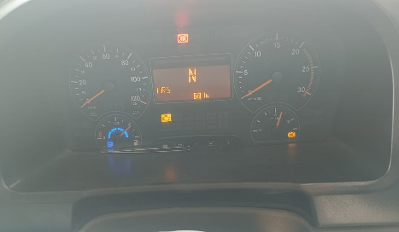

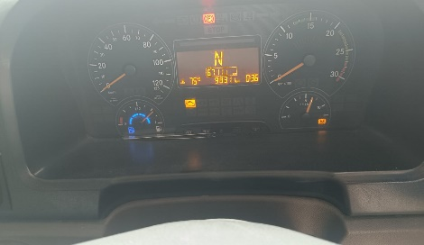

Remark : Foto Unit
Remark : Name plate Serial Number unit
Remark : HM & KM UNIT

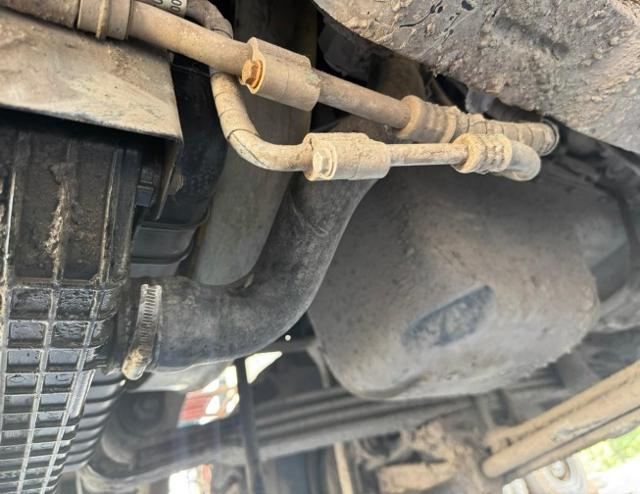
zoom out
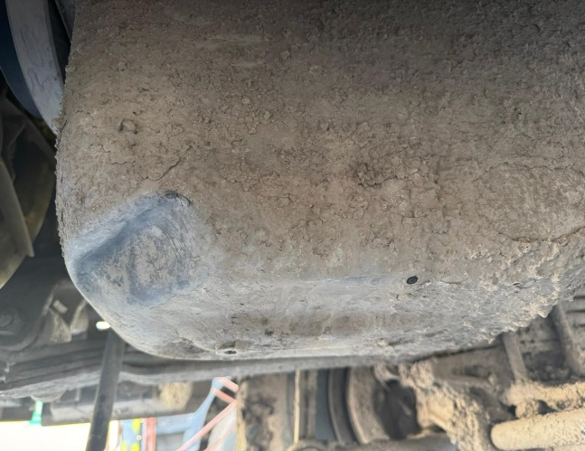
zoom in
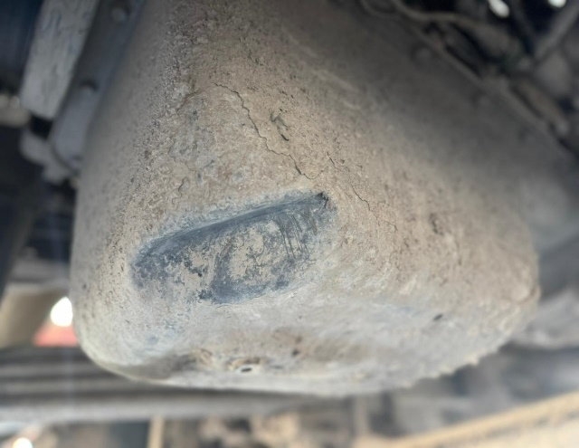
zoom in

Remark : Oil sump dent
Remark : Oil sump dent
Remark : Oil sump dent

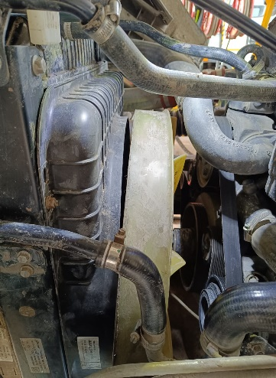
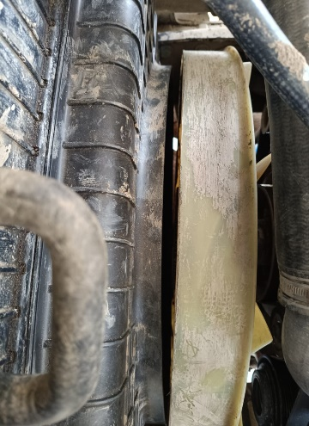
Perbedaan jarak
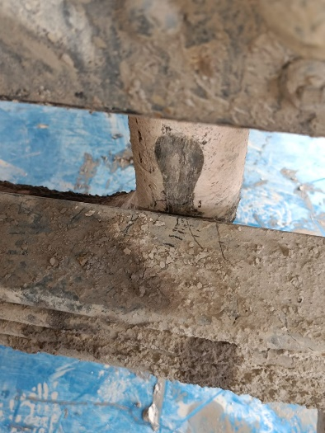
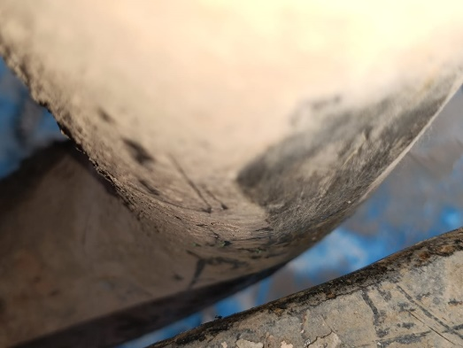

zoom in
zoom in
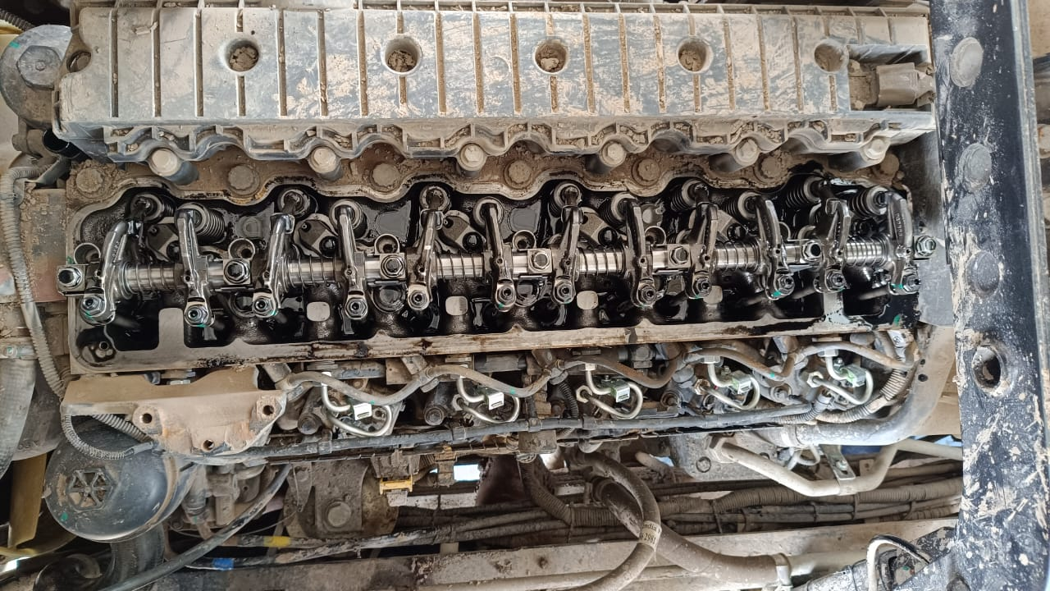

Remark : Radiator dan fan tidak center, perlu perbaikan di bracket radiator
Remark : Line muffler bergesekan dengan spring perlu perbaikan di line muffler
Remark : Check & Adjust valve clearance

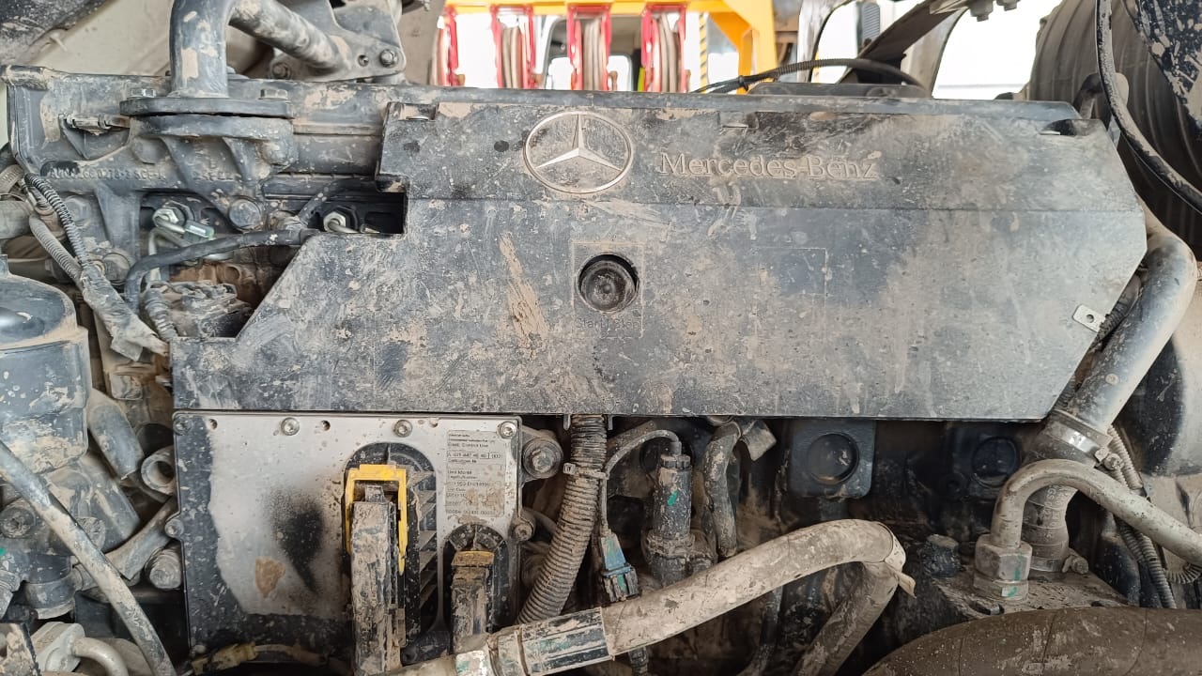
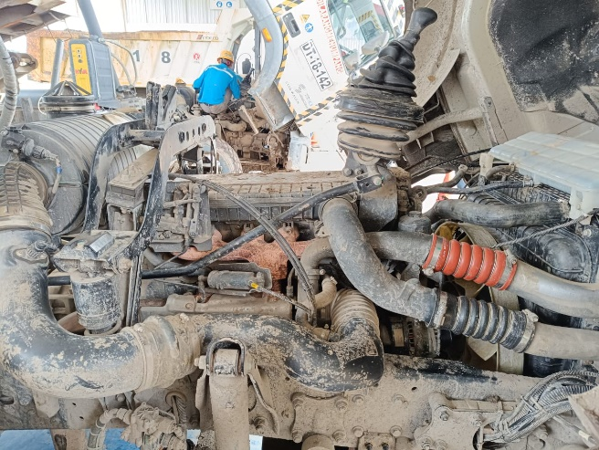
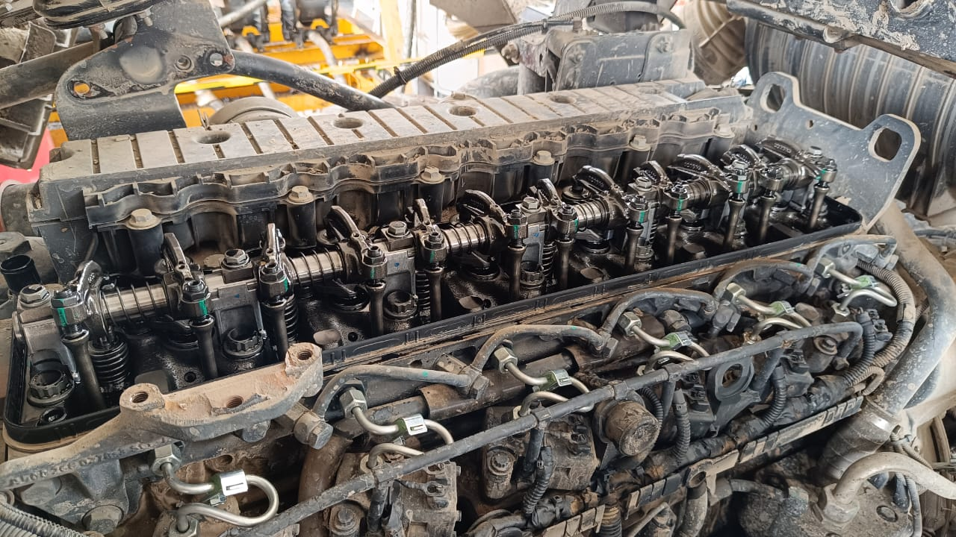

Remark : Foto engine

Detail
WSP-001(1)

QUOTATION - Job Details

 |  |  |  | Quot. No |  | :
 |  |  |  |  | Date | : | 28 Maret 2024
 |  |  |  |  | Rev. | :

Machine Model |  |  |  | : AXOR 2528 CH |  |  |  | Machine SN |  | : MEC2437BCPP136253 |  |  | Unit Code | :
Engine Model |  |  |  | : OM 906 LA |  |  |  | Engine SN |  | : 400953D0141942 |  |  | S M R | : 681h / 9831km
Location |  |  |  | : PT. PPA Site AMI

Job Description |  |  | : | INSPECTION & BACKLOG AXOR 2528CH |  |  |  |  |  |  |  |  | 350000

 | LABOUR COST ( IDR 350.000/Hrs/MP )

 | NO | DESCRIPTION OF JOB LIST |  |  |  |  |  |  | HOURS | MAN POWER |  | TOTAL MANHOURS | AMOUNT | REMARKS

 | 1 | Labour Service |  |  |  |  |  |  |  | 1 |  |  | IDR 15,400,000 | See ABR

 |  |  |  |  |  |  |  |  |  | TOTAL |  |  | IDR 15,400,000

 | REMAN COST

 | NO | DESCRIPTION |  |  |  |  |  |  | PRICE |  | QTY | AMOUNT | REMARKS

 |  |  |  |  |  |  |  |  | TOTAL |  |  | IDR -
 | PART COST

 | NO | DESCRIPTION |  |  |  |  |  |  | PRICE |  | QTY | AMOUNT | REMARKS

 | 1 | Part Replacement |  |  |  |  |  |  | #REF! |  | 1 | #REF! | See RPL & ABR

 |  |  |  |  |  |  |  |  | TOTAL |  |  | #REF!

 | FABRICATION COST

 | NO | DESCRIPTION OF JOB LIST |  |  |  |  |  |  | PRICE |  | QTY | AMOUNT | REMARKS

 |  |  |  |  |  |  |  |  | TOTAL |  |  | IDR -

 | ADDITIONAL COST

 | NO | DESCRIPTION OF JOB LIST |  |  |  |  |  |  | PRICE |  | QTY | AMOUNT | REMARKS

 | 1 | Consumable Goods,Transport |  |  |  |  |  |  | IDR 1,250,000 |  | 1 | IDR 1,250,000 | See ABR

 |  |  |  |  |  |  |  |  | TOTAL |  |  | IDR 1,250,000

 | Note : * ) Detailed parts are enclosed in other file
 | * ) Component Overhaul - see job scope in ABR

