Time Sheet
MENU

 |  |  |  | PT Star Wagen Indonesia
Job Time Card Report |  |  |  | Authorized Dealer of Mercedes-Benz Truck & Bus in Indonesia

Mechanic Name: | SYAWAL |  | WIP Number :

CIW/GW | Operational Code | End Start | Time Recording |  | Date |  |  |  | Total Time
 | Description
Warranty |  | End |  |  | 2025-04-24 |  |  |  | 0:00:00 |  | Customer | 1:00:00
 |  | Start |  |  |  |  |  |  |  |  | Internal | 2:00:00
 |  | End |  |  | 2025-04-24 |  |  |  | 0:00:00 |  | Warranty | 3:00:00
 |  | Start |  |  |  |  |  |  |  |  | GoodWill | 4:00:00
 |  | End |  |  |  |  |  |  | 0:00:00 |  |  | 5:00:00
 |  | Start |  |  |  |  |  |  |  |  |  | 6:00:00
 |  | End |  |  |  |  |  |  | 0:00:00 |  |  | 7:00:00
 |  | Start |  |  |  |  |  |  |  |  |  | 8:00:00
 |  | End |  |  |  |  |  |  | 0:00:00 |  |  | 9:00:00
 |  | Start |  |  |  |  |  |  |  |  |  | 10:00:00
 |  | End |  |  |  |  |  |  | 0:00:00 |  |  | 11:00:00
 |  | Start |  |  |  |  |  |  |  |  |  | 12:00:00
 |  | End |  |  |  |  |  |  | 0:00:00 |  |  | 13:00:00
 |  | Start |  |  |  |  |  |  |  |  |  | 14:00:00
 |  | End |  |  |  |  |  |  | 0:00:00 |  |  | 15:00:00
 |  | Start |  |  |  |  |  |  |  |  |  | 16:00:00
 |  | End |  |  |  |  |  |  | 0:00:00 |  |  | 13:00:00
 |  | Start |  |  |  |  |  |  |  |  |  | 14:00:00
 |  | End |  |  |  |  |  |  | 0:00:00 |  |  | 15:00:00
 |  | Start |  |  |  |  |  |  |  |  |  | 16:00:00
 |  | End |  |  |  |  |  |  | 0:00:00 |  |  | 13:00:00
 |  | Start |  |  |  |  |  |  |  |  |  | 14:00:00
 |  | End |  |  |  |  |  |  | 0:00:00 |  |  | 15:00:00
 |  | Start |  |  |  |  |  |  |  |  |  | 16:00:00
 |  |  |  |  |  |  |  |  |  |  |  | 17:00:00
Hours |  | C | I | W/G | W1 | W2 | W3 | W4 | W5 | W6 |  | 18:00:00
Total |  |  |  | 0:00:00 |  |  |  |  |  |  |  | 19:00:00
 |  |  |  |  |  |  |  |  |  |  |  | 20:00:00
Head Office | Gedung Office 8 Lt.33 (SCBD Lot 28/Senopati Raya 8B), Jl.Jend.Sudirman Kav.52-53, Jakarta Selatan 12190 , Indonesia | T +62 21 57903456 | www.starwagen.co.id |  |  |  |  |  |  |  |  |  |  |  | 21:00:00
Branch | Jl.Syarifuddin Yoes Blok.Kav.46-47 RT.045, Sepinggan Baru, Balikpapan Selatan, Kalimantan Timur, Indonesia | +62 54 28707888 / +62 54 28705758 |  |  |  |  |  |  |  |  |  |  |  | 22:00:00
 |  |  |  |  |  |  |  |  |  |  |  | 23:00:00
and Mercedes-Benz are registered trademarks of Mercedes-Benz Group AG
 |  |  |  |  |  |  |  |  |  |  |  | 1900-01-01 00:00:00

Worksop Report
 | Menu
 |  |  | Workshop Report For Diagnostic Guide

 |  |  |  |  |  |  | PT.STAR WAGEN INDONESIA
 |  |  |  |  | WO :
Date: |  | 24-Apr-25 |  |  |  |  |  | Job Site:
WIP No: |  |  |  |  | Customer Name: | PT. PUTRA PERKASA ABADI |  | ADARO MINERAL INDONESIA
Chasis No: |  | W1T96421620645629 |  |  | Reg No : |  | Reg date
Engine No: |  | 471922C0783526 |  |  | Type : | AROCS 4042K | Mileage / Hours Meter | 80402km / 7946h
Unit Code |  | DA42004

COMPLAINT ANALYSIS
Customer complaint/Customer information
 | Waterpump leak
Vehicle information
 | Aplicaton : | ü Long distance |  | ü Dump truck | Ore operation | Regular service base
 |  | Short distance |  | support truck | ü OB operation
Customer Information :
 | Ketika running terdapat coolant yang keluar dari waterpump

TEST LEVEL

 | Test Level Description |  |  |  |  | Actual Value | Remark | Attachment Number
 | Check visual |  |  |  |  | Broken | NOT OK | 1
 | Check putaran |  |  |  |  | Macet | NOT OK | video 1
 | Check kebocoran |  |  |  |  | Bocor | NOT OK | Video 2

CAUSE LEVEL
Cause level/Workshop findings: |  |  |  |  | RESULT :
 |  |  |  |  | 1. Pengecekan visual terdapat kebocoran pada coolant pump/water pump, terlihat pada video. 2. Ketika dibuka coolant pump tidak dapat diputar dikarenakan jalur putar coolant pump macet karena bergesekan dan posisi coolant pump miring 3. Terdapat bekas gesekan pada coolant pump yang mengakibatkan scratch
 |  | Ada | Tidak ada | Attachment Nr
Photo (# lembar) |  | √ |  | √
Area kerusakan (gbr EPC) |  | √ |  | √
Video (nama file) |  | √ |  | √
Old Spare part No.
Notes: |  |  |  |  |  |  |  |  | √
 |  |  |  |  |  |  |  |  | x

RECTIFICATION AND VERIFICATION LEVEL
Rectification:

 | PART NUMBER | DESCRIPTION | QTY
1 | A4722001001 | COOLANT PUMP | 1
2 | A4722010280 | SEAL | 1
Verification:

 |  |  | Workshop report digunakan untuk mencatat hasil analisa mekanik dengan menyertakan langkah-langkah diagnosis dan temuannya selama diagnosa

 |  |  |  |  |  |  |  | aa

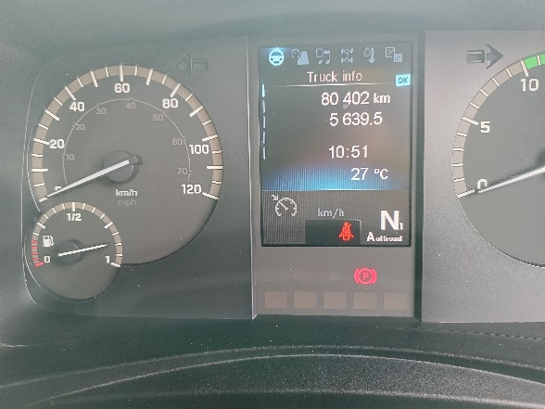
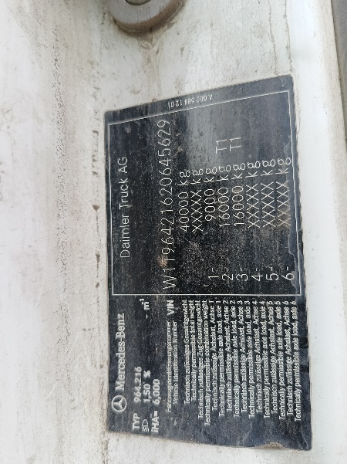
PICTURE CAUSE AND ACTION
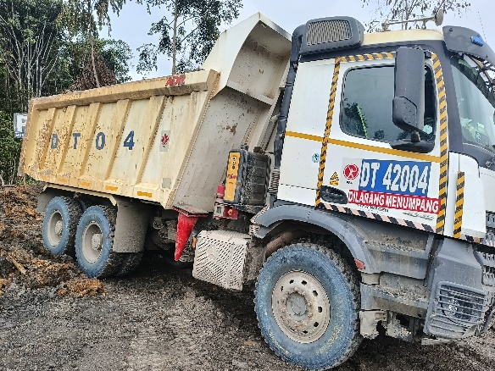 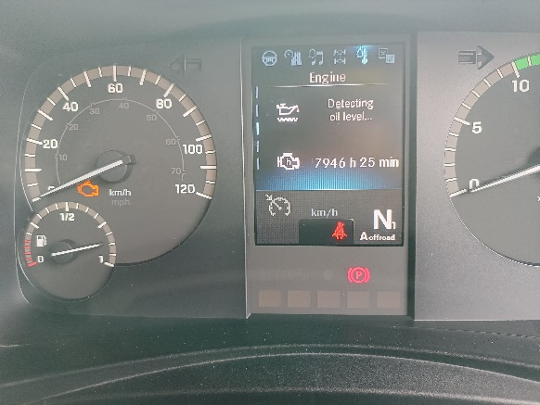

Perbedaan jalur putaran
yang mengakibatkan macet
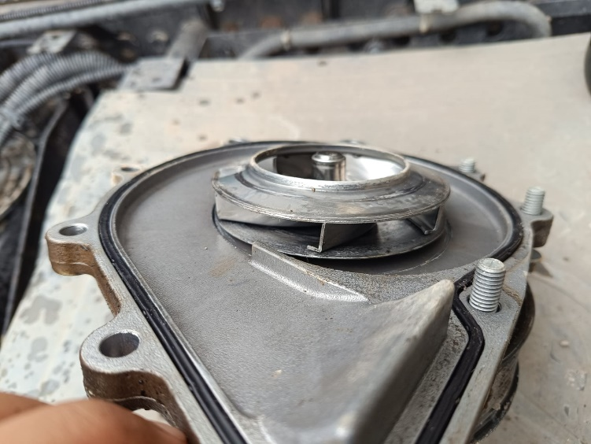
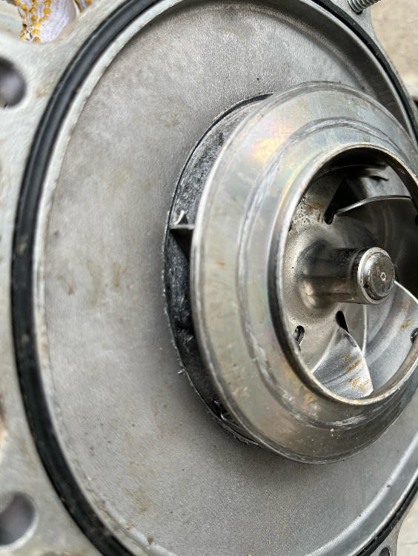
1
FOTO UNIT |  |  | FOTO HM |  | FOTO KM |  | FOTO VIN
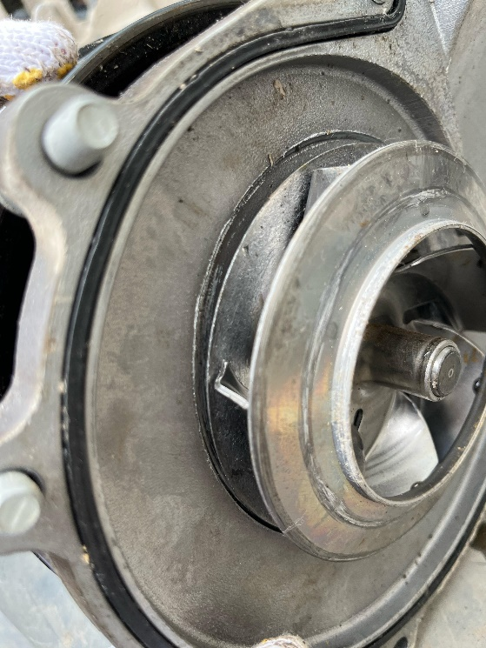 |  |  | 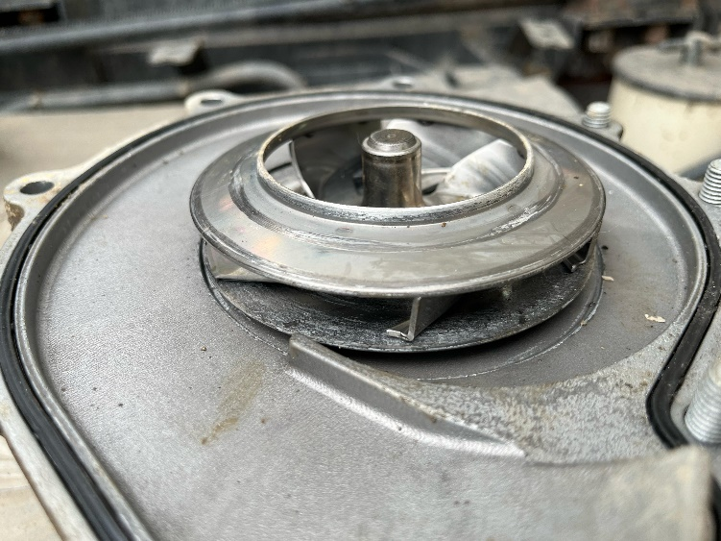

Jalur putar tipis
jalur putar renggang
jalur putar renggang

Coolant pump macet Jalur berputar sudah tidak sesuai sehingga menyebabkan macet
Jalur putar tipis
bekas gesekan
JOB PROGRESS INVESTIGATION PICTURE

PROSES INSTAL

PART BOOK |  |  |  |  |  |  | Remarks

 |  |  |  |  |  |  | validation

and Mercedes-Benz are registered trademarks of Mercedes-Benz Group AG.
and Mercedes-Benz are registered trademarks of Mercedes-Benz Group AG.
Head Office | Gedung Office 8 Lt.33 (SCBD Lot 28/Senopati Raya 8B), Jl.Jend.Sudirman Kav.52-53, Jakarta Selatan 12190 , Indonesia | T +62 21 57903456 | www.starwagen.co.id
Branch | Jl.Syarifuddin Yoes Blok.Kav.46-47 RT.045, Sepinggan Baru, Balikpapan Selatan, Kalimantan Timur, Indonesia | +62 54 28707888 / +62 54 28705758
 |  |  |  |  |  |  | DIDIK | Supervisor / Workshop Managaer

Part Request
MENU

 |  |  |  |  |  |  |  |  | Authorized Dealer of Mercedes-Benz
Part Request Slip |  |  |  |  |  |  |  |  | Truck & Bus in Indonesia
 |  | Passenger car Commercial vehicle
Slip Numbering |  | Customer Information |  |  |  | Vehicle Information |  |  | Order Information
 |  | Nama | PT. PUTRA PERKASA ABADI |  |  | Model : | AROCS 4042K |  | Worksop Order No : | 0
 |  | Site | ADARO MINERAL INDONESIA |  |  | Vin : | W1T96421620645629 |  | Order By :
 |  |  |  |  |  | Engine No : | 471922C0783526 |  | Delivery By :
 |  | Car Registration | DA42004 |  |  | Date of 1st registration: |  |  | Received By
 |  |  |  |  |  |  |  |  | Issue On :

No | Part Number | ES1 | ES2 | Bin Location | Quantity Requested | Description |  |  | Unit Price | Total Price
1 | A4722001001 |  |  |  |  | COOLANT PUMP
2 | A4722010280 |  |  |  |  | SEAL
3
4
5
6
7
8
9
10
11
12
13
14
 |  |  |  |  |  |  |  | Foreman | Mechanic | Delivered By

 |  |  |  |  |  |  |  |  | DIDIK

 | Head Office | Gedung Office 8 Lt.33 (SCBD Lot 28/Senopati Raya 8B), Jl.Jend.Sudirman Kav.52-53, Jakarta Selatan 12190 , Indonesia | T +62 21 57903456 | www.starwagen.co.id
 | Branch | Jl.Syarifuddin Yoes Blok.Kav.46-47 RT.045, Sepinggan Baru, Balikpapan Selatan, Kalimantan Timur, Indonesia | +62 54 28707888 / +62 54 28705758

and Mercedes-Benz are registered trademarks of Mercedes-Benz Group AG

Final Control
MENU

 |  |  | Truck & Bus |  |  |  | PT Star Wagen Indonesia
 |  |  | in Indonesia |  |  |  | Authorized Dealer of Mercedes-Benz Truck & Bus in Indonesia
Final Control Report

 |  | Customer Name : | PT. PUTRA PERKASA ABADI |  | Millage In : |  |  |  | Check And Tested By
 |  | Wo no/ WIP NO : |  |  | Millage Out : |  |  |  | Name : | DIDIK
 |  |  |  |  |  |  |  |  | Date :

 |  | Function Checks |  |  | Visual Checks |  |  |  | Other Checks
 | √ | All warning indicators |  | √ | Engine |  |  | √ | Wiper blades and spraying nozzle |  | √
 | √ | Steering system |  | √ | Transmission |  |  | √ | Vacuum hoses/lines |  | x
 | √ | Horn |  | √ | Rear axles |  |  | √ | Write your own checking list related reparation you did
 | √ | Lights interior / exterior |  | √ | Steering system |  |  | √ | …………………………………………………………………..
 | √ | Other electrical equipment |  | √ | Fuel system |  |  | √ | …………………………………………………………………..
 | √ | Central locking / closing assist system |  | √ | Cooling system |  |  | √ | …………………………………………………………………..
 | √ | Brakes on dynamometer or test drive |  | √ | Brake hoses / lines / linkage |  |  | √ | …………………………………………………………………..
 | √ | Air conditioner |  | √ | Condition of tires/spare tires (if any) |  |  | √ | …………………………………………………………………..
 |  |  |  | √ | Cleanliness inside and outside |  |  |  | …………………………………………………………………..
 |  | Fluid Levels |  |  | Final Checks |  |  |  | Document Check
 | √ | Engine |  | √ | Check work performed |  |  | √ | Test document / Short test result
 | √ | Transmission |  | √ | Test Drive if needed |  |  | √ | Workshop report (only if required)
 | √ | Radiator / Coolant |  |  |  |  |  | √ | Internal part requisition slip
 | √ | Power steering |  |  |  |  |  | √ | Battery test result, only if tested
 | √ | Battery |  |  |  |  |  | √
 | √ | Brake system |  |  |  |  |  | √
 | √ | Windshield washer |  |  |  |  |  | √
 |  |  |  |  |  |  |  | √
 | After completion of all the work required by you, we performed a final quality check on your vehicle with the following results:
 | Ok |  | No |  |  |  |  | Acknowledged by
 | During checking & reparation process, some critical findings has to be followed up;
 | 1.
 | 2.
 | this has been conveyed on………..to……………. but not approved for doing an action. |  |  |  | (Service Advisor) | (Customer) |  | Foreman or Supervisor

 | Head Office | Gedung Office 8 Lt.33 (SCBD Lot 28/Senopati Raya 8B), Jl.Jend.Sudirman Kav.52-53, Jakarta Selatan 12190 , Indonesia | T +62 21 57903456 | www.starwagen.co.id
 | Branch | Jl.Syarifuddin Yoes Blok.Kav.46-47 RT.045, Sepinggan Baru, Balikpapan Selatan, Kalimantan Timur, Indonesia | +62 54 28707888 / +62 54 28705758
and Mercedes-Benz are registered trademarks of Mercedes-Benz Group AG
.

