Time Sheet
MENU

 |  |  |  | PT Star Wagen Indonesia
Job Time Card Report |  |  |  | Authorized Dealer of Mercedes-Benz Truck & Bus in Indonesia

Mechanic Name: | ANANDA IRFAN S |  | WIP Number :

CIW/GW | Operational Code | End Start | Time Recording |  | Date |  |  |  | Total Time
 | Description
Warranty |  | End |  |  |  |  |  |  | 0:00:00 |  | Customer | 1:00:00
 |  | Start |  |  |  |  |  |  |  |  | Internal | 2:00:00
 |  | End |  |  |  |  |  |  | 0:00:00 |  | Warranty | 3:00:00
 |  | Start |  |  |  |  |  |  |  |  | GoodWill | 4:00:00
 |  | End |  |  | 2023-01-16 |  |  |  | 0:00:00 |  |  | 5:00:00
 |  | Start |  |  |  |  |  |  |  |  |  | 6:00:00
 |  | End |  |  |  |  |  |  | 0:00:00 |  |  | 7:00:00
 |  | Start |  |  |  |  |  |  |  |  |  | 8:00:00
 |  | End |  |  |  |  |  |  | 0:00:00 |  |  | 9:00:00
 |  | Start |  |  |  |  |  |  |  |  |  | 10:00:00
 |  | End |  |  |  |  |  |  | 0:00:00 |  |  | 11:00:00
 |  | Start |  |  |  |  |  |  |  |  |  | 12:00:00
 |  | End |  |  |  |  |  |  | 0:00:00 |  |  | 13:00:00
 |  | Start |  |  |  |  |  |  |  |  |  | 14:00:00
 |  | End |  |  |  |  |  |  | 0:00:00 |  |  | 15:00:00
 |  | Start |  |  |  |  |  |  |  |  |  | 16:00:00
 |  | End |  |  |  |  |  |  | 0:00:00 |  |  | 13:00:00
 |  | Start |  |  |  |  |  |  |  |  |  | 14:00:00
 |  | End |  |  |  |  |  |  | 0:00:00 |  |  | 15:00:00
 |  | Start |  |  |  |  |  |  |  |  |  | 16:00:00
 |  | End |  |  |  |  |  |  | 0:00:00 |  |  | 13:00:00
 |  | Start |  |  |  |  |  |  |  |  |  | 14:00:00
 |  | End |  |  |  |  |  |  | 0:00:00 |  |  | 15:00:00
 |  | Start |  |  |  |  |  |  |  |  |  | 16:00:00
 |  |  |  |  |  |  |  |  |  |  |  | 17:00:00
Hours |  | C | I | W/G | W1 | W2 | W3 | W4 | W5 | W6 |  | 18:00:00
Total |  |  |  | 0:00:00 |  |  |  |  |  |  |  | 19:00:00
 |  |  |  |  |  |  |  |  |  |  |  | 20:00:00
Head Office | Gedung Office 8 Lt.33 (SCBD Lot 28/Senopati Raya 8B), Jl.Jend.Sudirman Kav.52-53, Jakarta Selatan 12190 , Indonesia | T +62 21 57903456 | www.starwagen.co.id |  |  |  |  |  |  |  |  |  |  |  | 21:00:00
Branch | Jl.Syarifuddin Yoes Blok.Kav.46-47 RT.045, Sepinggan Baru, Balikpapan Selatan, Kalimantan Timur, Indonesia | +62 54 28707888 / +62 54 28705758 |  |  |  |  |  |  |  |  |  |  |  | 22:00:00
 |  |  |  |  |  |  |  |  |  |  |  | 23:00:00
and Mercedes-Benz are registered trademarks of Mercedes-Benz Group AG
 |  |  |  |  |  |  |  |  |  |  |  | 1900-01-01 00:00:00

Worksop Report
 | Menu
 |  |  | Workshop Report For Diagnostic Guide

 |  |  |  |  |  |  | PT.STAR WAGEN INDONESIA
 |  |  |  |  | WO
Date: |  | 13-Feb-25 |  |  |  |  |  | Job Site:
WIP No: |  |  |  |  | Customer Name: | PT. ANTAREJA MAHADA MAKMUR |  | PT MIFA
Chasis No: |  | W1T96441720727091 |  |  | Reg No : |  | Reg date
Engine No: |  | 473907C0888206 |  |  | Type : | ACTROS 4058 | Mileage / Hours Meter | 4358 h/87544 km
Unit Code |  | PM55802

COMPLAINT ANALYSIS
Customer complaint/Customer information
 | MIL ENGINE FLASH ON
Vehicle information
 | Aplicaton : | ü Long distance |  | ü Dump truck | Ore operation | Regular service base
 |  | Short distance |  | support truck | OB operation
Customer Information :
 | CLUTCH FAULTY

TEST LEVEL

 | Test Level Description |  |  |  |  | Actual Value | Remark | Attachment Number
 | CHECK ERROR PADA INSTRUMEN |  |  |  |  | ERROR CLUCH FAULTY | NOT OK | 1
 | CHECK ERROR PADA XENTRY DIAGNOTIC |  |  |  |  | CURRENT ERROR CLUTCH | NOT OK | 2
 | TECH IN CLUCH & TRANSMISI |  |  |  |  | GAGAL(ERROR) | NOT OK | 3
 | CHECK ACTUAL VALUE CLUTCH |  |  |  |  | CURRENT CLUTCH ENGAGEMENT POIN (FAULT) | NOT OK | 4
 | CHECK CLUTCH ACTUATOR |  |  |  |  | BOCOR | NOT OK | 5

CAUSE LEVEL
Cause level/Workshop findings: |  |  |  |  | RESULT :
 |  |  |  |  | PADA TANGGAL 13 FEBRUARI 2025 DINI HARI MEKANIK MELAKUKAN MENDAPATKAN LAPORAN BD CLUTH FAULTY DARI UNIT PM55802.DITEMUKAN BAHWA SHIFTING UNIT DALAM KEADAAN ABNORMAL DAN EVENTS CLUTCH FAULTY,DAN DILAKUKAN TECH IN CLUTCH TETAPI GAGAL(ERROR),LALU MEKANIK MENGGANTI CLUTCH ACTUATOR/BOSTER CLUTH ,SETELAH DILAKUKAN PENGANTIAN PART UNIT BISA DI TECH IN CLUTCH DAN TRANSIMISI LALU UNIT NORMAL KEMBALI.SETELAH DILAKUKAN PENGECEKAN PADA CLUTCH ACTUATOR BEKAS DITEMUKAN CLUTCH TIDAK VACUM SAAT DI TEKAN (BOCOR)(VIDEO PERBEDAAN PART RUSAK DAN BARU ADA DI FOLDER).
 |  | Ada | Tidak ada | Attachment Nr
Photo (# lembar) |  | √ |  | √
Area kerusakan (gbr EPC) |  | √ |  | √
Video (nama file) |  | √ | x | √
Old Spare part No.
Notes: |  |  |  |  |  |  |  |  | √
 |  |  |  |  |  |  |  |  | x
 |  |  |  |  | RESULT :
RECTIFICATION AND VERIFICATION LEVEL
Rectification:

 | PART NUMBER | DESCRIPTION | QTY
 |  | CCJIEJ
 | A0002501462 | CLUTCH ACTUATOR | 1

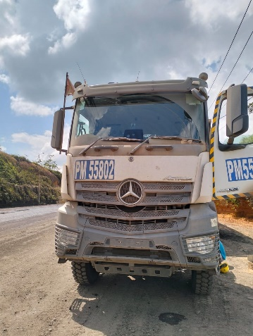

UNIT |  |  | HM |  | KM |  | VIN

1
ERROR TCM
2
ACTUAL VALUE CLUTCH
TEST
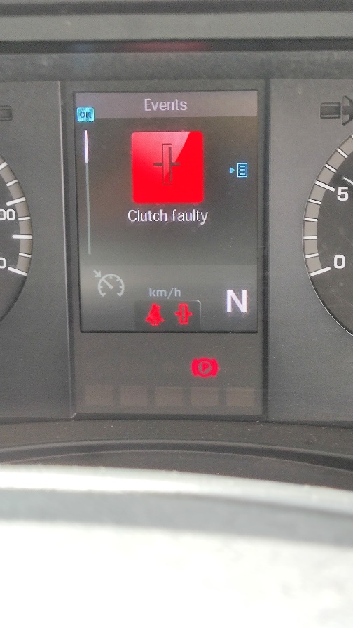 |  |  | 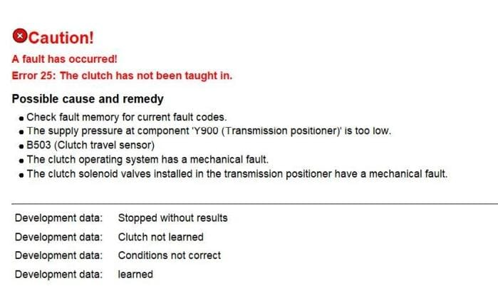 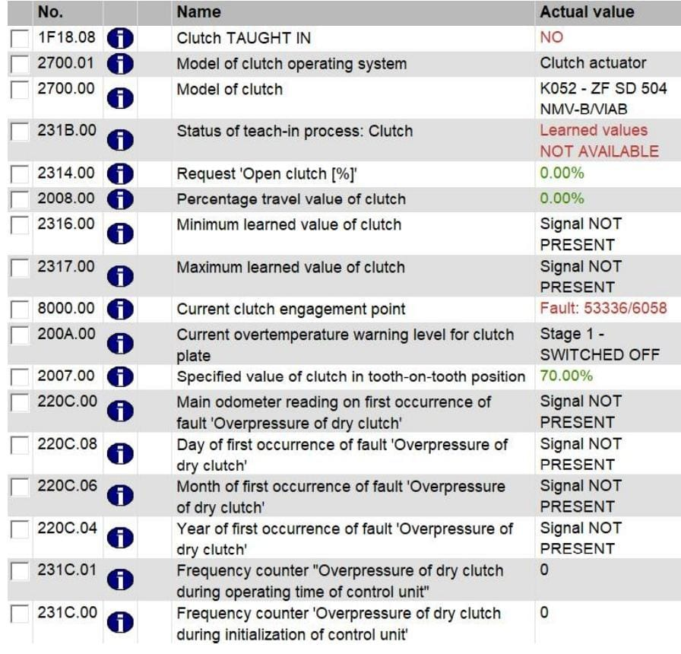
4

ERROR CLUTCH FAULTY
3
3
GAGAL SAAT TECH IN CLUTCH
FAULTY PADA PEMBACAAN CURRENT CLUTCH ENGAGEMENT POINT

5
CLUTCH ACTUATOR BEFORE
CLUTCH ACTUATOR BARU & RUSAK
CLUTCH ACTUATOR BARU SAAT TERINSTAL
ADANYA KEBOCORAN ANGIN SAAT CLUTCH ACTUATOR DITEKAN(TIDAK VACCUM)
 | 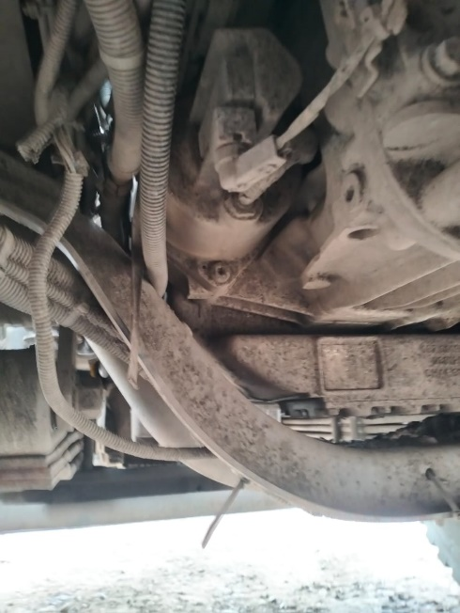 |  |  |  | 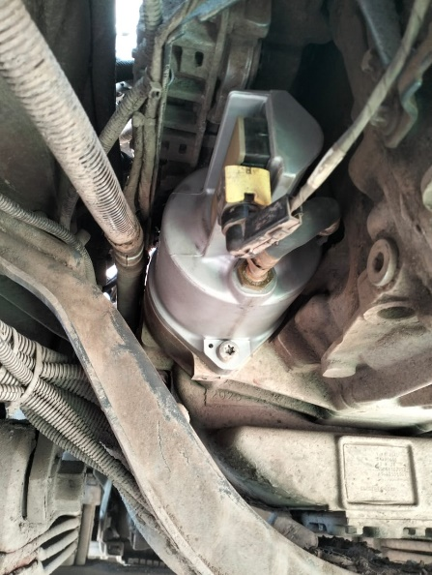 | 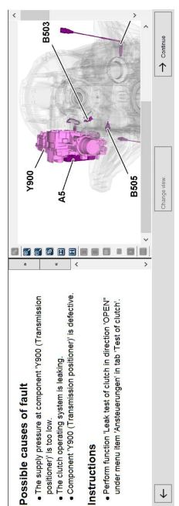
 |  |  | 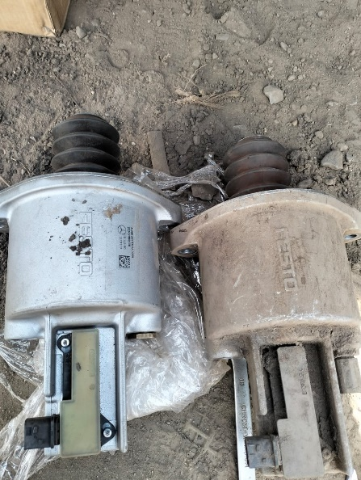 |  |  |  |  | 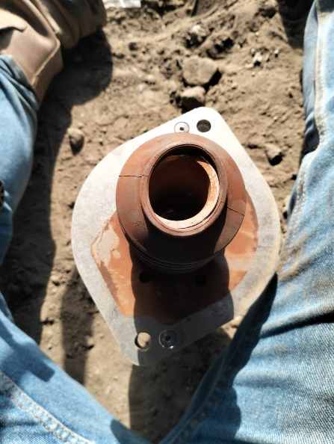
PICTURE PART
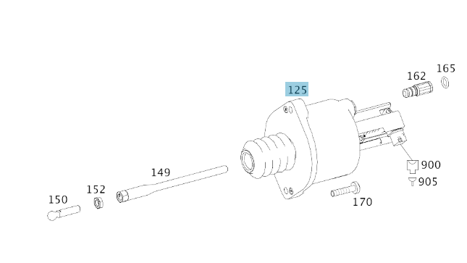 |  |  | 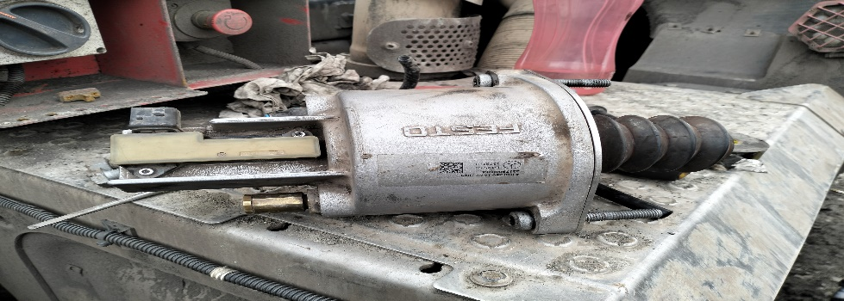 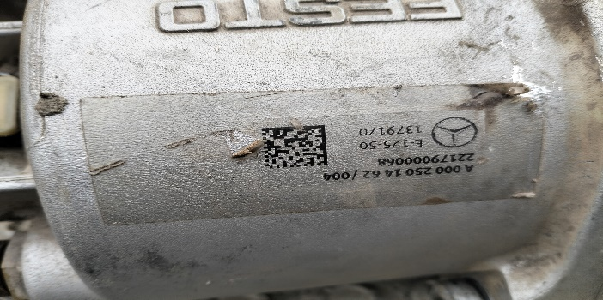

PENGETESTAN CLUTCH ACTUATOR BARU & BEKAS ADA DI FOLDER

Part Book |  |  |  |  | picture part no part new |  | Remarks

 |  |  |  |  |  |  | validation

and Mercedes-Benz are registered trademarks of Mercedes-Benz Group AG.
and Mercedes-Benz are registered trademarks of Mercedes-Benz Group AG.
Head Office | Gedung Office 8 Lt.33 (SCBD Lot 28/Senopati Raya 8B), Jl.Jend.Sudirman Kav.52-53, Jakarta Selatan 12190 , Indonesia | T +62 21 57903456 | www.starwagen.co.id
Branch | Jl.Syarifuddin Yoes Blok.Kav.46-47 RT.045, Sepinggan Baru, Balikpapan Selatan, Kalimantan Timur, Indonesia | +62 54 28707888 / +62 54 28705758
 |  |  |  |  |  |  | ANANDA IRFAN S | Supervisor / Workshop Managaer

Part Request
MENU

 |  |  |  |  |  |  |  |  | Authorized Dealer of Mercedes-Benz
Part Request Slip |  |  |  |  |  |  |  |  | Truck & Bus in Indonesia
 |  | Passenger car Commercial vehicle
Slip Numbering |  | Customer Information |  |  |  | Vehicle Information |  |  | Order Information
 |  | Nama | PT. ANTAREJA MAHADA MAKMUR |  |  | Model : | ACTROS 4058 |  | Worksop Order No : | 310000015354
 |  | Site | PT MIFA |  |  | Vin : | W1T96441720727091 |  | Order By :
 |  |  |  |  |  | Engine No : | 473907C0888206 |  | Delivery By :
 |  | Car Registration | PM55802 |  |  | Date of 1st registration: | 0 |  | Received By | 45701
 |  |  |  |  |  |  |  |  | Issue On :

No | Part Number | ES1 | ES2 | Bin Location | Quantity Requested | Description |  |  | Unit Price | Total Price
1 | A0002501462 |  |  |  | 1 | CLUTCH ACTUATOR
2 |  |  |  |  |  |  |  |  |  |  | ROTATIONAL SPEED SENSOR
3
4
5
6
7
8
9
10
11
12
13
14
 |  |  |  |  |  |  |  | Foreman | Mechanic | Delivered By

 |  |  |  |  |  |  |  |  | ANANDA IRFAN S

 | Head Office | Gedung Office 8 Lt.33 (SCBD Lot 28/Senopati Raya 8B), Jl.Jend.Sudirman Kav.52-53, Jakarta Selatan 12190 , Indonesia | T +62 21 57903456 | www.starwagen.co.id
 | Branch | Jl.Syarifuddin Yoes Blok.Kav.46-47 RT.045, Sepinggan Baru, Balikpapan Selatan, Kalimantan Timur, Indonesia | +62 54 28707888 / +62 54 28705758

and Mercedes-Benz are registered trademarks of Mercedes-Benz Group AG

Final Control
MENU

 |  |  | Truck & Bus |  |  |  | PT Star Wagen Indonesia
 |  |  | in Indonesia |  |  |  | Authorized Dealer of Mercedes-Benz Truck & Bus in Indonesia
Final Control Report

 |  | Customer Name : | PT. ANTAREJA MAHADA MAKMUR |  | Millage In : |  |  |  | Check And Tested By
 |  | Wo no/ WIP NO : |  |  | Millage Out : |  |  |  | Name : | ANANDA IRFAN S
 |  |  |  |  |  |  |  |  | Date : | 2025-01-29

 |  | Function Checks |  |  | Visual Checks |  |  |  | Other Checks
 | √ | All warning indicators |  | √ | Engine |  |  | √ | Wiper blades and spraying nozzle |  | √
 | √ | Steering system |  | √ | Transmission |  |  | √ | Vacuum hoses/lines |  | x
 | √ | Horn |  | √ | Rear axles |  |  | √ | Write your own checking list related reparation you did
 | √ | Lights interior / exterior |  | √ | Steering system |  |  | √ | …………………………………………………………………..
 | √ | Other electrical equipment |  | √ | Fuel system |  |  | √ | …………………………………………………………………..
 | √ | Central locking / closing assist system |  | √ | Cooling system |  |  | √ | …………………………………………………………………..
 | √ | Brakes on dynamometer or test drive |  | √ | Brake hoses / lines / linkage |  |  | √ | …………………………………………………………………..
 | √ | Air conditioner |  | √ | Condition of tires/spare tires (if any) |  |  | √ | …………………………………………………………………..
 |  |  |  | √ | Cleanliness inside and outside |  |  |  | …………………………………………………………………..
 |  | Fluid Levels |  |  | Final Checks |  |  |  | Document Check
 | √ | Engine |  | √ | Check work performed |  |  | √ | Test document / Short test result
 | √ | Transmission |  | √ | Test Drive if needed |  |  | √ | Workshop report (only if required)
 | √ | Radiator / Coolant |  |  |  |  |  | √ | Internal part requisition slip
 | √ | Power steering |  |  |  |  |  | √ | Battery test result, only if tested
 | √ | Battery |  |  |  |  |  | √
 | √ | Brake system |  |  |  |  |  | √
 | √ | Windshield washer |  |  |  |  |  | √
 |  |  |  |  |  |  |  | √
 | After completion of all the work required by you, we performed a final quality check on your vehicle with the following results:
 | Ok |  | No |  |  |  |  | Acknowledged by
 | During checking & reparation process, some critical findings has to be followed up;
 | 1.
 | 2.
 | this has been conveyed on………..to……………. but not approved for doing an action. |  |  |  | (Service Advisor) | (Customer) |  | Foreman or Supervisor

 | Head Office | Gedung Office 8 Lt.33 (SCBD Lot 28/Senopati Raya 8B), Jl.Jend.Sudirman Kav.52-53, Jakarta Selatan 12190 , Indonesia | T +62 21 57903456 | www.starwagen.co.id
 | Branch | Jl.Syarifuddin Yoes Blok.Kav.46-47 RT.045, Sepinggan Baru, Balikpapan Selatan, Kalimantan Timur, Indonesia | +62 54 28707888 / +62 54 28705758
and Mercedes-Benz are registered trademarks of Mercedes-Benz Group AG
.

