Worksop Report
 | Menu
 |  |  | Workshop Report For Diagnostic Guide

 |  |  |  |  |  |  | PT.STAR WAGEN INDONESIA
 |  |  |  |  | WO
Date: |  |  |  |  |  |  |  | Job Site: MIP Lahat
WIP No: |  |  |  |  | Customer Name: | PT.Putra perkasa Abadi
Chasis No: |  | MFJ400241PJ001919 |  |  | Reg No : |  | Reg date | 2024-09-02
Engine No: |  | 400953D0135857 |  |  | Type : | AXOR 2528 RMC | Mileage / Hours Meter | 12873/1250
Unit Code |  | WT 2543

COMPLAINT ANALYSIS
Warning Bttry In Display

Vehicle information
Aplicaton : |  | Long distance |  | Dump truck | Coal operation | Regular service base
 |  | Short distance |  | support truck | OB operation
Customer Information :
Alternator Broken

TEST LEVEL

 | Test Level Description |  |  |  |  | Actual Value | Remark | Attachment Number
 | CHEK EROR CODE |  |  |  |  | MIL ENGINE FLAS ON
 | CHEK SOCKET NOX SENSOR |  |  |  |  | GOOD
 | CLEANING NOX SENSOR |  |  |  |  | GOOD

CAUSE LEVEL
Cause level/Workshop findings: |  |  |  |  | RESULT :
 |  |  |  |  | Pada tanggal 20 Jnauari 2025,Team Plant PPA site MIPL SUMSEL mendapatkan laporan Breakdown dari team CCR bahwa unit AXOR 2528 RMC dengan nomer lambung WT 2543 lambang MIL flas on,Dan di cehek oleh mekanik SWI bahwa di temukan NOX sensor tidak mau baca.
 |  | Ada | Tidak ada | Attachment Nr
Photo (# lembar) |  | √ | x
Area kerusakan (gbr EPC) |  | √ | x
Video (nama file) |  | x | x
Old Spare part No.
Notes: |  |  |  |  |  |  |  |  |  | √
 |  |  |  |  |  |  |  |  |  | x

RECTIFICATION AND VERIFICATION LEVEL
Rectification:
WAITING PART NOX SENSOR

Verification:

 |  |  | Workshop report digunakan untuk mencatat hasil analisa mekanik dengan menyertakan langkah-langkah diagnosis dan temuannya selama diagnosa

PICTURE CAUSE AND ACTION
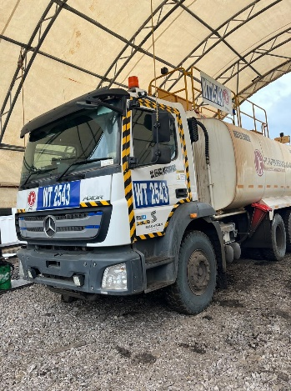 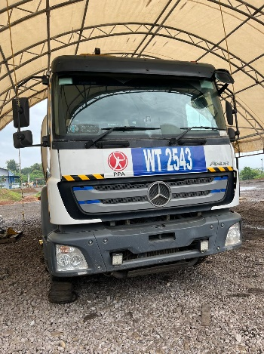 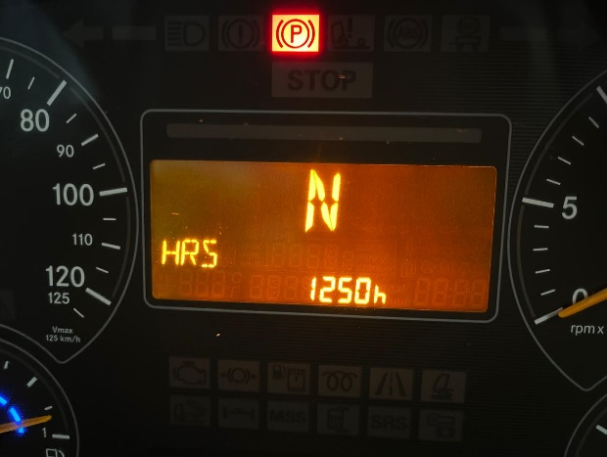 |  |  |  |  | 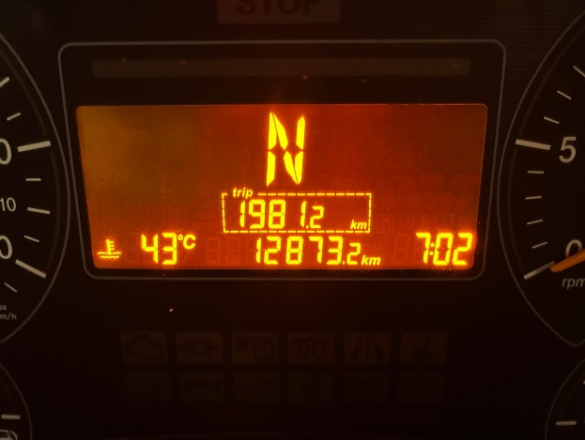 |  | 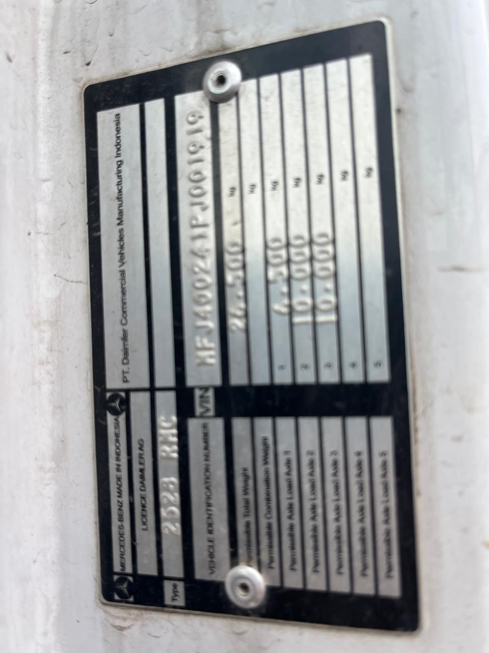

FOTO UNIT |  |  | FOTO HM |  | FOTO KM |  | FOTO VIN

PICTURE CAUSE AND ACTION
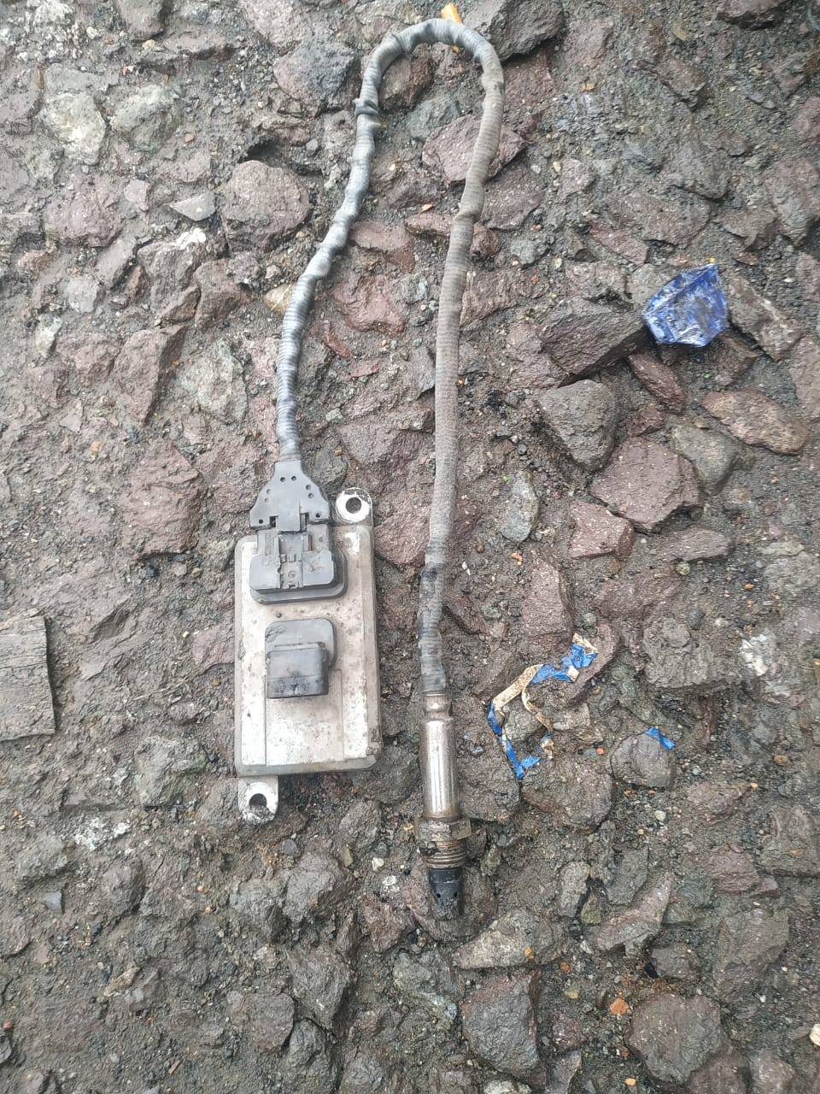 |  |  | 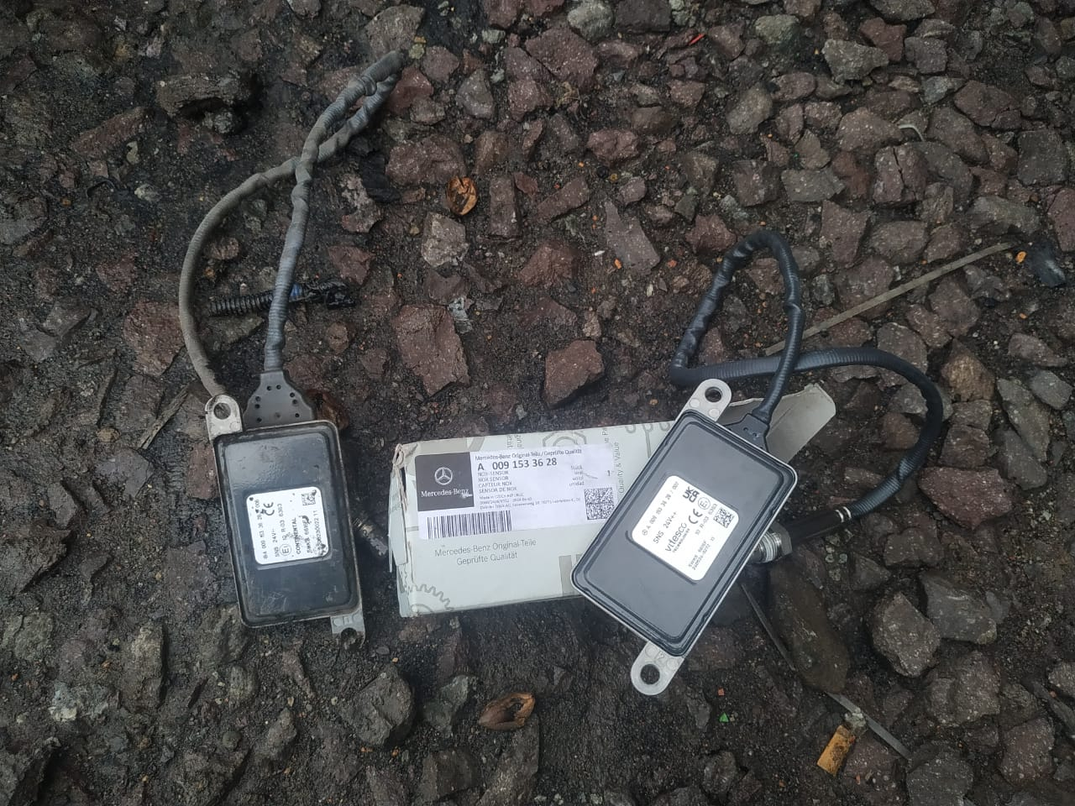 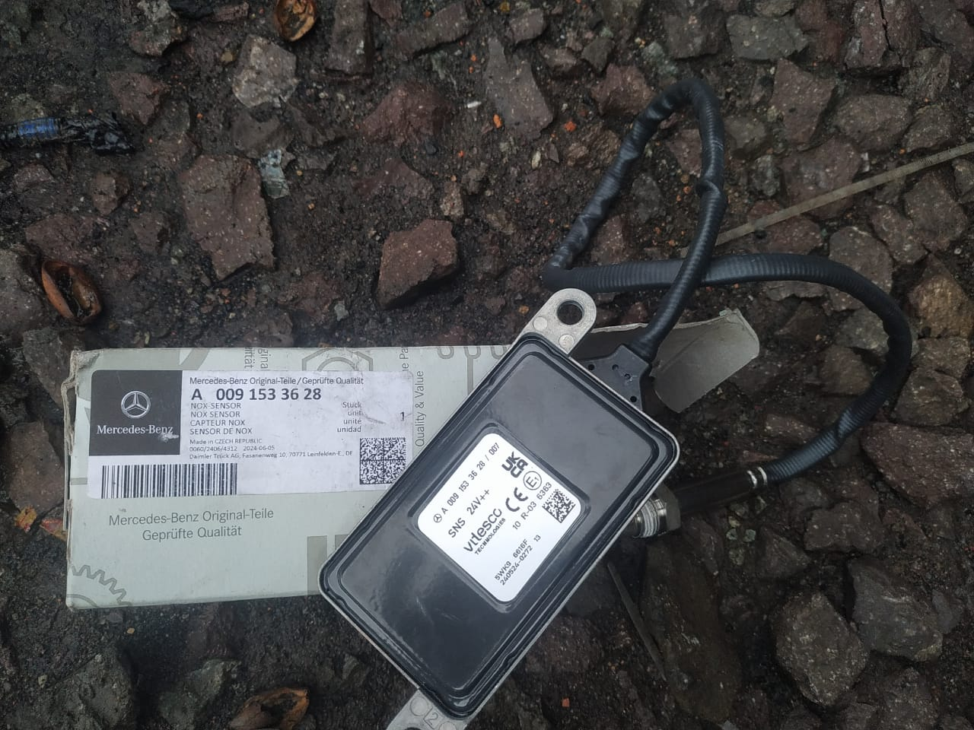

NOX SENSOR NEW

NOX SENSOR BEKAS

CUSTOMER COMPLAINT PICTURE |  |  | JOB PROGRESS INVESTIGATION PICTURE |  |  |  |  | PROSES INSTALL OR PICTURE JOB FINISH

PICTURE CAUSE AND ACTION
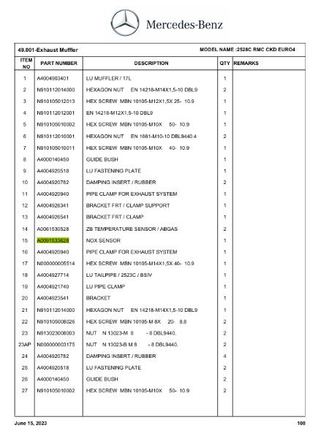 |  |  | 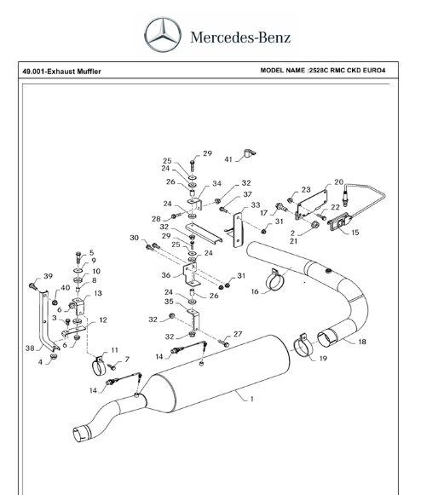

NO 15

Part Book |  |  | picture part no aktual |  | picture part no part new |  | Remarks

 |  |  |  |  |  |  | validation

and Mercedes-Benz are registered trademarks of Mercedes-Benz Group AG.
Head Office | Gedung Office 8 Lt.33 (SCBD Lot 28/Senopati Raya 8B), Jl.Jend.Sudirman Kav.52-53, Jakarta Selatan 12190 , Indonesia | T +62 21 57903456 | www.starwagen.co.id
Branch | Jl.Syarifuddin Yoes Blok.Kav.46-47 RT.045, Sepinggan Baru, Balikpapan Selatan, Kalimantan Timur, Indonesia | +62 54 28707888 / +62 54 28705758
 |  |  |  |  |  |  | 0 | 0 | 0 | 0 | 0 | 0 | 0 | 0 | 0 | 0
 |  |  |  |  |  |  | 0 | 0 | 0 | 0 | 0 | 0 | 0 | 0 | 0 | 0
 |  |  |  |  |  |  | 0 | 0 | 0 | 0 | 0 | 0 | 0 | 0 | 0 | 0
 |  |  |  |  |  |  | 0 | 0 | 0 | 0 | 0 | 0 | 0 | 0 | 0 | 0
 |  |  |  |  |  |  | 0 | 0 | 0 | 0 | 0 | 0 | 0 | 0 | 0 | 0
 |  |  |  |  |  |  | 0 | 0 | 0 | 0 | 0 | 0 | 0 | 0 | 0 | 0
 |  |  |  |  |  |  | 0 | 0 | 0 | 0 | 0 | 0 | 0 | 0 | 0 | 0
 |  |  |  |  |  |  | 0 | 0 | 0 | 0 | 0 | 0 | 0 | 0 | 0 | 0
 |  |  |  |  |  |  | 0 | 0 | 0 | 0 | 0 | 0 | 0 | 0 | 0 | 0
 |  |  |  |  |  |  | 0 | 0 | 0 | 0 | 0 | 0 | 0 | 0 | 0 | 0
 |  |  |  |  |  |  | 0 | 0 | 0 | 0 | 0 | 0 | 0 | 0 | 0 | 0
 |  |  |  |  |  |  | 0 | 0 | 0 | 0 | 0 | 0 | 0 | 0 | 0 | 0
 |  |  |  |  |  |  | 0 | 0 | 0 | 0 | 0 | 0 | 0 | 0 | 0 | 0
 |  |  |  |  |  |  | 0 | 0 | 0 | 0 | 0 | 0 | 0 | 0 | 0 | 0
 |  |  |  |  |  |  | 0 | 0 | 0 | 0 | 0 | 0 | 0 | 0 | 0 | 0
 |  |  |  |  |  |  | FOTO UNIT | 0 | 0 | FOTO HM | 0 | 0 | FOTO KM | 0 | FOTO VIN | 0
 |  |  |  |  |  |  | 0 | 0 | 0 | 0 | 0 | 0 | 0 | 0 | 0 | 0
 |  |  |  |  |  |  | 0 | 0 | 0 | 0 | 0 | 0 | 0 | 0 | 0 | 0
 |  |  |  |  |  |  | 0 | 0 | 0 | 0 | 0 | 0 | 0 | 0 | 0 | 0
 |  |  |  |  |  |  | 0 | 0 | 0 | 0 | 0 | 0 | 0 | 0 | 0 | 0
 |  |  |  |  |  |  | 0 | 0 | 0 | 0 | 0 | 0 | 0 | 0 | 0 | 0
 |  |  |  |  |  |  | 0 | 0 | 0 | 0 | 0 | 0 | 0 | 0 | 0 | 0
 |  |  |  |  |  |  | 0 | 0 | 0 | 0 | 0 | 0 | 0 | 0 | 0 | 0
 |  |  |  |  |  |  | 0 | 0 | 0 | 0 | 0 | 0 | 0 | 0 | 0 | 0
 |  |  |  |  |  |  | 0 | 0 | 0 | 0 | 0 | 0 | 0 | 0 | 0 | 0
 |  |  |  |  |  |  | 0 | 0 | 0 | 0 | 0 | 0 | 0 | 0 | 0 | 0
 |  |  |  |  |  |  | 0 | 0 | 0 | 0 | 0 | 0 | 0 | 0 | 0 | 0
 |  |  |  |  |  |  | 0 | 0 | 0 | 0 | 0 | 0 | 0 | 0 | 0 | 0
 |  |  |  |  |  |  | 0 | 0 | 0 | 0 | 0 | 0 | 0 | 0 | 0 | 0
 |  |  |  |  |  |  | 0 | 0 | 0 | 0 | 0 | 0 | 0 | 0 | 0 | 0
 |  |  |  |  |  |  | 0 | 0 | 0 | 0 | 0 | 0 | 0 | 0 | 0 | 0
 |  |  |  |  |  |  | 0 | 0 | 0 | 0 | 0 | 0 | 0 | 0 | 0 | 0
 |  |  |  |  |  |  | PICTURE CAUSE AND ACTION | 0 | 0 | 0 | 0 | 0 | 0 | 0 | 0 | 0
 |  |  |  |  |  |  | 0 | 0 | 0 | 0 | 0 | 0 | 0 | 0 | 0 | 0
 |  |  |  |  |  |  | 0 | 0 | 0 | 0 | 0 | 0 | 0 | 0 | 0 | 0
 |  |  |  |  |  |  | 0 | 0 | 0 | 0 | 0 | 0 | 0 | 0 | 0 | 0
 |  |  |  |  |  |  | 0 | 0 | 0 | 0 | 0 | 0 | 0 | 0 | 0 | 0
 |  |  |  |  |  |  | 0 | 0 | 0 | 0 | 0 | 0 | 0 | 0 | 0 | 0
 |  |  |  |  |  |  | 0 | 0 | 0 | 0 | 0 | 0 | 0 | 0 | 0 | 0
 |  |  |  |  |  |  | 0 | 0 | 0 | 0 | 0 | 0 | 0 | 0 | 0 | 0
 |  |  |  |  |  |  | 0 | 0 | 0 | 0 | 0 | 0 | 0 | 0 | 0 | 0
 |  |  |  |  |  |  | 0 | 0 | 0 | 0 | 0 | 0 | 0 | 0 | 0 | 0
 |  |  |  |  |  |  | 0 | 0 | 0 | 0 | 0 | 0 | 0 | 0 | 0 | 0
 |  |  |  |  |  |  | 0 | 0 | 0 | 0 | 0 | 0 | 0 | 0 | 0 | 0
 |  |  |  |  |  |  | 0 | 0 | 0 | 0 | 0 | 0 | 0 | 0 | 0 | 0
 |  |  |  |  |  |  | 0 | 0 | 0 | 0 | 0 | 0 | 0 | 0 | 0 | 0
 |  |  |  |  |  |  | 0 | 0 | 0 | 0 | 0 | 0 | 0 | 0 | 0 | 0
 |  |  |  |  |  |  | 0 | 0 | 0 | 0 | 0 | 0 | 0 | 0 | 0 | 0
 |  |  |  |  |  |  | 0 | 0 | 0 | 0 | 0 | 0 | 0 | 0 | 0 | 0
 |  |  |  |  |  |  | 0 | 0 | 0 | 0 | 0 | 0 | 0 | 0 | 0 | 0

Part Request
MENU

 |  |  |  |  |  |  |  |  | Authorized Dealer of Mercedes-Benz
Part Request Slip |  |  |  |  |  |  |  |  | Truck & Bus in Indonesia
 |  | Passenger car Commercial vehicle
Slip Numbering |  | Customer Information |  |  |  | Vehicle Information |  |  | Order Information
 |  | Nama | PT.Putra perkasa Abadi |  |  | Model : | AXOR 2528 RMC |  | Worksop Order No : | 0
 |  | Site | 0 |  |  | Vin : | MFJ400241PJ001919 |  | Order By :
 |  |  |  |  |  | Engine No : | 400953D0135857 |  | Delivery By :
 |  | Car Registration | WT 2543 |  |  | Date of 1st registration: | 2024-09-02 |  | Received By | 0
 |  |  |  |  |  |  |  |  | Issue On :

No | Part Number | ES1 | ES2 | Bin Location | Quantity Requested | Description |  |  | Unit Price | Total Price
1 | A0091533628 |  |  |  | 1 | NOX SENSOR
 |  |  |  |  |  |  |  |  |  |  | ROTATIONAL SPEED SENSOR

 |  |  |  |  |  |  |  | formen | mehanic | delivered by

 | Head Office | Gedung Office 8 Lt.33 (SCBD Lot 28/Senopati Raya 8B), Jl.Jend.Sudirman Kav.52-53, Jakarta Selatan 12190 , Indonesia | T +62 21 57903456 | www.starwagen.co.id
 | Branch | Jl.Syarifuddin Yoes Blok.Kav.46-47 RT.045, Sepinggan Baru, Balikpapan Selatan, Kalimantan Timur, Indonesia | +62 54 28707888 / +62 54 28705758

and Mercedes-Benz are registered trademarks of Mercedes-Benz Group AG

Time Sheet
MENU

 |  |  |  | PT Star Wagen Indonesia
Job Time Card Report |  |  |  | Authorized Dealer of Mercedes-Benz Truck & Bus in Indonesia

Mechanic Name: | ERFAN FAUZY |  | WIP Number :

CIW/GW | Operational Code | End Start | Time Recording |  | Date |  |  |  | Total Time
 | Description
Customer | REMOVE INSTAL NOX SENSOR | End | 13:00:00 |  |  |  |  |  | 4:00:00 |  | Customer | 1:00:00
 |  | Start | 9:00:00 |  |  |  |  |  |  |  | Internal | 2:00:00
 |  | End |  |  |  |  |  |  | 0:00:00 |  | Warranty | 3:00:00
 |  | Start |  |  |  |  |  |  |  |  | GoodWill | 4:00:00
 |  | End |  |  |  |  |  |  | 0:00:00 |  |  | 5:00:00
 |  | Start |  |  |  |  |  |  |  |  |  | 6:00:00
 |  | End |  |  |  |  |  |  | 0:00:00 |  |  | 7:00:00
 |  | Start |  |  |  |  |  |  |  |  |  | 8:00:00
 |  | End |  |  |  |  |  |  | 0:00:00 |  |  | 9:00:00
 |  | Start |  |  |  |  |  |  |  |  |  | 10:00:00
 |  | End |  |  |  |  |  |  | 0:00:00 |  |  | 11:00:00
 |  | Start |  |  |  |  |  |  |  |  |  | 12:00:00
 |  | End |  |  |  |  |  |  | 0:00:00 |  |  | 13:00:00
 |  | Start |  |  |  |  |  |  |  |  |  | 14:00:00
 |  | End |  |  |  |  |  |  | 0:00:00 |  |  | 15:00:00
 |  | Start |  |  |  |  |  |  |  |  |  | 16:00:00
 |  | End |  |  |  |  |  |  | 0:00:00 |  |  | 13:00:00
 |  | Start |  |  |  |  |  |  |  |  |  | 14:00:00
 |  | End |  |  |  |  |  |  | 0:00:00 |  |  | 15:00:00
 |  | Start |  |  |  |  |  |  |  |  |  | 16:00:00
 |  | End |  |  |  |  |  |  | 0:00:00 |  |  | 13:00:00
 |  | Start |  |  |  |  |  |  |  |  |  | 14:00:00
 |  | End |  |  |  |  |  |  | 0:00:00 |  |  | 15:00:00
 |  | Start |  |  |  |  |  |  |  |  |  | 16:00:00
 |  |  |  |  |  |  |  |  |  |  |  | 17:00:00
Hours |  | C | I | W/G | W1 | W2 | W3 | W4 | W5 | W6 |  | 18:00:00
Total |  |  |  |  |  |  |  |  |  |  |  | 19:00:00
 |  |  |  |  |  |  |  |  |  |  |  | 20:00:00
Head Office | Gedung Office 8 Lt.33 (SCBD Lot 28/Senopati Raya 8B), Jl.Jend.Sudirman Kav.52-53, Jakarta Selatan 12190 , Indonesia | T +62 21 57903456 | www.starwagen.co.id |  |  |  |  |  |  |  |  |  |  |  | 21:00:00
Branch | Jl.Syarifuddin Yoes Blok.Kav.46-47 RT.045, Sepinggan Baru, Balikpapan Selatan, Kalimantan Timur, Indonesia | +62 54 28707888 / +62 54 28705758 |  |  |  |  |  |  |  |  |  |  |  | 22:00:00
 |  |  |  |  |  |  |  |  |  |  |  | 23:00:00
and Mercedes-Benz are registered trademarks of Mercedes-Benz Group AG
 |  |  |  |  |  |  |  |  |  |  |  | 1900-01-01 00:00:00

Final Control
MENU

 |  |  | Truck & Bus |  |  |  | PT Star Wagen Indonesia
 |  |  | in Indonesia |  |  |  | Authorized Dealer of Mercedes-Benz Truck & Bus in Indonesia
Final Control Report

 |  | Customer Name : | PT.Putra perkasa Abadi |  | Millage In : 10343 |  |  |  | Check And Tested By
 |  | Wo no/ WIP NO : |  |  | Millage Out : - |  |  |  | Name : ERFAN FAUZY
 |  |  |  |  |  |  |  |  | Date : 17 JANUARI 2025

 |  | Function Checks |  |  | Visual Checks |  |  |  | Other Checks
 | √ | All warning indicators |  | √ | Engine |  |  | √ | Wiper blades and spraying nozzle | √
 | √ | Steering system |  | √ | Transmission |  |  | √ | Vacuum hoses/lines | x
 | √ | Horn |  | √ | Rear axles |  |  | √ | Write your own checking list related reparation you did
 | √ | Lights interior / exterior |  | √ | Steering system |  |  | √ | …………………………………………………………………..
 | √ | Other electrical equipment |  | √ | Fuel system |  |  | √ | …………………………………………………………………..
 | √ | Central locking / closing assist system |  | √ | Cooling system |  |  | √ | …………………………………………………………………..
 | √ | Brakes on dynamometer or test drive |  | √ | Brake hoses / lines / linkage |  |  | √ | …………………………………………………………………..
 | √ | Air conditioner |  | √ | Condition of tires/spare tires (if any) |  |  | √ | …………………………………………………………………..
 |  |  |  | √ | Cleanliness inside and outside |  |  |  | …………………………………………………………………..
 |  | Fluid Levels |  |  | Final Checks |  |  |  | Document Check
 | √ | Engine |  | √ | Check work performed |  |  | √ | Test document / Short test result
 | √ | Transmission |  | √ | Test Drive if needed |  |  | √ | Workshop report (only if required)
 | √ | Radiator / Coolant |  |  |  |  |  | √ | Internal part requisition slip
 | √ | Power steering |  |  |  |  |  | √ | Battery test result, only if tested
 | √ | Battery |  |  |  |  |  | √
...
 |  |  |  |  |  |  |  | √
 | After completion of all the work required by you, we performed a final quality check on your vehicle with the following results:
 | Ok |  | No |  |  |  |  | Acknowledged by
 | During checking & reparation process, some critical findings has to be followed up;
 | 1.
 | 2.
 | this has been conveyed on………..to……………. but not approved for doing an action. |  |  |  | (Service Advisor) | (Customer) |  | Foreman or Supervisor

 | Head Office | Gedung Office 8 Lt.33 (SCBD Lot 28/Senopati Raya 8B), Jl.Jend.Sudirman Kav.52-53, Jakarta Selatan 12190 , Indonesia | T +62 21 57903456 | www.starwagen.co.id
 | Branch | Jl.Syarifuddin Yoes Blok.Kav.46-47 RT.045, Sepinggan Baru, Balikpapan Selatan, Kalimantan Timur, Indonesia | +62 54 28707888 / +62 54 28705758
and Mercedes-Benz are registered trademarks of Mercedes-Benz Group AG
.

