Time Sheet
MENU

 |  |  |  | PT Star Wagen Indonesia
Job Time Card Report |  |  |  | Authorized Dealer of Mercedes-Benz Truck & Bus in Indonesia

Mechanic Name: | Egi sugiana |  | WIP Number :

CIW/GW | Operational Code | End Start | Time Recording |  | Date |  |  |  | Total Time
 | Description
Warranty |  | End |  |  |  |  |  |  | 0:00:00 |  | Customer | 1:00:00
 |  | Start |  |  |  |  |  |  |  |  | Internal | 2:00:00
 |  | End |  |  |  |  |  |  | 0:00:00 |  | Warranty | 3:00:00
 |  | Start |  |  |  |  |  |  |  |  | GoodWill | 4:00:00
 |  | End |  |  | 2023-01-16 |  |  |  | 0:00:00 |  |  | 5:00:00
 |  | Start |  |  |  |  |  |  |  |  |  | 6:00:00
 |  | End |  |  |  |  |  |  | 0:00:00 |  |  | 7:00:00
 |  | Start |  |  |  |  |  |  |  |  |  | 8:00:00
 |  | End |  |  |  |  |  |  | 0:00:00 |  |  | 9:00:00
 |  | Start |  |  |  |  |  |  |  |  |  | 10:00:00
 |  | End |  |  |  |  |  |  | 0:00:00 |  |  | 11:00:00
 |  | Start |  |  |  |  |  |  |  |  |  | 12:00:00
 |  | End |  |  |  |  |  |  | 0:00:00 |  |  | 13:00:00
 |  | Start |  |  |  |  |  |  |  |  |  | 14:00:00
 |  | End |  |  |  |  |  |  | 0:00:00 |  |  | 15:00:00
 |  | Start |  |  |  |  |  |  |  |  |  | 16:00:00
 |  | End |  |  |  |  |  |  | 0:00:00 |  |  | 13:00:00
 |  | Start |  |  |  |  |  |  |  |  |  | 14:00:00
 |  | End |  |  |  |  |  |  | 0:00:00 |  |  | 15:00:00
 |  | Start |  |  |  |  |  |  |  |  |  | 16:00:00
 |  | End |  |  |  |  |  |  | 0:00:00 |  |  | 13:00:00
 |  | Start |  |  |  |  |  |  |  |  |  | 14:00:00
 |  | End |  |  |  |  |  |  | 0:00:00 |  |  | 15:00:00
 |  | Start |  |  |  |  |  |  |  |  |  | 16:00:00
 |  |  |  |  |  |  |  |  |  |  |  | 17:00:00
Hours |  | C | I | W/G | W1 | W2 | W3 | W4 | W5 | W6 |  | 18:00:00
Total |  |  |  | 0:00:00 |  |  |  |  |  |  |  | 19:00:00
 |  |  |  |  |  |  |  |  |  |  |  | 20:00:00
Head Office | Gedung Office 8 Lt.33 (SCBD Lot 28/Senopati Raya 8B), Jl.Jend.Sudirman Kav.52-53, Jakarta Selatan 12190 , Indonesia | T +62 21 57903456 | www.starwagen.co.id |  |  |  |  |  |  |  |  |  |  |  | 21:00:00
Branch | Jl.Syarifuddin Yoes Blok.Kav.46-47 RT.045, Sepinggan Baru, Balikpapan Selatan, Kalimantan Timur, Indonesia | +62 54 28707888 / +62 54 28705758 |  |  |  |  |  |  |  |  |  |  |  | 22:00:00
 |  |  |  |  |  |  |  |  |  |  |  | 23:00:00
and Mercedes-Benz are registered trademarks of Mercedes-Benz Group AG
 |  |  |  |  |  |  |  |  |  |  |  | 1900-01-01 00:00:00

Worksop Report
 | Menu
 |  |  | Workshop Report For Diagnostic Guide

 |  |  |  |  |  |  | PT.STAR WAGEN INDONESIA
 |  |  |  |  | WO
Date: |  | 6-Dec-24 |  |  |  |  |  | Job Site:
WIP No: |  |  |  |  | Customer Name: | PT. ANTAREJA MAHADA MAKMUR |  | PT MIFA
Chasis No: |  | W1T96423120568995 |  |  | Reg No : |  | Reg date
Engine No: |  | 460972U1095810 |  |  | Type : | AROCS 4845 K | Mileage / Hours Meter | 121948 / 8523
Unit Code |  | DA4840

COMPLAINT ANALYSIS
Customer complaint/Customer information
 | Finding during schedule service
Vehicle information
 | Aplicaton : | ü Long distance |  | ü Dump truck | Ore operation | Regular service base
 |  | Short distance |  | support truck | ü OB operation
Customer Information :
 | WHEN SCHEDULE SERVICE MECHANIC FINDING OIL LEAK FROM SEAL DIFFERENTIAL REAR

TEST LEVEL

 | Test Level Description |  |  |  |  | Actual Value | Remark | Attachment Number
 | CHECK DIFFERENTIAL REAR |  |  |  |  | LEAK | NOT OK | attachment picture 1
 | CHECK BEARING GEAR PINION |  |  |  |  | FRICTION | NOT OK | attachment picture 2

CAUSE LEVEL
Cause level/Workshop findings: |  |  |  |  | RESULT :
 |  |  |  |  | WHEN SCHEDULE SERVICE MECHANIC FINDING OIL LEAK FROM DIFFERENTIAL REAR. WE CHECK CONDITION LEAKING DIFFERENTIAL REAR AND TEST AXIAL PLAY GEAR PINION LARGE. BASE ON THIS CONDITON WE UNINSTAL DIFFERENTIAL REAR AND WE REMOVE DIFFERENTIAL. FINDING AFTER REMOVE DIFFERENTIAL CONDITION BEARING PINION GEAR FRICTION. AND THEN WE REPLACE WITH NEW PART, WE ASSEMBLY AND INSTAL DIFFERENTIAL REAR TO UNIT AND UNIT NORMAL OPERATION AGAIN.
 |  | Ada | Tidak ada | Attachment Nr
Photo (# lembar) |  | √ |  | √
Area kerusakan (gbr EPC) |  | √ |  | √
Video (nama file) |  | √ | √ | √
Old Spare part No.
Notes: |  |  |  |  |  |  |  |  | √
 |  |  |  |  |  |  |  |  | x

RECTIFICATION AND VERIFICATION LEVEL
Rectification:

 | PART NUMBER | DESCRIPTION | QTY
 | A0039812905 | TAPERED ROLLER BEARING | 1
 | A0039810605 | TAPERED ROLLER BEARING | 1
 | A0059811505 | TAPERED ROLLER BEARING | 1
 | A0019817205 | TAPERED ROLLER BEARING | 1
 | A0219975947 | RADIAL SHAFT SEAL RING | 1

Verification:

 |  |  | Workshop report digunakan untuk mencatat hasil analisa mekanik dengan menyertakan langkah-langkah diagnosis dan temuannya selama diagnosa

PICTURE CAUSE AND ACTION
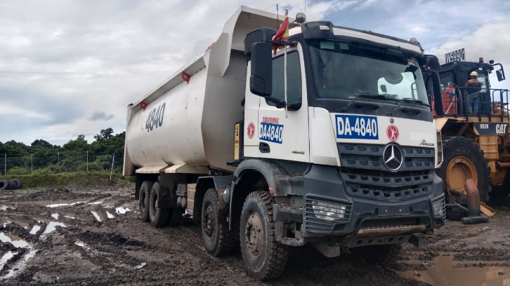 |  |  | 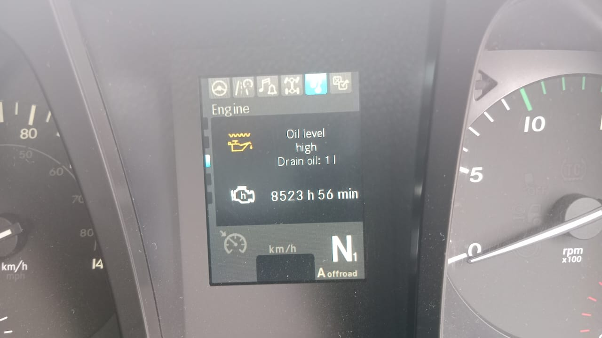 |  | 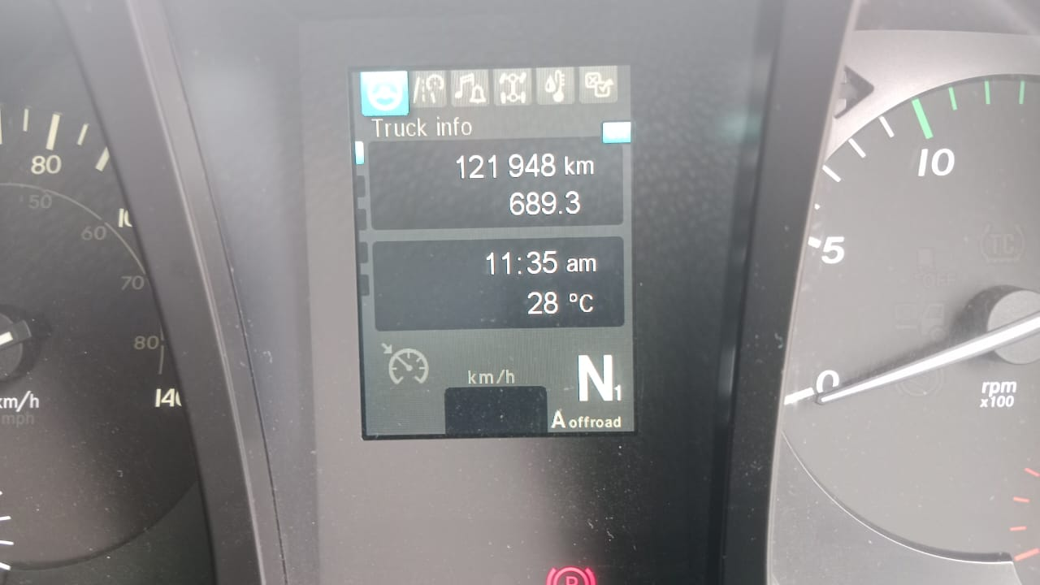 |  | 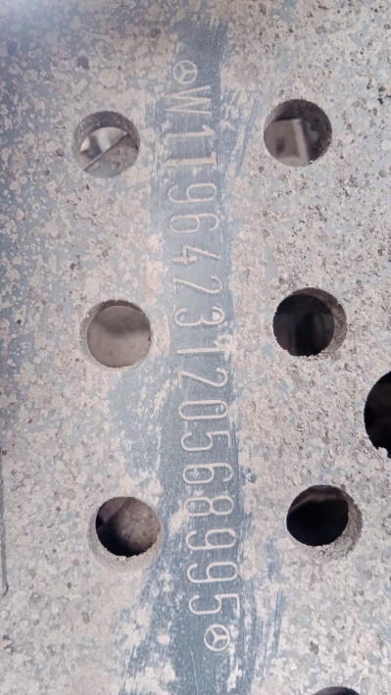

FOTO UNIT |  |  | FOTO HM |  | FOTO KM |  | FOTO VIN

OIL LEAK FROM SEAL DIFFERENTIAL REAR
CONDITON BEARING PINION GEAR FRICTION
2
PICTURE CAUSE AND ACTION
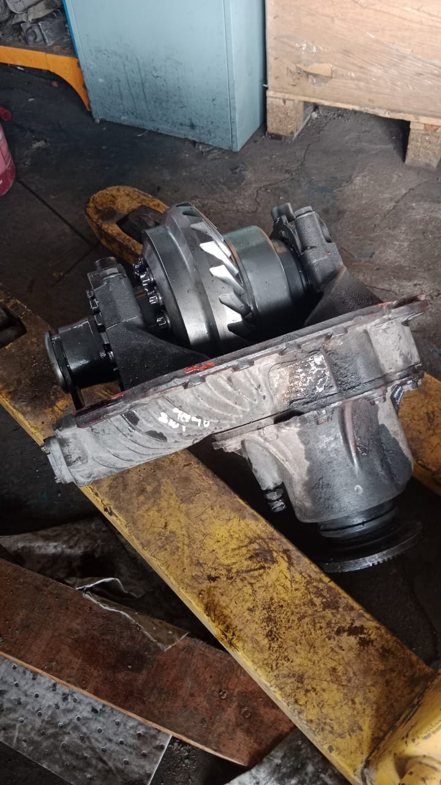 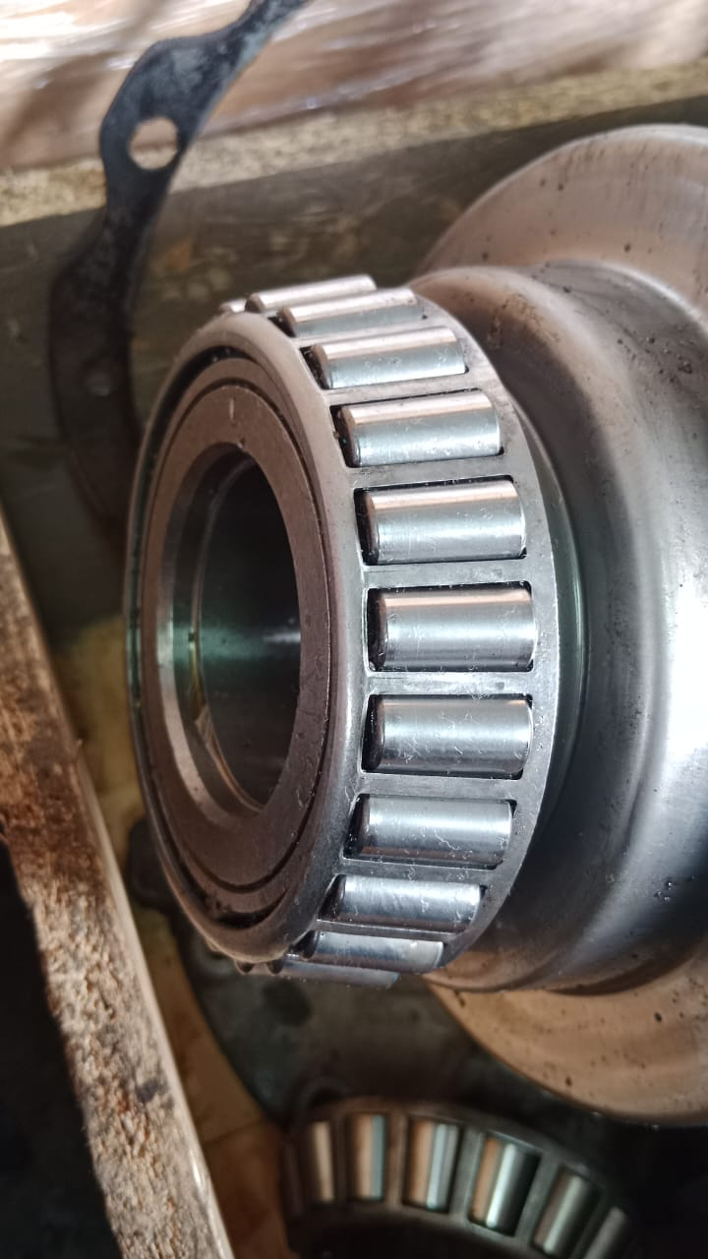 |  |  | 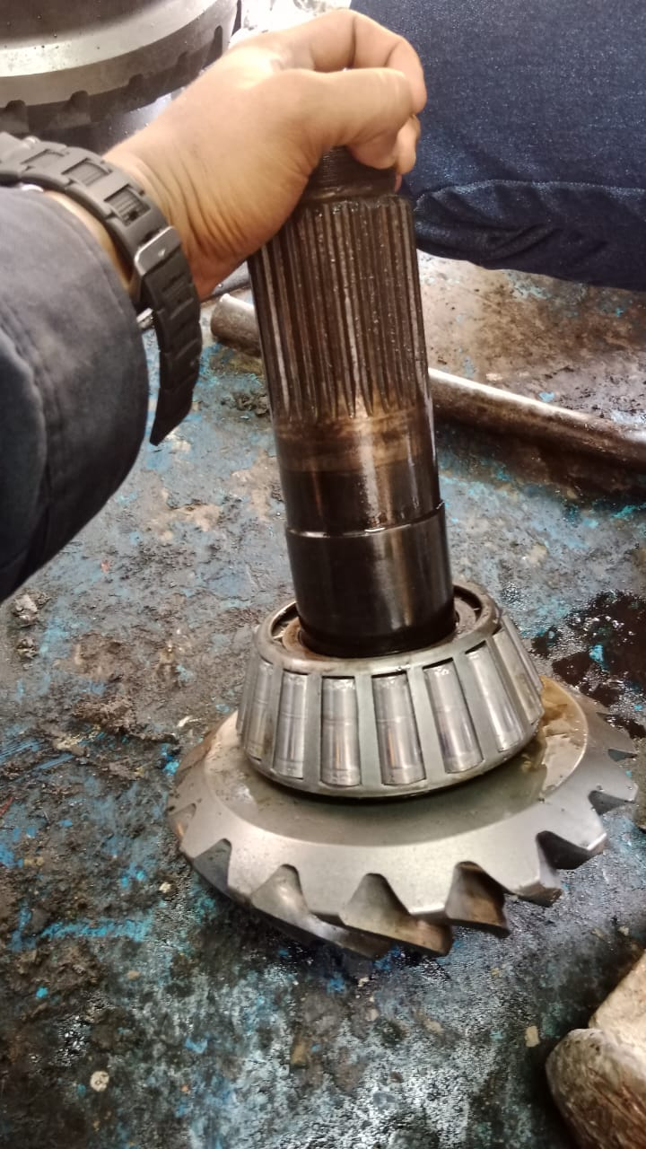 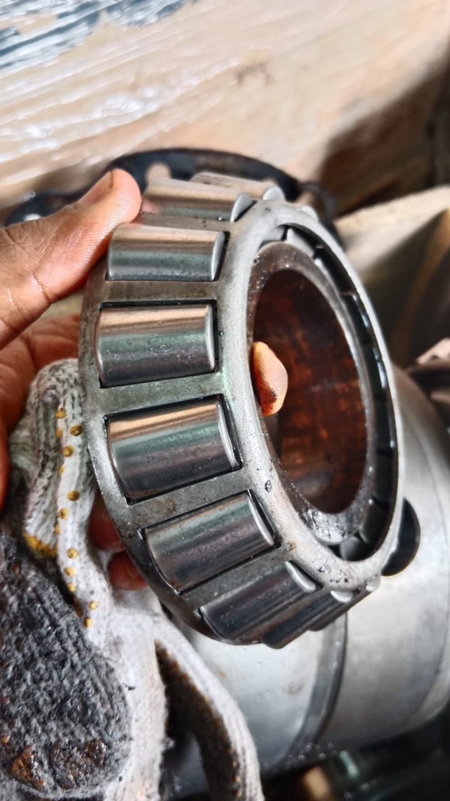 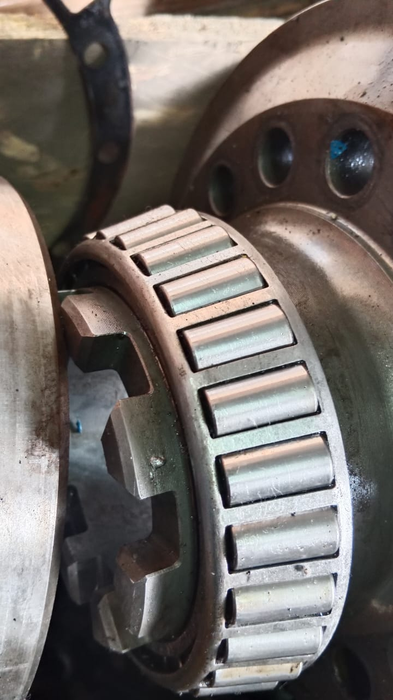 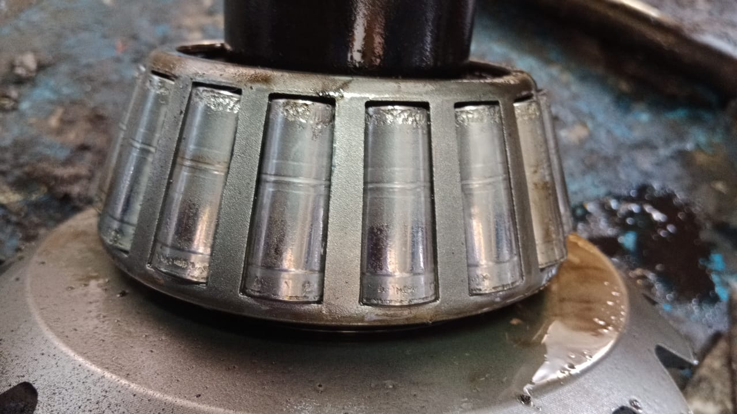
1

CONDITON ALL BEARING DIFFERENTIAL REAR AXLE FRICTION
CUSTOMER COMPLAINT PICTURE |  |  | JOB PROGRESS INVESTIGATION PICTURE

PICTURE CAUSE AND ACTION
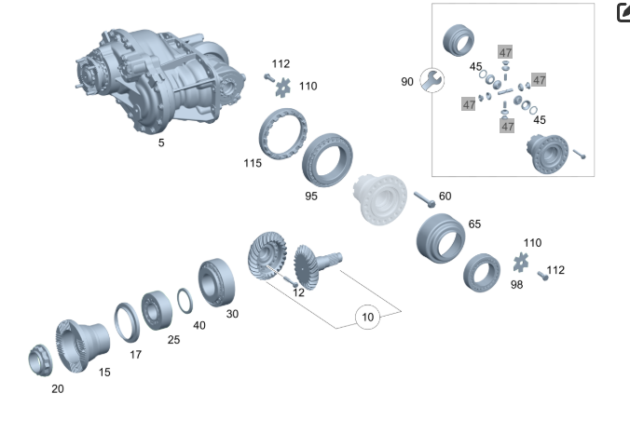 |  |  |  |  | 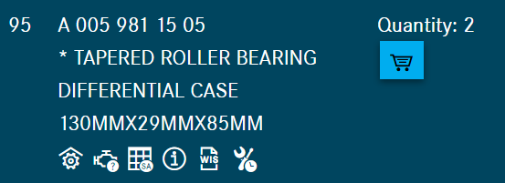 |  | 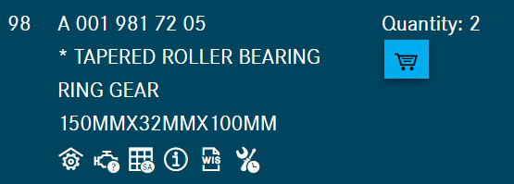

Part Book |  |  |  |  | picture part no part new |  | Remarks

 |  |  |  |  |  |  | validation

and Mercedes-Benz are registered trademarks of Mercedes-Benz Group AG.
and Mercedes-Benz are registered trademarks of Mercedes-Benz Group AG.
Head Office | Gedung Office 8 Lt.33 (SCBD Lot 28/Senopati Raya 8B), Jl.Jend.Sudirman Kav.52-53, Jakarta Selatan 12190 , Indonesia | T +62 21 57903456 | www.starwagen.co.id
Branch | Jl.Syarifuddin Yoes Blok.Kav.46-47 RT.045, Sepinggan Baru, Balikpapan Selatan, Kalimantan Timur, Indonesia | +62 54 28707888 / +62 54 28705758
 |  |  |  |  |  |  | Egi sugiana | Supervisor / Workshop Managaer

Part Request
MENU

 |  |  |  |  |  |  |  |  | Authorized Dealer of Mercedes-Benz
Part Request Slip |  |  |  |  |  |  |  |  | Truck & Bus in Indonesia
 |  | Passenger car Commercial vehicle
Slip Numbering |  | Customer Information |  |  |  | Vehicle Information |  |  | Order Information
 |  | Nama | PT. ANTAREJA MAHADA MAKMUR |  |  | Model : | AROCS 4845 K |  | Worksop Order No : | 0
 |  | Site | PT MIFA |  |  | Vin : | W1T96423120568995 |  | Order By :
 |  |  |  |  |  | Engine No : | 460972U1095810 |  | Delivery By :
 |  | Car Registration | DA4840 |  |  | Date of 1st registration: | 0 |  | Received By | 45632
 |  |  |  |  |  |  |  |  | Issue On :

No | Part Number | ES1 | ES2 | Bin Location | Quantity Requested | Description |  |  | Unit Price | Total Price
1 | A0039812905 |  |  |  | 1 | TAPERED ROLLER BEARING
2 | A0039810605 |  |  |  | 1 | TAPERED ROLLER BEARING |  |  |  |  | ROTATIONAL SPEED SENSOR
3 | A0059811505 |  |  |  | 1 | TAPERED ROLLER BEARING
4 | A0019817205 |  |  |  | 1 | TAPERED ROLLER BEARING
5 | A0219975947 |  |  |  | 1 | RADIAL SHAFT SEAL RING
6
7
8
9
10
11
12
13
14
 |  |  |  |  |  |  |  | Foreman | Mechanic | Delivered By

 |  |  |  |  |  |  |  |  | Egi sugiana

 | Head Office | Gedung Office 8 Lt.33 (SCBD Lot 28/Senopati Raya 8B), Jl.Jend.Sudirman Kav.52-53, Jakarta Selatan 12190 , Indonesia | T +62 21 57903456 | www.starwagen.co.id
 | Branch | Jl.Syarifuddin Yoes Blok.Kav.46-47 RT.045, Sepinggan Baru, Balikpapan Selatan, Kalimantan Timur, Indonesia | +62 54 28707888 / +62 54 28705758

and Mercedes-Benz are registered trademarks of Mercedes-Benz Group AG

Final Control
MENU

 |  |  | Truck & Bus |  |  |  | PT Star Wagen Indonesia
 |  |  | in Indonesia |  |  |  | Authorized Dealer of Mercedes-Benz Truck & Bus in Indonesia
Final Control Report

 |  | Customer Name : | PT. ANTAREJA MAHADA MAKMUR |  | Millage In : |  |  |  | Check And Tested By
 |  | Wo no/ WIP NO : |  |  | Millage Out : |  |  |  | Name : | Egi sugiana
 |  |  |  |  |  |  |  |  | Date : | 2023-09-05

 |  | Function Checks |  |  | Visual Checks |  |  |  | Other Checks
 | √ | All warning indicators |  | √ | Engine |  |  | √ | Wiper blades and spraying nozzle |  | √
 | √ | Steering system |  | √ | Transmission |  |  | √ | Vacuum hoses/lines |  | x
 | √ | Horn |  | √ | Rear axles |  |  | √ | Write your own checking list related reparation you did
 | √ | Lights interior / exterior |  | √ | Steering system |  |  | √ | …………………………………………………………………..
 | √ | Other electrical equipment |  | √ | Fuel system |  |  | √ | …………………………………………………………………..
 | √ | Central locking / closing assist system |  | √ | Cooling system |  |  | √ | …………………………………………………………………..
 | √ | Brakes on dynamometer or test drive |  | √ | Brake hoses / lines / linkage |  |  | √ | …………………………………………………………………..
 | √ | Air conditioner |  | √ | Condition of tires/spare tires (if any) |  |  | √ | …………………………………………………………………..
 |  |  |  | √ | Cleanliness inside and outside |  |  |  | …………………………………………………………………..
 |  | Fluid Levels |  |  | Final Checks |  |  |  | Document Check
 | √ | Engine |  | √ | Check work performed |  |  | √ | Test document / Short test result
 | √ | Transmission |  | √ | Test Drive if needed |  |  | √ | Workshop report (only if required)
 | √ | Radiator / Coolant |  |  |  |  |  | √ | Internal part requisition slip
 | √ | Power steering |  |  |  |  |  | √ | Battery test result, only if tested
 | √ | Battery |  |  |  |  |  | √
 | √ | Brake system |  |  |  |  |  | √
 | √ | Windshield washer |  |  |  |  |  | √
 |  |  |  |  |  |  |  | √
 | After completion of all the work required by you, we performed a final quality check on your vehicle with the following results:
 | Ok |  | No |  |  |  |  | Acknowledged by
 | During checking & reparation process, some critical findings has to be followed up;
 | 1.
 | 2.
 | this has been conveyed on………..to……………. but not approved for doing an action. |  |  |  | (Service Advisor) | (Customer) |  | Foreman or Supervisor

 | Head Office | Gedung Office 8 Lt.33 (SCBD Lot 28/Senopati Raya 8B), Jl.Jend.Sudirman Kav.52-53, Jakarta Selatan 12190 , Indonesia | T +62 21 57903456 | www.starwagen.co.id
 | Branch | Jl.Syarifuddin Yoes Blok.Kav.46-47 RT.045, Sepinggan Baru, Balikpapan Selatan, Kalimantan Timur, Indonesia | +62 54 28707888 / +62 54 28705758
and Mercedes-Benz are registered trademarks of Mercedes-Benz Group AG
.

