Worksop Report
 | Menu
 |  |  | Workshop Report For Diagnostic Guide

 |  |  |  |  |  |  | PT.STAR WAGEN INDONESIA
 |  |  |  |  | WO
Date: |  | 22-Nov-24 |  |  |  |  |  | Job Site:
WIP No: |  |  |  |  | Customer Name: | PT. Putra Perkasa Abadi |  | MLP
Chasis No: |  | MEC2437BCPP136407 |  |  | Reg No : |  | Reg date | 20-Nov-24
Engine No: |  | 400953D0142136 |  |  | Type : | AXOR 2528 CH | Mileage / Hours Meter | 1680 KM / 91 H
Unit Code |  | DA25171

COMPLAINT ANALYSIS
Customer complaint/Customer information
 | Transmission noise
Vehicle information
 | Aplicaton : | ü Long distance |  | ü Dump truck | P Ore operation | Regular service base
 |  | Short distance |  | support truck | OB operation
Customer Information :
 | There's abnormal noise when shifting low to high

TEST LEVEL

 | Test Level Description |  |  |  |  | Actual Value | Remark | Attachment Number
 | Check drain plug |  |  |  |  | has a iron flakes | NOT OK | attachment picture 1
 | Check oil strainer |  |  |  |  | has a iron flakes | NOT OK | attachment picture 2
 | Take oil sample |  |  |  |  |  | Waiting result | attachment picture 3
 | Remove Range Group |  |  |  |  | Retainer Ring High Range it's not in position | NOT OK | attachment picture 4

CAUSE LEVEL
Cause level/Workshop findings: |  |  |  |  | RESULT :
 |  |  |  |  | Transmission noise is caused by the annular spring shifting from its position. The shifting occurs because the high range is not fully engaged but the gear has been moved.
 |  | Ada | Tidak ada | Attachment Nr
Photo (# lembar) |  | √ |  | √
ü
ü
Area kerusakan (gbr EPC) |  | x |  | √
Video (nama file) |  | x |  | √
Old Spare part No.
Notes: |  |  |  |  |  |  |  |  | √
 |  |  |  |  |  |  |  |  | x

RECTIFICATION AND VERIFICATION LEVEL
Rectification:

Verification:

 |  |  | Workshop report digunakan untuk mencatat hasil analisa mekanik dengan menyertakan langkah-langkah diagnosis dan temuannya selama diagnosa

PICTURE CAUSE AND ACTION
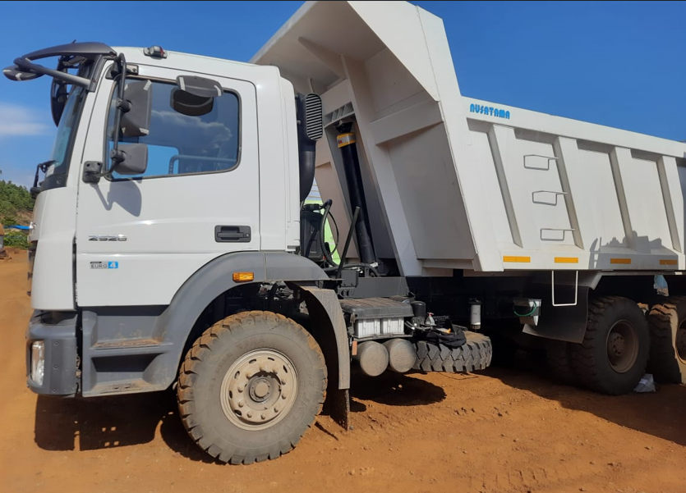 |  |  | 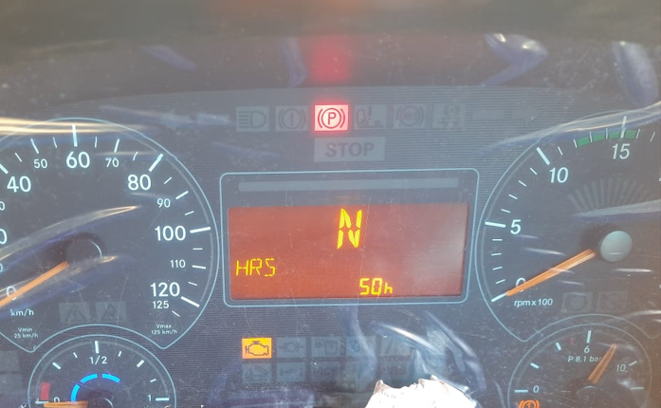 |  |  | 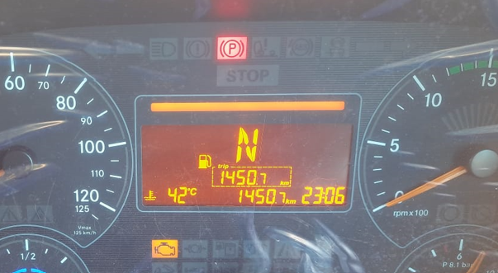 | 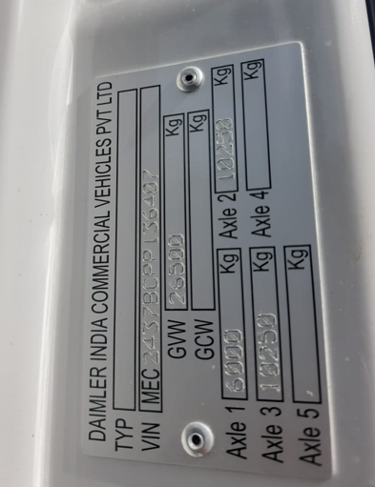

FOTO UNIT |  |  | FOTO HM |  |  | FOTO KM | FOTO VIN

1
2
3
4
PICTURE CAUSE AND ACTION
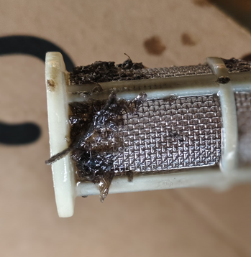 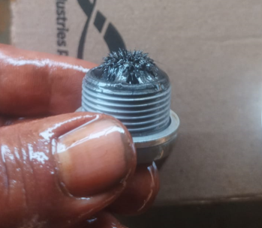 |  |  | 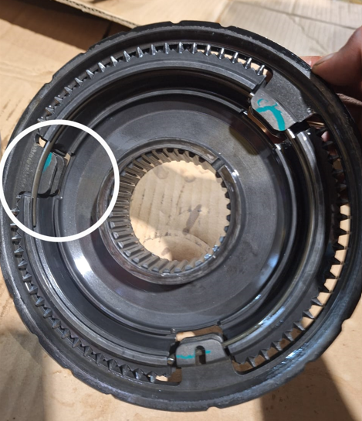 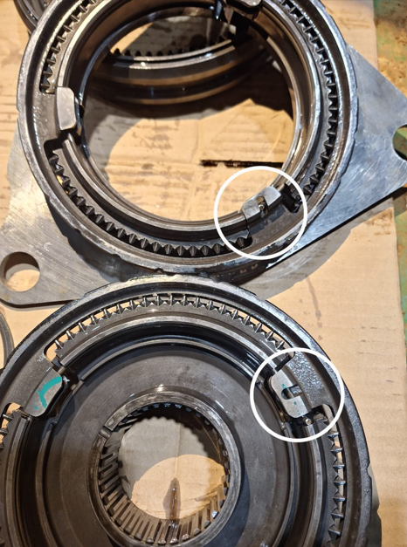 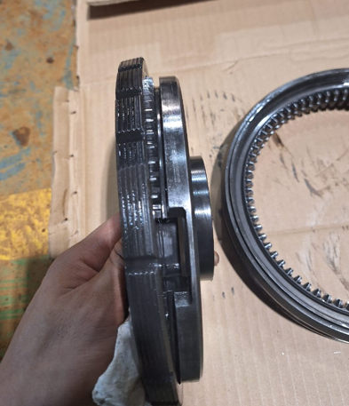 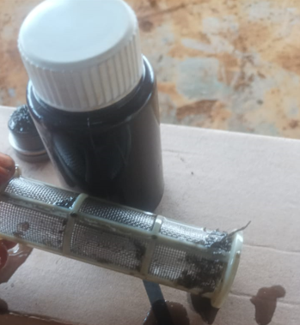

DRAIN PLUG CONDITION
OIL STRAINER
OIL SAMPLE

CUSTOMER COMPLAINT PICTURE |  |  | JOB PROGRESS INVESTIGATION PICTURE

The driver report to mechanic that DA25171 there's abnormal noise in transmission
The mechanic do the checking on shutoff valve (Condition OK)
The mechanic take sample oil & inspect the condition of drain plug transmission & strainer
The mechanic found tther's fleak at drain plug & strainer
The mechanic remove range group to ensure source of the problem

INSPECT THE OTHER COMPONENT
The mechanic do REPOSITION ANNULAR SPRING right into the position as should
ANNULAR SPRING IS NOT IN PLACE is the source of the problem
The mechanic found source of the problem
The mechanic do disassembly range group

IF THERE'S DAMAGE, REPLACE

IF THERE'S NO DAMAGE, CLEAN UP COMPONENT's and install to unit again

REPAIR
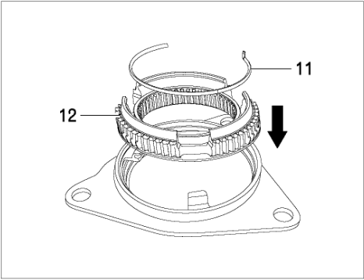 |  |  |  |  | Return Retainer Ring into right position

Part Book |  |  |  |  | picture part no part new |  | Remarks

 |  |  |  |  |  |  | validation

and Mercedes-Benz are registered trademarks of Mercedes-Benz Group AG.
and Mercedes-Benz are registered trademarks of Mercedes-Benz Group AG.
Head Office | Gedung Office 8 Lt.33 (SCBD Lot 28/Senopati Raya 8B), Jl.Jend.Sudirman Kav.52-53, Jakarta Selatan 12190 , Indonesia | T +62 21 57903456 | www.starwagen.co.id
Branch | Jl.Syarifuddin Yoes Blok.Kav.46-47 RT.045, Sepinggan Baru, Balikpapan Selatan, Kalimantan Timur, Indonesia | +62 54 28707888 / +62 54 28705758
 |  |  |  |  |  |  | Insan M. J | Supervisor / Workshop Managaer

Part Request
MENU

 |  |  |  |  |  |  |  |  | Authorized Dealer of Mercedes-Benz
Part Request Slip |  |  |  |  |  |  |  |  | Truck & Bus in Indonesia
 |  | Passenger car Commercial vehicle
Slip Numbering |  | Customer Information |  |  |  | Vehicle Information |  |  | Order Information
 |  | Nama | PT. Putra Perkasa Abadi |  |  | Model : | AXOR 2528 CH |  | Worksop Order No : | 0
 |  | Site | MLP |  |  | Vin : | MEC2437BCPP136407 |  | Order By :
 |  |  |  |  |  | Engine No : | 400953D0142136 |  | Delivery By :
 |  | Car Registration | DA25171 |  |  | Date of 1st registration: | 2024-11-20 |  | Received By | 45618
 |  |  |  |  |  |  |  |  | Issue On :

No | Part Number | ES1 | ES2 | Bin Location | Quantity Requested | Description |  |  | Unit Price | Total Price
1
2
3
4
5
6
7
8
9
10
11
12
13
14
 |  |  |  |  |  |  |  | Foreman | Mechanic | Delivered By

 |  |  |  |  |  |  |  |  | Insan M. J

 | Head Office | Gedung Office 8 Lt.33 (SCBD Lot 28/Senopati Raya 8B), Jl.Jend.Sudirman Kav.52-53, Jakarta Selatan 12190 , Indonesia | T +62 21 57903456 | www.starwagen.co.id
 | Branch | Jl.Syarifuddin Yoes Blok.Kav.46-47 RT.045, Sepinggan Baru, Balikpapan Selatan, Kalimantan Timur, Indonesia | +62 54 28707888 / +62 54 28705758

and Mercedes-Benz are registered trademarks of Mercedes-Benz Group AG

Time Sheet
MENU

 |  |  |  | PT Star Wagen Indonesia
Job Time Card Report |  |  |  | Authorized Dealer of Mercedes-Benz Truck & Bus in Indonesia

Mechanic Name: | Insan M. J |  | WIP Number :

CIW/GW | Operational Code | End Start | Time Recording |  | Date |  |  |  | Total Time
 | Description
Warranty |  | End |  |  |  |  |  |  | 0:00:00 |  | Customer | 1:00:00
 |  | Start |  |  |  |  |  |  |  |  | Internal | 2:00:00
 |  | End |  |  |  |  |  |  | 0:00:00 |  | Warranty | 3:00:00
 |  | Start |  |  |  |  |  |  |  |  | GoodWill | 4:00:00
 |  | End |  |  |  |  |  |  | 0:00:00 |  |  | 5:00:00
 |  | Start |  |  |  |  |  |  |  |  |  | 6:00:00
 |  | End |  |  |  |  |  |  | 0:00:00 |  |  | 7:00:00
 |  | Start |  |  |  |  |  |  |  |  |  | 8:00:00
 |  | End |  |  |  |  |  |  | 0:00:00 |  |  | 9:00:00
 |  | Start |  |  |  |  |  |  |  |  |  | 10:00:00
 |  | End |  |  |  |  |  |  | 0:00:00 |  |  | 11:00:00
 |  | Start |  |  |  |  |  |  |  |  |  | 12:00:00
 |  | End |  |  |  |  |  |  | 0:00:00 |  |  | 13:00:00
 |  | Start |  |  |  |  |  |  |  |  |  | 14:00:00
 |  | End |  |  |  |  |  |  | 0:00:00 |  |  | 15:00:00
 |  | Start |  |  |  |  |  |  |  |  |  | 16:00:00
 |  | End |  |  |  |  |  |  | 0:00:00 |  |  | 13:00:00
 |  | Start |  |  |  |  |  |  |  |  |  | 14:00:00
 |  | End |  |  |  |  |  |  | 0:00:00 |  |  | 15:00:00
 |  | Start |  |  |  |  |  |  |  |  |  | 16:00:00
 |  | End |  |  |  |  |  |  | 0:00:00 |  |  | 13:00:00
 |  | Start |  |  |  |  |  |  |  |  |  | 14:00:00
 |  | End |  |  |  |  |  |  | 0:00:00 |  |  | 15:00:00
 |  | Start |  |  |  |  |  |  |  |  |  | 16:00:00
 |  |  |  |  |  |  |  |  |  |  |  | 17:00:00
Hours |  | C | I | W/G | W1 | W2 | W3 | W4 | W5 | W6 |  | 18:00:00
Total |  |  |  | 0:00:00 |  |  |  |  |  |  |  | 19:00:00
 |  |  |  |  |  |  |  |  |  |  |  | 20:00:00
Head Office | Gedung Office 8 Lt.33 (SCBD Lot 28/Senopati Raya 8B), Jl.Jend.Sudirman Kav.52-53, Jakarta Selatan 12190 , Indonesia | T +62 21 57903456 | www.starwagen.co.id |  |  |  |  |  |  |  |  |  |  |  | 21:00:00
Branch | Jl.Syarifuddin Yoes Blok.Kav.46-47 RT.045, Sepinggan Baru, Balikpapan Selatan, Kalimantan Timur, Indonesia | +62 54 28707888 / +62 54 28705758 |  |  |  |  |  |  |  |  |  |  |  | 22:00:00
 |  |  |  |  |  |  |  |  |  |  |  | 23:00:00
and Mercedes-Benz are registered trademarks of Mercedes-Benz Group AG
 |  |  |  |  |  |  |  |  |  |  |  | 1900-01-01 00:00:00

Final Control
MENU

 |  |  | Truck & Bus |  |  |  | PT Star Wagen Indonesia
 |  |  | in Indonesia |  |  |  | Authorized Dealer of Mercedes-Benz Truck & Bus in Indonesia
Final Control Report

 |  | Customer Name : | PT. Putra Perkasa Abadi |  | Millage In : 1680 |  |  |  | Check And Tested By
 |  | Wo no/ WIP NO : |  |  | Millage Out : 1680 |  |  |  | Name : | Insan M. J
 |  |  |  |  |  |  |  |  | Date : | 2024-11-20

 |  | Function Checks |  |  | Visual Checks |  |  |  | Other Checks
 | √ | All warning indicators |  | √ | Engine |  |  | √ | Wiper blades and spraying nozzle |  | √
 | √ | Steering system |  | √ | Transmission |  |  | √ | Vacuum hoses/lines |  | x
 | √ | Horn |  | √ | Rear axles |  |  | √ | Write your own checking list related reparation you did
 | √ | Lights interior / exterior |  | √ | Steering system |  |  | √ | …………………………………………………………………..
 | √ | Other electrical equipment |  | √ | Fuel system |  |  | √ | …………………………………………………………………..
 | √ | Central locking / closing assist system |  | √ | Cooling system |  |  | √ | …………………………………………………………………..
 | √ | Brakes on dynamometer or test drive |  | √ | Brake hoses / lines / linkage |  |  | √ | …………………………………………………………………..
 | √ | Air conditioner |  | √ | Condition of tires/spare tires (if any) |  |  | √ | …………………………………………………………………..
 |  |  |  | √ | Cleanliness inside and outside |  |  |  | …………………………………………………………………..
 |  | Fluid Levels |  |  | Final Checks |  |  |  | Document Check
 | √ | Engine |  | √ | Check work performed |  |  | √ | Test document / Short test result
 | √ | Transmission |  | √ | Test Drive if needed |  |  | √ | Workshop report (only if required)
 | √ | Radiator / Coolant |  |  |  |  |  | √ | Internal part requisition slip
 | √ | Power steering |  |  |  |  |  | √ | Battery test result, only if tested
 | √ | Battery |  |  |  |  |  | √
 | √ | Brake system |  |  |  |  |  | √
 | √ | Windshield washer |  |  |  |  |  | √
 |  |  |  |  |  |  |  | √
 | After completion of all the work required by you, we performed a final quality check on your vehicle with the following results:
 | Ok |  | No |  |  |  |  | Acknowledged by
 | During checking & reparation process, some critical findings has to be followed up;
 | 1.
 | 2.
 | this has been conveyed on………..to……………. but not approved for doing an action. |  |  |  | (Service Advisor) | (Customer) |  | Foreman or Supervisor

 | Head Office | Gedung Office 8 Lt.33 (SCBD Lot 28/Senopati Raya 8B), Jl.Jend.Sudirman Kav.52-53, Jakarta Selatan 12190 , Indonesia | T +62 21 57903456 | www.starwagen.co.id
 | Branch | Jl.Syarifuddin Yoes Blok.Kav.46-47 RT.045, Sepinggan Baru, Balikpapan Selatan, Kalimantan Timur, Indonesia | +62 54 28707888 / +62 54 28705758
and Mercedes-Benz are registered trademarks of Mercedes-Benz Group AG
.

