Time Sheet
MENU

 |  |  |  | PT Star Wagen Indonesia
Job Time Card Report |  |  |  | Authorized Dealer of Mercedes-Benz Truck & Bus in Indonesia

Mechanic Name: | DIDIK |  | WIP Number :

CIW/GW | Operational Code | End Start | Time Recording |  | Date |  |  |  | Total Time
 | Description
Warranty |  | End |  |  |  |  |  |  | 0:00:00 |  | Customer | 1:00:00
 |  | Start |  |  |  |  |  |  |  |  | Internal | 2:00:00
 |  | End |  |  |  |  |  |  | 0:00:00 |  | Warranty | 3:00:00
 |  | Start |  |  |  |  |  |  |  |  | GoodWill | 4:00:00
 |  | End |  |  | 2023-01-16 |  |  |  | 0:00:00 |  |  | 5:00:00
 |  | Start |  |  |  |  |  |  |  |  |  | 6:00:00
 |  | End |  |  |  |  |  |  | 0:00:00 |  |  | 7:00:00
 |  | Start |  |  |  |  |  |  |  |  |  | 8:00:00
 |  | End |  |  |  |  |  |  | 0:00:00 |  |  | 9:00:00
 |  | Start |  |  |  |  |  |  |  |  |  | 10:00:00
 |  | End |  |  |  |  |  |  | 0:00:00 |  |  | 11:00:00
 |  | Start |  |  |  |  |  |  |  |  |  | 12:00:00
 |  | End |  |  |  |  |  |  | 0:00:00 |  |  | 13:00:00
 |  | Start |  |  |  |  |  |  |  |  |  | 14:00:00
 |  | End |  |  |  |  |  |  | 0:00:00 |  |  | 15:00:00
 |  | Start |  |  |  |  |  |  |  |  |  | 16:00:00
 |  | End |  |  |  |  |  |  | 0:00:00 |  |  | 13:00:00
 |  | Start |  |  |  |  |  |  |  |  |  | 14:00:00
 |  | End |  |  |  |  |  |  | 0:00:00 |  |  | 15:00:00
 |  | Start |  |  |  |  |  |  |  |  |  | 16:00:00
 |  | End |  |  |  |  |  |  | 0:00:00 |  |  | 13:00:00
 |  | Start |  |  |  |  |  |  |  |  |  | 14:00:00
 |  | End |  |  |  |  |  |  | 0:00:00 |  |  | 15:00:00
 |  | Start |  |  |  |  |  |  |  |  |  | 16:00:00
 |  |  |  |  |  |  |  |  |  |  |  | 17:00:00
Hours |  | C | I | W/G | W1 | W2 | W3 | W4 | W5 | W6 |  | 18:00:00
Total |  |  |  | 0:00:00 |  |  |  |  |  |  |  | 19:00:00
 |  |  |  |  |  |  |  |  |  |  |  | 20:00:00
Head Office | Gedung Office 8 Lt.33 (SCBD Lot 28/Senopati Raya 8B), Jl.Jend.Sudirman Kav.52-53, Jakarta Selatan 12190 , Indonesia | T +62 21 57903456 | www.starwagen.co.id |  |  |  |  |  |  |  |  |  |  |  | 21:00:00
Branch | Jl.Syarifuddin Yoes Blok.Kav.46-47 RT.045, Sepinggan Baru, Balikpapan Selatan, Kalimantan Timur, Indonesia | +62 54 28707888 / +62 54 28705758 |  |  |  |  |  |  |  |  |  |  |  | 22:00:00
 |  |  |  |  |  |  |  |  |  |  |  | 23:00:00
and Mercedes-Benz are registered trademarks of Mercedes-Benz Group AG
 |  |  |  |  |  |  |  |  |  |  |  | 1900-01-01 00:00:00

Worksop Report
 | Menu
 |  |  | Workshop Report For Diagnostic Guide

 |  |  |  |  |  |  | PT.STAR WAGEN INDONESIA
 |  |  |  |  | WO | 310000012051
Date: |  | 27-Aug-24 |  |  |  |  |  | Job Site:
WIP No: |  |  |  |  | Customer Name: | PT. PUTRA PERKASA ABADI |  | PT AMC
Chasis No: |  | MFJ400243NJ001273 |  |  | Reg No : |  | Reg date
Engine No: |  | 400953DO120941 |  |  | Type : | AXOR 2528 CX | Mileage / Hours Meter | 41172km/3985h
Unit Code |  | DA25062

COMPLAINT ANALYSIS
Customer complaint/Customer information
 | Cant start
Vehicle information
v
 | Aplicaton : | Long distance |  | v Dump truck | Ore operation | Regular service base
 |  | v Short distance |  | support truck | v OB operation
Customer Information :
 | Tidak bisa running dan ketika dicheck di cover head terdapat valve bridge yang terlepas dan push rod yang tidak duduk ditempatnya

TEST LEVEL

 | Test Level Description |  |  |  |  | Actual Value | Remark | Attachment Number
 | Check by XENTRY |  |  |  |  | Engine overspeed | Not OK | 1
 | Check Head Cylinder |  |  |  |  | Valve bridge terlepas, protective cap terlepas, push rod tidak duduk | Not OK | 2
 | Check Oil Pan |  |  |  |  | Terdapat Taped Roller yang patah dan terjatuh | Not OK | 3
 | Check Block Engine |  |  |  |  | Tidak ada damage | OK | 4
 | Check Camshaft |  |  |  |  | Damage | Not OK | 5
 | Check Push Rod |  |  |  |  | Push Rod Exhaust bending & Push Rod Intake OK | Not OK | 6

CAUSE LEVEL
Cause level/Workshop findings: |  |  |  |  | RESULT :
 |  |  |  |  | Customer menyampaikan bahwa unit cant start, setelah dilakukan pengecekan di cylinder head ditemukan valve bridge terlepas, protective cap terlepas, dan push rod tidak duduk pada taped roller, hal ini yang menyebabkan tidak ada pembakaran diruang kompresi. selain itu didapatkan data dari XENTRY unit pernah mengalami overspeed.
 |  | Ada | Tidak ada | Attachment Nr
Photo (# lembar) |  | √ |  | √
Area kerusakan (gbr EPC) |  | √ |  | √
Video (nama file) |  | x |  | √
Old Spare part No.
Notes: |  |  |  |  |  |  |  |  | √
 |  |  |  |  |  |  |  |  | x

RECTIFICATION AND VERIFICATION LEVEL
Rectification:

 | PART NUMBER | DESCRIPTION | QTY

Verification:

 |  |  | Workshop report digunakan untuk mencatat hasil analisa mekanik dengan menyertakan langkah-langkah diagnosis dan temuannya selama diagnosa

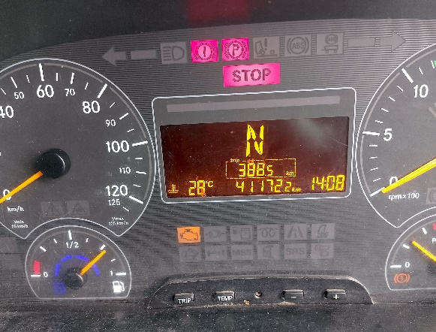
PICTURE CAUSE AND ACTION
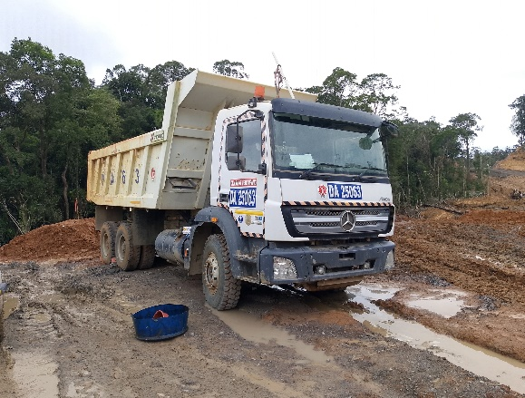 |  |  | 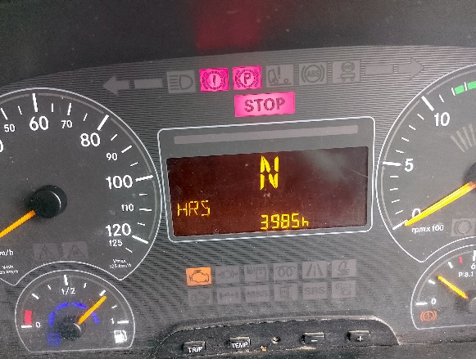 |  |  |  | 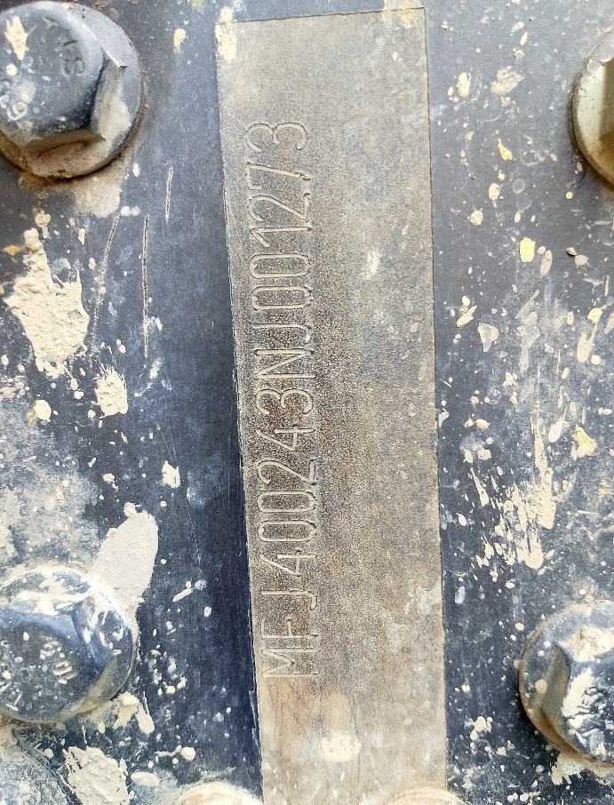

1
2
PENGECEKAN PADA CYLINDER HEAD
VALVE BRIDGE TERLEPAS DARI TEMPATNYA
PROTECTIVE CAP TERLEPAS
FOTO UNIT |  |  | FOTO HM |  | FOTO KM |  | FOTO VIN
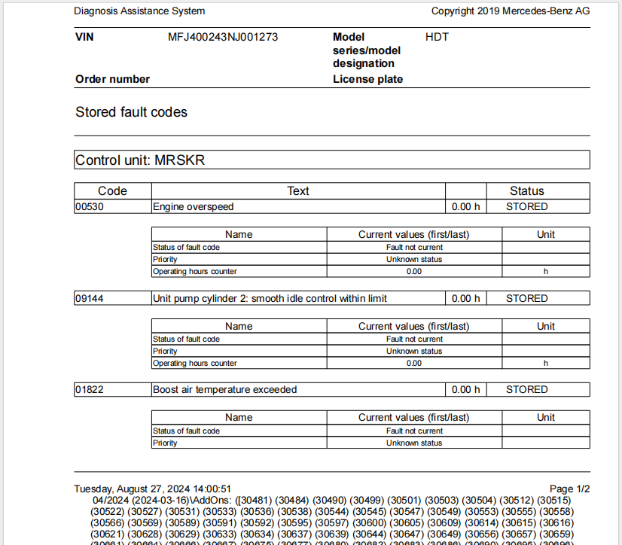 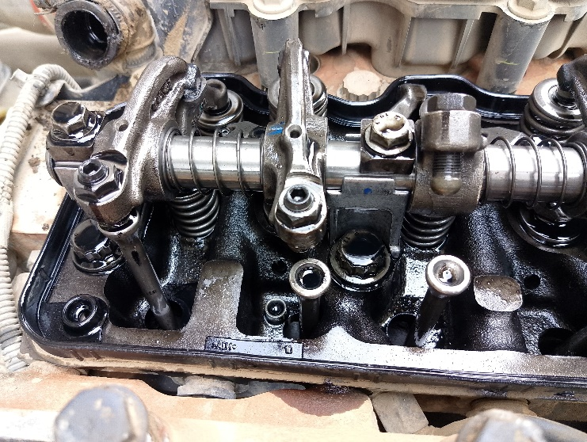 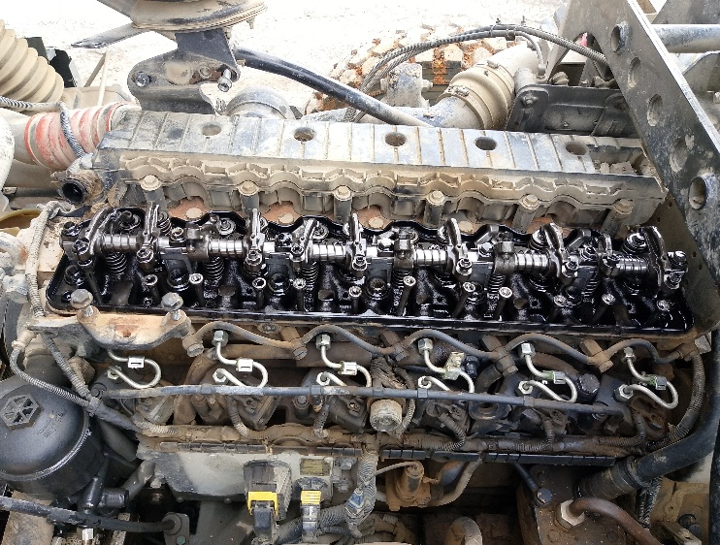 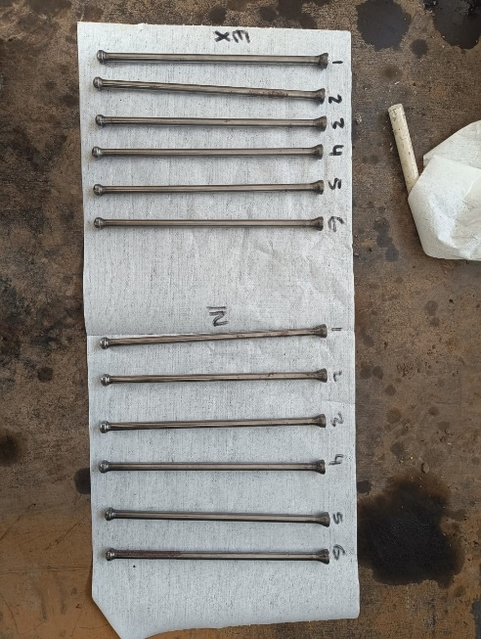 |  |  | 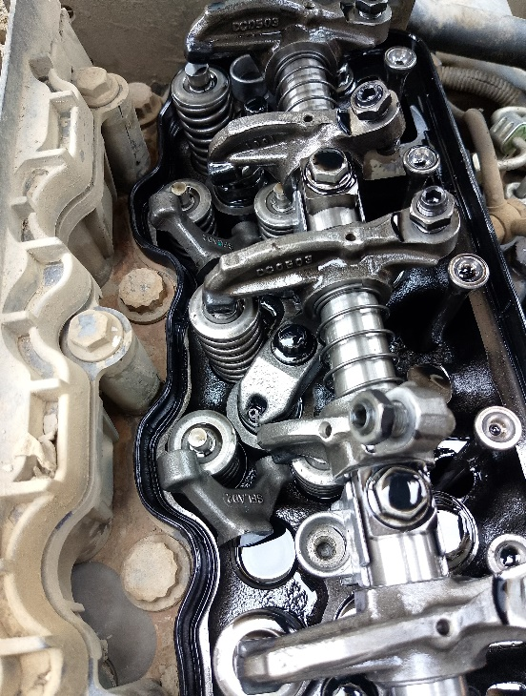 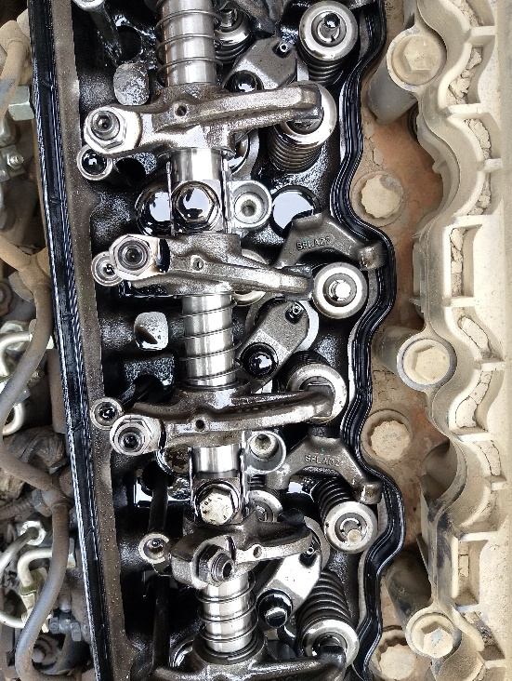 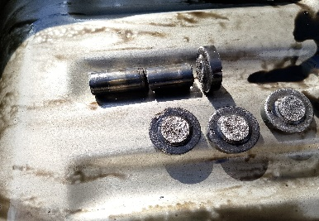 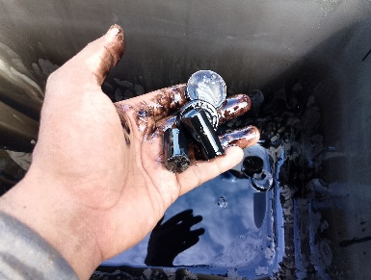 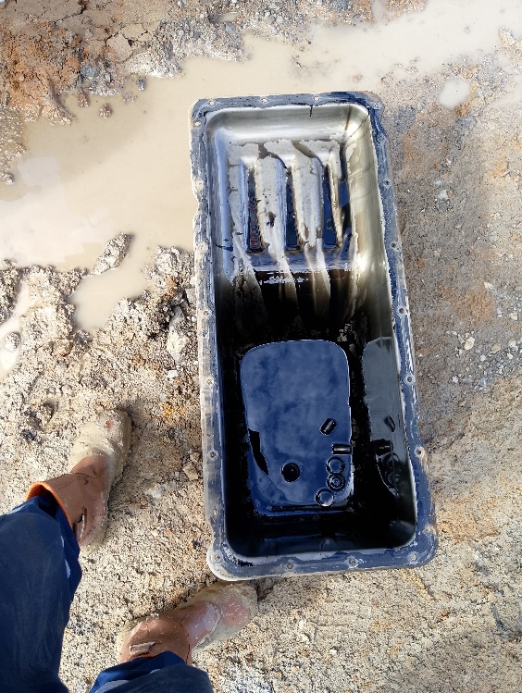 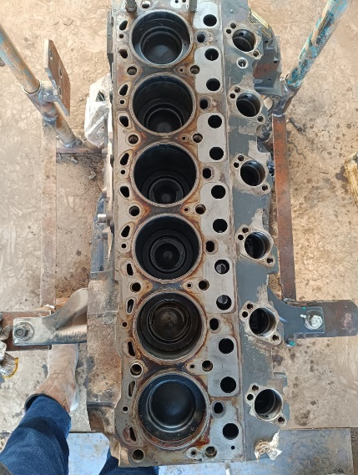 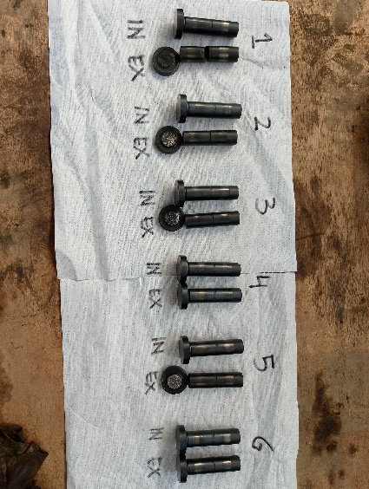 \ |  |  |  |  | 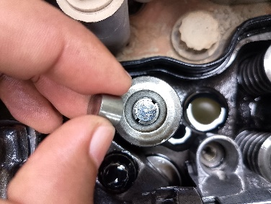 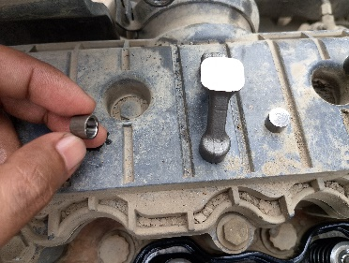 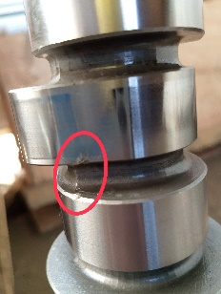 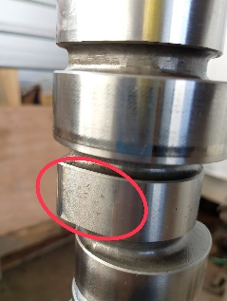 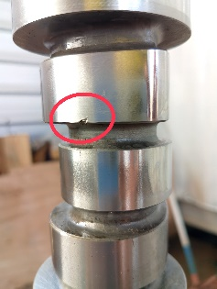

HISTORY UNIT PERNAH MENGALAMI ENGINE OVERSPEED
2
6
PUSH ROD TERINDIKASI TIDAK DUDUK PADA TAPED ROLLER
KONDISI PUSH ROD
3
1
4
PUSH ROD EXHAUST BENDING
2
5
SETELAH MELEPAS OIL PAN TERDAPAT TAPED ROLLER YANG SUDAH PATAH DAN TERLEPAS
3
6
PUSH ROD INTAKE OK
1
2
4
5
4
TAPED ROLLER BROKEN
3
6
CHECK BLOCK ENGINE
VALVE BRIDGE TERLEPAS
5
CAMSHAFT DAMAGE
JOB PROGRESS INVESTIGATION PICTURE

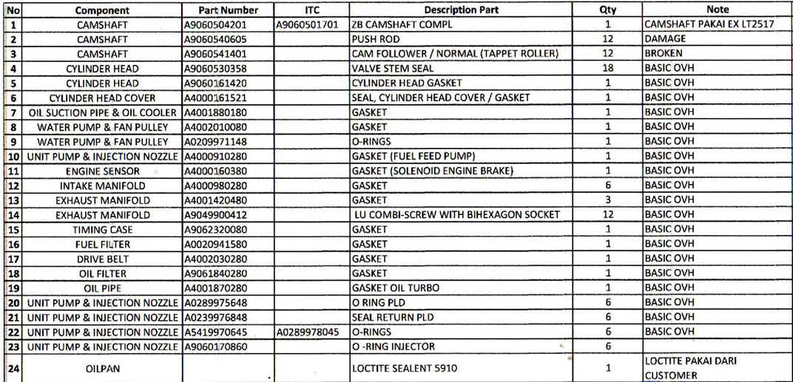
INSTAL

XENTRY PART INFORMATION |  |  |  |  |  |  | Remarks

 |  |  |  |  |  |  | validation

and Mercedes-Benz are registered trademarks of Mercedes-Benz Group AG.
and Mercedes-Benz are registered trademarks of Mercedes-Benz Group AG.
Head Office | Gedung Office 8 Lt.33 (SCBD Lot 28/Senopati Raya 8B), Jl.Jend.Sudirman Kav.52-53, Jakarta Selatan 12190 , Indonesia | T +62 21 57903456 | www.starwagen.co.id
Branch | Jl.Syarifuddin Yoes Blok.Kav.46-47 RT.045, Sepinggan Baru, Balikpapan Selatan, Kalimantan Timur, Indonesia | +62 54 28707888 / +62 54 28705758
 |  |  |  |  |  |  | DIDIK | Supervisor / Workshop Managaer

Part Request
MENU

 |  |  |  |  |  |  |  | Authorized Dealer of Mercedes-Benz
Part Request Slip |  |  |  |  |  |  |  | Truck & Bus in Indonesia
 |  | Passenger car Commercial vehicle
Slip Numbering |  | Customer Information |  |  |  | Vehicle Information |  | Order Information
 |  | Nama | PT. PUTRA PERKASA ABADI |  |  | Model : | AXOR 2528 CX | Worksop Order No : | 310000012051
 |  | Site | PT AMC |  |  | Vin : | MFJ400243NJ001273 | Order By :
 |  |  |  |  |  | Engine No : | 400953DO120941 | Delivery By :
 |  | Car Registration | DA25062 |  |  | Date of 1st registration: | 0 | Received By | 45531
 |  |  |  |  |  |  |  | Issue On :

No | Part Number | ES1 | ES2 | Bin Location | Quantity Requested | Description |  | Unit Price | Total Price
1
2
3
4
5
6
7
8
9
1
1
2
3
4
5
6
7
8
9
 | Head Office | Gedung Office 8 Lt.33 (SCBD Lot 28/Senopati Raya 8B), Jl.Jend.Sudirman Kav.52-53, Jakarta Selatan 12190 , Indonesia | T +62 21 57903456 | www.starwagen.co.id
 | Branch | Jl.Syarifuddin Yoes Blok.Kav.46-47 RT.045, Sepinggan Baru, Balikpapan Selatan, Kalimantan Timur, Indonesia | +62 54 28707888 / +62 54 28705758

and Mercedes-Benz are registered trademarks of Mercedes-Benz Group AG

