Time Sheet
MENU

 |  |  |  | PT Star Wagen Indonesia
Job Time Card Report |  |  |  | Authorized Dealer of Mercedes-Benz Truck & Bus in Indonesia

Mechanic Name: | Egi sugiana |  | WIP Number :

CIW/GW | Operational Code | End Start | Time Recording |  | Date |  |  |  | Total Time
 | Description
Warranty |  | End |  |  |  |  |  |  | 0:00:00 |  | Customer | 1:00:00
 |  | Start |  |  |  |  |  |  |  |  | Internal | 2:00:00
 |  | End |  |  |  |  |  |  | 0:00:00 |  | Warranty | 3:00:00
 |  | Start |  |  |  |  |  |  |  |  | GoodWill | 4:00:00
 |  | End |  |  | 2023-01-16 |  |  |  | 0:00:00 |  |  | 5:00:00
 |  | Start |  |  |  |  |  |  |  |  |  | 6:00:00
 |  | End |  |  |  |  |  |  | 0:00:00 |  |  | 7:00:00
 |  | Start |  |  |  |  |  |  |  |  |  | 8:00:00
 |  | End |  |  |  |  |  |  | 0:00:00 |  |  | 9:00:00
 |  | Start |  |  |  |  |  |  |  |  |  | 10:00:00
 |  | End |  |  |  |  |  |  | 0:00:00 |  |  | 11:00:00
 |  | Start |  |  |  |  |  |  |  |  |  | 12:00:00
 |  | End |  |  |  |  |  |  | 0:00:00 |  |  | 13:00:00
 |  | Start |  |  |  |  |  |  |  |  |  | 14:00:00
 |  | End |  |  |  |  |  |  | 0:00:00 |  |  | 15:00:00
 |  | Start |  |  |  |  |  |  |  |  |  | 16:00:00
 |  | End |  |  |  |  |  |  | 0:00:00 |  |  | 13:00:00
 |  | Start |  |  |  |  |  |  |  |  |  | 14:00:00
 |  | End |  |  |  |  |  |  | 0:00:00 |  |  | 15:00:00
 |  | Start |  |  |  |  |  |  |  |  |  | 16:00:00
 |  | End |  |  |  |  |  |  | 0:00:00 |  |  | 13:00:00
 |  | Start |  |  |  |  |  |  |  |  |  | 14:00:00
 |  | End |  |  |  |  |  |  | 0:00:00 |  |  | 15:00:00
 |  | Start |  |  |  |  |  |  |  |  |  | 16:00:00
 |  |  |  |  |  |  |  |  |  |  |  | 17:00:00
Hours |  | C | I | W/G | W1 | W2 | W3 | W4 | W5 | W6 |  | 18:00:00
Total |  |  |  | 0:00:00 |  |  |  |  |  |  |  | 19:00:00
 |  |  |  |  |  |  |  |  |  |  |  | 20:00:00
Head Office | Gedung Office 8 Lt.33 (SCBD Lot 28/Senopati Raya 8B), Jl.Jend.Sudirman Kav.52-53, Jakarta Selatan 12190 , Indonesia | T +62 21 57903456 | www.starwagen.co.id |  |  |  |  |  |  |  |  |  |  |  | 21:00:00
Branch | Jl.Syarifuddin Yoes Blok.Kav.46-47 RT.045, Sepinggan Baru, Balikpapan Selatan, Kalimantan Timur, Indonesia | +62 54 28707888 / +62 54 28705758 |  |  |  |  |  |  |  |  |  |  |  | 22:00:00
 |  |  |  |  |  |  |  |  |  |  |  | 23:00:00
and Mercedes-Benz are registered trademarks of Mercedes-Benz Group AG
 |  |  |  |  |  |  |  |  |  |  |  | 1900-01-01 00:00:00

Worksop Report
 | Menu
 |  |  | Workshop Report For Diagnostic Guide

 |  |  |  |  |  |  | PT.STAR WAGEN INDONESIA
 |  |  |  |  | WO
Date: |  | 11-Oct-24 |  |  |  |  |  | Job Site:
WIP No: |  |  |  |  | Customer Name: | PT. ANTAREJA MAHADA MAKMUR |  | PT MIFA
Chasis No: |  | W1T96423120567043 |  |  | Reg No : |  | Reg date
Engine No: |  | 460972U1095508 |  |  | Type : | AROCS 4845 K | Mileage / Hours Meter | 103863 / 7696
Unit Code |  | DA54843

COMPLAINT ANALYSIS
Customer complaint/Customer information
 | Error driving and braking characteristic changed
Vehicle information
 | Aplicaton : | ü Long distance |  | ü Dump truck | Ore operation | Regular service base
 |  | Short distance |  | support truck | ü OB operation
Customer Information :
 | WHEN OPERATION APPEAR ERROR DRIVING AND BRAKING CHARACTERISTIC CHANGED

TEST LEVEL

 | Test Level Description |  |  |  |  | Actual Value | Remark | Attachment Number
 | CHECK ERROR ON MONITOR |  |  |  |  | ANY ERROR | NOT OK | attachment picture 1
 | CHECK ERROR ON XENTRY |  |  |  |  | ANY ERROR | NOT OK | attachment picture 1
 | CHECK SOCKET WHEEL SPEED AT RIGHT REAR AXLE |  |  |  |  | OPEN CIRCUIT | NOT OK | attachment picture 2

CAUSE LEVEL
Cause level/Workshop findings: |  |  |  |  | RESULT :
 |  |  |  |  | AFTER GETTING REPORT FROM OPERATOR WE CHECK ERROR CODE ON MONITOR AND WE CHECK ERROR ON XENTRY, DESCRIPTION ERROR ANY OPEN CIRCUIT ON WHEEL SPEED SENSOR AT RIGHT REAR AXLE AND WHEEL SPEED SENSOR NOT PRESENT ON ACTUAL VALUE. AFTER CHECK CONDITION AND DESCRIPTION ERROR CODE WE CHECK SOCKET WHEEL SPEED AND WE FOUND ANY CABLE OPEN CIRCUIT AND THEN WE REPAIR AND WE REWIRING CABLE WHEEL SPEED SENSOR AND WE RESET ERROR CODE, ERROR CODE NOT APPEAR AGAIN WE UNIT NORMAL OPERATION.
 |  | Ada | Tidak ada | Attachment Nr
Photo (# lembar) |  | √ |  | √
Area kerusakan (gbr EPC) |  | √ |  | √
Video (nama file) |  | √ | √ | √
Old Spare part No.
Notes: |  |  |  |  |  |  |  |  | √
 |  |  |  |  |  |  |  |  | x

RECTIFICATION AND VERIFICATION LEVEL
Rectification:

 | PART NUMBER | DESCRIPTION | QTY
 | A0065427918 | ROTATIONAL SPEED SENSOR | 1

Verification:

 |  |  | Workshop report digunakan untuk mencatat hasil analisa mekanik dengan menyertakan langkah-langkah diagnosis dan temuannya selama diagnosa

PICTURE CAUSE AND ACTION
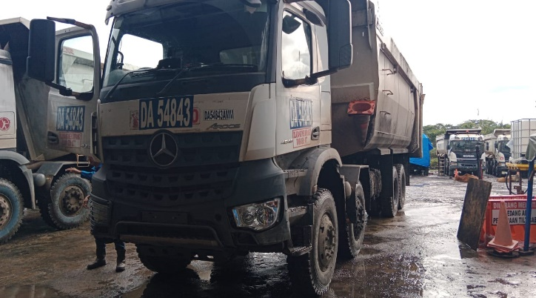 |  |  | 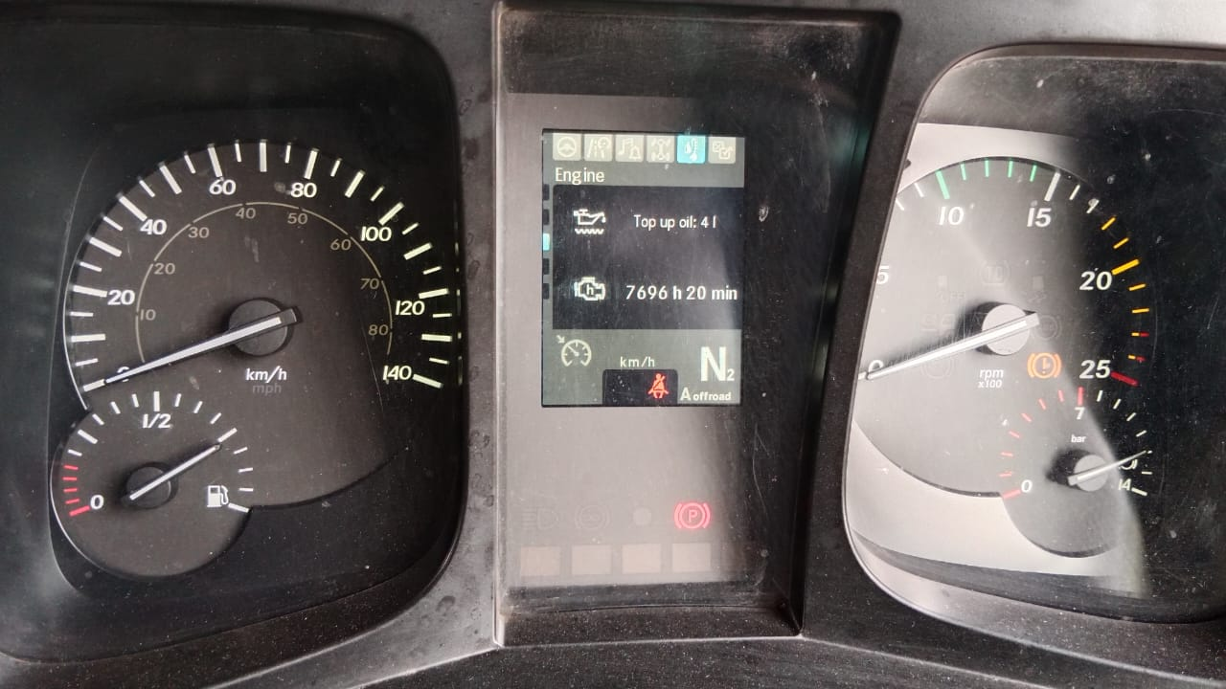 |  | 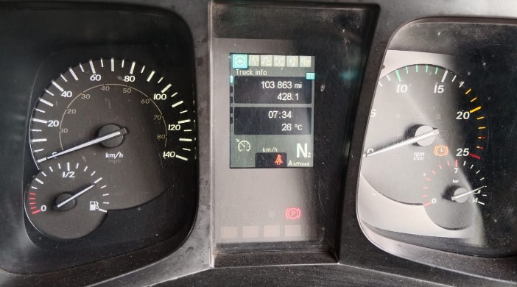 |  | 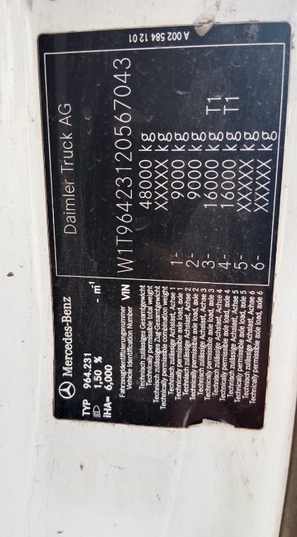

FOTO UNIT |  |  | FOTO HM |  | FOTO KM |  | FOTO VIN

1
ERROR ON MONITOR
ERROR CODE BY MONITOR
ANY OPEN CIRCUIT IN WHEEL SPEED SENSOR RIGHT REAR AXLE
WHEEL SPEED AT RIGHT REAR AXLE NOT PRESENT
PICTURE CAUSE AND ACTION
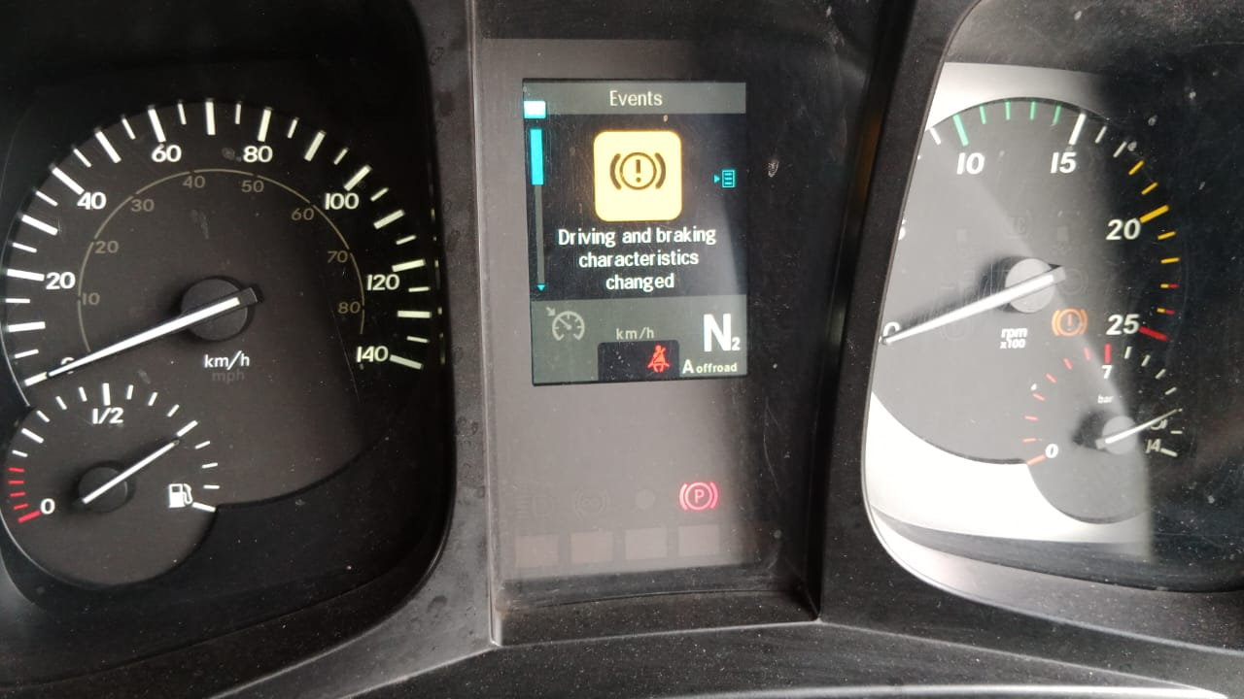 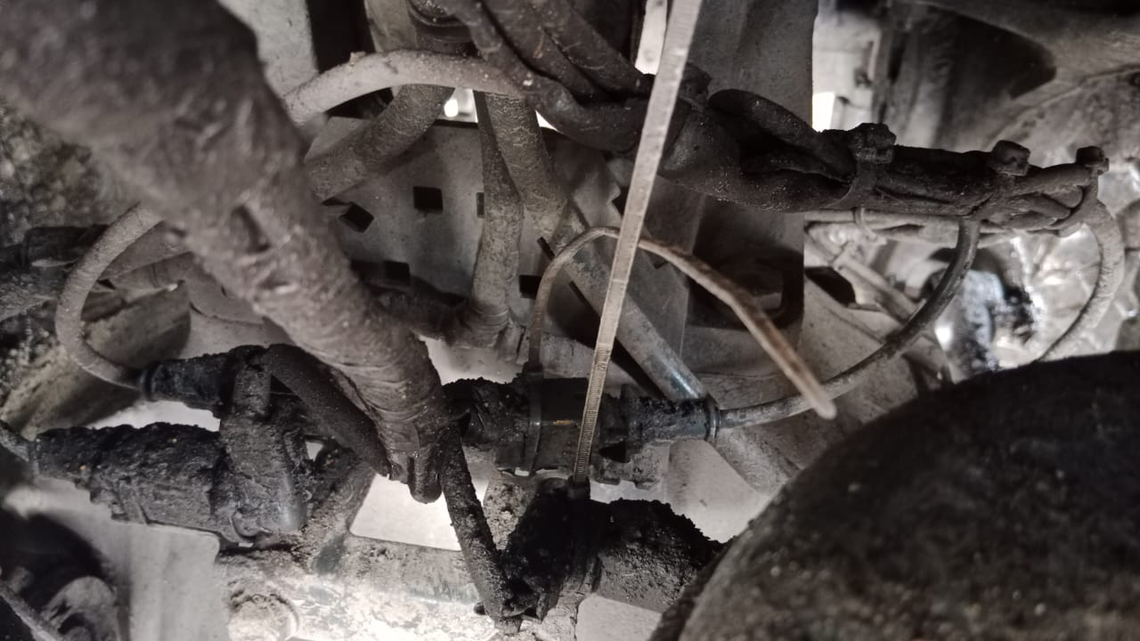 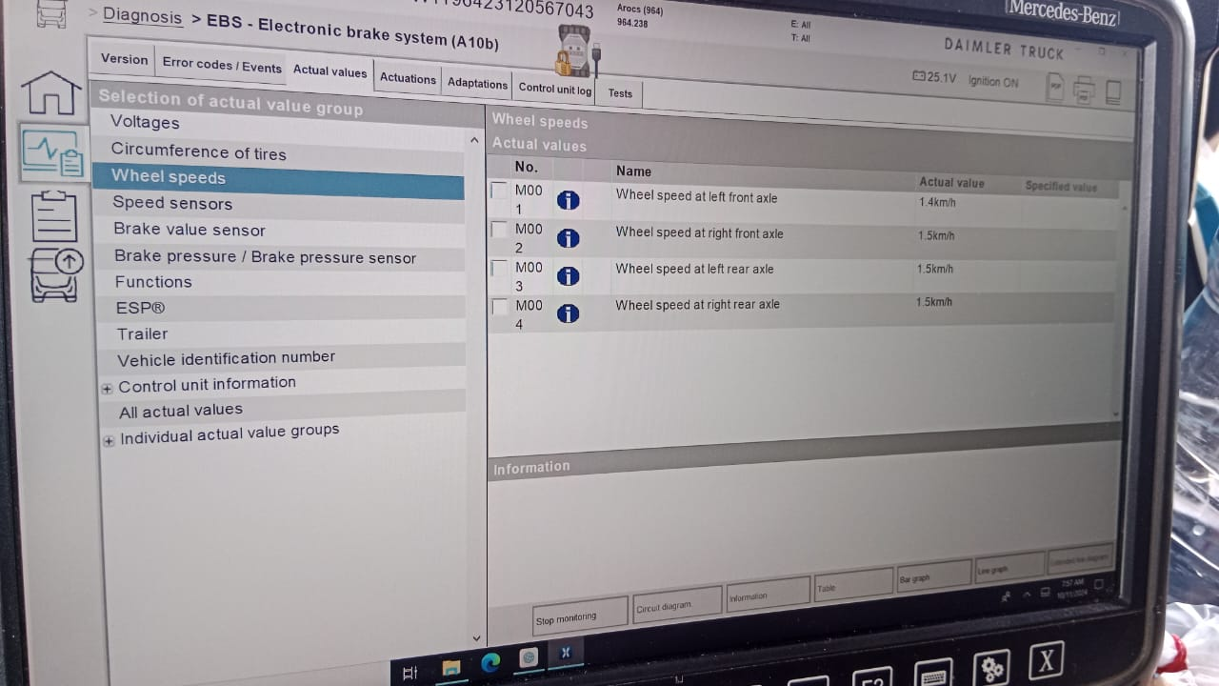 |  |  | 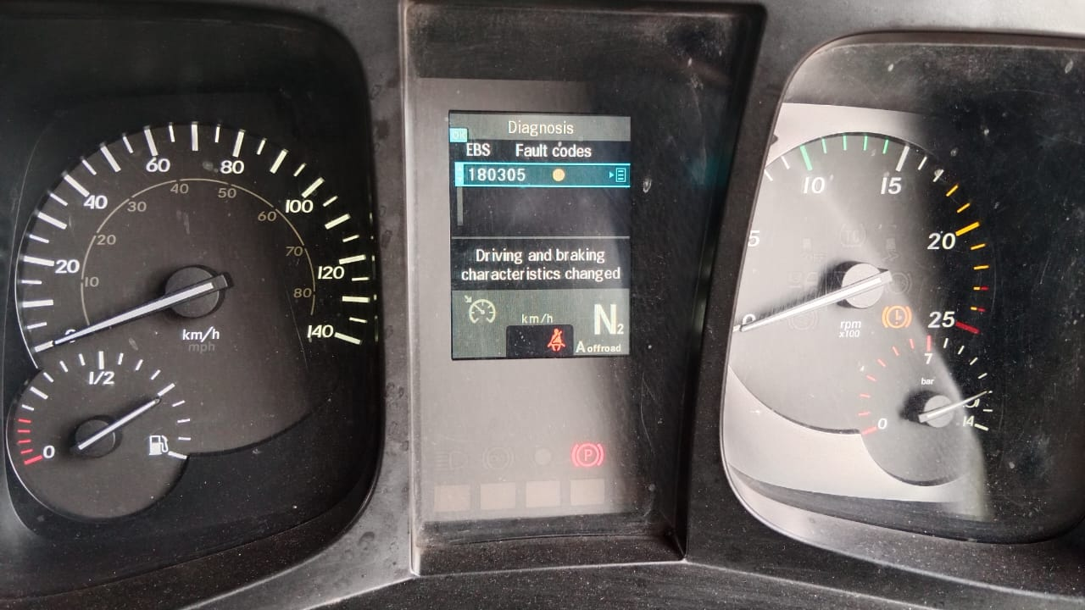 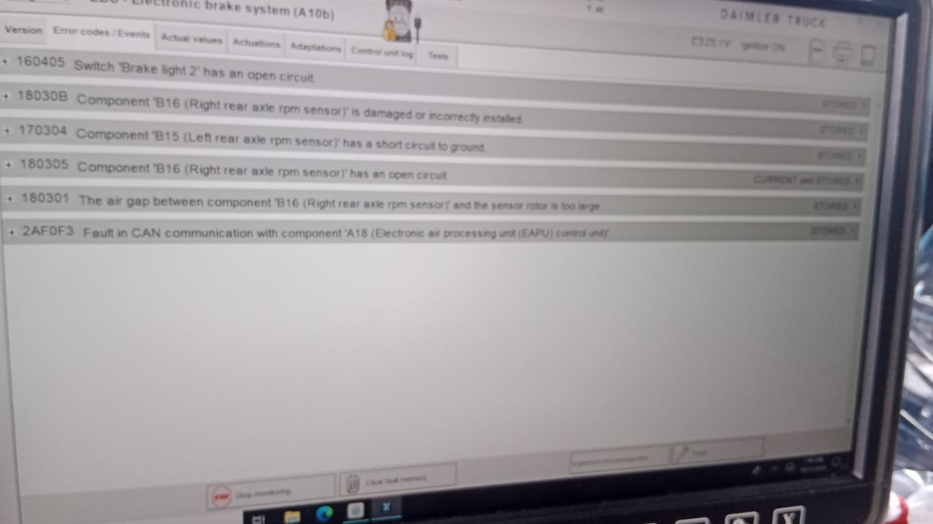 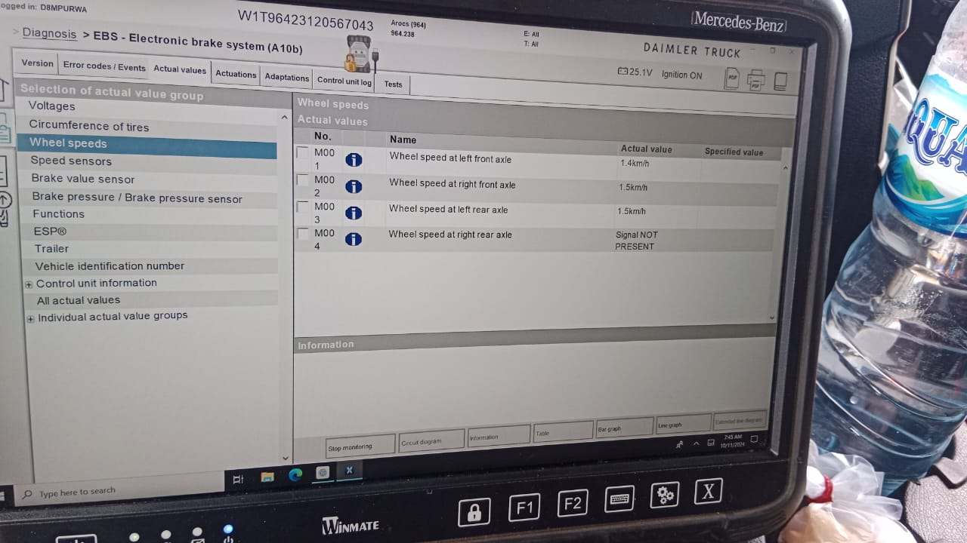 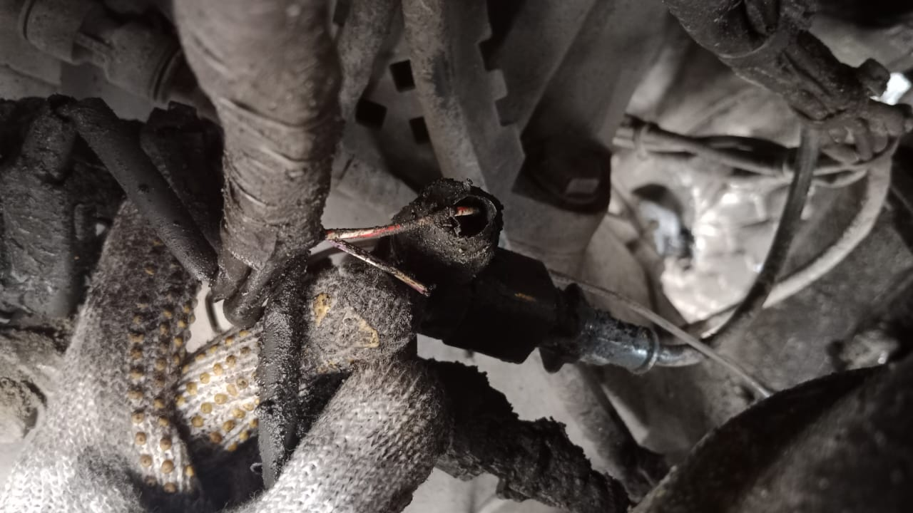 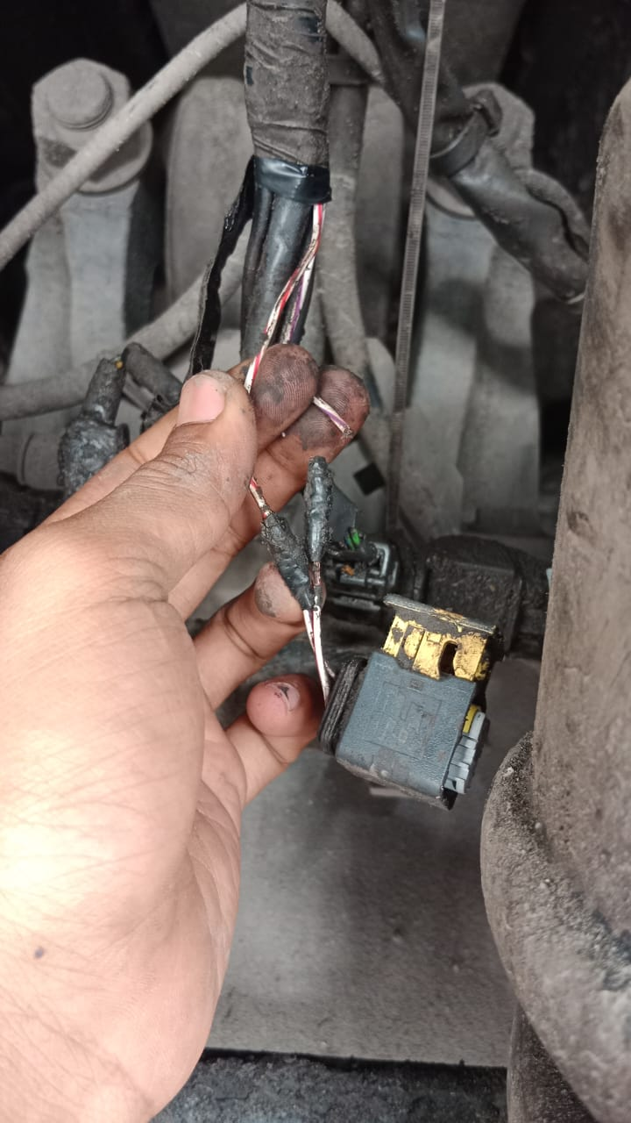 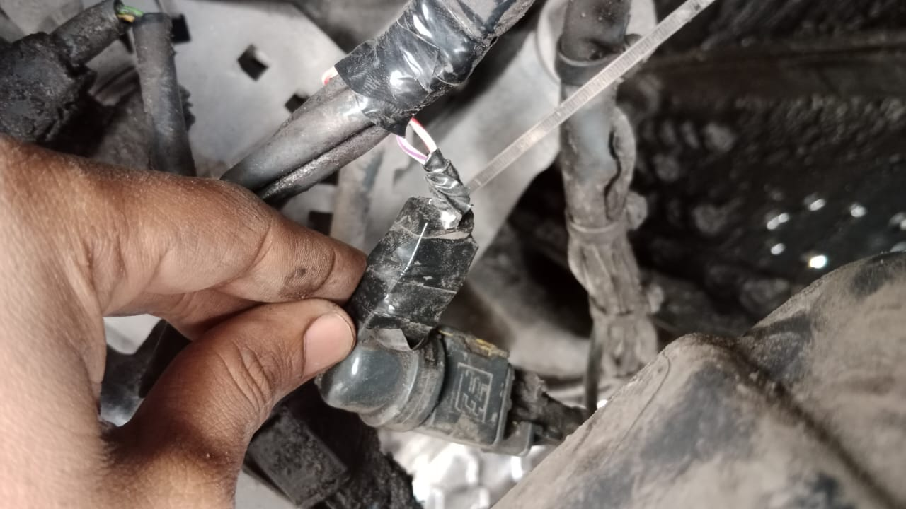 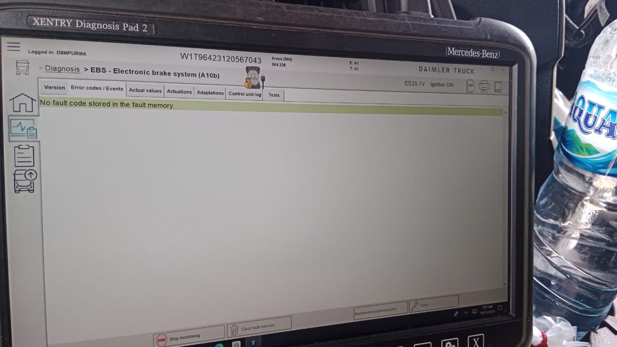 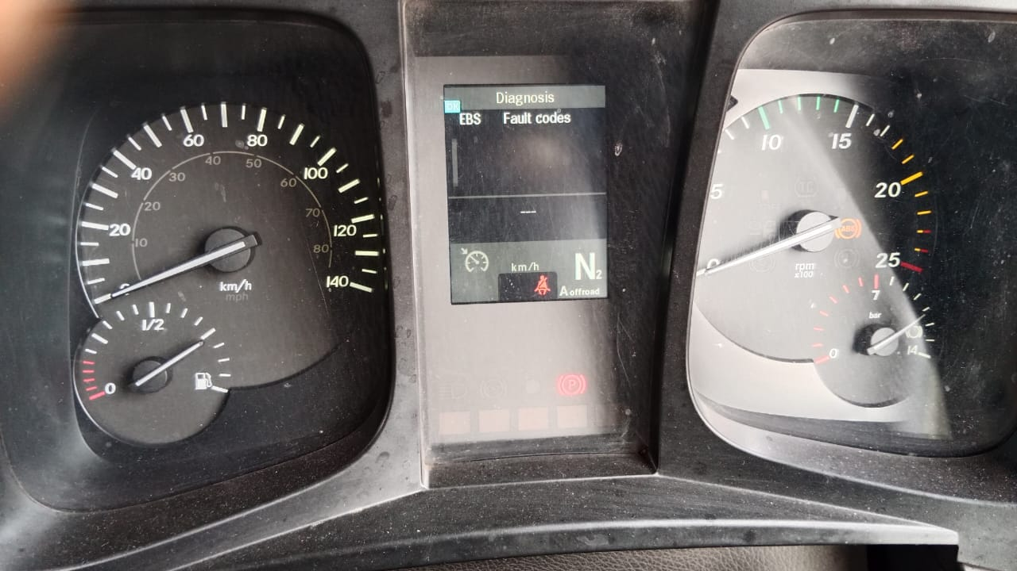

CONDITION SOCKET WHEEL SPEED AT RIGH REAR AXLE
WHEEL SPEED AT RIGHT REAR AXLE READING
WIRING WHEEL SPEED AT RIGHT REAR AXLE OPEN CIRCUIT
NOT YET ERROR CODE ON XENTRY
NOT YET ERROR CODE ON MONITORR
REPAIR AND REWIRING CABLE WHEEL SPEED SENSOR AT RIGHT REAR AXLE
CUSTOMER COMPLAINT PICTURE |  |  | JOB PROGRESS INVESTIGATION PICTURE

PICTURE CAUSE AND ACTION
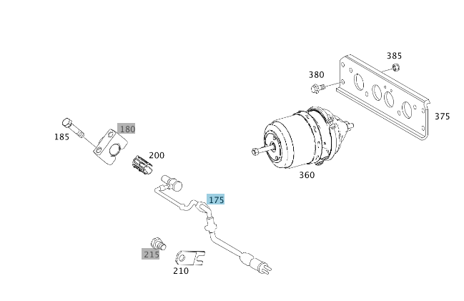 |  |  |  |  |  |  | 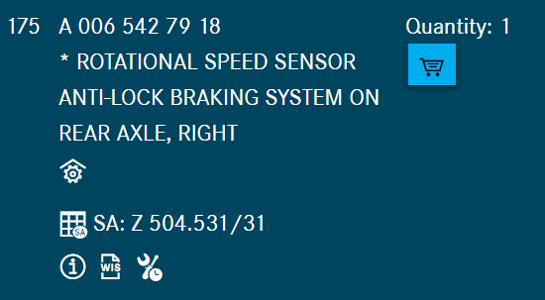

Part Book |  |  |  |  | picture part no part new |  | Remarks

 |  |  |  |  |  |  | validation

and Mercedes-Benz are registered trademarks of Mercedes-Benz Group AG.
and Mercedes-Benz are registered trademarks of Mercedes-Benz Group AG.
Head Office | Gedung Office 8 Lt.33 (SCBD Lot 28/Senopati Raya 8B), Jl.Jend.Sudirman Kav.52-53, Jakarta Selatan 12190 , Indonesia | T +62 21 57903456 | www.starwagen.co.id
Branch | Jl.Syarifuddin Yoes Blok.Kav.46-47 RT.045, Sepinggan Baru, Balikpapan Selatan, Kalimantan Timur, Indonesia | +62 54 28707888 / +62 54 28705758
 |  |  |  |  |  |  | Egi sugiana | Supervisor / Workshop Managaer

Part Request
MENU

 |  |  |  |  |  |  |  |  | Authorized Dealer of Mercedes-Benz
Part Request Slip |  |  |  |  |  |  |  |  | Truck & Bus in Indonesia
 |  | Passenger car Commercial vehicle
Slip Numbering |  | Customer Information |  |  |  | Vehicle Information |  |  | Order Information
 |  | Nama | PT. ANTAREJA MAHADA MAKMUR |  |  | Model : | AROCS 4845 K |  | Worksop Order No : | 0
 |  | Site | PT MIFA |  |  | Vin : | W1T96423120567043 |  | Order By :
 |  |  |  |  |  | Engine No : | 460972U1095508 |  | Delivery By :
 |  | Car Registration | DA54843 |  |  | Date of 1st registration: | 0 |  | Received By | 45576
 |  |  |  |  |  |  |  |  | Issue On :

No | Part Number | ES1 | ES2 | Bin Location | Quantity Requested | Description |  |  | Unit Price | Total Price
1 | A0065427918 |  |  |  | 1 | ROTATIONAL SPEED SENSOR
2 |  |  |  |  |  |  |  |  |  |  | ROTATIONAL SPEED SENSOR
3
4
5
6
7
8
9
10
11
12
13
14
 |  |  |  |  |  |  |  | Foreman | Mechanic | Delivered By

 |  |  |  |  |  |  |  |  | Egi sugiana

 | Head Office | Gedung Office 8 Lt.33 (SCBD Lot 28/Senopati Raya 8B), Jl.Jend.Sudirman Kav.52-53, Jakarta Selatan 12190 , Indonesia | T +62 21 57903456 | www.starwagen.co.id
 | Branch | Jl.Syarifuddin Yoes Blok.Kav.46-47 RT.045, Sepinggan Baru, Balikpapan Selatan, Kalimantan Timur, Indonesia | +62 54 28707888 / +62 54 28705758

and Mercedes-Benz are registered trademarks of Mercedes-Benz Group AG

Final Control
MENU

 |  |  | Truck & Bus |  |  |  | PT Star Wagen Indonesia
 |  |  | in Indonesia |  |  |  | Authorized Dealer of Mercedes-Benz Truck & Bus in Indonesia
Final Control Report

 |  | Customer Name : | PT. ANTAREJA MAHADA MAKMUR |  | Millage In : |  |  |  | Check And Tested By
 |  | Wo no/ WIP NO : |  |  | Millage Out : |  |  |  | Name : | Egi sugiana
 |  |  |  |  |  |  |  |  | Date : | 2023-09-05

 |  | Function Checks |  |  | Visual Checks |  |  |  | Other Checks
 | √ | All warning indicators |  | √ | Engine |  |  | √ | Wiper blades and spraying nozzle |  | √
 | √ | Steering system |  | √ | Transmission |  |  | √ | Vacuum hoses/lines |  | x
 | √ | Horn |  | √ | Rear axles |  |  | √ | Write your own checking list related reparation you did
 | √ | Lights interior / exterior |  | √ | Steering system |  |  | √ | …………………………………………………………………..
 | √ | Other electrical equipment |  | √ | Fuel system |  |  | √ | …………………………………………………………………..
 | √ | Central locking / closing assist system |  | √ | Cooling system |  |  | √ | …………………………………………………………………..
 | √ | Brakes on dynamometer or test drive |  | √ | Brake hoses / lines / linkage |  |  | √ | …………………………………………………………………..
 | √ | Air conditioner |  | √ | Condition of tires/spare tires (if any) |  |  | √ | …………………………………………………………………..
 |  |  |  | √ | Cleanliness inside and outside |  |  |  | …………………………………………………………………..
 |  | Fluid Levels |  |  | Final Checks |  |  |  | Document Check
 | √ | Engine |  | √ | Check work performed |  |  | √ | Test document / Short test result
 | √ | Transmission |  | √ | Test Drive if needed |  |  | √ | Workshop report (only if required)
 | √ | Radiator / Coolant |  |  |  |  |  | √ | Internal part requisition slip
 | √ | Power steering |  |  |  |  |  | √ | Battery test result, only if tested
 | √ | Battery |  |  |  |  |  | √
 | √ | Brake system |  |  |  |  |  | √
 | √ | Windshield washer |  |  |  |  |  | √
 |  |  |  |  |  |  |  | √
 | After completion of all the work required by you, we performed a final quality check on your vehicle with the following results:
 | Ok |  | No |  |  |  |  | Acknowledged by
 | During checking & reparation process, some critical findings has to be followed up;
 | 1.
 | 2.
 | this has been conveyed on………..to……………. but not approved for doing an action. |  |  |  | (Service Advisor) | (Customer) |  | Foreman or Supervisor

 | Head Office | Gedung Office 8 Lt.33 (SCBD Lot 28/Senopati Raya 8B), Jl.Jend.Sudirman Kav.52-53, Jakarta Selatan 12190 , Indonesia | T +62 21 57903456 | www.starwagen.co.id
 | Branch | Jl.Syarifuddin Yoes Blok.Kav.46-47 RT.045, Sepinggan Baru, Balikpapan Selatan, Kalimantan Timur, Indonesia | +62 54 28707888 / +62 54 28705758
and Mercedes-Benz are registered trademarks of Mercedes-Benz Group AG
.

