PM55801
FAILURE ANALYSIS REPORT

CUSTOMER NAME |  | ANTAREJA MAHADA MAKMUR |  |  | PHONE NO. / HP
KOTA / BRANCH |  | PT. MIFA BERSAUDARA - west aceh |  |  |  |  | DATE | 11-Oct-24

UNIT TYPE |  |  | COMP MODEL | BRAND |  | INSTALL DATE |  |  | PROBLEM DATE
Actros |  |  | 4058 S | Mercedes benz |  | 17-Apr-24 |  |  | 9-Oct-24

UNIT CODE |  |  | MACHINE LOCATION |  |  | LIFETIME |  |  | HM / KM
PM55801 |  |  | AMM - MIFA |  |  | 175 days |  |  | 2516 / 49920

DETAIL PROBLEM
We receive information from operator any error oil pressure too low

PHOTO

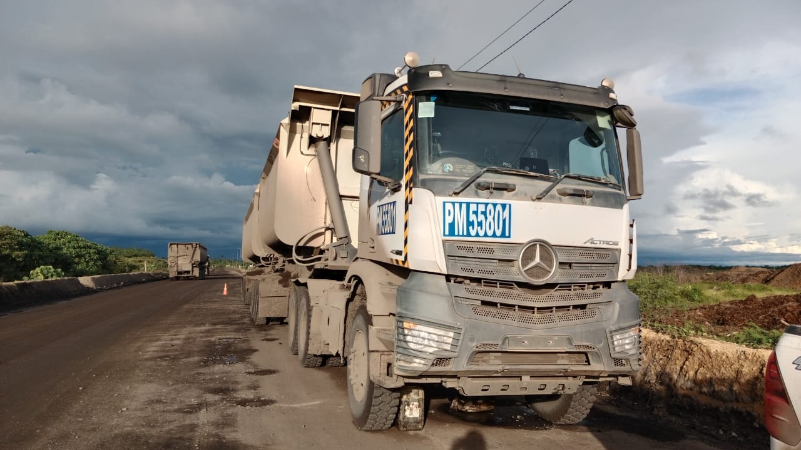
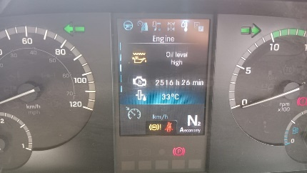
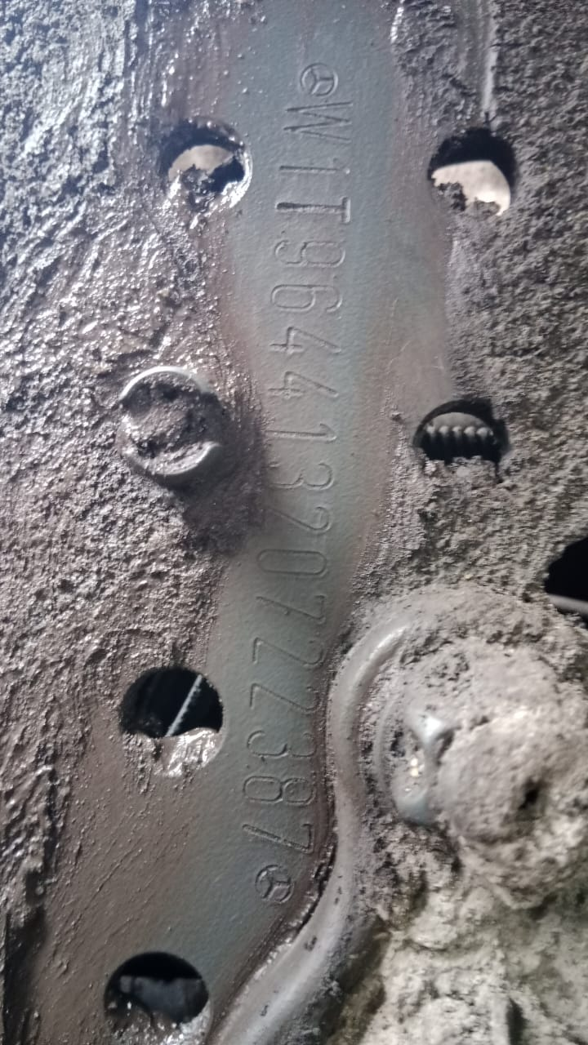

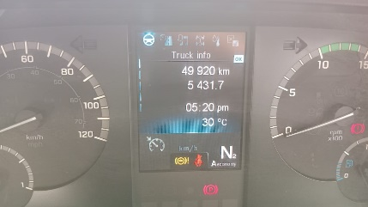

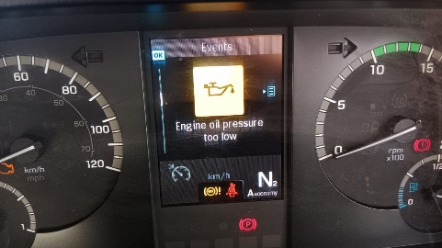
OIL LEVEL HIGH ON MONITOR
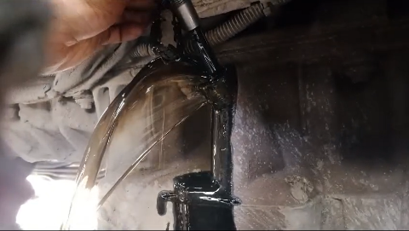
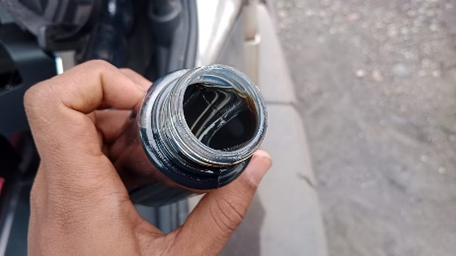
OIL ANY CONTAMINATED

ACTUAL OIL LEVEL VERY HIGH FROM OIL LEVEL SENSOR
ERROR OIL PRESSURE TOO LOW ON MONITOR

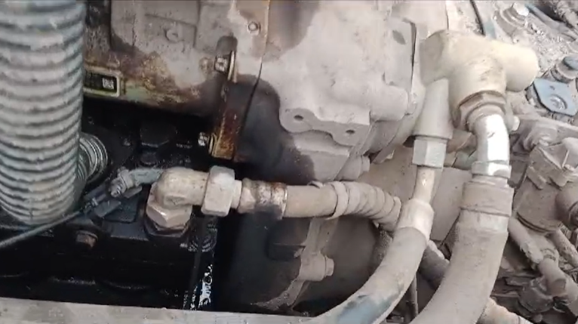
FUEL LEAK BETWEEN TIMING CASE AND HIGH PRESSURE PUMP
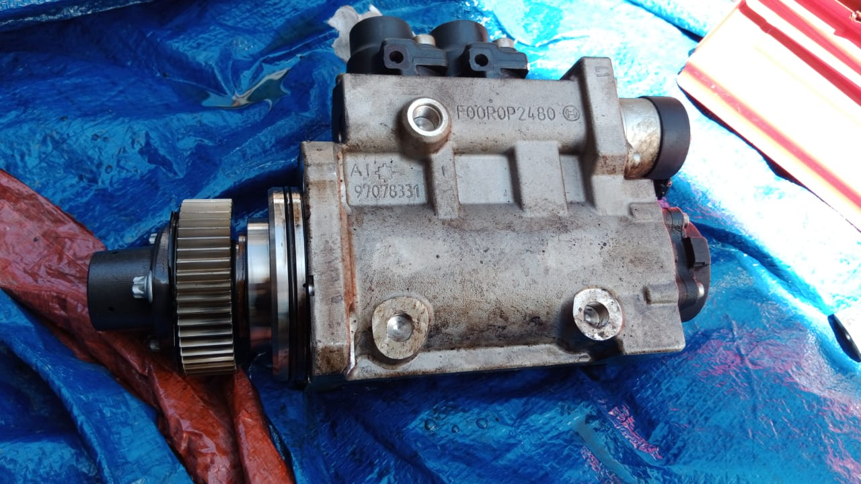
CONDITION HIGH PRESSURE PUMP AFTER REMOVE
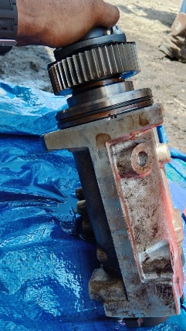
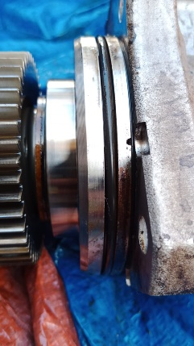

FUEL LEAK FROM HOLE HIGH PRESSURE PUMP

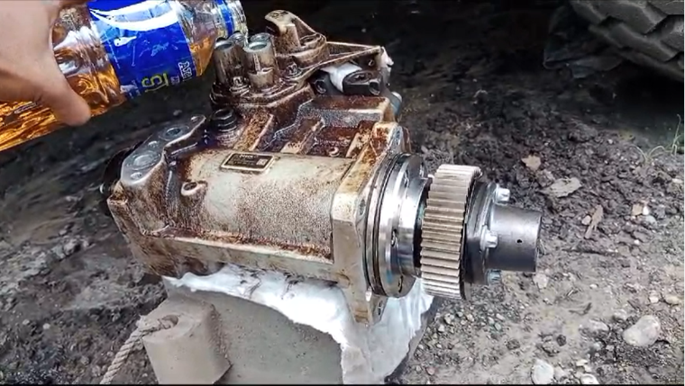
TEST AND CHECK LEAKING HIGH PRESSURE PUMP
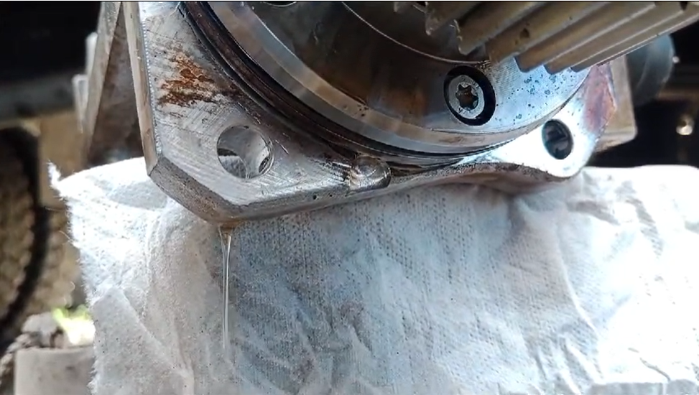
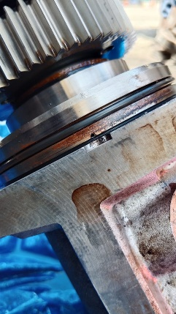

ANALYSIS
Based on data/pictures. possibility the root cause due to internal leaking on high pressure pump, this condition see from test and check leaking
high pressure pump with fuel flow. This case cause fuel into oil sump through timing gear make oil level very high this condition see actual from oil level sensor.
so the oil pump becomes heavy and the oil pressure low.

STATUS

STATUS ORDER SPAREPARTS |  |  |  |  |  |  |  |  |  | RECOMMENDED SPAREPARTS

DATA SPAREPARTS RECOMMENDED
No | Part Number |  | Description |  |  |  |  |  |  | Qty

Created
Date |  | 25-Sep-24

Tertanda

