Time Sheet
MENU

 |  |  |  | PT Star Wagen Indonesia
Job Time Card Report |  |  |  | Authorized Dealer of Mercedes-Benz Truck & Bus in Indonesia

Mechanic Name: | Egi sugiana |  | WIP Number :

CIW/GW | Operational Code | End Start | Time Recording |  | Date |  |  |  | Total Time
 | Description
Warranty |  | End |  |  |  |  |  |  | 0:00:00 |  | Customer | 1:00:00
 |  | Start |  |  |  |  |  |  |  |  | Internal | 2:00:00
 |  | End |  |  |  |  |  |  | 0:00:00 |  | Warranty | 3:00:00
 |  | Start |  |  |  |  |  |  |  |  | GoodWill | 4:00:00
 |  | End |  |  | 2023-01-16 |  |  |  | 0:00:00 |  |  | 5:00:00
 |  | Start |  |  |  |  |  |  |  |  |  | 6:00:00
 |  | End |  |  |  |  |  |  | 0:00:00 |  |  | 7:00:00
 |  | Start |  |  |  |  |  |  |  |  |  | 8:00:00
 |  | End |  |  |  |  |  |  | 0:00:00 |  |  | 9:00:00
 |  | Start |  |  |  |  |  |  |  |  |  | 10:00:00
 |  | End |  |  |  |  |  |  | 0:00:00 |  |  | 11:00:00
 |  | Start |  |  |  |  |  |  |  |  |  | 12:00:00
 |  | End |  |  |  |  |  |  | 0:00:00 |  |  | 13:00:00
 |  | Start |  |  |  |  |  |  |  |  |  | 14:00:00
 |  | End |  |  |  |  |  |  | 0:00:00 |  |  | 15:00:00
 |  | Start |  |  |  |  |  |  |  |  |  | 16:00:00
 |  | End |  |  |  |  |  |  | 0:00:00 |  |  | 13:00:00
 |  | Start |  |  |  |  |  |  |  |  |  | 14:00:00
 |  | End |  |  |  |  |  |  | 0:00:00 |  |  | 15:00:00
 |  | Start |  |  |  |  |  |  |  |  |  | 16:00:00
 |  | End |  |  |  |  |  |  | 0:00:00 |  |  | 13:00:00
 |  | Start |  |  |  |  |  |  |  |  |  | 14:00:00
 |  | End |  |  |  |  |  |  | 0:00:00 |  |  | 15:00:00
 |  | Start |  |  |  |  |  |  |  |  |  | 16:00:00
 |  |  |  |  |  |  |  |  |  |  |  | 17:00:00
Hours |  | C | I | W/G | W1 | W2 | W3 | W4 | W5 | W6 |  | 18:00:00
Total |  |  |  | 0:00:00 |  |  |  |  |  |  |  | 19:00:00
 |  |  |  |  |  |  |  |  |  |  |  | 20:00:00
Head Office | Gedung Office 8 Lt.33 (SCBD Lot 28/Senopati Raya 8B), Jl.Jend.Sudirman Kav.52-53, Jakarta Selatan 12190 , Indonesia | T +62 21 57903456 | www.starwagen.co.id |  |  |  |  |  |  |  |  |  |  |  | 21:00:00
Branch | Jl.Syarifuddin Yoes Blok.Kav.46-47 RT.045, Sepinggan Baru, Balikpapan Selatan, Kalimantan Timur, Indonesia | +62 54 28707888 / +62 54 28705758 |  |  |  |  |  |  |  |  |  |  |  | 22:00:00
 |  |  |  |  |  |  |  |  |  |  |  | 23:00:00
and Mercedes-Benz are registered trademarks of Mercedes-Benz Group AG
 |  |  |  |  |  |  |  |  |  |  |  | 1900-01-01 00:00:00

Worksop Report
 | Menu
 |  |  | Workshop Report For Diagnostic Guide

 |  |  |  |  |  |  | PT.STAR WAGEN INDONESIA
 |  |  |  |  | WO
Date: |  | 9-Oct-24 |  |  |  |  |  | Job Site:
WIP No: |  |  |  |  | Customer Name: | PT. ANTAREJA MAHADA MAKMUR |  | PT MIFA
Chasis No: |  | W1T96441320722387 |  |  | Reg No : |  | Reg date
Engine No: |  | 473907C0882499 |  |  | Type : | ACTROS 4058 S | Mileage / Hours Meter | 49920 / 2516
Unit Code |  | PM55801

COMPLAINT ANALYSIS
Customer complaint/Customer information
 | Error oil pressure to low
Vehicle information
 | Aplicaton : | ü Long distance |  | ü Dump truck | Ore operation | Regular service base
 |  | Short distance |  | support truck | ü OB operation
Customer Information :
 | WHEN OPERATION OPERATOR SEE ERROR OIL PRESSURE TO LOW ON MONITOR

TEST LEVEL

 | Test Level Description |  |  |  |  | Actual Value | Remark | Attachment Number
 | CHECK ERROR ON MONITOR |  |  |  |  | ERROR OIL PRESSURE TO LOW | NOT OK | attachment picture 1
 | CHECK OIL LEVEL ON MONITOR |  |  |  |  | LEVEL HIGH | NOT OK | attachment picture 2
 | CHECK HIGH PRESSURE PUMP |  |  |  |  | LEAK | NOT OK | attachment picture 3
 | CHECK LEVEL OIL ACTUAL IN SENSOR OIL LEVEL |  |  |  |  | LEVEL VERY HIGH | NOT OK | attachment picture 4

CAUSE LEVEL
Cause level/Workshop findings: |  |  |  |  | RESULT :
 |  |  |  |  | AFTER REPORT FROM OPERATOR WE CHECK ERROR CODE AND OIL LEVEL ON MONITOR, ON MONITOR ANY ERROR OIL PRESSURE TOO LOW AND OIL LEVEL HIGH, AFTER CHECK ERROR WE TRY RUNNING ENGINE AND ENGINE CAN'T RUNNING, WE INSPECT AREA ENGINE ANY LEAK FUEL BETWEEN HIGH PRESSURE PUMP AND TIMING CASE, WE TRY PRIMMING PUMP FUEL WE SEE FUEL LEAK FROM HIGH PRESSURE PUMP. AFTER FINDING FUEL LEAK WE REMOVE HIGH PRESSURE PUMP MAKE SURE CONDITION FUEL LEAK FROM WHERE. AFTER REMOVE HIGH PRESSURE PUMP WE CHECK AND TEST LEAKING HIGH PRESURE PUMP WITH FUEL FLOW FROM INPUT GALLERI AND THE RESULT ANY LEAK FROM HOLE FRONT HIGH PRESSURE PUMP. AFTER CHECK CONDITION HIGH PRESSURE PUMP WE CHECK ACTUAL OIL LEVEL FROM OIL LEVEL SENSOR. THE RESULT ACTUAL OIL LEVEL VERY HIGH AND ANY OIL CONTAMINANT.
 |  | Ada | Tidak ada | Attachment Nr
Photo (# lembar) |  | √ |  | √
Area kerusakan (gbr EPC) |  | √ |  | √
Video (nama file) |  | √ | √ | √
Old Spare part No.
Notes: |  |  |  |  |  |  |  |  | √
 |  |  |  |  |  |  |  |  | x

RECTIFICATION AND VERIFICATION LEVEL
Rectification:

 | PART NUMBER | DESCRIPTION | QTY
 | A4720901550 | H-PRESS. PUMP, COM. RAIL | 1

Verification:

 |  |  | Workshop report digunakan untuk mencatat hasil analisa mekanik dengan menyertakan langkah-langkah diagnosis dan temuannya selama diagnosa

PICTURE CAUSE AND ACTION
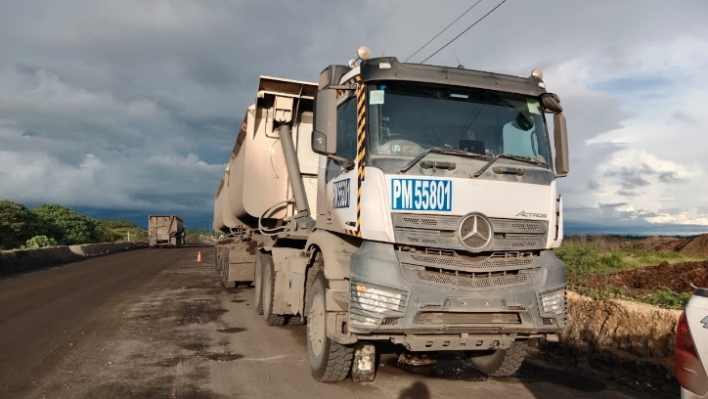 |  |  | 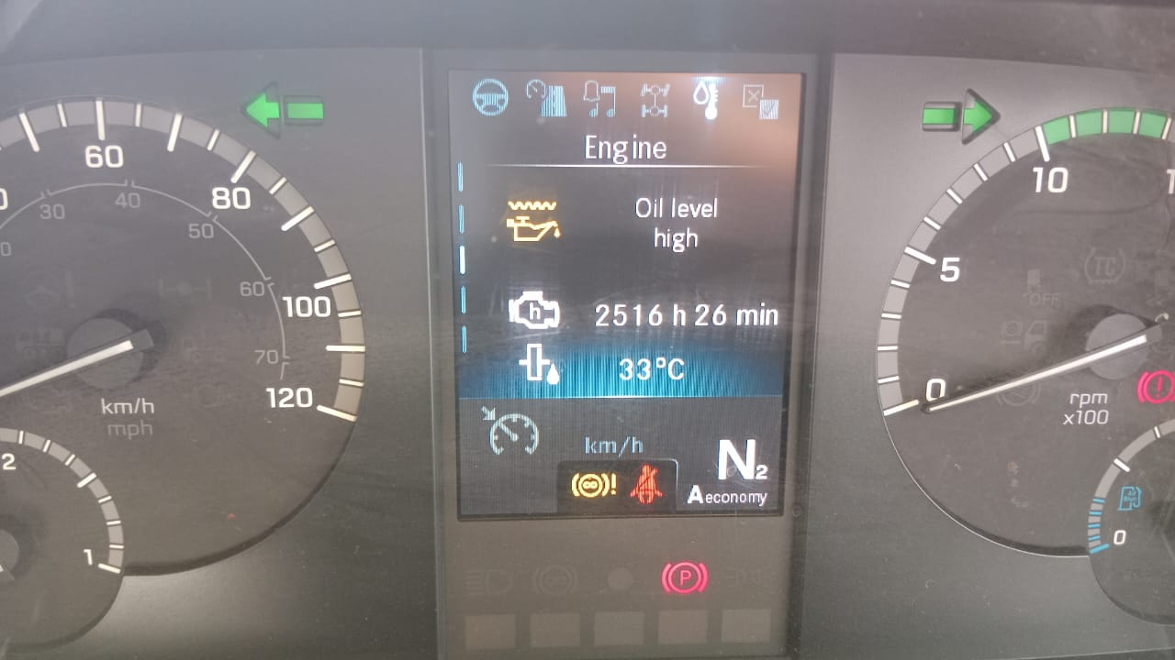 |  | 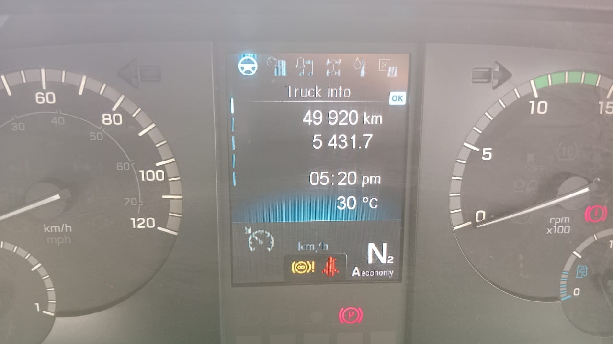 |  | 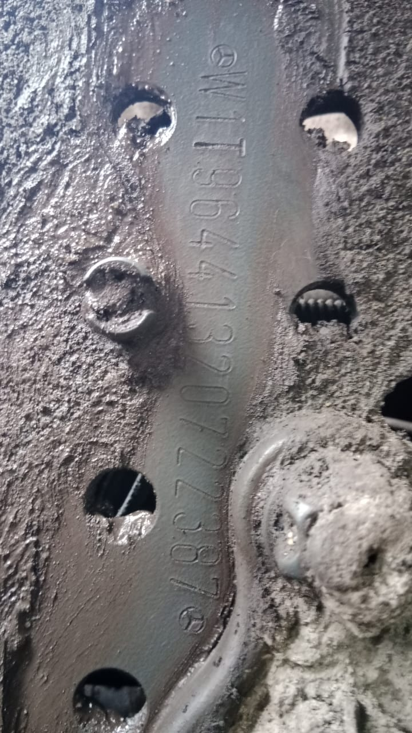

FOTO UNIT |  |  | FOTO HM |  | FOTO KM |  | FOTO VIN

1
ERROR OIL PRESSURE TOO LOW ON MONITOR
2
OIL LEVEL HIGH ON MONITOR
4
PICTURE CAUSE AND ACTION
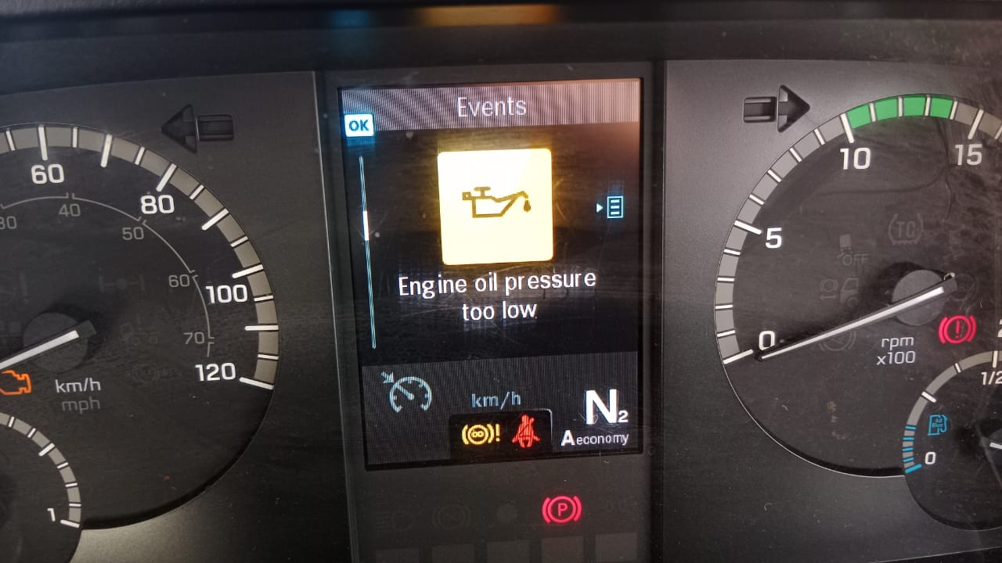 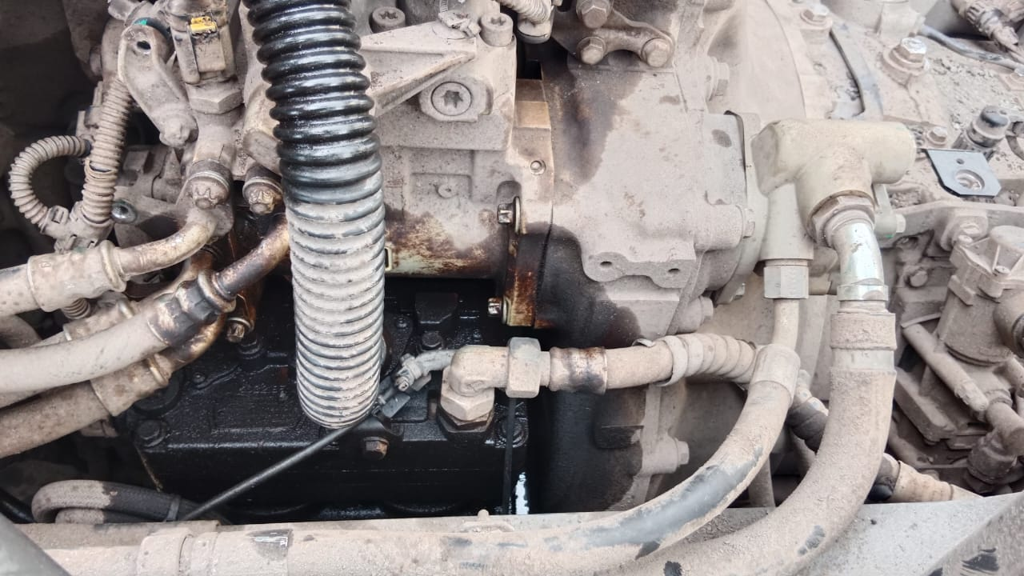 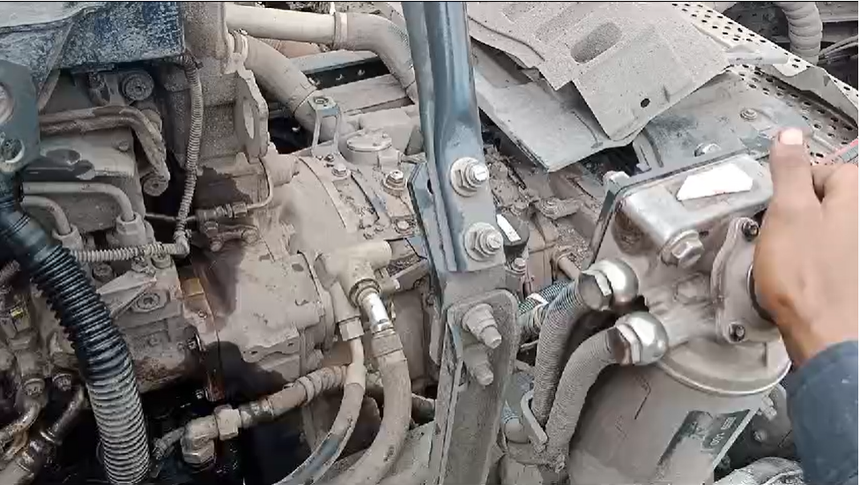 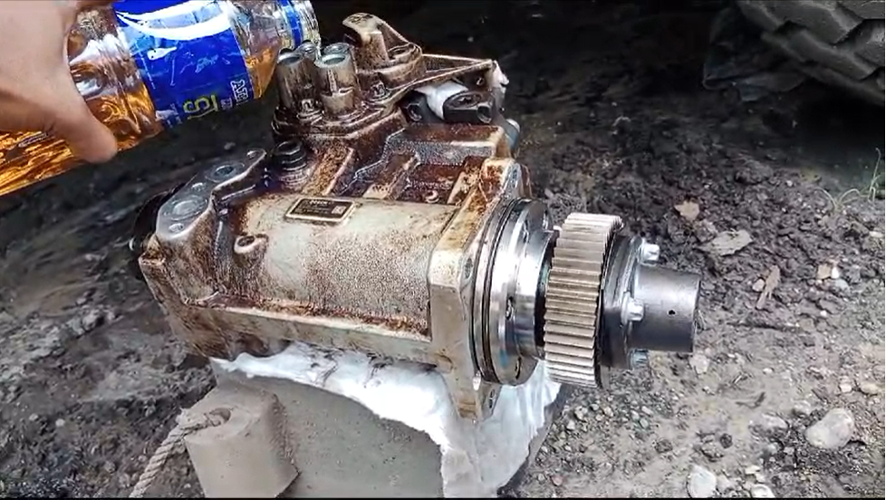 |  |  | 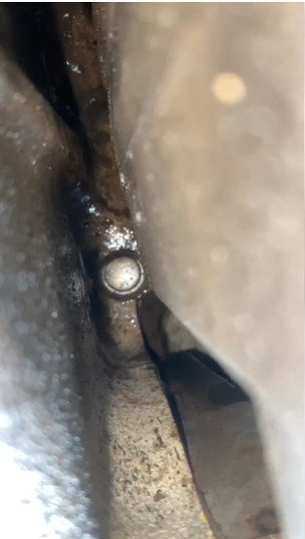 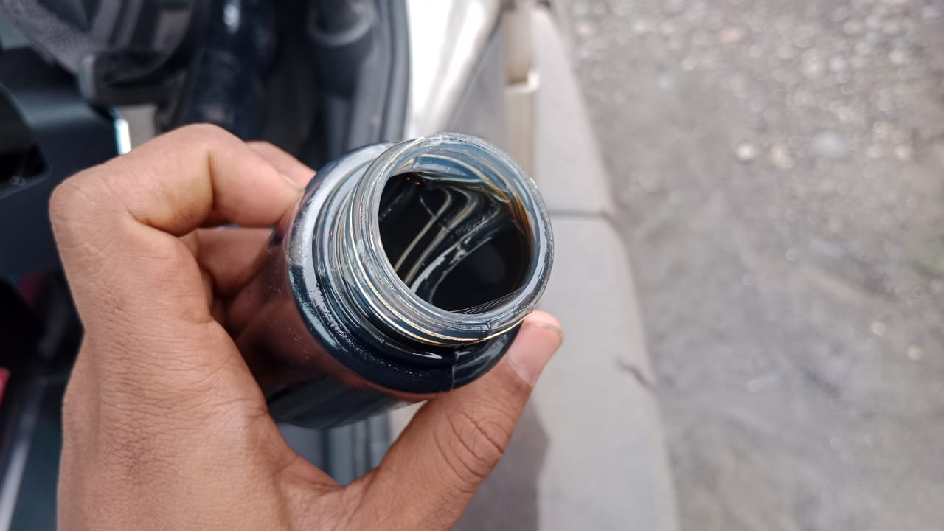 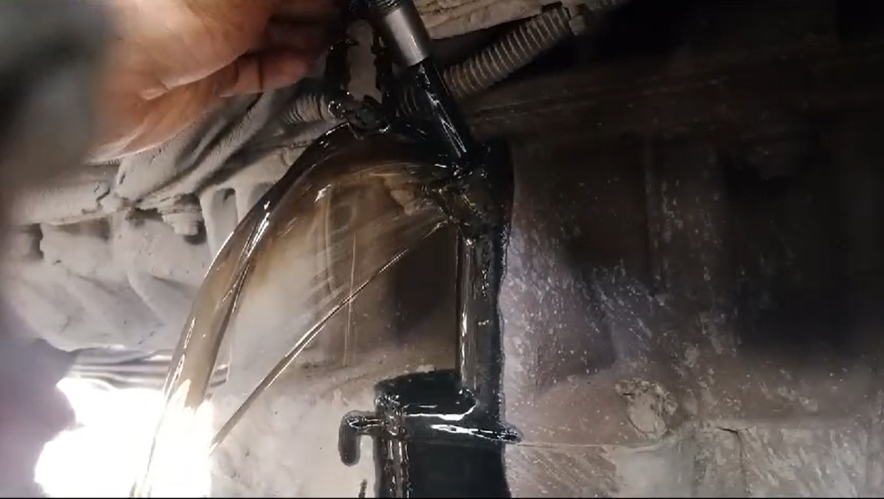 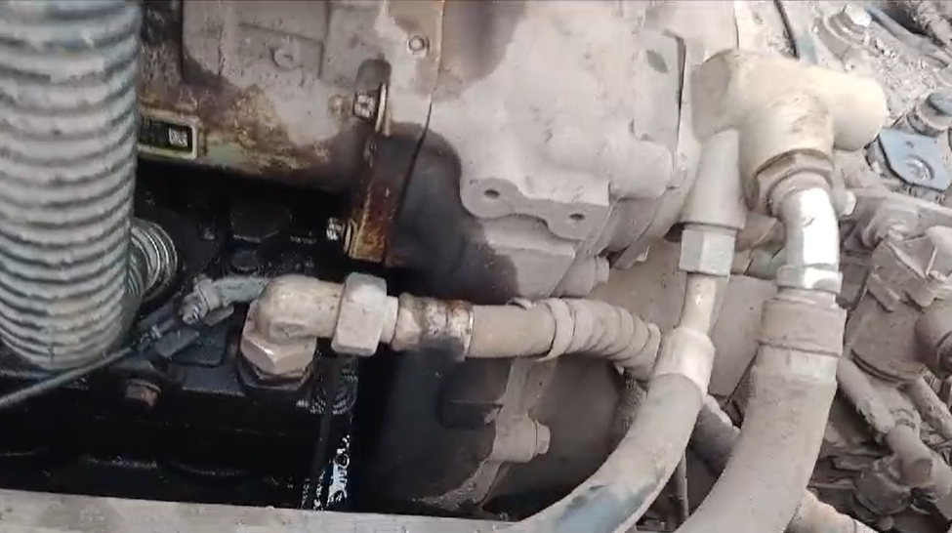 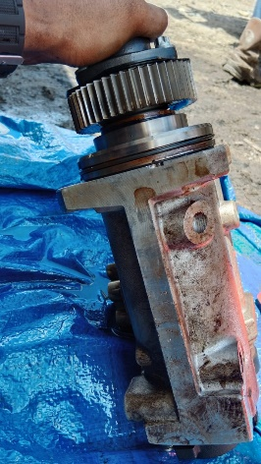 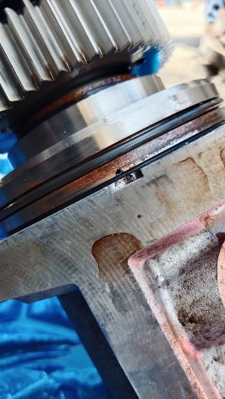 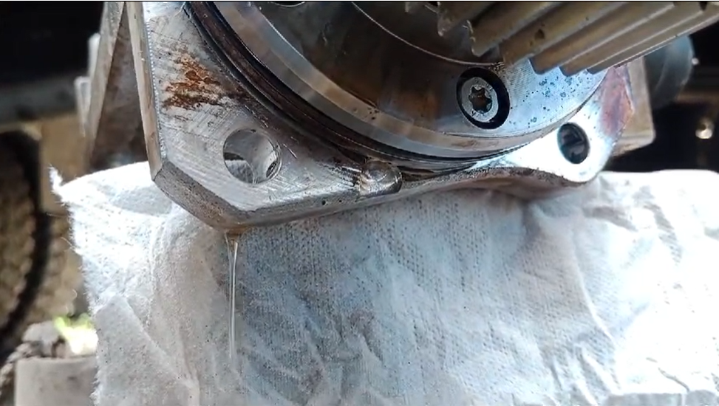 |  |  |  |  | 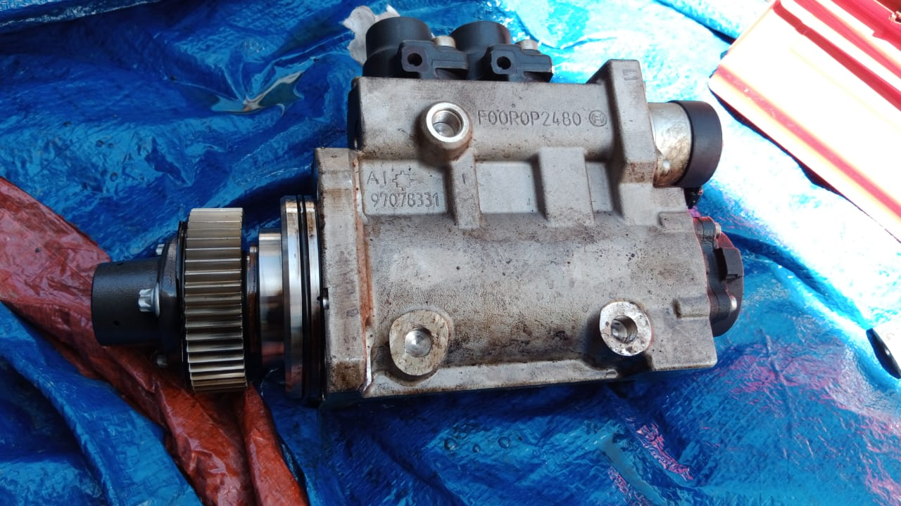
ACTUAL OIL LEVEL VERY HIGH
OIL ANY CONTAMINATED

FUEL LEAK FROM BETWEN HOGH PRESSURE PUMP TO TIMING CASE
3
TEST AND CHECK LEAKING HIGH PRESSURE PUMP
WE PRIMMING PUMP FROM WATER SEPARATOR
FUEL FLOW AFTER PRIMING PUMP
FUEL LEAK FROM HOLE HIGH PRESSURE PUMP
FUEL FLOW FROM HIGH PRESSURE PUMP
CONDITION HIGH PRESSURE PUMP AFTER REMOVE
CUSTOMER COMPLAINT PICTURE |  |  | JOB PROGRESS INVESTIGATION PICTURE

PICTURE CAUSE AND ACTION
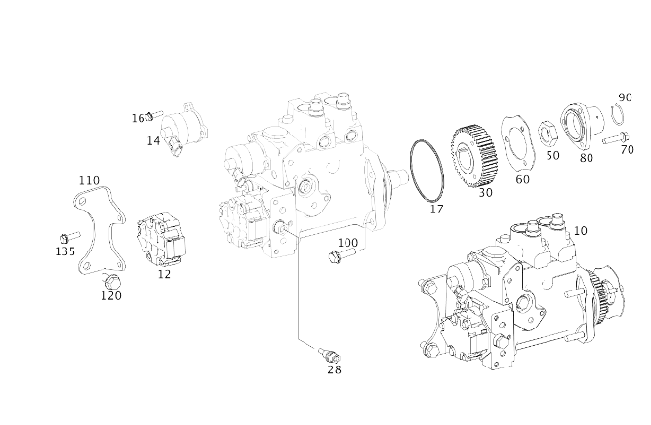 |  |  |  |  |  |  | 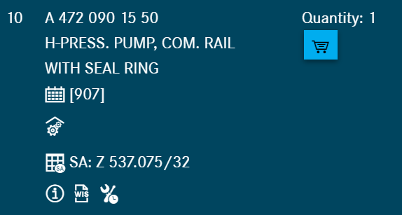

Part Book |  |  |  |  | picture part no part new |  | Remarks

 |  |  |  |  |  |  | validation

and Mercedes-Benz are registered trademarks of Mercedes-Benz Group AG.
and Mercedes-Benz are registered trademarks of Mercedes-Benz Group AG.
Head Office | Gedung Office 8 Lt.33 (SCBD Lot 28/Senopati Raya 8B), Jl.Jend.Sudirman Kav.52-53, Jakarta Selatan 12190 , Indonesia | T +62 21 57903456 | www.starwagen.co.id
Branch | Jl.Syarifuddin Yoes Blok.Kav.46-47 RT.045, Sepinggan Baru, Balikpapan Selatan, Kalimantan Timur, Indonesia | +62 54 28707888 / +62 54 28705758
 |  |  |  |  |  |  | Egi sugiana | Supervisor / Workshop Managaer

Part Request
MENU

 |  |  |  |  |  |  |  |  | Authorized Dealer of Mercedes-Benz
Part Request Slip |  |  |  |  |  |  |  |  | Truck & Bus in Indonesia
 |  | Passenger car Commercial vehicle
Slip Numbering |  | Customer Information |  |  |  | Vehicle Information |  |  | Order Information
 |  | Nama | PT. ANTAREJA MAHADA MAKMUR |  |  | Model : | ACTROS 4058 S |  | Worksop Order No : | 0
 |  | Site | PT MIFA |  |  | Vin : | W1T96441320722387 |  | Order By :
 |  |  |  |  |  | Engine No : | 473907C0882499 |  | Delivery By :
 |  | Car Registration | PM55801 |  |  | Date of 1st registration: | 0 |  | Received By | 45574
 |  |  |  |  |  |  |  |  | Issue On :

No | Part Number | ES1 | ES2 | Bin Location | Quantity Requested | Description |  |  | Unit Price | Total Price
1 | A4720901550 |  |  |  | 1 | H-PRESS. PUMP, COM. RAIL
2 |  |  |  |  |  |  |  |  |  |  | ROTATIONAL SPEED SENSOR
3
4
5
6
7
8
9
10
11
12
13
14
 |  |  |  |  |  |  |  | Foreman | Mechanic | Delivered By

 |  |  |  |  |  |  |  |  | Egi sugiana

 | Head Office | Gedung Office 8 Lt.33 (SCBD Lot 28/Senopati Raya 8B), Jl.Jend.Sudirman Kav.52-53, Jakarta Selatan 12190 , Indonesia | T +62 21 57903456 | www.starwagen.co.id
 | Branch | Jl.Syarifuddin Yoes Blok.Kav.46-47 RT.045, Sepinggan Baru, Balikpapan Selatan, Kalimantan Timur, Indonesia | +62 54 28707888 / +62 54 28705758

and Mercedes-Benz are registered trademarks of Mercedes-Benz Group AG

Final Control
MENU

 |  |  | Truck & Bus |  |  |  | PT Star Wagen Indonesia
 |  |  | in Indonesia |  |  |  | Authorized Dealer of Mercedes-Benz Truck & Bus in Indonesia
Final Control Report

 |  | Customer Name : | PT. ANTAREJA MAHADA MAKMUR |  | Millage In : |  |  |  | Check And Tested By
 |  | Wo no/ WIP NO : |  |  | Millage Out : |  |  |  | Name : | Egi sugiana
 |  |  |  |  |  |  |  |  | Date : | 2023-09-05

 |  | Function Checks |  |  | Visual Checks |  |  |  | Other Checks
 | √ | All warning indicators |  | √ | Engine |  |  | √ | Wiper blades and spraying nozzle |  | √
 | √ | Steering system |  | √ | Transmission |  |  | √ | Vacuum hoses/lines |  | x
 | √ | Horn |  | √ | Rear axles |  |  | √ | Write your own checking list related reparation you did
 | √ | Lights interior / exterior |  | √ | Steering system |  |  | √ | …………………………………………………………………..
 | √ | Other electrical equipment |  | √ | Fuel system |  |  | √ | …………………………………………………………………..
 | √ | Central locking / closing assist system |  | √ | Cooling system |  |  | √ | …………………………………………………………………..
 | √ | Brakes on dynamometer or test drive |  | √ | Brake hoses / lines / linkage |  |  | √ | …………………………………………………………………..
 | √ | Air conditioner |  | √ | Condition of tires/spare tires (if any) |  |  | √ | …………………………………………………………………..
 |  |  |  | √ | Cleanliness inside and outside |  |  |  | …………………………………………………………………..
 |  | Fluid Levels |  |  | Final Checks |  |  |  | Document Check
 | √ | Engine |  | √ | Check work performed |  |  | √ | Test document / Short test result
 | √ | Transmission |  | √ | Test Drive if needed |  |  | √ | Workshop report (only if required)
 | √ | Radiator / Coolant |  |  |  |  |  | √ | Internal part requisition slip
 | √ | Power steering |  |  |  |  |  | √ | Battery test result, only if tested
 | √ | Battery |  |  |  |  |  | √
 | √ | Brake system |  |  |  |  |  | √
 | √ | Windshield washer |  |  |  |  |  | √
 |  |  |  |  |  |  |  | √
 | After completion of all the work required by you, we performed a final quality check on your vehicle with the following results:
 | Ok |  | No |  |  |  |  | Acknowledged by
 | During checking & reparation process, some critical findings has to be followed up;
 | 1.
 | 2.
 | this has been conveyed on………..to……………. but not approved for doing an action. |  |  |  | (Service Advisor) | (Customer) |  | Foreman or Supervisor

 | Head Office | Gedung Office 8 Lt.33 (SCBD Lot 28/Senopati Raya 8B), Jl.Jend.Sudirman Kav.52-53, Jakarta Selatan 12190 , Indonesia | T +62 21 57903456 | www.starwagen.co.id
 | Branch | Jl.Syarifuddin Yoes Blok.Kav.46-47 RT.045, Sepinggan Baru, Balikpapan Selatan, Kalimantan Timur, Indonesia | +62 54 28707888 / +62 54 28705758
and Mercedes-Benz are registered trademarks of Mercedes-Benz Group AG
.

