DA52528
FAILURE ANALYSIS REPORT

CUSTOMER NAME |  | ANTAREJA MAHADA MAKMUR |  |  | PHONE NO. / HP
KOTA / BRANCH |  | PT. MIFA BERSAUDARA - west aceh |  |  |  |  | DATE | 25-Sep-24

UNIT TYPE |  |  | COMP MODEL | BRAND |  | INSTALL DATE |  |  | PROBLEM DATE
COMPACTOR SAKAI |  |  | SV700TF | SAKAI |  | 16-May-24 |  |  | 21-Sep-24

UNIT CODE |  |  | MACHINE LOCATION |  |  | LIFETIME |  |  | HM / KM
SV517 |  |  | PPA - MIFA |  |  | 128 days |  |  | 1529

DETAIL PROBLEM
We receive information from operator any leak engine area.

PHOTO

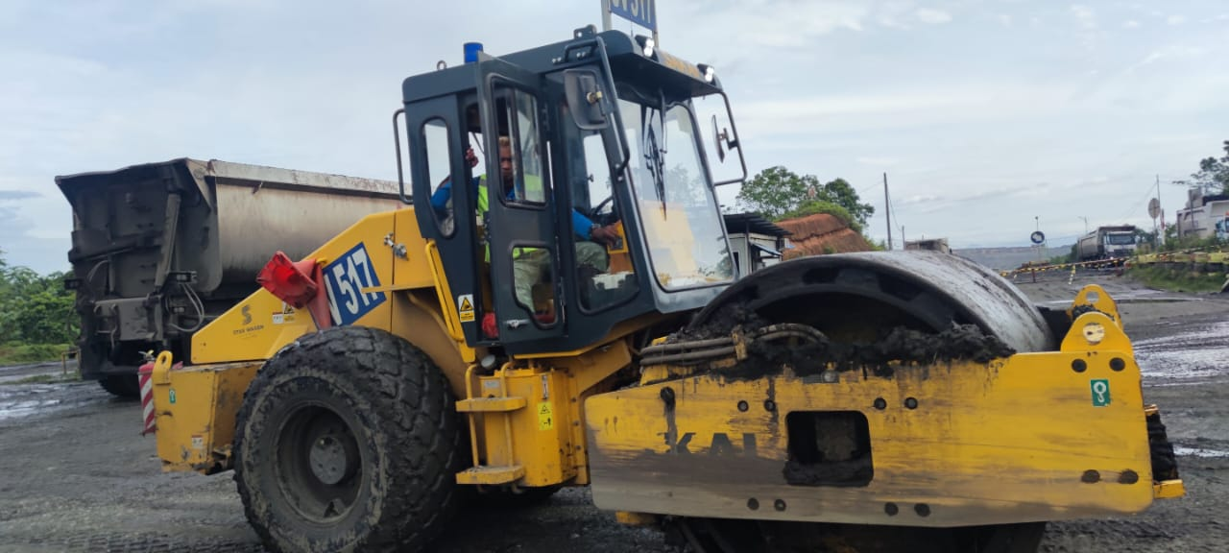
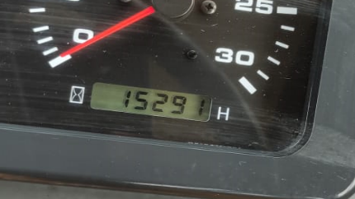
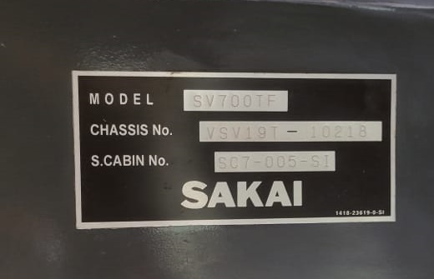

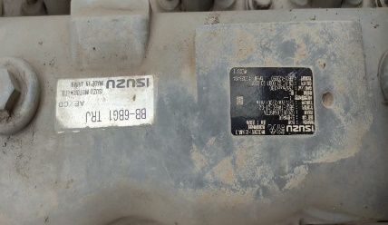

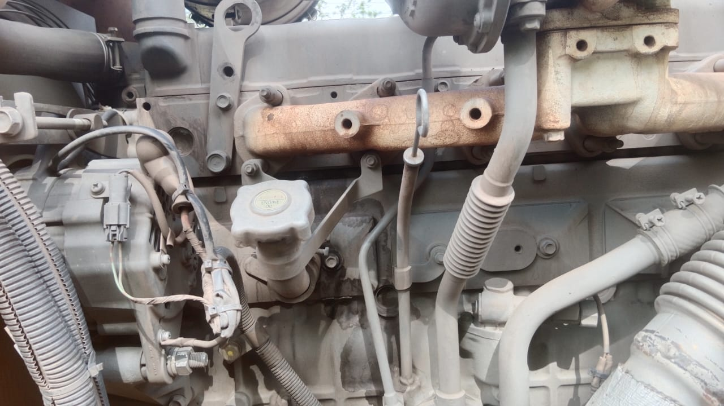
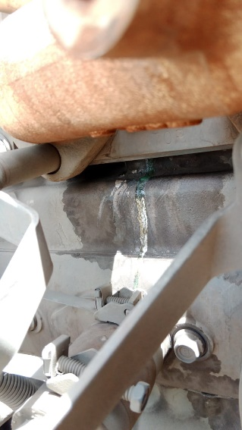
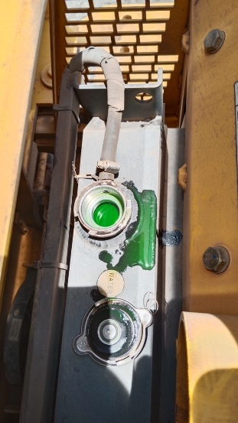
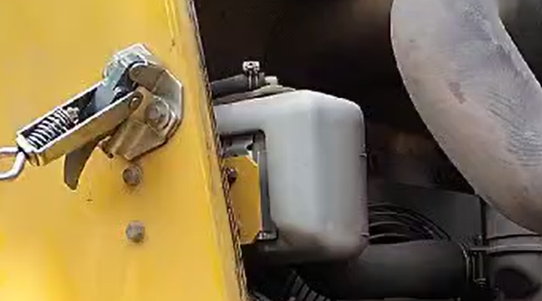

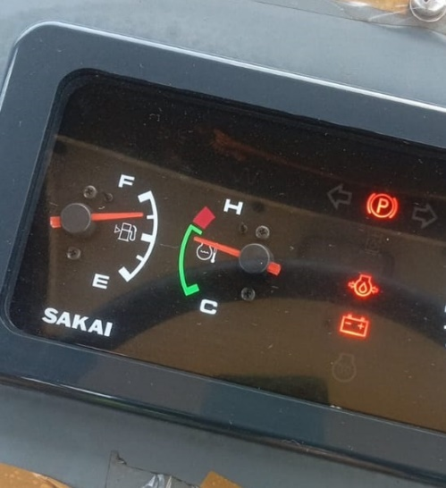
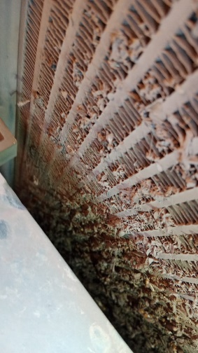

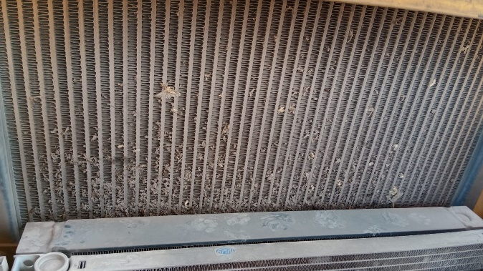
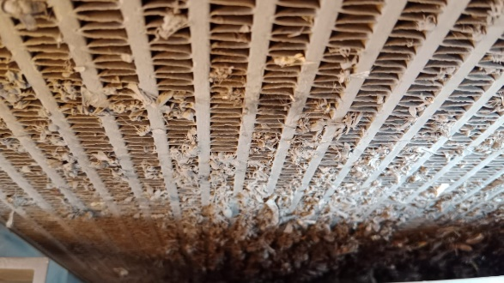

ANALYSIS
After inspection of the data, we found any leakage water coolant on the cylinder head this confirmed that the liquid and color are the same as the water coolant.
This could be due to overheating, this is confirmed by finding coolant temperature to high and any dirty radiator which make coolant circulation problem
cause overheat so that gasket cyinder head leaks. we suggest cleaning the radiator area due to operational condition hauling road is minim water truck can be make
cooling system running unproperly, cause clean radiator make cooling system can be working properly.

STATUS

STATUS ORDER SPAREPARTS |  |  |  |  |  |  |  |  |  | RECOMMENDED SPAREPARTS

DATA SPAREPARTS RECOMMENDED
No | Part Number |  | Description |  |  |  |  |  |  | Qty

Created
Date |  | 25-Sep-24

Tertanda

