Time Sheet
MENU

 |  |  |  | PT Star Wagen Indonesia
Job Time Card Report |  |  |  | Authorized Dealer of Mercedes-Benz Truck & Bus in Indonesia

Mechanic Name: | ANANDA IRFAN S |  | WIP Number :

CIW/GW | Operational Code | End Start | Time Recording |  | Date |  |  |  | Total Time
 | Description
Warranty |  | End |  |  |  |  |  |  | 0:00:00 |  | Customer | 1:00:00
 |  | Start |  |  |  |  |  |  |  |  | Internal | 2:00:00
 |  | End |  |  |  |  |  |  | 0:00:00 |  | Warranty | 3:00:00
 |  | Start |  |  |  |  |  |  |  |  | GoodWill | 4:00:00
 |  | End |  |  | 2023-01-16 |  |  |  | 0:00:00 |  |  | 5:00:00
 |  | Start |  |  |  |  |  |  |  |  |  | 6:00:00
 |  | End |  |  |  |  |  |  | 0:00:00 |  |  | 7:00:00
 |  | Start |  |  |  |  |  |  |  |  |  | 8:00:00
 |  | End |  |  |  |  |  |  | 0:00:00 |  |  | 9:00:00
 |  | Start |  |  |  |  |  |  |  |  |  | 10:00:00
 |  | End |  |  |  |  |  |  | 0:00:00 |  |  | 11:00:00
 |  | Start |  |  |  |  |  |  |  |  |  | 12:00:00
 |  | End |  |  |  |  |  |  | 0:00:00 |  |  | 13:00:00
 |  | Start |  |  |  |  |  |  |  |  |  | 14:00:00
 |  | End |  |  |  |  |  |  | 0:00:00 |  |  | 15:00:00
 |  | Start |  |  |  |  |  |  |  |  |  | 16:00:00
 |  | End |  |  |  |  |  |  | 0:00:00 |  |  | 13:00:00
 |  | Start |  |  |  |  |  |  |  |  |  | 14:00:00
 |  | End |  |  |  |  |  |  | 0:00:00 |  |  | 15:00:00
 |  | Start |  |  |  |  |  |  |  |  |  | 16:00:00
 |  | End |  |  |  |  |  |  | 0:00:00 |  |  | 13:00:00
 |  | Start |  |  |  |  |  |  |  |  |  | 14:00:00
 |  | End |  |  |  |  |  |  | 0:00:00 |  |  | 15:00:00
 |  | Start |  |  |  |  |  |  |  |  |  | 16:00:00
 |  |  |  |  |  |  |  |  |  |  |  | 17:00:00
Hours |  | C | I | W/G | W1 | W2 | W3 | W4 | W5 | W6 |  | 18:00:00
Total |  |  |  | 0:00:00 |  |  |  |  |  |  |  | 19:00:00
 |  |  |  |  |  |  |  |  |  |  |  | 20:00:00
Head Office | Gedung Office 8 Lt.33 (SCBD Lot 28/Senopati Raya 8B), Jl.Jend.Sudirman Kav.52-53, Jakarta Selatan 12190 , Indonesia | T +62 21 57903456 | www.starwagen.co.id |  |  |  |  |  |  |  |  |  |  |  | 21:00:00
Branch | Jl.Syarifuddin Yoes Blok.Kav.46-47 RT.045, Sepinggan Baru, Balikpapan Selatan, Kalimantan Timur, Indonesia | +62 54 28707888 / +62 54 28705758 |  |  |  |  |  |  |  |  |  |  |  | 22:00:00
 |  |  |  |  |  |  |  |  |  |  |  | 23:00:00
and Mercedes-Benz are registered trademarks of Mercedes-Benz Group AG
 |  |  |  |  |  |  |  |  |  |  |  | 1900-01-01 00:00:00

Worksop Report
 | Menu
 |  |  | Workshop Report For Diagnostic Guide

 |  |  |  |  |  |  | PT.STAR WAGEN INDONESIA
 |  |  |  |  | WO
Date: |  | 22-Jul-24 |  |  |  |  |  | Job Site:
WIP No: |  |  |  |  | Customer Name: | PT. ANTAREJA MAHADA MAKMUR |  | PT MIFA
Chasis No: |  | W1T96441720722389 |  |  | Reg No : |  | Reg date
Engine No: |  | 473907C0882560 |  |  | Type : | ACTROS 4058 | Mileage / Hours Meter | 20186 KM/ 959H
Unit Code |  | PM55803

COMPLAINT ANALYSIS
Customer complaint/Customer information
 | Indicator coolant level low
Vehicle information
 | Aplicaton : | ü Long distance |  | ü Dump truck | Ore operation | Regular service base
 |  | Short distance |  | support truck | OB operation
Customer Information :
 | MUNCUL INDIKATOR COOLANT LEVEL LOW

TEST LEVEL

 | Test Level Description |  |  |  |  | Actual Value | Remark | Attachment Number
 | CHECK INSTRUMEN CLUSTER |  |  |  |  | MUNCUL INDIKATOR COOLANT LOW | NOT OK | attachment picture 1
 | CHECK LEVEL COOLANT PADA RESERVOIR COOLANT |  |  |  |  | TAMBAH COOLANT 3 LITER | NOT OK
 | CHECK ERROR BY XENTRY |  |  |  |  | HISTORY COOLANT LEVEL LOW PADA MCM | NOT OK | attachment picture 2
 | CHECK RADIATOR |  |  |  |  | OK | OK
 | CHECK EGR COOLER MODULE |  |  |  |  | ADA NYA LEAK DI EGR COOLER MODULE | NOT OK | attachment picture 3
 | CHECK INTAKE MANIFOL |  |  |  |  | ADANYA KERAK COOLANT | NOT OK | attachment picture 4

CAUSE LEVEL
Cause level/Workshop findings: |  |  |  |  | RESULT :
 |  |  |  |  | PADA TANGGAL 15 JULI SIFT PAGI MEKANIK MENDAPAT LAPORAN JIKA UNIT PM55803 MUNCUL SIMBOL COOLANT LEVEL LOW.LALU MEKANIK MENGECEK LANGSUNG KE UNIT DAN MENGECEK LEVEL PADA RESERVOIR TANK COOLANT DAN DIDAPATI COOLANT TIDAK LEVEL,LALU MEKANIK MENAMBAH CAIRAN COOLANT PADA RESERVOIR TANK DAN SIMBOL WARNING PADA MONITOR HILANG.SETELAH ITU MEKANIK MENGECEK MELALUI XENTRY DIAGNOSIS ADA HISTORY COOLANT LEVEL LOW PADA MCM.LALU MEKANIK MENGECEK PADA RADIATOR DAN DIPASTIKAN AMAN TIDAK ADA KEBOCORAN,SETELAH ITU MEKANIK MENGECEK EGR COOLER MODULE DAN DITEMUKAN REMBASAN COOLANT PADA EGR COOLER MODULENYA,LALU MEKANIK MENGECEK JUGA DIBAGIAN INTAKE MANIFOL DITEMUKAN KERAK COOLANT YANG MENJADI DAMPAK DARI KEBOCORAN EGR COOLER MODULE.
 |  | Ada | Tidak ada | Attachment Nr
Photo (# lembar) |  | √ |  | √
Area kerusakan (gbr EPC) |  | √ |  | √
Video (nama file) |  | √ | x | √
Old Spare part No.
Notes: |  |  |  |  |  |  |  |  | √
 |  |  |  |  | ANALISA DARI MEKANIK EGR COOLER LEAK DIKARENAKAN FATIGUE MATERIAL PART EGR COOLER KARENA HM YANG MASIH RENDAH |  |  |  | x
 |  |  |  |  | RESULT :
RECTIFICATION AND VERIFICATION LEVEL
Rectification:

 | PART NUMBER | DESCRIPTION | QTY
 |  | CCJIEJ
 | A 473 140 05 75 | EXH. GAS RECIRC. COOLER | 1

Verification:

 |  |  | Workshop report digunakan untuk mencatat hasil analisa mekanik dengan menyertakan langkah-langkah diagnosis dan temuannya selama diagnosa

PICTURE CAUSE AND ACTION
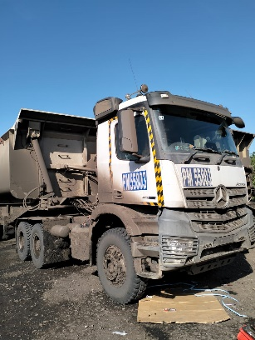 |  |  | 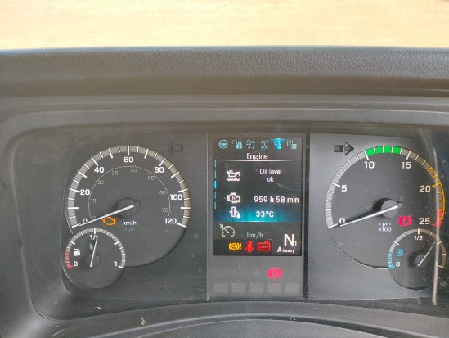

FOTO UNIT |  |  | FOTO HM |  | FOTO KM |  | FOTO VIN

1
2
ADA REMBASAN COOLANT
2
3
FOTO LEAK EGR COOLER MODULE
PICTURE CAUSE AND ACTION
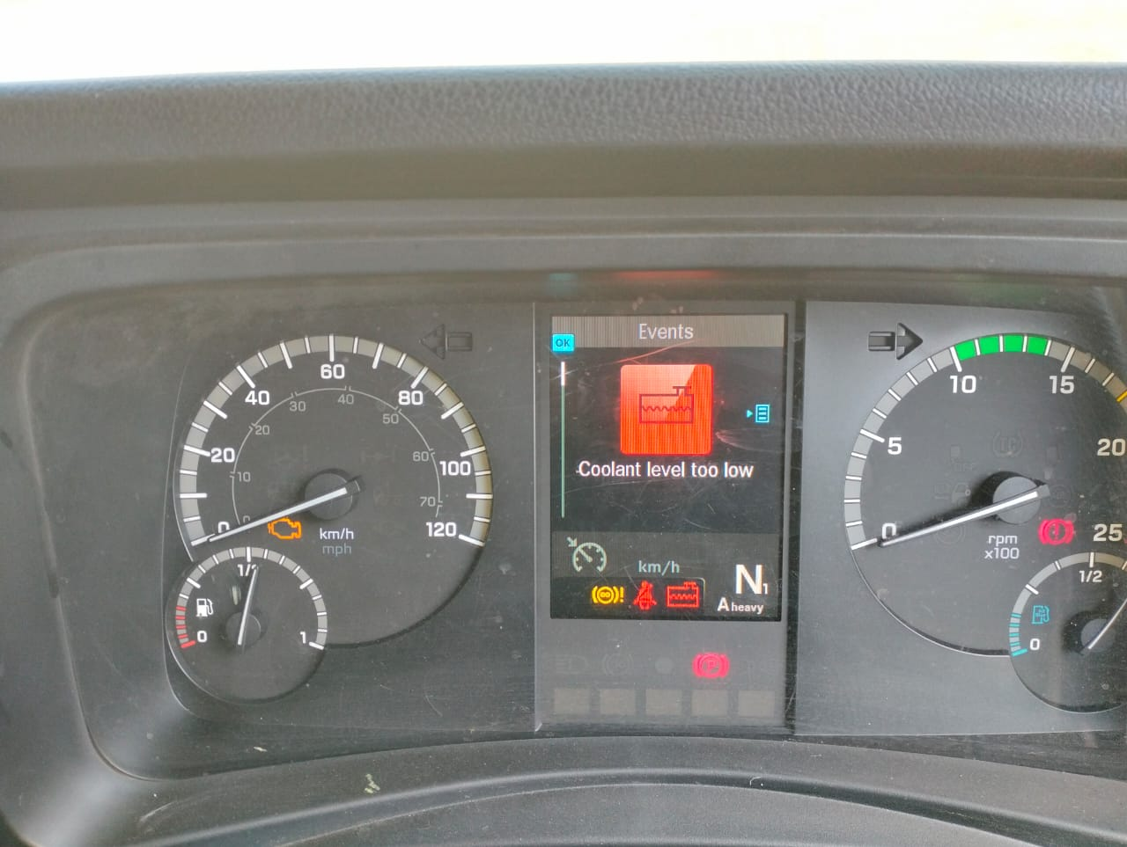 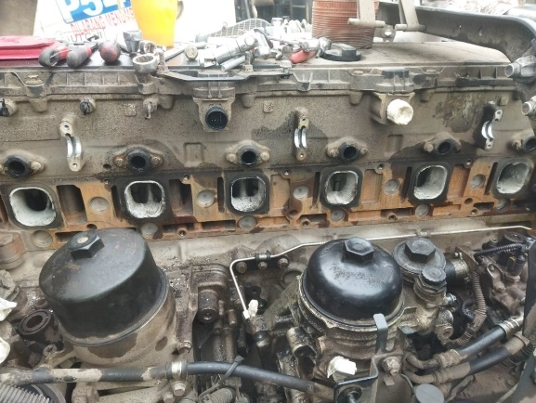 |  |  | 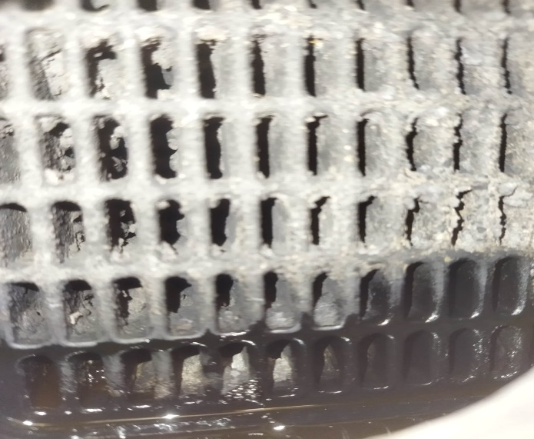 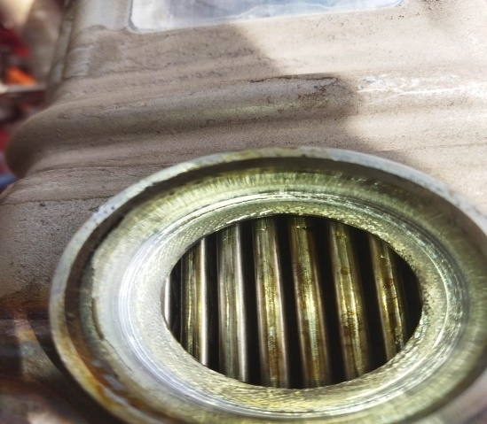 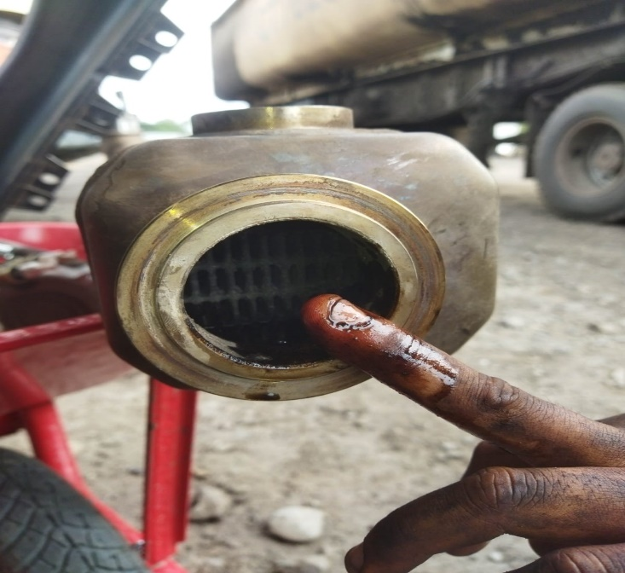 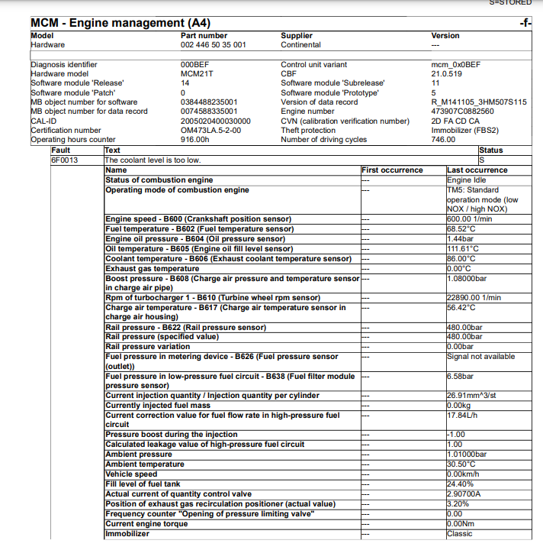 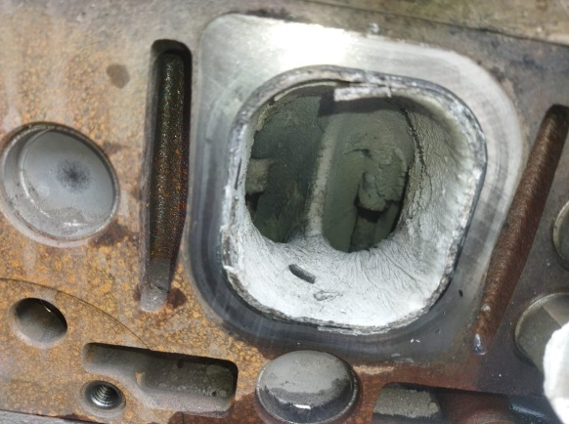 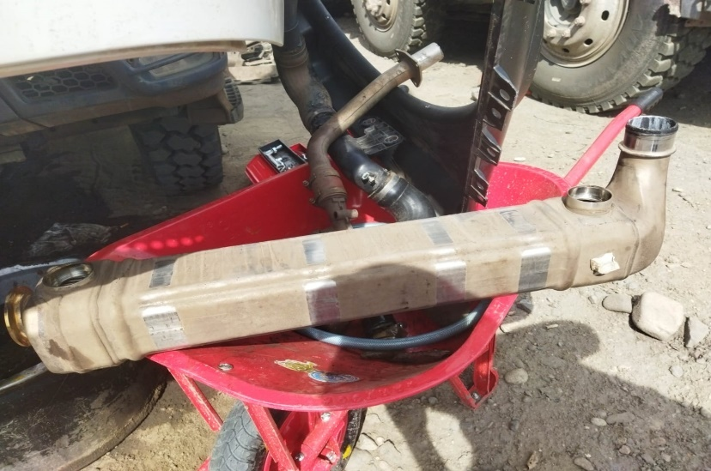

REMBASAN COOLANT DI EGR COOLER MODUEL

4
MUNCUL INDIKATOR DAN WARNING LEVEL COOLANT LOW
KERAK COOLANT PADA INTAKE MANIFOL
ERROR CODE BY XENTRY
KERAK CUKUP TEBAL
ADA REMBASAN COOLANT
EGR COOLER DEMAGE
CUSTOMER COMPLAINT PICTURE |  |  | JOB PROGRESS INVESTIGATION PICTURE

PICTURE CAUSE AND ACTION
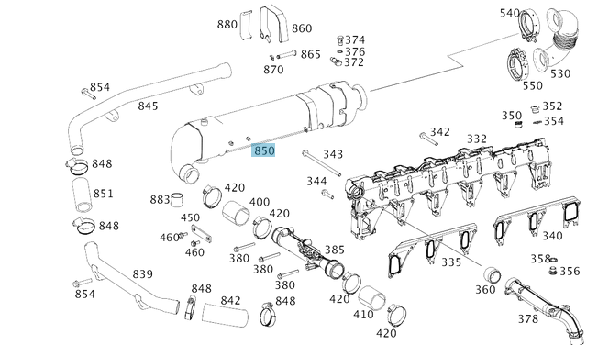

Part Book |  |  |  |  | picture part no part new |  | Remarks

 |  |  |  |  |  |  | validation

and Mercedes-Benz are registered trademarks of Mercedes-Benz Group AG.
and Mercedes-Benz are registered trademarks of Mercedes-Benz Group AG.
Head Office | Gedung Office 8 Lt.33 (SCBD Lot 28/Senopati Raya 8B), Jl.Jend.Sudirman Kav.52-53, Jakarta Selatan 12190 , Indonesia | T +62 21 57903456 | www.starwagen.co.id
Branch | Jl.Syarifuddin Yoes Blok.Kav.46-47 RT.045, Sepinggan Baru, Balikpapan Selatan, Kalimantan Timur, Indonesia | +62 54 28707888 / +62 54 28705758
 |  |  |  |  |  |  | ANANDA IRFAN S | Supervisor / Workshop Managaer

Part Request
MENU

 |  |  |  |  |  |  |  |  | Authorized Dealer of Mercedes-Benz
Part Request Slip |  |  |  |  |  |  |  |  | Truck & Bus in Indonesia
 |  | Passenger car Commercial vehicle
Slip Numbering |  | Customer Information |  |  |  | Vehicle Information |  |  | Order Information
 |  | Nama | PT. ANTAREJA MAHADA MAKMUR |  |  | Model : | ACTROS 4058 |  | Worksop Order No : | 0
 |  | Site | PT MIFA |  |  | Vin : | W1T96441720722389 |  | Order By :
 |  |  |  |  |  | Engine No : | 473907C0882560 |  | Delivery By :
 |  | Car Registration | PM55803 |  |  | Date of 1st registration: | 0 |  | Received By | 45495
 |  |  |  |  |  |  |  |  | Issue On :

No | Part Number | ES1 | ES2 | Bin Location | Quantity Requested | Description |  |  | Unit Price | Total Price
1 | A4731400575 |  |  |  | 1 | EXH. GAS RECIRC. COOLER | 1
2 |  |  |  |  |  |  |  |  |  |  | ROTATIONAL SPEED SENSOR
3
4
5
6
7
8
9
10
11
12
13
14
 |  |  |  |  |  |  |  | Foreman | Mechanic | Delivered By

 |  |  |  |  |  |  |  |  | ANANDA IRFAN S

 | Head Office | Gedung Office 8 Lt.33 (SCBD Lot 28/Senopati Raya 8B), Jl.Jend.Sudirman Kav.52-53, Jakarta Selatan 12190 , Indonesia | T +62 21 57903456 | www.starwagen.co.id
 | Branch | Jl.Syarifuddin Yoes Blok.Kav.46-47 RT.045, Sepinggan Baru, Balikpapan Selatan, Kalimantan Timur, Indonesia | +62 54 28707888 / +62 54 28705758

and Mercedes-Benz are registered trademarks of Mercedes-Benz Group AG

Final Control
MENU

 |  |  | Truck & Bus |  |  |  | PT Star Wagen Indonesia
 |  |  | in Indonesia |  |  |  | Authorized Dealer of Mercedes-Benz Truck & Bus in Indonesia
Final Control Report

 |  | Customer Name : | PT. ANTAREJA MAHADA MAKMUR |  | Millage In : |  |  |  | Check And Tested By
 |  | Wo no/ WIP NO : |  |  | Millage Out : |  |  |  | Name : | ANANDA IRFAN S
 |  |  |  |  |  |  |  |  | Date : | 2024-07-16

 |  | Function Checks |  |  | Visual Checks |  |  |  | Other Checks
 | √ | All warning indicators |  | √ | Engine |  |  | √ | Wiper blades and spraying nozzle |  | √
 | √ | Steering system |  | √ | Transmission |  |  | √ | Vacuum hoses/lines |  | x
 | √ | Horn |  | √ | Rear axles |  |  | √ | Write your own checking list related reparation you did
 | √ | Lights interior / exterior |  | √ | Steering system |  |  | √ | …………………………………………………………………..
 | √ | Other electrical equipment |  | √ | Fuel system |  |  | √ | …………………………………………………………………..
 | √ | Central locking / closing assist system |  | √ | Cooling system |  |  | √ | …………………………………………………………………..
 | √ | Brakes on dynamometer or test drive |  | √ | Brake hoses / lines / linkage |  |  | √ | …………………………………………………………………..
 | √ | Air conditioner |  | √ | Condition of tires/spare tires (if any) |  |  | √ | …………………………………………………………………..
 |  |  |  | √ | Cleanliness inside and outside |  |  |  | …………………………………………………………………..
 |  | Fluid Levels |  |  | Final Checks |  |  |  | Document Check
 | √ | Engine |  | √ | Check work performed |  |  | √ | Test document / Short test result
 | √ | Transmission |  | √ | Test Drive if needed |  |  | √ | Workshop report (only if required)
 | √ | Radiator / Coolant |  |  |  |  |  | √ | Internal part requisition slip
 | √ | Power steering |  |  |  |  |  | √ | Battery test result, only if tested
 | √ | Battery |  |  |  |  |  | √
 | √ | Brake system |  |  |  |  |  | √
 | √ | Windshield washer |  |  |  |  |  | √
 |  |  |  |  |  |  |  | √
 | After completion of all the work required by you, we performed a final quality check on your vehicle with the following results:
 | Ok |  | No |  |  |  |  | Acknowledged by
 | During checking & reparation process, some critical findings has to be followed up;
 | 1.
 | 2.
 | this has been conveyed on………..to……………. but not approved for doing an action. |  |  |  | (Service Advisor) | (Customer) |  | Foreman or Supervisor

 | Head Office | Gedung Office 8 Lt.33 (SCBD Lot 28/Senopati Raya 8B), Jl.Jend.Sudirman Kav.52-53, Jakarta Selatan 12190 , Indonesia | T +62 21 57903456 | www.starwagen.co.id
 | Branch | Jl.Syarifuddin Yoes Blok.Kav.46-47 RT.045, Sepinggan Baru, Balikpapan Selatan, Kalimantan Timur, Indonesia | +62 54 28707888 / +62 54 28705758
and Mercedes-Benz are registered trademarks of Mercedes-Benz Group AG
.

