Worksop Report
 | Menu

WORKSHOP REPORT/DIAGNOSIS GUIDE |  |  |  |  |  |  | PT.STAR WAGEN INDONESIA

Date: |  | 15 agustus 2023 |  |  |  |  |  | Site
WIP No: |  |  |  |  | Customer Name: | PT. ANTAREJA MAHADA MAKMUR |  | MIFA
Chasis No: |  | MFJ400243PJ002302 |  |  | Reg No : |  | Reg date | 28 JULI 2024
Engine No: |  | 400953D0142518 |  |  | Type : | AXOR 2528 | Mileage / Hours Meter | 34878.2 KM/1846 H
Registration Code |  | DA52525

COMPLAINT ANALYSIS
Customer complaint/Customer information
 | CHAMBER BRAKE LEAK
Vehicle information
 | CAMBER BRAKE LEAK
System Information
 | BRAKE SISTEM

TEST LEVEL

 | Test Level Description |  |  |  |  | Actual Value | Remark | Attachment Nr
 | CEK EROR CODE |  |  |  |  | TIDAK ADA | OK
 | CEK SUPLAY INPUT AIR PRESSURE |  |  |  |  | HEIGT PRESSURE | OK
 | CEK OUTPUT AIR PRESSURE |  |  |  |  | LOW PRESSURE | NOT OK
 | CHECK CAMBER BRAKE |  |  |  |  | LEAKING | NOT OK

CAUSE LEVEL
Cause level/Workshop findings: |  |  |  |  | PADA DAY SHIFT TANGGAL 28 JULI 2024 , OPERATOR DA52525 OPRATOR MENGELUHAKN ADA KEBOCORAN ANGIN DI AREA BELAKANG UNIT SAAT PENGECEKAN TERNYATA CHAMBER BRAKE POS 5/6 MENGALAMI KEBOCORAN SAAT DI BRAKE( STOCK LOGISTIK TIDAK ADA)

 |  | Ada | Tidak ada | Attachment Nr
Photo (# lembar) |  | √ |  | √
Area kerusakan (gbr EPC) |  | √ |  | √
Video (nama file) |  |  | √
Old Spare part No.
Notes: |  |  |  |  |  |  |  |  | √
 |  |  |  |  |  |  |  |  | x

RECTIFICATION AND VERIFICATION LEVEL
Rectification:

 | PART NUMBER | DESCRIPTION | QTY
 | LU BRAKE CYLINDER RR / TY24/24-RH-WABCO | A4004205024 | 1

Verification:

 |  |  |  |  | Workshop report digunakan untuk mencatat hasil analisa mekanik dengan menyertakan langkah-langkah diagnosis dan temuannya selama diagnosa
IRFAN & ZAENAL
Mechanic |  |  | Supervisor/Mgr

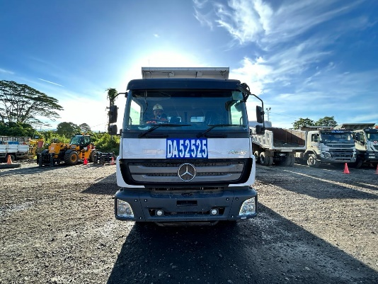
PICTURE CAUSE AND ACTION
 |  |  |  |  |  |  | 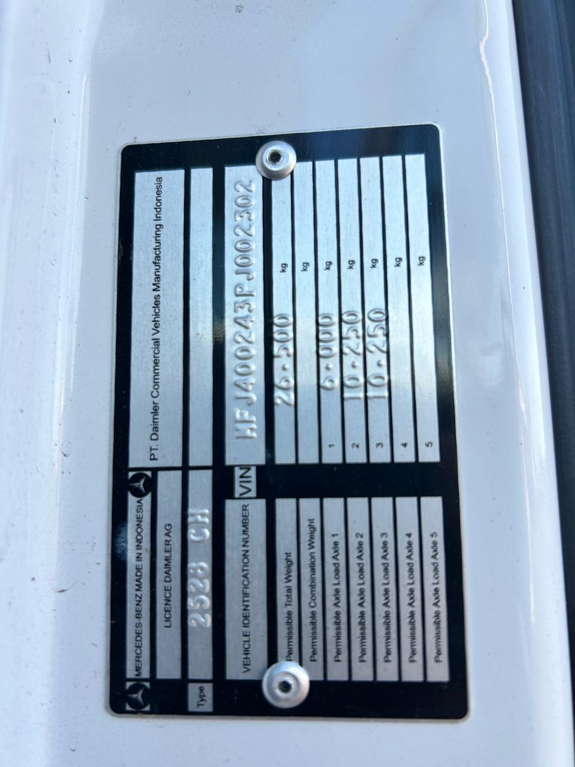

FOTO UNIT |  |  | FOTO HM |  | FOTO KM |  | FOTO VIN

PICTURE CAUSE AND ACTION
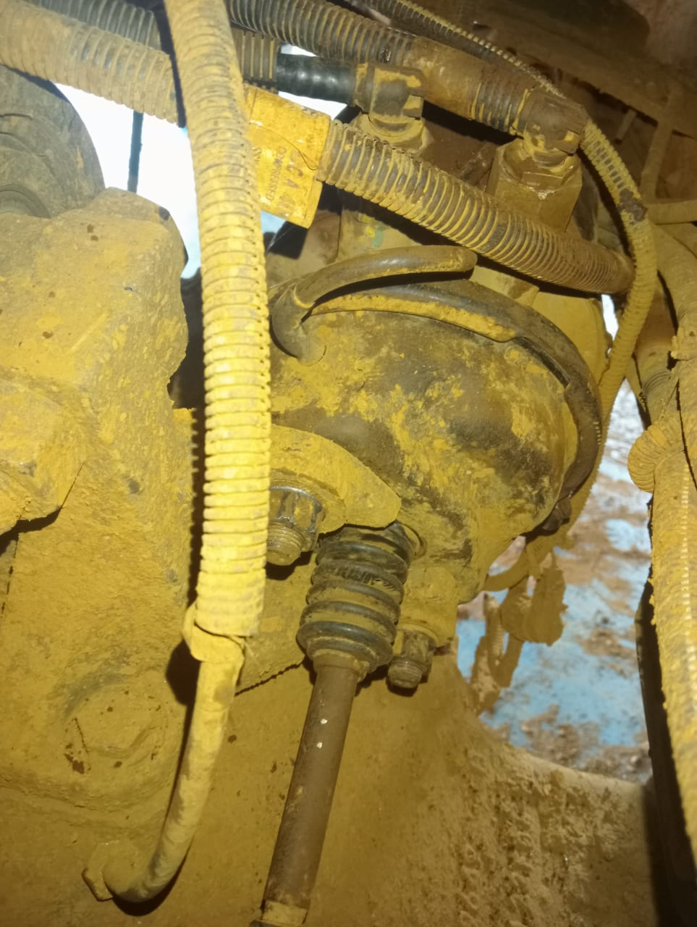 |  |  | 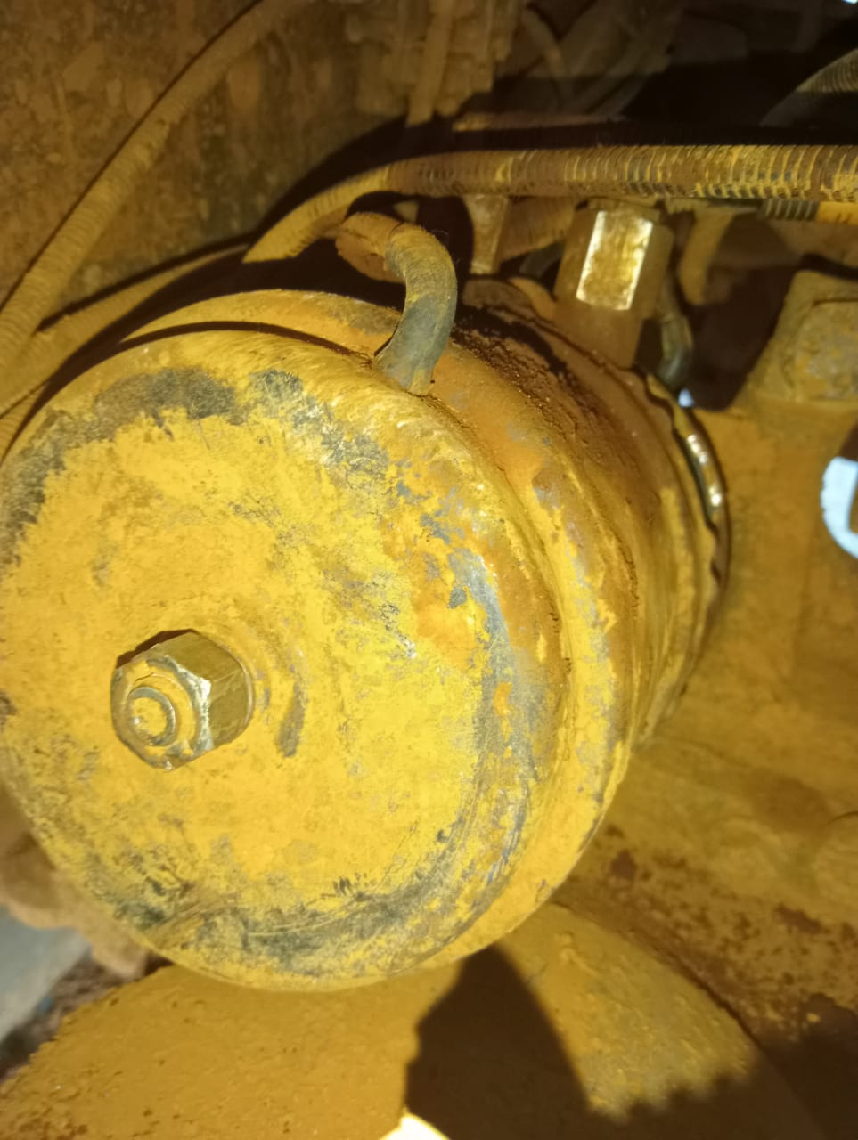

 |  |  | TAMPAK JAUH |  | TAMPAK DEKAT |  | REMOVE COMPONENT

PICTURE CAUSE AND ACTION
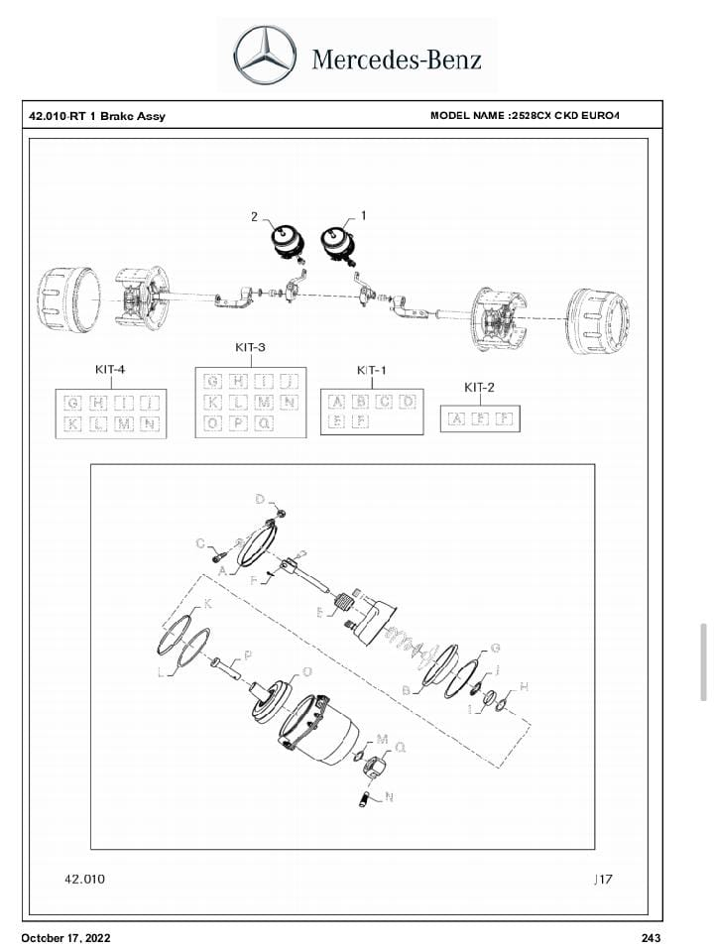 |  |  | 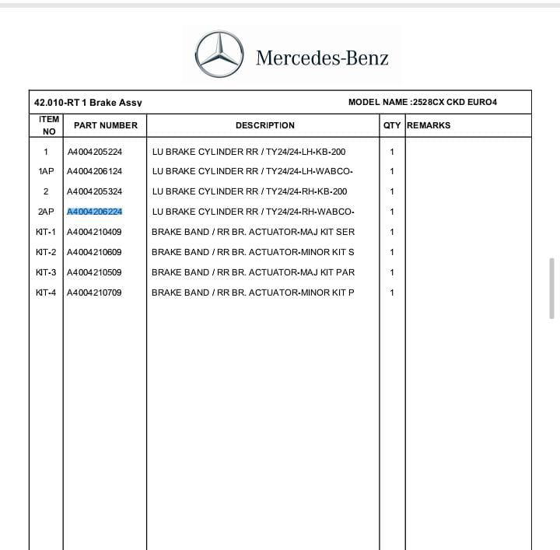

Part Book |  |  | picture part no aktual |  | picture part no part new |  | PROSES INSTALL

Head Office | Gedung Office 8 Lt.33 (SCBD Lot 28/Senopati Raya 8B), Jl.Jend.Sudirman Kav.52-53, Jakarta Selatan 12190 , Indonesia | T +62 21 57903456 | www.starwagen.co.id
Branch | Jl.Syarifuddin Yoes Blok.Kav.46-47 RT.045, Sepinggan Baru, Balikpapan Selatan, Kalimantan Timur, Indonesia | +62 54 28707888 / +62 54 28705758
and Mercedes-Benz are registered trademarks of Mercedes-Benz Group AG.

Pre Order
MENU

 |  |  |  |  | PT Star Wagen Indonesia
Pre Order Form |  |  |  |  | Authorized Dealer of Mercedes-Benz
 |  |  |  |  | Truck & Bus in Indonesia

Customer name: |  | PT. ANTAREJA MAHADA MAKMUR |  | For reference please quote the following no.
Address: |  | MIFA |  | Order no.:
City: |  |  |  | Date: | Customer No: | Page:
Telp: |  |  |  | 15 agustus 2023
Tax Code:

Regisration No. |  | Chassis No/Vin | Sales Designation |  |  | Reception date/time
DA52525 |  | MFJ400243PJ002302 |  |  |  | 15 agustus 2023
Millage / KM |  | Engine No. | Active Reception |  |  | Received by
34878.2 KM/1846 H |  | 400953D0142518 | YES |  | NO | IRFAN & ZAENAL | 0
Routing No. |  | Last Service | Sales Designation |  |  | Deadline/time
 |  | Date / Millege
Is this vehicle related to campaign ? Yes No Mobility Service Yes No
Item | Operation. Nr |  | Hours | Type Of Work
P | CHECK PRESURE |  |  | PRESURE LOW
L | CHECK KEBOCORAN PADA CHAMBER |  |  | CHAMBER NO 5/6

 | Please mark damage positions! |  | Standard Checking Leakage |  | Valuable Item Missing |  |  | √
 | Stone Chipping |  |  |  |  |  |  | x
 | Dents |  | Abnormal Noise |  | Vehicle Tool Kit (Incl. Hyd Jack)
 | Scratches

 |  |  | Error Code/Indicator |  | First Aid Kit

 |  |  | Brake, Clucth & Tire |  | Spare Kit (Incl. Wheel Coke

 |  |  | 10 Minutes Cycle Check |  | STNK

 |  |  |  |  | Opr Manual
 |  |  |  |  | E ¼ ½ ¾ F
 |  |  | Others Please Specify :

This order is placed in accordance with our general term of business.

 | Customer's signature & name |  |  |  | Service Adviser's signature & name

Head Office | Gedung Office 8 Lt.33 (SCBD Lot 28/Senopati Raya 8B), Jl.Jend.Sudirman Kav.52-53, Jakarta Selatan 12190 , Indonesia | T +62 21 57903456 | www.starwagen.co.id
Branch | Jl.Syarifuddin Yoes Blok.Kav.46-47 RT.045, Sepinggan Baru, Balikpapan Selatan, Kalimantan Timur, Indonesia | +62 54 28707888 / +62 54 28705758

 | and Mercedes-Benz are registered trademarks of Mercedes-Benz Group AG.

Part Request
MENU

 |  |  |  |  |  |  |  |  | Authorized Dealer of Mercedes-Benz
Part Request Slip |  |  |  |  |  |  |  |  | Truck & Bus in Indonesia
 |  | Passenger car Commercial vehicle
Slip Numbering |  | Customer Information |  |  |  | Vehicle Information |  |  | Order Information
 |  | Nama | PT. ANTAREJA MAHADA MAKMUR |  |  | Model : | AXOR 2528 |  | Worksop Order No :
 |  | Site | MIFA |  |  | Vin : | MFJ400243PJ002302 |  | Order By :
 |  |  |  |  |  | Engine No : | 400953D0142518 |  | Delivery By :
 |  | Car Registration | DA52525 |  |  | Date of 1st registration: |  |  | Received By
 |  |  |  |  |  |  |  |  | Issue On :

No | Part Number | ES1 | ES2 | Bin Location | Quantity Requested | Description |  |  | Unit Price | Total Price
1 | A4004206224 |  |  |  | 1 | LU BRAKE CYLINDER RR/TY24/24-RH WABCO
2
3
4
5
6
7
8
9
10
11
12
13
14
 |  |  |  |  |  |  |  | Foreman | Mechanic | Delivered By

 |  |  |  |  |  |  |  |  | IRFAN & ZAENAL | 0

 | Head Office | Gedung Office 8 Lt.33 (SCBD Lot 28/Senopati Raya 8B), Jl.Jend.Sudirman Kav.52-53, Jakarta Selatan 12190 , Indonesia | T +62 21 57903456 | www.starwagen.co.id
 | Branch | Jl.Syarifuddin Yoes Blok.Kav.46-47 RT.045, Sepinggan Baru, Balikpapan Selatan, Kalimantan Timur, Indonesia | +62 54 28707888 / +62 54 28705758

and Mercedes-Benz are registered trademarks of Mercedes-Benz Group AG

Time Sheet
MENU

 |  |  |  | PT Star Wagen Indonesia
Job Time Card Report |  |  |  | Authorized Dealer of Mercedes-Benz Truck & Bus in Indonesia

Mechanic Name: | IRFAN & ZAENAL | 0 | WIP Number :

CIW/GW | Operational Code | End Start | Time Recording |  | Date |  |  |  | Total Time
 | Description
Warranty | EROR CODE OK, CHECK SAT PENGOPRASIAN UNIT NOTE OK | End | 17:00:00 |  | 26 MEI 2023 |  |  |  | 2:00:00 |  | Customer | 1:00:00
 |  | Start | 15:00:00 |  |  |  |  |  |  |  | Internal | 2:00:00
 |  | End |  |  |  |  |  |  | 0:00:00 |  | Warranty | 3:00:00
 |  | Start |  |  |  |  |  |  |  |  | GoodWill | 4:00:00
 |  | End |  |  |  |  |  |  | 0:00:00 |  |  | 5:00:00
 |  | Start |  |  |  |  |  |  |  |  |  | 6:00:00
 |  | End |  |  |  |  |  |  | 0:00:00 |  |  | 7:00:00
 |  | Start |  |  |  |  |  |  |  |  |  | 8:00:00
 |  | End |  |  |  |  |  |  | 0:00:00 |  |  | 9:00:00
 |  | Start |  |  |  |  |  |  |  |  |  | 10:00:00
 |  | End |  |  |  |  |  |  | 0:00:00 |  |  | 11:00:00
 |  | Start |  |  |  |  |  |  |  |  |  | 12:00:00
 |  | End |  |  |  |  |  |  | 0:00:00 |  |  | 13:00:00
 |  | Start |  |  |  |  |  |  |  |  |  | 14:00:00
 |  | End |  |  |  |  |  |  | 0:00:00 |  |  | 15:00:00
 |  | Start |  |  |  |  |  |  |  |  |  | 16:00:00
 |  | End |  |  |  |  |  |  | 0:00:00 |  |  | 13:00:00
 |  | Start |  |  |  |  |  |  |  |  |  | 14:00:00
 |  | End |  |  |  |  |  |  | 0:00:00 |  |  | 15:00:00
 |  | Start |  |  |  |  |  |  |  |  |  | 16:00:00
 |  | End |  |  |  |  |  |  | 0:00:00 |  |  | 13:00:00
 |  | Start |  |  |  |  |  |  |  |  |  | 14:00:00
 |  | End |  |  |  |  |  |  | 0:00:00 |  |  | 15:00:00
 |  | Start |  |  |  |  |  |  |  |  |  | 16:00:00
 |  |  |  |  |  |  |  |  |  |  |  | 17:00:00
Hours |  | C | I | W/G | W1 | W2 | W3 | W4 | W5 | W6 |  | 18:00:00
Total |  |  |  | 2:00:00 |  |  |  |  |  |  |  | 19:00:00
 |  |  |  |  |  |  |  |  |  |  |  | 20:00:00
Head Office | Gedung Office 8 Lt.33 (SCBD Lot 28/Senopati Raya 8B), Jl.Jend.Sudirman Kav.52-53, Jakarta Selatan 12190 , Indonesia | T +62 21 57903456 | www.starwagen.co.id |  |  |  |  |  |  |  |  |  |  |  | 21:00:00
Branch | Jl.Syarifuddin Yoes Blok.Kav.46-47 RT.045, Sepinggan Baru, Balikpapan Selatan, Kalimantan Timur, Indonesia | +62 54 28707888 / +62 54 28705758 |  |  |  |  |  |  |  |  |  |  |  | 22:00:00
 |  |  |  |  |  |  |  |  |  |  |  | 23:00:00
and Mercedes-Benz are registered trademarks of Mercedes-Benz Group AG
 |  |  |  |  |  |  |  |  |  |  |  | 1900-01-01 00:00:00

Final Control
MENU

 |  |  | Truck & Bus |  |  |  | PT Star Wagen Indonesia
 |  |  | in Indonesia |  |  |  | Authorized Dealer of Mercedes-Benz Truck & Bus in Indonesia
Final Control Report

 |  | Customer Name : | PT. ANTAREJA MAHADA MAKMUR |  | Millage In : | 2640h |  |  | Check And Tested By
 |  | Wo no/ WIP NO : |  |  | Millage Out : |  |  |  | Name : | IRFAN & ZAENAL | 0
 |  |  |  |  |  |  |  |  | Date : | 15 AGUSTUS2023

 |  | Function Checks |  |  | Visual Checks |  |  |  | Other Checks
 | √ | All warning indicators |  | √ | Engine |  |  | √ | Wiper blades and spraying nozzle |  |  | √
 | √ | Steering system |  | √ | Transmission |  |  | √ | Vacuum hoses/lines |  |  | x
 | √ | Horn |  | √ | Rear axles |  |  | √ | Write your own checking list related reparation you did
 | √ | Lights interior / exterior |  | √ | Steering system |  |  |  | …………………………………………………………………..
 | √ | Other electrical equipment |  | √ | Fuel system |  |  |  | …………………………………………………………………..
 | √ | Central locking / closing assist system |  | √ | Cooling system |  |  |  | …………………………………………………………………..
 | √ | Brakes on dynamometer or test drive |  | √ | Brake hoses / lines / linkage |  |  |  | …………………………………………………………………..
 | √ | Air conditioner |  | √ | Condition of tires/spare tires (if any) |  |  |  | …………………………………………………………………..
 |  |  |  | √ | Cleanliness inside and outside |  |  |  | …………………………………………………………………..
 |  | Fluid Levels |  |  | Final Checks |  |  |  | Document Check
 | √ | Engine |  | √ | Check work performed |  |  | √ | Test document / Short test result
 | √ | Transmission |  | √ | Test Drive if needed |  |  | √ | Workshop report (only if required)
 | √ | Radiator / Coolant |  |  |  |  |  | √ | Internal part requisition slip
 | √ | Power steering |  |  |  |  |  | √ | Battery test result, only if tested
 | √ | Battery
 | √ | Brake system
 | √ | Windshield washer

 | After completion of all the work required by you, we performed a final quality check on your vehicle with the following results:
 | Ok |  | No |  |  |  |  | Acknowledged by
 | During checking & reparation process, some critical findings has to be followed up;
 | 1.
 | 2.
 | this has been conveyed on………..to……………. but not approved for doing an action. |  |  |  | (Service Advisor) | (Customer) |  | Foreman or Supervisor

 | Head Office | Gedung Office 8 Lt.33 (SCBD Lot 28/Senopati Raya 8B), Jl.Jend.Sudirman Kav.52-53, Jakarta Selatan 12190 , Indonesia | T +62 21 57903456 | www.starwagen.co.id
 | Branch | Jl.Syarifuddin Yoes Blok.Kav.46-47 RT.045, Sepinggan Baru, Balikpapan Selatan, Kalimantan Timur, Indonesia | +62 54 28707888 / +62 54 28705758
and Mercedes-Benz are registered trademarks of Mercedes-Benz Group AG
.

