Worksop Report
 | Menu
 |  |  | Workshop Report For Diagnostic Guide

 |  |  |  |  |  |  | PT.STAR WAGEN INDONESIA
 |  |  |  |  | WO
Date: |  | 25-Jul-24 |  |  |  |  |  | Job Site:
WIP No: |  |  |  |  | Customer Name: | PT. ANTAREJA MAHADA MAKMUR |  | PT AMM SITE MIP-L
Chasis No: |  | MFJ400243PJ002153 |  |  | Reg No : |  | Reg date
Engine No: |  | 400.953-D-0140404 |  |  | Type : | AXOR 2528 CH | Mileage / Hours Meter | 1969/181
Unit Code |  | DA 25161
 |  |  |  |  | 310000010150
COMPLAINT ANALYSIS
Customer complaint/Customer information
 | PEDAL GAS NOT FUCTION
Vehicle information
 | Aplicaton : | ü Long distance |  | ü Dump truck | Ore operation | Regular service base
 |  | Cool Mining |  | support truck | ü OB operation
Customer Information :
 | CPC HAS FAILED

TEST LEVEL

 | Test Level Description |  |  |  |  | Actual Value | Remark | Attachment Number
 | Quick test with Xentry diagnostic |  |  |  |  | CPC not read | NOT OK
 | test in Cable and star point 18/18 to 18/16 |  |  |  |  | 60.2 ohm | OK
 | Check Resistence Starpoint (Z1) |  |  |  |  | 60,4 ohm | OK
 | Check condition pin CPC |  |  |  |  | OK | OK
 | Check KL30 CPC X2 18/1 to 18/2 |  |  |  |  | 24 v | OK
 | Current INS |  |  |  |  | E3040 | Control unit MR has failed
 | Check Fuse A7 Fuse 30 =10A |  |  |  |  | OK | OK
 | Current test INS

CAUSE LEVEL
Cause level/Workshop findings: |  |  |  |  | RESULT :
 |  |  |  |  | Pada tanggal 25 Juli 2024 team plant mendapatkan laporan DA 25161 Dengan VIN MFJ400243PJ002153 oedal gas gak mau , unit tidak mau digas atau indicator N, suhu , tachometer mati dan muncul error FR,MR strip di instrumen (tidak terbaca) dan kendaraan tersebut dalam posisi running namun tidak dapat digas, 1.Diagnostic with Xentry(CPC not read, MR Fault, INS Fault) 2.Check star poin Z1. 1(OK) 3.Check KL15 &30 CPC (OK) 4.Check Cable CAN H & L (OK) dan kerusakan kemungkinan pada CPC internal fault karena semua input yang masuk ke CPC OK dan CPC not out put voltage
 |  | Ada | Tidak ada | Attachment Nr
Photo (# lembar) |  | √ |  | √
Area kerusakan (gbr EPC) |  | √ |  | √
Video (nama file) |  | √ |  | √
Old Spare part No.
Notes: |  |  |  |  |  |  |  |  | √
 |  |  |  |  |  |  |  |  | x

RECTIFICATION AND VERIFICATION LEVEL
Rectification:

Verification:

PICTURE CAUSE AND ACTION
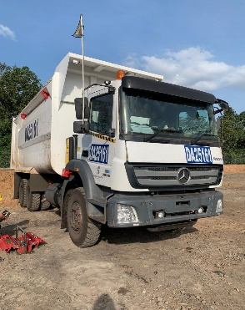 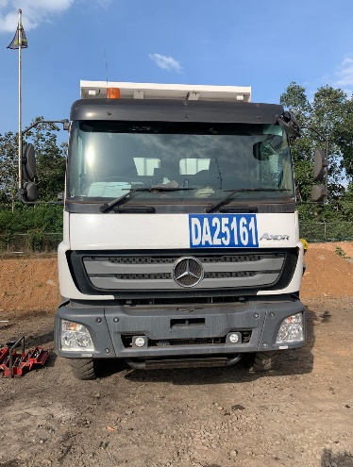 |  |  | 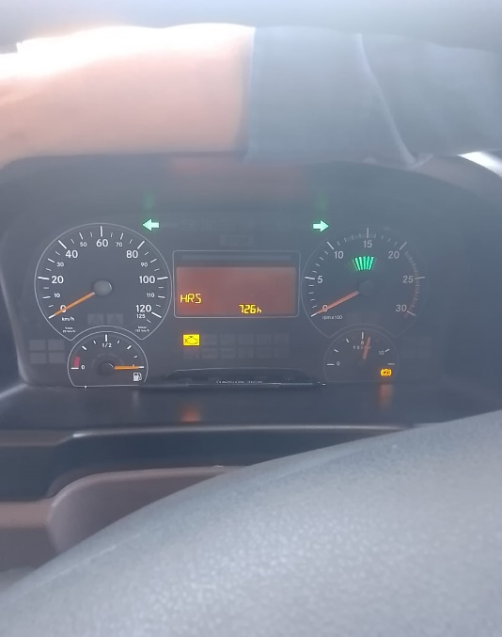 |  | 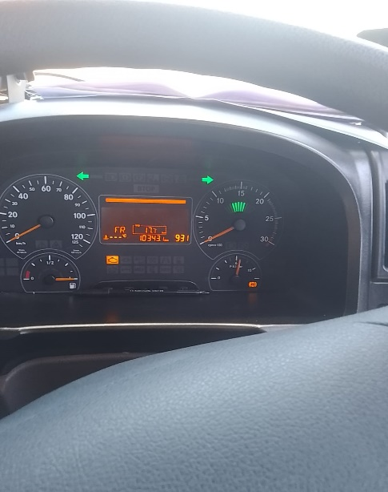

FOTO UNIT |  |  | FOTO HM |  | FOTO KM |  | FOTO VIN

KL 15 CPC
PICTURE CAUSE AND ACTION
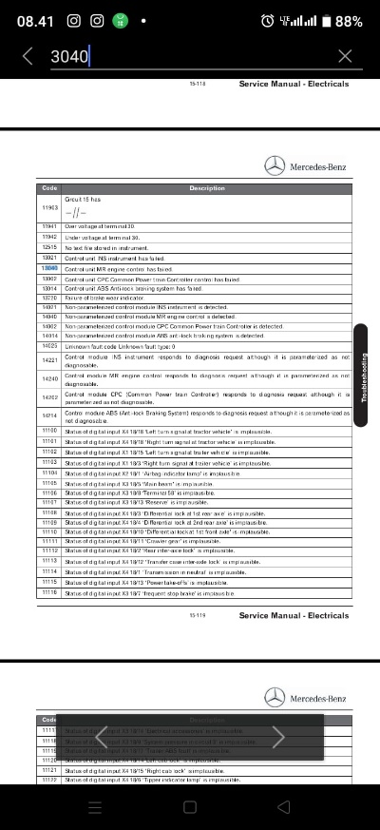 |  |  | 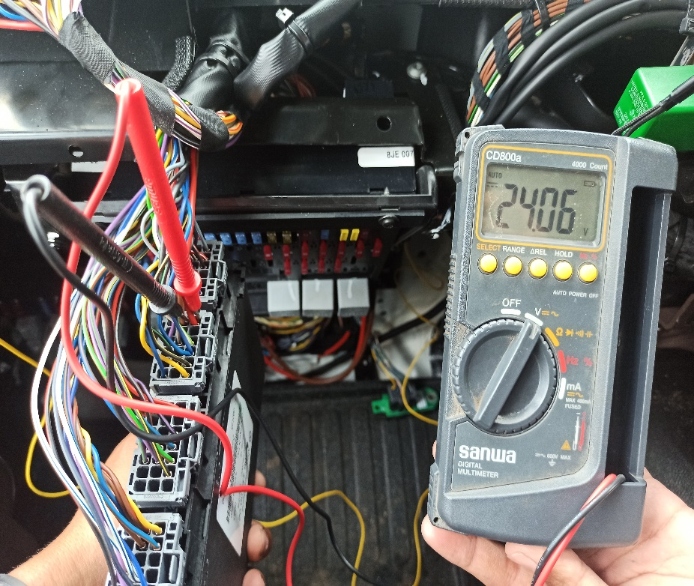 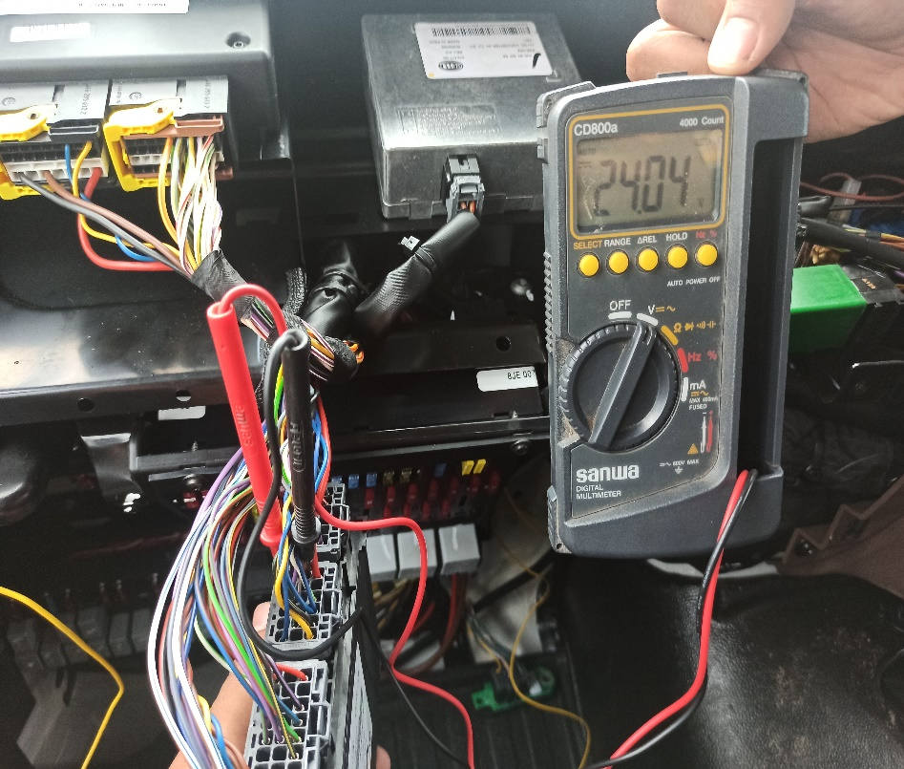
KL 30 CPC

EROR INS
PIN 3.1
PIN 3.2
PIN 3.3
PIN 3.4

PIN ALL CPC
CUSTOMER COMPLAINT PICTURE |  |  | JOB PROGRESS INVESTIGATION PICTURE

PICTURE CAUSE AND ACTION
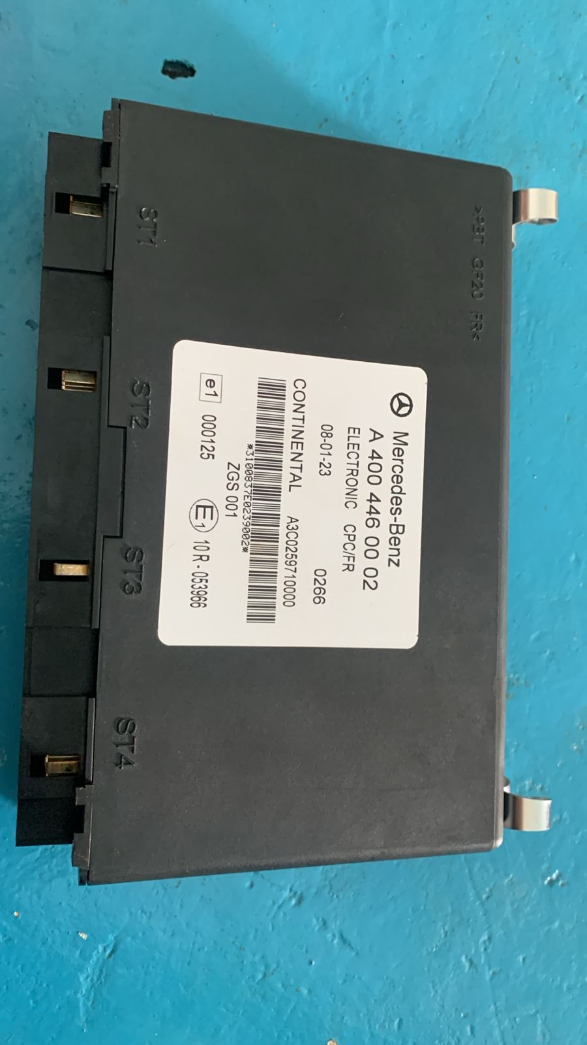 |  |  |  |  | 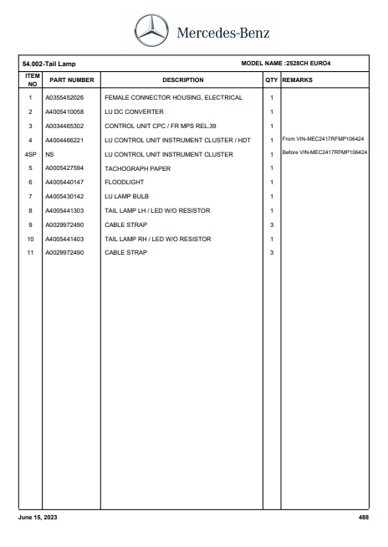 |  | 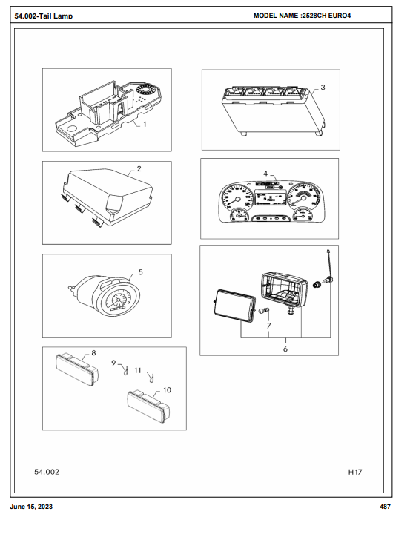

Part Number Fisik

Part Book |  |  |  |  | picture part no part new |  | Remarks

 |  |  |  |  |  |  | validation

and Mercedes-Benz are registered trademarks of Mercedes-Benz Group AG.
and Mercedes-Benz are registered trademarks of Mercedes-Benz Group AG.
Head Office | Gedung Office 8 Lt.33 (SCBD Lot 28/Senopati Raya 8B), Jl.Jend.Sudirman Kav.52-53, Jakarta Selatan 12190 , Indonesia | T +62 21 57903456 | www.starwagen.co.id
Branch | Jl.Syarifuddin Yoes Blok.Kav.46-47 RT.045, Sepinggan Baru, Balikpapan Selatan, Kalimantan Timur, Indonesia | +62 54 28707888 / +62 54 28705758
 |  |  |  |  |  |  | ERFAN.F | Supervisor / Workshop Managaer

Time Sheet
MENU

 |  |  |  | PT Star Wagen Indonesia
Job Time Card Report |  |  |  | Authorized Dealer of Mercedes-Benz Truck & Bus in Indonesia

Mechanic Name: | ERFAN.F |  | WIP Number :

CIW/GW | Operational Code | End Start | Time Recording |  | Date |  |  |  | Total Time
 | Description
Warranty |  | End |  |  |  |  |  |  | 0:00:00 |  | Customer | 1:00:00
 |  | Start |  |  |  |  |  |  |  |  | Internal | 2:00:00
 |  | End |  |  |  |  |  |  | 0:00:00 |  | Warranty | 3:00:00
 |  | Start |  |  |  |  |  |  |  |  | GoodWill | 4:00:00
 |  | End |  |  | 2023-01-16 |  |  |  | 0:00:00 |  |  | 5:00:00
 |  | Start |  |  |  |  |  |  |  |  |  | 6:00:00
 |  | End |  |  |  |  |  |  | 0:00:00 |  |  | 7:00:00
 |  | Start |  |  |  |  |  |  |  |  |  | 8:00:00
 |  | End |  |  |  |  |  |  | 0:00:00 |  |  | 9:00:00
 |  | Start |  |  |  |  |  |  |  |  |  | 10:00:00
 |  | End |  |  |  |  |  |  | 0:00:00 |  |  | 11:00:00
 |  | Start |  |  |  |  |  |  |  |  |  | 12:00:00
 |  | End |  |  |  |  |  |  | 0:00:00 |  |  | 13:00:00
 |  | Start |  |  |  |  |  |  |  |  |  | 14:00:00
 |  | End |  |  |  |  |  |  | 0:00:00 |  |  | 15:00:00
 |  | Start |  |  |  |  |  |  |  |  |  | 16:00:00
 |  | End |  |  |  |  |  |  | 0:00:00 |  |  | 13:00:00
 |  | Start |  |  |  |  |  |  |  |  |  | 14:00:00
 |  | End |  |  |  |  |  |  | 0:00:00 |  |  | 15:00:00
 |  | Start |  |  |  |  |  |  |  |  |  | 16:00:00
 |  | End |  |  |  |  |  |  | 0:00:00 |  |  | 13:00:00
 |  | Start |  |  |  |  |  |  |  |  |  | 14:00:00
 |  | End |  |  |  |  |  |  | 0:00:00 |  |  | 15:00:00
 |  | Start |  |  |  |  |  |  |  |  |  | 16:00:00
 |  |  |  |  |  |  |  |  |  |  |  | 17:00:00
Hours |  | C | I | W/G | W1 | W2 | W3 | W4 | W5 | W6 |  | 18:00:00
Total |  |  |  | 0:00:00 |  |  |  |  |  |  |  | 19:00:00
 |  |  |  |  |  |  |  |  |  |  |  | 20:00:00
Head Office | Gedung Office 8 Lt.33 (SCBD Lot 28/Senopati Raya 8B), Jl.Jend.Sudirman Kav.52-53, Jakarta Selatan 12190 , Indonesia | T +62 21 57903456 | www.starwagen.co.id |  |  |  |  |  |  |  |  |  |  |  | 21:00:00
Branch | Jl.Syarifuddin Yoes Blok.Kav.46-47 RT.045, Sepinggan Baru, Balikpapan Selatan, Kalimantan Timur, Indonesia | +62 54 28707888 / +62 54 28705758 |  |  |  |  |  |  |  |  |  |  |  | 22:00:00
 |  |  |  |  |  |  |  |  |  |  |  | 23:00:00
and Mercedes-Benz are registered trademarks of Mercedes-Benz Group AG
 |  |  |  |  |  |  |  |  |  |  |  | 1900-01-01 00:00:00

Part Request
MENU

 |  |  |  |  |  |  |  |  | Authorized Dealer of Mercedes-Benz
Part Request Slip |  |  |  |  |  |  |  |  | Truck & Bus in Indonesia
 |  | Passenger car Commercial vehicle
Slip Numbering |  | Customer Information |  |  |  | Vehicle Information |  |  | Order Information
 |  | Nama | PT. ANTAREJA MAHADA MAKMUR |  |  | Model : | AXOR 2528 CH |  | Worksop Order No : | 310000011235
 |  | Site | PT AMM SITE MIP-L |  |  | Vin : | #REF! |  | Order By : | ERFAN.F
 |  |  |  |  |  | Engine No : | MFJ400243PJ002153 |  | Delivery By : | SWI
 |  | Car Registration | DA 25161 |  |  | Date of 1st registration: | 0 |  | Received By | 45498
 |  |  |  |  |  |  |  |  | Issue On :

No | Part Number | ES1 | ES2 | Bin Location | Quantity Requested | Description |  |  | Unit Price | Total Price
1 | A4004460002 |  |  |  | 1 | CPC control unit
2 |  |  |  |  |  |  |  |  |  |  | ROTATIONAL SPEED SENSOR
3
4
5
6
7
8
9
10
11
12
13
14
 |  |  |  |  |  |  |  | Foreman | Mechanic | Delivered By

 |  |  |  |  |  |  |  |  | ERFAN.F

 | Head Office | Gedung Office 8 Lt.33 (SCBD Lot 28/Senopati Raya 8B), Jl.Jend.Sudirman Kav.52-53, Jakarta Selatan 12190 , Indonesia | T +62 21 57903456 | www.starwagen.co.id
 | Branch | Jl.Syarifuddin Yoes Blok.Kav.46-47 RT.045, Sepinggan Baru, Balikpapan Selatan, Kalimantan Timur, Indonesia | +62 54 28707888 / +62 54 28705758

and Mercedes-Benz are registered trademarks of Mercedes-Benz Group AG

Final Control
MENU

 |  |  | Truck & Bus |  |  |  | PT Star Wagen Indonesia
 |  |  | in Indonesia |  |  |  | Authorized Dealer of Mercedes-Benz Truck & Bus in Indonesia
Final Control Report

 |  | Customer Name : | PT. ANTAREJA MAHADA MAKMUR |  | Millage In : 1969 |  |  |  | Check And Tested By
 |  | Wo no/ WIP NO : |  |  | Millage Out : |  |  |  | Name : ERFAN F
 |  |  |  |  |  |  |  |  | Date : 25 JULI 2024

 |  | Function Checks |  |  | Visual Checks |  |  |  | Other Checks
 | √ | All warning indicators |  | √ | Engine |  |  | √ | Wiper blades and spraying nozzle | √
 | √ | Steering system |  | √ | Transmission |  |  | √ | Vacuum hoses/lines | x
 | √ | Horn |  | √ | Rear axles |  |  | √ | Write your own checking list related reparation you did
 | √ | Lights interior / exterior |  | √ | Steering system |  |  | √ | …………………………………………………………………..
 | √ | Other electrical equipment |  | √ | Fuel system |  |  | √ | …………………………………………………………………..
 | √ | Central locking / closing assist system |  | √ | Cooling system |  |  | √ | …………………………………………………………………..
 | √ | Brakes on dynamometer or test drive |  | √ | Brake hoses / lines / linkage |  |  | √ | …………………………………………………………………..
 | √ | Air conditioner |  | √ | Condition of tires/spare tires (if any) |  |  | √ | …………………………………………………………………..
 |  |  |  | √ | Cleanliness inside and outside |  |  |  | …………………………………………………………………..
 |  | Fluid Levels |  |  | Final Checks |  |  |  | Document Check
 | √ | Engine |  | √ | Check work performed |  |  | √ | Test document / Short test result
 | √ | Transmission |  | √ | Test Drive if needed |  |  | √ | Workshop report (only if required)
 | √ | Radiator / Coolant |  |  |  |  |  | √ | Internal part requisition slip
 | √ | Power steering |  |  |  |  |  | √ | Battery test result, only if tested
 | √ | Battery |  |  |  |  |  | √
 | √ | Brake system |  |  |  |  |  | √
 | √ | Windshield washer |  |  |  |  |  | √
 |  |  |  |  |  |  |  | √
 | After completion of all the work required by you, we performed a final quality check on your vehicle with the following results:
 | Ok |  | No |  |  |  |  | Acknowledged by
 | During checking & reparation process, some critical findings has to be followed up;
 | 1.
 | 2.
 | this has been conveyed on………..to……………. but not approved for doing an action. |  |  |  | (Service Advisor) | (Customer) |  | Foreman or Supervisor

 | Head Office | Gedung Office 8 Lt.33 (SCBD Lot 28/Senopati Raya 8B), Jl.Jend.Sudirman Kav.52-53, Jakarta Selatan 12190 , Indonesia | T +62 21 57903456 | www.starwagen.co.id
 | Branch | Jl.Syarifuddin Yoes Blok.Kav.46-47 RT.045, Sepinggan Baru, Balikpapan Selatan, Kalimantan Timur, Indonesia | +62 54 28707888 / +62 54 28705758
and Mercedes-Benz are registered trademarks of Mercedes-Benz Group AG
.

