Time Sheet
MENU

 |  |  |  | PT Star Wagen Indonesia
Job Time Card Report |  |  |  | Authorized Dealer of Mercedes-Benz Truck & Bus in Indonesia

Mechanic Name: | ANANDA IRFAN |  | WIP Number :

CIW/GW | Operational Code | End Start | Time Recording |  | Date |  |  |  | Total Time
 | Description
Warranty |  | End |  |  |  |  |  |  | 0:00:00 |  | Customer | 1:00:00
 |  | Start |  |  |  |  |  |  |  |  | Internal | 2:00:00
 |  | End |  |  |  |  |  |  | 0:00:00 |  | Warranty | 3:00:00
 |  | Start |  |  |  |  |  |  |  |  | GoodWill | 4:00:00
 |  | End |  |  | 2023-01-16 |  |  |  | 0:00:00 |  |  | 5:00:00
 |  | Start |  |  |  |  |  |  |  |  |  | 6:00:00
 |  | End |  |  |  |  |  |  | 0:00:00 |  |  | 7:00:00
 |  | Start |  |  |  |  |  |  |  |  |  | 8:00:00
 |  | End |  |  |  |  |  |  | 0:00:00 |  |  | 9:00:00
 |  | Start |  |  |  |  |  |  |  |  |  | 10:00:00
 |  | End |  |  |  |  |  |  | 0:00:00 |  |  | 11:00:00
 |  | Start |  |  |  |  |  |  |  |  |  | 12:00:00
 |  | End |  |  |  |  |  |  | 0:00:00 |  |  | 13:00:00
 |  | Start |  |  |  |  |  |  |  |  |  | 14:00:00
 |  | End |  |  |  |  |  |  | 0:00:00 |  |  | 15:00:00
 |  | Start |  |  |  |  |  |  |  |  |  | 16:00:00
 |  | End |  |  |  |  |  |  | 0:00:00 |  |  | 13:00:00
 |  | Start |  |  |  |  |  |  |  |  |  | 14:00:00
 |  | End |  |  |  |  |  |  | 0:00:00 |  |  | 15:00:00
 |  | Start |  |  |  |  |  |  |  |  |  | 16:00:00
 |  | End |  |  |  |  |  |  | 0:00:00 |  |  | 13:00:00
 |  | Start |  |  |  |  |  |  |  |  |  | 14:00:00
 |  | End |  |  |  |  |  |  | 0:00:00 |  |  | 15:00:00
 |  | Start |  |  |  |  |  |  |  |  |  | 16:00:00
 |  |  |  |  |  |  |  |  |  |  |  | 17:00:00
Hours |  | C | I | W/G | W1 | W2 | W3 | W4 | W5 | W6 |  | 18:00:00
Total |  |  |  | 0:00:00 |  |  |  |  |  |  |  | 19:00:00
 |  |  |  |  |  |  |  |  |  |  |  | 20:00:00
Head Office | Gedung Office 8 Lt.33 (SCBD Lot 28/Senopati Raya 8B), Jl.Jend.Sudirman Kav.52-53, Jakarta Selatan 12190 , Indonesia | T +62 21 57903456 | www.starwagen.co.id |  |  |  |  |  |  |  |  |  |  |  | 21:00:00
Branch | Jl.Syarifuddin Yoes Blok.Kav.46-47 RT.045, Sepinggan Baru, Balikpapan Selatan, Kalimantan Timur, Indonesia | +62 54 28707888 / +62 54 28705758 |  |  |  |  |  |  |  |  |  |  |  | 22:00:00
 |  |  |  |  |  |  |  |  |  |  |  | 23:00:00
and Mercedes-Benz are registered trademarks of Mercedes-Benz Group AG
 |  |  |  |  |  |  |  |  |  |  |  | 1900-01-01 00:00:00

Worksop Report
 | Menu
 |  |  | Workshop Report For Diagnostic Guide

 |  |  |  |  |  |  | PT.STAR WAGEN INDONESIA
 |  |  |  |  | WO
Date: |  | 25-Jul-24 |  |  |  |  |  | Job Site:
WIP No: |  |  |  |  | Customer Name: | PT. ANTAREJA MAHADA MAKMUR |  | PT MIFA
Chasis No: |  | MFJ400243PJ002312 |  |  | Reg No : |  | Reg date
Engine No: |  |  |  |  | Type : | AXOR 2528 CH | Mileage / Hours Meter | 1810H/3454KM
Unit Code |  | DA52529

COMPLAINT ANALYSIS
Customer complaint/Customer information
 | Findings at the time of schedule inspection
Vehicle information
 | Aplicaton : | ü Long distance |  | ü Dump truck | Ore operation | Regular service base
 |  | Short distance |  | support truck | ü OB operation
Customer Information :
 | FRAME CRACK

TEST LEVEL

 | Test Level Description |  |  |  |  | Actual Value | Remark | Attachment Number
 | CHECK & COLLECT DATA FRAME CRACK |  |  |  |  | CRACK FRAME RH & LH | NOT OK | Attachment Number 1(LH) & 2(RH)
 | CHECK KEKENCANGAN BOLT MOUNTING FRAME |  |  |  |  | OK | OK

CAUSE LEVEL
Cause level/Workshop findings: |  |  |  |  | RESULT :
 |  |  |  |  | PADA 25/07/2024 SIFT PAGI DILAKUKAN SCHEDULE GREASING DAN INSPEKSI OLEH MEKANIK AMM,PADA SAAT MEN GREASING NIPPLE LINKAGE DUMP DITEMUKAN CRACK PADA FRAME DISEKITARAN CROSS MEMBER LINKAGE DUMP VESSEL RH & LH.LALU MEKANIK MEMASTIKAN KEKENCANGAN BOLT MOUNTING FRAME KE CHASIS DAN HASILNYA MOUNTING DALAM KEADAAN KENCANG
 |  | Ada | Tidak ada | Attachment Nr
Photo (# lembar) |  | √ |  | √
Area kerusakan (gbr EPC) |  | √ |  | √
Video (nama file) |  | x |  | √ | MEKANIK MENGANALISA CRACKNYA FRAME DIKARENAKAN BEBAN MUATAN YANG OVER DAN JUGA SAAT VESSEL DUMPING FULL,FRAME KETARIK OLEH CROSSMEMBER LINKAGE VESSEL LALU DITAMBAH LAGI UNIT BERJALAN MAJU SAAT DUMPING
Old Spare part No.
Notes: |  |  |  |  |  |  |  |  | √
 |  |  |  |  |  |  |  |  | x

RECTIFICATION AND VERIFICATION LEVEL
Rectification:

 | PART NUMBER | DESCRIPTION | QTY
 |  | Subframe | 1

Verification:

 |  |  | Workshop report digunakan untuk mencatat hasil analisa mekanik dengan menyertakan langkah-langkah diagnosis dan temuannya selama diagnosa

PICTURE CAUSE AND ACTION
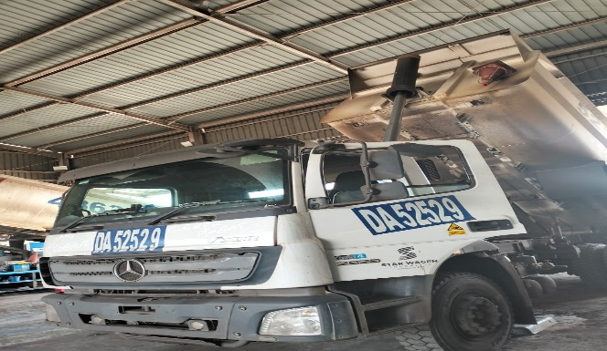

FOTO UNIT |  |  | FOTO HM |  | FOTO KM |  | FOTO VIN

1
CONDITION FRAME LH
2
CONDITION FRAME RH
PICTURE CAUSE AND ACTION
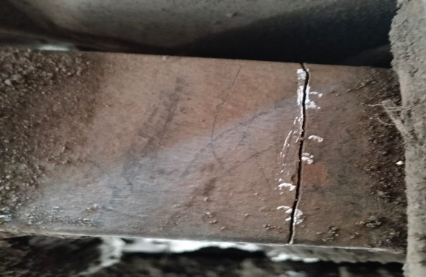 |  |  | 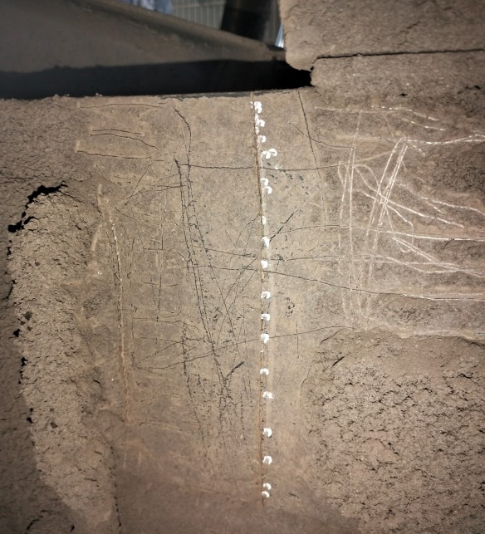 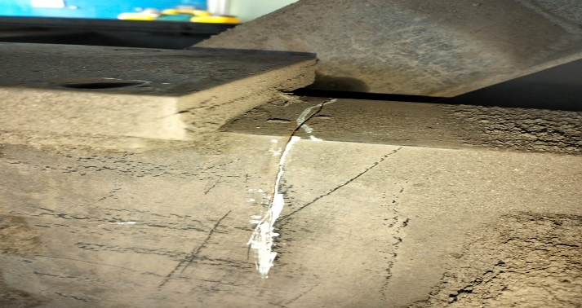 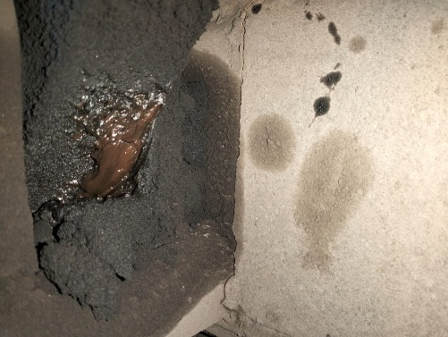 |  |  |  |  | 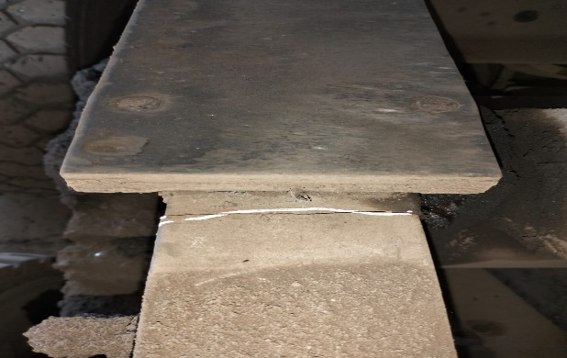

FRAME TAMPAK SAMPING
FRAME TAMPAK SA
FRAME ATAS
FRAME TAMPAK LUAR
FRAME DALAM

CUSTOMER COMPLAINT PICTURE |  |  | JOB PROGRESS INVESTIGATION PICTURE

PICTURE CAUSE AND ACTION

Part Book |  |  |  |  | picture part no part new |  | Remarks

 |  |  |  |  |  |  | validation

and Mercedes-Benz are registered trademarks of Mercedes-Benz Group AG.
and Mercedes-Benz are registered trademarks of Mercedes-Benz Group AG.
Head Office | Gedung Office 8 Lt.33 (SCBD Lot 28/Senopati Raya 8B), Jl.Jend.Sudirman Kav.52-53, Jakarta Selatan 12190 , Indonesia | T +62 21 57903456 | www.starwagen.co.id
Branch | Jl.Syarifuddin Yoes Blok.Kav.46-47 RT.045, Sepinggan Baru, Balikpapan Selatan, Kalimantan Timur, Indonesia | +62 54 28707888 / +62 54 28705758
 |  |  |  |  |  |  | ANANDA IRFAN | Supervisor / Workshop Managaer

Part Request
MENU

 |  |  |  |  |  |  |  |  | Authorized Dealer of Mercedes-Benz
Part Request Slip |  |  |  |  |  |  |  |  | Truck & Bus in Indonesia
 |  | Passenger car Commercial vehicle
Slip Numbering |  | Customer Information |  |  |  | Vehicle Information |  |  | Order Information
 |  | Nama | PT. ANTAREJA MAHADA MAKMUR |  |  | Model : | AXOR 2528 CH |  | Worksop Order No : | 0
 |  | Site | PT MIFA |  |  | Vin : | MFJ400243PJ002312 |  | Order By :
 |  |  |  |  |  | Engine No : | 0 |  | Delivery By :
 |  | Car Registration | DA52529 |  |  | Date of 1st registration: | 0 |  | Received By | 45498
 |  |  |  |  |  |  |  |  | Issue On :

No | Part Number | ES1 | ES2 | Bin Location | Quantity Requested | Description |  |  | Unit Price | Total Price
1
2 |  |  |  |  |  |  |  |  |  |  | ROTATIONAL SPEED SENSOR
3
4
5
6
7
8
9
10
11
12
13
14
 |  |  |  |  |  |  |  | Foreman | Mechanic | Delivered By

 |  |  |  |  |  |  |  |  | ANANDA IRFAN

 | Head Office | Gedung Office 8 Lt.33 (SCBD Lot 28/Senopati Raya 8B), Jl.Jend.Sudirman Kav.52-53, Jakarta Selatan 12190 , Indonesia | T +62 21 57903456 | www.starwagen.co.id
 | Branch | Jl.Syarifuddin Yoes Blok.Kav.46-47 RT.045, Sepinggan Baru, Balikpapan Selatan, Kalimantan Timur, Indonesia | +62 54 28707888 / +62 54 28705758

and Mercedes-Benz are registered trademarks of Mercedes-Benz Group AG

Final Control
MENU

 |  |  | Truck & Bus |  |  |  | PT Star Wagen Indonesia
 |  |  | in Indonesia |  |  |  | Authorized Dealer of Mercedes-Benz Truck & Bus in Indonesia
Final Control Report

 |  | Customer Name : | PT. ANTAREJA MAHADA MAKMUR |  | Millage In : |  |  |  | Check And Tested By
 |  | Wo no/ WIP NO : |  |  | Millage Out : |  |  |  | Name : | ANANDA IRFAN
 |  |  |  |  |  |  |  |  | Date : | 2024-07-25

 |  | Function Checks |  |  | Visual Checks |  |  |  | Other Checks
 | √ | All warning indicators |  | √ | Engine |  |  | √ | Wiper blades and spraying nozzle |  | √
 | √ | Steering system |  | √ | Transmission |  |  | √ | Vacuum hoses/lines |  | x
 | √ | Horn |  | √ | Rear axles |  |  | √ | Write your own checking list related reparation you did
 | √ | Lights interior / exterior |  | √ | Steering system |  |  | √ | …………………………………………………………………..
 | √ | Other electrical equipment |  | √ | Fuel system |  |  | √ | …………………………………………………………………..
 | √ | Central locking / closing assist system |  | √ | Cooling system |  |  | √ | …………………………………………………………………..
 | √ | Brakes on dynamometer or test drive |  | √ | Brake hoses / lines / linkage |  |  | √ | …………………………………………………………………..
 | √ | Air conditioner |  | √ | Condition of tires/spare tires (if any) |  |  | √ | …………………………………………………………………..
 |  |  |  | √ | Cleanliness inside and outside |  |  |  | …………………………………………………………………..
 |  | Fluid Levels |  |  | Final Checks |  |  |  | Document Check
 | √ | Engine |  | √ | Check work performed |  |  | √ | Test document / Short test result
 | √ | Transmission |  | √ | Test Drive if needed |  |  | √ | Workshop report (only if required)
 | √ | Radiator / Coolant |  |  |  |  |  | √ | Internal part requisition slip
 | √ | Power steering |  |  |  |  |  | √ | Battery test result, only if tested
 | √ | Battery |  |  |  |  |  | √
 | √ | Brake system |  |  |  |  |  | √
 | √ | Windshield washer |  |  |  |  |  | √
 |  |  |  |  |  |  |  | √
 | After completion of all the work required by you, we performed a final quality check on your vehicle with the following results:
 | Ok |  | No |  |  |  |  | Acknowledged by
 | During checking & reparation process, some critical findings has to be followed up;
 | 1.
 | 2.
 | this has been conveyed on………..to……………. but not approved for doing an action. |  |  |  | (Service Advisor) | (Customer) |  | Foreman or Supervisor

 | Head Office | Gedung Office 8 Lt.33 (SCBD Lot 28/Senopati Raya 8B), Jl.Jend.Sudirman Kav.52-53, Jakarta Selatan 12190 , Indonesia | T +62 21 57903456 | www.starwagen.co.id
 | Branch | Jl.Syarifuddin Yoes Blok.Kav.46-47 RT.045, Sepinggan Baru, Balikpapan Selatan, Kalimantan Timur, Indonesia | +62 54 28707888 / +62 54 28705758
and Mercedes-Benz are registered trademarks of Mercedes-Benz Group AG
.

