Worksop Report
 | Menu
 |  |  | Workshop Report For Diagnostic Guide

 |  |  |  |  |  |  | PT.STAR WAGEN INDONESIA
 |  |  |  |  | WO
Date: |  | 16-Jul-24 |  |  |  |  |  | Job Site:
WIP No: |  |  |  |  | Customer Name: | PT. ANTAREJA MAHADA MAKMUR |  | PT AMM MIP L
Chasis No: |  | MFJ400243PJ002146 |  |  | Reg No : |  | Reg date
Engine No: |  | 400.953-D-0140392 |  |  | Type : | AXOR 2528 CH | Mileage / Hours Meter | 1969/181
Unit Code |  | FT 52510
 |  |  |  |  | 310000010150
COMPLAINT ANALYSIS
Customer complaint/Customer information
 | There noise in area rear
Vehicle information
 | Aplicaton : | ü Long distance |  | ü Dump truck | Ore operation | Regular service base
 |  | Short distance |  | support truck | ü OB operation
Customer Information :
 | When machin operation any noise in area rear

TEST LEVEL

 | Test Level Description |  |  |  |  | Actual Value | Remark | Attachment Number
 | CHECK BOLT PROPELER SAHFT |  |  |  |  | LOOSE | NOT OK
 | CHECK CENTER BEARING |  |  |  |  | BROKEN | NOT OK | Fatigue
 | CHECK CENTER BEARING RUBBER |  |  |  |  | BROKEN | NOT OK | Fatigue

CAUSE LEVEL
Cause level/Workshop findings: |  |  |  |  | RESULT :
 |  |  |  |  | Mekanik mendapatkan laporan dari operator FT52510 ada suara kasar di belakang engine,Setelah di lakukan lakukan pengecekan oleh mekanik di temukan rubber bearing broken possibility karena fatigue jika dilihat kode produksi tahun 2021 dan menyebabkan propeler shaf putaranya tidak setabil dan menyebabkan bolt propeler shaft hilang.
 |  | Ada | Tidak ada | Attachment Nr
Photo (# lembar) |  | √ |  | √
Area kerusakan (gbr EPC) |  | √ |  | √
Video (nama file) |  | x |  | √
Old Spare part No.
Notes: |  |  |  |  |  |  |  |  | √
 |  |  |  |  |  |  |  |  | x

RECTIFICATION AND VERIFICATION LEVEL
Rectification:

 | PART NUMBER | DESCRIPTION | QTY
 | A4004110312 | LU Propeller Shaft Intermediate bearing | 1
 | N000000005461 | Hexagon Nut ISO 8673-M14X 1,5-10 DBL9 | 4
 | A0079901401 | Hexagon head bold | 4

Verification:

 |  |  | Problem causes of fatigue material from rubber center bearing make the vibration so that cause the propeler shaft unbalance.After that the bolt & nut damaged (as a fuse)

PICTURE CAUSE AND ACTION
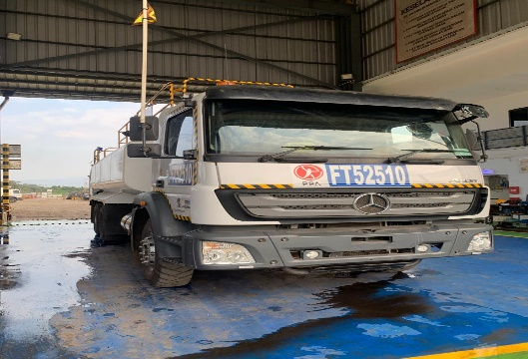 |  |  | 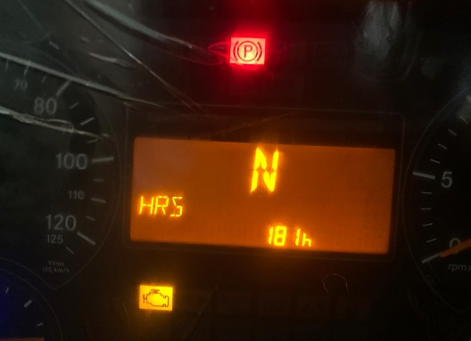 |  | 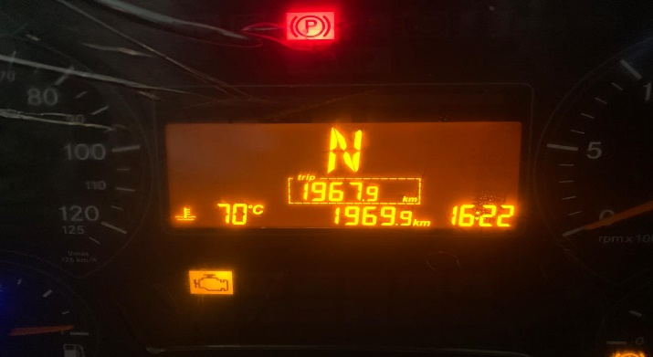 |  | 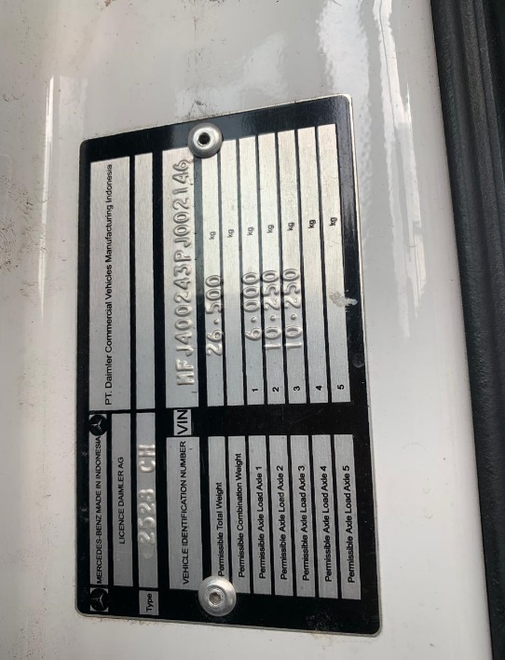

FOTO UNIT |  |  | FOTO HM |  | FOTO KM |  | FOTO VIN

BOLT MISSING
PICTURE CAUSE AND ACTION
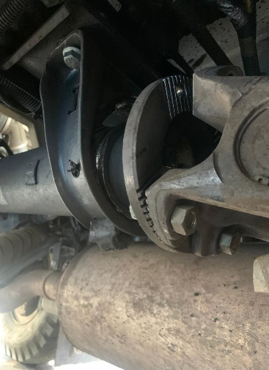 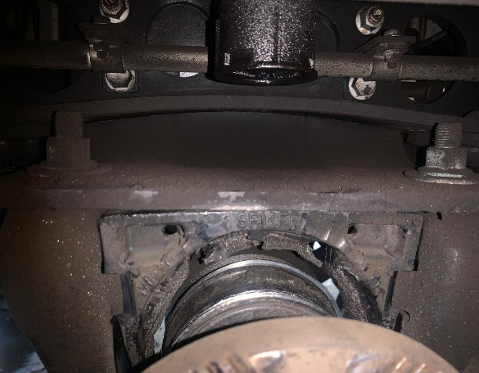 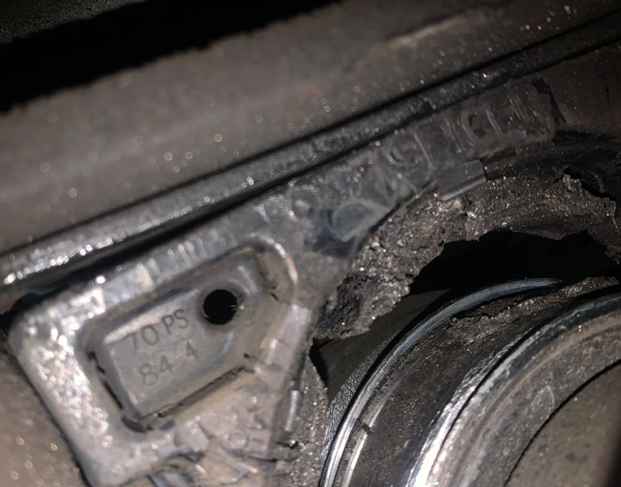 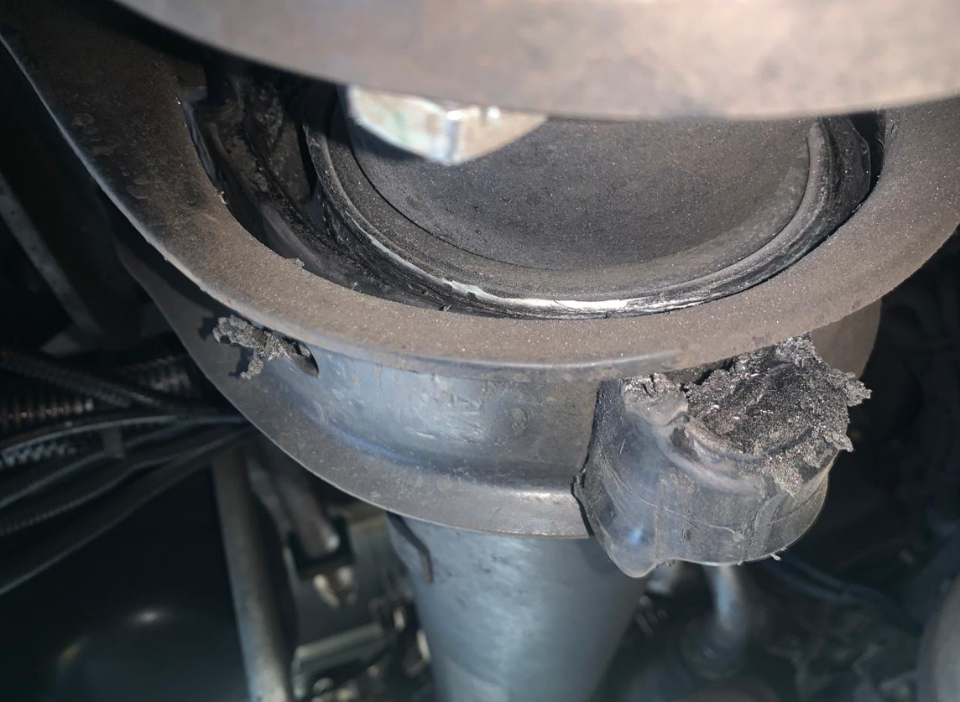 |  |  | 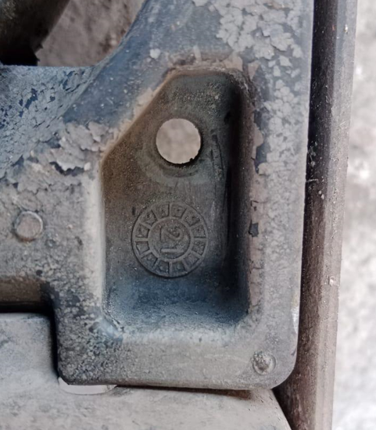 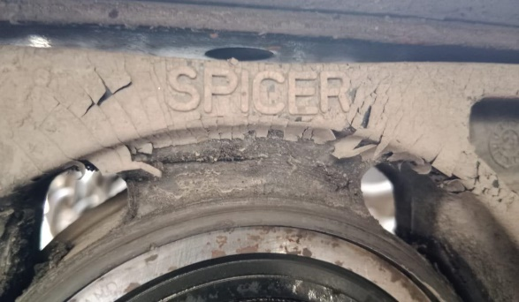 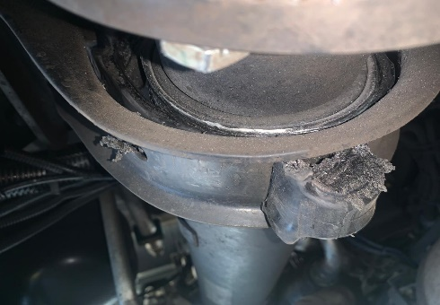 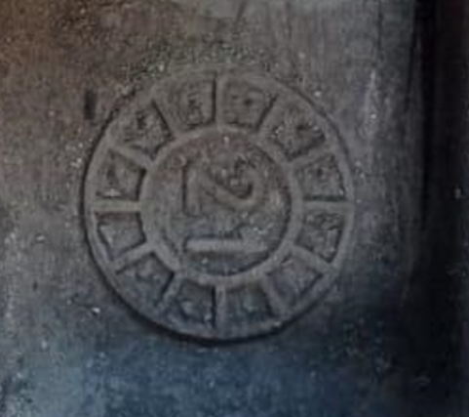 |  |  |  |  | 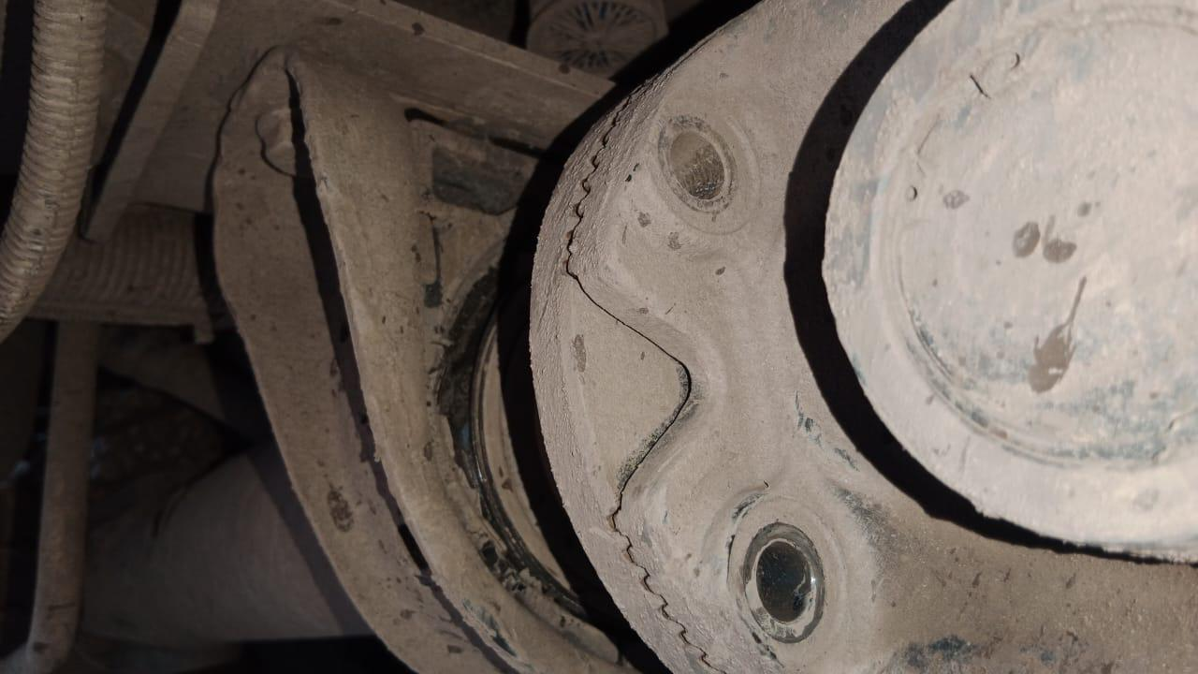 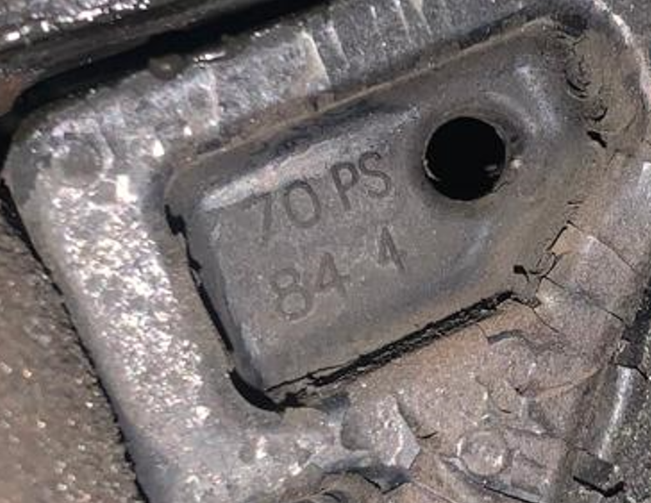

Bolt 2pcs Loosen/Broken as Fuse

Rubber Center Bearing broken

RUBBER BEARING CENTER BROKEN
rubber fatigue cause vibration
propellershaft un ballance
ANALYZE
bolt & nut damage as fuse
Batch Production Center Bearing 2021
CUSTOMER COMPLAINT PICTURE |  |  | JOB PROGRESS INVESTIGATION PICTURE

PICTURE CAUSE AND ACTION
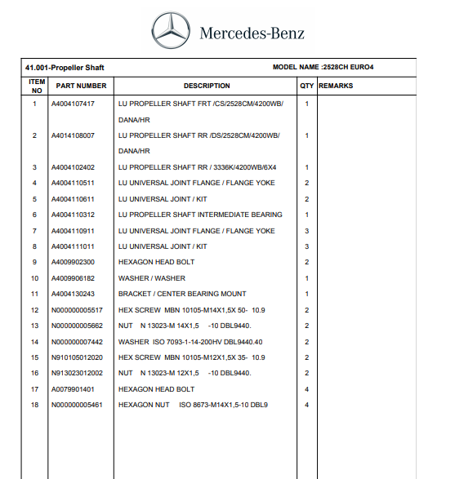 |  |  | 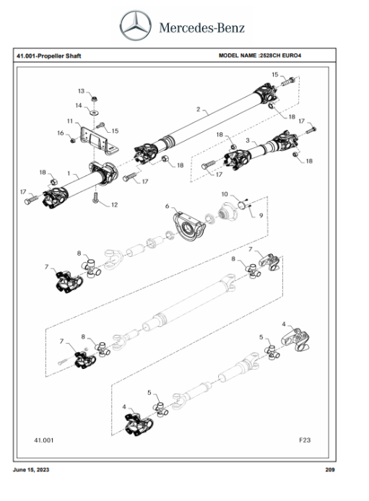 |  | 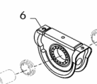 |  | 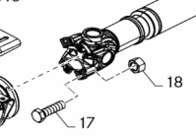

Part Book |  |  |  |  | picture part no part new |  | Remarks

 |  |  |  |  |  |  | validation

and Mercedes-Benz are registered trademarks of Mercedes-Benz Group AG.
and Mercedes-Benz are registered trademarks of Mercedes-Benz Group AG.
Head Office | Gedung Office 8 Lt.33 (SCBD Lot 28/Senopati Raya 8B), Jl.Jend.Sudirman Kav.52-53, Jakarta Selatan 12190 , Indonesia | T +62 21 57903456 | www.starwagen.co.id
Branch | Jl.Syarifuddin Yoes Blok.Kav.46-47 RT.045, Sepinggan Baru, Balikpapan Selatan, Kalimantan Timur, Indonesia | +62 54 28707888 / +62 54 28705758
 |  |  |  |  |  |  | ERFAN.F | Supervisor / Workshop Managaer

Time Sheet
MENU

 |  |  |  | PT Star Wagen Indonesia
Job Time Card Report |  |  |  | Authorized Dealer of Mercedes-Benz Truck & Bus in Indonesia

Mechanic Name: | ERFAN.F |  | WIP Number :

CIW/GW | Operational Code | End Start | Time Recording |  | Date |  |  |  | Total Time
 | Description
Warranty |  | End |  |  |  |  |  |  | 0:00:00 |  | Customer | 1:00:00
 |  | Start |  |  |  |  |  |  |  |  | Internal | 2:00:00
 |  | End |  |  |  |  |  |  | 0:00:00 |  | Warranty | 3:00:00
 |  | Start |  |  |  |  |  |  |  |  | GoodWill | 4:00:00
 |  | End |  |  | 2023-01-16 |  |  |  | 0:00:00 |  |  | 5:00:00
 |  | Start |  |  |  |  |  |  |  |  |  | 6:00:00
 |  | End |  |  |  |  |  |  | 0:00:00 |  |  | 7:00:00
 |  | Start |  |  |  |  |  |  |  |  |  | 8:00:00
 |  | End |  |  |  |  |  |  | 0:00:00 |  |  | 9:00:00
 |  | Start |  |  |  |  |  |  |  |  |  | 10:00:00
 |  | End |  |  |  |  |  |  | 0:00:00 |  |  | 11:00:00
 |  | Start |  |  |  |  |  |  |  |  |  | 12:00:00
 |  | End |  |  |  |  |  |  | 0:00:00 |  |  | 13:00:00
 |  | Start |  |  |  |  |  |  |  |  |  | 14:00:00
 |  | End |  |  |  |  |  |  | 0:00:00 |  |  | 15:00:00
 |  | Start |  |  |  |  |  |  |  |  |  | 16:00:00
 |  | End |  |  |  |  |  |  | 0:00:00 |  |  | 13:00:00
 |  | Start |  |  |  |  |  |  |  |  |  | 14:00:00
 |  | End |  |  |  |  |  |  | 0:00:00 |  |  | 15:00:00
 |  | Start |  |  |  |  |  |  |  |  |  | 16:00:00
 |  | End |  |  |  |  |  |  | 0:00:00 |  |  | 13:00:00
 |  | Start |  |  |  |  |  |  |  |  |  | 14:00:00
 |  | End |  |  |  |  |  |  | 0:00:00 |  |  | 15:00:00
 |  | Start |  |  |  |  |  |  |  |  |  | 16:00:00
 |  |  |  |  |  |  |  |  |  |  |  | 17:00:00
Hours |  | C | I | W/G | W1 | W2 | W3 | W4 | W5 | W6 |  | 18:00:00
Total |  |  |  | 0:00:00 |  |  |  |  |  |  |  | 19:00:00
 |  |  |  |  |  |  |  |  |  |  |  | 20:00:00
Head Office | Gedung Office 8 Lt.33 (SCBD Lot 28/Senopati Raya 8B), Jl.Jend.Sudirman Kav.52-53, Jakarta Selatan 12190 , Indonesia | T +62 21 57903456 | www.starwagen.co.id |  |  |  |  |  |  |  |  |  |  |  | 21:00:00
Branch | Jl.Syarifuddin Yoes Blok.Kav.46-47 RT.045, Sepinggan Baru, Balikpapan Selatan, Kalimantan Timur, Indonesia | +62 54 28707888 / +62 54 28705758 |  |  |  |  |  |  |  |  |  |  |  | 22:00:00
 |  |  |  |  |  |  |  |  |  |  |  | 23:00:00
and Mercedes-Benz are registered trademarks of Mercedes-Benz Group AG
 |  |  |  |  |  |  |  |  |  |  |  | 1900-01-01 00:00:00

Part Request
MENU

 |  |  |  |  |  |  |  |  | Authorized Dealer of Mercedes-Benz
Part Request Slip |  |  |  |  |  |  |  |  | Truck & Bus in Indonesia
 |  | Passenger car Commercial vehicle
Slip Numbering |  | Customer Information |  |  |  | Vehicle Information |  |  | Order Information
 |  | Nama | PT. ANTAREJA MAHADA MAKMUR |  |  | Model : | AXOR 2528 CH |  | Worksop Order No : | 0
 |  | Site | PT AMM MIP L |  |  | Vin : | MFJ400243PJ002146 |  | Order By :
 |  |  |  |  |  | Engine No : | 400.953-D-0140392 |  | Delivery By :
 |  | Car Registration | FT 52510 |  |  | Date of 1st registration: | 0 |  | Received By | 45489
 |  |  |  |  |  |  |  |  | Issue On :

No | Part Number | ES1 | ES2 | Bin Location | Quantity Requested | Description |  |  | Unit Price | Total Price
1 | A4004110312 |  |  |  | 1 | LU Propeller Shaft Intermediate bearing
2 | A4004110911 |  |  |  | 1 | (LU Universal joint flange |  |  |  |  | ROTATIONAL SPEED SENSOR
3 | A0079901401 |  |  |  | 4 | Hexagon head bold
4 | N000000005461 |  |  |  | 4 | Hexagon Nut ISO 8673-M14X 1,5-10 DBL9
5 | A4004903401 |  |  |  | 1 | LU MUFFLER / 17L
6 | A4004111011 |  |  |  | 1 | LU UNIVERSAL JOINT / KIT
7 | A4004110245 |  |  |  | 1 | COUPLING FLANGE
8 | A4004110183 |  |  |  | 1 | PROTECTIVE METAL SHEET
9
10
11
12
13
14
 |  |  |  |  |  |  |  | Foreman | Mechanic | Delivered By

 |  |  |  |  |  |  |  |  | ERFAN.F

 | Head Office | Gedung Office 8 Lt.33 (SCBD Lot 28/Senopati Raya 8B), Jl.Jend.Sudirman Kav.52-53, Jakarta Selatan 12190 , Indonesia | T +62 21 57903456 | www.starwagen.co.id
 | Branch | Jl.Syarifuddin Yoes Blok.Kav.46-47 RT.045, Sepinggan Baru, Balikpapan Selatan, Kalimantan Timur, Indonesia | +62 54 28707888 / +62 54 28705758

and Mercedes-Benz are registered trademarks of Mercedes-Benz Group AG

Final Control
MENU

 |  |  | Truck & Bus |  |  |  | PT Star Wagen Indonesia
 |  |  | in Indonesia |  |  |  | Authorized Dealer of Mercedes-Benz Truck & Bus in Indonesia
Final Control Report

 |  | Customer Name : | PT. ANTAREJA MAHADA MAKMUR |  | Millage In : |  |  |  | Check And Tested By
 |  | Wo no/ WIP NO : |  |  | Millage Out : |  |  |  | Name : | ERFAN.F
 |  |  |  |  |  |  |  |  | Date : | 2023-09-15

 |  | Function Checks |  |  | Visual Checks |  |  |  | Other Checks
 | √ | All warning indicators |  | √ | Engine |  |  | √ | Wiper blades and spraying nozzle |  | √
 | √ | Steering system |  | √ | Transmission |  |  | √ | Vacuum hoses/lines |  | x
 | √ | Horn |  | √ | Rear axles |  |  | √ | Write your own checking list related reparation you did
 | √ | Lights interior / exterior |  | √ | Steering system |  |  | √ | …………………………………………………………………..
 | √ | Other electrical equipment |  | √ | Fuel system |  |  | √ | …………………………………………………………………..
 | √ | Central locking / closing assist system |  | √ | Cooling system |  |  | √ | …………………………………………………………………..
 | √ | Brakes on dynamometer or test drive |  | √ | Brake hoses / lines / linkage |  |  | √ | …………………………………………………………………..
 | √ | Air conditioner |  | √ | Condition of tires/spare tires (if any) |  |  | √ | …………………………………………………………………..
 |  |  |  | √ | Cleanliness inside and outside |  |  |  | …………………………………………………………………..
 |  | Fluid Levels |  |  | Final Checks |  |  |  | Document Check
 | √ | Engine |  | √ | Check work performed |  |  | √ | Test document / Short test result
 | √ | Transmission |  | √ | Test Drive if needed |  |  | √ | Workshop report (only if required)
 | √ | Radiator / Coolant |  |  |  |  |  | √ | Internal part requisition slip
 | √ | Power steering |  |  |  |  |  | √ | Battery test result, only if tested
 | √ | Battery |  |  |  |  |  | √
 | √ | Brake system |  |  |  |  |  | √
 | √ | Windshield washer |  |  |  |  |  | √
 |  |  |  |  |  |  |  | √
 | After completion of all the work required by you, we performed a final quality check on your vehicle with the following results:
 | Ok |  | No |  |  |  |  | Acknowledged by
 | During checking & reparation process, some critical findings has to be followed up;
 | 1.
 | 2.
 | this has been conveyed on………..to……………. but not approved for doing an action. |  |  |  | (Service Advisor) | (Customer) |  | Foreman or Supervisor

 | Head Office | Gedung Office 8 Lt.33 (SCBD Lot 28/Senopati Raya 8B), Jl.Jend.Sudirman Kav.52-53, Jakarta Selatan 12190 , Indonesia | T +62 21 57903456 | www.starwagen.co.id
 | Branch | Jl.Syarifuddin Yoes Blok.Kav.46-47 RT.045, Sepinggan Baru, Balikpapan Selatan, Kalimantan Timur, Indonesia | +62 54 28707888 / +62 54 28705758
and Mercedes-Benz are registered trademarks of Mercedes-Benz Group AG
.

