Worksop Report
 | Menu

WORKSHOP REPORT/DIAGNOSIS GUIDE |  |  |  |  |  |  | PT.STAR WAGEN INDONESIA

Date: |  | 10-Jul-24 |  |  |  |  |  | Site
WIP No: |  |  |  |  | Customer Name: | PT. PUTRA PERKASA ABADI |  | BUKIT ASAM
Chasis No: |  | W1T96421620567492 |  |  | Reg No : |  | Reg date
Engine No: |  | 460972U1095504 |  |  | Type : | AROCS 4040 E3 | Mileage / Hours Meter | 78018 / 7222
Registration Code

COMPLAINT ANALYSIS
Customer complaint/Customer information
 | WATER HAMMER
Vehicle information
 | ENGINE
System Information
 | ENGINE

TEST LEVEL

 | Test Level Description |  |  |  |  | Actual Value | Remark | Attachment Nr
 | CHECK ENGINE AREA |  |  |  |  | OK | NOT OK
 | CHECK AIR CLEANER |  |  |  |  | FINDING WATER | NOT OK
 | CHECK INTER COOLER |  |  |  |  | FINDING WATER | NOT OK
 | CHECK TURBOCHARGER |  |  |  |  | FINDING WATER | NOT OK

CAUSE LEVEL
Cause level/Workshop findings: |  |  |  |  | PADA HARI MINGGU TANGGAL 07 JULI 2024, ADA LAPORAN BREAKDOWN BAHWA UNIT DA40052 CANT START . SETELAH DILAKUKAN PENGECEKAN, MEKANIK MENDAPAT LAPORAN BAHWA UNIT TERSEBUT CANT START SETELAH DILAKUKAN WASHING DI WATERFILL. MEKANIK KEMUDIAN MEMBUKA AIR CLEANER DANN DIDAPATI SUDAH PENUH DENGAN AIR. SETELAH ITU MEKANIK MEMBUKA HOSE INTERCOOLER DAN BENAR DAHWA DISITU PENUH DENGAN AIR. DI HARI BERIKUTNYA TIM MELAKUKAN EVAKUASI UNIT DAN SETELAH ITU MELAKUKAN INVESTIGASI PADA UNIT.

 |  | Ada | Tidak ada | Attachment Nr
Photo (# lembar) |  | √
Area kerusakan (gbr EPC) |  | √
Video (nama file) |  | x
Old Spare part No.
Notes: |  |  |  |  |  |  |  |  | √
 |  |  |  |  |  |  |  |  | x

RECTIFICATION AND VERIFICATION LEVEL
Rectification:

 | PART NUMBER | DESCRIPTION | QTY

Verification:

 |  |  |  |  | Workshop report digunakan untuk mencatat hasil analisa mekanik dengan menyertakan langkah-langkah diagnosis dan temuannya selama diagnosa
REGA / OKTA
 |  |  | Supervisor/Mgr

PICTURE CAUSE AND ACTION
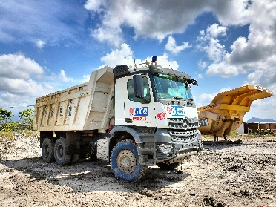 |  |  | 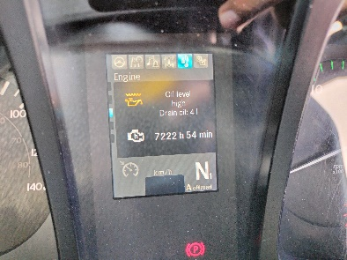 |  | 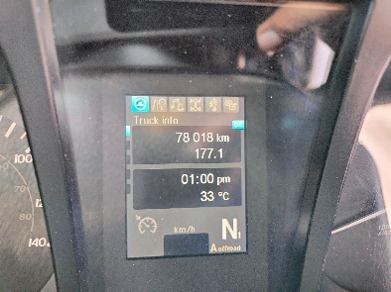 |  | 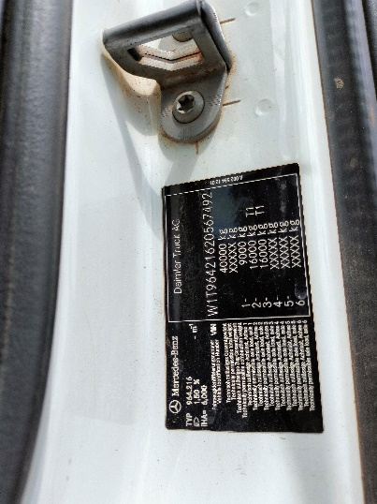

FOTO UNIT |  |  | FOTO HM |  | FOTO KM |  | FOTO VIN

WATER
PICTURE CAUSE AND ACTION

WATER IN AIR DRYER FILTER & INTERCOOLER |  |  | TURBO & AIR COMPRESSOR |  | OIL FILTER & OTHER FINDING |  | CONDITION HEAD

PICTURE CAUSE AND ACTION

Part Book |  |  | picture part no aktual |  | PARTS NEW |  | PROGRESS INSTALL

Head Office | Gedung Office 8 Lt.33 (SCBD Lot 28/Senopati Raya 8B), Jl.Jend.Sudirman Kav.52-53, Jakarta Selatan 12190 , Indonesia | T +62 21 57903456 | www.starwagen.co.id
Branch | Jl.Syarifuddin Yoes Blok.Kav.46-47 RT.045, Sepinggan Baru, Balikpapan Selatan, Kalimantan Timur, Indonesia | +62 54 28707888 / +62 54 28705758
and Mercedes-Benz are registered trademarks of Mercedes-Benz Group AG.

Part Request
MENU

 |  |  |  |  |  |  |  |  | Authorized Dealer of Mercedes-Benz
Part Request Slip |  |  |  |  |  |  |  |  | Truck & Bus in Indonesia
 |  | Passenger car Commercial vehicle
Slip Numbering |  | Customer Information |  |  |  | Vehicle Information |  |  | Order Information
 |  | Nama | PT. PUTRA PERKASA ABADI |  |  | Model : | AROCS 4040 E3 |  | Worksop Order No :
 |  | Site | BUKIT ASAM |  |  | Vin : |  |  | Order By :
 |  |  |  |  |  | Engine No : |  |  | Delivery By : | PT.SWI
 |  | Car Registration | 0 |  |  | Date of 1st registration: |  |  | REGA / OKTA
 |  |  |  |  |  |  |  |  | Issue On :

No | Part Number | ES1 | ES2 | Bin Location | Quantity Requested | Description |  |  | Unit Price | Total Price
1
2
3
4
5
6
7
8
9
10
11
12
13
14
 |  |  |  |  |  |  |  | Foreman | Mechanic | Delivered By

 |  |  |  |  |  |  |  |  | REGA / OKTA | 0

 | Head Office | Gedung Office 8 Lt.33 (SCBD Lot 28/Senopati Raya 8B), Jl.Jend.Sudirman Kav.52-53, Jakarta Selatan 12190 , Indonesia | T +62 21 57903456 | www.starwagen.co.id
 | Branch | Jl.Syarifuddin Yoes Blok.Kav.46-47 RT.045, Sepinggan Baru, Balikpapan Selatan, Kalimantan Timur, Indonesia | +62 54 28707888 / +62 54 28705758

and Mercedes-Benz are registered trademarks of Mercedes-Benz Group AG

Work Order
MENU

 |  |  |  |  | PT Star Wagen Indonesia
Work Order Form |  |  |  |  | Authorized Dealer of Mercedes-Benz
 |  |  |  |  | Truck & Bus in Indonesia

Customer name: |  | PT. PUTRA PERKASA ABADI |  | For reference please quote the following no.
Address: |  | BUKIT ASAM |  | Order no.:
City: |  |  |  | Date: 6 mei 2024 | Customer No: | Page:
Telp:
Tax Code:

Regisration No. |  | Chassis No/Vin | Sales Designation |  |  | Reception date/time
DA 4889 |  |  |  |  |  | 2024-07-10
Millage / KM |  | Engine No. | Active Reception |  |  | Received by
3637.23h/44626km |  |  | YES | NO |  | REGA / OKTA | 0
Routing No. |  | Last Service | Sales Designation |  |  | Deadline/time
 |  | Date / Millege
Is this vehicle related to campaign ? Yes No Mobility Service Yes No
Item | Operation. Nr |  | Hours | Type Of Work
L

Ketentuan: 1. Lembar Work order yang sudah ditandatangai merupakan surat kuasa dari pelanggan ke dealer untuk dilakukan pekerjaan sesuai yang tertera di work order, serta memberi wewenang untuk melakukan uji coba kendaraan di luar bengkel. 2. Kendaraan yang sudah selesai diperbaiki wajib diambil oleh pelanggan dalam waktu ...x 24 jam dari waktu pemberitahuan. Apabila melebihi dari waktu tersebut, Dealer tidak bertanggung jawab lagi atas kondisi kendaraan tersebut dan dikenakan biaya sebesar Rp..................../hari. |  |  |  | 3. Dealer tidak bertanggung jawab atas segala kerugian akibat musibah, bencana alam ataupun kejadian lain yang tidak dipredikasi atau di luar tanggung jawab dealer. 4. Tidak diperkenankan menyimpan barang barang berharga didalam kendaraan. Dealer tidak bertanggung jawab apabila terjadi kehilangan atas barang barang tersebut. 5. Hal lain diluar ketentuan ini akan diatur tersendiri oleh masing-masing dealer.


 | Customer's signature & name |  |  |  | Service Adviser's signature & name

Head Office | Gedung Office 8 Lt.33 (SCBD Lot 28/Senopati Raya 8B), Jl.Jend.Sudirman Kav.52-53, Jakarta Selatan 12190 , Indonesia | T +62 21 57903456 | www.starwagen.co.id
Branch | Jl.Syarifuddin Yoes Blok.Kav.46-47 RT.045, Sepinggan Baru, Balikpapan Selatan, Kalimantan Timur, Indonesia | +62 54 28707888 / +62 54 28705758

 | and Mercedes-Benz are registered trademarks of Mercedes-Benz Group AG.

Time Sheet
MENU

 |  |  |  | PT Star Wagen Indonesia
Job Time Card Report |  |  |  | Authorized Dealer of Mercedes-Benz Truck & Bus in Indonesia

Mechanic Name: | REGA / OKTA | 0 | WIP Number :

CIW/GW | Operational Code | End Start | Time Recording |  | Date |  |  |  | Total Time
 | Description
Warranty |  | End |  |  |  |  |  |  |  |  | Customer | 1:00:00
 |  | Start |  |  |  |  |  |  |  |  | Internal | 2:00:00
 |  | End | 16:00:00 |  |  |  |  |  | 6,30 |  | Warranty | 3:00:00
 |  | Start | 17:00:00 |  |  |  |  |  |  |  | GoodWill | 4:00:00
 |  | End |  |  |  |  |  |  | 0:00:00 |  |  | 5:00:00
 |  | Start |  |  |  |  |  |  |  |  |  | 6:00:00
 |  | End |  |  |  |  |  |  | 0:00:00 |  |  | 7:00:00
 |  | Start |  |  |  |  |  |  |  |  |  | 8:00:00
 |  | End |  |  |  |  |  |  | 0:00:00 |  |  | 9:00:00
 |  | Start |  |  |  |  |  |  |  |  |  | 10:00:00
 |  | End |  |  |  |  |  |  | 0:00:00 |  |  | 11:00:00
 |  | Start |  |  |  |  |  |  |  |  |  | 12:00:00
 |  | End |  |  |  |  |  |  | 0:00:00 |  |  | 13:00:00
 |  | Start |  |  |  |  |  |  |  |  |  | 14:00:00
 |  | End |  |  |  |  |  |  | 0:00:00 |  |  | 15:00:00
 |  | Start |  |  |  |  |  |  |  |  |  | 16:00:00
 |  | End |  |  |  |  |  |  | 0:00:00 |  |  | 13:00:00
 |  | Start |  |  |  |  |  |  |  |  |  | 14:00:00
 |  | End |  |  |  |  |  |  | 0:00:00 |  |  | 15:00:00
 |  | Start |  |  |  |  |  |  |  |  |  | 16:00:00
 |  | End |  |  |  |  |  |  | 0:00:00 |  |  | 13:00:00
 |  | Start |  |  |  |  |  |  |  |  |  | 14:00:00
 |  | End |  |  |  |  |  |  | 0:00:00 |  |  | 15:00:00
 |  | Start |  |  |  |  |  |  |  |  |  | 16:00:00
 |  |  |  |  |  |  |  |  |  |  |  | 17:00:00
Hours |  | C | I | W/G | W1 | W2 | W3 | W4 | W5 | W6 |  | 18:00:00
Total |  |  |  | 0:00:00 |  |  |  |  |  |  |  | 19:00:00
 |  |  |  |  |  |  |  |  |  |  |  | 20:00:00
Head Office | Gedung Office 8 Lt.33 (SCBD Lot 28/Senopati Raya 8B), Jl.Jend.Sudirman Kav.52-53, Jakarta Selatan 12190 , Indonesia | T +62 21 57903456 | www.starwagen.co.id |  |  |  |  |  |  |  |  |  |  |  | 21:00:00
Branch | Jl.Syarifuddin Yoes Blok.Kav.46-47 RT.045, Sepinggan Baru, Balikpapan Selatan, Kalimantan Timur, Indonesia | +62 54 28707888 / +62 54 28705758 |  |  |  |  |  |  |  |  |  |  |  | 22:00:00
 |  |  |  |  |  |  |  |  |  |  |  | 23:00:00
and Mercedes-Benz are registered trademarks of Mercedes-Benz Group AG
 |  |  |  |  |  |  |  |  |  |  |  | 1900-01-01 00:00:00

