Time Sheet
MENU

 |  |  |  | PT Star Wagen Indonesia
Job Time Card Report |  |  |  | Authorized Dealer of Mercedes-Benz Truck & Bus in Indonesia

Mechanic Name: | ANDIKA D |  | WIP Number :

CIW/GW | Operational Code | End Start | Time Recording |  | Date |  |  |  | Total Time
 | Description
Warranty |  | End |  |  |  |  |  |  | 0:00:00 |  | Customer | 1:00:00
 |  | Start |  |  |  |  |  |  |  |  | Internal | 2:00:00
 |  | End |  |  |  |  |  |  | 0:00:00 |  | Warranty | 3:00:00
 |  | Start |  |  |  |  |  |  |  |  | GoodWill | 4:00:00
 |  | End |  |  | 2023-01-16 |  |  |  | 0:00:00 |  |  | 5:00:00
 |  | Start |  |  |  |  |  |  |  |  |  | 6:00:00
 |  | End |  |  |  |  |  |  | 0:00:00 |  |  | 7:00:00
 |  | Start |  |  |  |  |  |  |  |  |  | 8:00:00
 |  | End |  |  |  |  |  |  | 0:00:00 |  |  | 9:00:00
 |  | Start |  |  |  |  |  |  |  |  |  | 10:00:00
 |  | End |  |  |  |  |  |  | 0:00:00 |  |  | 11:00:00
 |  | Start |  |  |  |  |  |  |  |  |  | 12:00:00
 |  | End |  |  |  |  |  |  | 0:00:00 |  |  | 13:00:00
 |  | Start |  |  |  |  |  |  |  |  |  | 14:00:00
 |  | End |  |  |  |  |  |  | 0:00:00 |  |  | 15:00:00
 |  | Start |  |  |  |  |  |  |  |  |  | 16:00:00
 |  | End |  |  |  |  |  |  | 0:00:00 |  |  | 13:00:00
 |  | Start |  |  |  |  |  |  |  |  |  | 14:00:00
 |  | End |  |  |  |  |  |  | 0:00:00 |  |  | 15:00:00
 |  | Start |  |  |  |  |  |  |  |  |  | 16:00:00
 |  | End |  |  |  |  |  |  | 0:00:00 |  |  | 13:00:00
 |  | Start |  |  |  |  |  |  |  |  |  | 14:00:00
 |  | End |  |  |  |  |  |  | 0:00:00 |  |  | 15:00:00
 |  | Start |  |  |  |  |  |  |  |  |  | 16:00:00
 |  |  |  |  |  |  |  |  |  |  |  | 17:00:00
Hours |  | C | I | W/G | W1 | W2 | W3 | W4 | W5 | W6 |  | 18:00:00
Total |  |  |  | 0:00:00 |  |  |  |  |  |  |  | 19:00:00
 |  |  |  |  |  |  |  |  |  |  |  | 20:00:00
Head Office | Gedung Office 8 Lt.33 (SCBD Lot 28/Senopati Raya 8B), Jl.Jend.Sudirman Kav.52-53, Jakarta Selatan 12190 , Indonesia | T +62 21 57903456 | www.starwagen.co.id |  |  |  |  |  |  |  |  |  |  |  | 21:00:00
Branch | Jl.Syarifuddin Yoes Blok.Kav.46-47 RT.045, Sepinggan Baru, Balikpapan Selatan, Kalimantan Timur, Indonesia | +62 54 28707888 / +62 54 28705758 |  |  |  |  |  |  |  |  |  |  |  | 22:00:00
 |  |  |  |  |  |  |  |  |  |  |  | 23:00:00
and Mercedes-Benz are registered trademarks of Mercedes-Benz Group AG
 |  |  |  |  |  |  |  |  |  |  |  | 1900-01-01 00:00:00

Worksop Report
 | Menu
 |  |  | Workshop Report For Diagnostic Guide

 |  |  |  |  |  |  | PT.STAR WAGEN INDONESIA
 |  |  |  |  | WO | 310000010128
Date: |  | 5-Jun-24 |  |  |  |  |  | Job Site:
WIP No: |  |  |  |  | Customer Name: | PT. PUTRA PERKASA ABADI |  | PT AMC
Chasis No: |  | W1T96421120645988 |  |  | Reg No : |  | Reg date
Engine No: |  | 471922C0784165 |  |  | Type : | AROCS 4042 K | Mileage / Hours Meter | 36326/4007
Unit Code |  | DA42002

COMPLAINT ANALYSIS
Customer complaint/Customer information
 | Error exhaust-gas aftertreatment faulty and indicator MIL (stop engine lamp ) ON
Vehicle information
 | Aplicaton : | ü Long distance |  | ü Dump truck | Ore operation | Regular service base
 |  | Short distance |  | support truck | ü OB operation
Customer Information :
 | REPORT FROM DRIVER WHEN MACHINE NORMAL OPERATION APPEARS ERROR EXHAUST-GAS AFTERTREATMENT FAULTY FROM INSTRUMEN MONITOR

TEST LEVEL

 | Test Level Description |  |  |  |  | Actual Value | Remark | Attachment Number
 | CHECK ERROR CODE ACM BY MONITOR ICUC |  |  |  |  | ERROR CODE 970C07 | NOT OK | attachment picture 1
 | CHECK ERROR CODE ACM BY XENTRY AND GUIDE TEST |  |  |  |  | NOX SENSOR INLET PROBLEM | NOT OK | attachment picture 2
 | CHECK ACTUAL VALUE ACM |  |  |  |  | CAN'T BE READ | NOT OK | attachment picture 3
 | CHECK WIRING NOX SENSOR INLET TO CONTROL UNIT ACM |  |  |  |  | GOOD | OK | attachment picture 4

CAUSE LEVEL
Cause level/Workshop findings: |  |  |  |  | RESULT :
 |  |  |  |  | AFTER GETTING REPORT FROM DRIVER WE DOES CHECK ERROR CODE ON MONITOR INSTRUMEN WE FOUND ERROR ACM (970C07), AND THEN CHECK ERROR BY XENTRY AND CHECK ACTUAL VALUE ACM WE FOUND NOX SENSOR INLET CAN'T BE READ. AFTER CHECK ERROR BY XENTRY WE CHECK WIRING NOX SENSOR INLET TO ACM THE RESULT GOOD CONDITION. AFTER WE CHECK RELATIVELY UNIT NORMAL OPERATION BUT UNDER MONITORING UNTIL SPARE PART COM ON SITE.
 |  | Ada | Tidak ada | Attachment Nr
Photo (# lembar) |  | √ |  | √
Area kerusakan (gbr EPC) |  | √ |  | √
Video (nama file) |  | √ | √ | √
Old Spare part No.
Notes: |  |  |  |  |  |  |  |  | √
 |  |  |  |  |  |  |  |  | x

RECTIFICATION AND VERIFICATION LEVEL
Rectification:

 | PART NUMBER | DESCRIPTION | QTY
 | A0101531428 | NOX SENSOR INLET | 1

Verification:

 |  |  | Workshop report digunakan untuk mencatat hasil analisa mekanik dengan menyertakan langkah-langkah diagnosis dan temuannya selama diagnosa

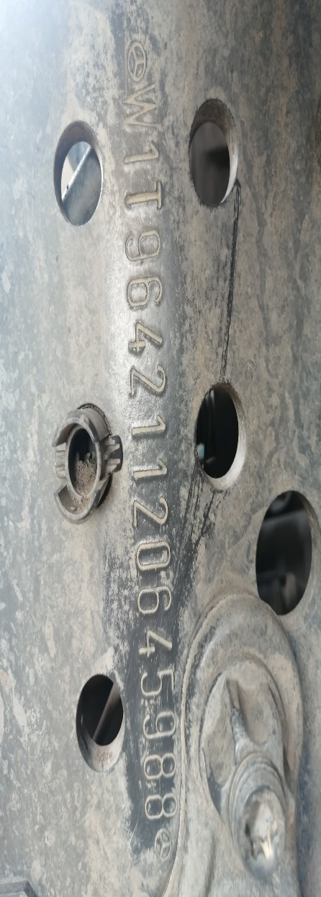
PICTURE CAUSE AND ACTION
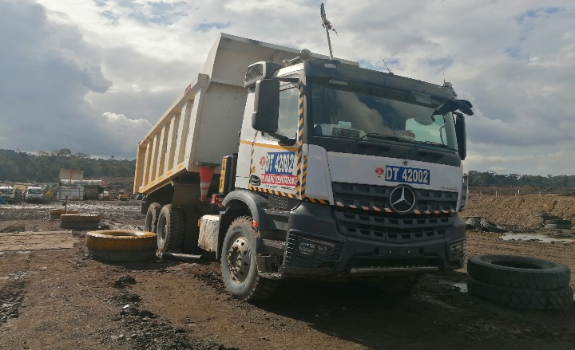 |  |  | 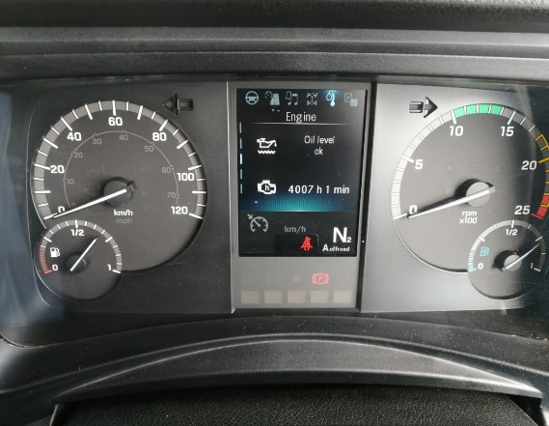 |  | 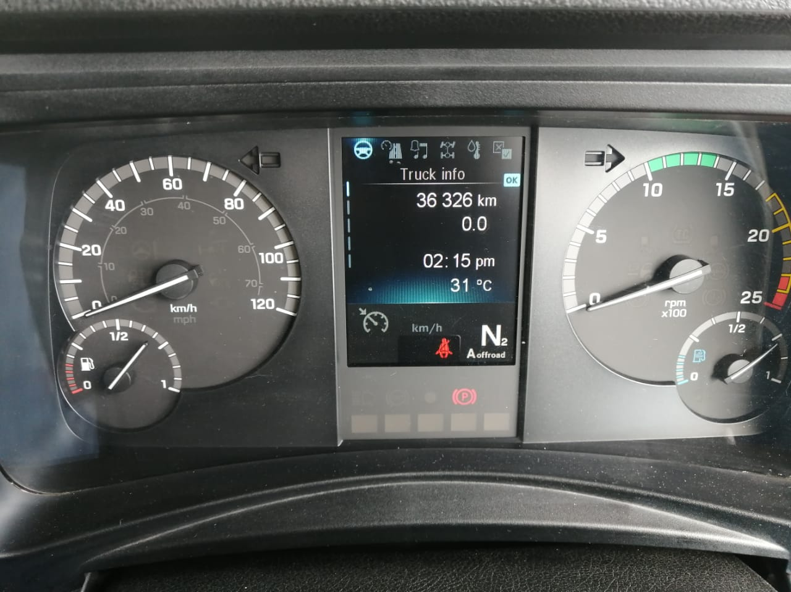

FOTO UNIT |  |  | FOTO HM |  | FOTO KM |  | FOTO VIN

1
2
3
4
PICTURE CAUSE AND ACTION
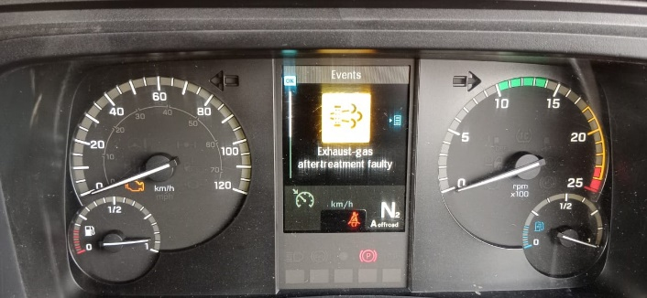 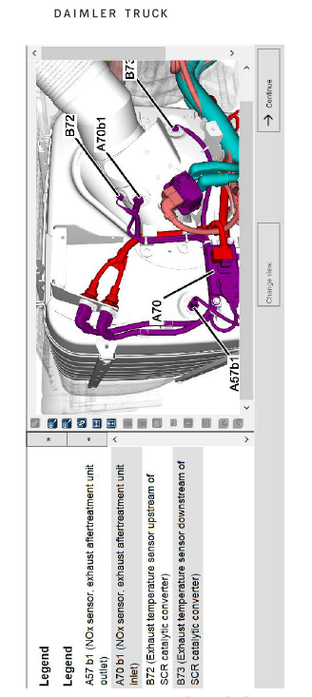 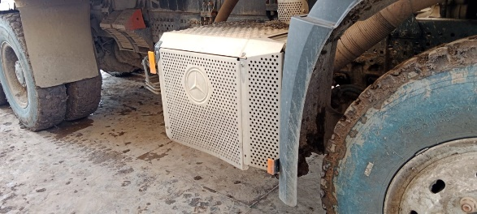 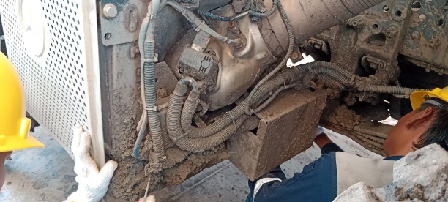 |  |  | 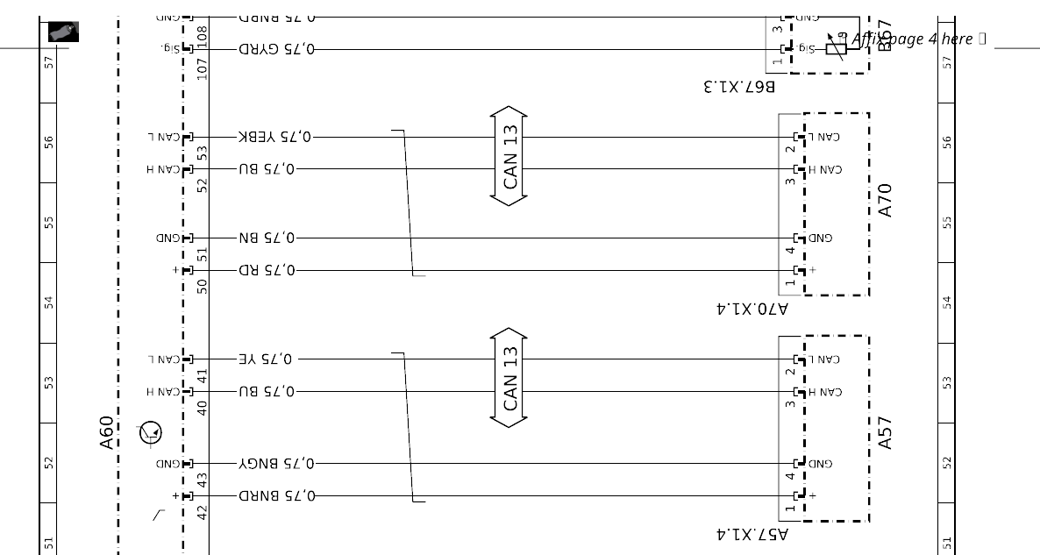 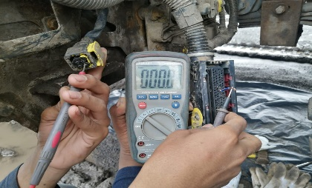 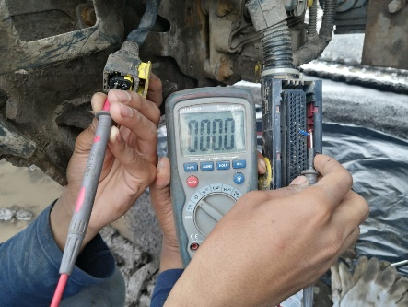 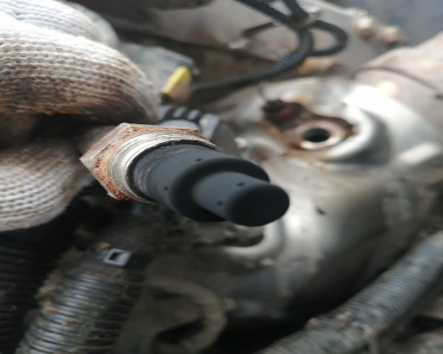 |  |  |  |  | 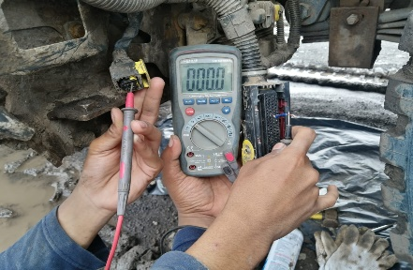

CHECK WIRING AND CONTINUITAS CABLE SOCKET NOX SENSOR INLET TO ACM

ERROR EXHAUST-GAS AFTERTREATMENT FAULTY
LOCATION INSTALATION POSITION NOX SENSOR INLET
ERROR CODE BY XENTRY
CONDITION FISIK NOX SENSOR INLET
CUSTOMER COMPLAINT PICTURE |  |  | JOB PROGRESS INVESTIGATION PICTURE

PICTURE CAUSE AND ACTION
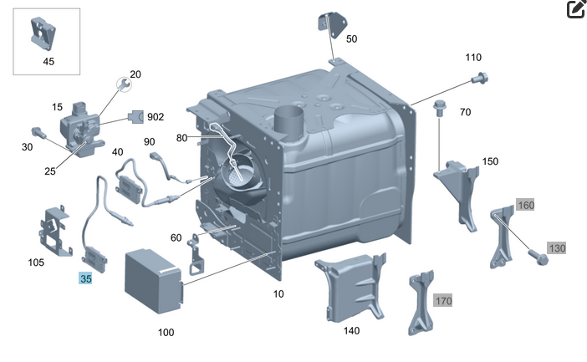

Part Book |  |  |  |  | picture part no part new |  | Remarks

 |  |  |  |  |  |  | validation

and Mercedes-Benz are registered trademarks of Mercedes-Benz Group AG.
and Mercedes-Benz are registered trademarks of Mercedes-Benz Group AG.
Head Office | Gedung Office 8 Lt.33 (SCBD Lot 28/Senopati Raya 8B), Jl.Jend.Sudirman Kav.52-53, Jakarta Selatan 12190 , Indonesia | T +62 21 57903456 | www.starwagen.co.id
Branch | Jl.Syarifuddin Yoes Blok.Kav.46-47 RT.045, Sepinggan Baru, Balikpapan Selatan, Kalimantan Timur, Indonesia | +62 54 28707888 / +62 54 28705758
 |  |  |  |  |  |  | ANDIKA D | Supervisor / Workshop Managaer

Part Request
MENU

 |  |  |  |  |  |  |  |  | Authorized Dealer of Mercedes-Benz
Part Request Slip |  |  |  |  |  |  |  |  | Truck & Bus in Indonesia
 |  | Passenger car Commercial vehicle
Slip Numbering |  | Customer Information |  |  |  | Vehicle Information |  |  | Order Information
 |  | Nama | PT. PUTRA PERKASA ABADI |  |  | Model : | AROCS 4042 K |  | Worksop Order No : | 310000010128
 |  | Site | PT AMC |  |  | Vin : | W1T96421120645988 |  | Order By :
 |  |  |  |  |  | Engine No : | 471922C0784165 |  | Delivery By :
 |  | Car Registration | DA42002 |  |  | Date of 1st registration: | 0 |  | Received By | 45448
 |  |  |  |  |  |  |  |  | Issue On :

No | Part Number | ES1 | ES2 | Bin Location | Quantity Requested | Description |  |  | Unit Price | Total Price
1 | A0101531428 |  |  |  | 1 | NOX SENSOR INLET
2 |  |  |  |  |  |  |  |  |  |  | ROTATIONAL SPEED SENSOR
3
4
5
6
7
8
9
10
11
12
13
14
 |  |  |  |  |  |  |  | Foreman | Mechanic | Delivered By

 |  |  |  |  |  |  |  |  | ANDIKA D

 | Head Office | Gedung Office 8 Lt.33 (SCBD Lot 28/Senopati Raya 8B), Jl.Jend.Sudirman Kav.52-53, Jakarta Selatan 12190 , Indonesia | T +62 21 57903456 | www.starwagen.co.id
 | Branch | Jl.Syarifuddin Yoes Blok.Kav.46-47 RT.045, Sepinggan Baru, Balikpapan Selatan, Kalimantan Timur, Indonesia | +62 54 28707888 / +62 54 28705758

and Mercedes-Benz are registered trademarks of Mercedes-Benz Group AG

Final Control
MENU

 |  |  | Truck & Bus |  |  |  | PT Star Wagen Indonesia
 |  |  | in Indonesia |  |  |  | Authorized Dealer of Mercedes-Benz Truck & Bus in Indonesia
Final Control Report

 |  | Customer Name : | PT. PUTRA PERKASA ABADI |  | Millage In : |  |  |  | Check And Tested By
 |  | Wo no/ WIP NO : |  |  | Millage Out : |  |  |  | Name : | ANDIKA D
 |  |  |  |  |  |  |  |  | Date : | 2023-09-05

 |  | Function Checks |  |  | Visual Checks |  |  |  | Other Checks
 | √ | All warning indicators |  | √ | Engine |  |  | √ | Wiper blades and spraying nozzle |  | √
 | √ | Steering system |  | √ | Transmission |  |  | √ | Vacuum hoses/lines |  | x
 | √ | Horn |  | √ | Rear axles |  |  | √ | Write your own checking list related reparation you did
 | √ | Lights interior / exterior |  | √ | Steering system |  |  | √ | …………………………………………………………………..
 | √ | Other electrical equipment |  | √ | Fuel system |  |  | √ | …………………………………………………………………..
 | √ | Central locking / closing assist system |  | √ | Cooling system |  |  | √ | …………………………………………………………………..
 | √ | Brakes on dynamometer or test drive |  | √ | Brake hoses / lines / linkage |  |  | √ | …………………………………………………………………..
 | √ | Air conditioner |  | √ | Condition of tires/spare tires (if any) |  |  | √ | …………………………………………………………………..
 |  |  |  | √ | Cleanliness inside and outside |  |  |  | …………………………………………………………………..
 |  | Fluid Levels |  |  | Final Checks |  |  |  | Document Check
 | √ | Engine |  | √ | Check work performed |  |  | √ | Test document / Short test result
 | √ | Transmission |  | √ | Test Drive if needed |  |  | √ | Workshop report (only if required)
 | √ | Radiator / Coolant |  |  |  |  |  | √ | Internal part requisition slip
 | √ | Power steering |  |  |  |  |  | √ | Battery test result, only if tested
 | √ | Battery |  |  |  |  |  | √
 | √ | Brake system |  |  |  |  |  | √
 | √ | Windshield washer |  |  |  |  |  | √
 |  |  |  |  |  |  |  | √
 | After completion of all the work required by you, we performed a final quality check on your vehicle with the following results:
 | Ok |  | No |  |  |  |  | Acknowledged by
 | During checking & reparation process, some critical findings has to be followed up;
 | 1.
 | 2.
 | this has been conveyed on………..to……………. but not approved for doing an action. |  |  |  | (Service Advisor) | (Customer) |  | Foreman or Supervisor

 | Head Office | Gedung Office 8 Lt.33 (SCBD Lot 28/Senopati Raya 8B), Jl.Jend.Sudirman Kav.52-53, Jakarta Selatan 12190 , Indonesia | T +62 21 57903456 | www.starwagen.co.id
 | Branch | Jl.Syarifuddin Yoes Blok.Kav.46-47 RT.045, Sepinggan Baru, Balikpapan Selatan, Kalimantan Timur, Indonesia | +62 54 28707888 / +62 54 28705758
and Mercedes-Benz are registered trademarks of Mercedes-Benz Group AG
.

