Time Sheet
MENU

 |  |  |  | PT Star Wagen Indonesia
Job Time Card Report |  |  |  | Authorized Dealer of Mercedes-Benz Truck & Bus in Indonesia

Mechanic Name: | ANDIKA |  | WIP Number :

CIW/GW | Operational Code | End Start | Time Recording |  | Date |  |  |  | Total Time
 | Description
Warranty |  | End |  |  |  |  |  |  | 0:00:00 |  | Customer | 1:00:00
 |  | Start |  |  |  |  |  |  |  |  | Internal | 2:00:00
 |  | End |  |  |  |  |  |  | 0:00:00 |  | Warranty | 3:00:00
 |  | Start |  |  |  |  |  |  |  |  | GoodWill | 4:00:00
 |  | End |  |  | 2023-01-16 |  |  |  | 0:00:00 |  |  | 5:00:00
 |  | Start |  |  |  |  |  |  |  |  |  | 6:00:00
 |  | End |  |  |  |  |  |  | 0:00:00 |  |  | 7:00:00
 |  | Start |  |  |  |  |  |  |  |  |  | 8:00:00
 |  | End |  |  |  |  |  |  | 0:00:00 |  |  | 9:00:00
 |  | Start |  |  |  |  |  |  |  |  |  | 10:00:00
 |  | End |  |  |  |  |  |  | 0:00:00 |  |  | 11:00:00
 |  | Start |  |  |  |  |  |  |  |  |  | 12:00:00
 |  | End |  |  |  |  |  |  | 0:00:00 |  |  | 13:00:00
 |  | Start |  |  |  |  |  |  |  |  |  | 14:00:00
 |  | End |  |  |  |  |  |  | 0:00:00 |  |  | 15:00:00
 |  | Start |  |  |  |  |  |  |  |  |  | 16:00:00
 |  | End |  |  |  |  |  |  | 0:00:00 |  |  | 13:00:00
 |  | Start |  |  |  |  |  |  |  |  |  | 14:00:00
 |  | End |  |  |  |  |  |  | 0:00:00 |  |  | 15:00:00
 |  | Start |  |  |  |  |  |  |  |  |  | 16:00:00
 |  | End |  |  |  |  |  |  | 0:00:00 |  |  | 13:00:00
 |  | Start |  |  |  |  |  |  |  |  |  | 14:00:00
 |  | End |  |  |  |  |  |  | 0:00:00 |  |  | 15:00:00
 |  | Start |  |  |  |  |  |  |  |  |  | 16:00:00
 |  |  |  |  |  |  |  |  |  |  |  | 17:00:00
Hours |  | C | I | W/G | W1 | W2 | W3 | W4 | W5 | W6 |  | 18:00:00
Total |  |  |  | 0:00:00 |  |  |  |  |  |  |  | 19:00:00
 |  |  |  |  |  |  |  |  |  |  |  | 20:00:00
Head Office | Gedung Office 8 Lt.33 (SCBD Lot 28/Senopati Raya 8B), Jl.Jend.Sudirman Kav.52-53, Jakarta Selatan 12190 , Indonesia | T +62 21 57903456 | www.starwagen.co.id |  |  |  |  |  |  |  |  |  |  |  | 21:00:00
Branch | Jl.Syarifuddin Yoes Blok.Kav.46-47 RT.045, Sepinggan Baru, Balikpapan Selatan, Kalimantan Timur, Indonesia | +62 54 28707888 / +62 54 28705758 |  |  |  |  |  |  |  |  |  |  |  | 22:00:00
 |  |  |  |  |  |  |  |  |  |  |  | 23:00:00
and Mercedes-Benz are registered trademarks of Mercedes-Benz Group AG
 |  |  |  |  |  |  |  |  |  |  |  | 1900-01-01 00:00:00

Worksop Report
 | Menu
 |  |  | Workshop Report For Diagnostic Guide

 |  |  |  |  |  |  | PT.STAR WAGEN INDONESIA
 |  |  |  |  | WO
Date: |  | 11-Jul-24 |  |  |  |  |  | Job Site:
WIP No: |  |  |  |  | Customer Name: | PT. PUTRA PERKASA ABADI |  | PT AMC
Chasis No: |  | MEC2437BAPP132198 |  |  | Reg No : |  | Reg date
Engine No: |  | 400953D0138674 |  |  | Type : | AXOR 2528 CH (6X4) M/T Euro 4 | Mileage / Hours Meter | 27747 KM / 2785 H
Unit Code |  | DA25139

COMPLAINT ANALYSIS
Customer complaint/Customer information
 | ENGINE HUNTING
Vehicle information
 | Aplicaton : | ü Long distance |  | ü Dump truck | Ore operation | Regular service base
 |  | Short distance |  | support truck | ü OB operation
Customer Information :
 | Ketika running suara engine tidak seperti normalnya, seperti shut off single cylinder

TEST LEVEL

 | Test Level Description |  |  |  |  | Actual Value | Remark | Attachment Number
 | Test running |  |  |  |  | Engine hunting | NOT OK
 | Test switchoff single cylinder |  |  |  |  | Injector Cylinder no 5 & 2 clogged | NOT OK
 | Test compression |  |  |  |  | Hasilnya diatas 75% | OK
 | Test smooth running |  |  |  |  | Cylinder no 5 & 2 hasilnya diatas 2.5% | NOT OK
 | Check visual injector no 5 |  |  |  |  | Clogged | NOT OK
 | replace injec tor baru cylinder 2 & 5 |  |  |  |  | ok | ok

CAUSE LEVEL
Cause level/Workshop findings: |  |  |  |  | RESULT :
 |  |  |  |  | Setelah pengecekan menggunakan Test shut off single cylinder no 5 dan no 2, didapatkan hasil bahwa cylinder no 5 & 2 clogged (suara tetap sama meskipun sudah di OFF), selain itu setelah dilakukan pengecekan smooth running idle didapatkan hasil 5.0% dimana hasil tersebut sangat tidak bagus karena standarnya harus dibawah 2.5%, serta pengecekan secara visual juga ditemukan bahwa injector buntu/clogged.sehingga dari hasil tersebut injector no 5&2 clogged yang menyebabkan engine hunting dan juga di temukan kerusakan pada pressure pipe connection damage di cylinder 2, setelah itu dilakukan penggantian injector yang clogged dan pressure pipe connection, setelah diganti engine normal kembali.
 |  | Ada | Tidak ada | Attachment Nr
Photo (# lembar) |  | √ |  | √
Area kerusakan (gbr EPC) |  | √ |  | √
Video (nama file) |  | √ |  | √
Old Spare part No.
Notes: |  |  |  |  |  |  |  |  | √
 |  |  |  |  |  |  |  |  | x

RECTIFICATION AND VERIFICATION LEVEL
Rectification:

 | PART NUMBER | DESCRIPTION | QTY
 | A4000170921 | U NOZZLE HOLDER WITH NOZZLE / BS IV | 2
 | A5419970645 | O-RINGS | 2
 | A5419970545 | O-RINGS | 2
 | A9060170524 | LU PRESSURE PIPE CONNECTION | 1

 |  |  | Workshop report digunakan untuk mencatat hasil analisa mekanik dengan menyertakan langkah-langkah diagnosis dan temuannya selama diagnosa

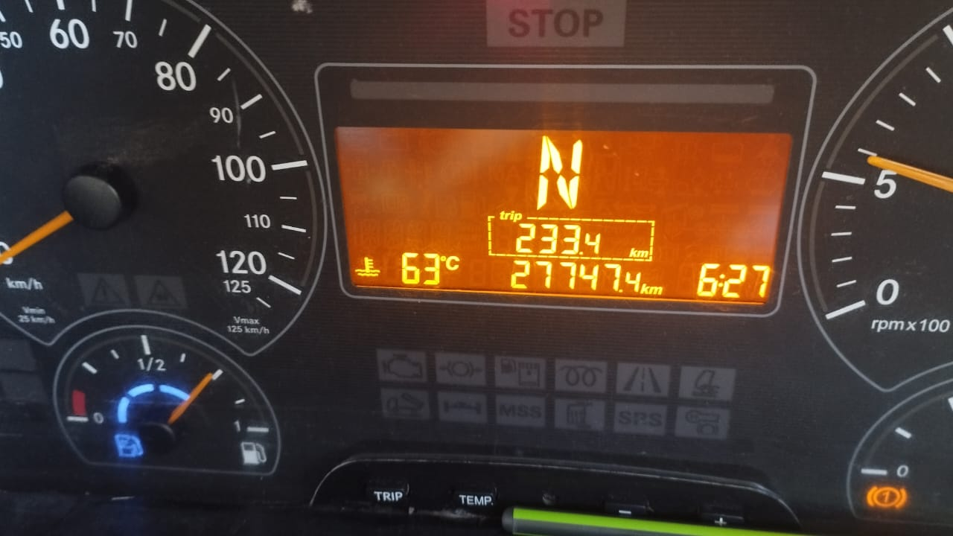
PICTURE CAUSE AND ACTION
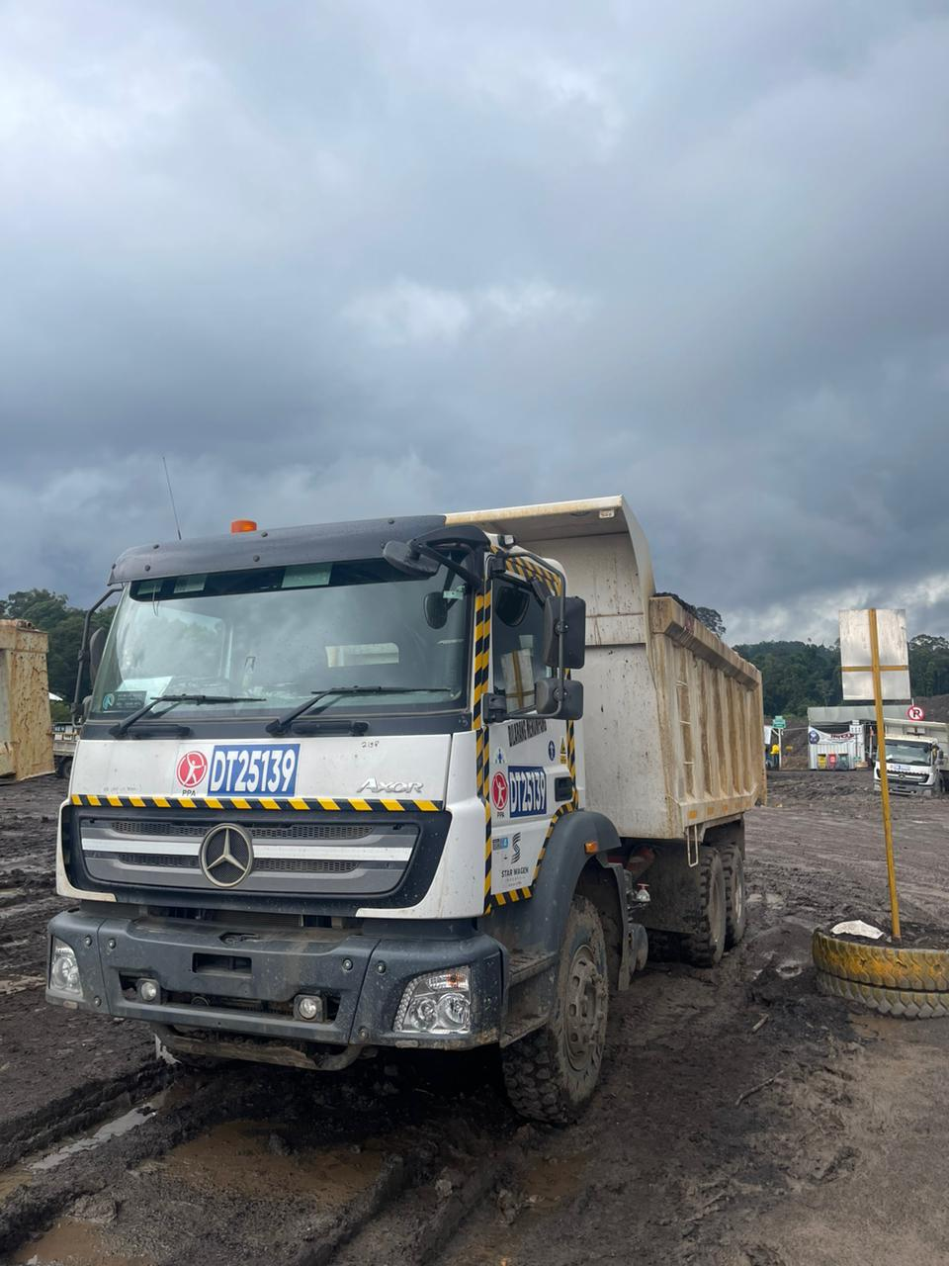 |  |  | 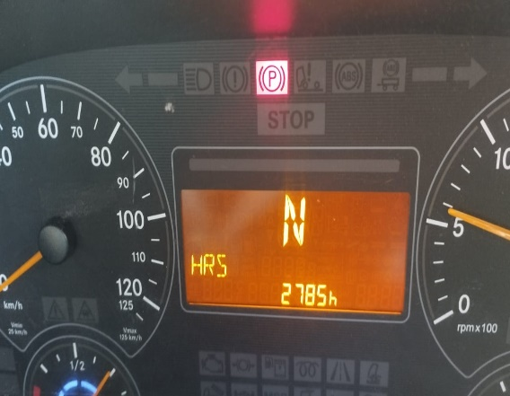

1
FOTO UNIT |  |  | FOTO HM |  | FOTO KM |  | FOTO VIN
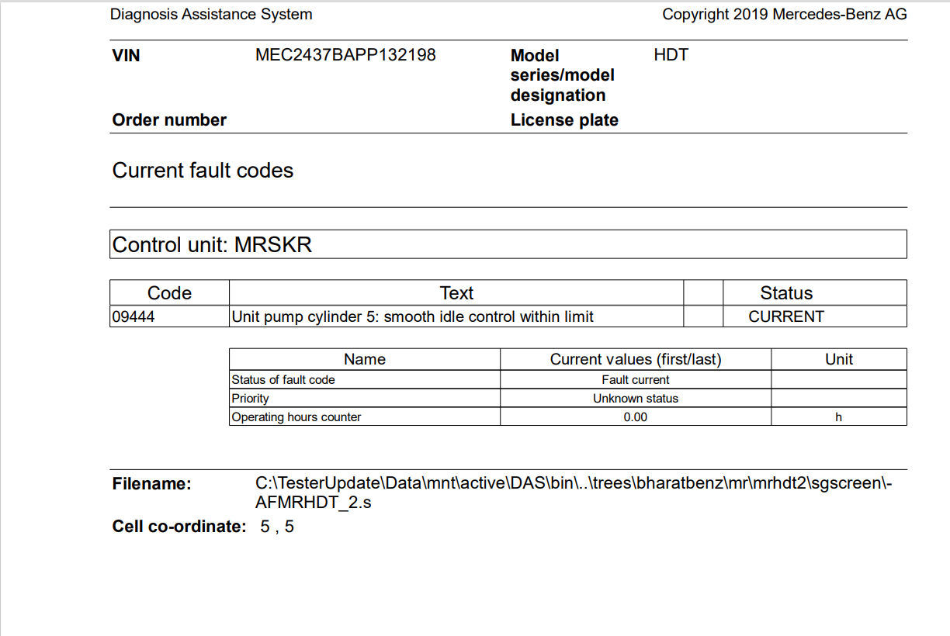 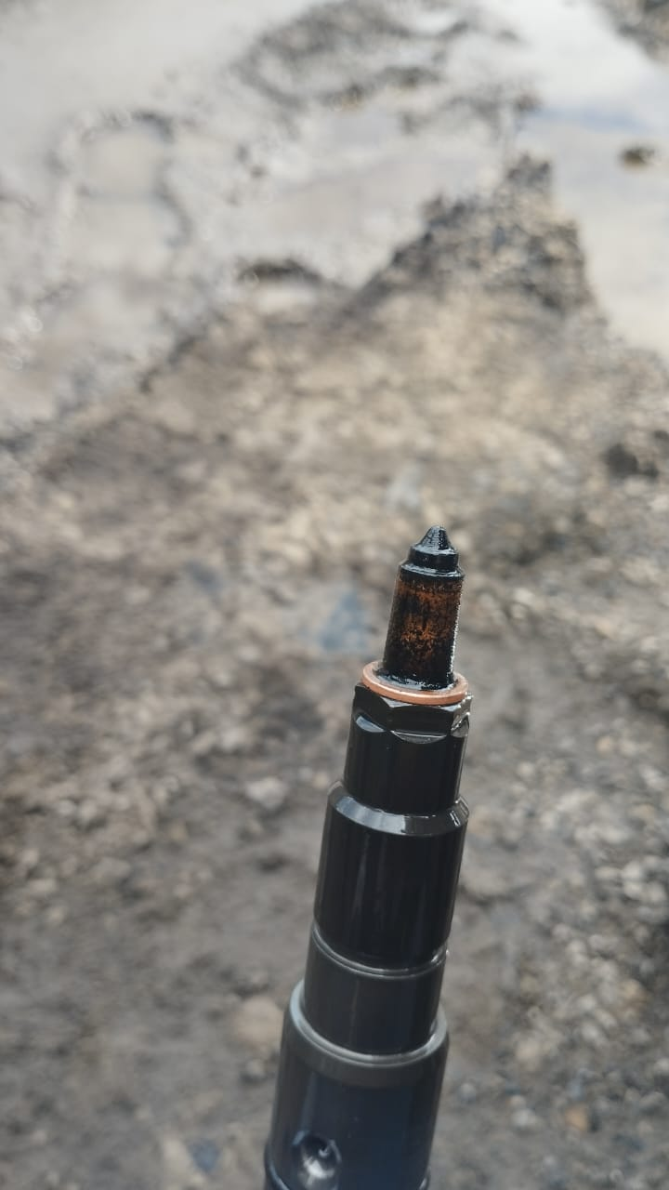 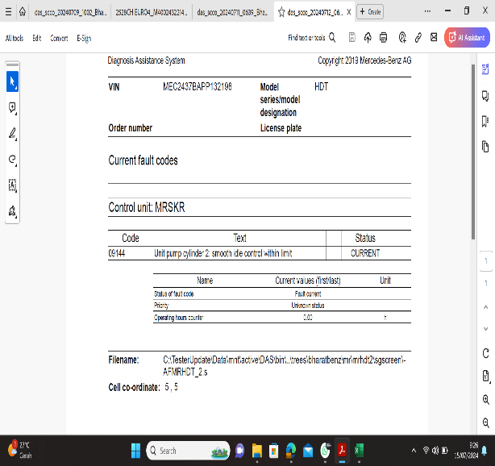 |  |  | 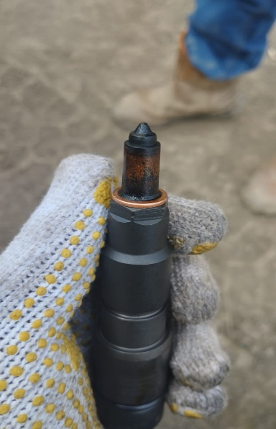 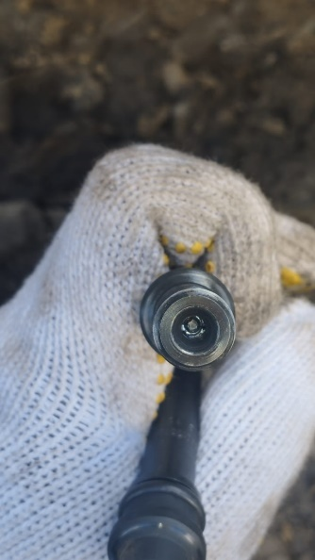 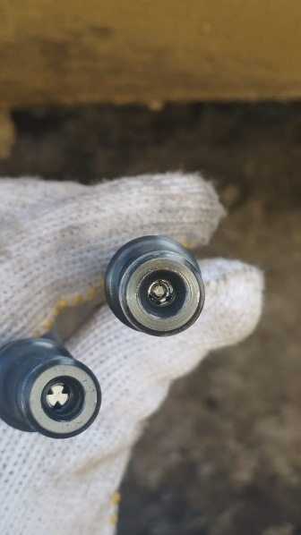 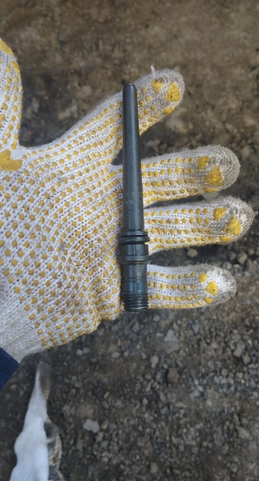 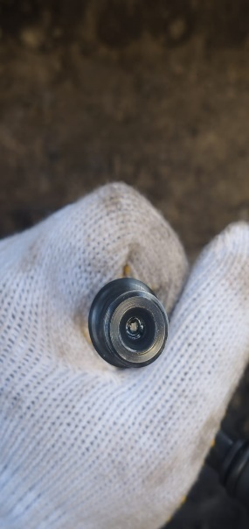 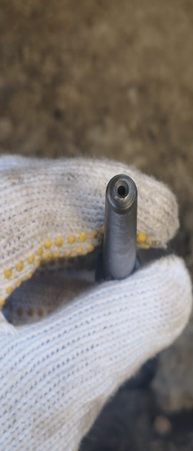 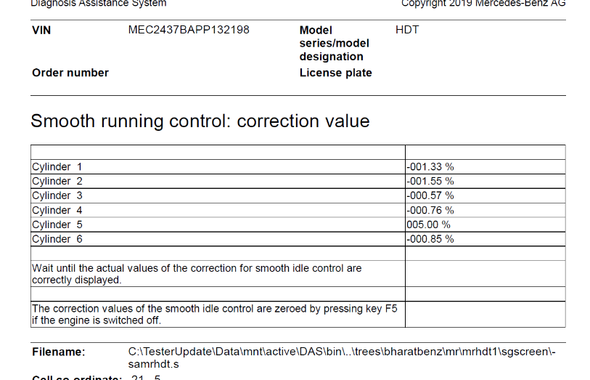 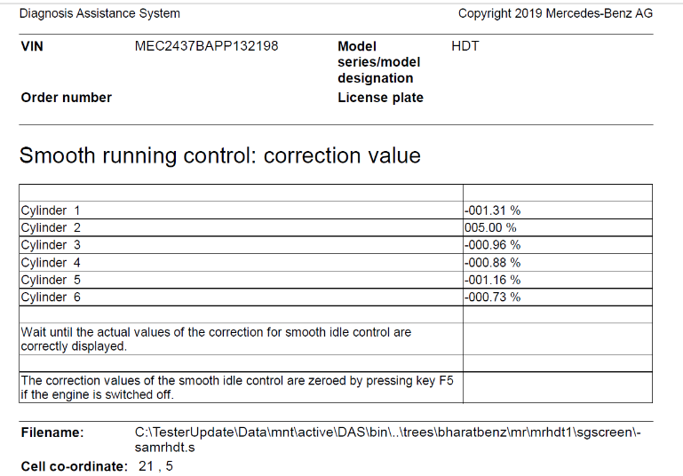 \

TERLIHAT INJECTOR NO 5 & 2 CLOGGED
2
3
PRESSURE PIPE CONNECTION DAMAGE
REPLACE INJECTOR NO 5&2 DENGAN PART BARU
JOB PROGRESS INVESTIGATION PICTURE
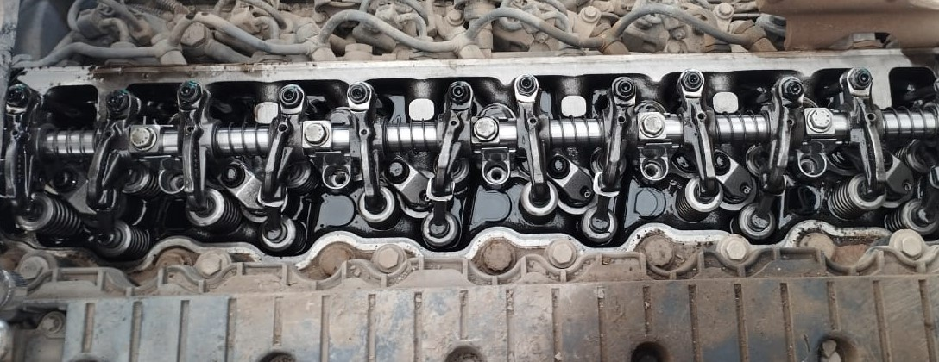 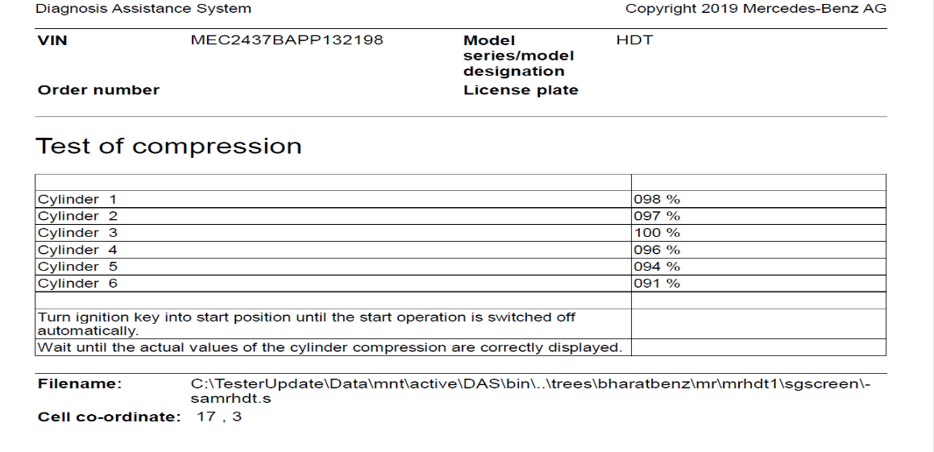
HASIL TEST COMPRESSION
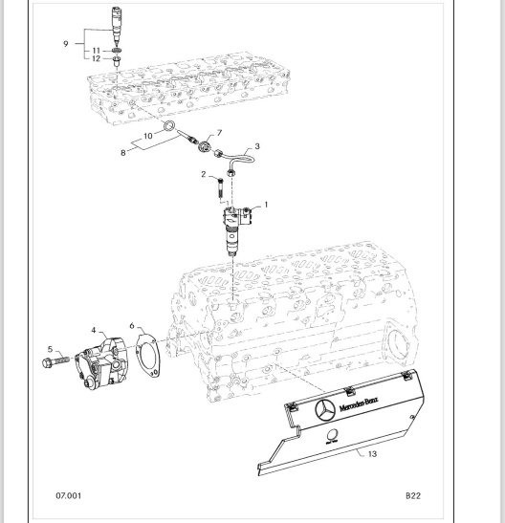
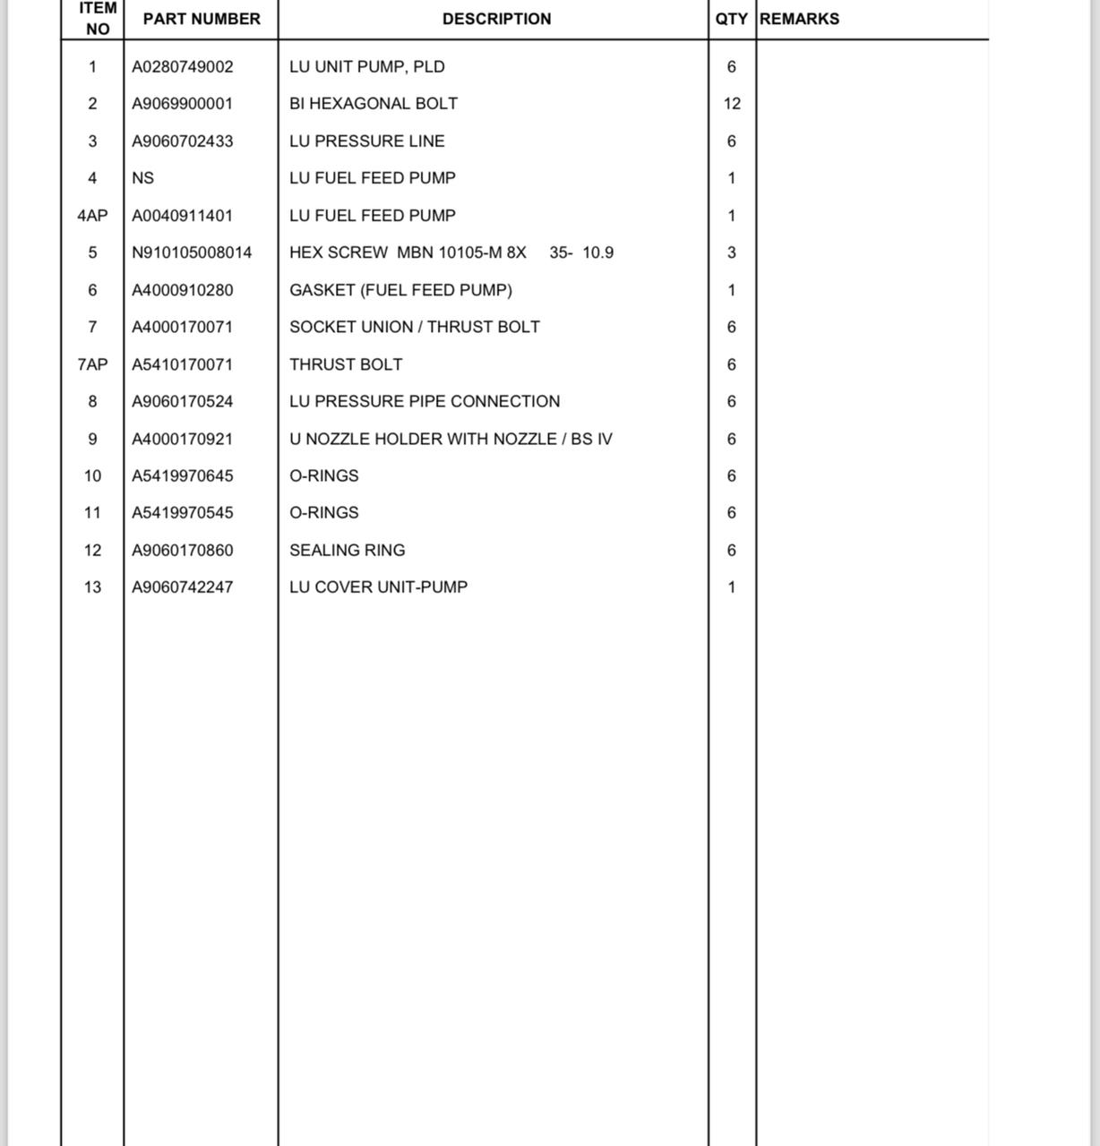
PROSES INSTAL

PART BOOK |  |  |  |  |  |  | Remarks

 |  |  |  |  |  |  | validation

and Mercedes-Benz are registered trademarks of Mercedes-Benz Group AG.
and Mercedes-Benz are registered trademarks of Mercedes-Benz Group AG.
Head Office | Gedung Office 8 Lt.33 (SCBD Lot 28/Senopati Raya 8B), Jl.Jend.Sudirman Kav.52-53, Jakarta Selatan 12190 , Indonesia | T +62 21 57903456 | www.starwagen.co.id
Branch | Jl.Syarifuddin Yoes Blok.Kav.46-47 RT.045, Sepinggan Baru, Balikpapan Selatan, Kalimantan Timur, Indonesia | +62 54 28707888 / +62 54 28705758
 |  |  |  |  |  |  | ANDIKA | Supervisor / Workshop Managaer

Part Request
MENU

 |  |  |  |  |  |  |  |  | Authorized Dealer of Mercedes-Benz
Part Request Slip |  |  |  |  |  |  |  |  | Truck & Bus in Indonesia
 |  | Passenger car Commercial vehicle
Slip Numbering |  | Customer Information |  |  |  | Vehicle Information |  |  | Order Information
 |  | Nama | PT. PUTRA PERKASA ABADI |  |  | Model : | AXOR 2528 CH (6X4) M/T Euro 4 |  | Worksop Order No : | 0
 |  | Site | PT AMC |  |  | Vin : | MEC2437BAPP132198 |  | Order By :
 |  |  |  |  |  | Engine No : | 400953D0138674 |  | Delivery By :
 |  | Car Registration | DA25139 |  |  | Date of 1st registration: | 0 |  | Received By | 45484
 |  |  |  |  |  |  |  |  | Issue On :

No | Part Number | ES1 | ES2 | Bin Location | Quantity Requested | Description |  |  | Unit Price | Total Price
1 | A4000170921 |  |  |  | 2 | U NOZZLE HOLDER WITH NOZZLE / BS IV
2 | A5419970645 |  |  |  | 2 | O-RINGS
3 | A5419970545 |  |  |  | 2 | O-RINGS
4 | A9060170524 |  |  |  | 1 | LU PRESSURE PIPE CONNECTION
5
6
7
8
9
10
11
12
13
14
 |  |  |  |  |  |  |  | Foreman | Mechanic | Delivered By

 |  |  |  |  |  |  |  |  | ANDIKA

 | Head Office | Gedung Office 8 Lt.33 (SCBD Lot 28/Senopati Raya 8B), Jl.Jend.Sudirman Kav.52-53, Jakarta Selatan 12190 , Indonesia | T +62 21 57903456 | www.starwagen.co.id
 | Branch | Jl.Syarifuddin Yoes Blok.Kav.46-47 RT.045, Sepinggan Baru, Balikpapan Selatan, Kalimantan Timur, Indonesia | +62 54 28707888 / +62 54 28705758

and Mercedes-Benz are registered trademarks of Mercedes-Benz Group AG

Final Control
MENU

 |  |  | Truck & Bus |  |  |  | PT Star Wagen Indonesia
 |  |  | in Indonesia |  |  |  | Authorized Dealer of Mercedes-Benz Truck & Bus in Indonesia
Final Control Report

 |  | Customer Name : | PT. PUTRA PERKASA ABADI |  | Millage In : |  |  |  | Check And Tested By
 |  | Wo no/ WIP NO : |  |  | Millage Out : |  |  |  | Name : | ANDIKA
 |  |  |  |  |  |  |  |  | Date :

 |  | Function Checks |  |  | Visual Checks |  |  |  | Other Checks
 | √ | All warning indicators |  | √ | Engine |  |  | √ | Wiper blades and spraying nozzle |  | √
 | √ | Steering system |  | √ | Transmission |  |  | √ | Vacuum hoses/lines |  | x
 | √ | Horn |  | √ | Rear axles |  |  | √ | Write your own checking list related reparation you did
 | √ | Lights interior / exterior |  | √ | Steering system |  |  | √ | …………………………………………………………………..
 | √ | Other electrical equipment |  | √ | Fuel system |  |  | √ | …………………………………………………………………..
 | √ | Central locking / closing assist system |  | √ | Cooling system |  |  | √ | …………………………………………………………………..
 | √ | Brakes on dynamometer or test drive |  | √ | Brake hoses / lines / linkage |  |  | √ | …………………………………………………………………..
 | √ | Air conditioner |  | √ | Condition of tires/spare tires (if any) |  |  | √ | …………………………………………………………………..
 |  |  |  | √ | Cleanliness inside and outside |  |  |  | …………………………………………………………………..
 |  | Fluid Levels |  |  | Final Checks |  |  |  | Document Check
 | √ | Engine |  | √ | Check work performed |  |  | √ | Test document / Short test result
 | √ | Transmission |  | √ | Test Drive if needed |  |  | √ | Workshop report (only if required)
 | √ | Radiator / Coolant |  |  |  |  |  | √ | Internal part requisition slip
 | √ | Power steering |  |  |  |  |  | √ | Battery test result, only if tested
 | √ | Battery |  |  |  |  |  | √
 | √ | Brake system |  |  |  |  |  | √
 | √ | Windshield washer |  |  |  |  |  | √
 |  |  |  |  |  |  |  | √
 | After completion of all the work required by you, we performed a final quality check on your vehicle with the following results:
 | Ok |  | No |  |  |  |  | Acknowledged by
 | During checking & reparation process, some critical findings has to be followed up;
 | 1.
 | 2.
 | this has been conveyed on………..to……………. but not approved for doing an action. |  |  |  | (Service Advisor) | (Customer) |  | Foreman or Supervisor

 | Head Office | Gedung Office 8 Lt.33 (SCBD Lot 28/Senopati Raya 8B), Jl.Jend.Sudirman Kav.52-53, Jakarta Selatan 12190 , Indonesia | T +62 21 57903456 | www.starwagen.co.id
 | Branch | Jl.Syarifuddin Yoes Blok.Kav.46-47 RT.045, Sepinggan Baru, Balikpapan Selatan, Kalimantan Timur, Indonesia | +62 54 28707888 / +62 54 28705758
and Mercedes-Benz are registered trademarks of Mercedes-Benz Group AG
.

