Worksop Report
 | Menu

WORKSHOP REPORT/DIAGNOSIS GUIDE |  |  |  |  |  |  | PT.STAR WAGEN INDONESIA

Date: |  | 2-Jul-24 |  |  |  |  |  | Site : BUKIT ASAM
WIP No: |  |  |  |  | Customer Name: | PT. PUTRA PERKASA ABADI
Chasis No: |  | MFJ400243NJ001325 |  |  | Reg No : |  | Reg date
Engine No: |  | 400953D0129360 |  |  | Type : | AXOR 2528 E4 | Mileage / Hours Meter | HM 3006 / KM 30124
Registration Code

COMPLAINT ANALYSIS
Customer complaint/Customer information
 | ADBLUE PUMP SHORT
Vehicle information
 | ADBLUE PUMP
System Information
 | ENGINE MIL ON

TEST LEVEL

 | Test Level Description |  |  |  |  | Actual Value | Remark | Attachment Nr
 | ADBLUE PUMP DAMAGE |  |  |  |  | NOT OK

CAUSE LEVEL
Cause level/Workshop findings: |  |  |  |  | PADA TANGGAL 24-05-2024 ,UNIT AXOR 2528 E4 DENGAN KODE UNIT FT2528 PADA SAAT DILAKUKAN INSPEKSI MUNCUL KODE EROR DAN LAMPU MIL MENYALA PADA PANEL. SETELAH DILAKUKAN PENGECEKAN PADA XENRTY TERNYATA EROR TERLETAK PADA ADBLUE PUMP. SETELAH DILAKUKAN PEMGECEKAN ADBLUE PUMP TIDAK BERFUNGSI / MATI DAN BANYAK AIR MASUK KE DALAM HOUSING PUMP ADBLUE.

 |  | Ada | Tidak ada | Attachment Nr
Photo (# lembar) |  | √
Area kerusakan (gbr EPC) |  | √
Video (nama file) |  | x
Old Spare part No.
Notes: |  |  |  |  |  |  |  |  | √
 |  |  |  |  |  |  |  |  | x

RECTIFICATION AND VERIFICATION LEVEL
Rectification:

 | PART NUMBER | DESCRIPTION | QTY
 | A0001401578 | PUMP MODULE | 1

Verification:

 |  |  |  |  | Workshop report digunakan untuk mencatat hasil analisa mekanik dengan menyertakan langkah-langkah diagnosis dan temuannya selama diagnosa
FAJAR
Mechanic |  |  | Supervisor/Mgr

PICTURE CAUSE AND ACTION
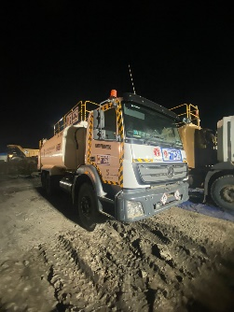 |  |  | 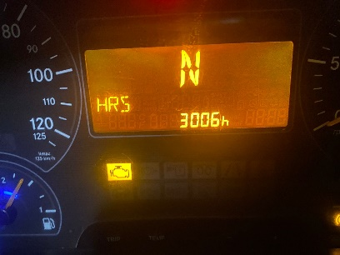 |  | 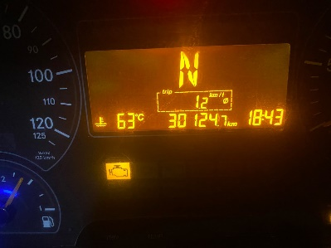 |  | 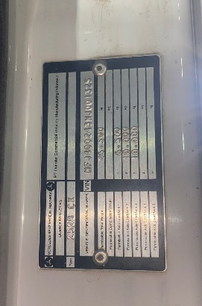

FOTO UNIT |  |  | FOTO HM |  | FOTO KM |  | FOTO VIN

PICTURE CAUSE AND ACTION
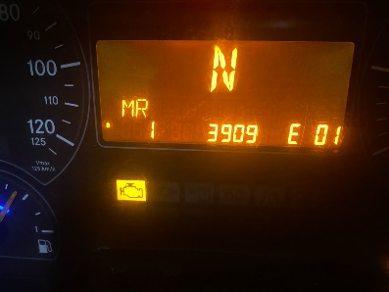 |  |  |  |  | 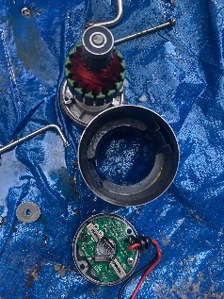 |  | 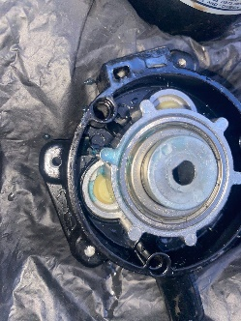 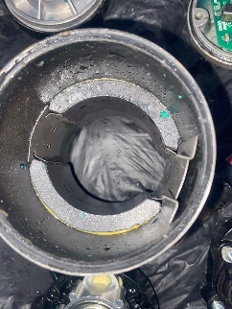 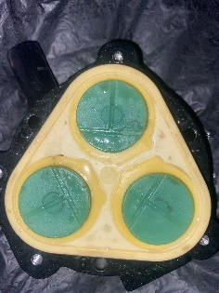

Complain castamer / EROR CODE |  |  | ADBLUE PUMP TEST |  | PUMP DAMAGE |  | AFTER ACTION

PICTURE CAUSE AND ACTION

Part Book |  |  | picture part no aktual |  | picture part no part new |  | PROSES INSTALL

Head Office | Gedung Office 8 Lt.33 (SCBD Lot 28/Senopati Raya 8B), Jl.Jend.Sudirman Kav.52-53, Jakarta Selatan 12190 , Indonesia | T +62 21 57903456 | www.starwagen.co.id
Branch | Jl.Syarifuddin Yoes Blok.Kav.46-47 RT.045, Sepinggan Baru, Balikpapan Selatan, Kalimantan Timur, Indonesia | +62 54 28707888 / +62 54 28705758
and Mercedes-Benz are registered trademarks of Mercedes-Benz Group AG.

Part Request
MENU

 |  |  |  |  |  |  |  |  | Authorized Dealer of Mercedes-Benz
Part Request Slip |  |  |  |  |  |  |  |  | Truck & Bus in Indonesia
 |  | Passenger car Commercial vehicle
Slip Numbering |  | Customer Information |  |  |  | Vehicle Information |  |  | Order Information
 |  | Nama | PT. PUTRA PERKASA ABADI |  |  | Model : | AXOR 2528 E4 |  | Worksop Order No :
 |  | Site | 0 |  |  | Vin : | MFJ400243NJ001325 |  | Order By :
 |  |  |  |  |  | Engine No : | 400953D0129360 |  | Delivery By :
 |  | Car Registration | 0 |  |  | Date of 1st registration:
 |  |  |  |  |  |  |  |  | Issue On :

No | Part Number | ES1 | ES2 | Bin Location | Quantity Requested | Description |  |  | Unit Price | Total Price
1 | A0001401578 |  |  |  | 1 | PUMP MODULE
2 |  |  |  |  |  |  |  |  |  |  | ROTATIONAL SPEED SENSOR
3
4
5
6
7
8
9
10
11
12
13
14
 |  |  |  |  |  |  |  | Foreman | Mechanic | Delivered By

 |  |  |  |  |  |  |  |  | FAJAR | 0

 | Head Office | Gedung Office 8 Lt.33 (SCBD Lot 28/Senopati Raya 8B), Jl.Jend.Sudirman Kav.52-53, Jakarta Selatan 12190 , Indonesia | T +62 21 57903456 | www.starwagen.co.id
 | Branch | Jl.Syarifuddin Yoes Blok.Kav.46-47 RT.045, Sepinggan Baru, Balikpapan Selatan, Kalimantan Timur, Indonesia | +62 54 28707888 / +62 54 28705758

and Mercedes-Benz are registered trademarks of Mercedes-Benz Group AG

Work Order
MENU

 |  |  |  |  | PT Star Wagen Indonesia
Work Order Form |  |  |  |  | Authorized Dealer of Mercedes-Benz
 |  |  |  |  | Truck & Bus in Indonesia

Customer name: |  | PT. PUTRA PERKASA ABADI |  | For reference please quote the following no.
Address: |  | 0 |  | Order no.:
City: |  |  |  | Date: | Customer No: | Page:
Telp: |  |  |  | 2024-07-02
Tax Code:

Regisration No. |  | Chassis No/Vin | Sales Designation |  |  | Reception date/time
0 |  | MFJ400243NJ001325 |  |  |  | 2024-07-02
Millage / KM |  | Engine No. | Active Reception |  |  | Received by
HM 3006 / KM 30124 |  | 400953D0129360 | YES | NO |  | FAJAR | 0
Routing No. |  | Last Service | Sales Designation |  |  | Deadline/time
 |  | Date / Millege
Is this vehicle related to campaign ? Yes No Mobility Service Yes No
Item | Operation. Nr |  | Hours | Type Of Work
1 | ADBLUE PUMP |  |  | CHECK FUNGSI ADBLUE PUMP

Ketentuan: 1. Lembar Work order yang sudah ditandatangai merupakan surat kuasa dari pelanggan ke dealer untuk dilakukan pekerjaan sesuai yang tertera di work order, serta memberi wewenang untuk melakukan uji coba kendaraan di luar bengkel. 2. Kendaraan yang sudah selesai diperbaiki wajib diambil oleh pelanggan dalam waktu ...x 24 jam dari waktu pemberitahuan. Apabila melebihi dari waktu tersebut, Dealer tidak bertanggung jawab lagi atas kondisi kendaraan tersebut dan dikenakan biaya sebesar Rp..................../hari. |  |  |  | 3. Dealer tidak bertanggung jawab atas segala kerugian akibat musibah, bencana alam ataupun kejadian lain yang tidak dipredikasi atau di luar tanggung jawab dealer. 4. Tidak diperkenankan menyimpan barang barang berharga didalam kendaraan. Dealer tidak bertanggung jawab apabila terjadi kehilangan atas barang barang tersebut. 5. Hal lain diluar ketentuan ini akan diatur tersendiri oleh masing-masing dealer.


 | Customer's signature & name |  |  |  | Service Adviser's signature & name

Head Office | Gedung Office 8 Lt.33 (SCBD Lot 28/Senopati Raya 8B), Jl.Jend.Sudirman Kav.52-53, Jakarta Selatan 12190 , Indonesia | T +62 21 57903456 | www.starwagen.co.id
Branch | Jl.Syarifuddin Yoes Blok.Kav.46-47 RT.045, Sepinggan Baru, Balikpapan Selatan, Kalimantan Timur, Indonesia | +62 54 28707888 / +62 54 28705758

 | and Mercedes-Benz are registered trademarks of Mercedes-Benz Group AG.

Time Sheet
MENU

 |  |  |  | PT Star Wagen Indonesia
Job Time Card Report |  |  |  | Authorized Dealer of Mercedes-Benz Truck & Bus in Indonesia

Mechanic Name: | FAJAR | 0 | WIP Number :

CIW/GW | Operational Code | End Start | Time Recording |  | Date |  |  |  | Total Time
 | Description
Warranty |  | End |  |  |  |  |  |  |  |  | Customer | 1:00:00
 |  | Start |  |  |  |  |  |  |  |  | Internal | 2:00:00
 |  | End | 1:00:00 |  |  |  |  |  | 1:00:00 |  | Warranty | 3:00:00
 |  | Start |  |  |  |  |  |  |  |  | GoodWill | 4:00:00
 |  | End |  |  |  |  |  |  | 0:00:00 |  |  | 5:00:00
 |  | Start |  |  |  |  |  |  |  |  |  | 6:00:00
 |  | End |  |  |  |  |  |  | 0:00:00 |  |  | 7:00:00
 |  | Start |  |  |  |  |  |  |  |  |  | 8:00:00
 |  | End |  |  |  |  |  |  | 0:00:00 |  |  | 9:00:00
 |  | Start |  |  |  |  |  |  |  |  |  | 10:00:00
 |  | End |  |  |  |  |  |  | 0:00:00 |  |  | 11:00:00
 |  | Start |  |  |  |  |  |  |  |  |  | 12:00:00
 |  | End |  |  |  |  |  |  | 0:00:00 |  |  | 13:00:00
 |  | Start |  |  |  |  |  |  |  |  |  | 14:00:00
 |  | End |  |  |  |  |  |  | 0:00:00 |  |  | 15:00:00
 |  | Start |  |  |  |  |  |  |  |  |  | 16:00:00
 |  | End |  |  |  |  |  |  | 0:00:00 |  |  | 13:00:00
 |  | Start |  |  |  |  |  |  |  |  |  | 14:00:00
 |  | End |  |  |  |  |  |  | 0:00:00 |  |  | 15:00:00
 |  | Start |  |  |  |  |  |  |  |  |  | 16:00:00
 |  | End |  |  |  |  |  |  | 0:00:00 |  |  | 13:00:00
 |  | Start |  |  |  |  |  |  |  |  |  | 14:00:00
 |  | End |  |  |  |  |  |  | 0:00:00 |  |  | 15:00:00
 |  | Start |  |  |  |  |  |  |  |  |  | 16:00:00
 |  |  |  |  |  |  |  |  |  |  |  | 17:00:00
Hours |  | C | I | W/G | W1 | W2 | W3 | W4 | W5 | W6 |  | 18:00:00
Total |  |  |  | 1:00:00 |  |  |  |  |  |  |  | 19:00:00
 |  |  |  |  |  |  |  |  |  |  |  | 20:00:00
Head Office | Gedung Office 8 Lt.33 (SCBD Lot 28/Senopati Raya 8B), Jl.Jend.Sudirman Kav.52-53, Jakarta Selatan 12190 , Indonesia | T +62 21 57903456 | www.starwagen.co.id |  |  |  |  |  |  |  |  |  |  |  | 21:00:00
Branch | Jl.Syarifuddin Yoes Blok.Kav.46-47 RT.045, Sepinggan Baru, Balikpapan Selatan, Kalimantan Timur, Indonesia | +62 54 28707888 / +62 54 28705758 |  |  |  |  |  |  |  |  |  |  |  | 22:00:00
 |  |  |  |  |  |  |  |  |  |  |  | 23:00:00
and Mercedes-Benz are registered trademarks of Mercedes-Benz Group AG
 |  |  |  |  |  |  |  |  |  |  |  | 1900-01-01 00:00:00

