Time Sheet
MENU

 |  |  |  | PT Star Wagen Indonesia
Job Time Card Report |  |  |  | Authorized Dealer of Mercedes-Benz Truck & Bus in Indonesia

Mechanic Name: | DIDIK IU |  | WIP Number :

CIW/GW | Operational Code | End Start | Time Recording |  | Date |  |  |  | Total Time
 | Description
Warranty |  | End |  |  |  |  |  |  | 0:00:00 |  | Customer | 1:00:00
 |  | Start |  |  |  |  |  |  |  |  | Internal | 2:00:00
 |  | End |  |  |  |  |  |  | 0:00:00 |  | Warranty | 3:00:00
 |  | Start |  |  |  |  |  |  |  |  | GoodWill | 4:00:00
 |  | End |  |  |  |  |  |  | 0:00:00 |  |  | 5:00:00
 |  | Start |  |  |  |  |  |  |  |  |  | 6:00:00
 |  | End |  |  |  |  |  |  | 0:00:00 |  |  | 7:00:00
 |  | Start |  |  |  |  |  |  |  |  |  | 8:00:00
 |  | End |  |  |  |  |  |  | 0:00:00 |  |  | 9:00:00
 |  | Start |  |  |  |  |  |  |  |  |  | 10:00:00
 |  | End |  |  |  |  |  |  | 0:00:00 |  |  | 11:00:00
 |  | Start |  |  |  |  |  |  |  |  |  | 12:00:00
 |  | End |  |  |  |  |  |  | 0:00:00 |  |  | 13:00:00
 |  | Start |  |  |  |  |  |  |  |  |  | 14:00:00
 |  | End |  |  |  |  |  |  | 0:00:00 |  |  | 15:00:00
 |  | Start |  |  |  |  |  |  |  |  |  | 16:00:00
 |  | End |  |  |  |  |  |  | 0:00:00 |  |  | 13:00:00
 |  | Start |  |  |  |  |  |  |  |  |  | 14:00:00
 |  | End |  |  |  |  |  |  | 0:00:00 |  |  | 15:00:00
 |  | Start |  |  |  |  |  |  |  |  |  | 16:00:00
 |  | End |  |  |  |  |  |  | 0:00:00 |  |  | 13:00:00
 |  | Start |  |  |  |  |  |  |  |  |  | 14:00:00
 |  | End |  |  |  |  |  |  | 0:00:00 |  |  | 15:00:00
 |  | Start |  |  |  |  |  |  |  |  |  | 16:00:00
 |  |  |  |  |  |  |  |  |  |  |  | 17:00:00
Hours |  | C | I | W/G | W1 | W2 | W3 | W4 | W5 | W6 |  | 18:00:00
Total |  |  |  | 0:00:00 |  |  |  |  |  |  |  | 19:00:00
 |  |  |  |  |  |  |  |  |  |  |  | 20:00:00
Head Office | Gedung Office 8 Lt.33 (SCBD Lot 28/Senopati Raya 8B), Jl.Jend.Sudirman Kav.52-53, Jakarta Selatan 12190 , Indonesia | T +62 21 57903456 | www.starwagen.co.id |  |  |  |  |  |  |  |  |  |  |  | 21:00:00
Branch | Jl.Syarifuddin Yoes Blok.Kav.46-47 RT.045, Sepinggan Baru, Balikpapan Selatan, Kalimantan Timur, Indonesia | +62 54 28707888 / +62 54 28705758 |  |  |  |  |  |  |  |  |  |  |  | 22:00:00
 |  |  |  |  |  |  |  |  |  |  |  | 23:00:00
and Mercedes-Benz are registered trademarks of Mercedes-Benz Group AG
 |  |  |  |  |  |  |  |  |  |  |  | 1900-01-01 00:00:00

Worksop Report
 | Menu
 |  |  | Workshop Report For Diagnostic Guide

 |  |  |  |  |  |  | PT.STAR WAGEN INDONESIA
 |  |  |  |  | WO :
Date: |  | 29-Jun-24 |  |  |  |  |  | Job Site: SITE AMC
WIP No: |  |  |  |  | Customer Name: | PT.MULTI NIAGA PUTRA
Chasis No: |  | MEC2437BAPP132320 |  |  | Reg No : |  | Reg date
Engine No: |  | 400953D0138652 |  |  | Type : | AXOR 2528 CH (6X4) EURO 4 | Mileage / Hours Meter | 27501KM / 2967H
Unit Code |  | DA25142

COMPLAINT ANALYSIS
Customer complaint/Customer information
 | ERROR MR & LEAKING OIL PRESSURE SWITCH AREA
Vehicle information
 | Aplicaton : | ü Long distance |  | ü Dump truck | Ore operation | Regular service base
 |  | Short distance |  | support truck | ü OB operation
Customer Information :
 | CUSTOMER MENEMUKAN KEBOCORAN OLI PADA AREA SENSOR OIL PRESSURE

TEST LEVEL

 | Test Level Description |  |  |  |  | Actual Value | Remark | Attachment Number
 | CHECK ERROR CODE |  |  |  |  | ERROR MR 1615 | NOT OK | 1
 | CHECK VISUAL |  |  |  |  | LEAKING FROM SWITCH OIL PRESSURE | NOT OK | 2

CAUSE LEVEL
Cause level/Workshop findings: |  |  |  |  | RESULT :
 |  |  |  |  | TANGGAL 29 JUNI 2024, PADA SAAT SERVICE, MEKANIK MENEMUKAN ERROR PADA MONITOR PANEL (ERROR MR 1615) SETELAH ITU MEKANIK MELAKUKAN PENGECEKAN PADA OIL PRESSURE SENSOR DIMANA DITEMUKAN KEBOCORAN OLI DISEKITAR AREA, KETIKA PRESSURE OIL SWITCH DIBUKA TERDAPAT OLI DIBAGIAN SOCKET, UNTUK SEMENTARA WAKTU UNIT BREAKDOWN WAITING PART.
 |  | Ada | Tidak ada | Attachment Nr
Photo (# lembar) |  | √ |  | √
Area kerusakan (gbr EPC) |  | √ |  | √
Video (nama file) |  | x |  | x
Old Spare part No.
Notes: |  |  |  |  |  |  |  |  | √
 |  |  |  |  |  |  |  |  | x

RECTIFICATION AND VERIFICATION LEVEL
Rectification:

 | PART NUMBER | DESCRIPTION | QTY
 | A0001539932 | OIL PRESSURE SWITCH | 1
 | N000000001070 | SEAL RING DIN 7603-A 16 X 22-CU CUSN1 | 1

Verification:

 |  |  | Workshop report digunakan untuk mencatat hasil analisa mekanik dengan menyertakan langkah-langkah diagnosis dan temuannya selama diagnosa

 |  |  |  |  |  |  |  | aa

PICTURE CAUSE AND ACTION
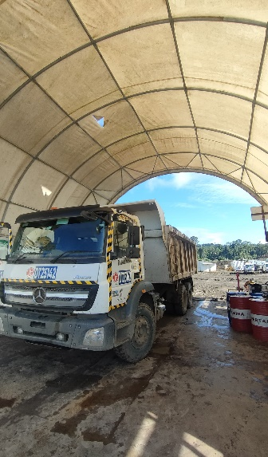 |  |  | 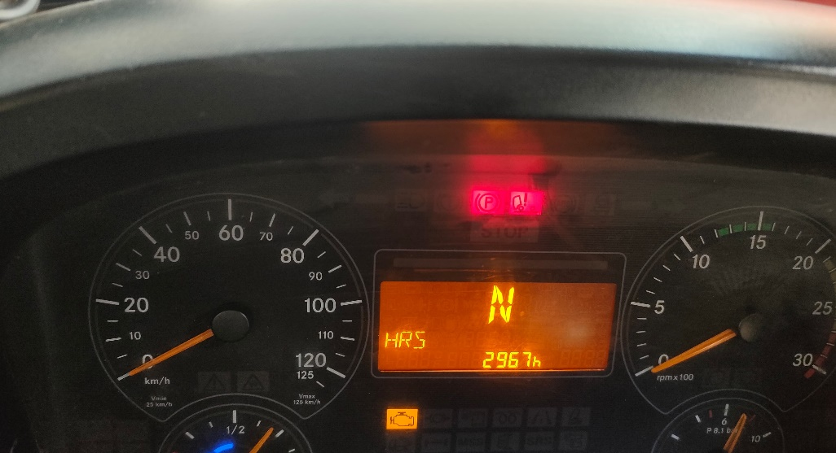 |  | 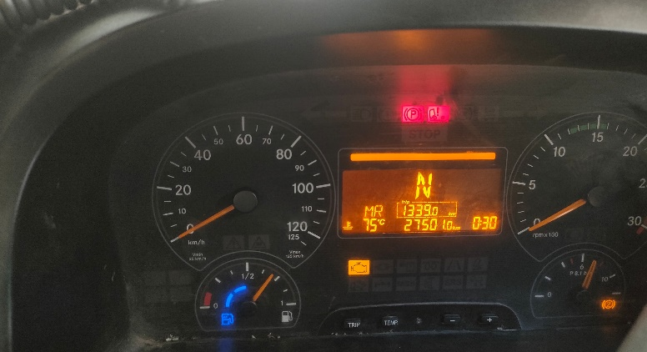

LEAKING AREA OIL PRESSURE
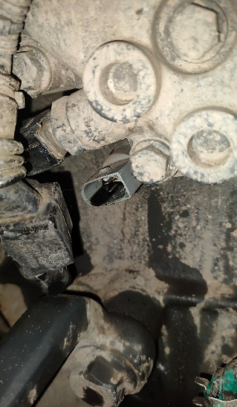
1
ERROR MR
2
LEAKING FROM OIL PRESSURE SWITCH
FOTO UNIT |  |  | FOTO HM |  | FOTO KM |  | FOTO VIN
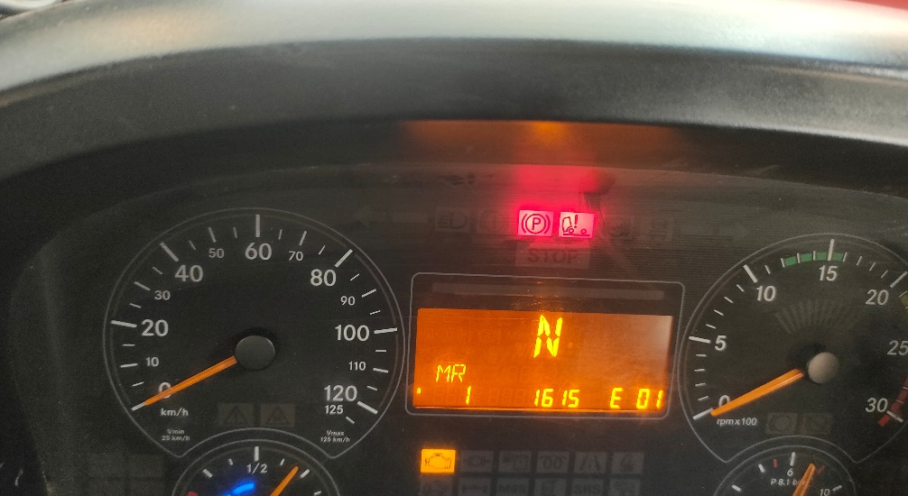 a |  |  | 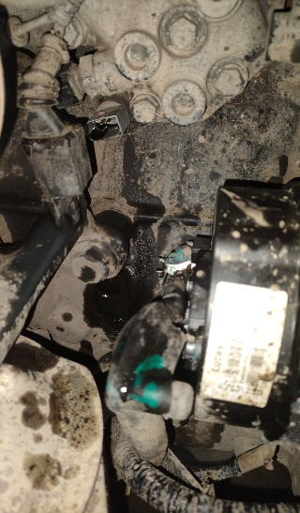 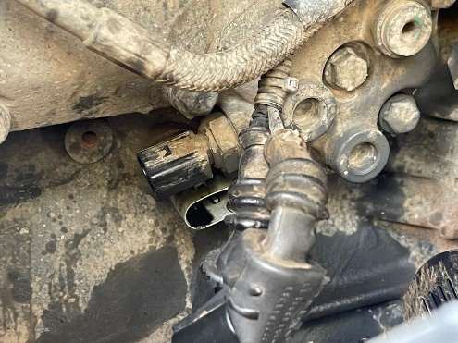 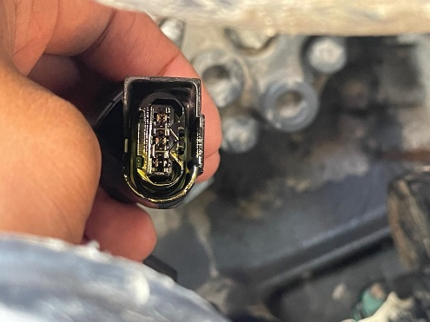

JOB PROGRESS INVESTIGATION PICTURE

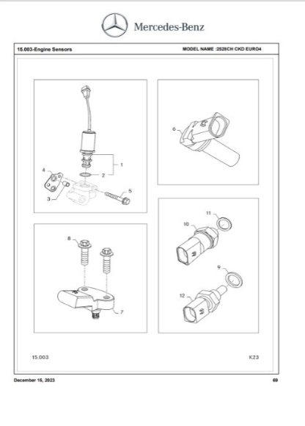
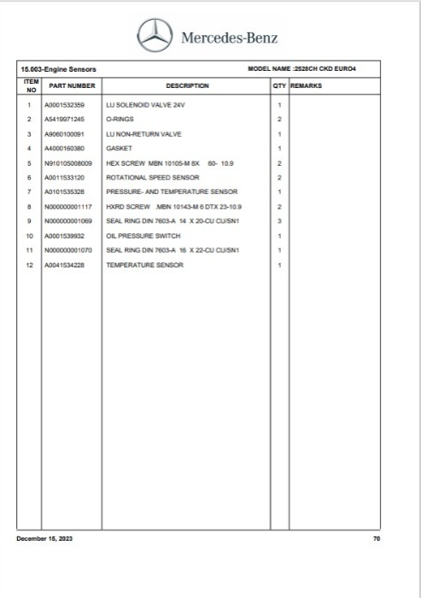
PROSES INSTAL

PART BOOK |  |  |  |  |  |  | Remarks

 |  |  |  |  |  |  | validation

and Mercedes-Benz are registered trademarks of Mercedes-Benz Group AG.
and Mercedes-Benz are registered trademarks of Mercedes-Benz Group AG.
Head Office | Gedung Office 8 Lt.33 (SCBD Lot 28/Senopati Raya 8B), Jl.Jend.Sudirman Kav.52-53, Jakarta Selatan 12190 , Indonesia | T +62 21 57903456 | www.starwagen.co.id
Branch | Jl.Syarifuddin Yoes Blok.Kav.46-47 RT.045, Sepinggan Baru, Balikpapan Selatan, Kalimantan Timur, Indonesia | +62 54 28707888 / +62 54 28705758
 |  |  |  |  |  |  | DIDIK IU | Supervisor / Workshop Managaer

Part Request
MENU

 |  |  |  |  |  |  |  |  | Authorized Dealer of Mercedes-Benz
Part Request Slip |  |  |  |  |  |  |  |  | Truck & Bus in Indonesia
 |  | Passenger car Commercial vehicle
Slip Numbering |  | Customer Information |  |  |  | Vehicle Information |  |  | Order Information
 |  | Nama | PT.MULTI NIAGA PUTRA |  |  | Model : | AXOR 2528 CH (6X4) EURO 4 |  | Worksop Order No : | 0
 |  | Site | 0 |  |  | Vin : | MEC2437BAPP132320 |  | Order By :
 |  |  |  |  |  | Engine No : | 400953D0138652 |  | Delivery By :
 |  | Car Registration | DA25142 |  |  | Date of 1st registration: | 0 |  | Received By | 45472
 |  |  |  |  |  |  |  |  | Issue On :

No | Part Number | ES1 | ES2 | Bin Location | Quantity Requested | Description |  |  | Unit Price | Total Price
1 | A0001539932 |  |  |  | 1 | OIL PRESSURE SWITCH
2 | N000000001070 |  |  |  | 1 | SEAL RING DIN 7603-A 16 X 22-CU CUSN1
3
4
5
6
7
8
9
10
11
12
13
14
 |  |  |  |  |  |  |  | Foreman | Mechanic | Delivered By

 |  |  |  |  |  |  |  |  | DIDIK IU

 | Head Office | Gedung Office 8 Lt.33 (SCBD Lot 28/Senopati Raya 8B), Jl.Jend.Sudirman Kav.52-53, Jakarta Selatan 12190 , Indonesia | T +62 21 57903456 | www.starwagen.co.id
 | Branch | Jl.Syarifuddin Yoes Blok.Kav.46-47 RT.045, Sepinggan Baru, Balikpapan Selatan, Kalimantan Timur, Indonesia | +62 54 28707888 / +62 54 28705758

and Mercedes-Benz are registered trademarks of Mercedes-Benz Group AG

Final Control
MENU

 |  |  | Truck & Bus |  |  |  | PT Star Wagen Indonesia
 |  |  | in Indonesia |  |  |  | Authorized Dealer of Mercedes-Benz Truck & Bus in Indonesia
Final Control Report

 |  | Customer Name : | PT.MULTI NIAGA PUTRA |  | Millage In : |  |  |  | Check And Tested By
 |  | Wo no/ WIP NO : |  |  | Millage Out : |  |  |  | Name : | DIDIK IU
 |  |  |  |  |  |  |  |  | Date :

 |  | Function Checks |  |  | Visual Checks |  |  |  | Other Checks
 | √ | All warning indicators |  | √ | Engine |  |  | √ | Wiper blades and spraying nozzle |  | √
 | √ | Steering system |  | √ | Transmission |  |  | √ | Vacuum hoses/lines |  | x
 | √ | Horn |  | √ | Rear axles |  |  | √ | Write your own checking list related reparation you did
 | √ | Lights interior / exterior |  | √ | Steering system |  |  | √ | …………………………………………………………………..
 | √ | Other electrical equipment |  | √ | Fuel system |  |  | √ | …………………………………………………………………..
 | √ | Central locking / closing assist system |  | √ | Cooling system |  |  | √ | …………………………………………………………………..
 | √ | Brakes on dynamometer or test drive |  | √ | Brake hoses / lines / linkage |  |  | √ | …………………………………………………………………..
 | √ | Air conditioner |  | √ | Condition of tires/spare tires (if any) |  |  | √ | …………………………………………………………………..
 |  |  |  | √ | Cleanliness inside and outside |  |  |  | …………………………………………………………………..
 |  | Fluid Levels |  |  | Final Checks |  |  |  | Document Check
 | √ | Engine |  | √ | Check work performed |  |  | √ | Test document / Short test result
 | √ | Transmission |  | √ | Test Drive if needed |  |  | √ | Workshop report (only if required)
 | √ | Radiator / Coolant |  |  |  |  |  | √ | Internal part requisition slip
 | √ | Power steering |  |  |  |  |  | √ | Battery test result, only if tested
 | √ | Battery |  |  |  |  |  | √
 | √ | Brake system |  |  |  |  |  | √
 | √ | Windshield washer |  |  |  |  |  | √
 |  |  |  |  |  |  |  | √
 | After completion of all the work required by you, we performed a final quality check on your vehicle with the following results:
 | Ok |  | No |  |  |  |  | Acknowledged by
 | During checking & reparation process, some critical findings has to be followed up;
 | 1.
 | 2.
 | this has been conveyed on………..to……………. but not approved for doing an action. |  |  |  | (Service Advisor) | (Customer) |  | Foreman or Supervisor

 | Head Office | Gedung Office 8 Lt.33 (SCBD Lot 28/Senopati Raya 8B), Jl.Jend.Sudirman Kav.52-53, Jakarta Selatan 12190 , Indonesia | T +62 21 57903456 | www.starwagen.co.id
 | Branch | Jl.Syarifuddin Yoes Blok.Kav.46-47 RT.045, Sepinggan Baru, Balikpapan Selatan, Kalimantan Timur, Indonesia | +62 54 28707888 / +62 54 28705758
and Mercedes-Benz are registered trademarks of Mercedes-Benz Group AG
.

