Time Sheet
MENU

 |  |  |  | PT Star Wagen Indonesia
Job Time Card Report |  |  |  | Authorized Dealer of Mercedes-Benz Truck & Bus in Indonesia

Mechanic Name: | ANDIKA D |  | WIP Number :

CIW/GW | Operational Code | End Start | Time Recording |  | Date |  |  |  | Total Time
 | Description
Warranty |  | End |  |  |  |  |  |  | 0:00:00 |  | Customer | 1:00:00
 |  | Start |  |  |  |  |  |  |  |  | Internal | 2:00:00
 |  | End |  |  |  |  |  |  | 0:00:00 |  | Warranty | 3:00:00
 |  | Start |  |  |  |  |  |  |  |  | GoodWill | 4:00:00
 |  | End |  |  | 2023-01-16 |  |  |  | 0:00:00 |  |  | 5:00:00
 |  | Start |  |  |  |  |  |  |  |  |  | 6:00:00
 |  | End |  |  |  |  |  |  | 0:00:00 |  |  | 7:00:00
 |  | Start |  |  |  |  |  |  |  |  |  | 8:00:00
 |  | End |  |  |  |  |  |  | 0:00:00 |  |  | 9:00:00
 |  | Start |  |  |  |  |  |  |  |  |  | 10:00:00
 |  | End |  |  |  |  |  |  | 0:00:00 |  |  | 11:00:00
 |  | Start |  |  |  |  |  |  |  |  |  | 12:00:00
 |  | End |  |  |  |  |  |  | 0:00:00 |  |  | 13:00:00
 |  | Start |  |  |  |  |  |  |  |  |  | 14:00:00
 |  | End |  |  |  |  |  |  | 0:00:00 |  |  | 15:00:00
 |  | Start |  |  |  |  |  |  |  |  |  | 16:00:00
 |  | End |  |  |  |  |  |  | 0:00:00 |  |  | 13:00:00
 |  | Start |  |  |  |  |  |  |  |  |  | 14:00:00
 |  | End |  |  |  |  |  |  | 0:00:00 |  |  | 15:00:00
 |  | Start |  |  |  |  |  |  |  |  |  | 16:00:00
 |  | End |  |  |  |  |  |  | 0:00:00 |  |  | 13:00:00
 |  | Start |  |  |  |  |  |  |  |  |  | 14:00:00
 |  | End |  |  |  |  |  |  | 0:00:00 |  |  | 15:00:00
 |  | Start |  |  |  |  |  |  |  |  |  | 16:00:00
 |  |  |  |  |  |  |  |  |  |  |  | 17:00:00
Hours |  | C | I | W/G | W1 | W2 | W3 | W4 | W5 | W6 |  | 18:00:00
Total |  |  |  | 0:00:00 |  |  |  |  |  |  |  | 19:00:00
 |  |  |  |  |  |  |  |  |  |  |  | 20:00:00
Head Office | Gedung Office 8 Lt.33 (SCBD Lot 28/Senopati Raya 8B), Jl.Jend.Sudirman Kav.52-53, Jakarta Selatan 12190 , Indonesia | T +62 21 57903456 | www.starwagen.co.id |  |  |  |  |  |  |  |  |  |  |  | 21:00:00
Branch | Jl.Syarifuddin Yoes Blok.Kav.46-47 RT.045, Sepinggan Baru, Balikpapan Selatan, Kalimantan Timur, Indonesia | +62 54 28707888 / +62 54 28705758 |  |  |  |  |  |  |  |  |  |  |  | 22:00:00
 |  |  |  |  |  |  |  |  |  |  |  | 23:00:00
and Mercedes-Benz are registered trademarks of Mercedes-Benz Group AG
 |  |  |  |  |  |  |  |  |  |  |  | 1900-01-01 00:00:00

Worksop Report
 | Menu
 |  |  | Workshop Report For Diagnostic Guide

 |  |  |  |  |  |  | PT.STAR WAGEN INDONESIA
 |  |  |  |  | WO | 310000010005
Date: |  | 1-Jun-24 |  |  |  |  |  | Job Site:
WIP No: |  |  |  |  | Customer Name: | PT. PUTRA PERKASA ABADI |  | PT AMC
Chasis No: |  | W1T96423420659031 |  |  | Reg No : |  | Reg date
Engine No: |  | 471922C0801371 |  |  | Type : | AROCS 4845K | Mileage / Hours Meter | 89420/3361
Unit Code |  | DA48116

COMPLAINT ANALYSIS
Customer complaint/Customer information
 | Coolant level to low
Vehicle information
 | Aplicaton : | ü Long distance |  | ü Dump truck | Ore operation | Regular service base
 |  | Short distance |  | support truck | ü OB operation
Customer Information :
 | When machine operation appear coolant level to low

TEST LEVEL

 | Test Level Description |  |  |  |  | Actual Value | Remark | Attachment Number
 | CHECK ERROR ON MONITOR |  |  |  |  | ANY ERROR | NOT OK
 | CHECK LEVEL WATER COOLANT |  |  |  |  | LEVEL LOW | NOT OK
 | CHECK LEAK RADIATOR |  |  |  |  | LEAK | NOT OK

CAUSE LEVEL
Cause level/Workshop findings: |  |  |  |  | RESULT :
 |  |  |  |  | AFTER GETTING REPORT FROM OPERATOR WE CHECK ERROR ON MONITOR AND CHECK LEVEL WATER COOLANT MAKE SURE ACTUAL LEVEL IN RESERVOIR. NEXT WE ADD WATER COOLANT AND MAKE SURE CONDITION LEAK RADIATOR. WHEN ENGINE RUNNING WE FOUND LEAK FROM UPPER RADIATOR. WE INSPECT CONDITION RADIATOR MAKE SURE ANY EXTERNAL FACTOR. WE DID NOT FIND ANY EXTERNAL FACTORS AND CONDITION MOUNTING RADIATOR GOOD CONDITION.
 |  | Ada | Tidak ada | Attachment Nr
Photo (# lembar) |  | √ |  | √
Area kerusakan (gbr EPC) |  | √ |  | √
Video (nama file) |  | √ |  | √
Old Spare part No.
Notes: |  |  |  |  |  |  |  |  | √
 |  |  |  |  |  |  |  |  | x

RECTIFICATION AND VERIFICATION LEVEL
Rectification:

 | PART NUMBER | DESCRIPTION | QTY
 | A9615001000 | COOLANT RADIATOR | 1

Verification:

 |  |  | Workshop report digunakan untuk mencatat hasil analisa mekanik dengan menyertakan langkah-langkah diagnosis dan temuannya selama diagnosa

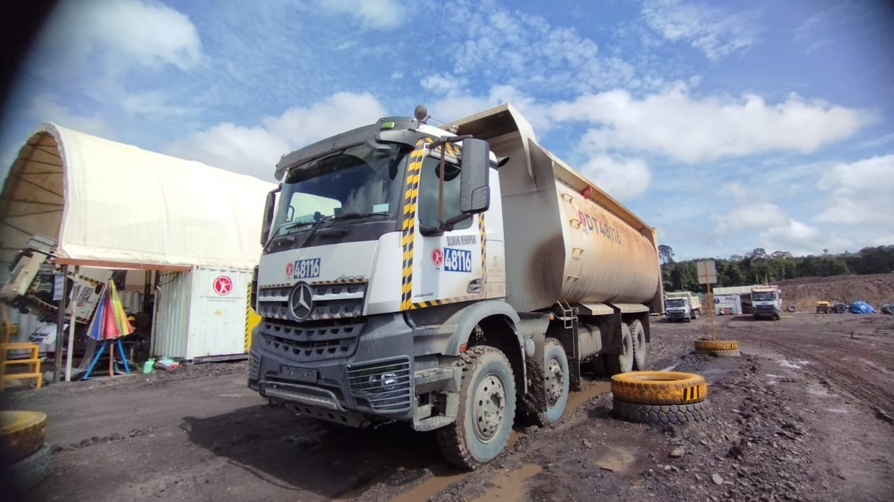
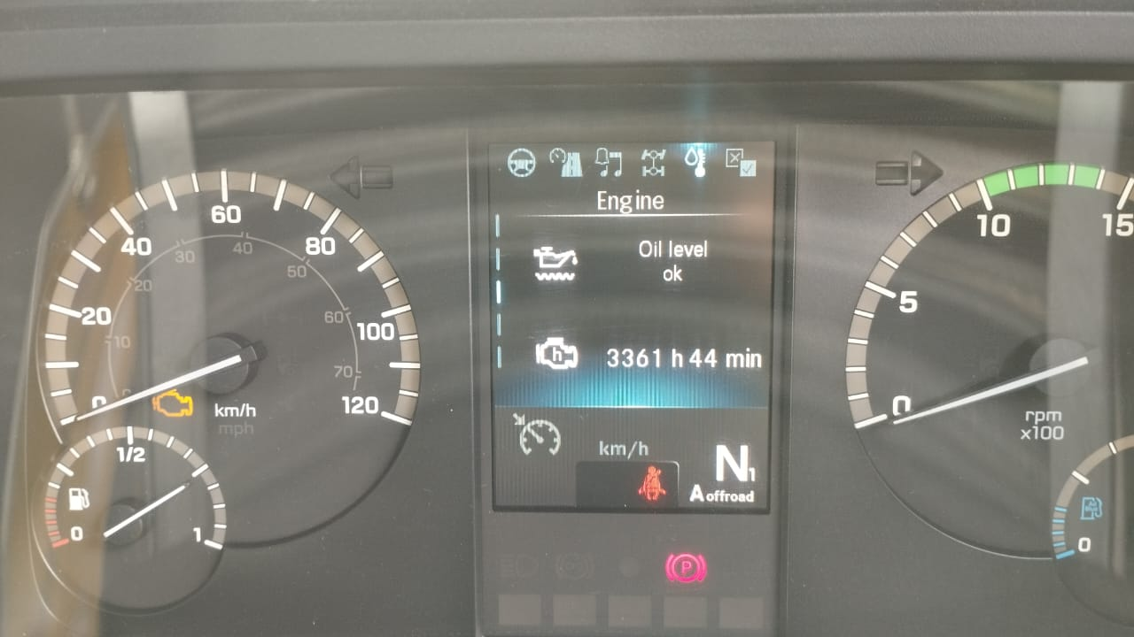
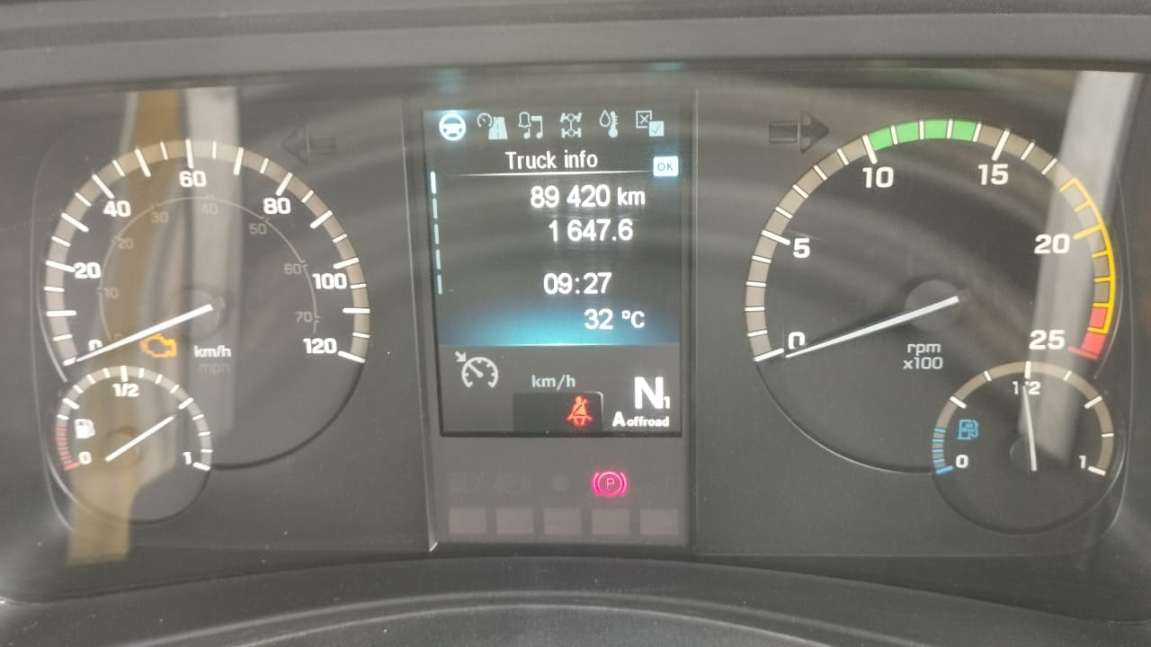
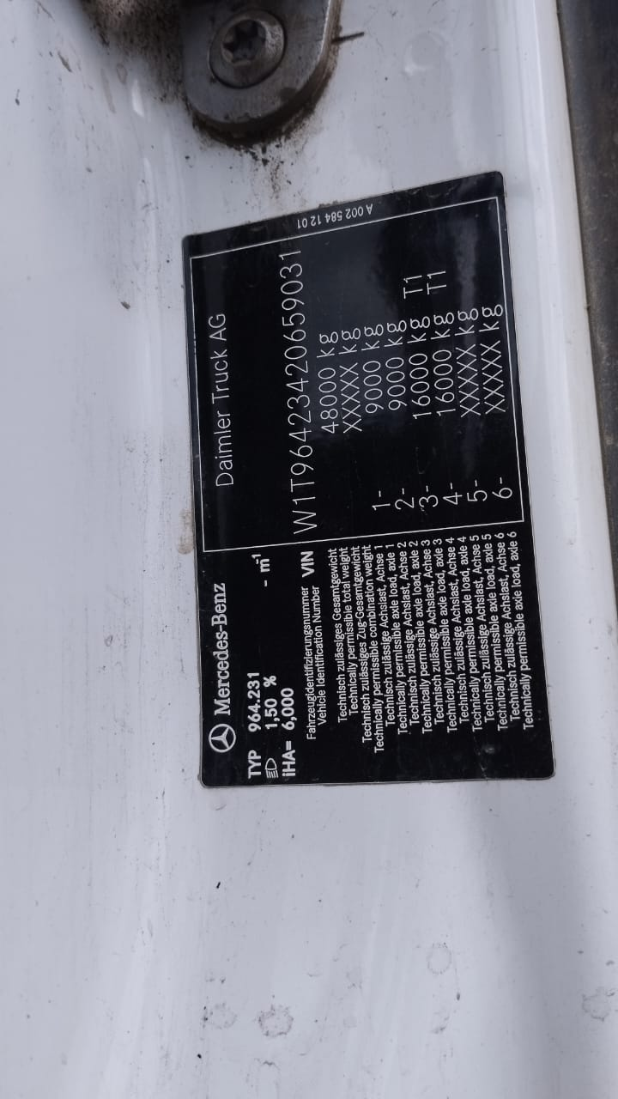
PICTURE CAUSE AND ACTION

ERROR ON MONITOR
CONDITION TOP VIEW UPPER RADIATOR
FOTO UNIT |  |  | FOTO HM |  | FOTO KM |  | FOTO VIN
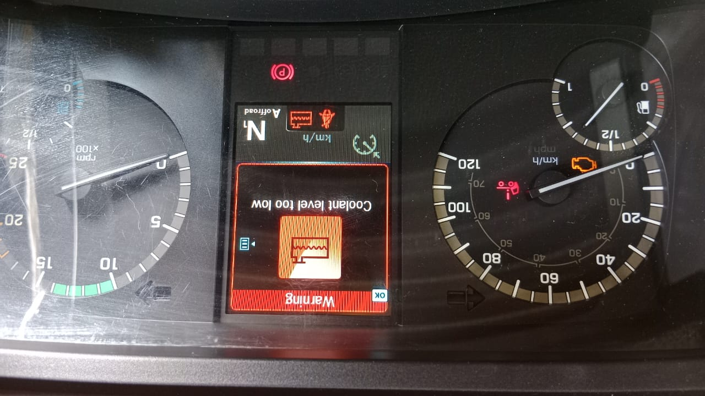 |  |  | 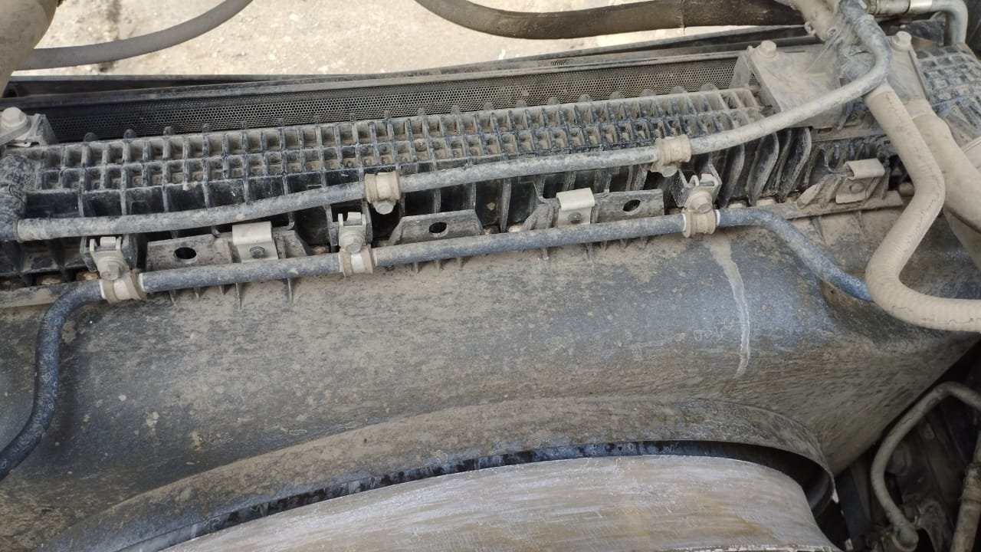 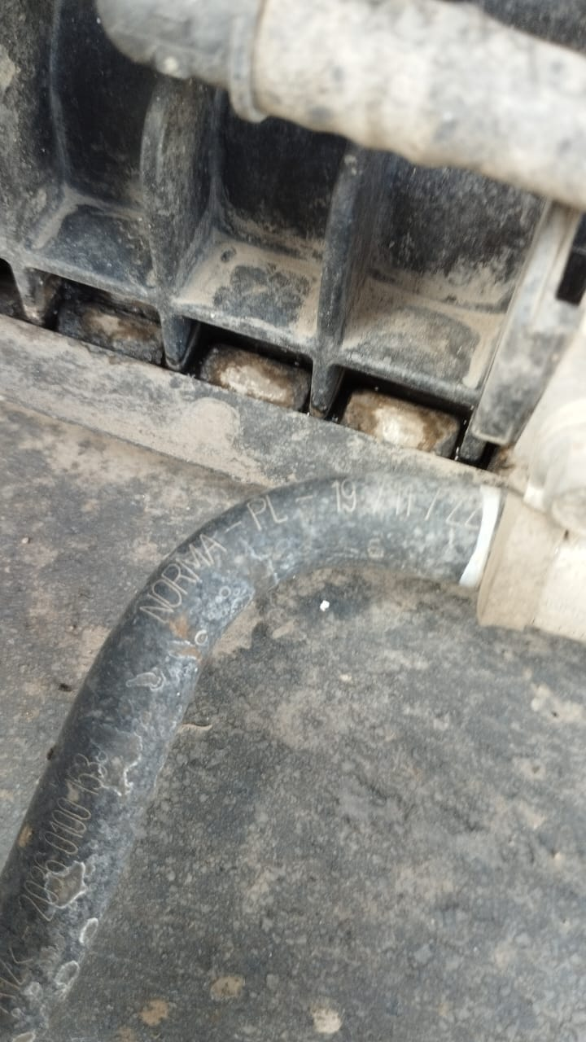 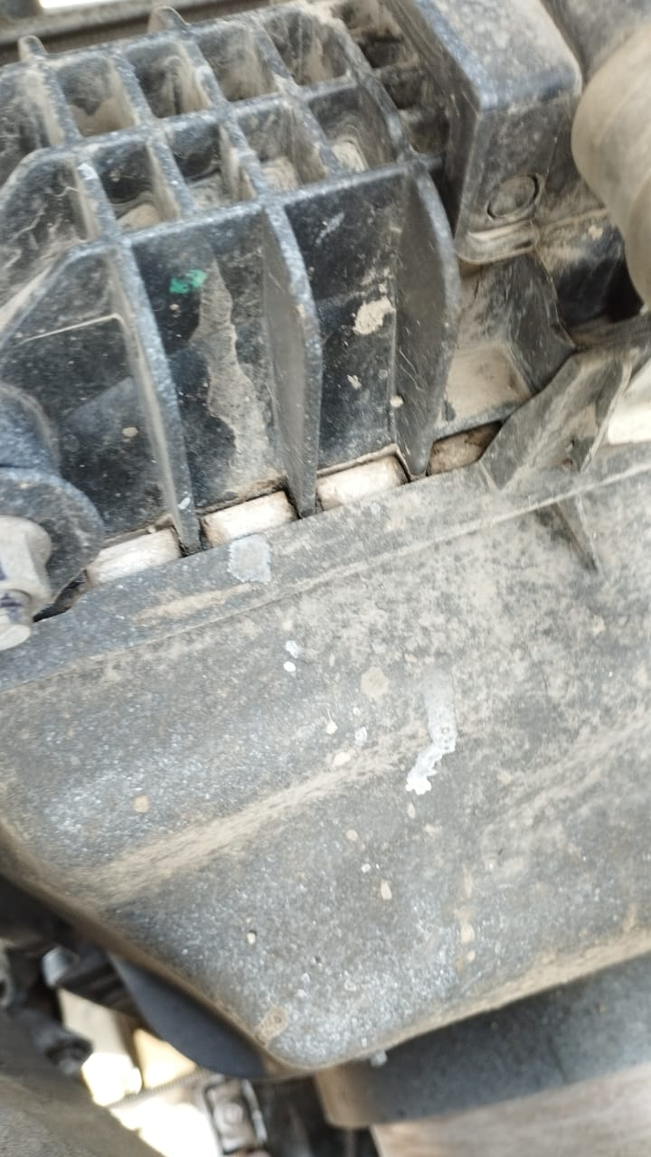 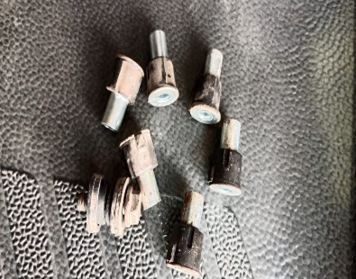 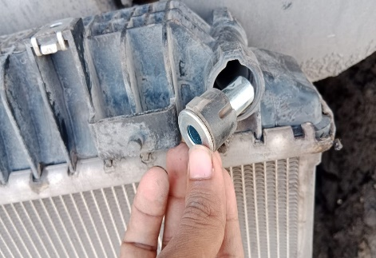 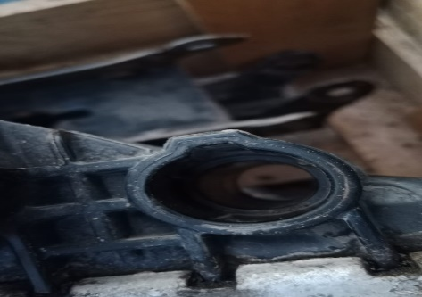 \ |  |  |  |  | 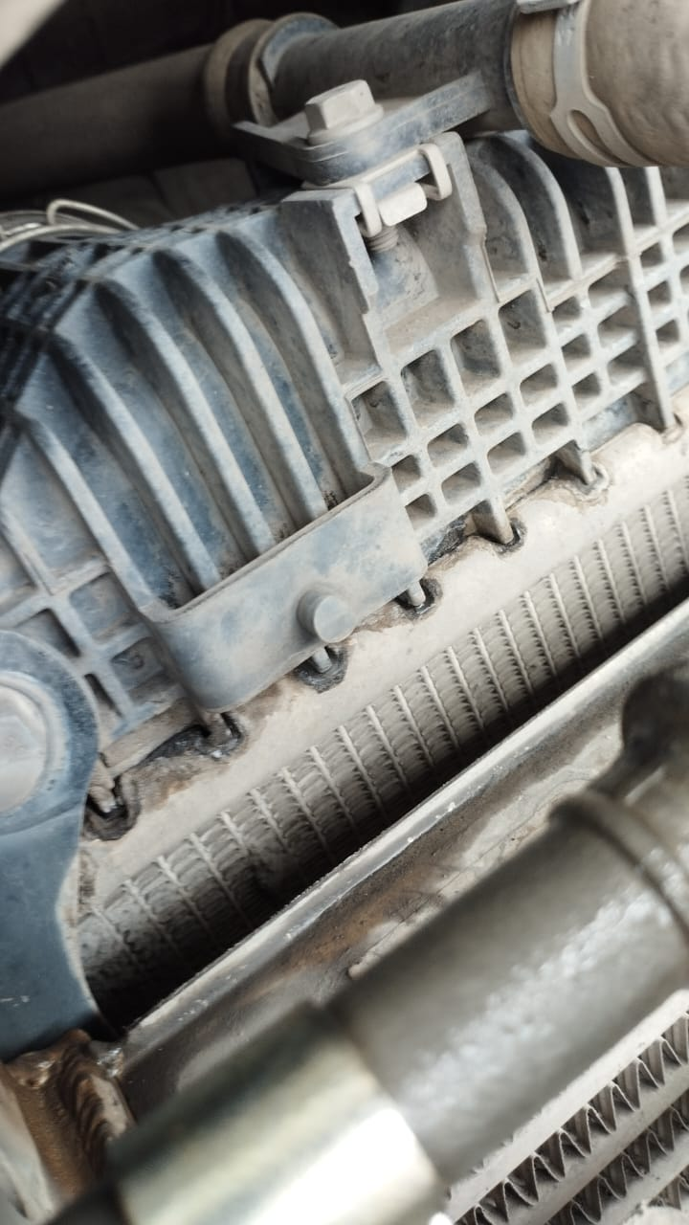 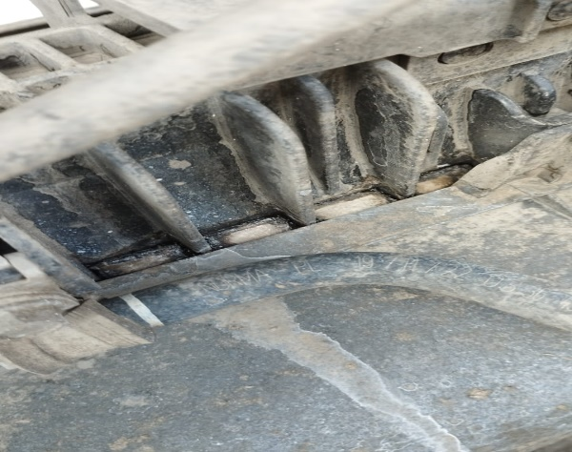
CONDITION UPPER RADIATOR LEAK

CONDITION MOUNTING RADIATOR GOOD CONDITION
CONDITION UPPER RADIATOR LEAK
JOB PROGRESS INVESTIGATION PICTURE

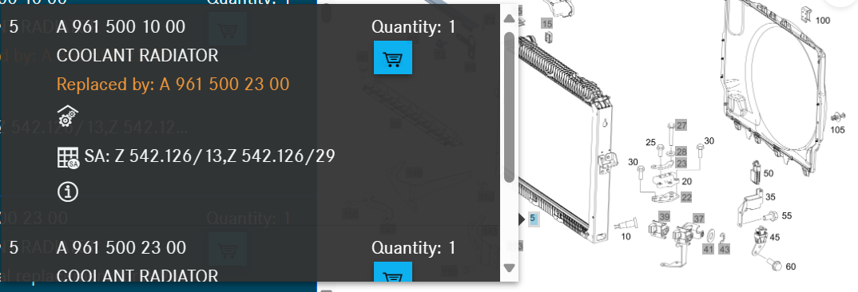

XENTRY PART INFORMATION |  |  |  |  |  |  | Remarks

 |  |  |  |  |  |  | validation

and Mercedes-Benz are registered trademarks of Mercedes-Benz Group AG.
and Mercedes-Benz are registered trademarks of Mercedes-Benz Group AG.
Head Office | Gedung Office 8 Lt.33 (SCBD Lot 28/Senopati Raya 8B), Jl.Jend.Sudirman Kav.52-53, Jakarta Selatan 12190 , Indonesia | T +62 21 57903456 | www.starwagen.co.id
Branch | Jl.Syarifuddin Yoes Blok.Kav.46-47 RT.045, Sepinggan Baru, Balikpapan Selatan, Kalimantan Timur, Indonesia | +62 54 28707888 / +62 54 28705758
 |  |  |  |  |  |  | ANDIKA D | Supervisor / Workshop Managaer

Part Request
MENU

 |  |  |  |  |  |  |  |  | Authorized Dealer of Mercedes-Benz
Part Request Slip |  |  |  |  |  |  |  |  | Truck & Bus in Indonesia
 |  | Passenger car Commercial vehicle
Slip Numbering |  | Customer Information |  |  |  | Vehicle Information |  |  | Order Information
 |  | Nama | PT. PUTRA PERKASA ABADI |  |  | Model : | AROCS 4845K |  | Worksop Order No : | 310000010005
 |  | Site | PT AMC |  |  | Vin : | W1T96423420659031 |  | Order By :
 |  |  |  |  |  | Engine No : | 471922C0801371 |  | Delivery By :
 |  | Car Registration | DA48116 |  |  | Date of 1st registration: | 0 |  | Received By | 45444
 |  |  |  |  |  |  |  |  | Issue On :

No | Part Number | ES1 | ES2 | Bin Location | Quantity Requested | Description |  |  | Unit Price | Total Price
1 | A9615001000 |  |  |  |  | COOLANT RADIATOR
2
3
4
5
6
7
8
9
10
11
12
13
14
 |  |  |  |  |  |  |  | Foreman | Mechanic | Delivered By

 |  |  |  |  |  |  |  |  | ANDIKA D

 | Head Office | Gedung Office 8 Lt.33 (SCBD Lot 28/Senopati Raya 8B), Jl.Jend.Sudirman Kav.52-53, Jakarta Selatan 12190 , Indonesia | T +62 21 57903456 | www.starwagen.co.id
 | Branch | Jl.Syarifuddin Yoes Blok.Kav.46-47 RT.045, Sepinggan Baru, Balikpapan Selatan, Kalimantan Timur, Indonesia | +62 54 28707888 / +62 54 28705758

and Mercedes-Benz are registered trademarks of Mercedes-Benz Group AG

Final Control
MENU

 |  |  | Truck & Bus |  |  |  | PT Star Wagen Indonesia
 |  |  | in Indonesia |  |  |  | Authorized Dealer of Mercedes-Benz Truck & Bus in Indonesia
Final Control Report

 |  | Customer Name : | PT. PUTRA PERKASA ABADI |  | Millage In : |  |  |  | Check And Tested By
 |  | Wo no/ WIP NO : |  |  | Millage Out : |  |  |  | Name : | ANDIKA D
 |  |  |  |  |  |  |  |  | Date : | 2023-09-06

 |  | Function Checks |  |  | Visual Checks |  |  |  | Other Checks
 | √ | All warning indicators |  | √ | Engine |  |  | √ | Wiper blades and spraying nozzle |  | √
 | √ | Steering system |  | √ | Transmission |  |  | √ | Vacuum hoses/lines |  | x
 | √ | Horn |  | √ | Rear axles |  |  | √ | Write your own checking list related reparation you did
 | √ | Lights interior / exterior |  | √ | Steering system |  |  | √ | …………………………………………………………………..
 | √ | Other electrical equipment |  | √ | Fuel system |  |  | √ | …………………………………………………………………..
 | √ | Central locking / closing assist system |  | √ | Cooling system |  |  | √ | …………………………………………………………………..
 | √ | Brakes on dynamometer or test drive |  | √ | Brake hoses / lines / linkage |  |  | √ | …………………………………………………………………..
 | √ | Air conditioner |  | √ | Condition of tires/spare tires (if any) |  |  | √ | …………………………………………………………………..
 |  |  |  | √ | Cleanliness inside and outside |  |  |  | …………………………………………………………………..
 |  | Fluid Levels |  |  | Final Checks |  |  |  | Document Check
 | √ | Engine |  | √ | Check work performed |  |  | √ | Test document / Short test result
 | √ | Transmission |  | √ | Test Drive if needed |  |  | √ | Workshop report (only if required)
 | √ | Radiator / Coolant |  |  |  |  |  | √ | Internal part requisition slip
 | √ | Power steering |  |  |  |  |  | √ | Battery test result, only if tested
 | √ | Battery |  |  |  |  |  | √
 | √ | Brake system |  |  |  |  |  | √
 | √ | Windshield washer |  |  |  |  |  | √
 |  |  |  |  |  |  |  | √
 | After completion of all the work required by you, we performed a final quality check on your vehicle with the following results:
 | Ok |  | No |  |  |  |  | Acknowledged by
 | During checking & reparation process, some critical findings has to be followed up;
 | 1.
 | 2.
 | this has been conveyed on………..to……………. but not approved for doing an action. |  |  |  | (Service Advisor) | (Customer) |  | Foreman or Supervisor

 | Head Office | Gedung Office 8 Lt.33 (SCBD Lot 28/Senopati Raya 8B), Jl.Jend.Sudirman Kav.52-53, Jakarta Selatan 12190 , Indonesia | T +62 21 57903456 | www.starwagen.co.id
 | Branch | Jl.Syarifuddin Yoes Blok.Kav.46-47 RT.045, Sepinggan Baru, Balikpapan Selatan, Kalimantan Timur, Indonesia | +62 54 28707888 / +62 54 28705758
and Mercedes-Benz are registered trademarks of Mercedes-Benz Group AG
.

