Worksop Report
 | Menu
 |  |  | Workshop Report For Diagnostic Guide

 |  |  |  |  |  |  | PT.STAR WAGEN INDONESIA
 |  |  |  |  | WO | 310000010616
Date: |  | Jumat,05 Juli 2024 |  |  |  |  |  | Job Site: AMM-MIFA
WIP No: |  |  |  |  | Customer Name: | PT.Antareja Mahada Makmur
Chasis No: |  | W1T96441320722387 |  |  | Reg No : |  | Reg date | Jumat,05 Juli 2024
Engine No: |  | 473907C0882499 |  |  | Type : | Mercedes Benz Actros 4058S | Mileage / Hours Meter | 20710 KM / 990 HM
Unit Code |  | PM 55801

COMPLAINT ANALYSIS
Customer complaint/Customer information
Air Pressure Low - Brake supply pressure 1&2, Transmision/clutch reservoir too low
√
Vehicle information
 | Aplicaton : Air Pressure Low | Long distance |  | Dump truck | Coal operation | Regular service base
 |  | Short distance |  | support truck | OB operation
System Information :
Air System

 | Test Level Description |  |  |  |  | Actual Value | Remark | Attachment Number
 | Check Faulty EAPU |  |  |  |  | Not Faulty | OK
 | Check Pressure Circuit 1 (2 BAR) |  |  |  |  | Low Pressure | Not OK
 | Check Pressure Circuit 2 (2 BAR) |  |  |  |  | Low Pressure | Not OK
 | Check Line EAPU |  |  |  |  | Not Leaks | Not OK
 | Check Leaks Internal EAPU |  |  |  |  | Leaks | Not OK
 | Check Function Parking Brake |  |  |  |  | Parking Brake Faulty | Not OK

CAUSE LEVEL
Cause level/Workshop findings: |  |  |  |  | RESULT
 |  |  |  |  | Saat dilakukan pengecekan error pada on board ditemukan EAPU Fault Code dan low pressure pada berbagai air sistem (Brake supply pressure 1&2, Transmision.clutch reservoir too low. Kemudian dilakukan pengecekan pada xentry ditemukan bahhwa EAPU pada kondisu Fault. Kami lakukan penggantian EAPU lalu air supply pada unit tsb normal. Kami lakukan ground test kemudian ada parkingbrake faulty kemudian diganti maka unit normal. Kesimpulan : 1. Problem Air Supply Low dikarenakan kerusakanan pada Elektronik Air Prosesing Unit EAPU Internal Part Mallfunction 2.Problem Parking Brake Faulty karena : Control Lever Parking Brake. terbukti dengan kami lakukan penggantian part unit menjadi normal operasi.
 |  | Ada | Tidak ada | Attachment Nr
Photo (# lembar) |  | √
Area kerusakan (gbr EPC) |  | √
Video (nama file) |  | √
Old Spare part No.
Notes:
 |  |  |  |  |  |  |  |  |  | x

RECTIFICATION AND VERIFICATION LEVEL
Rectification:
1 | A0024463464 ITC A0024466164 | ELECTRONIC AIR PROCESSING UNIT
2 | A0005453644 | CONTROL LEVER 1

Verification:

 |  |  | Workshop report digunakan untuk mencatat hasil analisa mekanik dengan menyertakan langkah-langkah diagnosis dan temuannya selama diagnosa

1
2
3
PICTURE CAUSE AND ACTION
 |  |  |  |  | 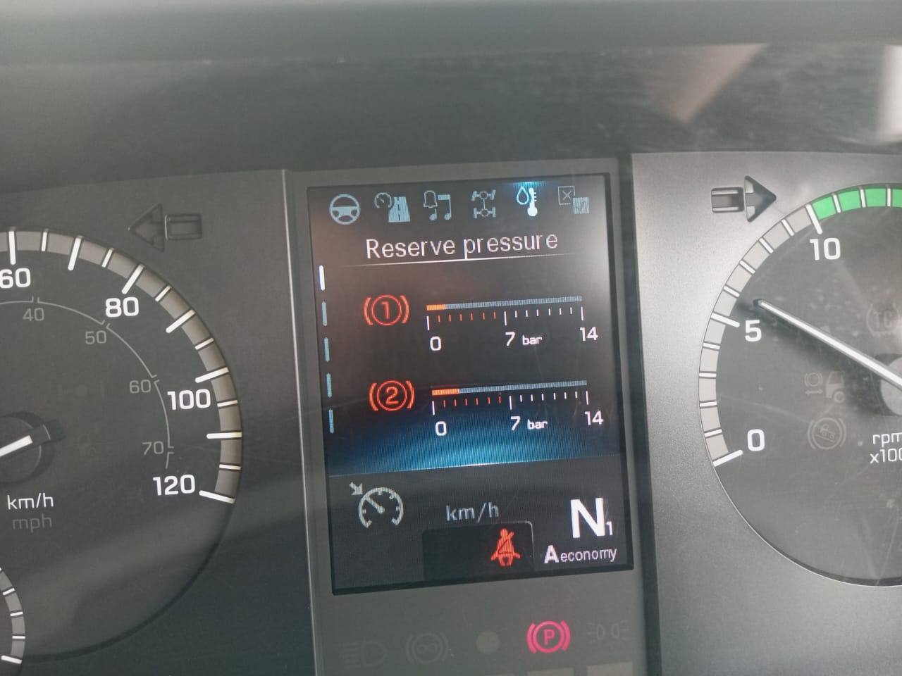 |  | 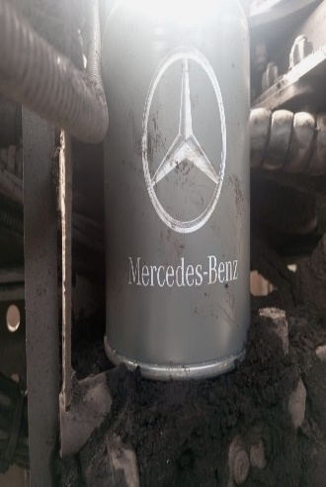 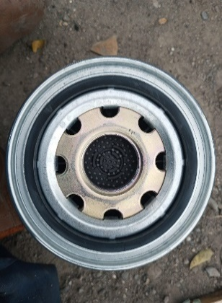 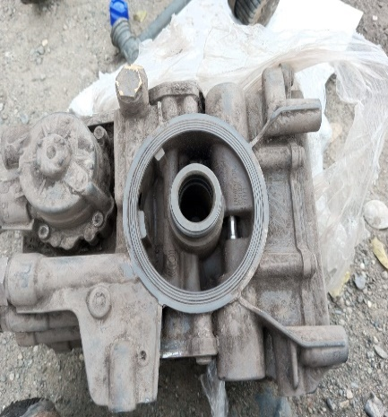

Event Pressure Drop Circuit 1

Event Di Instrument
Event Pressure Circuit 2

EAPU NOT FAULT
Pressure Circuit 1 Dan 2 Drop Posisi Running ( Idle Dan High RPM )
Pengecekkan Di Bagian Filter Dan EAPU Saat Terpasang Dan Terlepas Dari Unit

FOTO UNIT |  |  | FOTO HM |  | FOTO KM |  | FOTO VIN
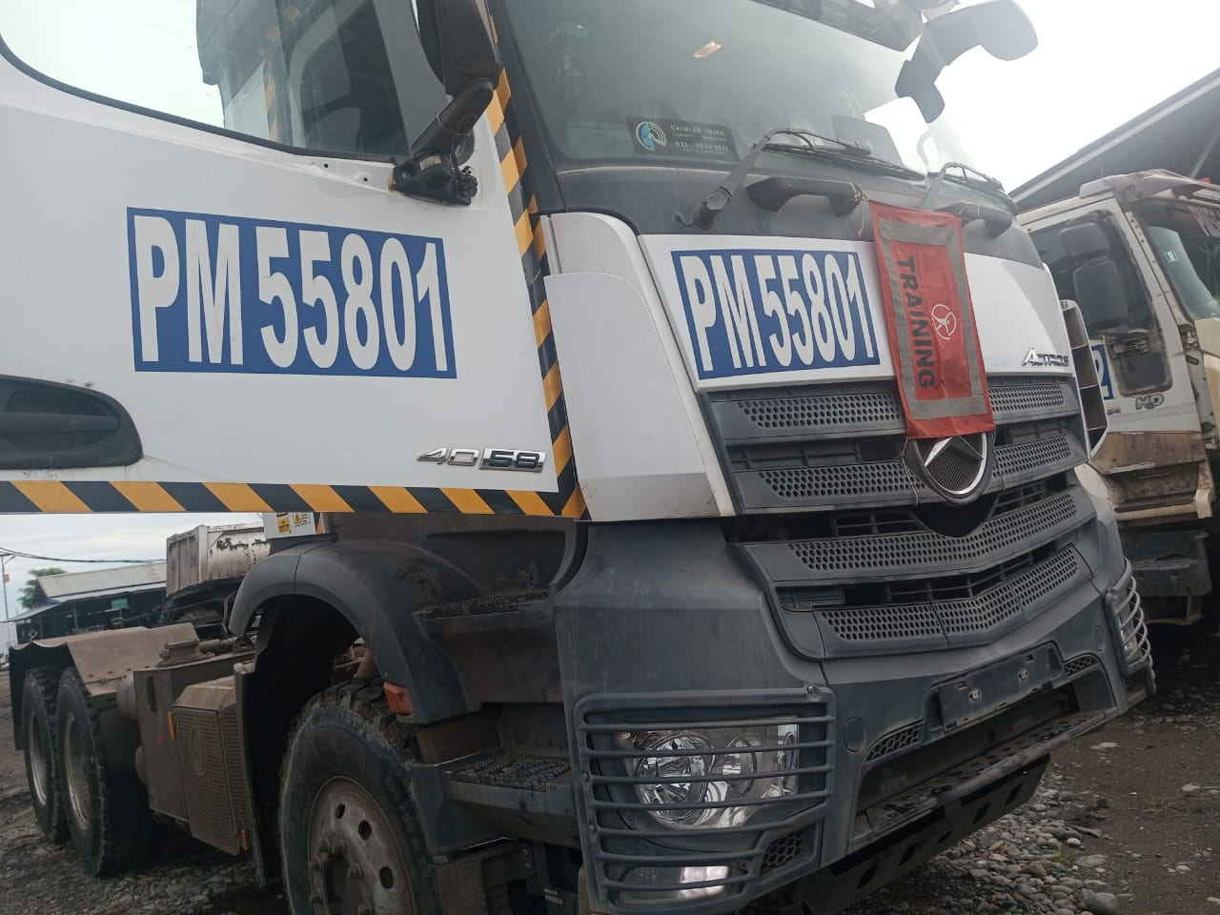
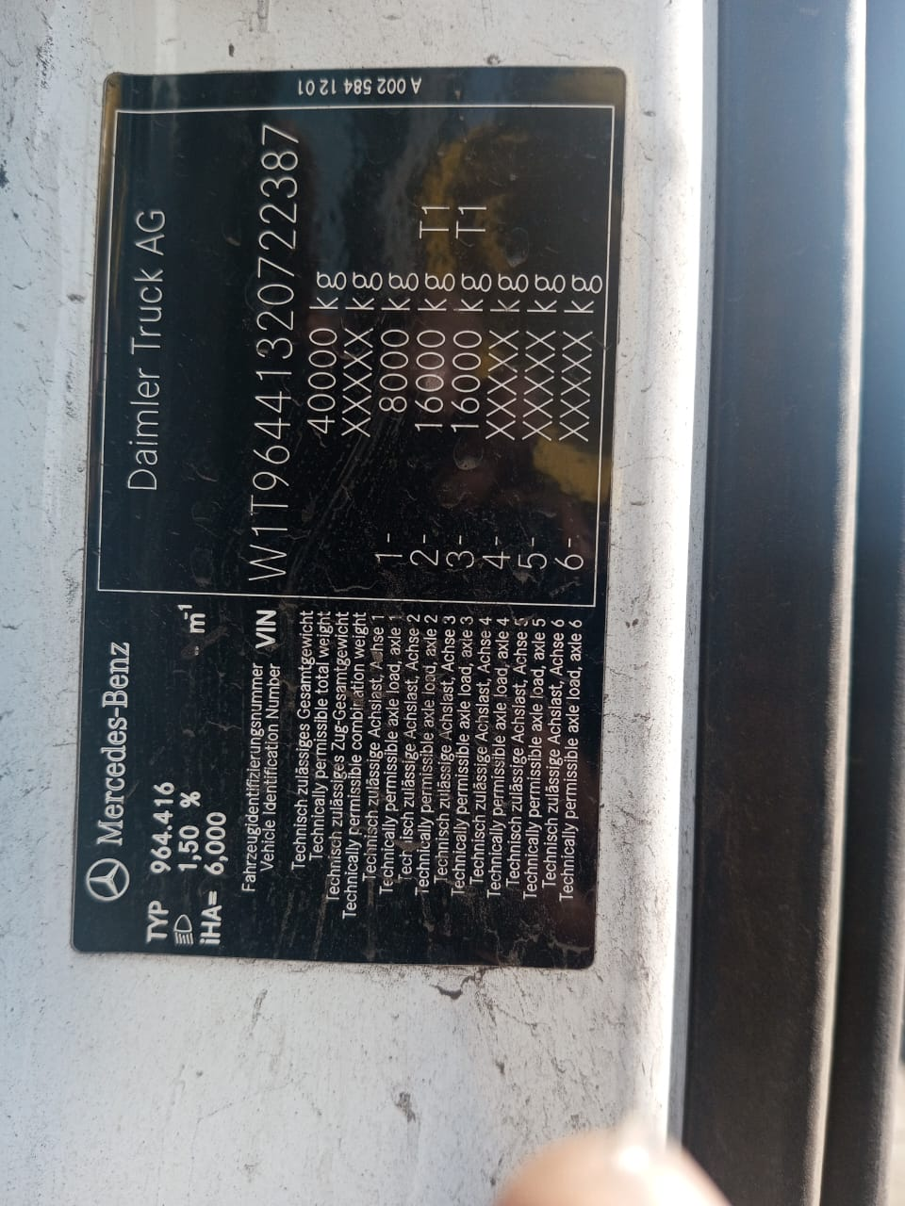
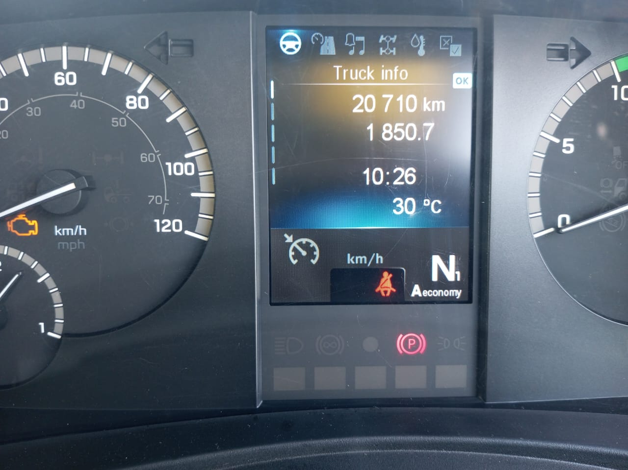

Unit PM55801 Malam Pukul 22:30 Di Lakukan Service 1000, Dan Sudah Di Lakukan Pnggantian Filter, Saat Operator Ingin Beroperasi Pressure Angin Tiba Tiba Drop Dan Tidak Bisa Naik,Setelah Di Lakukan Pengecekkan Terjadi Kebocoran Di Area EAPU Bagian Bawah(breather)
Terlampr Video
Trouble 1
Trouble 2
PICTURE CAUSE AND ACTION
 |  |  | 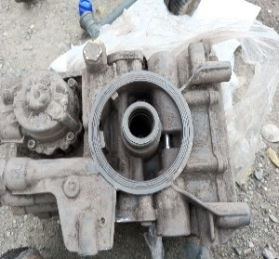

Saat Terkoneksi ( Socket Terpasang) ON,Running Dan Test Drive Sparepart Yang Mengalami Masalah Akan Muncul Warning Parking Brake

Setelah Di Lakukan Inspeksi Secara Visual,Tidak Ada Kotoran Atau Material Asing Yang Besar Dan Kondisi Kering Di Bagian Atas EAPU Dan Kondisi Filter Baru Di Lakukan Penggantian ,Terlampir Actual Gambar
NOT OK
Kondisi Sudah Normal Setelah Dilakukan Penggantian Sparepart EAPU Dan Lever Parking Brake
OK

CUSTOMER COMPLAINT PICTURE |  |  | JOB PROGRESS INVESTIGATION PICTURE |  |  |  |  | PROSES INSTALL OR PICTURE JOB FINISH

PICTURE CAUSE AND ACTION
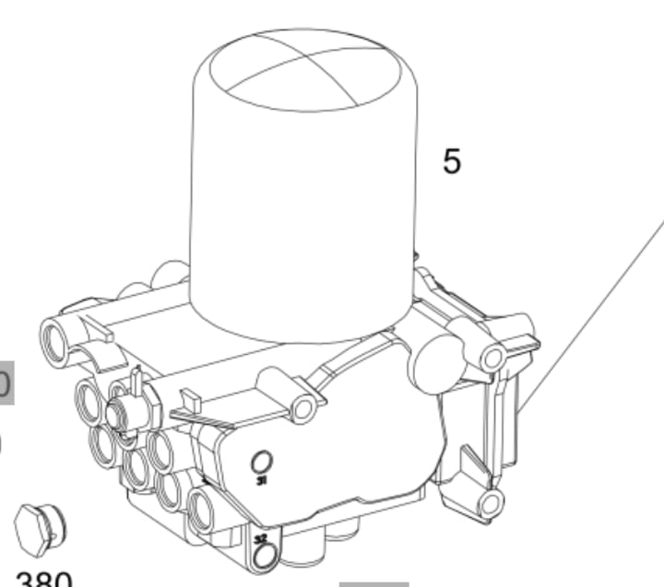 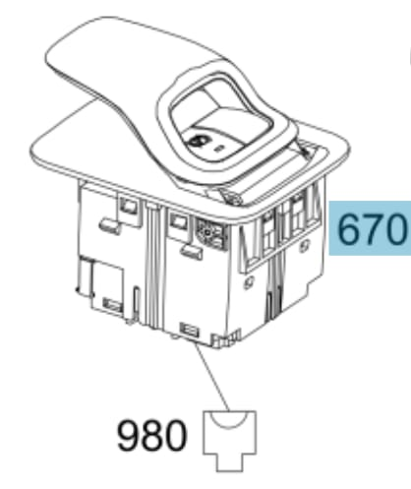

Part Book |  |  | picture part no aktual |  | picture part no part new |  | Remarks

 |  |  |  |  |  |  | validation

and Mercedes-Benz are registered trademarks of Mercedes-Benz Group AG.
Head Office | Gedung Office 8 Lt.33 (SCBD Lot 28/Senopati Raya 8B), Jl.Jend.Sudirman Kav.52-53, Jakarta Selatan 12190 , Indonesia | T +62 21 57903456 | www.starwagen.co.id
Branch | Jl.Syarifuddin Yoes Blok.Kav.46-47 RT.045, Sepinggan Baru, Balikpapan Selatan, Kalimantan Timur, Indonesia | +62 54 28707888 / +62 54 28705758
 |  |  |  |  |  |  | 0 | 0 | 0 | 0 | 0 | 0 | 0 | 0 | 0 | 0
 |  |  |  |  |  |  | 0 | 0 | 0 | 0 | 0 | 0 | 0 | 0 | 0 | 0
 |  |  |  |  |  |  | 0 | 0 | 0 | 0 | 0 | 0 | 0 | 0 | 0 | 0
 |  |  |  |  |  |  | 0 | 0 | 0 | 0 | 0 | 0 | 0 | 0 | 0 | 0
 |  |  |  |  |  |  | 0 | 0 | 0 | 0 | 0 | 0 | 0 | 0 | 0 | 0
 |  |  |  |  |  |  | 0 | 0 | 0 | 0 | 0 | 0 | 0 | 0 | 0 | 0
 |  |  |  |  |  |  | 0 | 0 | 0 | 0 | 0 | 0 | 0 | 0 | 0 | 0
 |  |  |  |  |  |  | 0 | 0 | 0 | 0 | 0 | 0 | 0 | 0 | 0 | 0
 |  |  |  |  |  |  | 0 | 0 | 0 | 0 | 0 | 0 | 0 | 0 | 0 | 0
 |  |  |  |  |  |  | 0 | 0 | 0 | 0 | 0 | 0 | 0 | 0 | 0 | 0
 |  |  |  |  |  |  | 0 | 0 | 0 | 0 | 0 | 0 | 0 | 0 | 0 | 0
 |  |  |  |  |  |  | 0 | 0 | 0 | 0 | 0 | 0 | 0 | 0 | 0 | 0
 |  |  |  |  |  |  | 0 | 0 | 0 | 0 | 0 | 0 | 0 | 0 | 0 | 0
 |  |  |  |  |  |  | 0 | 0 | 0 | 0 | 0 | 0 | 0 | 0 | 0 | 0
 |  |  |  |  |  |  | 0 | 0 | 0 | 0 | 0 | 0 | 0 | 0 | 0 | 0
 |  |  |  |  |  |  | FOTO UNIT | 0 | 0 | FOTO HM | 0 | 0 | FOTO KM | 0 | FOTO VIN | 0
 |  |  |  |  |  |  | 0 | 0 | 0 | 0 | 0 | 0 | 0 | 0 | 0 | 0
 |  |  |  |  |  |  | 0 | 0 | 0 | 0 | 0 | 0 | 0 | 0 | 0 | 0
 |  |  |  |  |  |  | 0 | 0 | 0 | 0 | 0 | 0 | 0 | 0 | 0 | 0
 |  |  |  |  |  |  | 0 | 0 | 0 | 0 | 0 | 0 | 0 | 0 | 0 | 0
 |  |  |  |  |  |  | 0 | 0 | 0 | 0 | 0 | 0 | 0 | 0 | 0 | 0
 |  |  |  |  |  |  | 0 | 0 | 0 | 0 | 0 | 0 | 0 | 0 | 0 | 0
 |  |  |  |  |  |  | 0 | 0 | 0 | 0 | 0 | 0 | 0 | 0 | 0 | 0
 |  |  |  |  |  |  | 0 | 0 | 0 | 0 | 0 | 0 | 0 | 0 | 0 | 0
 |  |  |  |  |  |  | 0 | 0 | 0 | 0 | 0 | 0 | 0 | 0 | 0 | 0
 |  |  |  |  |  |  | 0 | 0 | 0 | 0 | 0 | 0 | 0 | 0 | 0 | 0
 |  |  |  |  |  |  | 0 | 0 | 0 | 0 | 0 | 0 | 0 | 0 | 0 | 0
 |  |  |  |  |  |  | 0 | 0 | 0 | 0 | 0 | 0 | 0 | 0 | 0 | 0
 |  |  |  |  |  |  | 0 | 0 | 0 | 0 | 0 | 0 | 0 | 0 | 0 | 0
 |  |  |  |  |  |  | 0 | 0 | 0 | 0 | 0 | 0 | 0 | 0 | 0 | 0
 |  |  |  |  |  |  | 0 | 0 | 0 | 0 | 0 | 0 | 0 | 0 | 0 | 0
 |  |  |  |  |  |  | 0 | 0 | 0 | 0 | 0 | 0 | 0 | 0 | 0 | 0
 |  |  |  |  |  |  | PICTURE CAUSE AND ACTION | 0 | 0 | 0 | 0 | 0 | 0 | 0 | 0 | 0
 |  |  |  |  |  |  | 0 | 0 | 0 | 0 | 0 | 0 | 0 | 0 | 0 | 0
 |  |  |  |  |  |  | 0 | 0 | 0 | 0 | 0 | 0 | 0 | 0 | 0 | 0
 |  |  |  |  |  |  | 0 | 0 | 0 | 0 | 0 | 0 | 0 | 0 | 0 | 0
 |  |  |  |  |  |  | 0 | 0 | 0 | 0 | 0 | 0 | 0 | 0 | 0 | 0
 |  |  |  |  |  |  | 0 | 0 | 0 | 0 | 0 | 0 | 0 | 0 | 0 | 0
 |  |  |  |  |  |  | 0 | 0 | 0 | 0 | 0 | 0 | 0 | 0 | 0 | 0
 |  |  |  |  |  |  | 0 | 0 | 0 | 0 | 0 | 0 | 0 | 0 | 0 | 0
 |  |  |  |  |  |  | 0 | 0 | 0 | 0 | 0 | 0 | 0 | 0 | 0 | 0
 |  |  |  |  |  |  | 0 | 0 | 0 | 0 | 0 | 0 | 0 | 0 | 0 | 0
 |  |  |  |  |  |  | 0 | 0 | 0 | 0 | 0 | 0 | 0 | 0 | 0 | 0
 |  |  |  |  |  |  | 0 | 0 | 0 | 0 | 0 | 0 | 0 | 0 | 0 | 0
 |  |  |  |  |  |  | 0 | 0 | 0 | 0 | 0 | 0 | 0 | 0 | 0 | 0
 |  |  |  |  |  |  | 0 | 0 | 0 | 0 | 0 | 0 | 0 | 0 | 0 | 0
 |  |  |  |  |  |  | 0 | 0 | 0 | 0 | 0 | 0 | 0 | 0 | 0 | 0
 |  |  |  |  |  |  | 0 | 0 | 0 | 0 | 0 | 0 | 0 | 0 | 0 | 0
 |  |  |  |  |  |  | 0 | 0 | 0 | 0 | 0 | 0 | 0 | 0 | 0 | 0
 |  |  |  |  |  |  | 0 | 0 | 0 | 0 | 0 | 0 | 0 | 0 | 0 | 0
 |  |  |  |  |  |  | 0 | 0 | 0 | 0 | 0 | 0 | 0 | 0 | 0 | 0
 |  |  |  |  |  |  | CUSTOMER COMPLAINT PICTURE | 0 | 0 | JOB PROGRESS INVESTIGATION PICTURE | 0 | 0 | 0 | 0 | 0 | PROSES INSTALL OR PICTURE JOB FINISH
 |  |  |  |  |  |  | 0 | 0 | 0 | 0 | 0 | 0 | 0 | 0 | 0 | 0
 |  |  |  |  |  |  | 0 | 0 | 0 | 0 | 0 | 0 | 0 | 0 | 0 | 0
 |  |  |  |  |  |  | PICTURE CAUSE AND ACTION | 0 | 0 | 0 | 0 | 0 | 0 | 0 | 0 | 0
 |  |  |  |  |  |  | 0 | 0 | 0 | 0 | 0 | 0 | 0 | 0 | 0 | 0
 |  |  |  |  |  |  | 0 | 0 | 0 | 0 | 0 | 0 | 0 | 0 | 0 | 0
 |  |  |  |  |  |  | 0 | 0 | 0 | 0 | 0 | 0 | 0 | 0 | 0 | 0
 |  |  |  |  |  |  | 0 | 0 | 0 | 0 | 0 | 0 | 0 | 0 | 0 | 0
 |  |  |  |  |  |  | 0 | 0 | 0 | 0 | 0 | 0 | 0 | 0 | 0 | 0
 |  |  |  |  |  |  | 0 | 0 | 0 | 0 | 0 | 0 | 0 | 0 | 0 | 0
 |  |  |  |  |  |  | 0 | 0 | 0 | 0 | 0 | 0 | 0 | 0 | 0 | 0
 |  |  |  |  |  |  | 0 | 0 | 0 | 0 | 0 | 0 | 0 | 0 | 0 | 0
 |  |  |  |  |  |  | 0 | 0 | 0 | 0 | 0 | 0 | 0 | 0 | 0 | 0
 |  |  |  |  |  |  | 0 | 0 | 0 | 0 | 0 | 0 | 0 | 0 | 0 | 0
 |  |  |  |  |  |  | Part Book | 0 | 0 | picture part no aktual | 0 | 0 | picture part no part new | 0 | Remarks | 0
 |  |  |  |  |  |  | 0 | 0 | 0 | 0 | 0 | 0 | 0 | 0 | 0 | 0
 |  |  |  |  |  |  | 0 | 0 | 0 | 0 | 0 | 0 | 0 | 0 | validation | 0
 |  |  |  |  |  |  | 0 | 0 | 0 | 0 | 0 | 0 | 0 | 0 | 0 | 0
 |  |  |  |  |  |  | 0 | 0 | 0 | 0 | 0 | 0 | 0 |  | 0 | 0
 |  |  |  |  |  |  | Head Office | Gedung Office 8 Lt.33 (SCBD Lot 28/Senopati Raya 8B), Jl.Jend.Sudirman Kav.52-53, Jakarta Selatan 12190 , Indonesia | T +62 21 57903456 | www.starwagen.co.id | 0 | 0 | 0 | 0 | 0 | 0 | 0 | 0 | 0
 |  |  |  |  |  |  | Branch | Jl.Syarifuddin Yoes Blok.Kav.46-47 RT.045, Sepinggan Baru, Balikpapan Selatan, Kalimantan Timur, Indonesia | +62 54 28707888 / +62 54 28705758 | 0 | 0 | 0 | 0 | 0 | 0 | 0 | 0 | 0
 |  |  |  |  |  |  | 0 | 0 | 0 | 0 | 0 | 0 | 0 | 0 | 0 | 0

Part Request
MENU

 |  |  |  |  |  |  |  |  | Authorized Dealer of Mercedes-Benz
Part Request Slip |  |  |  |  |  |  |  |  | Truck & Bus in Indonesia
 |  | Passenger car Commercial vehicle
Slip Numbering |  | Customer Information |  |  |  | Vehicle Information |  |  | Order Information
 |  | Nama | PT.Antareja Mahada Makmur |  |  | Model : | Mercedes Benz Actros 4058S |  | Worksop Order No : | 310000010616
 |  | Site | 0 |  |  | Vin : | W1T96441320722387 |  | Order By :
 |  |  |  |  |  | Engine No : | 473907C0882499 |  | Delivery By :
 |  | Car Registration | PM 55801 |  |  | Date of 1st registration: | Jumat,05 Juli 2024 |  | Received By | Jumat,05 Juli 2024
 |  |  |  |  |  |  |  |  | Issue On :

No | Part Number | ES1 | ES2 | Bin Location | Quantity Requested | Description |  |  | Unit Price | Total Price
1 | A0024463464 ITC A0024466164 |  |  |  | 1 Pcs | AIR PROCESSING UNIT AROCS | AIR PROCESSING UNIT AROCS | AIR PROCESSING UNIT AROCS
 | A0005453644 |  |  |  | 1 Pcs | Control Lever 1 | Control Lever 1 | Control Lever 1 |  |  | ROTATIONAL SPEED SENSOR

 |  |  |  |  |  |  |  | formen | mehanic | delivered by

 | Head Office | Gedung Office 8 Lt.33 (SCBD Lot 28/Senopati Raya 8B), Jl.Jend.Sudirman Kav.52-53, Jakarta Selatan 12190 , Indonesia | T +62 21 57903456 | www.starwagen.co.id
 | Branch | Jl.Syarifuddin Yoes Blok.Kav.46-47 RT.045, Sepinggan Baru, Balikpapan Selatan, Kalimantan Timur, Indonesia | +62 54 28707888 / +62 54 28705758

and Mercedes-Benz are registered trademarks of Mercedes-Benz Group AG

Time Sheet
MENU

 |  |  |  | PT Star Wagen Indonesia
Job Time Card Report |  |  |  | Authorized Dealer of Mercedes-Benz Truck & Bus in Indonesia

Mechanic Name: | Arif Hidayat |  | WIP Number :

CIW/GW | Operational Code | End Start | Time Recording |  | Date |  |  |  | Total Time
 | Description
Customer | Replace Differential Rear | End | 18:00:00 |  |  |  |  |  | 12:00:00 | Customer | 1:00:00
 |  | Start | 6:00:00 |  |  |  |  |  |  | Internal | 2:00:00
 |  | End |  |  |  |  |  |  | 0:00:00 | Warranty | 3:00:00
 |  | Start |  |  |  |  |  |  |  | GoodWill | 4:00:00
 |  | End |  |  |  |  |  |  | 0:00:00 |  | 5:00:00
 |  | Start |  |  |  |  |  |  |  |  | 6:00:00
 |  | End |  |  |  |  |  |  | 0:00:00 |  | 7:00:00
 |  | Start |  |  |  |  |  |  |  |  | 8:00:00
 |  | End |  |  |  |  |  |  | 0:00:00 |  | 9:00:00
 |  | Start |  |  |  |  |  |  |  |  | 10:00:00
 |  | End |  |  |  |  |  |  | 0:00:00 |  | 11:00:00
 |  | Start |  |  |  |  |  |  |  |  | 12:00:00
 |  | End |  |  |  |  |  |  | 0:00:00 |  | 13:00:00
 |  | Start |  |  |  |  |  |  |  |  | 14:00:00
 |  | End |  |  |  |  |  |  | 0:00:00 |  | 15:00:00
 |  | Start |  |  |  |  |  |  |  |  | 16:00:00
 |  | End |  |  |  |  |  |  | 0:00:00 |  | 13:00:00
...
 |  | Start
 |  | End
 |  | Start
...
CIW/GW | Operational Code | End Start | Time Recording |  | Date
Hours |  | C | I | W/G | W1 | W2 | W3 | W4
Total
...
CIW/GW | Operational Code | End Start | Time Recording |  | Date
Head Office | Gedung Office 8 Lt.33 (SCBD Lot 28/Senopati Raya 8B), Jl.Jend.Sudirman Kav.52-53, Jakarta Selatan 12190 , Indonesia | T +62 21 57903456 | www.starwagen.co.id
Branch | Jl.Syarifuddin Yoes Blok.Kav.46-47 RT.045, Sepinggan Baru, Balikpapan Selatan, Kalimantan Timur, Indonesia | +62 54 28707888 / +62 54 28705758
...
and Mercedes-Benz are registered trademarks of Mercedes-Benz Group AG
...

Final Control
...
 | Function Checks |  | Visual Checks |  |  | Other Checks
 |  |  |  |  | √
After completion of all the work required by you, we performed a final quality check on your vehicle with the following results:
Ok |  | No |  |  | Acknowledged by
During checking & reparation process, some critical findings has to be followed up;
1.
2.
this has been conveyed on………..to……………. but not approved for doing an action. |  |  | (Service Advisor) | (Customer) | Foreman or Supervisor

Head Office | Gedung Office 8 Lt.33 (SCBD Lot 28/Senopati Raya 8B), Jl.Jend.Sudirman Kav.52-53, Jakarta Selatan 12190 , Indonesia | T +62 21 57903456 | www.starwagen.co.id
Branch | Jl.Syarifuddin Yoes Blok.Kav.46-47 RT.045, Sepinggan Baru, Balikpapan Selatan, Kalimantan Timur, Indonesia | +62 54 28707888 / +62 54 28705758
and Mercedes-Benz are registered trademarks of Mercedes-Benz Group AG
.

