Time Sheet
MENU

 |  |  |  | PT Star Wagen Indonesia
Job Time Card Report |  |  |  | Authorized Dealer of Mercedes-Benz Truck & Bus in Indonesia

Mechanic Name: | DIDIK |  | WIP Number :

CIW/GW | Operational Code | End Start | Time Recording |  | Date |  |  |  | Total Time
 | Description
Warranty |  | End |  |  |  |  |  |  | 0:00:00 |  | Customer | 1:00:00
 |  | Start |  |  |  |  |  |  |  |  | Internal | 2:00:00
 |  | End |  |  |  |  |  |  | 0:00:00 |  | Warranty | 3:00:00
 |  | Start |  |  |  |  |  |  |  |  | GoodWill | 4:00:00
 |  | End |  |  | 2023-01-16 |  |  |  | 0:00:00 |  |  | 5:00:00
 |  | Start |  |  |  |  |  |  |  |  |  | 6:00:00
 |  | End |  |  |  |  |  |  | 0:00:00 |  |  | 7:00:00
 |  | Start |  |  |  |  |  |  |  |  |  | 8:00:00
 |  | End |  |  |  |  |  |  | 0:00:00 |  |  | 9:00:00
 |  | Start |  |  |  |  |  |  |  |  |  | 10:00:00
 |  | End |  |  |  |  |  |  | 0:00:00 |  |  | 11:00:00
 |  | Start |  |  |  |  |  |  |  |  |  | 12:00:00
 |  | End |  |  |  |  |  |  | 0:00:00 |  |  | 13:00:00
 |  | Start |  |  |  |  |  |  |  |  |  | 14:00:00
 |  | End |  |  |  |  |  |  | 0:00:00 |  |  | 15:00:00
 |  | Start |  |  |  |  |  |  |  |  |  | 16:00:00
 |  | End |  |  |  |  |  |  | 0:00:00 |  |  | 13:00:00
 |  | Start |  |  |  |  |  |  |  |  |  | 14:00:00
 |  | End |  |  |  |  |  |  | 0:00:00 |  |  | 15:00:00
 |  | Start |  |  |  |  |  |  |  |  |  | 16:00:00
 |  | End |  |  |  |  |  |  | 0:00:00 |  |  | 13:00:00
 |  | Start |  |  |  |  |  |  |  |  |  | 14:00:00
 |  | End |  |  |  |  |  |  | 0:00:00 |  |  | 15:00:00
 |  | Start |  |  |  |  |  |  |  |  |  | 16:00:00
 |  |  |  |  |  |  |  |  |  |  |  | 17:00:00
Hours |  | C | I | W/G | W1 | W2 | W3 | W4 | W5 | W6 |  | 18:00:00
Total |  |  |  | 0:00:00 |  |  |  |  |  |  |  | 19:00:00
 |  |  |  |  |  |  |  |  |  |  |  | 20:00:00
Head Office | Gedung Office 8 Lt.33 (SCBD Lot 28/Senopati Raya 8B), Jl.Jend.Sudirman Kav.52-53, Jakarta Selatan 12190 , Indonesia | T +62 21 57903456 | www.starwagen.co.id |  |  |  |  |  |  |  |  |  |  |  | 21:00:00
Branch | Jl.Syarifuddin Yoes Blok.Kav.46-47 RT.045, Sepinggan Baru, Balikpapan Selatan, Kalimantan Timur, Indonesia | +62 54 28707888 / +62 54 28705758 |  |  |  |  |  |  |  |  |  |  |  | 22:00:00
 |  |  |  |  |  |  |  |  |  |  |  | 23:00:00
and Mercedes-Benz are registered trademarks of Mercedes-Benz Group AG
 |  |  |  |  |  |  |  |  |  |  |  | 1900-01-01 00:00:00

Worksop Report
 | Menu
 |  |  | Workshop Report For Diagnostic Guide

 |  |  |  |  |  |  | PT.STAR WAGEN INDONESIA
 |  |  |  |  | WO
Date: |  | 4-Jul-24 |  |  |  |  |  | Job Site:
WIP No: |  |  |  |  | Customer Name: | PT. PUTRA PERKASA ABADI |  | PT AMC
Chasis No: |  | MEC2437BAPP132188 |  |  | Reg No : |  | Reg date
Engine No: |  | 400953D0138598 |  |  | Type : | AXOR 2528 CH (6X4) M/T Euro 4 | Mileage / Hours Meter | 16055KM / 1573H
Unit Code |  | DA25158

COMPLAINT ANALYSIS
Customer complaint/Customer information
 | POWER WINDOW RH JAMED
Vehicle information
 | Aplicaton : | ü Long distance |  | ü Dump truck | Ore operation | Regular service base
 |  | Short distance |  | support truck | ü OB operation
Customer Information :
 | POWER WINDOW RH NOT FUNCTION

TEST LEVEL

 | Test Level Description |  |  |  |  | Actual Value | Remark | Attachment Number
 | Test power window Right |  |  |  |  | JAMED | NOT OK
 | Test power window Left |  |  |  |  | GOOD | OK
 | Check motor power window |  |  |  |  | JAMED | NOT OK | 1
 | Check burst motor power window |  |  |  |  | AUS | NOT OK | 2

CAUSE LEVEL
Cause level/Workshop findings: |  |  |  |  | RESULT :
 |  |  |  |  | PADA TANGGAL 27 JUNI 2024 OPERATOR DA25158 MELAPORKAN BAHWA KACA SEBELAH KANAN TIDAK BISA DIGUNAKAN (JAMED) SETELAH ITU DILAKUKAN PENGECEKAN DAN TERDAPAT BAGIAN PADA BURST MOTOR AUS, UNTUK SAAT INI UNIT MASIH BEROPERASI NORMAL KARENA SUDAH DIGANTI DENGAN STOCK CUSTOMER
 |  | Ada | Tidak ada | Attachment Nr
Photo (# lembar) |  | √ |  | √
Area kerusakan (gbr EPC) |  | √ |  | √
Video (nama file) |  | x |  | √
Old Spare part No.
Notes: |  |  |  |  |  |  |  |  | √
 |  |  |  |  |  |  |  |  | x

RECTIFICATION AND VERIFICATION LEVEL
Rectification:

 | PART NUMBER | DESCRIPTION | QTY
 | A4007202646 | ZB WINDOW LIFT / RH ELECTRIC | 1

Verification:

 |  |  | Workshop report digunakan untuk mencatat hasil analisa mekanik dengan menyertakan langkah-langkah diagnosis dan temuannya selama diagnosa

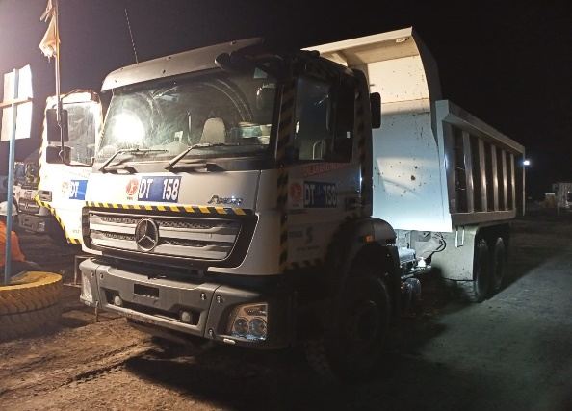
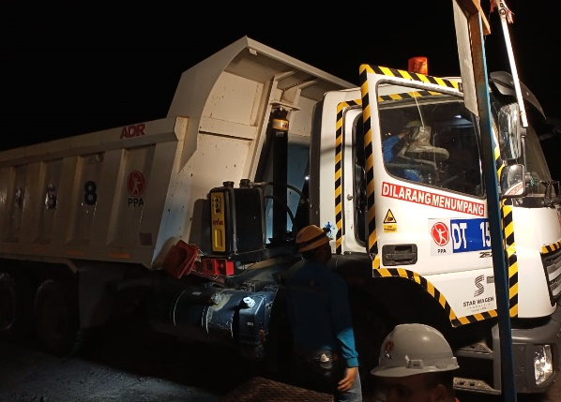
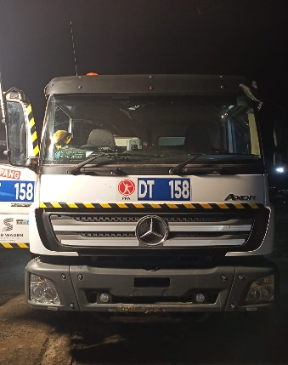
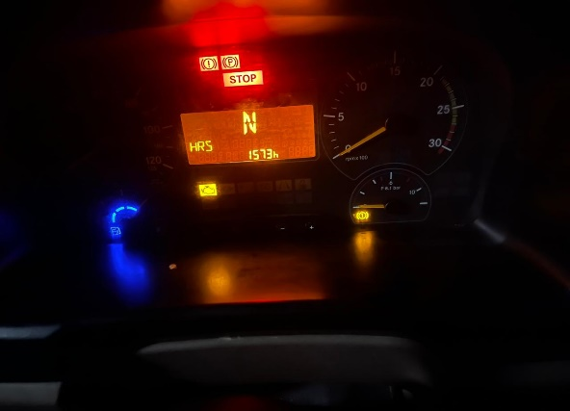
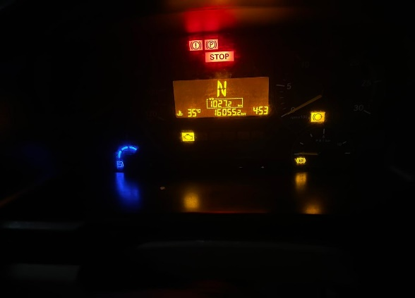
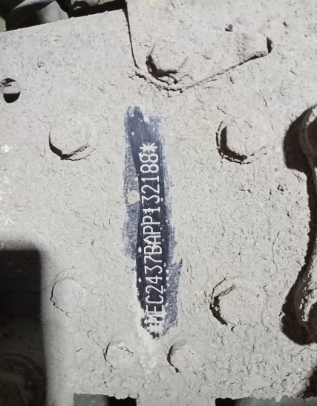
PICTURE CAUSE AND ACTION

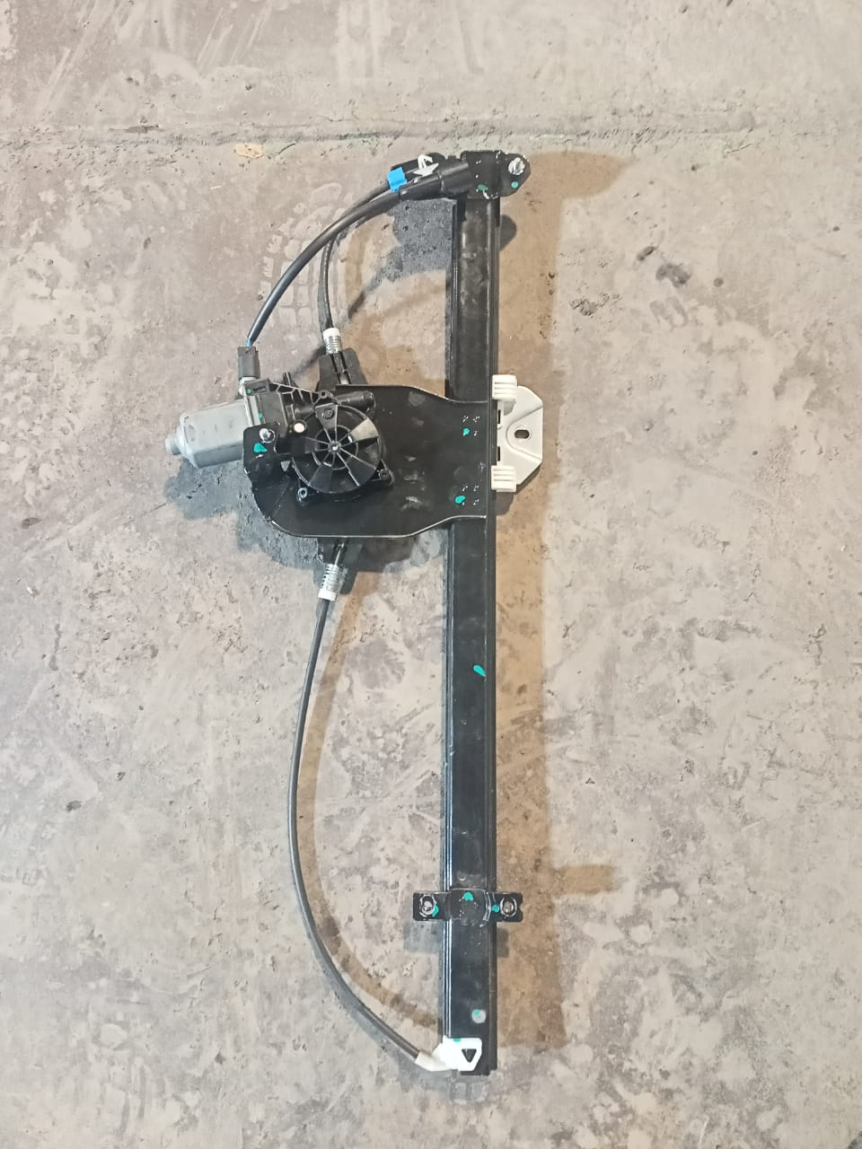
POWER WINDOW JAMED
MOTOR POWER WINDOW DAMAGE
1
BURST MOTOR WINDOW AUS
2
FOTO UNIT |  |  |  |  | FOTO HM KM |  | FOTO VIN
 |  |  | 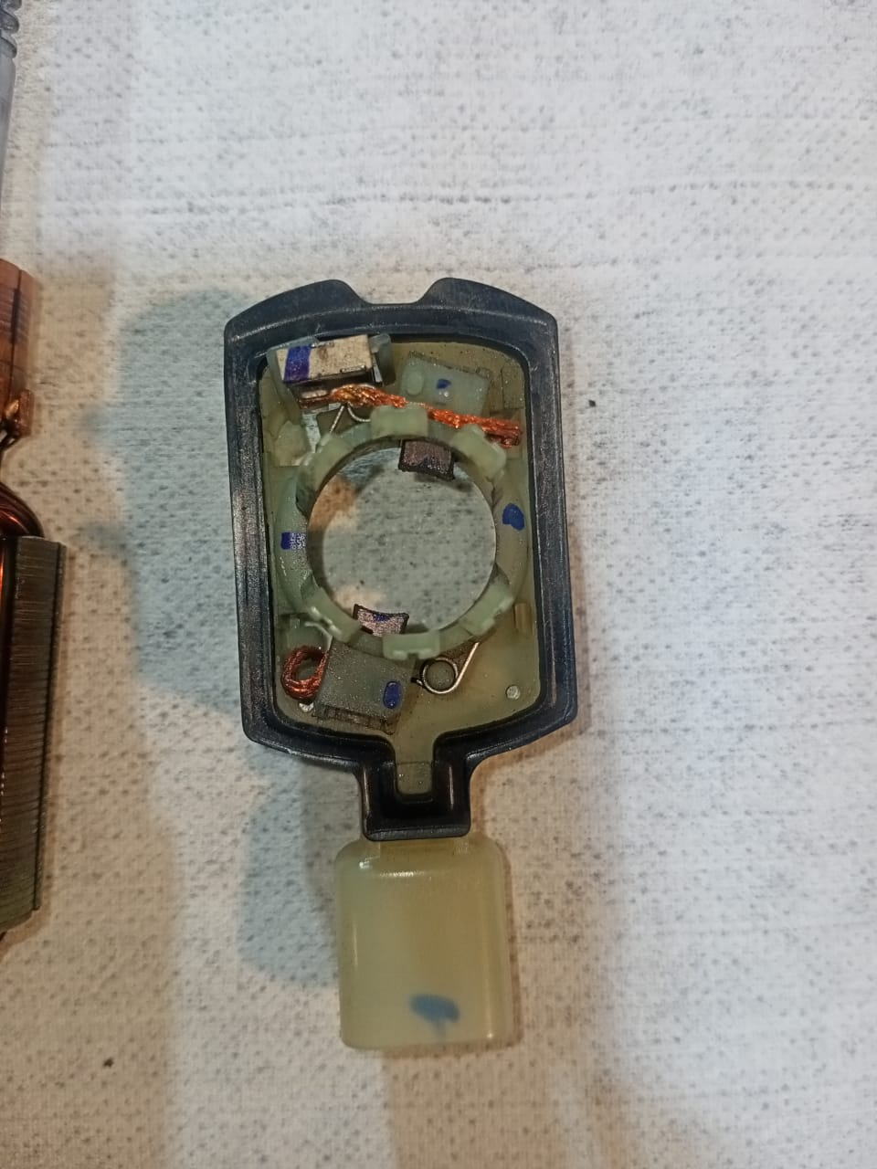 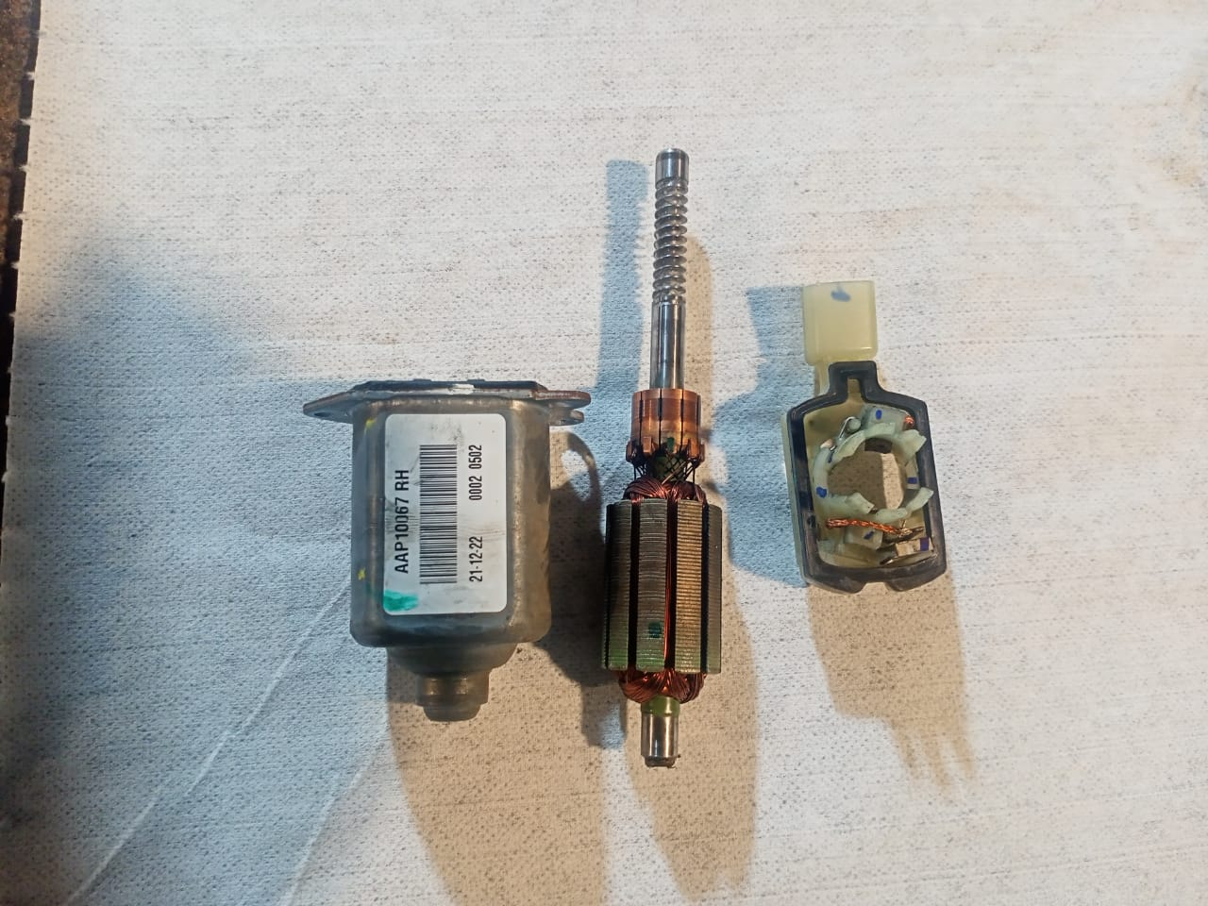 \

JOB PROGRESS INVESTIGATION PICTURE
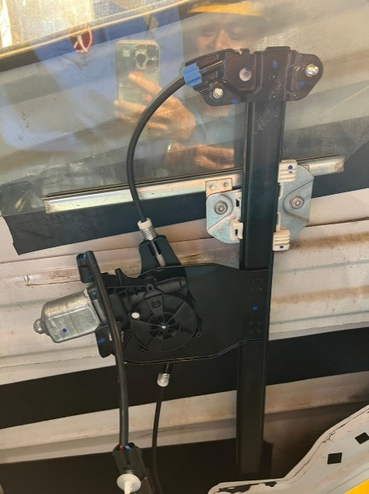
PROSES PEMASANGAN ZB WINDOW LIFT
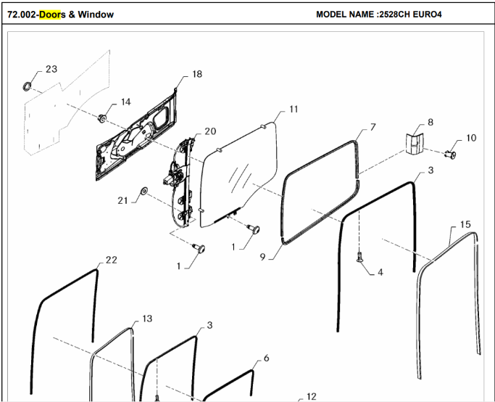
PROSES INSTAL
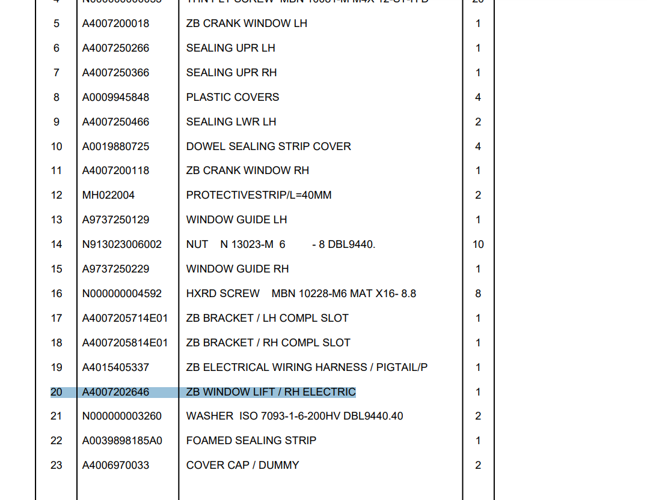

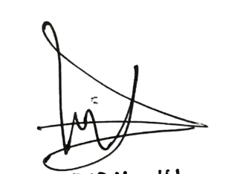
PART BOOK |  |  |  |  |  |  | Remarks

 |  |  |  |  |  |  | validation

and Mercedes-Benz are registered trademarks of Mercedes-Benz Group AG.
and Mercedes-Benz are registered trademarks of Mercedes-Benz Group AG.
Head Office | Gedung Office 8 Lt.33 (SCBD Lot 28/Senopati Raya 8B), Jl.Jend.Sudirman Kav.52-53, Jakarta Selatan 12190 , Indonesia | T +62 21 57903456 | www.starwagen.co.id
Branch | Jl.Syarifuddin Yoes Blok.Kav.46-47 RT.045, Sepinggan Baru, Balikpapan Selatan, Kalimantan Timur, Indonesia | +62 54 28707888 / +62 54 28705758
 |  |  |  |  |  |  | DIDIK | Supervisor / Workshop Managaer

Part Request
MENU

 |  |  |  |  |  |  |  |  | Authorized Dealer of Mercedes-Benz
Part Request Slip |  |  |  |  |  |  |  |  | Truck & Bus in Indonesia
 |  | Passenger car Commercial vehicle
Slip Numbering |  | Customer Information |  |  |  | Vehicle Information |  |  | Order Information
 |  | Nama | PT. PUTRA PERKASA ABADI |  |  | Model : | AXOR 2528 CH (6X4) M/T Euro 4 |  | Worksop Order No : | 0
 |  | Site | PT AMC |  |  | Vin : | MEC2437BAPP132188 |  | Order By :
 |  |  |  |  |  | Engine No : | 400953D0138598 |  | Delivery By :
 |  | Car Registration | DA25158 |  |  | Date of 1st registration: | 0 |  | Received By | 45477
 |  |  |  |  |  |  |  |  | Issue On :

No | Part Number | ES1 | ES2 | Bin Location | Quantity Requested | Description |  |  | Unit Price | Total Price
1 | A4007202646 |  |  |  | 1 | ZB WINDOW LIFT / RH ELECTRIC
2
3
4
5
6
7
8
9
10
11
12
13
14
 |  |  |  |  |  |  |  | Foreman | Mechanic | Delivered By

 |  |  |  |  |  |  |  |  | DIDIK

 | Head Office | Gedung Office 8 Lt.33 (SCBD Lot 28/Senopati Raya 8B), Jl.Jend.Sudirman Kav.52-53, Jakarta Selatan 12190 , Indonesia | T +62 21 57903456 | www.starwagen.co.id
 | Branch | Jl.Syarifuddin Yoes Blok.Kav.46-47 RT.045, Sepinggan Baru, Balikpapan Selatan, Kalimantan Timur, Indonesia | +62 54 28707888 / +62 54 28705758

and Mercedes-Benz are registered trademarks of Mercedes-Benz Group AG

Final Control
MENU

 |  |  | Truck & Bus |  |  |  | PT Star Wagen Indonesia
 |  |  | in Indonesia |  |  |  | Authorized Dealer of Mercedes-Benz Truck & Bus in Indonesia
Final Control Report

 |  | Customer Name : | PT. PUTRA PERKASA ABADI |  | Millage In : |  |  |  | Check And Tested By
 |  | Wo no/ WIP NO : |  |  | Millage Out : |  |  |  | Name : | DIDIK
 |  |  |  |  |  |  |  |  | Date :

 |  | Function Checks |  |  | Visual Checks |  |  |  | Other Checks
 | √ | All warning indicators |  | √ | Engine |  |  | √ | Wiper blades and spraying nozzle |  | √
 | √ | Steering system |  | √ | Transmission |  |  | √ | Vacuum hoses/lines |  | x
 | √ | Horn |  | √ | Rear axles |  |  | √ | Write your own checking list related reparation you did
 | √ | Lights interior / exterior |  | √ | Steering system |  |  | √ | …………………………………………………………………..
 | √ | Other electrical equipment |  | √ | Fuel system |  |  | √ | …………………………………………………………………..
 | √ | Central locking / closing assist system |  | √ | Cooling system |  |  | √ | …………………………………………………………………..
 | √ | Brakes on dynamometer or test drive |  | √ | Brake hoses / lines / linkage |  |  | √ | …………………………………………………………………..
 | √ | Air conditioner |  | √ | Condition of tires/spare tires (if any) |  |  | √ | …………………………………………………………………..
 |  |  |  | √ | Cleanliness inside and outside |  |  |  | …………………………………………………………………..
 |  | Fluid Levels |  |  | Final Checks |  |  |  | Document Check
 | √ | Engine |  | √ | Check work performed |  |  | √ | Test document / Short test result
 | √ | Transmission |  | √ | Test Drive if needed |  |  | √ | Workshop report (only if required)
 | √ | Radiator / Coolant |  |  |  |  |  | √ | Internal part requisition slip
 | √ | Power steering |  |  |  |  |  | √ | Battery test result, only if tested
 | √ | Battery |  |  |  |  |  | √
 | √ | Brake system |  |  |  |  |  | √
 | √ | Windshield washer |  |  |  |  |  | √
 |  |  |  |  |  |  |  | √
 | After completion of all the work required by you, we performed a final quality check on your vehicle with the following results:
 | Ok |  | No |  |  |  |  | Acknowledged by
 | During checking & reparation process, some critical findings has to be followed up;
 | 1.
 | 2.
 | this has been conveyed on………..to……………. but not approved for doing an action. |  |  |  | (Service Advisor) | (Customer) |  | Foreman or Supervisor

 | Head Office | Gedung Office 8 Lt.33 (SCBD Lot 28/Senopati Raya 8B), Jl.Jend.Sudirman Kav.52-53, Jakarta Selatan 12190 , Indonesia | T +62 21 57903456 | www.starwagen.co.id
 | Branch | Jl.Syarifuddin Yoes Blok.Kav.46-47 RT.045, Sepinggan Baru, Balikpapan Selatan, Kalimantan Timur, Indonesia | +62 54 28707888 / +62 54 28705758
and Mercedes-Benz are registered trademarks of Mercedes-Benz Group AG
.

