DA4842
FAILURE ANALYSIS REPORT

CUSTOMER NAME |  | PT. ANTAREJA MAHADA MAKMUR |  |  |  | PHONE NO. / HP
KOTA / BRANCH |  | PT. MIFA BERSAUDARA - WEST ACEH |  |  |  |  |  | DATE | 1-Jul-24

UNIT TYPE |  |  | COMP MODEL | BRAND |  |  | INSTALL DATE |  |  | PROBLEM DATE
AROCS |  |  | 4845 K | Mercedes Benz |  |  | 5-Sep-22 |  |  | 26-Jun-24

UNIT CODE |  |  | MACHINE LOCATION |  |  |  | LIFETIME |  |  | HM / KM
DA4842PPA |  |  | AMM - MIFA |  |  |  | 660 days |  |  | 6251 / 97491

DETAIL PROBLEM
We received information from mechanic/customer there are noise in differential rear area

PHOTO

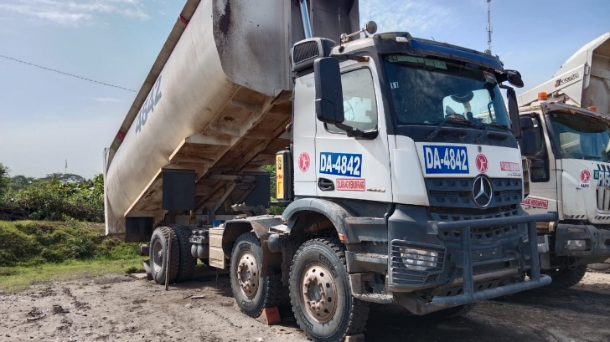
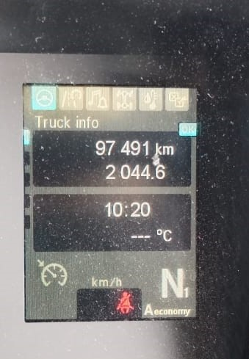
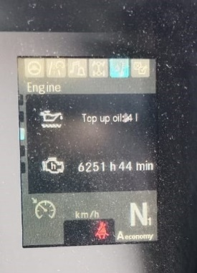
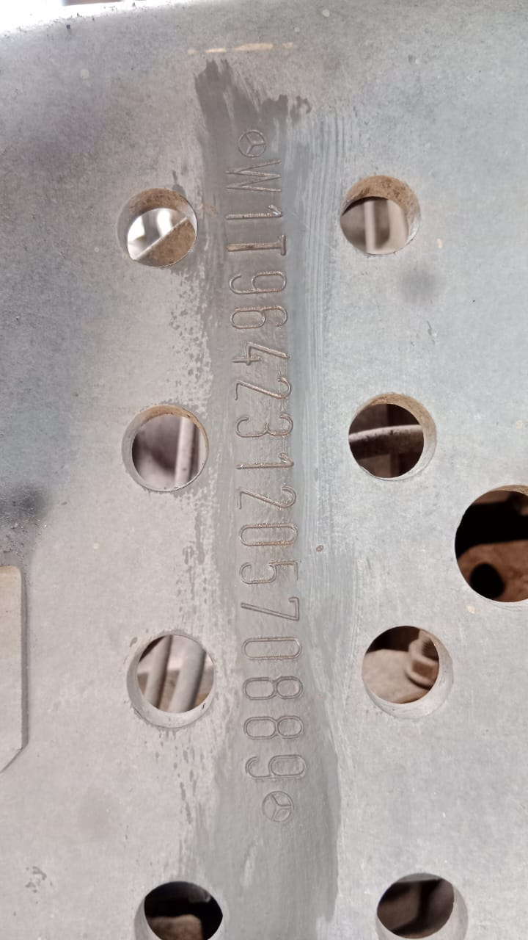

PHOTO

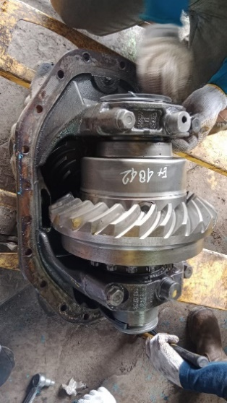
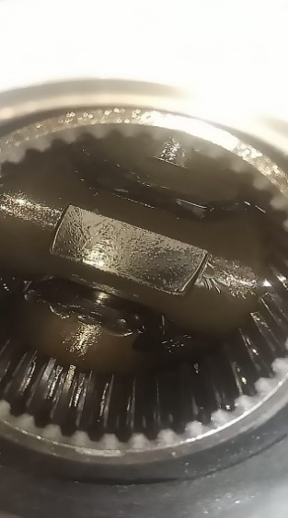
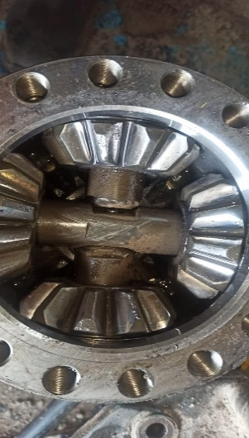
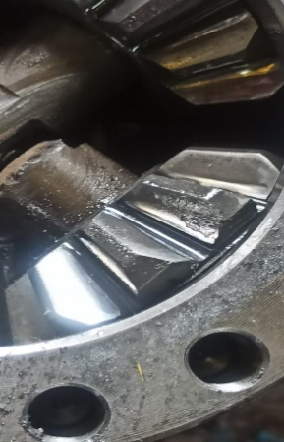

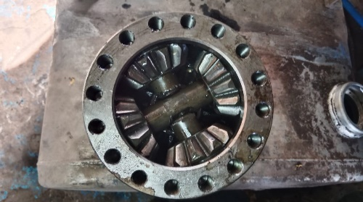
shaft pinion gearkit medium wear
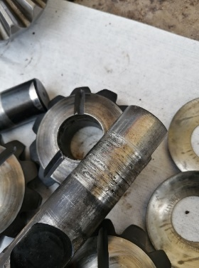
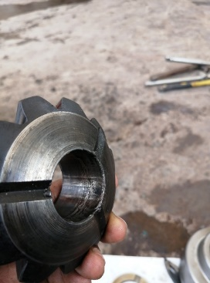
hole gearkit surface damage
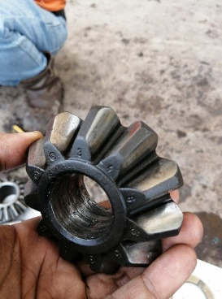
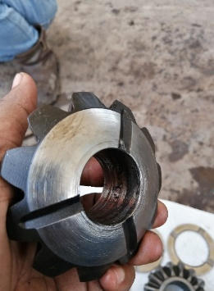

pressure disk and washer gearkit eroded with matrial gram
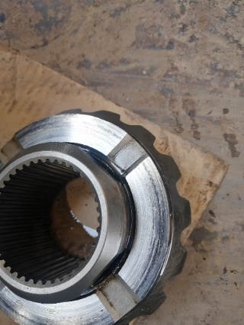
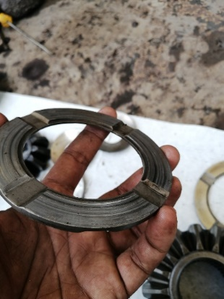
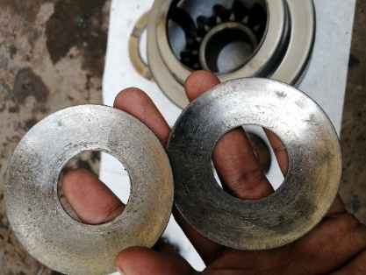
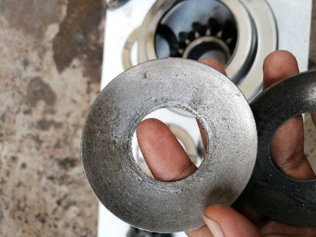

ANALYSIS
After inspection the data, we found shaft gearkit broken there side gear jammed and shaft gearkit and hole gearkit any surface damage. The same as the previous case
This case cause lack lubricant. why does this happen ?. This case indicated over spinning, when the gearkit have a load over spinning lubricant can’t lubricate maximal
the gear kit and make jammed Indicated over spinning can be see at shaft pinion gear kit and hole gearkit any surface damage this damage is a characteristic of over spinning.

STATUS

STATUS ORDER SPAREPARTS |  |  |  |  |  |  |  |  |  |  | RECOMMENDED SPAREPARTS

DATA SPAREPARTS RECOMMENDED
No | Part Number |  | Description |  |  |  |  |  |  |  | Qty

Created By : |  |  | Check By : |  | Validation By : |  |  |  | Approve By :
Date : |  |  | Date : |  | Date : |  |  |  | Date :
Sign - Service Team |  |  | Sign - Warranty Officer |  | Sign - Technical Officer |  |  |  | Sign - PT. PPA

