DA4842
FAILURE ANALYSIS REPORT

CUSTOMER NAME |  | PT. ANTAREJA MAHADA MAKMUR |  |  |  | PHONE NO. / HP
KOTA / BRANCH |  | PT. MIFA BERSAUDARA - WEST ACEH |  |  |  |  |  | DATE | 1-Jul-24

UNIT TYPE |  |  | COMP MODEL | BRAND |  |  | INSTALL DATE |  |  | PROBLEM DATE
AROCS |  |  | 4845 K | Mercedes Benz |  |  | 5-Sep-22 |  |  | 26-Jun-24

UNIT CODE |  |  | MACHINE LOCATION |  |  |  | LIFETIME |  |  | HM / KM
DA4842PPA |  |  | AMM - MIFA |  |  |  | 660 days |  |  | 6251 / 97491

DETAIL PROBLEM
We received information from mechanic/customer there are noise in differential rear area

PHOTO

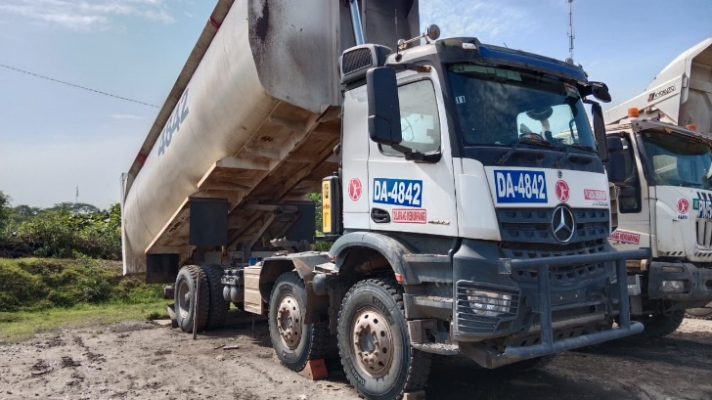
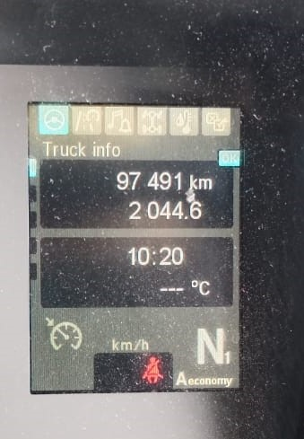
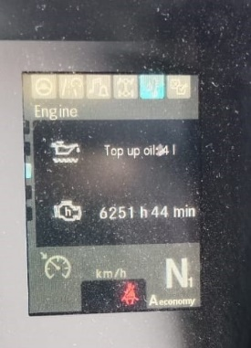
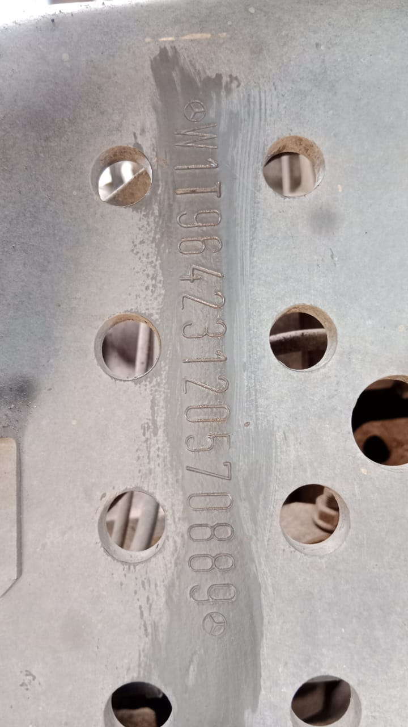

PHOTO

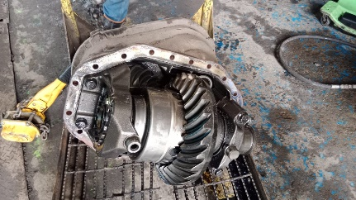
Shaft turning cause bolt broken
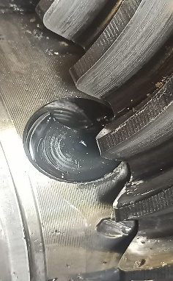
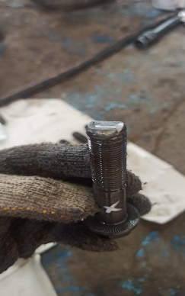
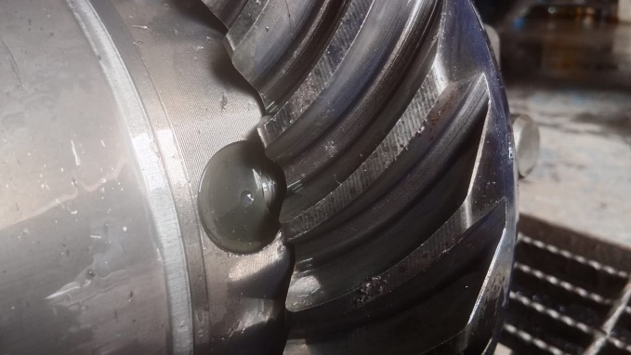
Basic Position bolt before broken

Pinion shaft short look any surface damage concact with pinion shaft long
hole gearkit surface damage
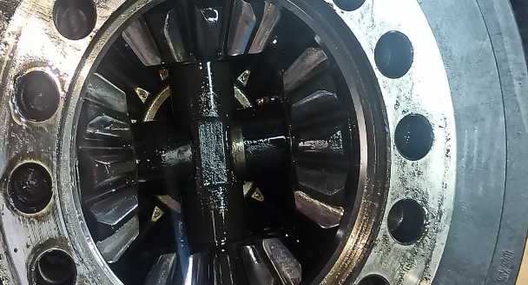
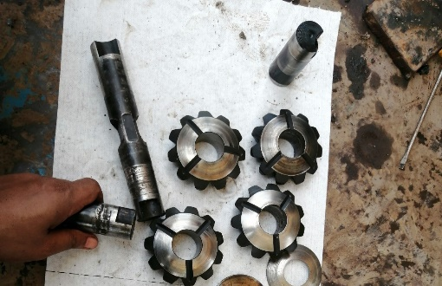
shaft pinion gearkit medium wear
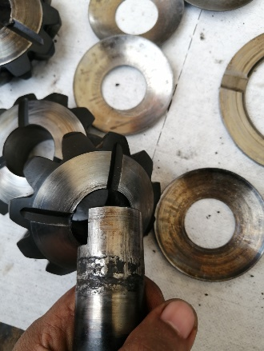
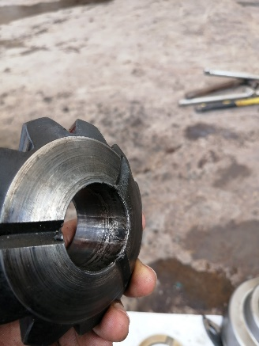

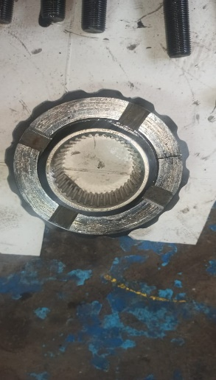
PINION GEARSET BROKEN SIDE EFFECTS FROM FRICTION MATERIAL
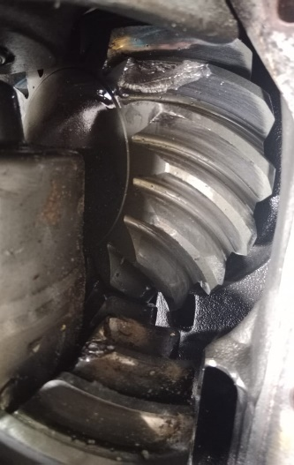
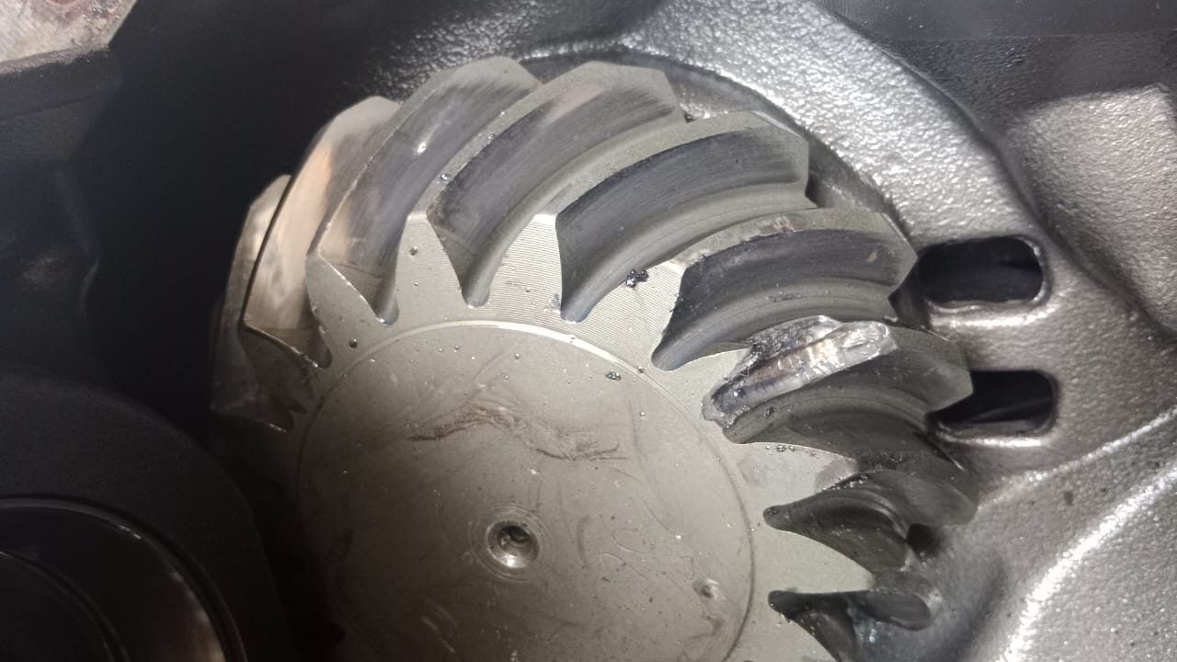

ANALYSIS
After inspection the data, we found pinion shaft jammed with gear kit. in this case jammed cause lack lubricant, and when the gearkit have a load over spinning
lubricant can’t lubricate maximal the gear kit and make jammed. Indicated over spinning can be see at shaft pinion gear kit and hole gearkit any surface damage,
this damage is a characteristic of over spinning. The other answer questions why is the bolt of crown wheel to differential housing broken and why is only one side pinion
jammed ? There is no difference if bolt is broken and only one side pinion jamed. The damage is the same.The one side pinion is the weaker part and may fail earlier.
and we looks the lubrication used oil not recommendation for principle.
STATUS

STATUS ORDER SPAREPARTS |  |  |  |  |  |  |  |  |  |  | RECOMMENDED SPAREPARTS

DATA SPAREPARTS RECOMMENDED
No | Part Number |  | Description |  |  |  |  |  |  |  | Qty

Created By : |  |  | Check By : |  | Validation By : |  |  |  | Approve By :
Date : |  |  | Date : |  | Date : |  |  |  | Date :
Sign - Service Team |  |  | Sign - Warranty Officer |  | Sign - Technical Officer |  |  |  | Sign - PT. PPA

