Time Sheet
MENU

 |  |  |  | PT Star Wagen Indonesia
Job Time Card Report |  |  |  | Authorized Dealer of Mercedes-Benz Truck & Bus in Indonesia

Mechanic Name: | Egi sugiana |  | WIP Number :

CIW/GW | Operational Code | End Start | Time Recording |  | Date |  |  |  | Total Time
 | Description
Warranty |  | End |  |  |  |  |  |  | 0:00:00 |  | Customer | 1:00:00
 |  | Start |  |  |  |  |  |  |  |  | Internal | 2:00:00
 |  | End |  |  |  |  |  |  | 0:00:00 |  | Warranty | 3:00:00
 |  | Start |  |  |  |  |  |  |  |  | GoodWill | 4:00:00
 |  | End |  |  | 2023-01-16 |  |  |  | 0:00:00 |  |  | 5:00:00
 |  | Start |  |  |  |  |  |  |  |  |  | 6:00:00
 |  | End |  |  |  |  |  |  | 0:00:00 |  |  | 7:00:00
 |  | Start |  |  |  |  |  |  |  |  |  | 8:00:00
 |  | End |  |  |  |  |  |  | 0:00:00 |  |  | 9:00:00
 |  | Start |  |  |  |  |  |  |  |  |  | 10:00:00
 |  | End |  |  |  |  |  |  | 0:00:00 |  |  | 11:00:00
 |  | Start |  |  |  |  |  |  |  |  |  | 12:00:00
 |  | End |  |  |  |  |  |  | 0:00:00 |  |  | 13:00:00
 |  | Start |  |  |  |  |  |  |  |  |  | 14:00:00
 |  | End |  |  |  |  |  |  | 0:00:00 |  |  | 15:00:00
 |  | Start |  |  |  |  |  |  |  |  |  | 16:00:00
 |  | End |  |  |  |  |  |  | 0:00:00 |  |  | 13:00:00
 |  | Start |  |  |  |  |  |  |  |  |  | 14:00:00
 |  | End |  |  |  |  |  |  | 0:00:00 |  |  | 15:00:00
 |  | Start |  |  |  |  |  |  |  |  |  | 16:00:00
 |  | End |  |  |  |  |  |  | 0:00:00 |  |  | 13:00:00
 |  | Start |  |  |  |  |  |  |  |  |  | 14:00:00
 |  | End |  |  |  |  |  |  | 0:00:00 |  |  | 15:00:00
 |  | Start |  |  |  |  |  |  |  |  |  | 16:00:00
 |  |  |  |  |  |  |  |  |  |  |  | 17:00:00
Hours |  | C | I | W/G | W1 | W2 | W3 | W4 | W5 | W6 |  | 18:00:00
Total |  |  |  | 0:00:00 |  |  |  |  |  |  |  | 19:00:00
 |  |  |  |  |  |  |  |  |  |  |  | 20:00:00
Head Office | Gedung Office 8 Lt.33 (SCBD Lot 28/Senopati Raya 8B), Jl.Jend.Sudirman Kav.52-53, Jakarta Selatan 12190 , Indonesia | T +62 21 57903456 | www.starwagen.co.id |  |  |  |  |  |  |  |  |  |  |  | 21:00:00
Branch | Jl.Syarifuddin Yoes Blok.Kav.46-47 RT.045, Sepinggan Baru, Balikpapan Selatan, Kalimantan Timur, Indonesia | +62 54 28707888 / +62 54 28705758 |  |  |  |  |  |  |  |  |  |  |  | 22:00:00
 |  |  |  |  |  |  |  |  |  |  |  | 23:00:00
and Mercedes-Benz are registered trademarks of Mercedes-Benz Group AG
 |  |  |  |  |  |  |  |  |  |  |  | 1900-01-01 00:00:00

Worksop Report
 | Menu
 |  |  | Workshop Report For Diagnostic Guide

 |  |  |  |  |  |  | PT.STAR WAGEN INDONESIA
 |  |  |  |  | WO
Date: |  | 26-Jun-24 |  |  |  |  |  | Job Site:
WIP No: |  |  |  |  | Customer Name: | PT. ANTAREJA MAHADA MAKMUR |  | PT MIFA
Chasis No: |  | W1T96423120570889 |  |  | Reg No : |  | Reg date
Engine No: |  | 460972U1096421 |  |  | Type : | AROCS 4845 K | Mileage / Hours Meter | 97491 / 6251
Unit Code |  | DA4842

COMPLAINT ANALYSIS
Customer complaint/Customer information
 | there are noise in rear area
Vehicle information
 | Aplicaton : | ü Long distance |  | ü Dump truck | Ore operation | Regular service base
 |  | Short distance |  | support truck | ü Hauling operation
Customer Information :
 | When unit operation any noise in rear area

TEST LEVEL

 | Test Level Description |  |  |  |  | Actual Value | Remark | Attachment Number
 | CHECK DIFFERENTIAL |  |  |  |  | BROKEN | NOT OK | attachment picture 1
 | CHECK GEARKIT DIFFERENTIAL |  |  |  |  | BROKEN | NOT OK | attachment picture 2
 | CHECK PRESSURE DISK AND WASHER GEARKIT |  |  |  |  | DAMAGE | NOT OK | attachment picture 3

CAUSE LEVEL
Cause level/Workshop findings: |  |  |  |  | RESULT :
 |  |  |  |  | WE GET REPORT FROM OPERATOR WE CHECK REAR AREA AND WE CHECK DIFFERENTIAL RA1 ANY ABNORMAL. AND THEN WE REMOVE DIFFERENTIAL AND DISMANTTLE DIFFERENTIAL RA1 MAKE SURE DAMAGE. AFTER DISMANTTLE DIFFERENTIAL WE FOUND BOLT CROWN WHEEL BROKEN AND SHAFT GEARKIT JAMMED. AFTER CHECK ALL CONDITION UNIT BREAKDOWN UNTIL SPARE PART COME ON SITE.
 |  | Ada | Tidak ada | Attachment Nr
Photo (# lembar) |  | √ |  | √
Area kerusakan (gbr EPC) |  | √ |  | √
Video (nama file) |  | x |  | √
Old Spare part No.
Notes: |  |  |  |  |  |  |  |  | √
 |  |  |  |  |  |  |  |  | x

RECTIFICATION AND VERIFICATION LEVEL
Rectification:

 | PART NUMBER | DESCRIPTION | QTY
 | A0003508023 | RS DIFFERENTIAL | 1
 | A0059811505 | TAPERED ROLLER BEARING | 1
 | A0019817205 | TAPERED ROLLER BEARING | 1
 | A0039812905 | TAPERED ROLLER BEARING | 1
 | A9423502839 | GEAR SET | 1
 | A0039810605 | TAPERED ROLLER BEARING | 1
 | A0149971246 | SEALING RING | 1
 | A0003508623 | RS DIFFERENTIAL | 1
 | A9429810205 | TAPERED ROLLER BEARING | 1
 | A3463531429 | OIL RETAINER DRIVE PINION | 1
 | A6503560080 | GASKET COVER TO BELL HUB | 2
 | MA9463510072 | NUT FLANGE | 1
 | MA9423531245 | FLANGE RA1 | 1
 | A9423510188 | PROTECTIVE METAL SHEET | 1

Verification:

 |  |  | Workshop report digunakan untuk mencatat hasil analisa mekanik dengan menyertakan langkah-langkah diagnosis dan temuannya selama diagnosa

PICTURE CAUSE AND ACTION
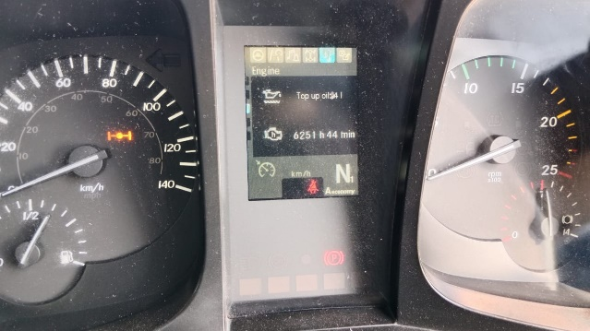 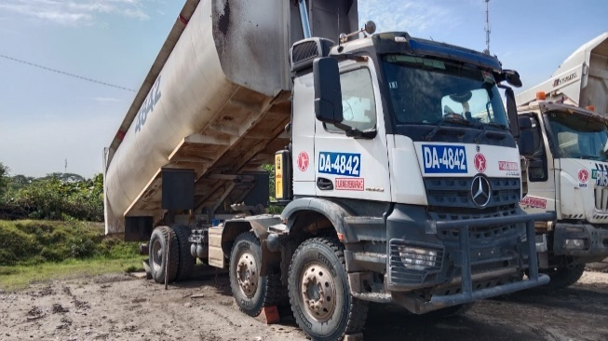 |  |  |  |  | 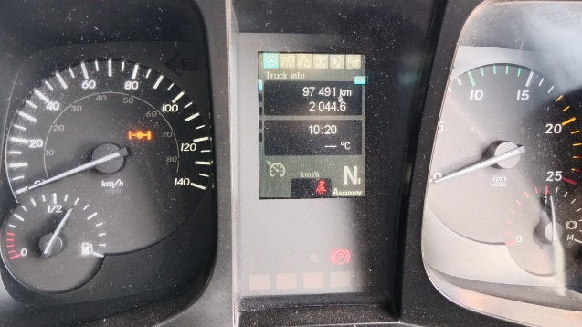 |  | 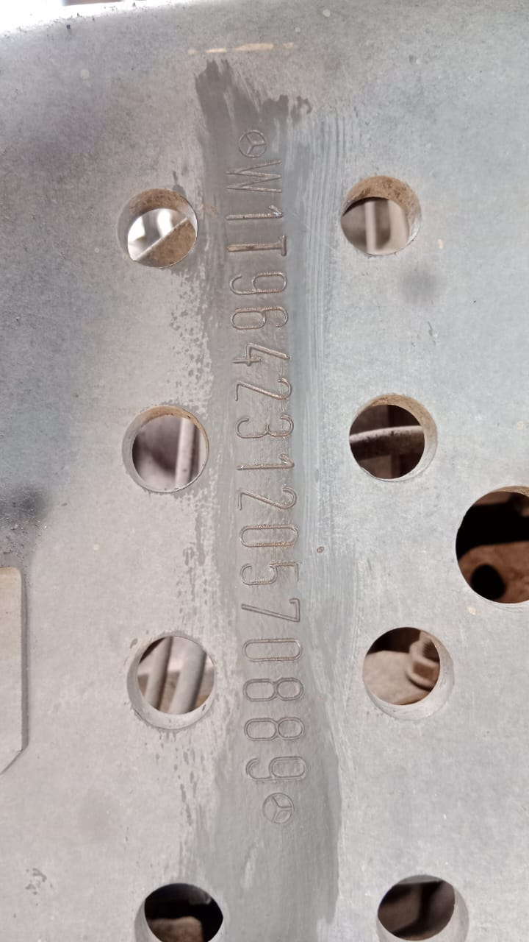

FOTO UNIT |  |  | FOTO HM |  | FOTO KM |  | FOTO VIN

1
CONDITION DIFFERENTIAL REAR AXLE 1 SHAFT GEARKIT TURNING
BOLT CROWN WHEEL BROKEN
PICTURE CAUSE AND ACTION
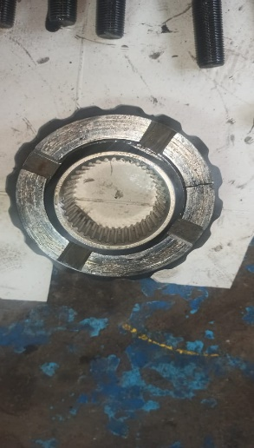 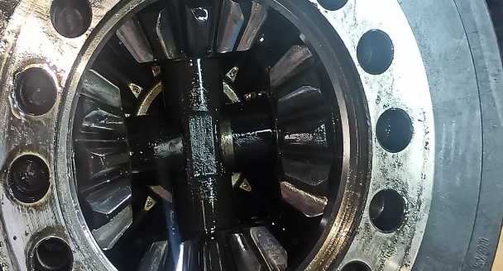 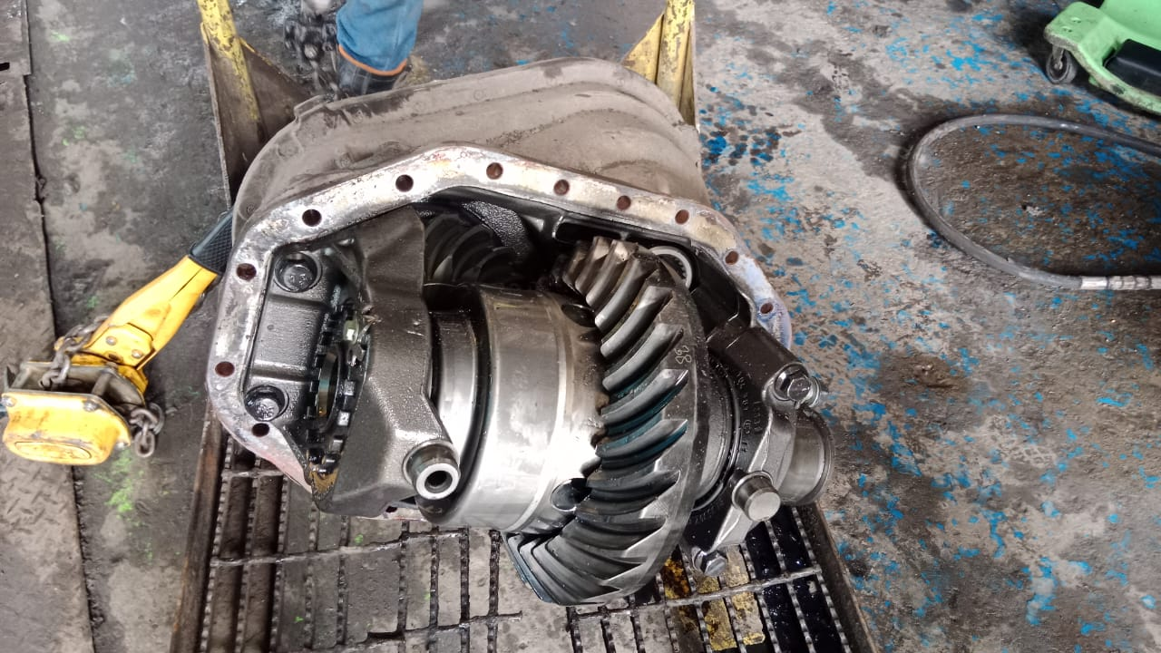 |  |  | 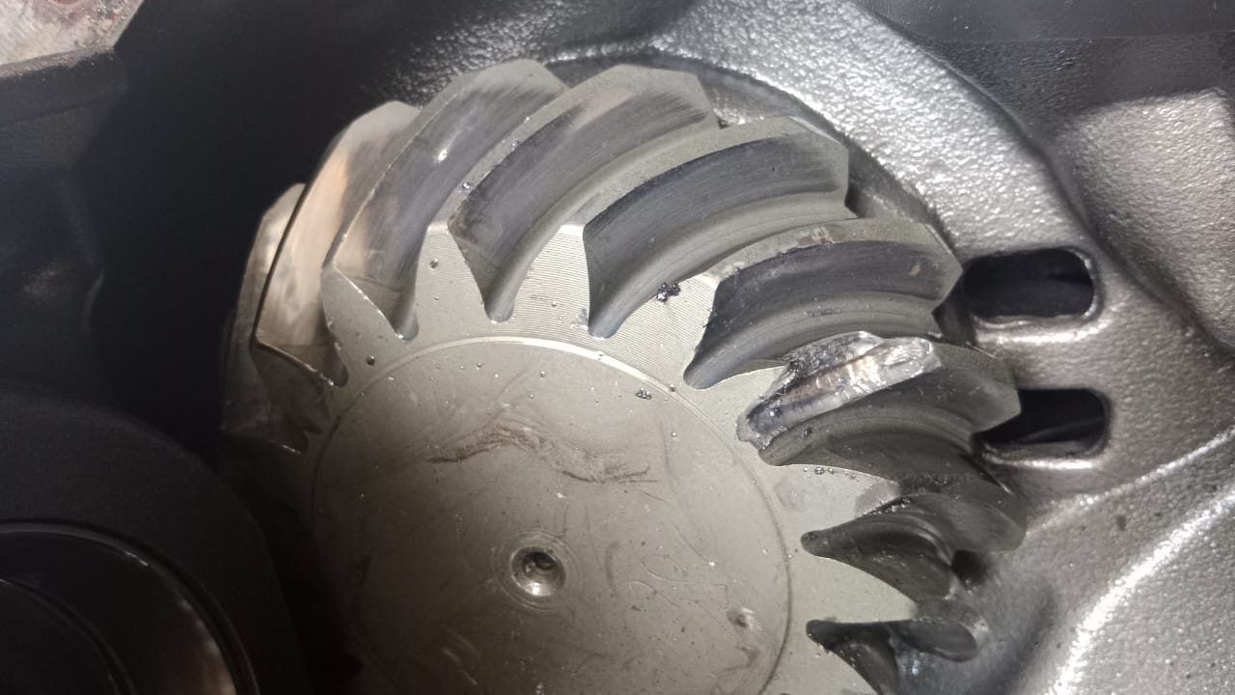 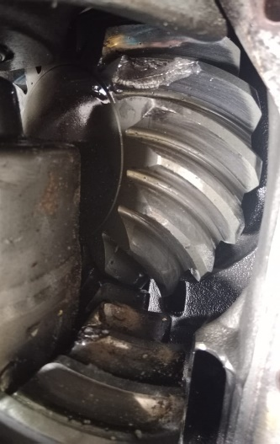 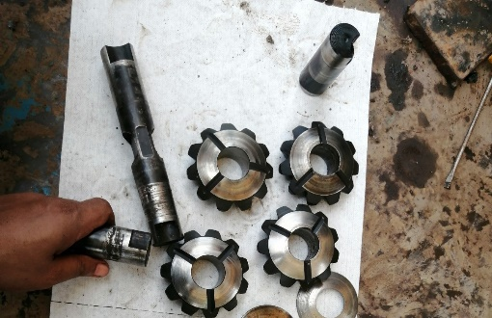 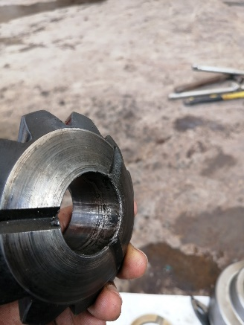 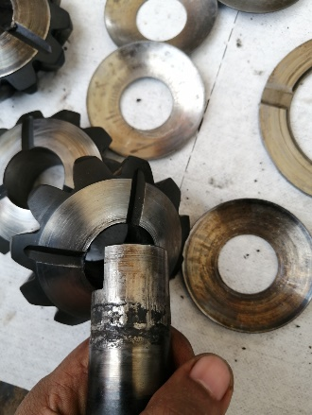 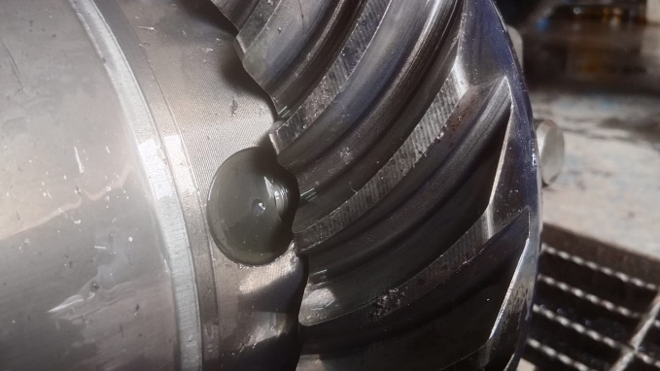 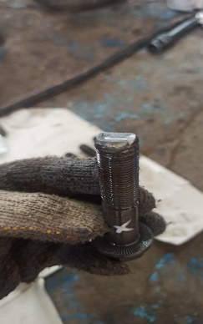 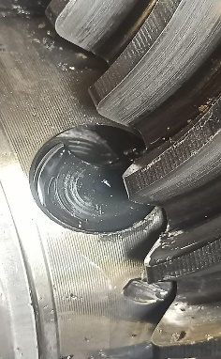
BASIC POSITION SHAFT GEARKIT

2
CONDITION SHAFT GEARKIT
3
CONDITION PINION GEARSET BROKEN
SHAFT GEARKIT AND HOLE GEARKIT ANY SURFACE DAMAGE
CUSTOMER COMPLAINT PICTURE |  |  | JOB PROGRESS INVESTIGATION PICTURE

PICTURE CAUSE AND ACTION
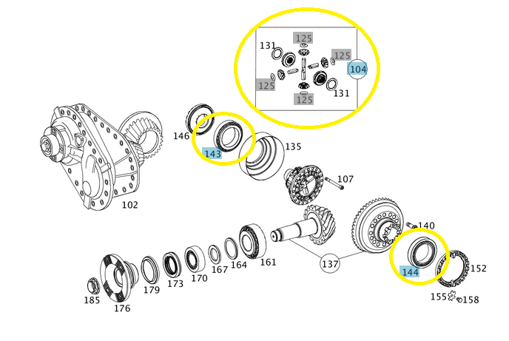 |  |  |  |  |  |  | 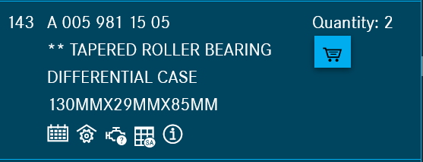 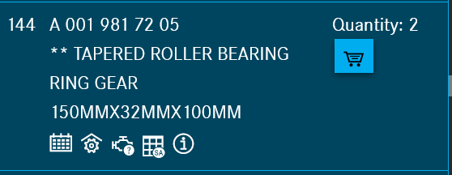

Part Book |  |  |  |  | picture part no part new |  | Remarks

 |  |  |  |  |  |  | validation

and Mercedes-Benz are registered trademarks of Mercedes-Benz Group AG.
and Mercedes-Benz are registered trademarks of Mercedes-Benz Group AG.
Head Office | Gedung Office 8 Lt.33 (SCBD Lot 28/Senopati Raya 8B), Jl.Jend.Sudirman Kav.52-53, Jakarta Selatan 12190 , Indonesia | T +62 21 57903456 | www.starwagen.co.id
Branch | Jl.Syarifuddin Yoes Blok.Kav.46-47 RT.045, Sepinggan Baru, Balikpapan Selatan, Kalimantan Timur, Indonesia | +62 54 28707888 / +62 54 28705758
 |  |  |  |  |  |  | Egi sugiana | Supervisor / Workshop Managaer

Part Request
MENU

 |  |  |  |  |  |  |  |  | Authorized Dealer of Mercedes-Benz
Part Request Slip |  |  |  |  |  |  |  |  | Truck & Bus in Indonesia
 |  | Passenger car Commercial vehicle
Slip Numbering |  | Customer Information |  |  |  | Vehicle Information |  |  | Order Information
 |  | Nama | PT. ANTAREJA MAHADA MAKMUR |  |  | Model : | AROCS 4845 K |  | Worksop Order No : | 0
 |  | Site | PT MIFA |  |  | Vin : | W1T96423120570889 |  | Order By :
 |  |  |  |  |  | Engine No : | 460972U1096421 |  | Delivery By :
 |  | Car Registration | DA4842 |  |  | Date of 1st registration: | 0 |  | Received By | 45469
 |  |  |  |  |  |  |  |  | Issue On :

No |  | ES1 | ES2 | Bin Location | Quantity Requested | Description |  |  | Unit Price | Total Price
1 | A0003508023 |  |  |  | 1 | RS DIFFERENTIAL
2 | A0059811505 |  |  |  | 1 | TAPERED ROLLER BEARING |  |  |  |  | ROTATIONAL SPEED SENSOR
3 | A0019817205 |  |  |  | 1 | TAPERED ROLLER BEARING
4 | A0039812905 |  |  |  | 1 | TAPERED ROLLER BEARING
5 | A9423502839 |  |  |  | 1 | GEAR SET
6 | A0039810605 |  |  |  | 1 | TAPERED ROLLER BEARING
7 | A0149971246 |  |  |  | 1 | SEALING RING
8 | A0003508623 |  |  |  | 1 | RS DIFFERENTIAL
9 | A9429810205 |  |  |  | 1 | TAPERED ROLLER BEARING
10 | A3463531429 |  |  |  | 1 | OIL RETAINER DRIVE PINION
11 | A6503560080 |  |  |  | 2 | GASKET COVER TO BELL HUB
12 | MA9463510072 |  |  |  | 1 | NUT FLANGE
13 | MA9423531245 |  |  |  | 1 | FLANGE RA1
14 | A9423510188 |  |  |  | 1 | PROTECTIVE METAL SHEET
15
16
17
 |  |  |  |  |  |  |  | Foreman | Mechanic | Delivered By

 |  |  |  |  |  |  |  |  | Egi sugiana

 | Head Office | Gedung Office 8 Lt.33 (SCBD Lot 28/Senopati Raya 8B), Jl.Jend.Sudirman Kav.52-53, Jakarta Selatan 12190 , Indonesia | T +62 21 57903456 | www.starwagen.co.id
 | Branch | Jl.Syarifuddin Yoes Blok.Kav.46-47 RT.045, Sepinggan Baru, Balikpapan Selatan, Kalimantan Timur, Indonesia | +62 54 28707888 / +62 54 28705758

and Mercedes-Benz are registered trademarks of Mercedes-Benz Group AG

Final Control
MENU

 |  |  | Truck & Bus |  |  |  | PT Star Wagen Indonesia
 |  |  | in Indonesia |  |  |  | Authorized Dealer of Mercedes-Benz Truck & Bus in Indonesia
Final Control Report

 |  | Customer Name : | PT. ANTAREJA MAHADA MAKMUR |  | Millage In : |  |  |  | Check And Tested By
 |  | Wo no/ WIP NO : |  |  | Millage Out : |  |  |  | Name : | Egi sugiana
 |  |  |  |  |  |  |  |  | Date : | 2023-09-06

 |  | Function Checks |  |  | Visual Checks |  |  |  | Other Checks
 | √ | All warning indicators |  | √ | Engine |  |  | √ | Wiper blades and spraying nozzle |  | √
 | √ | Steering system |  | √ | Transmission |  |  | √ | Vacuum hoses/lines |  | x
 | √ | Horn |  | √ | Rear axles |  |  | √ | Write your own checking list related reparation you did
 | √ | Lights interior / exterior |  | √ | Steering system |  |  | √ | …………………………………………………………………..
 | √ | Other electrical equipment |  | √ | Fuel system |  |  | √ | …………………………………………………………………..
 | √ | Central locking / closing assist system |  | √ | Cooling system |  |  | √ | …………………………………………………………………..
 | √ | Brakes on dynamometer or test drive |  | √ | Brake hoses / lines / linkage |  |  | √ | …………………………………………………………………..
 | √ | Air conditioner |  | √ | Condition of tires/spare tires (if any) |  |  | √ | …………………………………………………………………..
 |  |  |  | √ | Cleanliness inside and outside |  |  |  | …………………………………………………………………..
 |  | Fluid Levels |  |  | Final Checks |  |  |  | Document Check
 | √ | Engine |  | √ | Check work performed |  |  | √ | Test document / Short test result
 | √ | Transmission |  | √ | Test Drive if needed |  |  | √ | Workshop report (only if required)
 | √ | Radiator / Coolant |  |  |  |  |  | √ | Internal part requisition slip
 | √ | Power steering |  |  |  |  |  | √ | Battery test result, only if tested
 | √ | Battery |  |  |  |  |  | √
 | √ | Brake system |  |  |  |  |  | √
 | √ | Windshield washer |  |  |  |  |  | √
 |  |  |  |  |  |  |  | √
 | After completion of all the work required by you, we performed a final quality check on your vehicle with the following results:
 | Ok |  | No |  |  |  |  | Acknowledged by
 | During checking & reparation process, some critical findings has to be followed up;
 | 1.
 | 2.
 | this has been conveyed on………..to……………. but not approved for doing an action. |  |  |  | (Service Advisor) | (Customer) |  | Foreman or Supervisor

 | Head Office | Gedung Office 8 Lt.33 (SCBD Lot 28/Senopati Raya 8B), Jl.Jend.Sudirman Kav.52-53, Jakarta Selatan 12190 , Indonesia | T +62 21 57903456 | www.starwagen.co.id
 | Branch | Jl.Syarifuddin Yoes Blok.Kav.46-47 RT.045, Sepinggan Baru, Balikpapan Selatan, Kalimantan Timur, Indonesia | +62 54 28707888 / +62 54 28705758
and Mercedes-Benz are registered trademarks of Mercedes-Benz Group AG
.

