Worksop Report
 | Menu

 | REPORTING DA4879

WORKSHOP REPORT/DIAGNOSIS GUIDE |  |  |  |  |  |  | PT.STAR WAGEN INDONESIA
 |  |  |  |  | WO : 310000008177 / DA4879
Date: |  | 21-Mar-24 |  |  |  |  |  | Site : BUKIT ASAM
WIP No: |  |  |  |  | Customer Name: | PT. PUTRA PERKASA ABADI
Chasis No: |  | W1T96423120658208 |  |  | Reg No : |  | Reg date | 2024-03-21
Engine No: |  | 471922C0800847 |  |  | Type : | AROCS4845K | Mileage / Hours Meter | HM 2354 / KM 26621
Registration Code

COMPLAINT ANALYSIS
Customer complaint/Customer information
 | Power Window LH Not Function
Vehicle information
 | Power Window
System Information
 | Power Window LH Not Function

TEST LEVEL

 | Test Level Description |  |  |  |  | Actual Value | Remark | Attachment Nr
 | MODUL DCMP NOT VOLTAGE |  |  |  |  | NOT OK

CAUSE LEVEL
Cause level/Workshop findings: |  |  |  |  | PADA TANGGAL 21-03-2024 ,UNIT AROCS 4845K E5 DENGAN NOMOR LAMNBUNG DA 4879 SEDANG DILAKUKAN INSPEKSI. TERNYATA POWER WINDOW PINTU SEBELAH KIRI UNIT TIDAK BISA BERFUNGSI. SETELAH DICEK UOTPUT CONTROL UNIT DCMP A17.X1 NOT VOLTAGE.

 |  | Ada | Tidak ada | Attachment Nr
Photo (# lembar) |  | √
Area kerusakan (gbr EPC) |  | √
Video (nama file) |  | x
Old Spare part No.
Notes: |  |  |  |  |  |  |  |  | √
 |  |  |  |  |  |  |  |  | x

RECTIFICATION AND VERIFICATION LEVEL
Rectification:

 | PART NUMBER | DESCRIPTION | QTY
 | A9604462719 | CONTROL UNIT DOOR MODULE | 1

Verification:

 |  |  |  |  | Workshop report digunakan untuk mencatat hasil analisa mekanik dengan menyertakan langkah-langkah diagnosis dan temuannya selama diagnosa
INDRA/ABIL
Mechanic |  |  | Supervisor/Mgr

PICTURE CAUSE AND ACTION
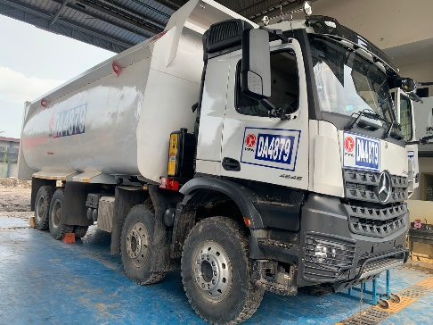 |  |  |  |  | 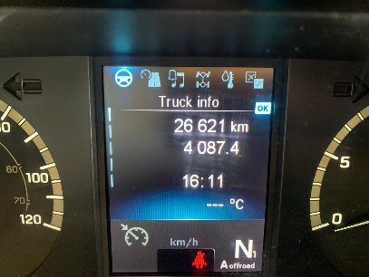 |  | 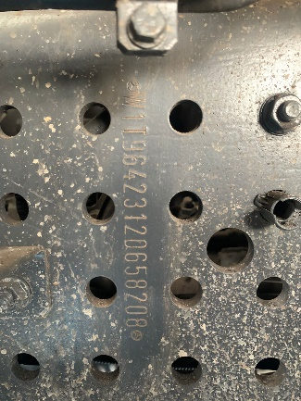

FOTO UNIT |  |  | FOTO HM |  | FOTO KM |  | FOTO VIN

PICTURE CAUSE AND ACTION
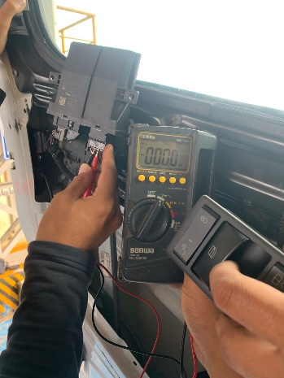 |  |  | 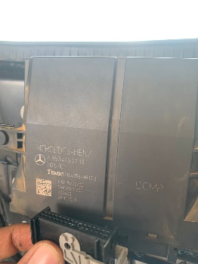

Complain castamer |  |  | BEFORE ACTION |  |  |  | AFTER ACTION

PICTURE CAUSE AND ACTION

Part Book |  |  | picture part no aktual |  | picture part no part new |  | PROSES INSTALL

Head Office | Gedung Office 8 Lt.33 (SCBD Lot 28/Senopati Raya 8B), Jl.Jend.Sudirman Kav.52-53, Jakarta Selatan 12190 , Indonesia | T +62 21 57903456 | www.starwagen.co.id
Branch | Jl.Syarifuddin Yoes Blok.Kav.46-47 RT.045, Sepinggan Baru, Balikpapan Selatan, Kalimantan Timur, Indonesia | +62 54 28707888 / +62 54 28705758
and Mercedes-Benz are registered trademarks of Mercedes-Benz Group AG.

Part Request
MENU

 |  |  |  |  |  |  |  |  | Authorized Dealer of Mercedes-Benz
Part Request Slip |  |  |  |  |  |  |  |  | Truck & Bus in Indonesia
 |  | Passenger car Commercial vehicle
Slip Numbering |  | Customer Information |  |  |  | Vehicle Information |  |  | Order Information
 |  | Nama | PT. PUTRA PERKASA ABADI |  |  | Model : | AROCS4845K |  | Worksop Order No :
 |  | Site | 45372 |  |  | Vin : | W1T96423120658208 |  | Order By :
 |  |  |  |  |  | Engine No : | 471922C0800847 |  | Delivery By :
 |  | Car Registration | 0 |  |  | Date of 1st registration:
 |  |  |  |  |  |  |  |  | Issue On :

No | Part Number | ES1 | ES2 | Bin Location | Quantity Requested | Description |  |  | Unit Price | Total Price
1 | A9604462719 |  |  |  | 1 | DOOR MODULE CONTROL UNIT
2 |  |  |  |  |  |  |  |  |  |  | ROTATIONAL SPEED SENSOR
3
4
5
6
7
8
9
10
11
12
13
14
 |  |  |  |  |  |  |  | Foreman | Mechanic | Delivered By

 |  |  |  |  |  |  |  |  | INDRA/ABIL | 0

 | Head Office | Gedung Office 8 Lt.33 (SCBD Lot 28/Senopati Raya 8B), Jl.Jend.Sudirman Kav.52-53, Jakarta Selatan 12190 , Indonesia | T +62 21 57903456 | www.starwagen.co.id
 | Branch | Jl.Syarifuddin Yoes Blok.Kav.46-47 RT.045, Sepinggan Baru, Balikpapan Selatan, Kalimantan Timur, Indonesia | +62 54 28707888 / +62 54 28705758

and Mercedes-Benz are registered trademarks of Mercedes-Benz Group AG

Work Order
MENU

 |  |  |  |  | PT Star Wagen Indonesia
Work Order Form |  |  |  |  | Authorized Dealer of Mercedes-Benz
 |  |  |  |  | Truck & Bus in Indonesia

Customer name: |  | PT. PUTRA PERKASA ABADI |  | For reference please quote the following no.
Address: |  | 45372 |  | Order no.:
City: |  |  |  | Date: | Customer No: | Page:
Telp: |  |  |  | 2024-03-21
Tax Code:

Regisration No. |  | Chassis No/Vin | Sales Designation |  |  | Reception date/time
0 |  | W1T96423120658208 |  |  |  | 2024-03-21
Millage / KM |  | Engine No. | Active Reception |  |  | Received by
HM 2354 / KM 26621 |  | 471922C0800847 | YES | NO |  | INDRA/ABIL | 0
Routing No. |  | Last Service | Sales Designation |  |  | Deadline/time
 |  | Date / Millege
Is this vehicle related to campaign ? Yes No Mobility Service Yes No
Item | Operation. Nr |  | Hours | Type Of Work
1 | DCMP MODULE |  |  | CHECK FOR FUNGTION

Ketentuan: 1. Lembar Work order yang sudah ditandatangai merupakan surat kuasa dari pelanggan ke dealer untuk dilakukan pekerjaan sesuai yang tertera di work order, serta memberi wewenang untuk melakukan uji coba kendaraan di luar bengkel. 2. Kendaraan yang sudah selesai diperbaiki wajib diambil oleh pelanggan dalam waktu ...x 24 jam dari waktu pemberitahuan. Apabila melebihi dari waktu tersebut, Dealer tidak bertanggung jawab lagi atas kondisi kendaraan tersebut dan dikenakan biaya sebesar Rp..................../hari. |  |  |  | 3. Dealer tidak bertanggung jawab atas segala kerugian akibat musibah, bencana alam ataupun kejadian lain yang tidak dipredikasi atau di luar tanggung jawab dealer. 4. Tidak diperkenankan menyimpan barang barang berharga didalam kendaraan. Dealer tidak bertanggung jawab apabila terjadi kehilangan atas barang barang tersebut. 5. Hal lain diluar ketentuan ini akan diatur tersendiri oleh masing-masing dealer.


 | Customer's signature & name |  |  |  | Service Adviser's signature & name

Head Office | Gedung Office 8 Lt.33 (SCBD Lot 28/Senopati Raya 8B), Jl.Jend.Sudirman Kav.52-53, Jakarta Selatan 12190 , Indonesia | T +62 21 57903456 | www.starwagen.co.id
Branch | Jl.Syarifuddin Yoes Blok.Kav.46-47 RT.045, Sepinggan Baru, Balikpapan Selatan, Kalimantan Timur, Indonesia | +62 54 28707888 / +62 54 28705758

 | and Mercedes-Benz are registered trademarks of Mercedes-Benz Group AG.

Time Sheet
MENU

 |  |  |  | PT Star Wagen Indonesia
Job Time Card Report |  |  |  | Authorized Dealer of Mercedes-Benz Truck & Bus in Indonesia

Mechanic Name: | INDRA/ABIL | 0 | WIP Number :

CIW/GW | Operational Code | End Start | Time Recording |  | Date |  |  |  | Total Time
 | Description
Warranty |  | End |  |  |  |  |  |  |  |  | Customer | 1:00:00
 |  | Start |  |  |  |  |  |  |  |  | Internal | 2:00:00
 |  | End | 1:00:00 |  |  |  |  |  | 1:00:00 |  | Warranty | 3:00:00
 |  | Start |  |  |  |  |  |  |  |  | GoodWill | 4:00:00
 |  | End |  |  |  |  |  |  | 0:00:00 |  |  | 5:00:00
 |  | Start |  |  |  |  |  |  |  |  |  | 6:00:00
 |  | End |  |  |  |  |  |  | 0:00:00 |  |  | 7:00:00
 |  | Start |  |  |  |  |  |  |  |  |  | 8:00:00
 |  | End |  |  |  |  |  |  | 0:00:00 |  |  | 9:00:00
 |  | Start |  |  |  |  |  |  |  |  |  | 10:00:00
 |  | End |  |  |  |  |  |  | 0:00:00 |  |  | 11:00:00
 |  | Start |  |  |  |  |  |  |  |  |  | 12:00:00
 |  | End |  |  |  |  |  |  | 0:00:00 |  |  | 13:00:00
 |  | Start |  |  |  |  |  |  |  |  |  | 14:00:00
 |  | End |  |  |  |  |  |  | 0:00:00 |  |  | 15:00:00
 |  | Start |  |  |  |  |  |  |  |  |  | 16:00:00
 |  | End |  |  |  |  |  |  | 0:00:00 |  |  | 13:00:00
 |  | Start |  |  |  |  |  |  |  |  |  | 14:00:00
 |  | End |  |  |  |  |  |  | 0:00:00 |  |  | 15:00:00
 |  | Start |  |  |  |  |  |  |  |  |  | 16:00:00
 |  | End |  |  |  |  |  |  | 0:00:00 |  |  | 13:00:00
 |  | Start |  |  |  |  |  |  |  |  |  | 14:00:00
 |  | End |  |  |  |  |  |  | 0:00:00 |  |  | 15:00:00
 |  | Start |  |  |  |  |  |  |  |  |  | 16:00:00
 |  |  |  |  |  |  |  |  |  |  |  | 17:00:00
Hours |  | C | I | W/G | W1 | W2 | W3 | W4 | W5 | W6 |  | 18:00:00
Total |  |  |  | 1:00:00 |  |  |  |  |  |  |  | 19:00:00
 |  |  |  |  |  |  |  |  |  |  |  | 20:00:00
Head Office | Gedung Office 8 Lt.33 (SCBD Lot 28/Senopati Raya 8B), Jl.Jend.Sudirman Kav.52-53, Jakarta Selatan 12190 , Indonesia | T +62 21 57903456 | www.starwagen.co.id |  |  |  |  |  |  |  |  |  |  |  | 21:00:00
Branch | Jl.Syarifuddin Yoes Blok.Kav.46-47 RT.045, Sepinggan Baru, Balikpapan Selatan, Kalimantan Timur, Indonesia | +62 54 28707888 / +62 54 28705758 |  |  |  |  |  |  |  |  |  |  |  | 22:00:00
 |  |  |  |  |  |  |  |  |  |  |  | 23:00:00
and Mercedes-Benz are registered trademarks of Mercedes-Benz Group AG
 |  |  |  |  |  |  |  |  |  |  |  | 1900-01-01 00:00:00

