Worksop Report
 | Menu
 |  |  | Workshop Report For Diagnostic Guide

 |  |  |  |  |  |  | PT.STAR WAGEN INDONESIA
 |  |  |  |  | WO | 31XXXX
Date: |  |  |  |  |  |  |  | Job Site:
WIP No: |  |  |  |  | Customer Name: | PT.ANTAREJA MAHADA MAKMUR |  | MHU
Chasis No: |  | MEC2432BANP114090 |  |  | Reg No : |  | Reg date | 8 JUNI 2024
Engine No: |  |  |  |  | Type : | Mercedes Benz AXOR 2528 CH | Mileage / Hours Meter | 5178H/ 23678 KM
Unit Code |  | LT2513

COMPLAINT ANALYSIS
Customer complaint/Customer information
 | axle rear noise
Vehicle information
 | Aplicaton : | Long distance |  | Dump truck | Coal operation | Regular service base
V
 |  | Short distance |  | support truck | OB operation
Customer Information :
 | noise area final drive axle belakang

TEST LEVEL

 |  |  |  |  |  | Actual Value | Remark | Attachment Number
 | mekanik melukan pengechekan axle belakang (ditemukan final drive front LH mengalami noise ) |  |  |  |  | noise | not oke
 | dilakukan pembongkaran ditemukan sun gear dan gear pinion planetary gear mengalami chipping (rusak) |  |  |  |  | damage | not oke
 | dilakukan pengedrainan oil diffrential dan final drive front |  |  |  |  | oil contaminan | not oke
 | magnet di cover final drive ikut tersirkulasi / hancur |  |  |  |  | damage | not oke
 | ditemukan kondisi snap ring dan thrust washer hilang |  |  |  |  | damage | not oke

CAUSE LEVEL
Cause level/Workshop findings: |  |  |  |  | RESULT :
 |  |  |  |  | kronologi awal operator mendengar bunyi noise pada bagian belakang axle, unit di moving ke work shop untuk di minta pengechekan. Lalu mekanik melakukan pengecheckan pada axle belakang,dilakukan pengecheckan kedua axle belakang lalu mekanik menemukan pada sisi axle final drive front LH mengalami noise, dilakukan pembongkaran ditemukan oli sudah banyak bercampur gram dan megnet di cover final drive hancur,serta thrust washer dan snapring kondisi keadaan tidak ada/terlepas dan ikut tersirkulasi pada final drive ditemukan juga sun gear serta gear pinion planetary mengalami chipping. secara tidak langsung penyebab dari noise tersebut ialah inner part pada komponen final drive mengalaimi kerusakan.
 |  | Ada | Tidak ada | Attachment Nr
Photo (# lembar) |  | √ |  | √
Area kerusakan (gbr EPC) |  | √ |  | √
Video (nama file) |  |  | √
Old Spare part No.
Notes: |  |  |  |  |  |  |  |  | √
 |  |  |  |  |  |  |  |  | x

RECTIFICATION AND VERIFICATION LEVEL
Rectification:
 | PART NUMBER | DESCRIPTION | QTY
 | A4003530420 | sun gear | 1
 | A4004211088 | magnet | 1
 | A4004260343 | planet gear | 4
 | A4003510050 | retain clip | 1
 | A4004260443 | pin | 1
 | A4003530836 | retain clip | 1
 | A4003530043 | thrust washer | 1
 | A4003531001 | washer | 1
Verification:

 |  |  | Workshop report digunakan untuk mencatat hasil analisa mekanik dengan menyertakan langkah-langkah diagnosis dan temuannya selama diagnosa

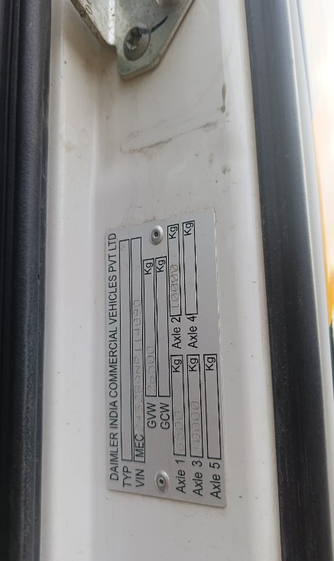
PICTURE CAUSE AND ACTION

FOTO UNIT |  |  | FOTO HM |  | FOTO KM |  | FOTO VIN

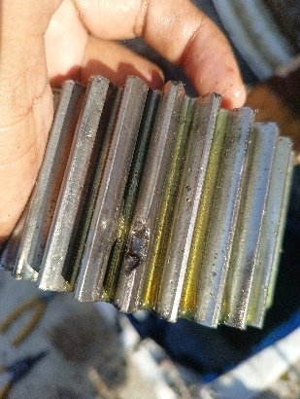
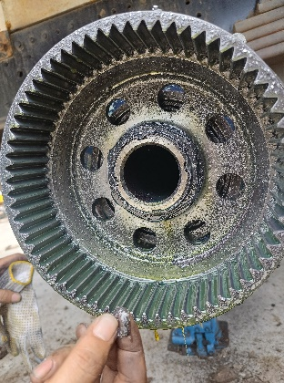
PICTURE CAUSE AND ACTION
 |  |  | 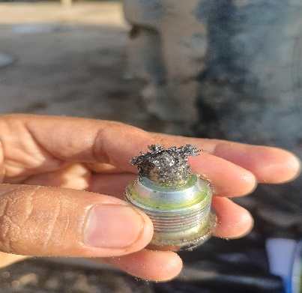 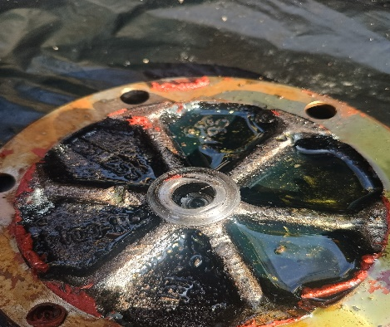 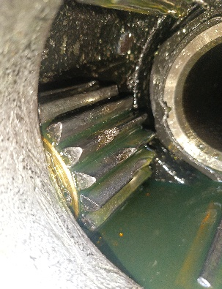

CUSTOMER COMPLAINT PICTURE |  |  | JOB PROGRESS INVESTIGATION PICTURE |  |  |  |  | PROSES INSTALL OR PICTURE JOB FINISH

PICTURE CAUSE AND ACTION
 |  |  |  |  |  |  | PART NUMBER YANG DIBUTUHKAN ADALAH :

Part Book |  |  | picture part no aktual |  | picture part no part new |  | Remarks

 |  |  |  |  |  |  | validation

and Mercedes-Benz are registered trademarks of Mercedes-Benz Group AG.
Head Office | Gedung Office 8 Lt.33 (SCBD Lot 28/Senopati Raya 8B), Jl.Jend.Sudirman Kav.52-53, Jakarta Selatan 12190 , Indonesia | T +62 21 57903456 | www.starwagen.co.id
Branch | Jl.Syarifuddin Yoes Blok.Kav.46-47 RT.045, Sepinggan Baru, Balikpapan Selatan, Kalimantan Timur, Indonesia | +62 54 28707888 / +62 54 28705758
 |  |  |  |  |  |  | YERRI | Supervisor / Workshop Managaer

Part Request
MENU

 |  |  |  |  |  |  |  |  | Authorized Dealer of Mercedes-Benz
Part Request Slip |  |  |  |  |  |  |  |  | Truck & Bus in Indonesia
 |  | Passenger car Commercial vehicle
Slip Numbering |  | Customer Information |  |  |  | Vehicle Information |  |  | Order Information
 |  | Nama | PT.ANTAREJA MAHADA MAKMUR |  |  | Model : | Mercedes Benz AXOR 2528 CH |  | Worksop Order No : | 31XXXX
 |  | Site | MHU |  |  | Vin : | MEC2432BANP114090 |  | Order By :
 |  |  |  |  |  | Engine No : | 0 |  | Delivery By :
 |  | Car Registration | LT2513 |  |  | Date of 1st registration: | 8 JUNI 2024 |  | Received By | 0
 |  |  |  |  |  |  |  |  | Issue On :

No | Part Number | ES1 | ES2 | Bin Location | Quantity Requested | Description |  |  | Unit Price | Total Price
1 | ALTERNATOR ASSY A4001500250 |  |  |  | 1 | alternator assy
2 |  |  |  |  |  |  |  |  |  |  | ROTATIONAL SPEED SENSOR
3
4
5
6
7
8
9
10
11
12
13
14
 |  |  |  |  |  |  |  | Foreman | Mechanic | Delivered By

 |  |  |  |  |  |  |  |  | YERRI

 | Head Office | Gedung Office 8 Lt.33 (SCBD Lot 28/Senopati Raya 8B), Jl.Jend.Sudirman Kav.52-53, Jakarta Selatan 12190 , Indonesia | T +62 21 57903456 | www.starwagen.co.id
 | Branch | Jl.Syarifuddin Yoes Blok.Kav.46-47 RT.045, Sepinggan Baru, Balikpapan Selatan, Kalimantan Timur, Indonesia | +62 54 28707888 / +62 54 28705758

and Mercedes-Benz are registered trademarks of Mercedes-Benz Group AG

Time Sheet
MENU

 |  |  |  | PT Star Wagen Indonesia
Job Time Card Report |  |  |  | Authorized Dealer of Mercedes-Benz Truck & Bus in Indonesia

Mechanic Name: | YERRI |  | WIP Number :

CIW/GW | Operational Code | End Start | Time Recording |  | Date |  |  |  | Total Time
 | Description
Warranty | REPLACE ALTERNATOR CEK ALTERNATOR NOT CHARGING | End | 17:00:00 |  | 2023-05-24 |  |  |  | 4:00:00 |  | Customer | 1:00:00
 |  | Start | 13:00:00 |  |  |  |  |  |  |  | Internal | 2:00:00
 |  | End |  |  |  |  |  |  | 0:00:00 |  | Warranty | 3:00:00
 |  | Start |  |  |  |  |  |  |  |  | GoodWill | 4:00:00
 |  | End |  |  |  |  |  |  | 0:00:00 |  |  | 5:00:00
 |  | Start |  |  |  |  |  |  |  |  |  | 6:00:00
 |  | End |  |  |  |  |  |  | 0:00:00 |  |  | 7:00:00
 |  | Start |  |  |  |  |  |  |  |  |  | 8:00:00
 |  | End |  |  |  |  |  |  | 0:00:00 |  |  | 9:00:00
 |  | Start |  |  |  |  |  |  |  |  |  | 10:00:00
 |  | End |  |  |  |  |  |  | 0:00:00 |  |  | 11:00:00
 |  | Start |  |  |  |  |  |  |  |  |  | 12:00:00
 |  | End |  |  |  |  |  |  | 0:00:00 |  |  | 13:00:00
 |  | Start |  |  |  |  |  |  |  |  |  | 14:00:00
 |  | End |  |  |  |  |  |  | 0:00:00 |  |  | 15:00:00
 |  | Start |  |  |  |  |  |  |  |  |  | 16:00:00
 |  | End |  |  |  |  |  |  | 0:00:00 |  |  | 13:00:00
 |  | Start |  |  |  |  |  |  |  |  |  | 14:00:00
 |  | End |  |  |  |  |  |  | 0:00:00 |  |  | 15:00:00
 |  | Start |  |  |  |  |  |  |  |  |  | 16:00:00
 |  | End |  |  |  |  |  |  | 0:00:00 |  |  | 13:00:00
 |  | Start |  |  |  |  |  |  |  |  |  | 14:00:00
 |  | End |  |  |  |  |  |  | 0:00:00 |  |  | 15:00:00
 |  | Start |  |  |  |  |  |  |  |  |  | 16:00:00
 |  |  |  |  |  |  |  |  |  |  |  | 17:00:00
Hours |  | C | I | W/G | W1 | W2 | W3 | W4 | W5 | W6 |  | 18:00:00
Total |  |  |  | 4:00:00 |  |  |  |  |  |  |  | 19:00:00
 |  |  |  |  |  |  |  |  |  |  |  | 20:00:00
Head Office | Gedung Office 8 Lt.33 (SCBD Lot 28/Senopati Raya 8B), Jl.Jend.Sudirman Kav.52-53, Jakarta Selatan 12190 , Indonesia | T +62 21 57903456 | www.starwagen.co.id |  |  |  |  |  |  |  |  |  |  |  | 21:00:00
Branch | Jl.Syarifuddin Yoes Blok.Kav.46-47 RT.045, Sepinggan Baru, Balikpapan Selatan, Kalimantan Timur, Indonesia | +62 54 28707888 / +62 54 28705758 |  |  |  |  |  |  |  |  |  |  |  | 22:00:00
 |  |  |  |  |  |  |  |  |  |  |  | 23:00:00
and Mercedes-Benz are registered trademarks of Mercedes-Benz Group AG
 |  |  |  |  |  |  |  |  |  |  |  | 1900-01-01 00:00:00

Final Control
MENU

 |  |  | Truck & Bus |  |  |  | PT Star Wagen Indonesia
 |  |  | in Indonesia |  |  |  | Authorized Dealer of Mercedes-Benz Truck & Bus in Indonesia
Final Control Report

 |  | Customer Name : | PT.ANTAREJA MAHADA MAKMUR |  | Millage In : |  |  |  | Check And Tested By
 |  | Wo no/ WIP NO : |  |  | Millage Out : |  |  |  | Name : | YERRI
 |  |  |  |  |  |  |  |  | Date : | 2023-05-24

 |  | Function Checks |  |  | Visual Checks |  |  |  | Other Checks
 | √ | All warning indicators |  | √ | Engine |  |  | √ | Wiper blades and spraying nozzle |  | √
 | √ | Steering system |  | √ | Transmission |  |  | √ | Vacuum hoses/lines |  | x
 | √ | Horn |  | √ | Rear axles |  |  | √ | Write your own checking list related reparation you did
 | √ | Lights interior / exterior |  | √ | Steering system |  |  | √ | …………………………………………………………………..
 | √ | Other electrical equipment |  | √ | Fuel system |  |  | √ | …………………………………………………………………..
 | √ | Central locking / closing assist system |  | √ | Cooling system |  |  | √ | …………………………………………………………………..
 | √ | Brakes on dynamometer or test drive |  | √ | Brake hoses / lines / linkage |  |  | √ | …………………………………………………………………..
 | √ | Air conditioner |  | √ | Condition of tires/spare tires (if any) |  |  | √ | …………………………………………………………………..
 |  |  |  | √ | Cleanliness inside and outside |  |  |  | …………………………………………………………………..
 |  | Fluid Levels |  |  | Final Checks |  |  |  | Document Check
 | √ | Engine |  | √ | Check work performed |  |  | √ | Test document / Short test result
 | √ | Transmission |  | √ | Test Drive if needed |  |  | √ | Workshop report (only if required)
 | √ | Radiator / Coolant |  |  |  |  |  | √ | Internal part requisition slip
 | √ | Power steering |  |  |  |  |  | √ | Battery test result, only if tested
 | √ | Battery |  |  |  |  |  | √
 | √ | Brake system |  |  |  |  |  | √
 | √ | Windshield washer |  |  |  |  |  | √
 |  |  |  |  |  |  |  | √
 | After completion of all the work required by you, we performed a final quality check on your vehicle with the following results:
 | Ok |  | No |  |  |  |  | Acknowledged by
 | During checking & reparation process, some critical findings has to be followed up;
 | 1.
 | 2.
 | this has been conveyed on………..to……………. but not approved for doing an action. |  |  |  | (Service Advisor) | (Customer) |  | Foreman or Supervisor

 | Head Office | Gedung Office 8 Lt.33 (SCBD Lot 28/Senopati Raya 8B), Jl.Jend.Sudirman Kav.52-53, Jakarta Selatan 12190 , Indonesia | T +62 21 57903456 | www.starwagen.co.id
 | Branch | Jl.Syarifuddin Yoes Blok.Kav.46-47 RT.045, Sepinggan Baru, Balikpapan Selatan, Kalimantan Timur, Indonesia | +62 54 28707888 / +62 54 28705758
and Mercedes-Benz are registered trademarks of Mercedes-Benz Group AG
.

