Worksop Report
 | Menu

WORKSHOP REPORT/DIAGNOSIS GUIDE |  |  |  |  |  |  | PT.STAR WAGEN INDONESIA

Date: |  | 12-Jun-24 |  |  |  |  |  | Site
WIP No: |  |  |  |  | Customer Name: | PT. PUTRA PERKASA ABADI |  | BUKIT ASAM
Chasis No: |  | W1T96423120658502 |  |  | Reg No : |  | Reg date
Engine No: |  | 471922C0800851 |  |  | Type : | AROCS 4845K E5 | Mileage / Hours Meter | HM 3957 / KM 45782
Registration Code |  | 310000010171

COMPLAINT ANALYSIS
Customer complaint/Customer information
 | ENGINE NOISE
Vehicle information
 | HIGH PRESURE PUMP
System Information
 | FUEL SYSTEM

TEST LEVEL

 | Test Level Description |  |  |  |  | Actual Value | Remark | Attachment Nr

 | ACTUAL VALUE MCM |  |  |  |  | NOT OK | ERROR
 | CHECK FUEL SYSTEM |  |  |  |  | NOT OKE | HPP NOISE
 | CHECK PREE FILTER STRAINER |  |  |  |  | FINDING FERUM(FE) | NOT OKE
 | CHECK MAIN FUEL FILTER |  |  |  |  | FINDING FERUM(FE) | NOT OKE
 | CHECK LOW PRESURE CIRCUIT |  |  |  |  | OK | OK
 | CHECK HIGHT PRESURE PUMP |  |  |  |  | PLUNGER PISTON | BROKEN
 |  |  |  |  |  | RING PISTON PLUNGER | BROKEN
 |  |  |  |  |  | PIN LOCK | BROKEN

CAUSE LEVEL
Cause level/Workshop findings: |  |  |  |  | kami mendapat laporan dari operator bahwa unit DA4893 Arocs 4845k euro 5 om471 la terdapat noise pada area engine . ketika kita lakukan pengecekan secara detail engine sumber noise mengarah kebagian HIGH PRESSURE PUMP pada fuel system.untuk pengecekan yang lebih mendasar kita lakukan pengecekan pada fuel low presure dimana kami kami mendapatkan beberapa temua sebagai berikut: 1.Pree fuel filter strainer - Terdapat temuan gram /ferrum(FE) pada filter tersebut 2.Main fuel filter -Terdapat temuan juga berupa ferum atau gram besi halus 3.HPP(high presure pump) - ketika terdapat temuan dibagian filter kemudian kit mencoba analysa lebih lanjut bagian pump dengan remove hpp tersebut sesuai dengan pedoman WIS ,ada beberapa findings /temuan pada komponen dimana pada control valve hpp no 1&2 bagian piston plunger patah dan retaining ring+lock piston juga patah adapun tappet roller ysng patah juga sehingga tappet roller merusak housing pump control valve dan berakibat tapet roller tidak bisa dilepas dari housing pump control valve .dari kerusakan diatas kemungkinan temuan gram pada filter adalah hasil kerusakan komponen hpp yang mengalir lewat jalur pengembali fuel/return fuel system.

 |  | Ada | Tidak ada | Attachment Nr
Photo (# lembar) |  | √
Area kerusakan (gbr EPC) |  | √
Video (nama file) |  | x
Old Spare part No.
Notes: |  |  |  |  |  |  |  |  | √
 |  |  |  |  |  |  |  |  | x

RECTIFICATION AND VERIFICATION LEVEL
Rectification:

 | PART NUMBER | DESCRIPTION | QTY
 | A4710900850 | H-PRESSURE PUMP FOR RAIL | 1

Verification:
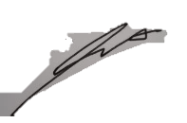

 |  |  |  |  | Workshop report digunakan untuk mencatat hasil analisa mekanik dengan menyertakan langkah-langkah diagnosis dan temuannya selama diagnosa
REGA ADITYA
Mechanic |  |  | Supervisor/Mgr

PICTURE CAUSE AND ACTION
 |  |  | 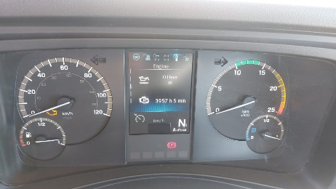 |  | 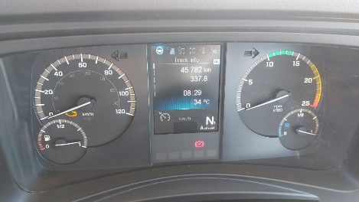 |  | 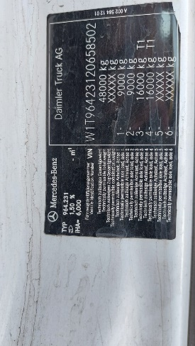

FOTO UNIT |  |  | FOTO HM |  | FOTO KM |  | FOTO VIN

PICTURE CAUSE AND ACTION
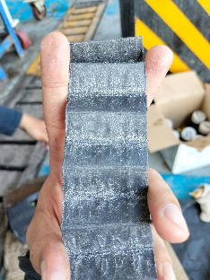 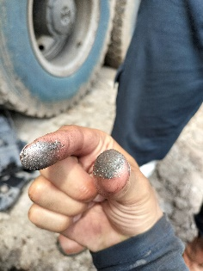

FINDING FERRUM PREE FILTER |  |  | BEFORE ACTION |  | PLUNGER DAMAGE |  | DAMAGE PARTS

PICTURE CAUSE AND ACTION
 |  |  | 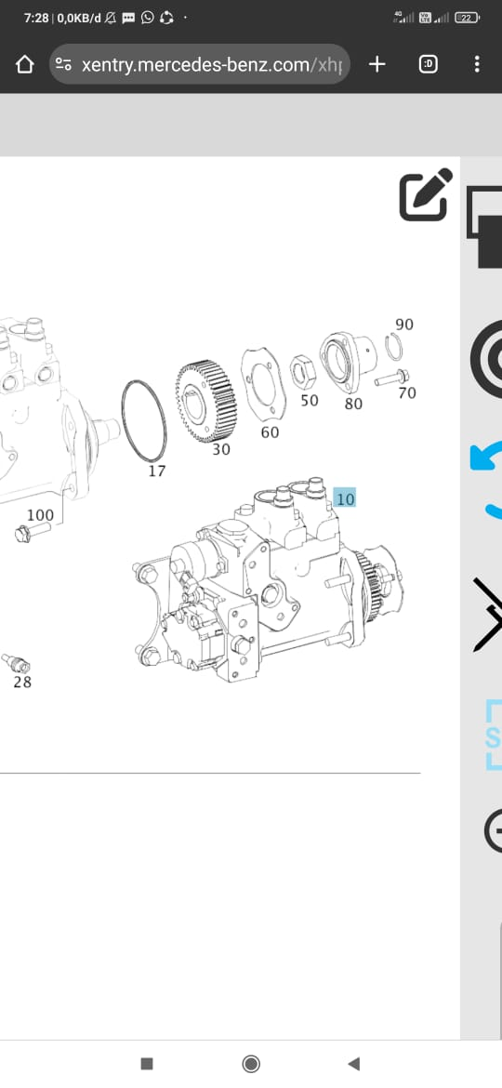 |  | 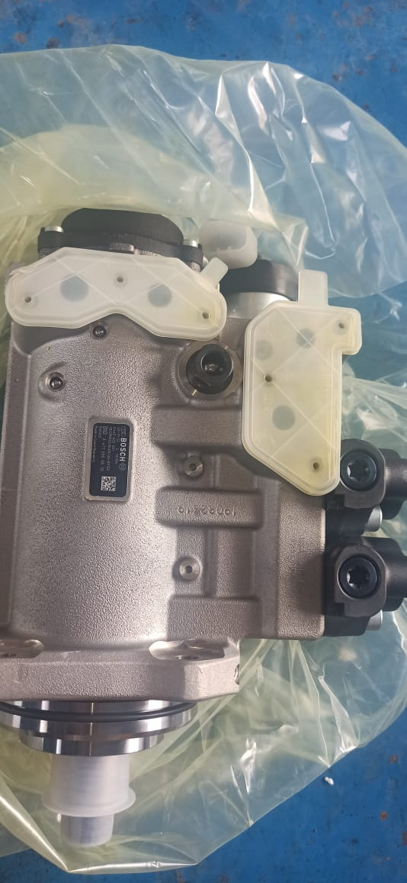 |  | 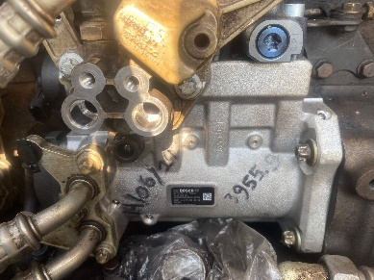 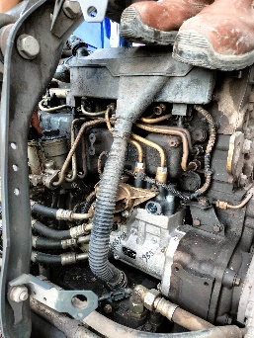

Part Book |  |  | picture part no aktual |  | PARTS NEW |  | PROGRESS INSTALL

Head Office | Gedung Office 8 Lt.33 (SCBD Lot 28/Senopati Raya 8B), Jl.Jend.Sudirman Kav.52-53, Jakarta Selatan 12190 , Indonesia | T +62 21 57903456 | www.starwagen.co.id
Branch | Jl.Syarifuddin Yoes Blok.Kav.46-47 RT.045, Sepinggan Baru, Balikpapan Selatan, Kalimantan Timur, Indonesia | +62 54 28707888 / +62 54 28705758
and Mercedes-Benz are registered trademarks of Mercedes-Benz Group AG.

Part Request
MENU

 |  |  |  |  |  |  |  |  | Authorized Dealer of Mercedes-Benz
Part Request Slip |  |  |  |  |  |  |  |  | Truck & Bus in Indonesia
 |  | Passenger car Commercial vehicle
Slip Numbering |  | Customer Information |  |  |  | Vehicle Information |  |  | Order Information
 |  | Nama | PT. PUTRA PERKASA ABADI |  |  | Model : | AROCS 4845K E5 |  | Worksop Order No : | 31 0000010171
 |  | Site | BUKIT ASAM |  |  | Vin : | W1T96423120658502 |  | Order By :
 |  |  |  |  |  | Engine No : | 471922C0800851 |  | Delivery By : | PT.SWI
 |  | Car Registration | 310000010171 |  |  | Date of 1st registration: |  |  | REGA
 |  |  |  |  |  |  |  |  | Issue On :

No | Part Number | ES1 | ES2 | Bin Location | Quantity Requested | Description |  |  | Unit Price | Total Price
1 | A4710900850 |  |  |  | 1 | H-PRESSURE PUMP FOR RAIL
2
3
4
5
6
7
8
9
10
11
12
13
14
 |  |  |  |  |  |  |  | Foreman | Mechanic | Delivered By

 |  |  |  |  |  |  |  |  | REGA ADITYA | 0

 | Head Office | Gedung Office 8 Lt.33 (SCBD Lot 28/Senopati Raya 8B), Jl.Jend.Sudirman Kav.52-53, Jakarta Selatan 12190 , Indonesia | T +62 21 57903456 | www.starwagen.co.id
 | Branch | Jl.Syarifuddin Yoes Blok.Kav.46-47 RT.045, Sepinggan Baru, Balikpapan Selatan, Kalimantan Timur, Indonesia | +62 54 28707888 / +62 54 28705758

and Mercedes-Benz are registered trademarks of Mercedes-Benz Group AG

Work Order
MENU

 |  |  |  |  | PT Star Wagen Indonesia
Work Order Form |  |  |  |  | Authorized Dealer of Mercedes-Benz
 |  |  |  |  | Truck & Bus in Indonesia

Customer name: |  | PT. PUTRA PERKASA ABADI |  | For reference please quote the following no.
Address: |  | BUKIT ASAM |  | Order no.:
City: |  |  |  | Date: 6 mei 2024 | Customer No: | Page:
Telp:
Tax Code:

Regisration No. |  | Chassis No/Vin | Sales Designation |  |  | Reception date/time
 |  |  |  |  |  | 2024-06-12
Millage / KM |  | Engine No. | Active Reception |  |  | Received by
 |  |  | YES | NO |  | REGA ADITYA | 0
Routing No. |  | Last Service | Sales Designation |  |  | Deadline/time
 |  | Date / Millege
Is this vehicle related to campaign ? Yes No Mobility Service Yes No
Item | Operation. Nr |  | Hours | Type Of Work
L | REPLACE HPP |  | 6,3H | WARRANTY

Ketentuan: 1. Lembar Work order yang sudah ditandatangai merupakan surat kuasa dari pelanggan ke dealer untuk dilakukan pekerjaan sesuai yang tertera di work order, serta memberi wewenang untuk melakukan uji coba kendaraan di luar bengkel. 2. Kendaraan yang sudah selesai diperbaiki wajib diambil oleh pelanggan dalam waktu ...x 24 jam dari waktu pemberitahuan. Apabila melebihi dari waktu tersebut, Dealer tidak bertanggung jawab lagi atas kondisi kendaraan tersebut dan dikenakan biaya sebesar Rp..................../hari. |  |  |  | 3. Dealer tidak bertanggung jawab atas segala kerugian akibat musibah, bencana alam ataupun kejadian lain yang tidak dipredikasi atau di luar tanggung jawab dealer. 4. Tidak diperkenankan menyimpan barang barang berharga didalam kendaraan. Dealer tidak bertanggung jawab apabila terjadi kehilangan atas barang barang tersebut. 5. Hal lain diluar ketentuan ini akan diatur tersendiri oleh masing-masing dealer.


 | Customer's signature & name |  |  |  | Service Adviser's signature & name

Head Office | Gedung Office 8 Lt.33 (SCBD Lot 28/Senopati Raya 8B), Jl.Jend.Sudirman Kav.52-53, Jakarta Selatan 12190 , Indonesia | T +62 21 57903456 | www.starwagen.co.id
Branch | Jl.Syarifuddin Yoes Blok.Kav.46-47 RT.045, Sepinggan Baru, Balikpapan Selatan, Kalimantan Timur, Indonesia | +62 54 28707888 / +62 54 28705758

 | and Mercedes-Benz are registered trademarks of Mercedes-Benz Group AG.

Time Sheet
MENU

 |  |  |  | PT Star Wagen Indonesia
Job Time Card Report |  |  |  | Authorized Dealer of Mercedes-Benz Truck & Bus in Indonesia

Mechanic Name: | REGA ADITYA | 0 | WIP Number :

CIW/GW | Operational Code | End Start | Time Recording |  | Date |  |  |  | Total Time
 | Description
Warranty | REMOVE & INSTAL HPP | End |  |  |  |  |  |  |  |  | Customer | 1:00:00
 |  | Start |  |  |  |  |  |  |  |  | Internal | 2:00:00
 |  | End | 16:00:00 |  |  |  |  |  | 6,30 |  | Warranty | 3:00:00
 |  | Start | 17:00:00 |  |  |  |  |  |  |  | GoodWill | 4:00:00
 |  | End |  |  |  |  |  |  | 0:00:00 |  |  | 5:00:00
 |  | Start |  |  |  |  |  |  |  |  |  | 6:00:00
 |  | End |  |  |  |  |  |  | 0:00:00 |  |  | 7:00:00
 |  | Start |  |  |  |  |  |  |  |  |  | 8:00:00
 |  | End |  |  |  |  |  |  | 0:00:00 |  |  | 9:00:00
 |  | Start |  |  |  |  |  |  |  |  |  | 10:00:00
 |  | End |  |  |  |  |  |  | 0:00:00 |  |  | 11:00:00
 |  | Start |  |  |  |  |  |  |  |  |  | 12:00:00
 |  | End |  |  |  |  |  |  | 0:00:00 |  |  | 13:00:00
 |  | Start |  |  |  |  |  |  |  |  |  | 14:00:00
 |  | End |  |  |  |  |  |  | 0:00:00 |  |  | 15:00:00
 |  | Start |  |  |  |  |  |  |  |  |  | 16:00:00
 |  | End |  |  |  |  |  |  | 0:00:00 |  |  | 13:00:00
 |  | Start |  |  |  |  |  |  |  |  |  | 14:00:00
 |  | End |  |  |  |  |  |  | 0:00:00 |  |  | 15:00:00
 |  | Start |  |  |  |  |  |  |  |  |  | 16:00:00
 |  | End |  |  |  |  |  |  | 0:00:00 |  |  | 13:00:00
 |  | Start |  |  |  |  |  |  |  |  |  | 14:00:00
 |  | End |  |  |  |  |  |  | 0:00:00 |  |  | 15:00:00
 |  | Start |  |  |  |  |  |  |  |  |  | 16:00:00
 |  |  |  |  |  |  |  |  |  |  |  | 17:00:00
Hours |  | C | I | W/G | W1 | W2 | W3 | W4 | W5 | W6 |  | 18:00:00
Total |  |  |  | 0:00:00 |  |  |  |  |  |  |  | 19:00:00
 |  |  |  |  |  |  |  |  |  |  |  | 20:00:00
Head Office | Gedung Office 8 Lt.33 (SCBD Lot 28/Senopati Raya 8B), Jl.Jend.Sudirman Kav.52-53, Jakarta Selatan 12190 , Indonesia | T +62 21 57903456 | www.starwagen.co.id |  |  |  |  |  |  |  |  |  |  |  | 21:00:00
Branch | Jl.Syarifuddin Yoes Blok.Kav.46-47 RT.045, Sepinggan Baru, Balikpapan Selatan, Kalimantan Timur, Indonesia | +62 54 28707888 / +62 54 28705758 |  |  |  |  |  |  |  |  |  |  |  | 22:00:00
 |  |  |  |  |  |  |  |  |  |  |  | 23:00:00
and Mercedes-Benz are registered trademarks of Mercedes-Benz Group AG
 |  |  |  |  |  |  |  |  |  |  |  | 1900-01-01 00:00:00

