Worksop Report
 | Menu
 |  |  | Workshop Report For Diagnostic Guide

 |  |  |  |  |  |  | PT.STAR WAGEN INDONESIA
 |  |  |  |  | WO | 310000010150
Date: |  | 7-Jun-24 |  |  |  |  |  | Job Site:
WIP No: |  |  |  |  | Customer Name: | PT. ANTAREJA MAHADA MAKMUR |  | PT MIFA
Chasis No: |  | MFJ400243PJ002311 |  |  | Reg No : |  | Reg date
Engine No: |  | 400953D0142488 |  |  | Type : | AXOR 2528 CH | Mileage / Hours Meter | 15935 / 836
Unit Code |  | DA52528
 |  |  |  |  | 310000010150
COMPLAINT ANALYSIS
Customer complaint/Customer information
 | There noise in area rear
Vehicle information
 | Aplicaton : | ü Long distance |  | ü Dump truck | Ore operation | Regular service base
 |  | Short distance |  | support truck | ü OB operation
Customer Information :
 | When machin operation any noise in area rear

TEST LEVEL

 | Test Level Description |  |  |  |  | Actual Value | Remark | Attachment Number
 | CHECK BOLT PROPELER SAHFT |  |  |  |  | LOOSE | NOT OK
 | CHECK CENTER BEARING |  |  |  |  | BROKEN | NOT OK
 | CHECK CENTER BEARING RUBBER |  |  |  |  | BROKEN | NOT OK
 | CHECK FLANGE PROPELER SHAFT |  |  |  |  | BROKEN | NOT OK
 | CHECK CONDITION SILINCER |  |  |  |  | DENT | NOT OK

CAUSE LEVEL
Cause level/Workshop findings: |  |  |  |  | RESULT :
 |  |  |  |  | AFTER GETTING INFORMATION FROM DRIVER WE CHECK NOISE IN AREA REAR, WE INSPECT AREA REAR WE FOUND CONDITION CENTER BEARING PROPELER SHAFT BROKEN. WE CHECK SURI FLANGE PROPELER SHAFT BROKEN AND BOLT PROPELER SHAFT MISSING.AND WE SEE CODITION SILINCER DENTING CAUSE EFFECT FROM PROPELER SHAFT BROKEN AND AFTER CHECK WE MOVING UNIT FROM HAULING ROAD TO WORKSHOP AND WE PARKING UNIT UNTIL SPARE PART COME ON SITE.
 |  | Ada | Tidak ada | Attachment Nr
Photo (# lembar) |  | √ |  | √
Area kerusakan (gbr EPC) |  | √ |  | √
Video (nama file) |  | x |  | √
Old Spare part No.
Notes: |  |  |  |  |  |  |  |  | √
 |  |  |  |  |  |  |  |  | x

RECTIFICATION AND VERIFICATION LEVEL
Rectification:

 | PART NUMBER | DESCRIPTION | QTY
 | A4004110312 | LU Propeller Shaft Intermediate bearing | 1
 | A4004110911 | (LU Universal joint flange | 1
 | A0079901401 | Hexagon head bold | 4
 | N000000005461 | Hexagon Nut ISO 8673-M14X 1,5-10 DBL9 | 4
 | A4004903401 | LU MUFFLER / 17L | 1
 | A4004111011 | LU UNIVERSAL JOINT / KIT | 1
 | A4004110245 | COUPLING FLANGE | 1
 | A4004110183 | PROTECTIVE METAL SHEET | 2

Verification:

 |  |  | Problem causes of fatigue material from rubber center bearing make the vibration so that cause the propeler shaft unbalance.After that the bolt & nut damaged (as a fuse) and then the propeler shaft loosen and damage hitting the silincer mufler

PICTURE CAUSE AND ACTION
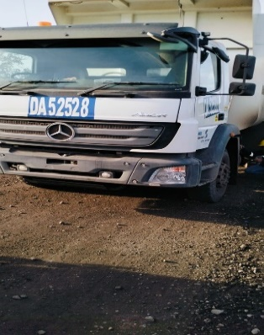 |  |  | 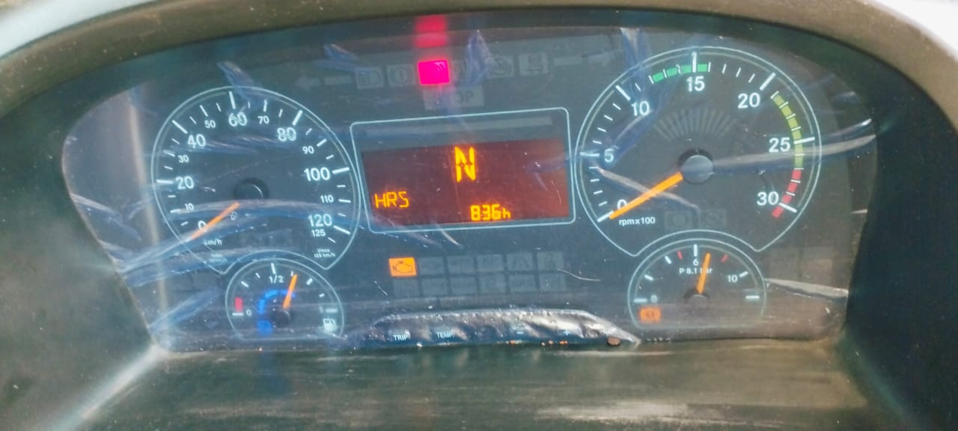 |  | 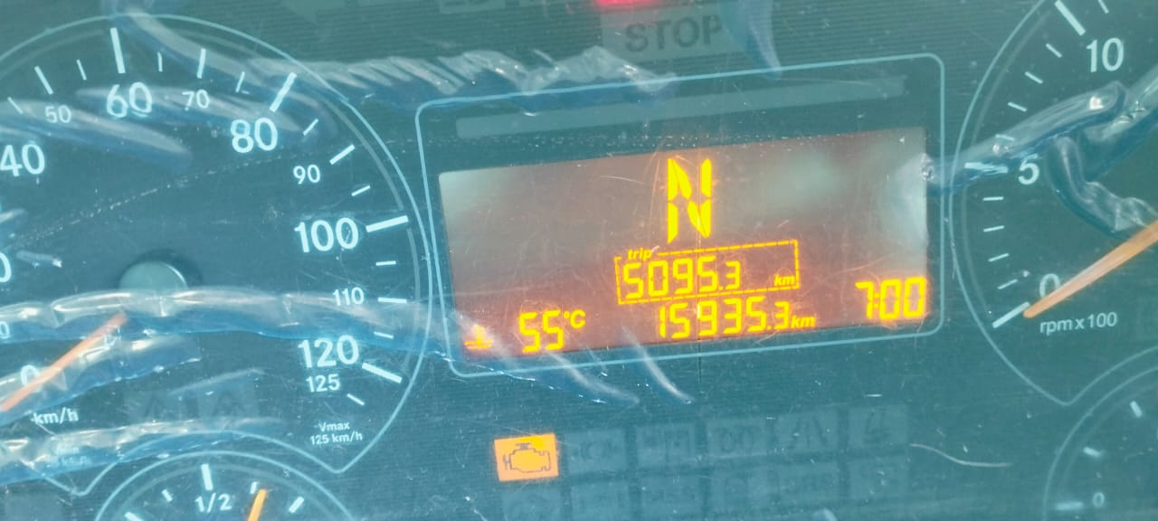 |  | 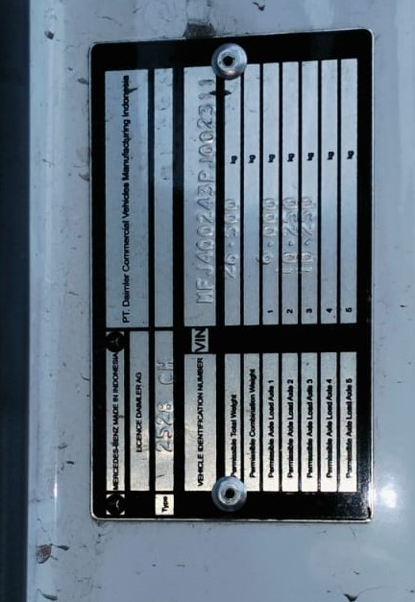

FOTO UNIT |  |  | FOTO HM |  | FOTO KM |  | FOTO VIN

PICTURE CAUSE AND ACTION
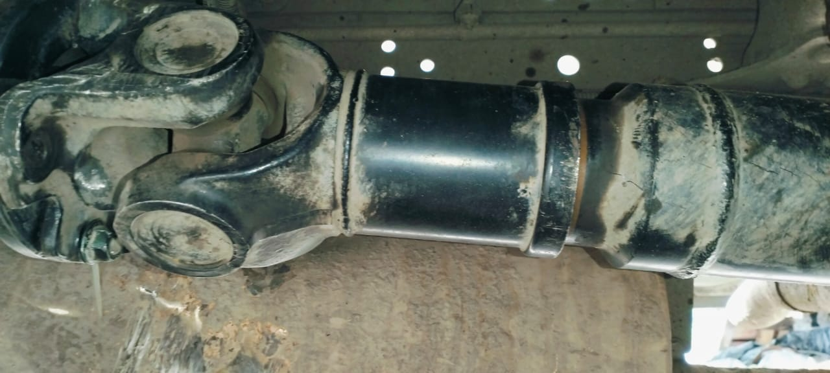 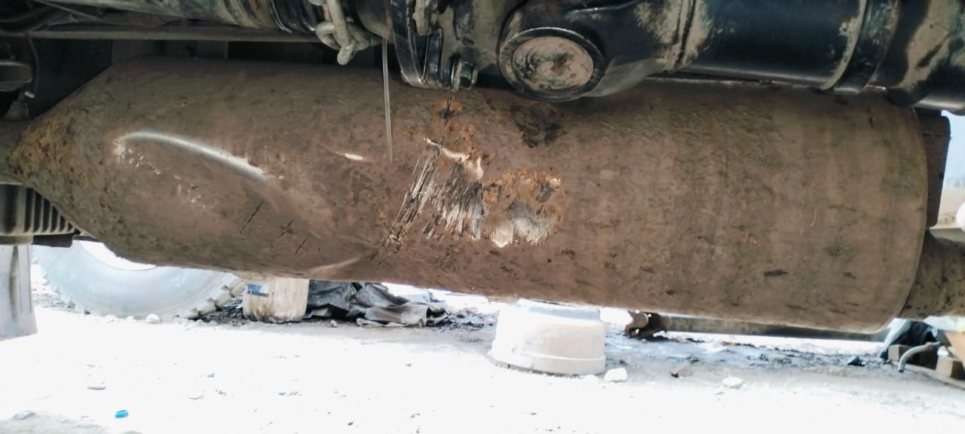 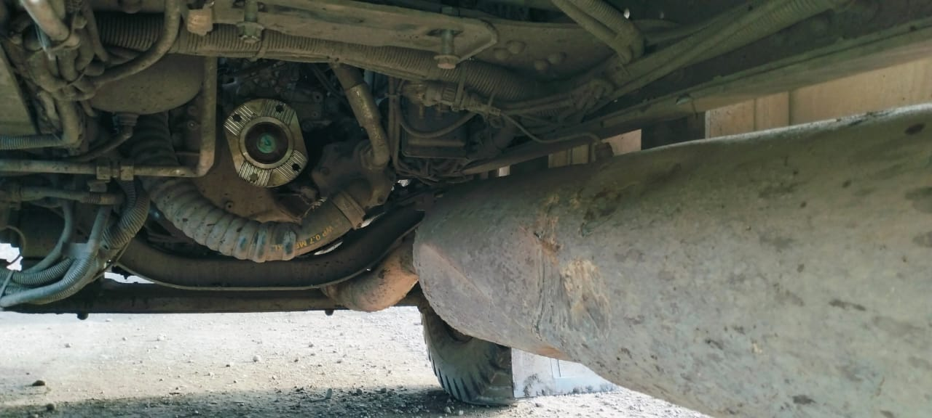 |  |  | 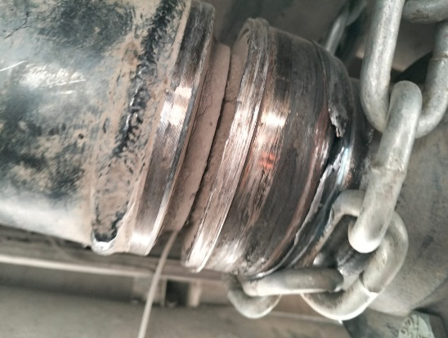 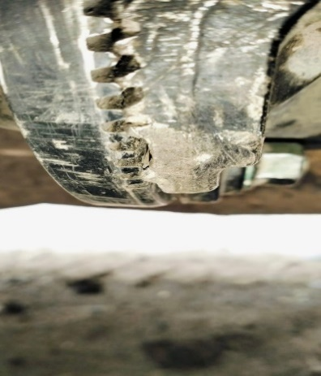 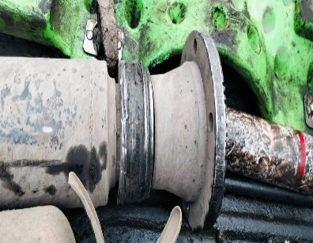 |  |  |  |  | 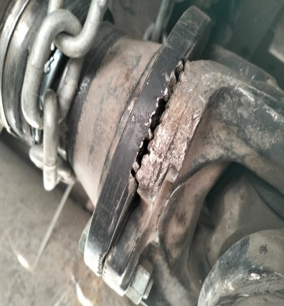
CONDITION CENTER BEARING RUBBER DAMAGE (FATUGE)

BOLT PLOPELLER SHAFT LOOSE

rubber fatigue cause vibration
CONDITION SILINCER MUFFLER DAMAGE BECAUSE HITTING FROM PROPELLER SHAFT
propellershaft un ballance
ANALYZE
bolt & nut damage as fuse
CONDITION FLANGE
propeller loose and damage
CUSTOMER COMPLAINT PICTURE |  |  | JOB PROGRESS INVESTIGATION PICTURE

PICTURE CAUSE AND ACTION
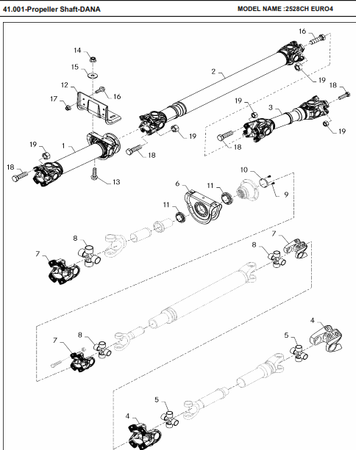

Part Book |  |  |  |  | picture part no part new |  | Remarks

 |  |  |  |  |  |  | validation

and Mercedes-Benz are registered trademarks of Mercedes-Benz Group AG.
and Mercedes-Benz are registered trademarks of Mercedes-Benz Group AG.
Head Office | Gedung Office 8 Lt.33 (SCBD Lot 28/Senopati Raya 8B), Jl.Jend.Sudirman Kav.52-53, Jakarta Selatan 12190 , Indonesia | T +62 21 57903456 | www.starwagen.co.id
Branch | Jl.Syarifuddin Yoes Blok.Kav.46-47 RT.045, Sepinggan Baru, Balikpapan Selatan, Kalimantan Timur, Indonesia | +62 54 28707888 / +62 54 28705758
 |  |  |  |  |  |  | Ananda Irfan | Supervisor / Workshop Managaer

Time Sheet
MENU

 |  |  |  | PT Star Wagen Indonesia
Job Time Card Report |  |  |  | Authorized Dealer of Mercedes-Benz Truck & Bus in Indonesia

Mechanic Name: | Ananda Irfan |  | WIP Number :

CIW/GW | Operational Code | End Start | Time Recording |  | Date |  |  |  | Total Time
 | Description
Warranty |  | End |  |  |  |  |  |  | 0:00:00 |  | Customer | 1:00:00
 |  | Start |  |  |  |  |  |  |  |  | Internal | 2:00:00
 |  | End |  |  |  |  |  |  | 0:00:00 |  | Warranty | 3:00:00
 |  | Start |  |  |  |  |  |  |  |  | GoodWill | 4:00:00
 |  | End |  |  | 2023-01-16 |  |  |  | 0:00:00 |  |  | 5:00:00
 |  | Start |  |  |  |  |  |  |  |  |  | 6:00:00
 |  | End |  |  |  |  |  |  | 0:00:00 |  |  | 7:00:00
 |  | Start |  |  |  |  |  |  |  |  |  | 8:00:00
 |  | End |  |  |  |  |  |  | 0:00:00 |  |  | 9:00:00
 |  | Start |  |  |  |  |  |  |  |  |  | 10:00:00
 |  | End |  |  |  |  |  |  | 0:00:00 |  |  | 11:00:00
 |  | Start |  |  |  |  |  |  |  |  |  | 12:00:00
 |  | End |  |  |  |  |  |  | 0:00:00 |  |  | 13:00:00
 |  | Start |  |  |  |  |  |  |  |  |  | 14:00:00
 |  | End |  |  |  |  |  |  | 0:00:00 |  |  | 15:00:00
 |  | Start |  |  |  |  |  |  |  |  |  | 16:00:00
 |  | End |  |  |  |  |  |  | 0:00:00 |  |  | 13:00:00
 |  | Start |  |  |  |  |  |  |  |  |  | 14:00:00
 |  | End |  |  |  |  |  |  | 0:00:00 |  |  | 15:00:00
 |  | Start |  |  |  |  |  |  |  |  |  | 16:00:00
 |  | End |  |  |  |  |  |  | 0:00:00 |  |  | 13:00:00
 |  | Start |  |  |  |  |  |  |  |  |  | 14:00:00
 |  | End |  |  |  |  |  |  | 0:00:00 |  |  | 15:00:00
 |  | Start |  |  |  |  |  |  |  |  |  | 16:00:00
 |  |  |  |  |  |  |  |  |  |  |  | 17:00:00
Hours |  | C | I | W/G | W1 | W2 | W3 | W4 | W5 | W6 |  | 18:00:00
Total |  |  |  | 0:00:00 |  |  |  |  |  |  |  | 19:00:00
 |  |  |  |  |  |  |  |  |  |  |  | 20:00:00
Head Office | Gedung Office 8 Lt.33 (SCBD Lot 28/Senopati Raya 8B), Jl.Jend.Sudirman Kav.52-53, Jakarta Selatan 12190 , Indonesia | T +62 21 57903456 | www.starwagen.co.id |  |  |  |  |  |  |  |  |  |  |  | 21:00:00
Branch | Jl.Syarifuddin Yoes Blok.Kav.46-47 RT.045, Sepinggan Baru, Balikpapan Selatan, Kalimantan Timur, Indonesia | +62 54 28707888 / +62 54 28705758 |  |  |  |  |  |  |  |  |  |  |  | 22:00:00
 |  |  |  |  |  |  |  |  |  |  |  | 23:00:00
and Mercedes-Benz are registered trademarks of Mercedes-Benz Group AG
 |  |  |  |  |  |  |  |  |  |  |  | 1900-01-01 00:00:00

Part Request
MENU

 |  |  |  |  |  |  |  |  | Authorized Dealer of Mercedes-Benz
Part Request Slip |  |  |  |  |  |  |  |  | Truck & Bus in Indonesia
 |  | Passenger car Commercial vehicle
Slip Numbering |  | Customer Information |  |  |  | Vehicle Information |  |  | Order Information
 |  | Nama | PT. ANTAREJA MAHADA MAKMUR |  |  | Model : | AXOR 2528 CH |  | Worksop Order No : | 310000010150
 |  | Site | PT MIFA |  |  | Vin : | MFJ400243PJ002311 |  | Order By :
 |  |  |  |  |  | Engine No : | 400953D0142488 |  | Delivery By :
 |  | Car Registration | DA52528 |  |  | Date of 1st registration: | 0 |  | Received By | 45450
 |  |  |  |  |  |  |  |  | Issue On :

No | Part Number | ES1 | ES2 | Bin Location | Quantity Requested | Description |  |  | Unit Price | Total Price
1 | A4004110312 |  |  |  | 1 | LU Propeller Shaft Intermediate bearing
2 | A4004110911 |  |  |  | 1 | (LU Universal joint flange |  |  |  |  | ROTATIONAL SPEED SENSOR
3 | A0079901401 |  |  |  | 4 | Hexagon head bold
4 | N000000005461 |  |  |  | 4 | Hexagon Nut ISO 8673-M14X 1,5-10 DBL9
5 | A4004903401 |  |  |  | 1 | LU MUFFLER / 17L
6 | A4004111011 |  |  |  | 1 | LU UNIVERSAL JOINT / KIT
7 | A4004110245 |  |  |  | 1 | COUPLING FLANGE
8 | A4004110183 |  |  |  | 1 | PROTECTIVE METAL SHEET
9
10
11
12
13
14
 |  |  |  |  |  |  |  | Foreman | Mechanic | Delivered By

 |  |  |  |  |  |  |  |  | Ananda Irfan

 | Head Office | Gedung Office 8 Lt.33 (SCBD Lot 28/Senopati Raya 8B), Jl.Jend.Sudirman Kav.52-53, Jakarta Selatan 12190 , Indonesia | T +62 21 57903456 | www.starwagen.co.id
 | Branch | Jl.Syarifuddin Yoes Blok.Kav.46-47 RT.045, Sepinggan Baru, Balikpapan Selatan, Kalimantan Timur, Indonesia | +62 54 28707888 / +62 54 28705758

and Mercedes-Benz are registered trademarks of Mercedes-Benz Group AG

Final Control
MENU

 |  |  | Truck & Bus |  |  |  | PT Star Wagen Indonesia
 |  |  | in Indonesia |  |  |  | Authorized Dealer of Mercedes-Benz Truck & Bus in Indonesia
Final Control Report

 |  | Customer Name : | PT. ANTAREJA MAHADA MAKMUR |  | Millage In : |  |  |  | Check And Tested By
 |  | Wo no/ WIP NO : |  |  | Millage Out : |  |  |  | Name : | Ananda Irfan
 |  |  |  |  |  |  |  |  | Date : | 2023-09-15

 |  | Function Checks |  |  | Visual Checks |  |  |  | Other Checks
 | √ | All warning indicators |  | √ | Engine |  |  | √ | Wiper blades and spraying nozzle |  | √
 | √ | Steering system |  | √ | Transmission |  |  | √ | Vacuum hoses/lines |  | x
 | √ | Horn |  | √ | Rear axles |  |  | √ | Write your own checking list related reparation you did
 | √ | Lights interior / exterior |  | √ | Steering system |  |  | √ | …………………………………………………………………..
 | √ | Other electrical equipment |  | √ | Fuel system |  |  | √ | …………………………………………………………………..
 | √ | Central locking / closing assist system |  | √ | Cooling system |  |  | √ | …………………………………………………………………..
 | √ | Brakes on dynamometer or test drive |  | √ | Brake hoses / lines / linkage |  |  | √ | …………………………………………………………………..
 | √ | Air conditioner |  | √ | Condition of tires/spare tires (if any) |  |  | √ | …………………………………………………………………..
 |  |  |  | √ | Cleanliness inside and outside |  |  |  | …………………………………………………………………..
 |  | Fluid Levels |  |  | Final Checks |  |  |  | Document Check
 | √ | Engine |  | √ | Check work performed |  |  | √ | Test document / Short test result
 | √ | Transmission |  | √ | Test Drive if needed |  |  | √ | Workshop report (only if required)
 | √ | Radiator / Coolant |  |  |  |  |  | √ | Internal part requisition slip
 | √ | Power steering |  |  |  |  |  | √ | Battery test result, only if tested
 | √ | Battery |  |  |  |  |  | √
 | √ | Brake system |  |  |  |  |  | √
 | √ | Windshield washer |  |  |  |  |  | √
 |  |  |  |  |  |  |  | √
 | After completion of all the work required by you, we performed a final quality check on your vehicle with the following results:
 | Ok |  | No |  |  |  |  | Acknowledged by
 | During checking & reparation process, some critical findings has to be followed up;
 | 1.
 | 2.
 | this has been conveyed on………..to……………. but not approved for doing an action. |  |  |  | (Service Advisor) | (Customer) |  | Foreman or Supervisor

 | Head Office | Gedung Office 8 Lt.33 (SCBD Lot 28/Senopati Raya 8B), Jl.Jend.Sudirman Kav.52-53, Jakarta Selatan 12190 , Indonesia | T +62 21 57903456 | www.starwagen.co.id
 | Branch | Jl.Syarifuddin Yoes Blok.Kav.46-47 RT.045, Sepinggan Baru, Balikpapan Selatan, Kalimantan Timur, Indonesia | +62 54 28707888 / +62 54 28705758
and Mercedes-Benz are registered trademarks of Mercedes-Benz Group AG
.

