Worksop Report
 | Menu
 |  |  | Workshop Report For Diagnostic Guide
 |  |  |  |  |  |  |  |  |  |  | Hasil Sampling PAP

 |  |  |  |  |  |  | PT.STAR WAGEN INDONESIA
 |  |  |  |  | WO
Date: |  | Rabu,05 Juni 2024 |  |  |  |  |  | Job Site: AMM-MIFA
WIP No: |  |  |  |  | Customer Name: | PT.Antareja Mahada Makmur
Chasis No: |  | W1T96423120570538 |  |  | Reg No : |  | Reg date | Selasa,04 Juni 2024
Engine No: |  | 460972U1095973 |  |  | Type : | Mercedes Benz Arocs 4845K 8X4/4 | Mileage / Hours Meter | 92170 KM / 5659 H
Unit Code |  | DA 4836

COMPLAINT ANALYSIS
Customer complaint/Customer information
Nois Area Differential Rear
√
Vehicle information
 | Aplicaton : Differential Problem | Long distance |  | Dump truck | Coal operation | Regular service base
 |  | Short distance |  | support truck | OB operation
System Information :
Rear Axle

 | Test Level Description |  |  |  |  | Actual Value | Remark | Attachment Number
 | Chek noise pada area differential |  |  |  |  | Differentail Rear Axle Noise | Not OK
 | Drain oil differentail |  |  |  |  | Terdapat Gram | Not OK
 | Di lakukan pembokaran differential Rear |  |  |  |  | Terdapat gram pada haousing differential | Not OK
 | Di lakukan pengecekan Shaft Axle RH/LH |  |  |  |  | Scrat Di Bagian Ujung | Not OK
 | Di Lakukan Pembongkaran Di Bagian Gear Set |  |  |  |  | Drive Pinion Damage & Ring Gear | Not OK
 | Di Lakukan Pembongkaran Di Bagian Housing Planetary |  |  |  |  | Joint Planetary,Lock & Side Gear Damage | Not OK

CAUSE LEVEL
Cause level/Workshop findings: |  |  |  |  | RESULT
 |  |  |  |  | Differential Rear Axle Terjadi Kerusakan Yang Parah Karena Terdapat Gram Atau Serpihan Komponen Selain Itu Bunyi Di Bagian Differential Saat Unit Beroperasi (MXVV708001122 Axle Drive)
 |  | Ada | Tidak ada | Attachment Nr
Photo (# lembar) |  | √
Area kerusakan (gbr EPC) |  | √
Video (nama file) |  | √
Old Spare part No.
Notes:
 |  |  |  |  |  |  |  |  |  | x

RECTIFICATION AND VERIFICATION LEVEL
Rectification:
 | Waiting Sparepart

Verification:

 |  |  | Workshop report digunakan untuk mencatat hasil analisa mekanik dengan menyertakan langkah-langkah diagnosis dan temuannya selama diagnosa

PICTURE CAUSE AND ACTION
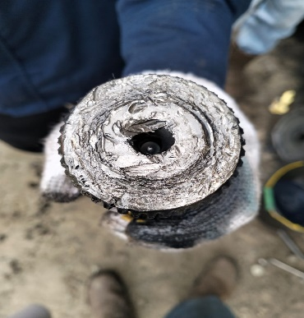 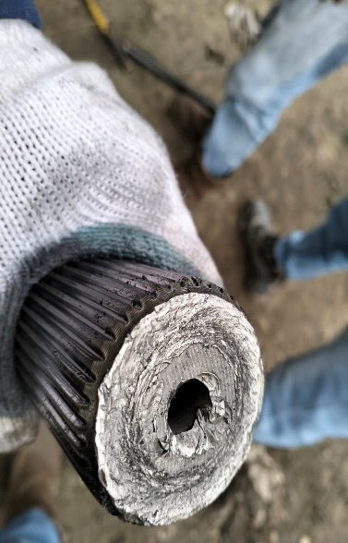 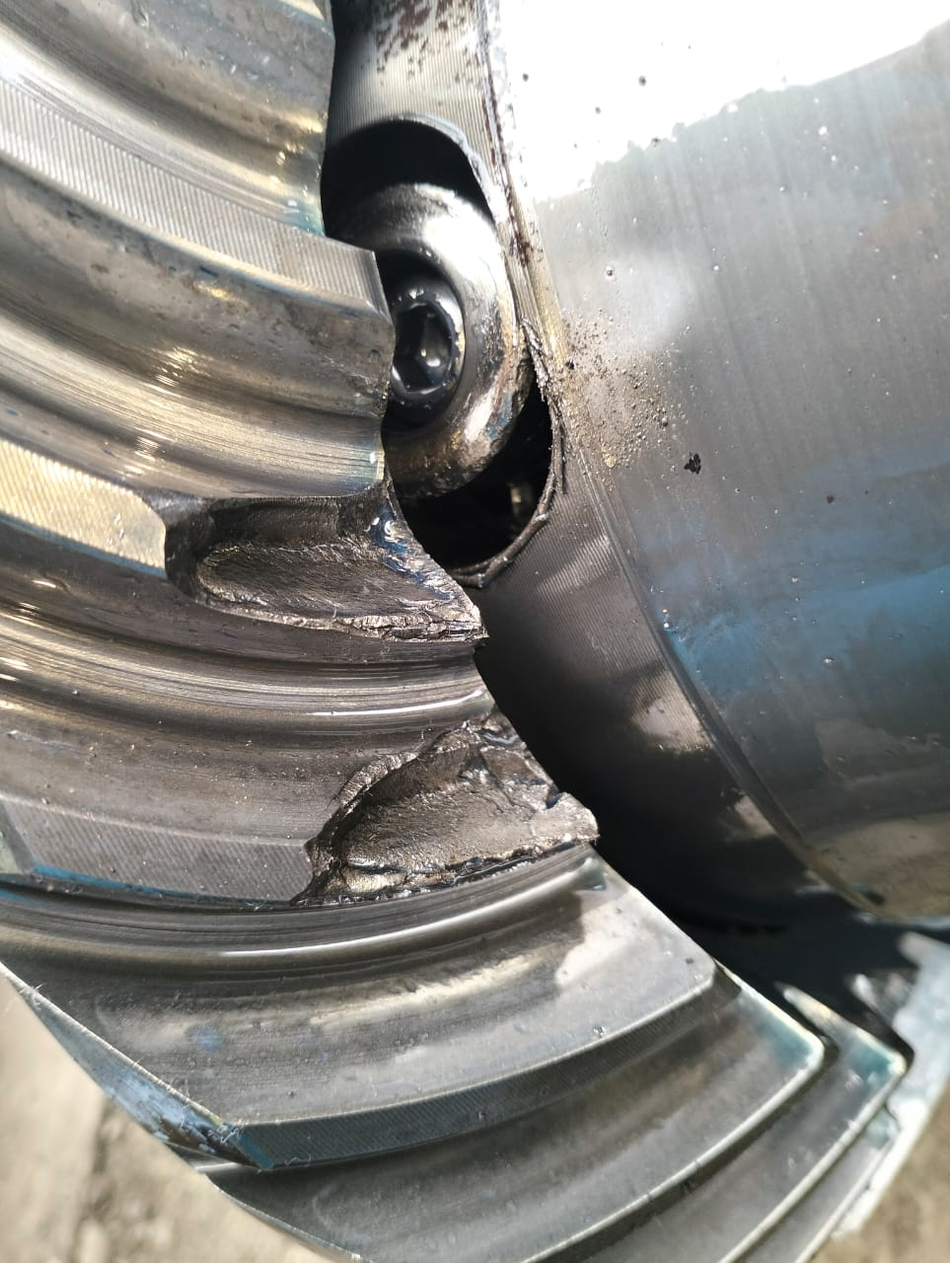 |  |  | 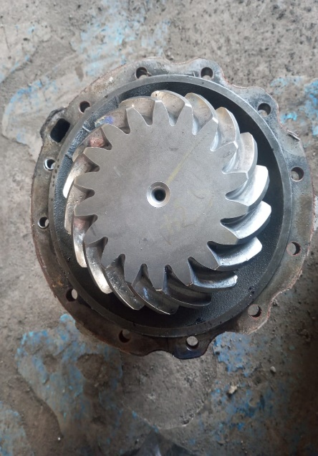 |  | 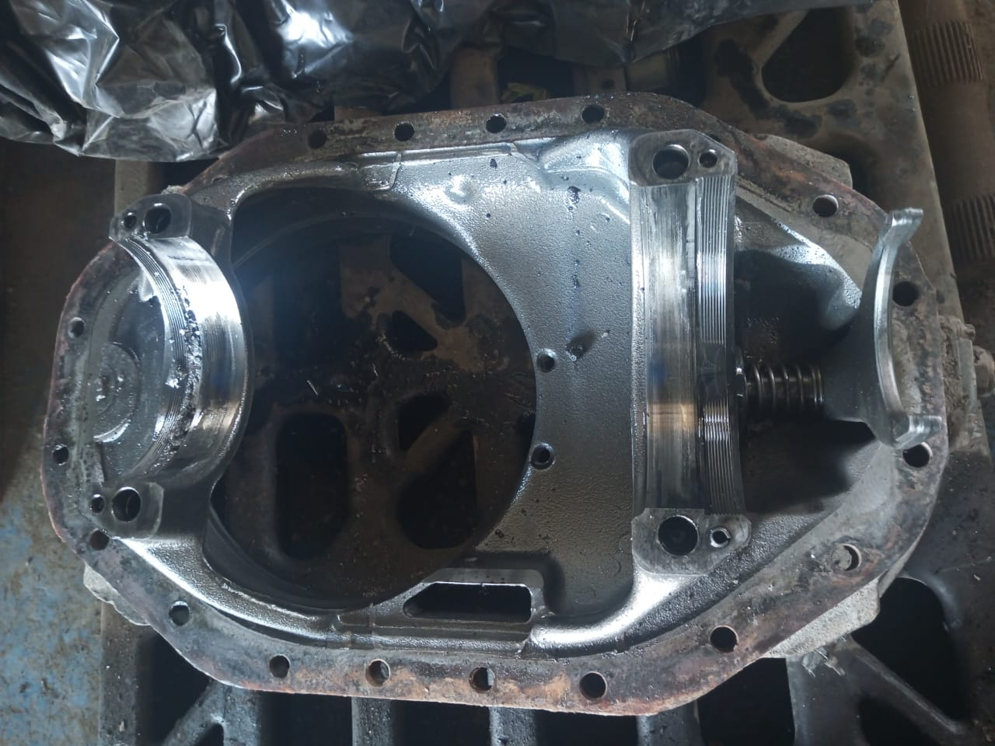 |  | 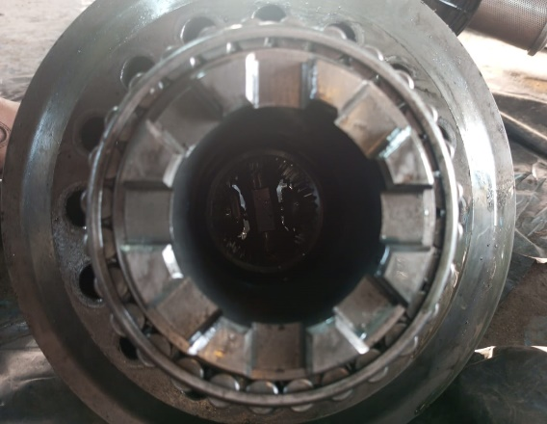 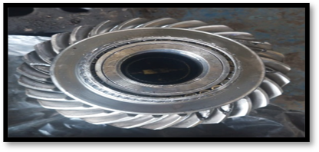

Ring Gear & Planetarty

Shaft Axle Kiri (Left)
Shaft Axle Kanan (Right)

Pinion Gear Damage
Housing Centre Differential Terdapat Banyak Sekali Gram Atau Serpihan
RING GEAR Mengalami Kerusakan Berat

FOTO UNIT |  |  | FOTO HM |  | FOTO KM |  | FOTO VIN
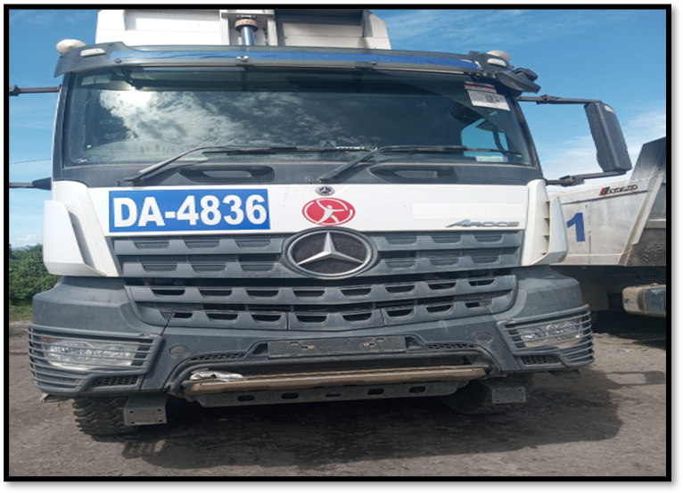
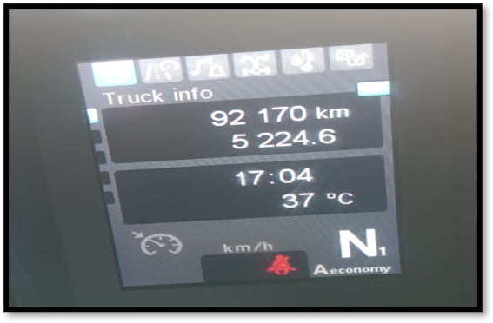

PICTURE CAUSE AND ACTION
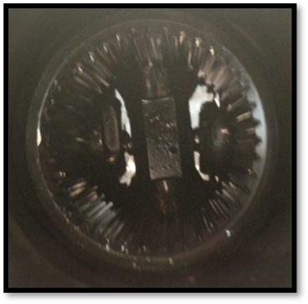 |  |  | 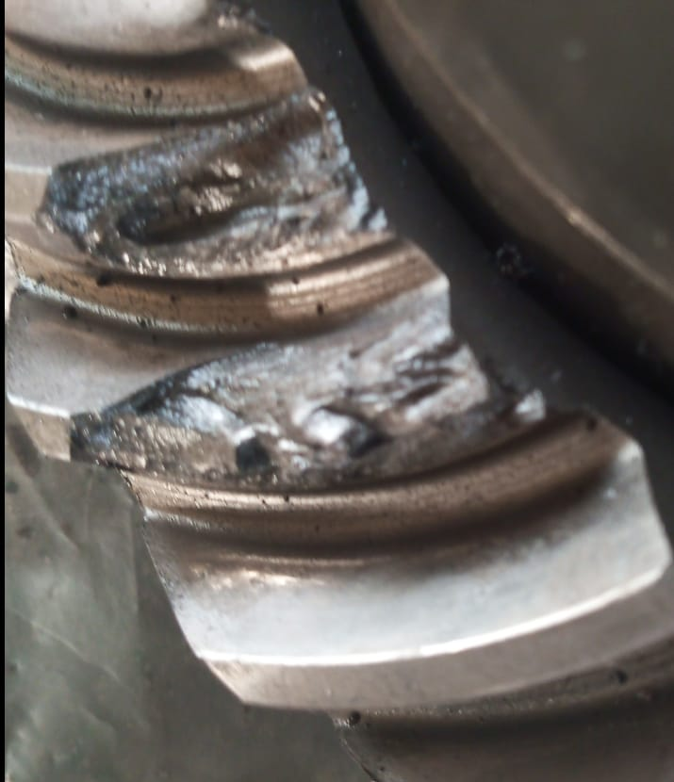 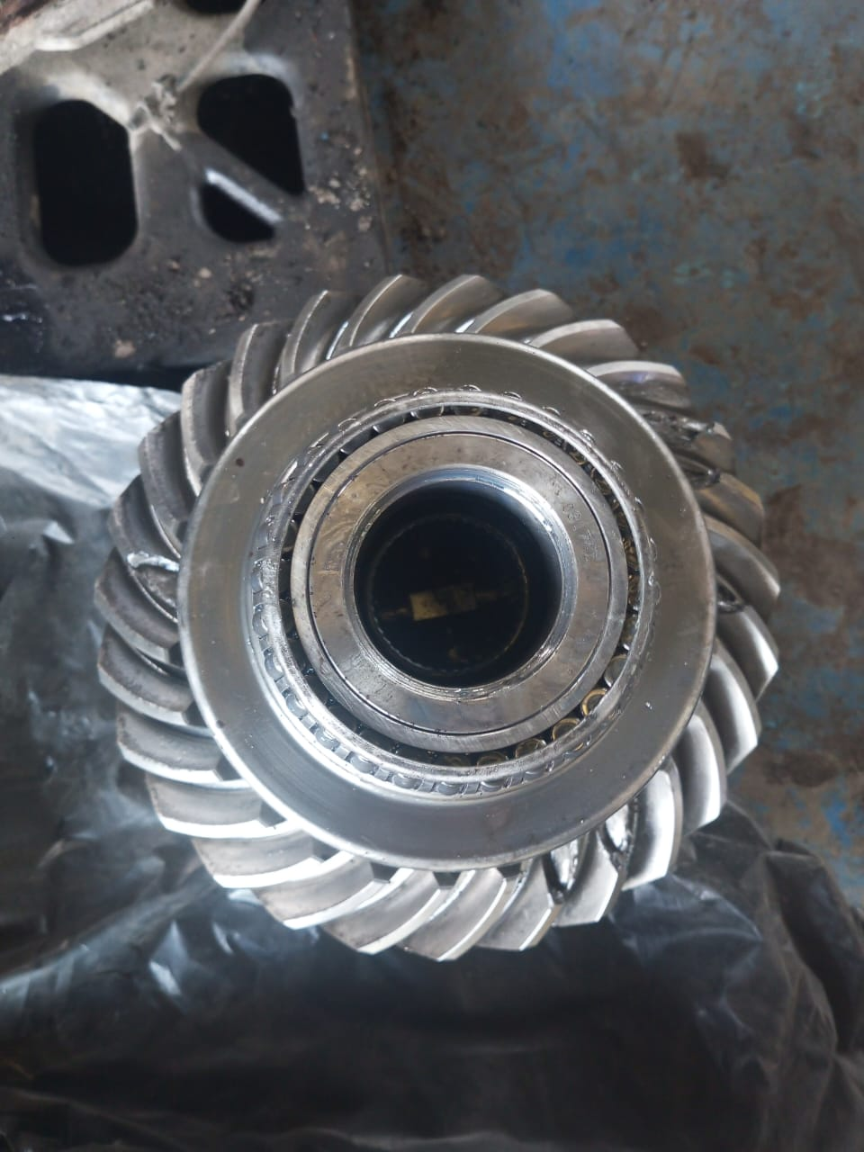 |  |  |  |  | 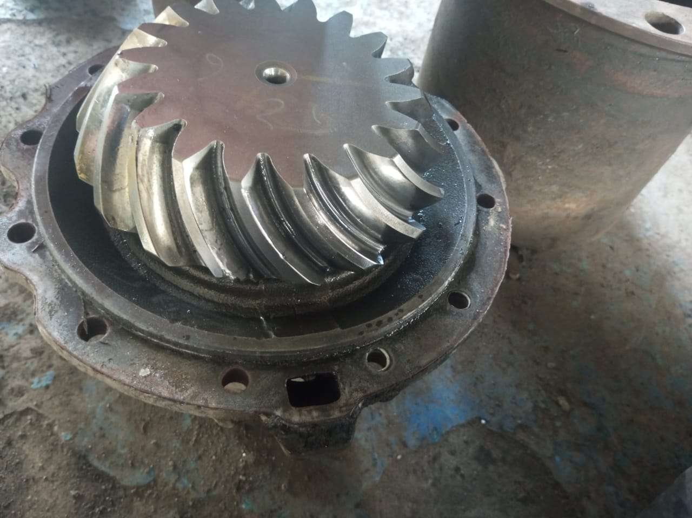 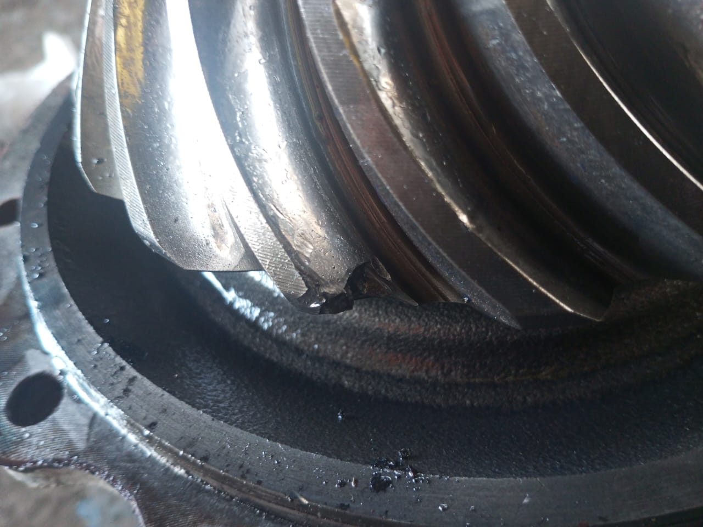

Terlihat Dari Kerusakan Yang Terjadi Pada Housing Planetary Gear Yang Mengalami Kehausan Dan Kerusakan Yang Tinggi, Kemungkinan Besar Terjadi Salah Pengoperasian Saat Melakuakan Aktif Dan Non Aktif System Differential Lock, Baik Interwheel Atau Interaxle.

Dari Kerusakan Terlihat Terjadi Pertautan Antara Gear Yang Tidak Presisi

CUSTOMER COMPLAINT PICTURE |  |  | JOB PROGRESS INVESTIGATION PICTURE |  |  |  |  | PROSES INSTALL OR PICTURE JOB FINISH

PICTURE CAUSE AND ACTION
Aktifasi Differntial Lock
Kondisi Kendaraan Dalam Posisi Diam

Non Aktifkan Tombol Dan Gerakkan Kendaraan Maju Atau Mundur Secara Perlahan Tidak Dengan di Hentak, Hindari Lupa Menon Aktifkan Switch DiffLock Terutama Interweel
Non Aktifasi Differntial Lock

Hasil Diskusi Dengan Team Logistic Dan Team Technical Untuk Melakukan Pengorderan Differential Centre Housing Menggunakan Part Number MXVV708001122
Maintenance System & Informasi Tambahan
1- Pasang Stiker Peringatan Di Area Cabin Untuk Menghindari Lupa Menon Aktifkan Difflock
2-Gunakan Oli Yang Direcomendasikan Dealer
3-Segera Lapor Jika Terjadi Kelainan Pada Kendaraan Sebelum Kondisi Semakin Parah

Part Book |  |  | picture part no aktual |  | picture part no part new |  | Remarks

 |  |  |  |  |  |  | validation

and Mercedes-Benz are registered trademarks of Mercedes-Benz Group AG.
Head Office | Gedung Office 8 Lt.33 (SCBD Lot 28/Senopati Raya 8B), Jl.Jend.Sudirman Kav.52-53, Jakarta Selatan 12190 , Indonesia | T +62 21 57903456 | www.starwagen.co.id
Branch | Jl.Syarifuddin Yoes Blok.Kav.46-47 RT.045, Sepinggan Baru, Balikpapan Selatan, Kalimantan Timur, Indonesia | +62 54 28707888 / +62 54 28705758
 |  |  |  |  |  |  | 0 | 0 | 0 | 0 | 0 | 0 | 0 | 0 | 0 | 0
 |  |  |  |  |  |  | 0 | 0 | 0 | 0 | 0 | 0 | 0 | 0 | 0 | 0
 |  |  |  |  |  |  | 0 | 0 | 0 | 0 | 0 | 0 | 0 | 0 | 0 | 0
 |  |  |  |  |  |  | 0 | 0 | 0 | 0 | 0 | 0 | 0 | 0 | 0 | 0
 |  |  |  |  |  |  | 0 | 0 | 0 | 0 | 0 | 0 | 0 | 0 | 0 | 0
 |  |  |  |  |  |  | 0 | 0 | 0 | 0 | 0 | 0 | 0 | 0 | 0 | 0
 |  |  |  |  |  |  | 0 | 0 | 0 | 0 | 0 | 0 | 0 | 0 | 0 | 0
 |  |  |  |  |  |  | 0 | 0 | 0 | 0 | 0 | 0 | 0 | 0 | 0 | 0
 |  |  |  |  |  |  | 0 | 0 | 0 | 0 | 0 | 0 | 0 | 0 | 0 | 0
 |  |  |  |  |  |  | 0 | 0 | 0 | 0 | 0 | 0 | 0 | 0 | 0 | 0
 |  |  |  |  |  |  | 0 | 0 | 0 | 0 | 0 | 0 | 0 | 0 | 0 | 0
 |  |  |  |  |  |  | 0 | 0 | 0 | 0 | 0 | 0 | 0 | 0 | 0 | 0
 |  |  |  |  |  |  | 0 | 0 | 0 | 0 | 0 | 0 | 0 | 0 | 0 | 0
 |  |  |  |  |  |  | 0 | 0 | 0 | 0 | 0 | 0 | 0 | 0 | 0 | 0
 |  |  |  |  |  |  | 0 | 0 | 0 | 0 | 0 | 0 | 0 | 0 | 0 | 0
 |  |  |  |  |  |  | FOTO UNIT | 0 | 0 | FOTO HM | 0 | 0 | FOTO KM | 0 | FOTO VIN | 0
 |  |  |  |  |  |  | 0 | 0 | 0 | 0 | 0 | 0 | 0 | 0 | 0 | 0
 |  |  |  |  |  |  | 0 | 0 | 0 | 0 | 0 | 0 | 0 | 0 | 0 | 0
 |  |  |  |  |  |  | 0 | 0 | 0 | 0 | 0 | 0 | 0 | 0 | 0 | 0
 |  |  |  |  |  |  | 0 | 0 | 0 | 0 | 0 | 0 | 0 | 0 | 0 | 0
 |  |  |  |  |  |  | 0 | 0 | 0 | 0 | 0 | 0 | 0 | 0 | 0 | 0
 |  |  |  |  |  |  | 0 | 0 | 0 | 0 | 0 | 0 | 0 | 0 | 0 | 0
 |  |  |  |  |  |  | 0 | 0 | 0 | 0 | 0 | 0 | 0 | 0 | 0 | 0
 |  |  |  |  |  |  | 0 | 0 | 0 | 0 | 0 | 0 | 0 | 0 | 0 | 0
 |  |  |  |  |  |  | 0 | 0 | 0 | 0 | 0 | 0 | 0 | 0 | 0 | 0
 |  |  |  |  |  |  | 0 | 0 | 0 | 0 | 0 | 0 | 0 | 0 | 0 | 0
 |  |  |  |  |  |  | 0 | 0 | 0 | 0 | 0 | 0 | 0 | 0 | 0 | 0
 |  |  |  |  |  |  | 0 | 0 | 0 | 0 | 0 | 0 | 0 | 0 | 0 | 0
 |  |  |  |  |  |  | 0 | 0 | 0 | 0 | 0 | 0 | 0 | 0 | 0 | 0
 |  |  |  |  |  |  | 0 | 0 | 0 | 0 | 0 | 0 | 0 | 0 | 0 | 0
 |  |  |  |  |  |  | 0 | 0 | 0 | 0 | 0 | 0 | 0 | 0 | 0 | 0
 |  |  |  |  |  |  | 0 | 0 | 0 | 0 | 0 | 0 | 0 | 0 | 0 | 0
 |  |  |  |  |  |  | PICTURE CAUSE AND ACTION | 0 | 0 | 0 | 0 | 0 | 0 | 0 | 0 | 0
 |  |  |  |  |  |  | 0 | 0 | 0 | 0 | 0 | 0 | 0 | 0 | 0 | 0
 |  |  |  |  |  |  | 0 | 0 | 0 | 0 | 0 | 0 | 0 | 0 | 0 | 0
 |  |  |  |  |  |  | 0 | 0 | 0 | 0 | 0 | 0 | 0 | 0 | 0 | 0
 |  |  |  |  |  |  | 0 | 0 | 0 | 0 | 0 | 0 | 0 | 0 | 0 | 0
 |  |  |  |  |  |  | 0 | 0 | 0 | 0 | 0 | 0 | 0 | 0 | 0 | 0
 |  |  |  |  |  |  | 0 | 0 | 0 | 0 | 0 | 0 | 0 | 0 | 0 | 0
 |  |  |  |  |  |  | 0 | 0 | 0 | 0 | 0 | 0 | 0 | 0 | 0 | 0
 |  |  |  |  |  |  | 0 | 0 | 0 | 0 | 0 | 0 | 0 | 0 | 0 | 0
 |  |  |  |  |  |  | 0 | 0 | 0 | 0 | 0 | 0 | 0 | 0 | 0 | 0
 |  |  |  |  |  |  | 0 | 0 | 0 | 0 | 0 | 0 | 0 | 0 | 0 | 0
 |  |  |  |  |  |  | 0 | 0 | 0 | 0 | 0 | 0 | 0 | 0 | 0 | 0
 |  |  |  |  |  |  | 0 | 0 | 0 | 0 | 0 | 0 | 0 | 0 | 0 | 0
 |  |  |  |  |  |  | 0 | 0 | 0 | 0 | 0 | 0 | 0 | 0 | 0 | 0
 |  |  |  |  |  |  | 0 | 0 | 0 | 0 | 0 | 0 | 0 | 0 | 0 | 0
 |  |  |  |  |  |  | 0 | 0 | 0 | 0 | 0 | 0 | 0 | 0 | 0 | 0
 |  |  |  |  |  |  | 0 | 0 | 0 | 0 | 0 | 0 | 0 | 0 | 0 | 0
 |  |  |  |  |  |  | 0 | 0 | 0 | 0 | 0 | 0 | 0 | 0 | 0 | 0
 |  |  |  |  |  |  | 0 | 0 | 0 | 0 | 0 | 0 | 0 | 0 | 0 | 0
 |  |  |  |  |  |  | CUSTOMER COMPLAINT PICTURE | 0 | 0 | JOB PROGRESS INVESTIGATION PICTURE | 0 | 0 | 0 | 0 | 0 | PROSES INSTALL OR PICTURE JOB FINISH
 |  |  |  |  |  |  | 0 | 0 | 0 | 0 | 0 | 0 | 0 | 0 | 0 | 0
 |  |  |  |  |  |  | 0 | 0 | 0 | 0 | 0 | 0 | 0 | 0 | 0 | 0
 |  |  |  |  |  |  | PICTURE CAUSE AND ACTION | 0 | 0 | 0 | 0 | 0 | 0 | 0 | 0 | 0
 |  |  |  |  |  |  |  | 0 | 0 | 0 | 0 | 0 | 0 | 0 | 0 | 0
 |  |  |  |  |  |  | 0 | 0 | 0 | 0 | 0 | 0 | 0 | 0 | 0 | 0
 |  |  |  |  |  |  | 0 | 0 | 0 | 0 | 0 | 0 | 0 | 0 | 0 | 0
 |  |  |  |  |  |  | 0 | 0 | 0 | 0 | 0 | 0 | 0 | 0 | 0 | 0
 |  |  |  |  |  |  | 0 | 0 | 0 | 0 | 0 | 0 | 0 | 0 | 0 | 0
 |  |  |  |  |  |  | 0 | 0 | 0 | 0 | 0 | 0 | 0 | 0 | 0 | 0
 |  |  |  |  |  |  | 0 | 0 | 0 | 0 | 0 | 0 | 0 | 0 | 0 | 0
 |  |  |  |  |  |  | 0 | 0 | 0 | 0 | 0 | 0 | 0 | 0 | 0 | 0
 |  |  |  |  |  |  | 0 | 0 | 0 | 0 | 0 | 0 | 0 | 0 | 0 | 0
 |  |  |  |  |  |  | 0 | 0 | 0 | 0 | 0 | 0 | 0 | 0 | 0 | 0
 |  |  |  |  |  |  | Part Book | 0 | 0 | picture part no aktual | 0 | 0 | picture part no part new | 0 | Remarks | 0
 |  |  |  |  |  |  | 0 | 0 | 0 | 0 | 0 | 0 | 0 | 0 | 0 | 0
 |  |  |  |  |  |  | 0 | 0 | 0 | 0 | 0 | 0 | 0 | 0 | validation | 0
 |  |  |  |  |  |  | 0 | 0 | 0 | 0 | 0 | 0 | 0 | 0 | 0 | 0
 |  |  |  |  |  |  | 0 | 0 | 0 | 0 | 0 | 0 | 0 |  | 0 | 0
 |  |  |  |  |  |  | Head Office | Gedung Office 8 Lt.33 (SCBD Lot 28/Senopati Raya 8B), Jl.Jend.Sudirman Kav.52-53, Jakarta Selatan 12190 , Indonesia | T +62 21 57903456 | www.starwagen.co.id | 0 | 0 | 0 | 0 | 0 | 0 | 0 | 0 | 0
 |  |  |  |  |  |  | Branch | Jl.Syarifuddin Yoes Blok.Kav.46-47 RT.045, Sepinggan Baru, Balikpapan Selatan, Kalimantan Timur, Indonesia | +62 54 28707888 / +62 54 28705758 | 0 | 0 | 0 | 0 | 0 | 0 | 0 | 0 | 0
 |  |  |  |  |  |  | 0 | 0 | 0 | 0 | 0 | 0 | 0 | 0 | 0 | 0

Part Request
MENU

 |  |  |  |  |  |  |  |  | Authorized Dealer of Mercedes-Benz
Part Request Slip |  |  |  |  |  |  |  |  | Truck & Bus in Indonesia
 |  | Passenger car Commercial vehicle
Slip Numbering |  | Customer Information |  |  |  | Vehicle Information |  |  | Order Information
 |  | Nama | PT.Antareja Mahada Makmur |  |  | Model : | Mercedes Benz Arocs 4845K 8X4/4 |  | Worksop Order No : | 0
 |  | Site | 0 |  |  | Vin : | W1T96423120570538 |  | Order By :
 |  |  |  |  |  | Engine No : | 460972U1095973 |  | Delivery By :
 |  | Car Registration | DA 4836 |  |  | Date of 1st registration: | Selasa,04 Juni 2024 |  | Received By | Rabu,05 Juni 2024
 |  |  |  |  |  |  |  |  | Issue On :

No | Part Number | ES1 | ES2 | Bin Location | Quantity Requested | Description |  |  | Unit Price | Total Price
1 | XVV70800122 |  |  |  | 1 Pcs | Axle Drive
 |  |  |  |  |  |  |  |  |  |  | ROTATIONAL SPEED SENSOR

 |  |  |  |  |  |  |  | formen | mehanic | delivered by

 | Head Office | Gedung Office 8 Lt.33 (SCBD Lot 28/Senopati Raya 8B), Jl.Jend.Sudirman Kav.52-53, Jakarta Selatan 12190 , Indonesia | T +62 21 57903456 | www.starwagen.co.id
 | Branch | Jl.Syarifuddin Yoes Blok.Kav.46-47 RT.045, Sepinggan Baru, Balikpapan Selatan, Kalimantan Timur, Indonesia | +62 54 28707888 / +62 54 28705758

and Mercedes-Benz are registered trademarks of Mercedes-Benz Group AG

Time Sheet
MENU

 |  |  |  | PT Star Wagen Indonesia
Job Time Card Report |  |  |  | Authorized Dealer of Mercedes-Benz Truck & Bus in Indonesia

Mechanic Name: | Arif Hidayat |  | WIP Number :

CIW/GW | Operational Code | End Start | Time Recording |  | Date |  |  |  | Total Time
 | Description
Customer | Replace Differential Rear | End | 18:00:00 |  |  |  |  |  | 12:00:00 |  | Customer | 1:00:00
 |  | Start | 6:00:00 |  |  |  |  |  |  |  | Internal | 2:00:00
 |  | End |  |  |  |  |  |  | 0:00:00 |  | Warranty | 3:00:00
 |  | Start |  |  |  |  |  |  |  |  | GoodWill | 4:00:00
 |  | End |  |  |  |  |  |  | 0:00:00 |  |  | 5:00:00
 |  | Start |  |  |  |  |  |  |  |  |  | 6:00:00
 |  | End |  |  |  |  |  |  | 0:00:00 |  |  | 7:00:00
 |  | Start |  |  |  |  |  |  |  |  |  | 8:00:00
 |  | End |  |  |  |  |  |  | 0:00:00 |  |  | 9:00:00
 |  | Start |  |  |  |  |  |  |  |  |  | 10:00:00
 |  | End |  |  |  |  |  |  | 0:00:00 |  |  | 11:00:00
 |  | Start |  |  |  |  |  |  |  |  |  | 12:00:00
 |  | End |  |  |  |  |  |  | 0:00:00 |  |  | 13:00:00
 |  | Start |  |  |  |  |  |  |  |  |  | 14:00:00
 |  | End |  |  |  |  |  |  | 0:00:00 |  |  | 15:00:00
 |  | Start |  |  |  |  |  |  |  |  |  | 16:00:00
 |  | End |  |  |  |  |  |  | 0:00:00 |  |  | 13:00:00
 |  | Start |  |  |  |  |  |  |  |  |  | 14:00:00
 |  | End |  |  |  |  |  |  | 0:00:00 |  |  | 15:00:00
 |  | Start |  |  |  |  |  |  |  |  |  | 16:00:00
 |  | End |  |  |  |  |  |  | 0:00:00 |  |  | 13:00:00
 |  | Start |  |  |  |  |  |  |  |  |  | 14:00:00
 |  | End |  |  |  |  |  |  | 0:00:00 |  |  | 15:00:00
 |  | Start |  |  |  |  |  |  |  |  |  | 16:00:00
 |  |  |  |  |  |  |  |  |  |  |  | 17:00:00
Hours |  | C | I | W/G | W1 | W2 | W3 | W4 | W5 | W6 |  | 18:00:00
Total |  |  |  |  |  |  |  |  |  |  |  | 19:00:00
 |  |  |  |  |  |  |  |  |  |  |  | 20:00:00
Head Office | Gedung Office 8 Lt.33 (SCBD Lot 28/Senopati Raya 8B), Jl.Jend.Sudirman Kav.52-53, Jakarta Selatan 12190 , Indonesia | T +62 21 57903456 | www.starwagen.co.id |  |  |  |  |  |  |  |  |  |  |  | 21:00:00
Branch | Jl.Syarifuddin Yoes Blok.Kav.46-47 RT.045, Sepinggan Baru, Balikpapan Selatan, Kalimantan Timur, Indonesia | +62 54 28707888 / +62 54 28705758 |  |  |  |  |  |  |  |  |  |  |  | 22:00:00
 |  |  |  |  |  |  |  |  |  |  |  | 23:00:00
and Mercedes-Benz are registered trademarks of Mercedes-Benz Group AG
 |  |  |  |  |  |  |  |  |  |  |  | 1900-01-01 00:00:00

Final Control
MENU

 |  |  | Truck & Bus |  |  |  | PT Star Wagen Indonesia
 |  |  | in Indonesia |  |  |  | Authorized Dealer of Mercedes-Benz Truck & Bus in Indonesia
Final Control Report

 |  | Customer Name : | PT.Antareja Mahada Makmur |  | Millage In : |  |  |  | Check And Tested By
 |  | Wo no/ WIP NO : |  |  | Millage Out : |  |  |  | Name :
 |  |  |  |  |  |  |  |  | Date :

 |  | Function Checks |  |  | Visual Checks |  |  |  | Other Checks
 | √ | All warning indicators |  | √ | Engine |  |  | √ | Wiper blades and spraying nozzle | √
 | √ | Steering system |  | √ | Transmission |  |  | √ | Vacuum hoses/lines | x
 | √ | Horn |  | √ | Rear axles |  |  | √ | Write your own checking list related reparation you did
...
 |  |  |  |  |  |  |  | √
 | After completion of all the work required by you, we performed a final quality check on your vehicle with the following results:
 | Ok |  | No |  |  |  |  | Acknowledged by
 | During checking & reparation process, some critical findings has to be followed up;
 | 1.
 | 2.
 | this has been conveyed on………..to……………. but not approved for doing an action. |  |  |  | (Service Advisor) | (Customer) |  | Foreman or Supervisor

 | Head Office | Gedung Office 8 Lt.33 (SCBD Lot 28/Senopati Raya 8B), Jl.Jend.Sudirman Kav.52-53, Jakarta Selatan 12190 , Indonesia | T +62 21 57903456 | www.starwagen.co.id
 | Branch | Jl.Syarifuddin Yoes Blok.Kav.46-47 RT.045, Sepinggan Baru, Balikpapan Selatan, Kalimantan Timur, Indonesia | +62 54 28707888 / +62 54 28705758
and Mercedes-Benz are registered trademarks of Mercedes-Benz Group AG
.

