Worksop Report
 | Menu

WORKSHOP REPORT/DIAGNOSIS GUIDE |  |  |  |  |  |  | PT.STAR WAGEN INDONESIA

Date: |  | 29 Mei 2024 |  |  |  |  |  | Site
WIP No: |  |  |  |  | Customer Name: | PT. ANTAR REJA MAHADA MAKMUR |  | PIK
Chasis No: |  | W1T96423120658614 |  |  | Reg No : |  | Reg date | 22-Apr-24
Engine No: |  | 471922C0801328 |  |  | Type : | AROCS 4845 | Mileage / Hours Meter | 10182 KM / 438 H
Registration Code

COMPLAINT ANALYSIS
Customer complaint/Customer information
CYILINDER POWER STERING LEAK
Vehicle information
WORKING CYILINDER
System Information
STEERING SYSTEM

TEST LEVEL

 | Test Level Description |  |  |  |  | Actual Value | Remark | Attachment Nr
 | CHECK DAMAGE CYILINDER |  |  |  |  | OK | NOT OK
 | CHEK DAST SEAL |  |  |  |  | LEAK | OK
 | CHEK OIL STERING |  |  |  |  | NO LEVEL | ADD OIL STERING

CAUSE LEVEL
Cause level/Workshop findings: |  |  |  |  | PADA TANGGAL 29 MEI 2024, UNIT AROCS 4845K DENGAN NOMER LAMBUNG DA 54829 SAAT SEDANG DI LAKUKAN PEMERIKSAAN PERIODIC INSPECTION, DITEMUKAN LEAK PADA BAGIAN CYILINDER STEERING, LEAK BERASAL DARI DAST SEAL YANG KEMUNGKINAN DI SEBABKAN OLEH PREMATUR FAILUR. UNTUK CYILINDER STERING TIDAK DI TEMUKAN SCART CYLINDER & MASIH DALAM KEADAAN BAIK.

 |  | Ada | Tidak ada | Attachment Nr
Photo (# lembar) |  | √
Area kerusakan (gbr EPC) |  | √
Video (nama file) |  | x
Old Spare part No.
Notes: |  |  |  |  |  |  |  |  | √
 |  |  |  |  |  |  |  |  | x

RECTIFICATION AND VERIFICATION LEVEL
Rectification:

 | PART NUMBER | DESCRIPTION | QTY
 | A0004665592 | WORKING CYILINDER | 1

Verification:

 |  |  |  |  | Workshop report digunakan untuk mencatat hasil analisa mekanik dengan menyertakan langkah-langkah diagnosis dan temuannya selama diagnosa
TUBAGUS/INDRA
Mechanic |  |  | Supervisor/Mgr

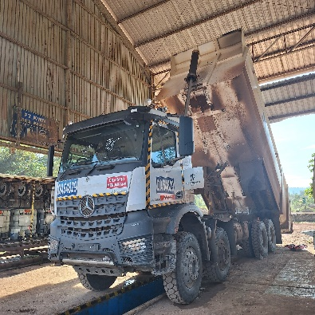
PICTURE CAUSE AND ACTION

FOTO UNIT |  |  | FOTO HM |  | FOTO KM |  | FOTO VIN

PICTURE CAUSE AND ACTION
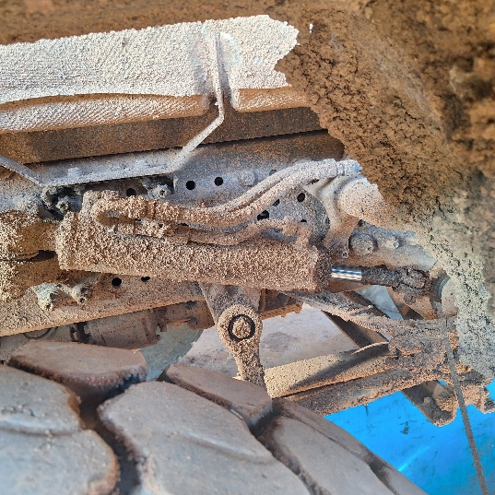 |  |  | 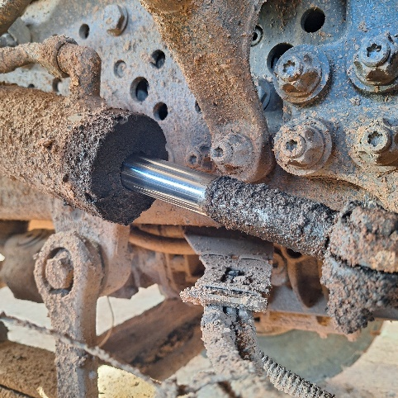

Complain castamer |  |  | BEFORE ACTION |  |  |  | AFTER ACTION

PICTURE CAUSE AND ACTION
 |  |  | 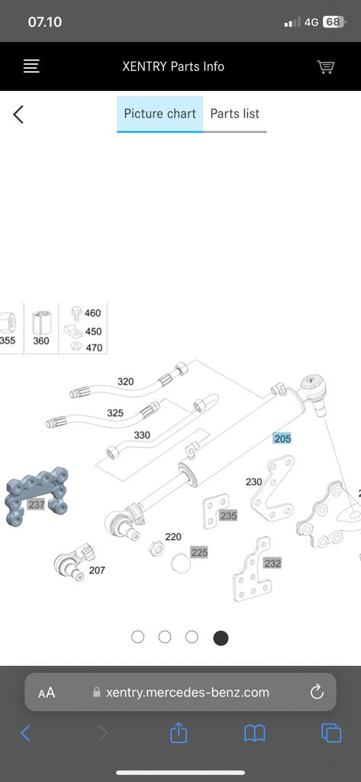

Part Book |  |  | picture part no aktual |  | picture part no part new |  | PROSES INSTALL

Head Office | Gedung Office 8 Lt.33 (SCBD Lot 28/Senopati Raya 8B), Jl.Jend.Sudirman Kav.52-53, Jakarta Selatan 12190 , Indonesia | T +62 21 57903456 | www.starwagen.co.id
Branch | Jl.Syarifuddin Yoes Blok.Kav.46-47 RT.045, Sepinggan Baru, Balikpapan Selatan, Kalimantan Timur, Indonesia | +62 54 28707888 / +62 54 28705758
and Mercedes-Benz are registered trademarks of Mercedes-Benz Group AG.

Part Request
MENU

 |  |  |  |  |  |  |  |  | Authorized Dealer of Mercedes-Benz
Part Request Slip |  |  |  |  |  |  |  |  | Truck & Bus in Indonesia
 |  | Passenger car Commercial vehicle
Slip Numbering |  | Customer Information |  |  |  | Vehicle Information |  |  | Order Information
 |  | Nama | PT. ANTAR REJA MAHADA MAKMUR |  |  | Model : | AROCS 4845 |  | Worksop Order No : | 310000009917
 |  | Site | PIK |  |  | Vin : | W1T96423120658614 |  | Order By :
 |  |  |  |  |  | Engine No : | 471922C0801328 |  | Delivery By : | PT.SWI
 |  | Car Registration | 0 |  |  | Date of 1st registration: |  |  | TUBAGUS/INDRA
 |  |  |  |  |  |  |  |  | Issue On :

No | Part Number | ES1 | ES2 | Bin Location | Quantity Requested | Description |  |  | Unit Price | Total Price
1 | A0004665592 |  |  |  | 1 | WORKING CYILINDER
2 |  |  |  |  |  |  |  |  |  |  | ROTATIONAL SPEED SENSOR
3
4
5
6
7
8
9
10
11
12
13
14
 |  |  |  |  |  |  |  | Foreman | Mechanic | Delivered By

 |  |  |  |  |  |  |  |  | TUBAGUS/INDRA | 0

 | Head Office | Gedung Office 8 Lt.33 (SCBD Lot 28/Senopati Raya 8B), Jl.Jend.Sudirman Kav.52-53, Jakarta Selatan 12190 , Indonesia | T +62 21 57903456 | www.starwagen.co.id
 | Branch | Jl.Syarifuddin Yoes Blok.Kav.46-47 RT.045, Sepinggan Baru, Balikpapan Selatan, Kalimantan Timur, Indonesia | +62 54 28707888 / +62 54 28705758

and Mercedes-Benz are registered trademarks of Mercedes-Benz Group AG

Work Order
MENU

 |  |  |  |  | PT Star Wagen Indonesia
Work Order Form |  |  |  |  | Authorized Dealer of Mercedes-Benz
 |  |  |  |  | Truck & Bus in Indonesia

Customer name: |  | PT. ANTAR REJA MAHADA MAKMUR |  | For reference please quote the following no.
Address: |  | PIK |  | Order no.:
City: |  |  |  | Date: | Customer No: | Page:
Telp: |  |  |  | 29 Mei 2024
Tax Code:

Regisration No. |  | Chassis No/Vin | Sales Designation |  |  | Reception date/time
0 |  | W1T96423120658614 |  |  |  | 29 Mei 2024
Millage / KM |  | Engine No. | Active Reception |  |  | Received by
10182 KM / 438 H |  | 471922C0801328 | YES | NO |  | TUBAGUS/INDRA | 0
Routing No. |  | Last Service | Sales Designation |  |  | Deadline/time
 |  | Date / Millege
Is this vehicle related to campaign ? Yes No Mobility Service Yes No
Item | Operation. Nr |  | Hours | Type Of Work
L | CYILINDER STERING LEAKING |  |  | CHEK KEBOCORAN CYILINDER STERING
 |  |  |  | CHEK OIL STERING
 |  |  |  |  |  |  |  | P | RUBBER SEAL EING A4009970441
 |  |  |  |  |  |  |  | P | GASKET A4002670080
 |  |  |  |  |  |  |  | P | BUSHING ER/OUTER CHAMFERS A3872670650
 |  |  |  |  |  |  |  | P | BEARING BUSH A4009927703

Ketentuan: 1. Lembar Work order yang sudah ditandatangai merupakan surat kuasa dari pelanggan ke dealer untuk dilakukan pekerjaan sesuai yang tertera di work order, serta memberi wewenang untuk melakukan uji coba kendaraan di luar bengkel. 2. Kendaraan yang sudah selesai diperbaiki wajib diambil oleh pelanggan dalam waktu ...x 24 jam dari waktu pemberitahuan. Apabila melebihi dari waktu tersebut, Dealer tidak bertanggung jawab lagi atas kondisi kendaraan tersebut dan dikenakan biaya sebesar Rp..................../hari. |  |  |  | 3. Dealer tidak bertanggung jawab atas segala kerugian akibat musibah, bencana alam ataupun kejadian lain yang tidak dipredikasi atau di luar tanggung jawab dealer. 4. Tidak diperkenankan menyimpan barang barang berharga didalam kendaraan. Dealer tidak bertanggung jawab apabila terjadi kehilangan atas barang barang tersebut. 5. Hal lain diluar ketentuan ini akan diatur tersendiri oleh masing-masing dealer.


 | Customer's signature & name |  |  |  | Service Adviser's signature & name

Head Office | Gedung Office 8 Lt.33 (SCBD Lot 28/Senopati Raya 8B), Jl.Jend.Sudirman Kav.52-53, Jakarta Selatan 12190 , Indonesia | T +62 21 57903456 | www.starwagen.co.id
Branch | Jl.Syarifuddin Yoes Blok.Kav.46-47 RT.045, Sepinggan Baru, Balikpapan Selatan, Kalimantan Timur, Indonesia | +62 54 28707888 / +62 54 28705758

 | and Mercedes-Benz are registered trademarks of Mercedes-Benz Group AG.

Time Sheet
MENU

 |  |  |  | PT Star Wagen Indonesia
Job Time Card Report |  |  |  | Authorized Dealer of Mercedes-Benz Truck & Bus in Indonesia

Mechanic Name: | TUBAGUS/INDRA | 0 | WIP Number :

CIW/GW | Operational Code | End Start | Time Recording |  | Date |  |  |  | Total Time
 | Description
Warranty | CYILINDER STERING LEAKING | End |  |  |  |  |  |  |  |  | Customer | 1:00:00
 |  | Start |  |  |  |  |  |  |  |  | Internal | 2:00:00
 |  | End | 8:00:00 |  |  |  |  |  | 1:00:00 |  | Warranty | 3:00:00
 |  | Start | 7:00:00 |  |  |  |  |  |  |  | GoodWill | 4:00:00
 |  | End |  |  |  |  |  |  | 0:00:00 |  |  | 5:00:00
 |  | Start |  |  |  |  |  |  |  |  |  | 6:00:00
 |  | End |  |  |  |  |  |  | 0:00:00 |  |  | 7:00:00
 |  | Start |  |  |  |  |  |  |  |  |  | 8:00:00
 |  | End |  |  |  |  |  |  | 0:00:00 |  |  | 9:00:00
 |  | Start |  |  |  |  |  |  |  |  |  | 10:00:00
 |  | End |  |  |  |  |  |  | 0:00:00 |  |  | 11:00:00
 |  | Start |  |  |  |  |  |  |  |  |  | 12:00:00
 |  | End |  |  |  |  |  |  | 0:00:00 |  |  | 13:00:00
 |  | Start |  |  |  |  |  |  |  |  |  | 14:00:00
 |  | End |  |  |  |  |  |  | 0:00:00 |  |  | 15:00:00
 |  | Start |  |  |  |  |  |  |  |  |  | 16:00:00
 |  | End |  |  |  |  |  |  | 0:00:00 |  |  | 13:00:00
 |  | Start |  |  |  |  |  |  |  |  |  | 14:00:00
 |  | End |  |  |  |  |  |  | 0:00:00 |  |  | 15:00:00
 |  | Start |  |  |  |  |  |  |  |  |  | 16:00:00
 |  | End |  |  |  |  |  |  | 0:00:00 |  |  | 13:00:00
 |  | Start |  |  |  |  |  |  |  |  |  | 14:00:00
 |  | End |  |  |  |  |  |  | 0:00:00 |  |  | 15:00:00
 |  | Start |  |  |  |  |  |  |  |  |  | 16:00:00
 |  |  |  |  |  |  |  |  |  |  |  | 17:00:00
Hours |  | C | I | W/G | W1 | W2 | W3 | W4 | W5 | W6 |  | 18:00:00
Total |  |  |  | 1:00:00 |  |  |  |  |  |  |  | 19:00:00
 |  |  |  |  |  |  |  |  |  |  |  | 20:00:00
Head Office | Gedung Office 8 Lt.33 (SCBD Lot 28/Senopati Raya 8B), Jl.Jend.Sudirman Kav.52-53, Jakarta Selatan 12190 , Indonesia | T +62 21 57903456 | www.starwagen.co.id |  |  |  |  |  |  |  |  |  |  |  | 21:00:00
Branch | Jl.Syarifuddin Yoes Blok.Kav.46-47 RT.045, Sepinggan Baru, Balikpapan Selatan, Kalimantan Timur, Indonesia | +62 54 28707888 / +62 54 28705758 |  |  |  |  |  |  |  |  |  |  |  | 22:00:00
 |  |  |  |  |  |  |  |  |  |  |  | 23:00:00
and Mercedes-Benz are registered trademarks of Mercedes-Benz Group AG
 |  |  |  |  |  |  |  |  |  |  |  | 1900-01-01 00:00:00

