Time Sheet
MENU

 |  |  |  | PT Star Wagen Indonesia
Job Time Card Report |  |  |  | Authorized Dealer of Mercedes-Benz Truck & Bus in Indonesia

Mechanic Name: | DIDIK IU |  | WIP Number :

CIW/GW | Operational Code | End Start | Time Recording |  | Date |  |  |  | Total Time
 | Description
Warranty |  | End |  |  |  |  |  |  | 0:00:00 |  | Customer | 1:00:00
 |  | Start |  |  |  |  |  |  |  |  | Internal | 2:00:00
 |  | End |  |  |  |  |  |  | 0:00:00 |  | Warranty | 3:00:00
 |  | Start |  |  |  |  |  |  |  |  | GoodWill | 4:00:00
 |  | End |  |  | 2023-01-16 |  |  |  | 0:00:00 |  |  | 5:00:00
 |  | Start |  |  |  |  |  |  |  |  |  | 6:00:00
 |  | End |  |  |  |  |  |  | 0:00:00 |  |  | 7:00:00
 |  | Start |  |  |  |  |  |  |  |  |  | 8:00:00
 |  | End |  |  |  |  |  |  | 0:00:00 |  |  | 9:00:00
 |  | Start |  |  |  |  |  |  |  |  |  | 10:00:00
 |  | End |  |  |  |  |  |  | 0:00:00 |  |  | 11:00:00
 |  | Start |  |  |  |  |  |  |  |  |  | 12:00:00
 |  | End |  |  |  |  |  |  | 0:00:00 |  |  | 13:00:00
 |  | Start |  |  |  |  |  |  |  |  |  | 14:00:00
 |  | End |  |  |  |  |  |  | 0:00:00 |  |  | 15:00:00
 |  | Start |  |  |  |  |  |  |  |  |  | 16:00:00
 |  | End |  |  |  |  |  |  | 0:00:00 |  |  | 13:00:00
 |  | Start |  |  |  |  |  |  |  |  |  | 14:00:00
 |  | End |  |  |  |  |  |  | 0:00:00 |  |  | 15:00:00
 |  | Start |  |  |  |  |  |  |  |  |  | 16:00:00
 |  | End |  |  |  |  |  |  | 0:00:00 |  |  | 13:00:00
 |  | Start |  |  |  |  |  |  |  |  |  | 14:00:00
 |  | End |  |  |  |  |  |  | 0:00:00 |  |  | 15:00:00
 |  | Start |  |  |  |  |  |  |  |  |  | 16:00:00
 |  |  |  |  |  |  |  |  |  |  |  | 17:00:00
Hours |  | C | I | W/G | W1 | W2 | W3 | W4 | W5 | W6 |  | 18:00:00
Total |  |  |  | 0:00:00 |  |  |  |  |  |  |  | 19:00:00
 |  |  |  |  |  |  |  |  |  |  |  | 20:00:00
Head Office | Gedung Office 8 Lt.33 (SCBD Lot 28/Senopati Raya 8B), Jl.Jend.Sudirman Kav.52-53, Jakarta Selatan 12190 , Indonesia | T +62 21 57903456 | www.starwagen.co.id |  |  |  |  |  |  |  |  |  |  |  | 21:00:00
Branch | Jl.Syarifuddin Yoes Blok.Kav.46-47 RT.045, Sepinggan Baru, Balikpapan Selatan, Kalimantan Timur, Indonesia | +62 54 28707888 / +62 54 28705758 |  |  |  |  |  |  |  |  |  |  |  | 22:00:00
 |  |  |  |  |  |  |  |  |  |  |  | 23:00:00
and Mercedes-Benz are registered trademarks of Mercedes-Benz Group AG
 |  |  |  |  |  |  |  |  |  |  |  | 1900-01-01 00:00:00

Worksop Report
 | Menu
 |  |  | Workshop Report For Diagnostic Guide

 |  |  |  |  |  |  | PT.STAR WAGEN INDONESIA
 |  |  |  |  | WO :
Date: |  | 5-Jan-24 |  |  |  |  |  | Job Site:
WIP No: |  |  |  |  | Customer Name: | PT. PUTRA PERKASA ABADI |  | PT AMC
Chasis No: |  | MFJ400241NJ000062 |  |  | Reg No : |  | Reg date
Engine No: |  | 400951D0117488 |  |  | Type : | AXOR 2528 | Mileage / Hours Meter | 5646KM / 1188H
Unit Code |  | WT2529

COMPLAINT ANALYSIS
Customer complaint/Customer information
 | Setelah pengereman memakai exhaust brake menjadi low power
Vehicle information
 | Aplicaton : | ü Long distance |  | ü Dump truck | Ore operation | Regular service base
 |  | Short distance |  | support truck | ü OB operation
Customer Information :
 | Setelah mengaktifkan Exhaust Brake tiba-tiba low power

TEST LEVEL

 | Test Level Description |  |  |  |  | Actual Value | Remark | Attachment Number
 | activate exhaust brake |  |  |  |  | Low power after activate exhaust brake | NOT OK
 | cek system exhaust brake |  |  |  |  | Delay when actuator returning | NOT OK

CAUSE LEVEL
Cause level/Workshop findings: |  |  |  |  | RESULT :
 |  |  |  |  | KETIKA SHIFT 1, JUMAT 5 JANUARI 2024 OPERATOR MENGINFORMASIKAN BAHWA SETELAH MENGAKTIFKAN EXHAUST BRAKE ENGINE/UNIT MENJADI LOW POWER, KEMUDIAN MEKANIK CEK DAN DIDAPATKAN BAHWA SETELAH EXHAUST BRAKE AKTIF ACTUATOR RETURNINGNYA DELAY, SETELAH ITU CEK FISIK SOLENOID EXHAUST BRAKE DIDAPATI KONDISI YANG KURANG BAGUS, UNTUK PENGGANTIAN SEMENTARA MENGGUNAKAN STOCK LOGISTIC PPA
 |  | Ada | Tidak ada | Attachment Nr
Photo (# lembar) |  | √ |  | √
Area kerusakan (gbr EPC) |  | x |  | √
Video (nama file) |  | √ |  | √
Old Spare part No.
Notes: |  |  |  |  |  |  |  |  | √
 |  |  |  |  |  |  |  |  | x

RECTIFICATION AND VERIFICATION LEVEL
Rectification:

 | PART NUMBER | DESCRIPTION | QTY
 | A4004280095 | LU SOLENOID VALVE MAGNETIC | 1

Verification:

 |  |  | Workshop report digunakan untuk mencatat hasil analisa mekanik dengan menyertakan langkah-langkah diagnosis dan temuannya selama diagnosa

PICTURE CAUSE AND ACTION

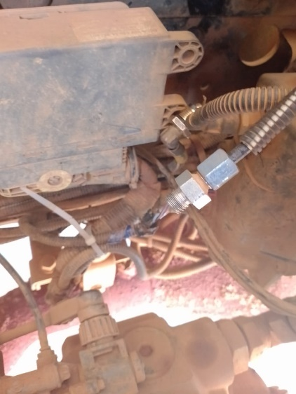
1
FOTO UNIT |  |  | FOTO HM |  | FOTO KM |  | FOTO VIN
 |  |  | 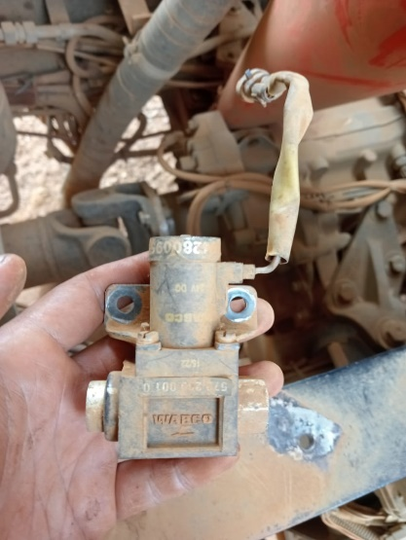 \

2
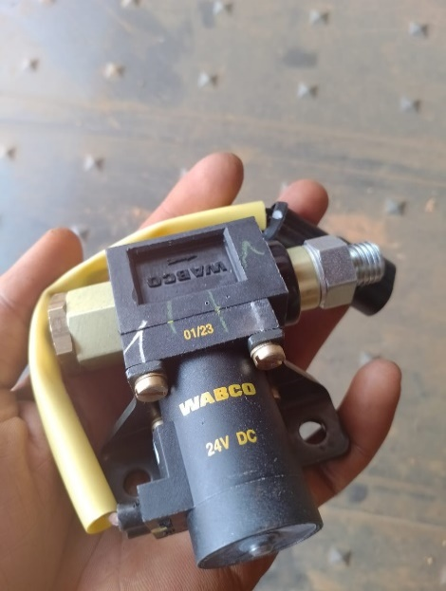
JOB PROGRESS INVESTIGATION PICTURE
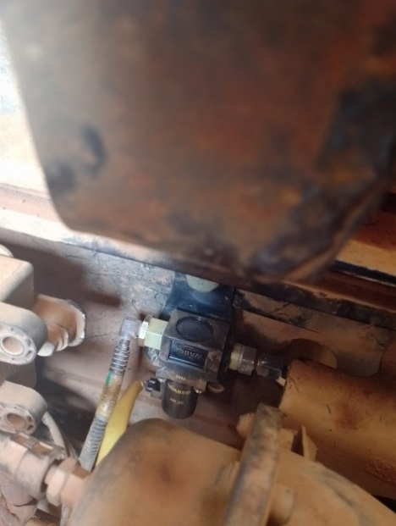 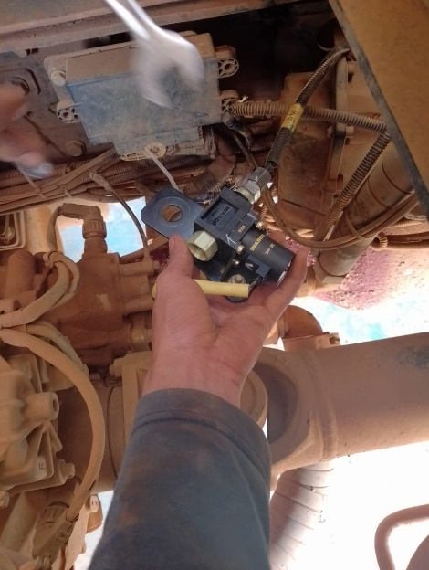

PROSES INSTAL
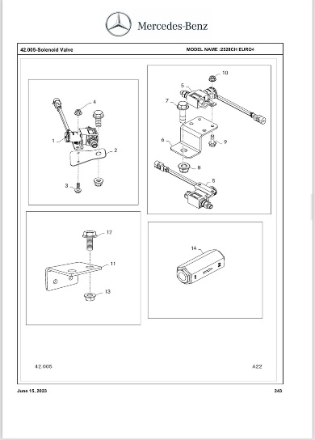 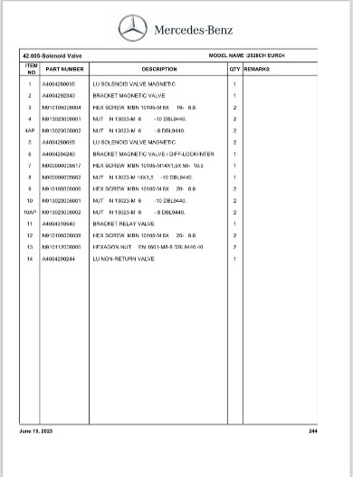

PART BOOK |  |  |  |  |  |  | Remarks

 |  |  |  |  |  |  | validation

and Mercedes-Benz are registered trademarks of Mercedes-Benz Group AG.
and Mercedes-Benz are registered trademarks of Mercedes-Benz Group AG.
Head Office | Gedung Office 8 Lt.33 (SCBD Lot 28/Senopati Raya 8B), Jl.Jend.Sudirman Kav.52-53, Jakarta Selatan 12190 , Indonesia | T +62 21 57903456 | www.starwagen.co.id
Branch | Jl.Syarifuddin Yoes Blok.Kav.46-47 RT.045, Sepinggan Baru, Balikpapan Selatan, Kalimantan Timur, Indonesia | +62 54 28707888 / +62 54 28705758
 |  |  |  |  |  |  | DIDIK IU | Supervisor / Workshop Managaer

Part Request
MENU

 |  |  |  |  |  |  |  |  | Authorized Dealer of Mercedes-Benz
Part Request Slip |  |  |  |  |  |  |  |  | Truck & Bus in Indonesia
 |  | Passenger car Commercial vehicle
Slip Numbering |  | Customer Information |  |  |  | Vehicle Information |  |  | Order Information
 |  | Nama | PT. PUTRA PERKASA ABADI |  |  | Model : | AXOR 2528 |  | Worksop Order No : | 0
 |  | Site | PT AMC |  |  | Vin : | MFJ400241NJ000062 |  | Order By :
 |  |  |  |  |  | Engine No : | 400951D0117488 |  | Delivery By :
 |  | Car Registration | WT2529 |  |  | Date of 1st registration: | 0 |  | Received By | 45296
 |  |  |  |  |  |  |  |  | Issue On :

No | Part Number | ES1 | ES2 | Bin Location | Quantity Requested | Description |  |  | Unit Price | Total Price
1 | A4004280095 |  |  |  | 1 | LU SOLENOID VALVE MAGNETIC
2
3
4
5
6
7
8
9
10
11
12
13
14
 |  |  |  |  |  |  |  | Foreman | Mechanic | Delivered By

 |  |  |  |  |  |  |  |  | DIDIK IU

 | Head Office | Gedung Office 8 Lt.33 (SCBD Lot 28/Senopati Raya 8B), Jl.Jend.Sudirman Kav.52-53, Jakarta Selatan 12190 , Indonesia | T +62 21 57903456 | www.starwagen.co.id
 | Branch | Jl.Syarifuddin Yoes Blok.Kav.46-47 RT.045, Sepinggan Baru, Balikpapan Selatan, Kalimantan Timur, Indonesia | +62 54 28707888 / +62 54 28705758

and Mercedes-Benz are registered trademarks of Mercedes-Benz Group AG

Final Control
MENU

 |  |  | Truck & Bus |  |  |  | PT Star Wagen Indonesia
 |  |  | in Indonesia |  |  |  | Authorized Dealer of Mercedes-Benz Truck & Bus in Indonesia
Final Control Report

 |  | Customer Name : | PT. PUTRA PERKASA ABADI |  | Millage In : |  |  |  | Check And Tested By
 |  | Wo no/ WIP NO : |  |  | Millage Out : |  |  |  | Name : | DIDIK IU
 |  |  |  |  |  |  |  |  | Date :

 |  | Function Checks |  |  | Visual Checks |  |  |  | Other Checks
 | √ | All warning indicators |  | √ | Engine |  |  | √ | Wiper blades and spraying nozzle |  | √
 | √ | Steering system |  | √ | Transmission |  |  | √ | Vacuum hoses/lines |  | x
 | √ | Horn |  | √ | Rear axles |  |  | √ | Write your own checking list related reparation you did
 | √ | Lights interior / exterior |  | √ | Steering system |  |  | √ | …………………………………………………………………..
 | √ | Other electrical equipment |  | √ | Fuel system |  |  | √ | …………………………………………………………………..
 | √ | Central locking / closing assist system |  | √ | Cooling system |  |  | √ | …………………………………………………………………..
 | √ | Brakes on dynamometer or test drive |  | √ | Brake hoses / lines / linkage |  |  | √ | …………………………………………………………………..
 | √ | Air conditioner |  | √ | Condition of tires/spare tires (if any) |  |  | √ | …………………………………………………………………..
 |  |  |  | √ | Cleanliness inside and outside |  |  |  | …………………………………………………………………..
 |  | Fluid Levels |  |  | Final Checks |  |  |  | Document Check
 | √ | Engine |  | √ | Check work performed |  |  | √ | Test document / Short test result
 | √ | Transmission |  | √ | Test Drive if needed |  |  | √ | Workshop report (only if required)
 | √ | Radiator / Coolant |  |  |  |  |  | √ | Internal part requisition slip
 | √ | Power steering |  |  |  |  |  | √ | Battery test result, only if tested
 | √ | Battery |  |  |  |  |  | √
 | √ | Brake system |  |  |  |  |  | √
 | √ | Windshield washer |  |  |  |  |  | √
 |  |  |  |  |  |  |  | √
 | After completion of all the work required by you, we performed a final quality check on your vehicle with the following results:
 | Ok |  | No |  |  |  |  | Acknowledged by
 | During checking & reparation process, some critical findings has to be followed up;
 | 1.
 | 2.
 | this has been conveyed on………..to……………. but not approved for doing an action. |  |  |  | (Service Advisor) | (Customer) |  | Foreman or Supervisor

 | Head Office | Gedung Office 8 Lt.33 (SCBD Lot 28/Senopati Raya 8B), Jl.Jend.Sudirman Kav.52-53, Jakarta Selatan 12190 , Indonesia | T +62 21 57903456 | www.starwagen.co.id
 | Branch | Jl.Syarifuddin Yoes Blok.Kav.46-47 RT.045, Sepinggan Baru, Balikpapan Selatan, Kalimantan Timur, Indonesia | +62 54 28707888 / +62 54 28705758
and Mercedes-Benz are registered trademarks of Mercedes-Benz Group AG
.

