Worksop Report
WORKSHOP REPORT/DIAGNOSIS GUIDE |  |  |  |  |  |  | PT.STAR WAGEN INDONESIA

Date: |  | 6-Jan-24 |  |  |  |  |  | Site
WIP No: |  |  |  |  | Customer Name: | PT. PUTRA PERKASA ABADI |  | BORNEO INDOBARA
Chasis No: |  | W1T96423X20659356 |  |  | Reg No : |  | Reg date | 6-Jan-24
Engine No: |  | 471922C0802053 |  |  | Type : | AROCS 4845K | Mileage / Hours Meter | 8727/415
Registration Code |  | DA 48119 AMM/DT 9521

COMPLAINT ANALYSIS
Customer complaint/Customer information
 | BRACKET STABILIZER REAR RIGHT BROKEN
Vehicle information
 | BOLT BRACKET STABILIZER LOOSE
System Information
 | SUSPENSION

TEST LEVEL

 | Test Level Description |  |  |  |  | Actual Value | Remark | Attachment Nr
 | CHECK BOLT BRACKET STABILIZER |  |  |  |  | LOOSEN | NOT OK
 | CHECK BRACKET STABILIZER |  |  |  |  | BROKEN | NOT OK

CAUSE LEVEL
Cause level/Workshop findings: |  |  |  |  | PADA TANGGAL 6 JANUARI , SHIFT PAGI , OPERATOR UNIT DA 48119 AMM MELAPORKAN ADANYA TEMUAN BOLT STABILIZER PATAH, LALU MEKANIK MELAKUKAN PENGECEKAN TERDAPAT TEMUAN LAIN YAITU BRACKET STABILIZER PATAH, SETELAH ITU DILAKUKAN PENGGANTIAN BAUT YANG PATAH MENGGUNAKAN BAUT LOKAL SEMENTARA BRACKET STABILIZER MASIH WAITING PART, MEKANIK MENGANALISA PATAHNYA BAUT DAN BRACKET STABILIZER DIKARENAKAN BAUT KENDOR YANG DISEBABKAN OLEH GETARAN PADA SAAT UNIT BEROPERASI SERTA SEBELUMNYA BELUM PERNAH DILAKUKAN RETORQUE PADA BAUT

 |  | Ada | Tidak ada | Attachment Nr
Photo (# lembar) |  | √ |  | √
Area kerusakan (gbr EPC) |  | √ |  | √
Video (nama file)
Old Spare part No.
Notes: |  |  |  |  |  |  |  |  | √
 |  |  |  |  |  |  |  |  | x
 |  |  |  |  | K
RECTIFICATION AND VERIFICATION LEVEL
Rectification:

 | PART NUMBER | DESCRIPTION | QTY
 | A9603205478 | BRACKET STABILIZER | 1

Verification:

 |  |  |  |  | Workshop report digunakan untuk mencatat hasil analisa mekanik dengan menyertakan langkah-langkah diagnosis dan temuannya selama diagnosa
WILLY & JOSANDA
Mechanic |  |  | Supervisor/Mgr

PICTURE CAUSE AND ACTION
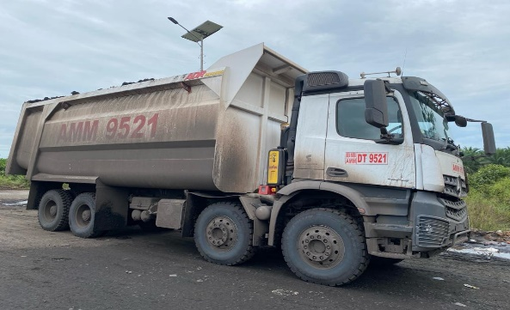 |  |  | 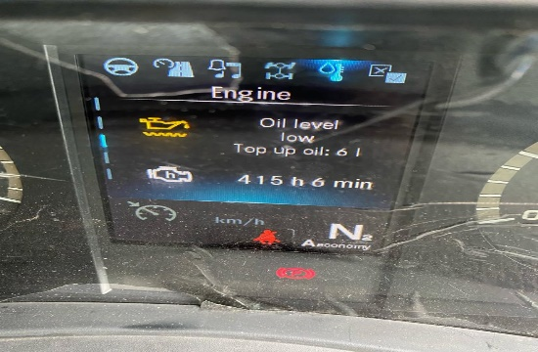 |  | 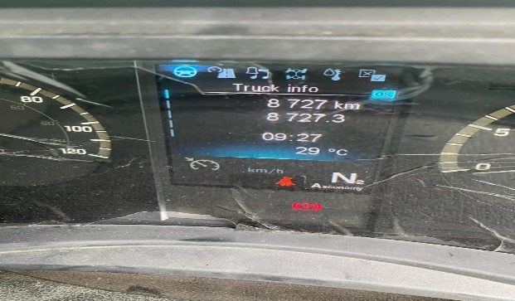 |  | 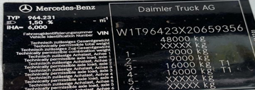

FOTO UNIT |  |  | FOTO HM |  | FOTO KM |  | FOTO VIN

PICTURE CAUSE AND ACTION
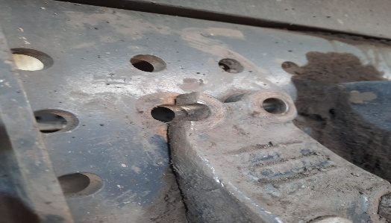 |  |  | 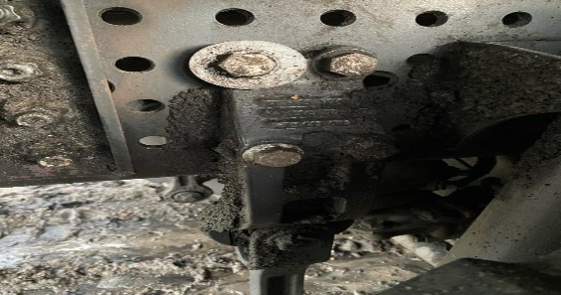 |  | 

Pengecekan kondisi saat patah
Penggantian dengan baut lokal
Part Old dan Newfile

BEFORE |  |  | AFTER |  | BEFORE AFTER |  | PROSES INSTALL

PICTURE CAUSE AND ACTION
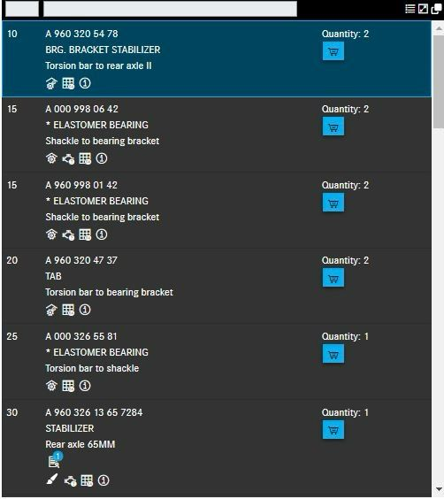 |  |  | 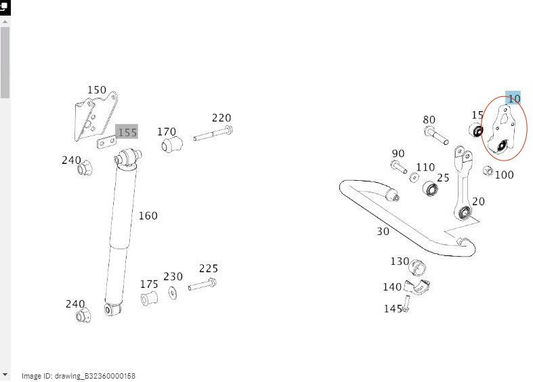

Part Book |  |  | picture part no aktual |  | picture part no part new |  | PROSES INSTALL

Head Office | Gedung Office 8 Lt.33 (SCBD Lot 28/Senopati Raya 8B), Jl.Jend.Sudirman Kav.52-53, Jakarta Selatan 12190 , Indonesia | T +62 21 57903456 | www.starwagen.co.id
Branch | Jl.Syarifuddin Yoes Blok.Kav.46-47 RT.045, Sepinggan Baru, Balikpapan Selatan, Kalimantan Timur, Indonesia | +62 54 28707888 / +62 54 28705758
and Mercedes-Benz are registered trademarks of Mercedes-Benz Group AG.

Pre Order
MENU

 |  |  |  |  |  | PT Star Wagen Indonesia
Pre Order Form |  |  |  |  |  | Authorized Dealer of Mercedes-Benz
 |  |  |  |  |  | Truck & Bus in Indonesia

Customer name: |  | PT. PUTRA PERKASA ABADI |  | For reference please quote the following no.
Address: |  | BORNEO INDOBARA |  | Order no.:
City: |  |  |  | Date: |  | Customer No: |  | Page:
Telp: |  |  |  | 2024-01-06
Tax Code:

Regisration No. |  | Chassis No/Vin | Sales Designation |  |  |  |  | Reception date/time
DA 48119 AMM/DT 9521 |  | W1T96423X20659356 |  |  |  |  |  | 2024-01-06
Millage / KM |  | Engine No. | Active Reception |  |  |  |  | Received by
8727/415 |  | 471922C0802053 | YES |  |  | NO |  | WILLY & JOSANDA | 0
Routing No. |  | Last Service | Sales Designation |  |  |  |  | Deadline/time
 |  | Date / Millege
Is this vehicle related to campaign ? Yes No Mobility Service Yes No
Item | Operation. Nr |  | Hours | Type Of Work
P | BRACKET STABILIZER |  | 2 | CHECK CONDITION BRACKET STABILIZER (BROKEN)
L | MENGGANTI BAUT BRACKET STABILIZER |  |  | PENGGANTIAN BAUT SEMENTARA MENGGUNAKAN BAUT LOKAL
L | ANALISA KERUSAKAN BRACKET STABILIZER |  |  | CEK KEKENCANGAN BAUT BRACKET STABILIZER
 |  |  |  | CEK KEKENCANGAN BAUT BRACKET STABILIZER SISI LAIN
 |  |  |  | CEK LINK I STABILIZER
 |  |  |  | CEK STABILIZER

 | Please mark damage positions! |  | Standard Checking Leakage |  | √ | Valuable Item Missing | √ |  |  | √
 | Stone Chipping |  |  |  |  |  |  |  |  | x
 | Dents |  | Abnormal Noise |  | √ | Vehicle Tool Kit (Incl. Hyd Jack) | √
 | Scratches

 |  |  | Error Code/Indicator |  | x | First Aid Kit | √

 |  |  | Brake, Clucth & Tire |  | √ | Spare Kit (Incl. Wheel Coke | √

 |  |  | 10 Minutes Cycle Check |  | √ | STNK

 |  |  |  |  |  | Opr Manual
 |  |  |  |  |  | E ¼ ½ ¾ F
 |  |  | Others Please Specify :

This order is placed in accordance with our general term of business.

 | Customer's signature & name |  |  |  |  | Service Adviser's signature & name

Head Office | Gedung Office 8 Lt.33 (SCBD Lot 28/Senopati Raya 8B), Jl.Jend.Sudirman Kav.52-53, Jakarta Selatan 12190 , Indonesia | T +62 21 57903456 | www.starwagen.co.id
Branch | Jl.Syarifuddin Yoes Blok.Kav.46-47 RT.045, Sepinggan Baru, Balikpapan Selatan, Kalimantan Timur, Indonesia | +62 54 28707888 / +62 54 28705758

 | and Mercedes-Benz are registered trademarks of Mercedes-Benz Group AG.

Part Request
MENU

 |  |  |  |  |  |  |  |  | Authorized Dealer of Mercedes-Benz
Part Request Slip |  |  |  |  |  |  |  |  | Truck & Bus in Indonesia
 |  | Passenger car Commercial vehicle
Slip Numbering |  | Customer Information |  |  |  | Vehicle Information |  |  | Order Information
 |  | Nama | PT. PUTRA PERKASA ABADI |  |  | Model : | AROCS 4845K |  | Worksop Order No :
 |  | Site | BORNEO INDOBARA |  |  | Vin : | W1T96423X20659356 |  | Order By :
 |  |  |  |  |  | Engine No : | 471922C0802053 |  | Delivery By :
 |  | Car Registration | DA 48119 AMM/DT 9521 |  |  | Date of 1st registration: |  |  | Received By
 |  |  |  |  |  |  |  |  | Issue On :

No | Part Number | ES1 | ES2 | Bin Location | Quantity Requested | Description |  |  | Unit Price | Total Price
1 | A9603205478 |  |  |  | 1 | BRG. BRACKET STABILIZER
2
3
4
5
6
7
8
9
10
11
12
13
14
 |  |  |  |  |  |  |  | Foreman | Mechanic | Delivered By

 |  |  |  |  |  |  |  |  | WILLY & JOSANDA | 0

 | Head Office | Gedung Office 8 Lt.33 (SCBD Lot 28/Senopati Raya 8B), Jl.Jend.Sudirman Kav.52-53, Jakarta Selatan 12190 , Indonesia | T +62 21 57903456 | www.starwagen.co.id
 | Branch | Jl.Syarifuddin Yoes Blok.Kav.46-47 RT.045, Sepinggan Baru, Balikpapan Selatan, Kalimantan Timur, Indonesia | +62 54 28707888 / +62 54 28705758

and Mercedes-Benz are registered trademarks of Mercedes-Benz Group AG

Time Sheet
MENU

 |  |  |  | PT Star Wagen Indonesia
Job Time Card Report |  |  |  | Authorized Dealer of Mercedes-Benz Truck & Bus in Indonesia

Mechanic Name: | WILLY & JOSANDA | 0 | WIP Number :

CIW/GW | Operational Code | End Start | Time Recording |  | Date |  |  |  | Total Time
 | Description
Warranty | REPLACE BRACKET STABILIZER DAN ANALISA KERUSAKAN PADA BRACKET | End | 16:00:00 |  |  |  |  |  | 2:00:00 |  | Customer | 1:00:00
 |  | Start | 14:00:00 |  |  |  |  |  |  |  | Internal | 2:00:00
 |  | End |  |  |  |  |  |  | 0:00:00 |  | Warranty | 3:00:00
 |  | Start |  |  |  |  |  |  |  |  | GoodWill | 4:00:00
 |  | End |  |  |  |  |  |  | 0:00:00 |  |  | 5:00:00
 |  | Start |  |  |  |  |  |  |  |  |  | 6:00:00
 |  | End |  |  |  |  |  |  | 0:00:00 |  |  | 7:00:00
 |  | Start |  |  |  |  |  |  |  |  |  | 8:00:00
 |  | End |  |  |  |  |  |  | 0:00:00 |  |  | 9:00:00
 |  | Start |  |  |  |  |  |  |  |  |  | 10:00:00
 |  | End |  |  |  |  |  |  | 0:00:00 |  |  | 11:00:00
 |  | Start |  |  |  |  |  |  |  |  |  | 12:00:00
 |  | End |  |  |  |  |  |  | 0:00:00 |  |  | 13:00:00
 |  | Start |  |  |  |  |  |  |  |  |  | 14:00:00
 |  | End |  |  |  |  |  |  | 0:00:00 |  |  | 15:00:00
 |  | Start |  |  |  |  |  |  |  |  |  | 16:00:00
 |  | End |  |  |  |  |  |  | 0:00:00 |  |  | 13:00:00
 |  | Start |  |  |  |  |  |  |  |  |  | 14:00:00
 |  | End |  |  |  |  |  |  | 0:00:00 |  |  | 15:00:00
 |  | Start |  |  |  |  |  |  |  |  |  | 16:00:00
 |  | End |  |  |  |  |  |  | 0:00:00 |  |  | 13:00:00
 |  | Start |  |  |  |  |  |  |  |  |  | 14:00:00
 |  | End |  |  |  |  |  |  | 0:00:00 |  |  | 15:00:00
 |  | Start |  |  |  |  |  |  |  |  |  | 16:00:00
 |  |  |  |  |  |  |  |  |  |  |  | 17:00:00
Hours |  | C | I | W/G | W1 | W2 | W3 | W4 | W5 | W6 |  | 18:00:00
Total |  |  |  | 2:00:00 |  |  |  |  |  |  |  | 19:00:00
 |  |  |  |  |  |  |  |  |  |  |  | 20:00:00
Head Office | Gedung Office 8 Lt.33 (SCBD Lot 28/Senopati Raya 8B), Jl.Jend.Sudirman Kav.52-53, Jakarta Selatan 12190 , Indonesia | T +62 21 57903456 | www.starwagen.co.id |  |  |  |  |  |  |  |  |  |  |  | 21:00:00
Branch | Jl.Syarifuddin Yoes Blok.Kav.46-47 RT.045, Sepinggan Baru, Balikpapan Selatan, Kalimantan Timur, Indonesia | +62 54 28707888 / +62 54 28705758 |  |  |  |  |  |  |  |  |  |  |  | 22:00:00
 |  |  |  |  |  |  |  |  |  |  |  | 23:00:00
and Mercedes-Benz are registered trademarks of Mercedes-Benz Group AG
 |  |  |  |  |  |  |  |  |  |  |  | 1900-01-01 00:00:00

Final Control
MENU

 |  |  | Truck & Bus |  |  |  | PT Star Wagen Indonesia
 |  |  | in Indonesia |  |  |  | Authorized Dealer of Mercedes-Benz Truck & Bus in Indonesia
Final Control Report

 |  | Customer Name : | PT. PUTRA PERKASA ABADI |  | Millage In : | 8727 |  |  | Check And Tested By
 |  | Wo no/ WIP NO : |  |  | Millage Out : | 8727 |  |  | Name : | WILLY & JOSANDA | 0
 |  |  |  |  |  |  |  |  | Date :26/10/2023

 |  | Function Checks |  |  | Visual Checks |  |  |  | Other Checks
 | √ | All warning indicators |  | √ | Engine |  |  | √ | Wiper blades and spraying nozzle |  |  | √
 | √ | Steering system |  | √ | Transmission |  |  | √ | Vacuum hoses/lines |  |  | x
 | √ | Horn |  | √ | Rear axles |  |  | √ | Write your own checking list related reparation you did
 | √ | Lights interior / exterior |  | √ | Steering system |  |  | x | …………………………………………………………………..
 | √ | Other electrical equipment |  | √ | Fuel system |  |  |  | …………………………………………………………………..
 | √ | Central locking / closing assist system |  | √ | Cooling system |  |  |  | …………………………………………………………………..
 | √ | Brakes on dynamometer or test drive |  | √ | Brake hoses / lines / linkage |  |  |  | …………………………………………………………………..
 | √ | Air conditioner |  | √ | Condition of tires/spare tires (if any) |  |  |  | …………………………………………………………………..
 |  |  |  | √ | Cleanliness inside and outside |  |  |  | …………………………………………………………………..
 |  | Fluid Levels |  |  | Final Checks |  |  |  | Document Check
 | √ | Engine |  | √ | Check work performed |  |  | √ | Test document / Short test result
 | √ | Transmission |  | √ | Test Drive if needed |  |  | √ | Workshop report (only if required)
 | √ | Radiator / Coolant |  |  |  |  |  | √ | Internal part requisition slip
 | √ | Power steering |  |  |  |  |  | √ | Battery test result, only if tested
 | √ | Battery
 | √ | Brake system
 | √ | Windshield washer

 | After completion of all the work required by you, we performed a final quality check on your vehicle with the following results:
 | Ok |  | No |  |  |  |  | Acknowledged by
 | During checking & reparation process, some critical findings has to be followed up;
 | 1.
 | 2.
 | this has been conveyed on………..to……………. but not approved for doing an action. |  |  |  | (Service Advisor) | (Customer) |  | Foreman or Supervisor

 | Head Office | Gedung Office 8 Lt.33 (SCBD Lot 28/Senopati Raya 8B), Jl.Jend.Sudirman Kav.52-53, Jakarta Selatan 12190 , Indonesia | T +62 21 57903456 | www.starwagen.co.id
 | Branch | Jl.Syarifuddin Yoes Blok.Kav.46-47 RT.045, Sepinggan Baru, Balikpapan Selatan, Kalimantan Timur, Indonesia | +62 54 28707888 / +62 54 28705758
and Mercedes-Benz are registered trademarks of Mercedes-Benz Group AG
.

