Form CWR
 |  |  |  |  |  |  |  |  |  |  |  |  |  |  |  |  |  |  | Pages 1 / 2
PUTRA PERKASA ABADI

CLAIM TO: |  |  |  | PT. STAR WAGEN INDONESIA |  |  |  |  |  |  |  | CLAIM NO: |  |  |  | 97 / PLT- SITE AMI / CWR / 05 / 2024

WARRANTY/POLICY CLAIM FORM

 |  |  |  | X | COMPONENT / PART |  |  |  |  | CONMON (PAP, PPM, VHMS, MAGPLUG, FLUID CONSUPMTION,DLL)

CLAIM DATE |  | : | 22-May-24 |  |  |  |  |  |  | ENGINE MODEL |  |  | : | OM471 LA

CODE UNIT |  | : | DA42002 |  |  |  |  |  |  | HM FAILURE |  |  | : | 3985

MODEL UNIT |  | : | AROCS 4042K 6X4 |  |  |  |  |  |  | LOCATION UNIT |  |  | : | PPA SITE AMI

SN UNIT |  | : | W1T96421120645988 |  |  |  |  |  |  | STATUS UNIT |  |  | : |  | OPERASI

 |  |  |  |  |  |  |  |  |  |  |  |  |  | X | BREAKDOWN

PROBLEM ISSUE
BOLT CONE PATAH, DIFFERENTIAL SCRATCH & CHIPING

SUPPORTING COMMENTS:
REPLACE KOMPONEN DIFFERENTIAL

FAILED COMPONENT INFORMATION

COMPONENT |  |  |  | : | DIFFERENTIAL |  |  |  |  | PART NUMBER |  |  |  |  | : | A4004460002

SUB COMPONENT |  |  |  | : | DIFFERENTIAL |  |  |  |  | LAST REMOVE (DATE_HM) |  |  |  |  | : | 2884

LIFETIME COMP |  |  |  | : | 2884 |  |  |  | JAM | LAST INSTALL (DATE_HM) |  |  |  |  | : | 0

WARRANTY DECISION

 |  |  |  | ACCEPT |  |  |  |  |  |  | POLICY/PRORATE |  |  |  |  |  |  |  | REJECT

SCHEDULE FOLLOW UP :

APPROVAL

 | CREATED BY, |  |  |  |  |  |  | APPROVED BY, |  |  |  | APPROVED BY, |  |  |  |  |  | FOLLOW UP BY,

 | SARAS PAMBUDI |  |  |  |  |  | KHAERUL ANAM |  |  |  |  | BAMBANG TRIYO N |  |  |  |  |  |  | PRAYOGA FIRDAUS
(……………………………..) |  |  |  |  |  |  | (……………………………..) |  |  |  | (……………………………..) |  |  |  |  |  | (……………………………..)
PLANT PLANNER |  |  |  |  |  | PLANT GROUP LEADER/PE |  |  |  |  | DEPT/SECTION HEAD PLANT |  |  |  |  |  |  |  | PT. STAR WAGEN INDONESIA

Lampiran
 |  |  |  | Pages 2/2
PUTRA PERKASA ABADI

CLAIM TO: | PT. STAR WAGEN INDONESIA | CLAIM NO: | 97 / PLT- SITE AMI / CWR / 05 / 2024

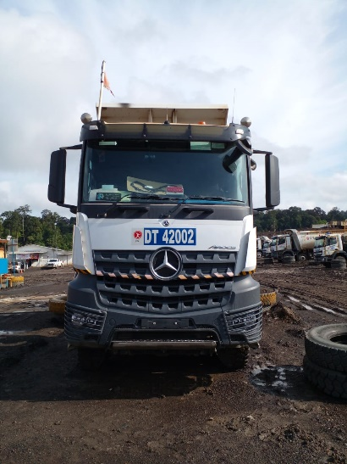 FOTO TAMPAK DEPAN UNIT |  | 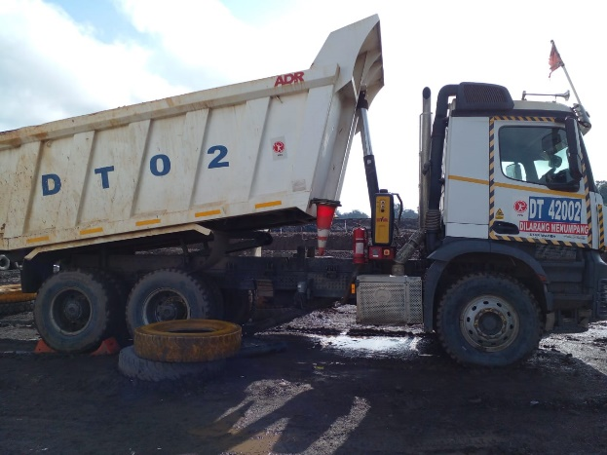 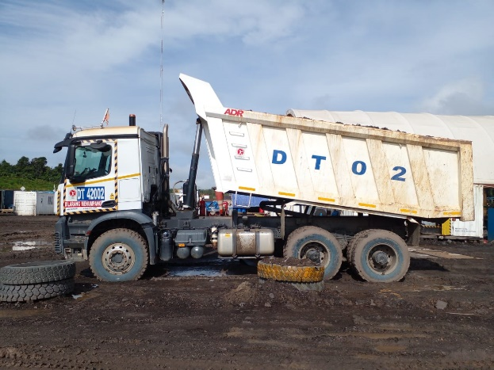 FOTO TAMPAK SAMPING UNIT

FOTO SN UNIT |  | 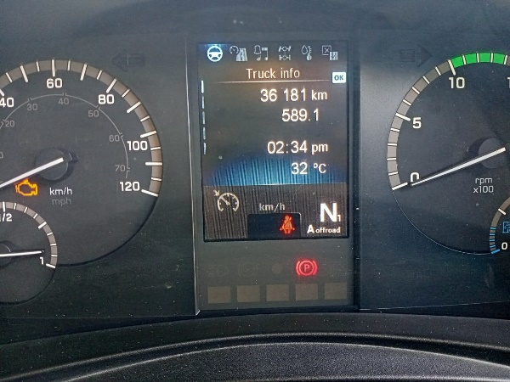 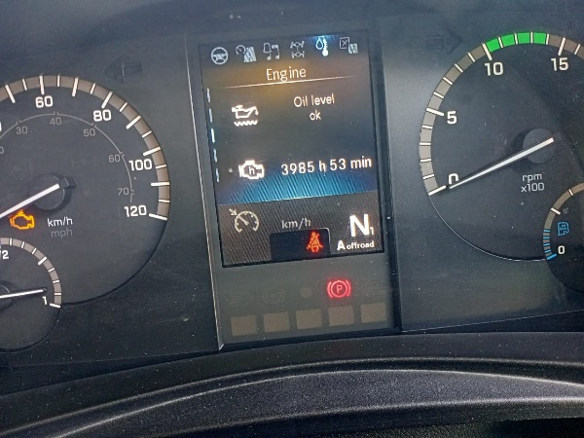 FOTO HM

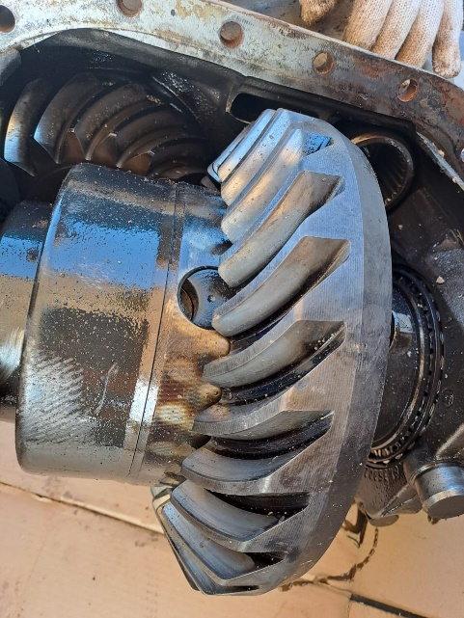 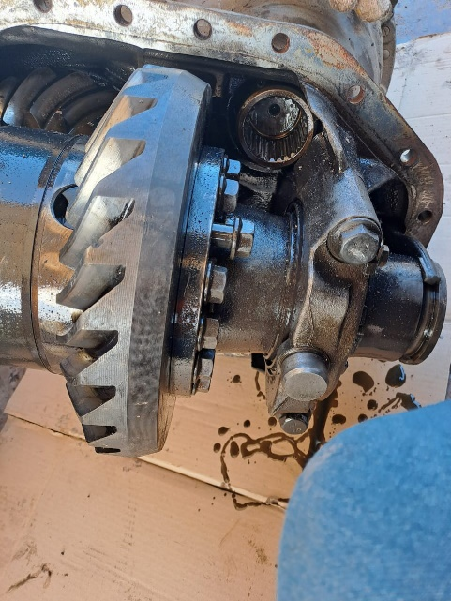 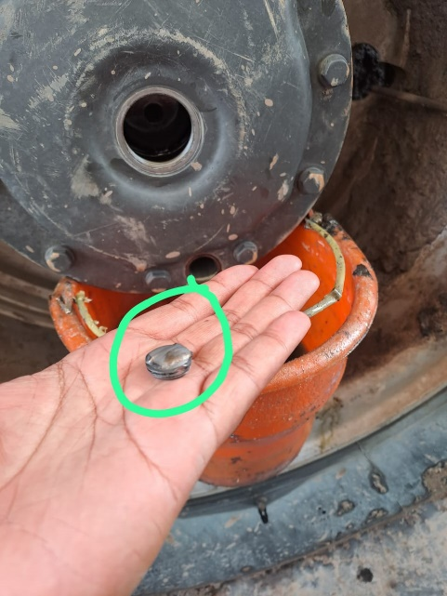 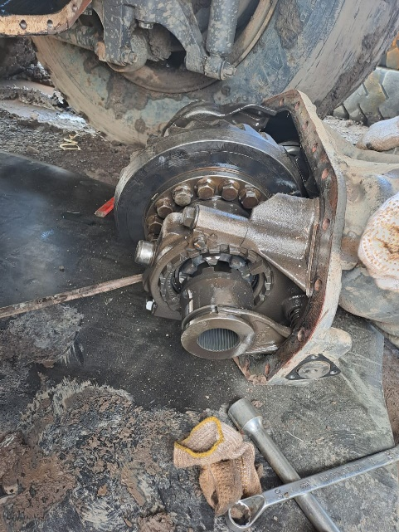 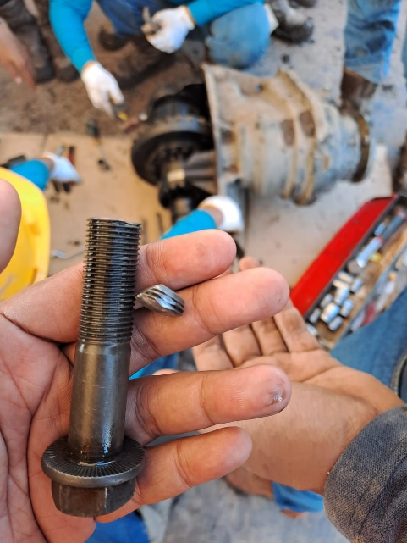 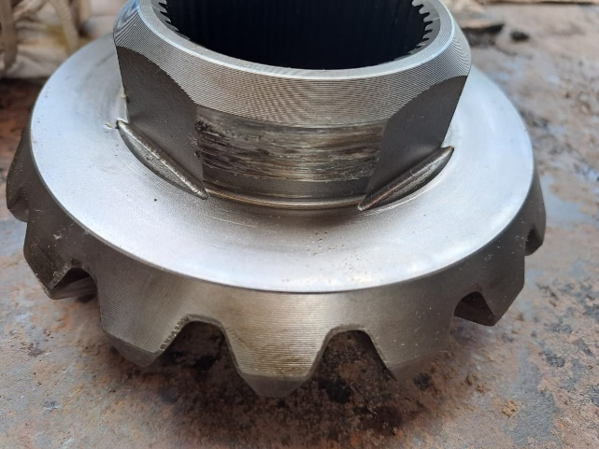 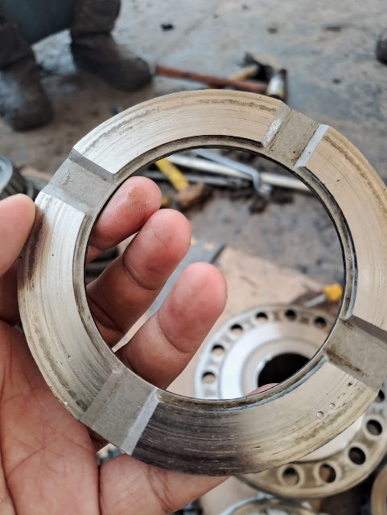 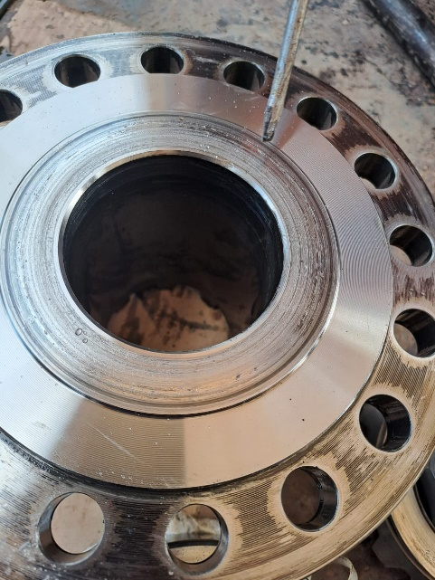 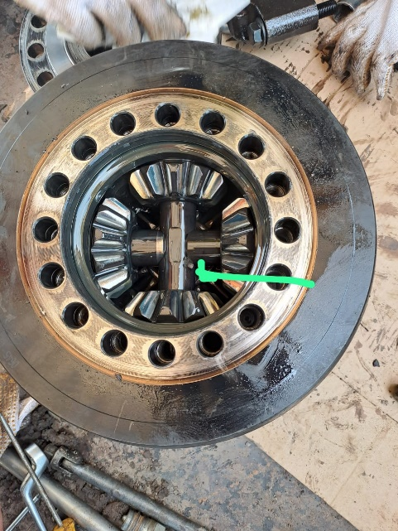 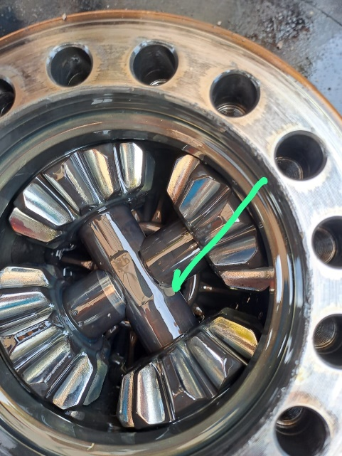 FOTO KOMPONEN YANG RUSAK / TREND VHMS / TEMUAN CBM / HASIL PAP

